Sheet 1 - MyGarden-3
Row | Column | Latitude | Longitude | Munzee | Color | Username | URL | Comments | Total Pins | Total reserved pins | Total deployed pins
1 | 2 | 37.807535895 | 20.869076122 | Safari Bus Evolution | safari truck | camillakhj | https://www.munzee.com/m/Camillakhj/8/ |  | 70 | 70 | 69
1 | 3 | 37.807535895 | 20.869258042 | Virtual | any colour | W&M | https://www.munzee.com/m/WriteAndMane/6789
1 | 4 | 37.807535895 | 20.869439963 | Virtual | any colour | ivwarrior | https://www.munzee.com/m/ivwarrior/5799/
1 | 5 | 37.807535895 | 20.869621883 | Virtual | any colour | LFC21 | https://www.munzee.com/m/LFC21/6864/ |  |  | Percentage reserved | Percentage filled
1 | 6 | 37.807535895 | 20.869803803 | Virtual | any colour | EagleDadandXenia | https://www.munzee.com/m/EagleDadandXenia/31347/ |  |  | 100.00% | 98.57%
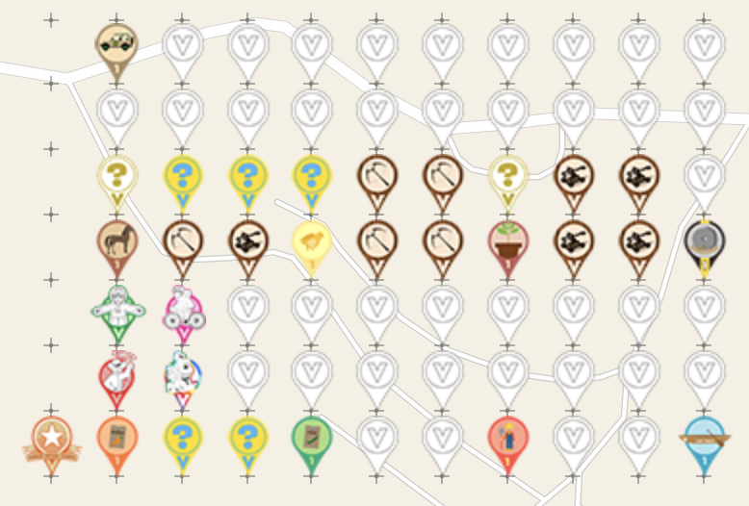
1 | 7 | 37.807535894 | 20.869985723 | Virtual | any colour | MarleyFanCT | https://www.munzee.com/m/marleyfanct/10351/
1 | 8 | 37.807535894 | 20.870167643 | Virtual | any colour | ChudleighTraveller | https://www.munzee.com/m/ChudleighTraveller/4731/
1 | 9 | 37.807535894 | 20.870349563 | Virtual | any colour | benandjules | https://www.munzee.com/m/BenandJules/4389/
1 | 10 | 37.807535894 | 20.870531483 | Virtual | any colour | Superpeggy | https://www.munzee.com/m/Superpeggy/3216
1 | 11 | 37.807535894 | 20.870713404 | Virtual | any colour | Happygirlie | https://www.munzee.com/m/Happygirlie/4080/
2 | 2 | 37.807392165 | 20.869076115 | Virtual | any colour | Owdminer | https://www.munzee.com/m/OwdMiner/5989/
2 | 3 | 37.807392165 | 20.869258035 | Virtual | any colour | FlamingoFlurrier | https://www.munzee.com/m/FlamingoFlurrier/4027/
2 | 4 | 37.807392164 | 20.869439954 | Virtual | any colour | flamingochaser |  | Still to be deployed
2 | 5 | 37.807392164 | 20.869621874 | Virtual | any colour | LittleLazarusGoldenBalls | https://www.munzee.com/m/LittleLazarusGoldenBalls/176/
2 | 6 | 37.807392164 | 20.869803794 | Virtual | any colour | HingeAndBracket | https://www.munzee.com/m/HingeAndBracket/2570/
2 | 7 | 37.807392164 | 20.869985714 | Virtual | any colour | Pyro1970 | https://www.munzee.com/m/Pyro1970/9261/
2 | 8 | 37.807392164 | 20.870167634 | Virtual | any colour | teamsturms | https://www.munzee.com/m/teamsturms/4324/
2 | 9 | 37.807392164 | 20.870349553 | Virtual | any colour | dorsetknob | https://www.munzee.com/m/dorsetknob/4709/
2 | 10 | 37.807392164 | 20.870531473 | Virtual | any colour | Franske | https://www.munzee.com/m/Franske/1441/
2 | 11 | 37.807392163 | 20.870713393 | Virtual | any colour | Thepaulsons | https://www.munzee.com/m/Thepaulsons/4198/
3 | 2 | 37.807248434 | 20.869076107 | Air Mystery | air mystery |  |  | Still to be deployed - someone else has deployed in this space
3 | 3 | 37.807248434 | 20.869258027 | Electric Mystery | electric mystery | Superpeggy | https://www.munzee.com/m/Superpeggy/3208/
3 | 4 | 37.807248434 | 20.869439946 | Electric Mystery | electric mystery | Waves117 | https://www.munzee.com/m/Waves117/2551/admin/
3 | 5 | 37.807248434 | 20.869621866 | Electric Mystery | electric mystery | ChudleighTraveller | https://www.munzee.com/m/ChudleighTraveller/6650/
3 | 6 | 37.807248434 | 20.869803785 | Crossbow | crossbow | Cidinho | https://www.munzee.com/m/Cidinho/3464/
3 | 7 | 37.807248434 | 20.869985705 | Crossbow | crossbow | Nuttynan | https://www.munzee.com/m/nuttynan/26172/
3 | 8 | 37.807248433 | 20.870167624 | Air Mystery | air mystery | nbtzyy2 | https://www.munzee.com/m/Nbtzyy2/3502/
3 | 9 | 37.807248433 | 20.870349543 | Catapult | catapult | Reart | https://www.munzee.com/m/Reart/1519/
3 | 10 | 37.807248433 | 20.870531463 | Catapult | catapult | grubsneerg | https://www.munzee.com/m/grubsneerg/3038/
3 | 11 | 37.807248433 | 20.870713382 | Virtual | any colour | Nuttynan | https://www.munzee.com/m/nuttynan/26008/
4 | 2 | 37.807104704 | 20.8690761 | Horse Evolution | colt | camillakhj | https://www.munzee.com/m/Camillakhj/11/
4 | 3 | 37.807104704 | 20.869258019 | Crossbow | crossbow | 4789steve | https://www.munzee.com/m/4789steve/1320/
4 | 4 | 37.807104704 | 20.869439938 | Catapult | catapult | nzseries1 | https://www.munzee.com/m/nzseries1/5758/
4 | 5 | 37.807104703 | 20.869621857 | Eggs Evolution | chick | camillakhj | https://www.munzee.com/m/Camillakhj/15/
4 | 6 | 37.807104703 | 20.869803776 | Crossbow | crossbow | ryo62 | https://www.munzee.com/m/ryo62/3690/
4 | 7 | 37.807104703 | 20.869985695 | Crossbow | crossbow | Bandyrooster | https://www.munzee.com/m/Bandyrooster/24188/
4 | 8 | 37.807104703 | 20.870167614 | Field Evolution | potted plant | camillakhj | https://www.munzee.com/m/Camillakhj/10/
4 | 9 | 37.807104703 | 20.870349534 | Catapult | catapult | Quietriots | https://www.munzee.com/m/Quietriots/2744/
4 | 10 | 37.807104703 | 20.870531453 | Catapult | catapult | ashthegeogenius | https://www.munzee.com/m/ashthegeogenius/974/
4 | 11 | 37.807104703 | 20.870713372 | Car Evolution | first wheel | camillakhj | https://www.munzee.com/m/Camillakhj/16/
5 | 2 | 37.806960973 | 20.869076093 | Flat Rob | flat rob | 3Prettys | https://www.munzee.com/m/3Prettys/137/
5 | 3 | 37.806960973 | 20.869258011 | Flat Lou | flat lou | GeodudeDK | https://www.munzee.com/m/GeodudeDK/3488/
5 | 4 | 37.806960973 | 20.86943993 | Virtual | any colour | ashthegeogenius | https://munzee.com/m/ashthegeogenius/1461
5 | 5 | 37.806960973 | 20.869621849 | Virtual | any colour | piesciuk | https://www.munzee.com/m/piesciuk/5483/
5 | 6 | 37.806960973 | 20.869803767 | Virtual | any colour | David | https://www.munzee.com/m/David/10515/
5 | 7 | 37.806960973 | 20.869985686 | Virtual | any colour | LFC21 | https://www.munzee.com/m/LFC21/6822/
5 | 8 | 37.806960973 | 20.870167605 | Virtual | any colour | ashthegeogenius | https://munzee.com/m/ashthegeogenius/4689/
5 | 9 | 37.806960972 | 20.870349524 | Virtual | any colour | nothingbutreble | https://www.munzee.com/m/nothingbutreble/720/
5 | 10 | 37.806960972 | 20.870531442 | Virtual | any colour | amoocow | https://www.munzee.com/m/amoocow/4984/
5 | 11 | 37.806960972 | 20.870713361 | Flat Lou | flat lou | camillakhj | https://www.munzee.com/m/Camillakhj/2/
6 | 2 | 37.806817243 | 20.869076085 | Flat Matt | flat matt | Nuttynan | https://www.munzee.com/m/nuttynan/18842/
6 | 3 | 37.806817243 | 20.869258003 | Flat Hammock | flat hammock | barefootguru | https://www.munzee.com/m/barefootguru/4352/
6 | 4 | 37.806817243 | 20.869439922 | Virtual | any colour | Brazilia | https://www.munzee.com/m/Brazilia/5292/
6 | 5 | 37.806817242 | 20.86962184 | Virtual | any colour | Nuttynan | https://www.munzee.com/m/nuttynan/26009/
6 | 6 | 37.806817242 | 20.869803759 | Virtual | any colour | ChudleighTraveller | https://www.munzee.com/m/ChudleighTraveller/4821/
6 | 7 | 37.806817242 | 20.869985677 | Virtual | any colour | GEOBBJ | https://www.munzee.com/m/Geobbj/628/
6 | 8 | 37.806817242 | 20.870167595 | Virtual | any colour | Nuttynan | https://www.munzee.com/m/nuttynan/26010/
6 | 9 | 37.806817242 | 20.870349514 | Virtual | any colour | ChudleighTraveller | https://www.munzee.com/m/ChudleighTraveller/4735/
6 | 10 | 37.806817242 | 20.870531432 | Virtual | any colour | grubsneerg | https://www.munzee.com/m/grubsneerg/4509/
6 | 11 | 37.806817242 | 20.87071335 | Virtual | any colour | Nuttynan | https://www.munzee.com/m/nuttynan/26011/
7 | 1 | 37.806673513 | 20.86889416 | POI Virtual Garden | poi virtual garden | Searays2 | https://www.munzee.com/m/Searays2/3393/
7 | 2 | 37.806673512 | 20.869076078 | Carrot Evolution | carrot seed | camillakhj | https://www.munzee.com/m/Camillakhj/14/
7 | 3 | 37.806673512 | 20.869257996 | Electric Mystery | electric mystery | jldh | https://www.munzee.com/m/jldh/3632/
7 | 4 | 37.806673512 | 20.869439914 | Electric Mystery | electric mystery | dorsetknob | https://www.munzee.com/m/dorsetknob/4717/
7 | 5 | 37.806673512 | 20.869621832 | Peas Evolution | peas seed | camillakhj | https://www.munzee.com/m/Camillakhj/12/
7 | 6 | 37.806673512 | 20.86980375 | Virtual | any colour | drew637 | https://www.munzee.com/m/drew637/9883/
7 | 7 | 37.806673512 | 20.869985668 | Virtual | any colour | ashthegeogenius | https://munzee.com/m/ashthegeogenius/972/
7 | 8 | 37.806673512 | 20.870167586 | Family Evolution | farmer | camillakhj | https://www.munzee.com/m/Camillakhj/13/
7 | 9 | 37.806673511 | 20.870349504 | Virtual | any colour | BIGBADJOHN1402 | https://www.munzee.com/m/bigbadjohn1402/2817/
7 | 10 | 37.806673511 | 20.870531422 | Virtual | any colour | drew637 | https://www.munzee.com/m/drew637/9884/
7 | 11 | 37.806673511 | 20.87071334 | Submarine Evolution | canoe | camillakhj | https://www.munzee.com/m/Camillakhj/9/
 |  |  |  |  |  | nothingbutreble | https://www.munzee.com/m/nothingbutreble/488/
Please do NOT delete the following line. You will need it if you want to load the CSV file back to the map!
URL: gardenpainter.ide.sk | 37.806889233 | 20.870622396 | 25 | 20 | 90 | 0 | 20 | 18

