stringstmnt
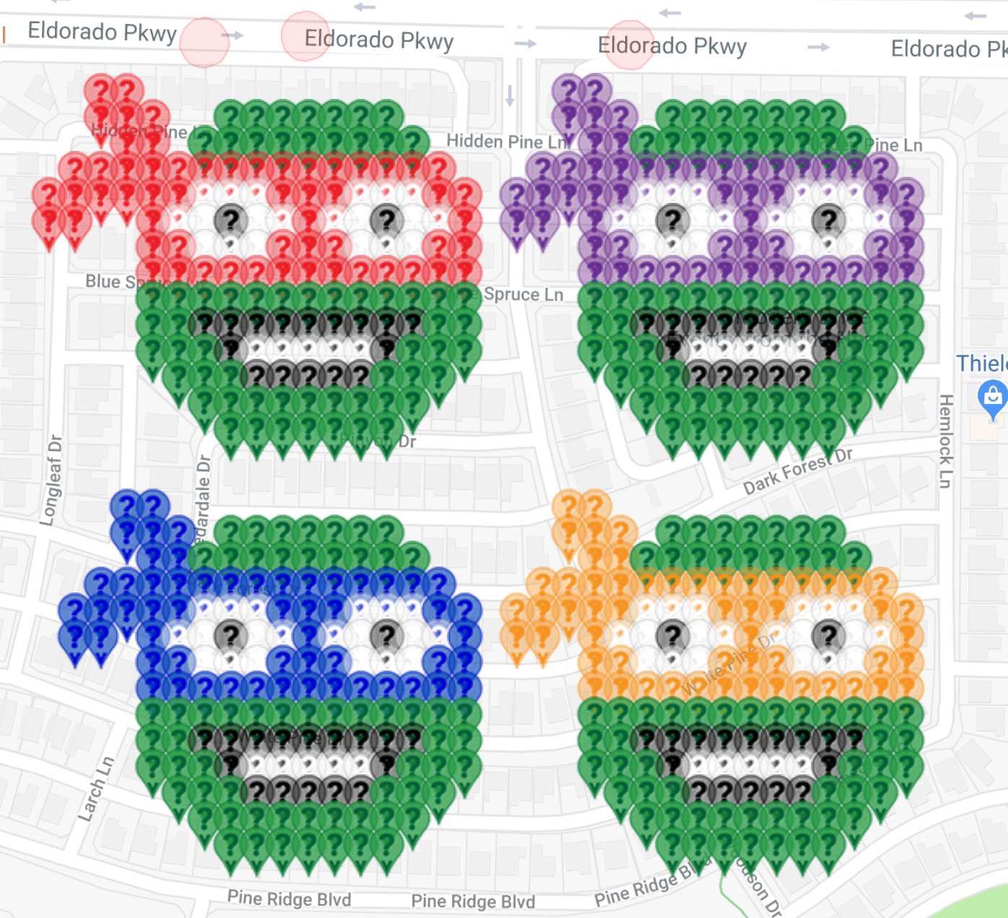
 | Deployed | Available | Total
Red | 58 | 0 | 58 |  |  |  | Any reserved spots without URLs may be cleared out on the first of the month to allow other players to deploy in those spots. Thank you!
Black | 48 | 24 | 72
White | 100 | 0 | 100
Dark Green | 0 | 0 | 0
Purple | 0 | 0 | 0
Blue | 48 | 8 | 56
Orange | 47 | 9 | 56
Total | 301 | 41 | 342
Complete: | 88.01%

Map Link:
https://www.munzee.com/map/9vghxy3bn/16

Row | Column | Latitude | Longitude | Munzee | Username | URL | Comments
1 | 3 | 33.172932205789806 | -96.69513913094221 | MVM Red | tracee74 | https://www.munzee.com/m/Tracee74/2188/
1 | 4 | 33.17293220567195 | -96.69496741467822 | MVM Red | kjasdad | https://www.munzee.com/m/Kjasdad/1207/
1 | 21 | 33.17293220366851 | -96.6920482381903 | Violet | kjasdad | https://www.munzee.com/m/Kjasdad/1208/
1 | 22 | 33.172932203550665 | -96.6918765219263 | Violet | denali0407 | https://www.munzee.com/m/denali0407/7138
2 | 3 | 33.17278847534435 | -96.69513913516624 | MVM Red | denali0407 | https://www.munzee.com/m/denali0407/7140/
2 | 4 | 33.1727884752265 | -96.69496741918385 | MVM Red | Dg25plus | https://www.munzee.com/m/Dg25plus/2041/
2 | 5 | 33.172788475108646 | -96.69479570320146 | MVM Red | annabanana | https://www.munzee.com/m/annabanana/5742/
2 | 8 | 33.1727884747551 | -96.69428055525424 | Forest Green | tracee74 | https://www.munzee.com/m/Tracee74/2194/
2 | 9 | 33.17278847463725 | -96.69410883927185 | Forest Green | jiffers | https://www.munzee.com/m/Jiffers/478/
2 | 10 | 33.1727884745194 | -96.69393712328946 | Forest Green | Dtiger | https://www.munzee.com/m/Dtiger98/278/
2 | 11 | 33.17278847440155 | -96.69376540730707 | Forest Green | tracee74 | https://www.munzee.com/m/Tracee74/2190/
2 | 12 | 33.172788474283706 | -96.69359369132468 | Forest Green | Ushinator2002 | https://www.munzee.com/m/ushinator2002/460/
2 | 13 | 33.17278847416586 | -96.69342197534229 | Forest Green | Bonkers | https://www.munzee.com/m/bonkers/1864/
2 | 14 | 33.172788474048005 | -96.6932502593599 | Forest Green | tracee74 | https://www.munzee.com/m/Tracee74/2186/
2 | 21 | 33.17278847322305 | -96.692048247483 | Violet | RedPhoenix | https://www.munzee.com/m/redphoenix/2555/
2 | 22 | 33.17278847310521 | -96.69187653150061 | Violet | Shogun | https://www.munzee.com/m/Shogun/46
2 | 23 | 33.17278847298735 | -96.69170481551822 | Violet | tracee74 | https://www.munzee.com/m/Tracee74/2202/
2 | 25 | 33.17278847275165 | -96.69136138355338 | Forest Green | lison55 | https://www.munzee.com/m/lison55/2285/
2 | 26 | 33.1727884726338 | -96.691189667571 | Forest Green | 123xilef | https://www.munzee.com/m/123xilef/2741/
2 | 27 | 33.172788472515954 | -96.6910179515886 | Forest Green | bazfum | https://www.munzee.com/m/bazfum/3908/
2 | 28 | 33.17278847239811 | -96.69084623560621 | Forest Green | sdgal | https://www.munzee.com/m/sdgal/2133/
2 | 29 | 33.17278847228026 | -96.69067451962382 | Forest Green | ChandaBelle | https://www.munzee.com/m/ChandaBelle/678/
2 | 30 | 33.17278847216241 | -96.69050280364143 | Forest Green | MS1721 | https://www.munzee.com/m/MS1721/1067/
2 | 31 | 33.17278847204456 | -96.69033108765904 | Forest Green | Bobd | https://www.munzee.com/m/bobd/3340/
3 | 4 | 33.172644744781046 | -96.6949674236887 | MVM Red | Kchiefz | https://www.munzee.com/m/Kchiefz/704/
3 | 5 | 33.172644744663195 | -96.69479570798785 | MVM Red | Pebbleslee33 | https://www.munzee.com/m/Pebbleslee33/333/
3 | 7 | 33.17264474442749 | -96.69445227658616 | Forest Green | granitente | https://www.munzee.com/m/granitente/1475/
3 | 8 | 33.172644744309636 | -96.69428056088532 | Forest Green | Kchiefz | https://www.munzee.com/m/Kchiefz/708/
3 | 9 | 33.17264474419178 | -96.69410884518447 | Forest Green | Pebbles33 | https://www.munzee.com/m/Pebbleslee33/329/
3 | 10 | 33.172644744073935 | -96.69393712948368 | Forest Green | Bobd | https://www.munzee.com/m/bobd/3339/
3 | 11 | 33.172644743956084 | -96.6937654137829 | Forest Green | Questing4 | www.munzee.com/m/Questing4/5281
3 | 12 | 33.172644743838234 | -96.69359369808205 | Forest Green | DolphinJo | https://www.munzee.com/m/DolphinJo/2977/
3 | 13 | 33.17264474372039 | -96.69342198238126 | Forest Green | Bobd | https://www.munzee.com/m/bobd/3334
3 | 14 | 33.17264474360255 | -96.69325026668048 | Forest Green | kjasdad | https://www.munzee.com/m/Kjasdad/1420/
3 | 15 | 33.172644743484696 | -96.69307855097963 | Forest Green | Justforfun33 | https://www.munzee.com/m/Justforfun33/10592/
3 | 22 | 33.17264474265974 | -96.69187654107384 | Violet | Kchiefz | https://www.munzee.com/m/Kchiefz/712/
3 | 23 | 33.17264474254189 | -96.691704825373 | Violet | Pebbleslee33 | https://www.munzee.com/m/Pebbleslee33/325/
3 | 24 | 33.17264474242404 | -96.69153310967215 | Forest Green | Bobd | https://www.munzee.com/m/bobd/3332
3 | 25 | 33.17264474230619 | -96.6913613939713 | Forest Green | kjasdad | https://www.munzee.com/m/Kjasdad/1453/
3 | 26 | 33.17264474218834 | -96.69118967827046 | Forest Green | EspressoJoe | https://www.munzee.com/m/EspressoJoe/660/
3 | 27 | 33.172644742070496 | -96.69101796256967 | Forest Green | Bobd | https://www.munzee.com/m/bobd/3330
3 | 28 | 33.17264474195265 | -96.69084624686888 | Forest Green | tracee74 | https://www.munzee.com/m/Tracee74/2268/
3 | 29 | 33.17264474183481 | -96.69067453116804 | Forest Green | kjasdad | https://www.munzee.com/m/Kjasdad/1454/
3 | 30 | 33.17264474171695 | -96.6905028154672 | Forest Green | Aphrael | https://www.munzee.com/m/Aphrael/997/
3 | 31 | 33.17264474159911 | -96.69033109976635 | Forest Green | tracee74 | https://www.munzee.com/m/Tracee74/2313/
3 | 32 | 33.17264474148126 | -96.69015938406551 | Forest Green | kjasdad | https://www.munzee.com/m/Kjasdad/1515/
4 | 2 | 33.17250101457127 | -96.69531085903281 | MVM Red | Batmun | https://www.munzee.com/m/Batmun/1725/
4 | 3 | 33.172501014453424 | -96.69513914361357 | MVM Red | Ushinator2002 | https://www.munzee.com/m/ushinator2002/455/
4 | 4 | 33.17250101433558 | -96.69496742819433 | MVM Red | mdtt | https://www.munzee.com/m/mdtt/2685/
4 | 5 | 33.17250101421773 | -96.69479571277509 | MVM Red | oleTimer | https://www.munzee.com/m/oletimer/1288
4 | 6 | 33.17250101409988 | -96.69462399735585 | MVM Red | Bobd | https://www.munzee.com/m/bobd/3319/
4 | 7 | 33.172501013982035 | -96.6944522819366 | MVM Red | superstar | https://www.munzee.com/m/superstar/2075/
4 | 8 | 33.17250101386418 | -96.69428056651736 | MVM Red | kjasdad | https://www.munzee.com/m/Kjasdad/1516/
4 | 9 | 33.172501013746334 | -96.69410885109812 | MVM Red | Justforfun33 | https://www.munzee.com/m/Justforfun33/10477/
4 | 10 | 33.17250101362849 | -96.69393713567888 | MVM Red | vivszi | https://www.munzee.com/m/vivszi/613
4 | 11 | 33.17250101351064 | -96.69376542025964 | MVM Red | Nomadicjp | https://www.munzee.com/m/nomadicjp/1903/admin/
4 | 12 | 33.1725010133928 | -96.6935937048404 | MVM Red | Debolicious | https://www.munzee.com/m/Debolicious/4193/admin/
4 | 13 | 33.17250101327495 | -96.69342198942115 | MVM Red | ambyr | https://www.munzee.com/m/ambyr/1224/
4 | 14 | 33.17250101315711 | -96.69325027400191 | MVM Red | alexcarter | https://www.munzee.com/m/alexcarter/415/
4 | 15 | 33.172501013039266 | -96.69307855858267 | MVM Red | granitente | https://www.munzee.com/m/granitente/1465/
4 | 16 | 33.17250101292141 | -96.69290684316343 | MVM Red | Wb2qbq | https://www.munzee.com/m/wb2qbq/8175
4 | 20 | 33.17250101245001 | -96.69221998148646 | Violet | brycetheskater | https://www.munzee.com/m/Brycetheskater/644/
4 | 21 | 33.17250101233216 | -96.69204826606722 | Violet | Batmun | https://www.munzee.com/m/Batmun/1722/
4 | 22 | 33.17250101221431 | -96.69187655064797 | Violet | demhackbardt | https://www.munzee.com/m/demhackbardt/5138/
4 | 23 | 33.17250101209646 | -96.69170483522873 | Violet | oleTimer | https://www.munzee.com/m/oletimer/1284
4 | 24 | 33.17250101197862 | -96.69153311980949 | Violet | superstar | https://www.munzee.com/m/superstar/2125/
4 | 25 | 33.172501011860774 | -96.69136140439025 | Violet | Nomadicjp | https://www.munzee.com/m/nomadicjp/2276/admin/
4 | 26 | 33.17250101174293 | -96.69118968897101 | Violet | Debolicious | https://www.munzee.com/m/Debolicious/4257/admin/
4 | 27 | 33.17250101162508 | -96.69101797355176 | Violet | dazza | https://www.munzee.com/m/Dazzaf/2190/
4 | 28 | 33.17250101150723 | -96.69084625813252 | Violet | vivszi | https://www.munzee.com/m/vivszi/614
4 | 29 | 33.17250101138938 | -96.69067454271328 | Violet | mdtt | https://www.munzee.com/m/mdtt/2689/
4 | 30 | 33.17250101127153 | -96.69050282729404 | Violet | Nov64 | https://www.munzee.com/m/Nov64/8869/
4 | 31 | 33.172501011153685 | -96.6903311118748 | Violet | willinhouston | https://www.munzee.com/m/WillinHouston/727/
4 | 32 | 33.17250101103584 | -96.69015939645555 | Violet | Questing4 | www.munzee.com/m/Questing4/5274
4 | 33 | 33.17250101091798 | -96.68998768103631 | Violet | Justforfun33 | https://www.munzee.com/m/Justforfun33/10481/
5 | 1 | 33.17235728424367 | -96.69548257811289 | MVM Red | Nov64 | https://www.munzee.com/m/Nov64/8874/
5 | 2 | 33.172357284125816 | -96.69531086297525 | MVM Red | bobd | https://www.munzee.com/m/bobd/3326/
5 | 3 | 33.172357284007965 | -96.69513914783761 | MVM Red | Bonkers | https://www.munzee.com/m/bonkers/1945/
5 | 4 | 33.172357283890115 | -96.69496743269997 | MVM Red | Imlookingatu | https://www.munzee.com/m/Imlookingatu/2837/
5 | 5 | 33.17235728377227 | -96.69479571756233 | MVM Red | Nene99 | https://www.munzee.com/m/Nene99/1191/
5 | 6 | 33.17235728365443 | -96.69462400242469 | MVM Red | MrsMouse | https://www.munzee.com/m/MrsMouse/2711/
5 | 7 | 33.172357283536584 | -96.69445228728705 | MVM White | baseballkrazy | https://www.munzee.com/m/Baseballkrazy/1660/
5 | 8 | 33.172357283418734 | -96.69428057214941 | MVM White | ChameleonPilots | https://www.munzee.com/m/Chameleonpilots/2904/
5 | 9 | 33.17235728330088 | -96.69410885701177 | MVM White | TubaDude | https://www.munzee.com/m/TubaDude/1581/
5 | 10 | 33.17235728318304 | -96.69393714187413 | MVM Red | baseballkrazy | https://www.munzee.com/m/Baseballkrazy/1654/
5 | 11 | 33.17235728306518 | -96.69376542673649 | MVM Red | anriol | https://www.munzee.com/m/anriol/757/
5 | 12 | 33.17235728294733 | -96.69359371159885 | MVM Red | MeanderingMonkeys | https://www.munzee.com/m/MeanderingMonkeys/12266/
5 | 13 | 33.17235728282948 | -96.69342199646121 | MVM White | baseballkrazy | https://www.munzee.com/m/Baseballkrazy/1659/
5 | 14 | 33.17235728271164 | -96.69325028132357 | MVM White | TubaDude | https://www.munzee.com/m/TubaDude/1578/
5 | 15 | 33.17235728259378 | -96.69307856618593 | MVM White | tracee74 | https://www.munzee.com/m/Tracee74/2184/
5 | 16 | 33.172357282475936 | -96.69290685104829 | MVM Red | baseballkrazy | https://www.munzee.com/m/Baseballkrazy/1653/
5 | 17 | 33.17235728235809 | -96.69273513591065 | MVM Red | denali0407 | https://www.munzee.com/m/denali0407/7157/
5 | 19 | 33.17235728212239 | -96.69239170563537 | Violet | MeanderingMonkeys | https://www.munzee.com/m/MeanderingMonkeys/12264/
5 | 20 | 33.17235728200455 | -96.69221999049773 | Violet | tracee74 | https://www.munzee.com/m/Tracee74/2633/
5 | 21 | 33.172357281886704 | -96.6920482753601 | Violet | baseballkrazy | https://www.munzee.com/m/Baseballkrazy/1650/
5 | 22 | 33.17235728176885 | -96.69187656022245 | Violet | denali0407 | https://www.munzee.com/m/denali0407/7156/
5 | 23 | 33.172357281651 | -96.69170484508481 | Violet | MeanderingMonkeys | https://www.munzee.com/m/MeanderingMonkeys/12265/
5 | 24 | 33.17235728153316 | -96.69153312994717 | MVM White | baseballkrazy | https://www.munzee.com/m/Baseballkrazy/1658/
5 | 25 | 33.172357281415316 | -96.69136141480953 | MVM White | TubaDude | https://www.munzee.com/m/TubaDude/1577/
5 | 26 | 33.17235728129747 | -96.6911896996719 | MVM White | BonnieB1 | https://www.munzee.com/m/BonnieB1/1016/
5 | 27 | 33.17235728117963 | -96.69101798453425 | Violet | baseballkrazy | https://www.munzee.com/m/Baseballkrazy/1649/
5 | 28 | 33.17235728106177 | -96.69084626939661 | Violet | shingobee23 | https://www.munzee.com/m/shingobee23/1650/
5 | 29 | 33.17235728094393 | -96.69067455425897 | Violet | granitente | https://www.munzee.com/m/granitente/1464/
5 | 30 | 33.17235728082608 | -96.69050283912133 | MVM White | baseballkrazy | https://www.munzee.com/m/Baseballkrazy/1655/
5 | 31 | 33.172357280708226 | -96.6903311239837 | MVM White | TubaDude | https://www.munzee.com/m/TubaDude/1575/
5 | 32 | 33.17235728059038 | -96.69015940884605 | MVM White | 123xilef | https://www.munzee.com/m/123xilef/2749/
5 | 33 | 33.17235728047254 | -96.68998769370842 | Violet | baseballkrazy | https://www.munzee.com/m/Baseballkrazy/1639/
5 | 34 | 33.172357280354696 | -96.68981597857078 | Violet | tracee74 | https://www.munzee.com/m/Tracee74/2292/
6 | 1 | 33.172213553798194 | -96.69548258177315 | MVM Red | kjasdad | https://www.munzee.com/m/Kjasdad/1526/
6 | 2 | 33.17221355368034 | -96.69531086691705 | MVM Red | llamah | https://www.munzee.com/m/llamah/1107/
6 | 5 | 33.1722135533268 | -96.69479572234877 | MVM Red | MeanderingMonkeys | https://www.munzee.com/m/MeanderingMonkeys/12267/
6 | 6 | 33.172213553208955 | -96.69462400749273 | MVM White | Westies | https://www.munzee.com/m/Westies/2324
6 | 7 | 33.17221355309111 | -96.6944522926367 | MVM White | sickman | https://www.munzee.com/m/sickman/2009
6 | 8 | 33.17221355297327 | -96.69428057778066 | MVM Black | Imlookingatu | https://www.munzee.com/m/Imlookingatu/2834/
6 | 9 | 33.172213552855425 | -96.69410886292462 | MVM White | tracee74 | https://www.munzee.com/m/Tracee74/2164/
6 | 10 | 33.17221355273757 | -96.69393714806858 | MVM White | GZee | https://www.munzee.com/m/GZee/888/
6 | 11 | 33.17221355261972 | -96.69376543321255 | MVM Red | BonnieB1 | https://www.munzee.com/m/BonnieB1/1308/
6 | 12 | 33.17221355250188 | -96.69359371835651 | MVM White | AZee | https://www.munzee.com/m/AZee/868/
6 | 13 | 33.17221355238402 | -96.69342200350047 | MVM White | GZee | https://www.munzee.com/m/GZee/885/
6 | 14 | 33.17221355226617 | -96.69325028864443 | MVM Black | kjasdad | https://www.munzee.com/m/Kjasdad/1532/
6 | 15 | 33.17221355214833 | -96.6930785737884 | MVM White | AZee | https://www.munzee.com/m/AZee/866/
6 | 16 | 33.17221355203048 | -96.69290685893236 | MVM White | GZee | https://www.munzee.com/m/GZee/882/
6 | 17 | 33.17221355191262 | -96.69273514407626 | MVM Red | kjasdad | https://www.munzee.com/m/Kjasdad/1534/
...

