MyGarden (3)
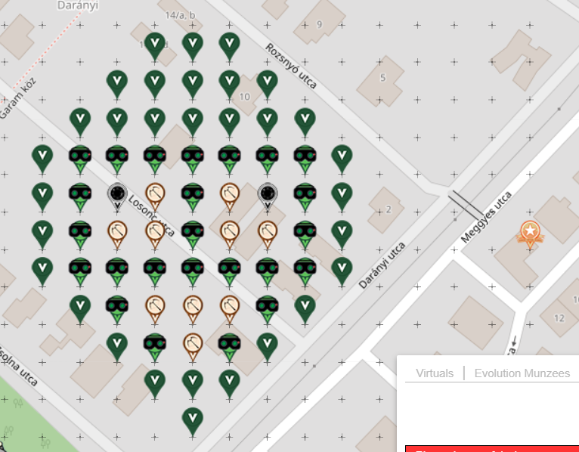
Eyes in diquizee |  |  | Color | Total | Deployed | Filled
 |  |  | Virtual Forest Green | 31 | 31 | 100.0%
https://bit.ly/3sOX4cf |  |  | night vision goggles | 24 | 24 | 100.0%
Opened Jan 23rd 2021 |  |  | onyx | 2 | 2 | 100.0%
 |  |  | crossbow | 10 | 10 | 100.0%
 |  |  | poi virtual garden | 1 | 1 | 100.0%

 |  |  | Total | 68 | 68 | 100.00%

 | sep=
 | Row | Column | Latitude | Longitude | Munzee | Color | Username | URL | Comments
 | 1 | 4 | 47.513710824 | 18.918118981 | Virtual Forest Green | forest green | linusbi | https://www.munzee.com/m/linusbi/3841/admin/
 | 1 | 5 | 47.513710824 | 18.918331785 | Virtual Forest Green | forest green | Superpeggy | . | will deploy 31st
 | 1 | 6 | 47.513710823 | 18.918544589 | Virtual Forest Green | forest green | mobility | https://www.munzee.com/m/mobility/10867/
 | 2 | 3 | 47.513567094 | 18.917906162 | Virtual Forest Green | forest green | voldby1 | https://www.munzee.com/m/voldby1/58/admin/convert/
 | 2 | 4 | 47.513567093 | 18.918118965 | Virtual Forest Green | forest green | Trezorka | https://www.munzee.com/m/Trezorka/3521
 | 2 | 5 | 47.513567093 | 18.918331768 | Virtual Forest Green | forest green | Pandora6000 | https://www.munzee.com/m/Pandora6000/905
 | 2 | 6 | 47.513567093 | 18.91854457 | Virtual Forest Green | forest green | Atlantis | https://www.munzee.com/m/Atlantis/500
 | 2 | 7 | 47.513567093 | 18.918757373 | Virtual Forest Green | forest green | Gatis50 | https://www.munzee.com/m/Gatis50/2916
 | 3 | 2 | 47.513423363 | 18.917693343 | Virtual Forest Green | forest green | JakabGyorgy | Munzee. 21st Century Scavenger Hunt. Munzee Details - Budakeszi, Darányi by JakabGyorgy
 | 3 | 3 | 47.513423363 | 18.917906145 | Virtual Forest Green | forest green | barefootguru | https://www.munzee.com/m/barefootguru/3293/
 | 3 | 4 | 47.513423363 | 18.918118948 | Virtual Forest Green | forest green | sagabi | https://www.munzee.com/m/sagabi/10465/
 | 3 | 5 | 47.513423363 | 18.91833175 | Virtual Forest Green | forest green | RTHawk | https://www.munzee.com/m/RTHawk/2896
 | 3 | 6 | 47.513423363 | 18.918544552 | Virtual Forest Green | forest green | saben | https://www.munzee.com/m/saben/875/
 | 3 | 7 | 47.513423362 | 18.918757355 | Virtual Forest Green | forest green | lurch | https://www.munzee.com/m/lurch/603/
 | 3 | 8 | 47.513423362 | 18.918970157 | Virtual Forest Green | forest green | Trezorka | https://www.munzee.com/m/Trezorka/3498
 | 4 | 1 | 47.513279633 | 18.917480525 | Virtual Forest Green | forest green | Smith2190 | https://www.munzee.com/m/Smith2190/1339
 | 4 | 2 | 47.513279633 | 18.917693327 | Night Vision Goggles | night vision goggles | munzeefarmor | https://www.munzee.com/m/munzeefarmor/1899/admin/
 | 4 | 3 | 47.513279633 | 18.917906129 | Night Vision Goggles | night vision goggles | 10kl3 | https://www.munzee.com/m/10kl3/33/admin/
 | 4 | 4 | 47.513279632 | 18.918118931 | Night Vision Goggles | night vision goggles | 10kl2 | https://www.munzee.com/m/10kl2/26/admin/map/
 | 4 | 5 | 47.513279632 | 18.918331733 | Night Vision Goggles | night vision goggles | ZajecTerminator | https://www.munzee.com/m/ZajecTerminator/413/
 | 4 | 6 | 47.513279632 | 18.918544534 | Night Vision Goggles | night vision goggles | 10kl3 | https://www.munzee.com/m/10kl3/32/admin/
 | 4 | 7 | 47.513279632 | 18.918757336 | Night Vision Goggles | night vision goggles | 10kl2 | https://www.munzee.com/m/10kl2/30/admin/map/
 | 4 | 8 | 47.513279632 | 18.918970138 | Night Vision Goggles | night vision goggles | levesund | https://www.munzee.com/m/levesund/7990/
 | 4 | 9 | 47.513279632 | 18.91918294 | Virtual Forest Green | forest green | Attis
 | 5 | 1 | 47.513135903 | 18.91748051 | Virtual Forest Green | forest green | Lehmis | https://www.munzee.com/m/Lehmis/3284/
 | 5 | 2 | 47.513135902 | 18.917693311 | Night Vision Goggles | night vision goggles | Herbie | https://www.munzee.com/m/Herbie/12535
 | 5 | 3 | 47.513135902 | 18.917906113 | Virtual Onyx | onyx | Mallet75 | https://www.munzee.com/m/Mallet75/445/admin/
 | 5 | 4 | 47.513135902 | 18.918118914 | Crossbow | crossbow | lonni | https://www.munzee.com/m/Lonni/1024/admin/
 | 5 | 5 | 47.513135902 | 18.918331715 | Night Vision Goggles | night vision goggles | rgorsythe | https://www.munzee.com/m/rgforsythe/9914/
 | 5 | 6 | 47.513135902 | 18.918544516 | Crossbow | crossbow | trille | https://www.munzee.com/m/trille/321/admin/
 | 5 | 7 | 47.513135901 | 18.918757317 | Virtual Onyx | onyx | Smith2190 | https://www.munzee.com/m/Smith2190/1360
 | 5 | 8 | 47.513135901 | 18.918970119 | Night Vision Goggles | night vision goggles | Sagabi | https://www.munzee.com/m/sagabi/10489/
 | 5 | 9 | 47.513135901 | 18.91918292 | Virtual Forest Green | forest green | Lehmich
 | 6 | 1 | 47.512992172 | 18.917480495 | Virtual Forest Green | forest green | levesund | https://www.munzee.com/m/levesund/7878/admin/
 | 6 | 2 | 47.512992172 | 18.917693296 | Night Vision Goggles | night vision goggles | knotmunz | https://www.munzee.com/m/knotmunz/2112/
 | 6 | 3 | 47.512992172 | 18.917906096 | Crossbow | crossbow | teamsturms | https://www.munzee.com/m/teamsturms/3205/
 | 6 | 4 | 47.512992172 | 18.918118897 | Crossbow | crossbow | Jaroslav | https://www.munzee.com/m/Jaroslav/8790/
 | 6 | 5 | 47.512992171 | 18.918331698 | Night Vision Goggles | night vision goggles | Japanian | https://www.munzee.com/m/Japanian/1009/
 | 6 | 6 | 47.512992171 | 18.918544498 | Crossbow | crossbow | linusbi | https://www.munzee.com/m/linusbi/3873/admin/
 | 6 | 7 | 47.512992171 | 18.918757299 | Crossbow | crossbow | Djaehrling | https://www.munzee.com/m/Djaehrling/835/
 | 6 | 8 | 47.512992171 | 18.918970099 | Night Vision Goggles | night vision goggles | ZajecTerminator | https://www.munzee.com/m/ZajecTerminator/414/
 | 6 | 9 | 47.512992171 | 18.9191829 | Virtual Forest Green | forest green | Gatis50 | https://www.munzee.com/m/Gatis50/2844
 | 6 | 14 | 47.51299217 | 18.920246903 | POI Virtual Garden | poi virtual garden | smith2190 | https://www.munzee.com/m/Smith2190/1361 |  | Just got a note from MHQ that it is out there..
 | 7 | 1 | 47.512848442 | 18.91748048 | Virtual Forest Green | forest green | Trezorka | https://www.munzee.com/m/Trezorka/3416
 | 7 | 2 | 47.512848442 | 18.91769328 | Night Vision Goggles | night vision goggles | Maxi72 | https://www.munzee.com/m/Maxi72/2482/
 | 7 | 3 | 47.512848441 | 18.91790608 | Night Vision Goggles | night vision goggles | newbee | https://www.munzee.com/m/newbee/7488
 | 7 | 4 | 47.512848441 | 18.91811888 | Night Vision Goggles | night vision goggles | newfruit | https://www.munzee.com/m/Newfruit/6659
 | 7 | 5 | 47.512848441 | 18.91833168 | Night Vision Goggles | night vision goggles | shrekmiester | https://www.munzee.com/m/shrekmiester/7333
 | 7 | 6 | 47.512848441 | 18.91854448 | Night Vision Goggles | night vision goggles | naturelover | https://www.munzee.com/m/naturelover/7796
 | 7 | 7 | 47.512848441 | 18.91875728 | Night Vision Goggles | night vision goggles | heathcote07 | https://www.munzee.com/m/heathcote07/4587
 | 7 | 8 | 47.51284844 | 18.91897008 | Night Vision Goggles | night vision goggles | munzeemor | https://www.munzee.com/m/munzeemor/1110/admin/
 | 7 | 9 | 47.51284844 | 18.91918288 | Virtual Forest Green | forest green | Derlame | https://www.munzee.com/m/Derlame/15317/
 | 8 | 2 | 47.512704711 | 18.917693264 | Virtual Forest Green | forest green | linusbi | https://www.munzee.com/m/linusbi/3808/admin/convert/
 | 8 | 3 | 47.512704711 | 18.917906064 | Night Vision Goggles | night vision goggles | 10kl3 | https://www.munzee.com/m/10kl3/31/admin/
 | 8 | 4 | 47.512704711 | 18.918118863 | Crossbow | crossbow | CoffeeEater | https://www.munzee.com/m/CoffeeEater/4169/
 | 8 | 5 | 47.512704711 | 18.918331663 | Crossbow | crossbow | Thepaulsons | https://www.munzee.com/m/Thepaulsons/1081/
 | 8 | 6 | 47.51270471 | 18.918544462 | Crossbow | crossbow | Smith2190 | https://www.munzee.com/m/Smith2190/1357
 | 8 | 7 | 47.51270471 | 18.918757262 | Night Vision Goggles | night vision goggles | soule122 | https://www.munzee.com/m/soule122/1993/
 | 8 | 8 | 47.51270471 | 18.918970061 | Virtual Forest Green | forest green | Trezorka | https://www.munzee.com/m/Trezorka/3272
 | 9 | 3 | 47.51256098 | 18.917906047 | Virtual Forest Green | forest green | lapka | https://www.munzee.com/m/lapka/1734/
 | 9 | 4 | 47.51256098 | 18.918118846 | Night Vision Goggles | night vision goggles | Djaehrling | https://www.munzee.com/m/Djaehrling/809/
 | 9 | 5 | 47.51256098 | 18.918331645 | Crossbow | crossbow | fionails | https://www.munzee.com/m/fionails/4376/admin/
 | 9 | 6 | 47.51256098 | 18.918544444 | Night Vision Goggles | night vision goggles | ZajecTerminator | https://www.munzee.com/m/ZajecTerminator/421/
 | 9 | 7 | 47.51256098 | 18.918757243 | Virtual Forest Green | forest green | Gatis50 | https://www.munzee.com/m/Gatis50/2840
 | 10 | 4 | 47.51241725 | 18.918118829 | Virtual Forest Green | forest green | klc1960 | https://www.munzee.com/m/klc1960/1622/
 | 10 | 5 | 47.51241725 | 18.918331628 | Virtual Forest Green | forest green | mobility | https://www.munzee.com/m/mobility/10868
 | 10 | 6 | 47.512417249 | 18.918544426 | Virtual Forest Green | forest green | Atlantis | https://www.munzee.com/m/Atlantis/489
 | 11 | 5 | 47.512273519 | 18.91833161 | Virtual Forest Green | forest green | Munzeeprof | https://www.munzee.com/m/munzeeprof/13794/ | 2021-01-24

 | Please do NOT delete the following line. You will need it if you want to load the CSV file back to the map!
 | URL: gardenpainter.ide.sk | 47.512920483 | 18.918225289 | 24 | 26 | 90 | 0 | 20 | 18

