Welcome!
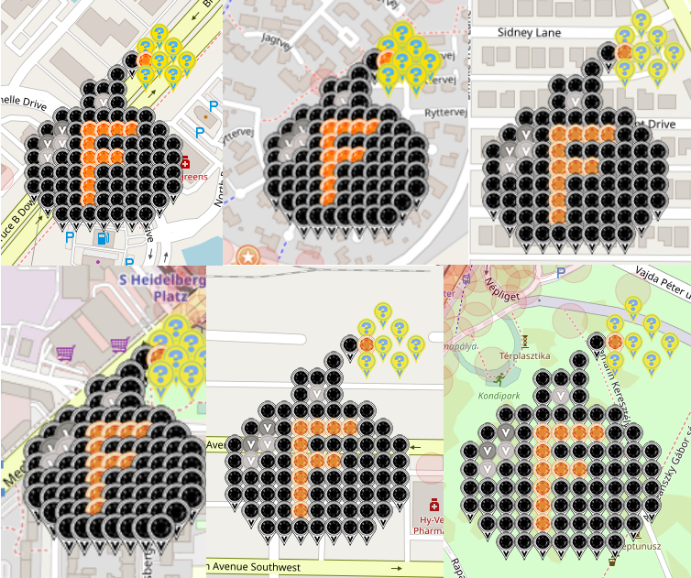
Welcome to the F-Bomb Series!

By popular request, here are MORE F-Bombs for your deploying pleasure, for a cathartic release of frustration, for creative self-expression from the comfort of your own home, etc, etc. Whatever works for you!

While the original F-Bomb was great fun, hopefully you'll find this series of six gardens to be a bit more profitable, being located in some rather popular deploy cities in the world.

What is special about this series? Well, there will be a prize drawing as each of these six gardens fills up. Being a "bomb" garden, the prizes will likely be a couple of blasts - we'll see.

BUT, and this is a big one, there will also be a prize drawing for folks who deploy at least one in each of these six gardens. You might want to bear that in mind and choose one in each garden. Or, heck, if you want to throw everything you own into one garden, by all means, do so! Again, whatever works for you :)

Click on each tab at the bottom of this spreadsheet to find these gardens.

Good luck & have fun!

Special thanks to:
JackSparrow for the Berlin location.
mobility for the Budapest location.
rodrico101 for the Cedar Rapids location.
levesund for the Denmark location.
hunniees for the Florida location.
coachV for the McKinney location.

Berlin
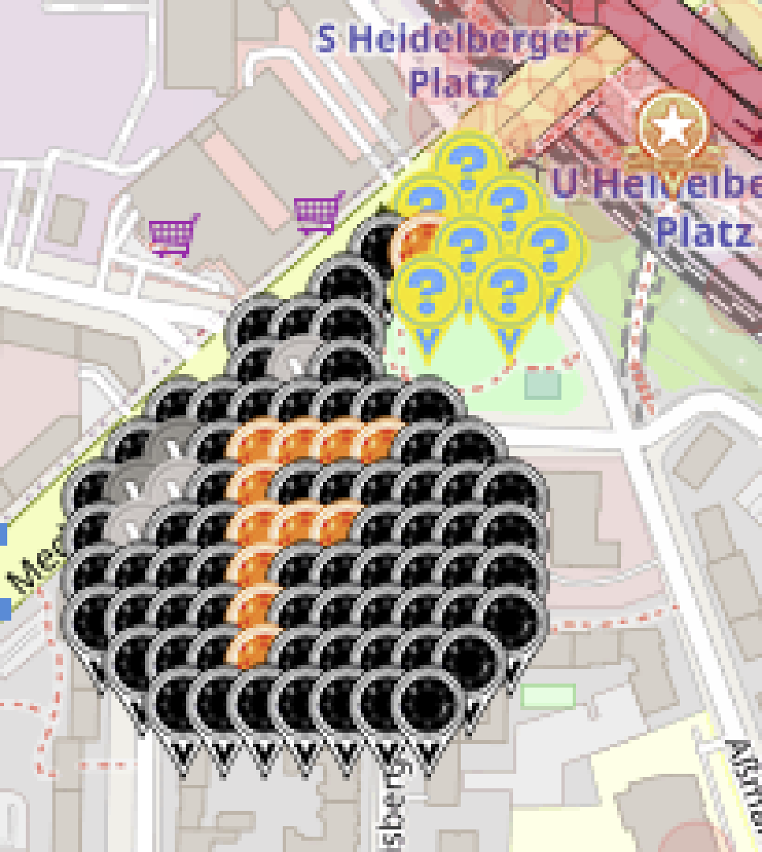
 |  | Dropping the f-bomb on this blasted virus
 |  | Berlin

 |  | Map link: | https://www.munzee.com/map/u336wckqr/16.0
 |  | Spreadsheet link: | https://tinyurl.com/F-Bomb-Series

 |  | Available | Claimed | Total | Color
 |  | 0 | 68 | 68 | Virtual Onyx OR Virtual Black
 |  | 0 | 12 | 12 | Virtual Citrine
 |  | 0 | 3 | 3 | Virtual Silver
 |  | 0 | 2 | 2 | Virtual Gray
 |  | 0 | 7 | 7 | Electric Mystery
 | Total | 0 | 92 | 92
 |  |  | Percentage Claimed: | 100.00%

 |  | Disclaimer: By necessity, reservations will be cleared out periodically. Just know that you're gambling and that your spot isn't yours until you deploy. Govern yourselves accordingly. Thank you very kindly!

Row | Column | Latitude | Longitude | Munzee | Username | URL | Reserved | Claimed | Comments
1 | 15 | 52.4795323310 | 13.3127044477 | POI Virtual Garden | denali0407 | https://www.munzee.com/m/denali0407/13749/
2 | 10 | 52.4793886018 | 13.3115244569 | Electric Mystery | JackSparrow | https://www.munzee.com/m/JackSparrow/18431/ | 0 | 10
3 | 9 | 52.4792448715 | 13.3112884405 | Electric Mystery | ChickenRun | https://www.munzee.com/m/ChickenRun/10633/ | 0 | 2
3 | 11 | 52.4792448711 | 13.3117604239 | Electric Mystery | humbird7 | https://www.munzee.com/m/humbird7/17417/ | 0 | 2
4 | 8 | 52.4791011413 | 13.3110524257 | Virtual Onyx OR Virtual Black | OHail | https://www.munzee.com/m/OHail/19639/ | 0 | 2
4 | 9 | 52.4791011411 | 13.3112884166 | Virtual Citrine | Jesnou | https://www.munzee.com/m/Jesnou/6210/ | 0 | 1
4 | 10 | 52.4791011409 | 13.3115244075 | Electric Mystery | levesund | https://www.munzee.com/m/levesund/6962/ | 0 | 3
4 | 12 | 52.4791011404 | 13.3119963894 | Electric Mystery | OHail | https://www.munzee.com/m/OHail/20034/ | 0 | 2
5 | 7 | 52.4789574111 | 13.3108164124 | Virtual Onyx OR Virtual Black | BonnieB1 | https://www.munzee.com/m/BonnieB1/4793/ | 0 | 1
5 | 9 | 52.4789574107 | 13.3112883927 | Electric Mystery | Steerzer | https://www.munzee.com/m/Steerzer/8274/ | 0 | 1
5 | 11 | 52.4789574102 | 13.3117603730 | Electric Mystery | fionails | https://www.munzee.com/m/fionails/3610/ | 0 | 3
6 | 5 | 52.4788136811 | 13.3103444114 | Virtual Onyx OR Virtual Black | Derlame | https://www.munzee.com/m/Derlame/11749/ | 0 | 1
6 | 6 | 52.4788136809 | 13.3105804007 | Virtual Onyx OR Virtual Black | linusbi | https://www.munzee.com/m/linusbi/3174/ | 0 | 2
6 | 7 | 52.4788136807 | 13.3108163901 | Virtual Onyx OR Virtual Black | JackSparrow | https://www.munzee.com/m/JackSparrow/18716 | 0 | 10
7 | 5 | 52.4786699507 | 13.3103443905 | Virtual Onyx OR Virtual Black | munzeefarmor | https://www.munzee.com/m/munzeefarmor/1602/ | 0 | 1
7 | 6 | 52.4786699505 | 13.3105803791 | Virtual Silver | denali0407 | https://www.munzee.com/m/denali0407/13394/ | 0 | 3
7 | 7 | 52.4786699502 | 13.3108163677 | Virtual Onyx OR Virtual Black | humbird7 | https://www.munzee.com/m/humbird7/17603/ | 0 | 2
8 | 3 | 52.4785262207 | 13.3098723941 | Virtual Onyx OR Virtual Black | levesund | https://www.munzee.com/m/levesund/7053/ | 0 | 3
8 | 4 | 52.4785262205 | 13.3101083819 | Virtual Onyx OR Virtual Black | munzeemor | https://www.munzee.com/m/munzeemor/718/ | 0 | 1
8 | 5 | 52.4785262203 | 13.3103443697 | Virtual Onyx OR Virtual Black | fionails | https://www.munzee.com/m/fionails/3624/ | 0 | 3
8 | 6 | 52.4785262200 | 13.3105803575 | Virtual Onyx OR Virtual Black | SpaceCoastGeoStore | https://www.munzee.com/m/SpaceCoastGeoStore/9353/ | 0 | 1
8 | 7 | 52.4785262198 | 13.3108163454 | Virtual Onyx OR Virtual Black | CoalCracker7 | https://www.munzee.com/m/CoalCracker7/8374/ | 0 | 1
8 | 8 | 52.4785262195 | 13.3110523332 | Virtual Onyx OR Virtual Black | Kiitokurre | https://www.munzee.com/m/Kiitokurre/6261/ | 0 | 1
8 | 9 | 52.4785262193 | 13.3112883210 | Virtual Onyx OR Virtual Black | Bumble | https://www.munzee.com/m/Bumble/2269/ | 0 | 1
9 | 2 | 52.4783824905 | 13.3096363877 | Virtual Onyx OR Virtual Black | 123xilef | https://www.munzee.com/m/123xilef/6066/ | 0 | 1
9 | 3 | 52.4783824903 | 13.3098723748 | Virtual Gray | Belboz | https://www.munzee.com/m/Belboz/16273/ | 0 | 1
9 | 4 | 52.4783824900 | 13.3101083619 | Virtual Onyx OR Virtual Black | JackSparrow | https://www.munzee.com/m/JackSparrow/18717 | 0 | 10
9 | 5 | 52.4783824898 | 13.3103443489 | Virtual Citrine | EagleDadandXenia | https://www.munzee.com/m/EagleDadandXenia/19173/ | 0 | 1
9 | 6 | 52.4783824896 | 13.3105803360 | Virtual Citrine | StaceyZ | https://www.munzee.com/m/StaceyZ/5273 | 0 | 1
9 | 7 | 52.4783824893 | 13.3108163230 | Virtual Citrine | marleyfanct | https://www.munzee.com/m/marleyfanct/2828/ | 0 | 1
9 | 8 | 52.4783824891 | 13.3110523101 | Virtual Citrine | ChickenRun | https://www.munzee.com/m/ChickenRun/10392 | 0 | 2
9 | 9 | 52.4783824889 | 13.3112882971 | Virtual Onyx OR Virtual Black | RoninsGal | https://www.munzee.com/m/RoninsGal/1138/ | 0 | 1
9 | 10 | 52.4783824886 | 13.3115242842 | Virtual Onyx OR Virtual Black | martinp13 | https://www.munzee.com/m/martinp13/2216/ | 0 | 1
10 | 1 | 52.4782387603 | 13.3094003830 | Virtual Onyx OR Virtual Black | JackSparrow | https://www.munzee.com/m/JackSparrow/18704 | 0 | 10
10 | 2 | 52.4782387601 | 13.3096363692 | Virtual Gray | knotmunz | https://www.munzee.com/m/knotmunz/843 | 0 | 2
10 | 3 | 52.4782387598 | 13.3098723555 | Virtual Silver | halizwein | https://www.munzee.com/m/halizwein/10840/ | 0 | 1
10 | 4 | 52.4782387596 | 13.3101083418 | Virtual Onyx OR Virtual Black | SJClyde | https://www.munzee.com/m/SJClyde/3446/ | 0 | 1
10 | 5 | 52.4782387594 | 13.3103443281 | Virtual Citrine | mobility | https://www.munzee.com/m/mobility/9180/ | 0 | 2
10 | 6 | 52.4782387591 | 13.3105803144 | Virtual Onyx OR Virtual Black | denali0407 | https://www.munzee.com/m/denali0407/13161/ | 0 | 3
10 | 7 | 52.4782387589 | 13.3108163007 | Virtual Onyx OR Virtual Black | JackSparrow | https://www.munzee.com/m/JackSparrow/18369 | 0 | 10
10 | 8 | 52.4782387587 | 13.3110522870 | Virtual Onyx OR Virtual Black | knotmunz | https://www.munzee.com/m/knotmunz/537 | 0 | 2
10 | 9 | 52.4782387584 | 13.3112882732 | Virtual Onyx OR Virtual Black | aufbau | https://www.munzee.com/m/aufbau/9024/ | 0 | 1
10 | 10 | 52.4782387582 | 13.3115242595 | Virtual Onyx OR Virtual Black | Cidinho | https://www.munzee.com/m/Cidinho/2214/ | 0 | 1
10 | 11 | 52.4782387580 | 13.3117602458 | Virtual Onyx OR Virtual Black | JackSparrow | https://www.munzee.com/m/JackSparrow/18366 | 0 | 10
11 | 1 | 52.4780950299 | 13.3094003652 | Virtual Onyx OR Virtual Black | BrotherWilliam | https://www.munzee.com/m/BrotherWilliam/3710/ | 0 | 1
11 | 2 | 52.4780950296 | 13.3096363507 | Virtual Silver | FindersGirl | https://www.munzee.com/m/FindersGirl/5262 | 0 | 1
11 | 3 | 52.4780950294 | 13.3098723363 | Virtual Onyx OR Virtual Black | ArtofEco | https://www.munzee.com/m/ArtofEco/2751/ | 0 | 1
11 | 4 | 52.4780950292 | 13.3101083218 | Virtual Onyx OR Virtual Black | Yoshigirl | https://www.munzee.com/m/Yoshigirl/99/ | 0 | 1
11 | 5 | 52.4780950289 | 13.3103443073 | Virtual Citrine | J1Huisman | https://www.munzee.com/m/J1Huisman/10804/ | 0 | 1
11 | 6 | 52.4780950287 | 13.3105802928 | Virtual Citrine | rgforsythe | https://www.munzee.com/m/rgforsythe/8202 | 0 | 1
11 | 7 | 52.4780950284 | 13.3108162783 | Virtual Citrine | Fonte | https://www.munzee.com/m/Fonte/1044 | 0 | 2
11 | 8 | 52.4780950282 | 13.3110522638 | Virtual Onyx OR Virtual Black | levesund | https://www.munzee.com/m/levesund/7117/admin/convert/ | 0 | 3
11 | 9 | 52.4780950280 | 13.3112882493 | Virtual Onyx OR Virtual Black | annabanana | https://www.munzee.com/m/annabanana/10581/ | 0 | 1
11 | 10 | 52.4780950277 | 13.3115242349 | Virtual Onyx OR Virtual Black | Debolicious | https://www.munzee.com/m/Debolicious/8005/ | 0 | 1
11 | 11 | 52.4780950275 | 13.3117602204 | Virtual Onyx OR Virtual Black | fionails | https://www.munzee.com/m/fionails/3647/admin/convert/ | 0 | 3
12 | 1 | 52.4779512994 | 13.3094003475 | Virtual Onyx OR Virtual Black | dlbisblest | https://www.munzee.com/m/dlbisblest/5423 | 0 | 1
12 | 2 | 52.4779512992 | 13.3096363322 | Virtual Onyx OR Virtual Black | MeanderingMonkeys | https://www.munzee.com/m/MeanderingMonkeys/16282/ | 0 | 1
12 | 3 | 52.4779512989 | 13.3098723170 | Virtual Onyx OR Virtual Black | WellstrandTribe | https://www.munzee.com/m/WellstrandTribe/7711 | 0 | 1
12 | 4 | 52.4779512987 | 13.3101083017 | Virtual Onyx OR Virtual Black | AlephRita | https://www.munzee.com/m/AlephRita/3087/ | 0 | 1
12 | 5 | 52.4779512985 | 13.3103442865 | Virtual Citrine | miri68 | https://www.munzee.com/m/miri68/2415/ | 0 | 1
12 | 6 | 52.4779512982 | 13.3105802712 | Virtual Onyx OR Virtual Black | Attis | https://www.munzee.com/m/Attis/13573/ | 0 | 1
12 | 7 | 52.4779512980 | 13.3108162560 | Virtual Onyx OR Virtual Black | Herbie | https://www.munzee.com/m/Herbie/10404/ | 0 | 1
12 | 8 | 52.4779512978 | 13.3110522407 | Virtual Onyx OR Virtual Black | linusbi | https://www.munzee.com/m/linusbi/3102/admin/convert/ | 0 | 2
12 | 9 | 52.4779512975 | 13.3112882254 | Virtual Onyx OR Virtual Black | Jafo43 | https://www.munzee.com/m/Jafo43/17638/ | 0 | 1
12 | 10 | 52.4779512973 | 13.3115242102 | Virtual Onyx OR Virtual Black | WhisperInTheWind | https://www.munzee.com/m/WhisperInTheWind/3307/ | 0 | 1
12 | 11 | 52.4779512971 | 13.3117601949 | Virtual Onyx OR Virtual Black | mobility | https://www.munzee.com/m/mobility/9442 | 0 | 2
13 | 1 | 52.4778075690 | 13.3094003298 | Virtual Onyx OR Virtual Black | JackSparrow | https://www.munzee.com/m/JackSparrow/18365 | 0 | 10
13 | 2 | 52.4778075687 | 13.3096363137 | Virtual Onyx OR Virtual Black | hunniees | https://www.munzee.com/m/hunniees/27398 | 0 | 1
13 | 3 | 52.4778075685 | 13.3098722977 | Virtual Onyx OR Virtual Black | dt07751 | https://www.munzee.com/m/dt07751/28018/ | 0 | 1
13 | 4 | 52.4778075683 | 13.3101082817 | Virtual Onyx OR Virtual Black | JackSparrow | https://www.munzee.com/m/JackSparrow/18691/ | 0 | 10
13 | 5 | 52.4778075680 | 13.3103442657 | Virtual Citrine | mtbiker64 | https://www.munzee.com/m/mtbiker64/6142/ | 0 | 1
13 | 6 | 52.4778075678 | 13.3105802496 | Virtual Onyx OR Virtual Black | denali0407 | https://www.munzee.com/m/denali0407/13179/ | 0 | 3
13 | 7 | 52.4778075676 | 13.3108162336 | Virtual Onyx OR Virtual Black | JackSparrow | https://www.munzee.com/m/JackSparrow/18690 | 0 | 10
13 | 8 | 52.4778075673 | 13.3110522176 | Virtual Onyx OR Virtual Black | Justforfun33 | https://www.munzee.com/m/Justforfun33/14654/ | 0 | 1
13 | 9 | 52.4778075671 | 13.3112882015 | Virtual Onyx OR Virtual Black | SLAUGY | https://www.munzee.com/m/SLAUGY/9193/ | 0 | 1
13 | 10 | 52.4778075669 | 13.3115241855 | Virtual Onyx OR Virtual Black | JackSparrow | https://www.munzee.com/m/JackSparrow/18688/ | 0 | 10
13 | 11 | 52.4778075666 | 13.3117601695 | Virtual Onyx OR Virtual Black | johnsjen | https://www.munzee.com/m/Johnsjen/1659/ | 0 | 1
14 | 2 | 52.4776638383 | 13.3096362952 | Virtual Onyx OR Virtual Black | tcguru | https://www.munzee.com/m/tcguru/9189/ | 0 | 1
14 | 3 | 52.4776638380 | 13.3098722784 | Virtual Onyx OR Virtual Black | Bisquick2 | https://www.munzee.com/m/Bisquick2/3731/ | 0 | 1
14 | 4 | 52.4776638378 | 13.3101082616 | Virtual Onyx OR Virtual Black | Ovaldas | https://www.munzee.com/m/Ovaldas/8588/ | 0 | 1
14 | 5 | 52.4776638376 | 13.3103442448 | Virtual Citrine | Dibcrew | https://www.munzee.com/m/Dibcrew/5061/ | 0 | 1
14 | 6 | 52.4776638373 | 13.3105802280 | Virtual Onyx OR Virtual Black | janzattic | https://www.munzee.com/m/janzattic/6519 | 0 | 1
14 | 7 | 52.4776638371 | 13.3108162112 | Virtual Onyx OR Virtual Black | barefootguru | https://www.munzee.com/m/barefootguru/3062/ | 0 | 1
14 | 8 | 52.4776638369 | 13.3110521944 | Virtual Onyx OR Virtual Black | Squ1rr3l | https://www.munzee.com/m/Squ1rr3l/1366/ | 0 | 1
14 | 9 | 52.4776638366 | 13.3112881776 | Virtual Onyx OR Virtual Black | ShadowChasers | https://www.munzee.com/m/ShadowChasers/4303/ | 0 | 1
14 | 10 | 52.4776638364 | 13.3115241609 | Virtual Onyx OR Virtual Black | dboracle | https://www.munzee.com/m/dboracle/4851 | 0 | 1
15 | 3 | 52.4775201076 | 13.3098722592 | Virtual Onyx OR Virtual Black | Fonte | https://www.munzee.com/m/Fonte/1086 | 0 | 2
15 | 4 | 52.4775201074 | 13.3101082416 | Virtual Onyx OR Virtual Black | Obi-Cal | https://www.munzee.com/m/Obi-Cal/13383/ | 0 | 1
15 | 5 | 52.4775201071 | 13.3103442240 | Virtual Onyx OR Virtual Black | 10pmMeerkat | https://www.munzee.com/m/10pmMeerkat/9018/ | 0 | 1
15 | 6 | 52.4775201069 | 13.3105802065 | Virtual Onyx OR Virtual Black | duncdonut73 | https://www.munzee.com/m/duncdonut73/900/ | 0 | 1
15 | 7 | 52.4775201067 | 13.3108161889 | Virtual Onyx OR Virtual Black | kpcrystal07 | https://www.munzee.com/m/kpcrystal07/18607/ | 0 | 1
15 | 8 | 52.4775201064 | 13.3110521713 | Virtual Onyx OR Virtual Black | mdtt | https://www.munzee.com/m/mdtt/4519/ | 0 | 1
15 | 9 | 52.4775201062 | 13.3112881538 | Virtual Onyx OR Virtual Black | technical13 | https://www.munzee.com/m/technical13/2113/ | 0 | 1

 |  | Drawing: | https://youtu.be/s23aC3ctr4A

Budapest
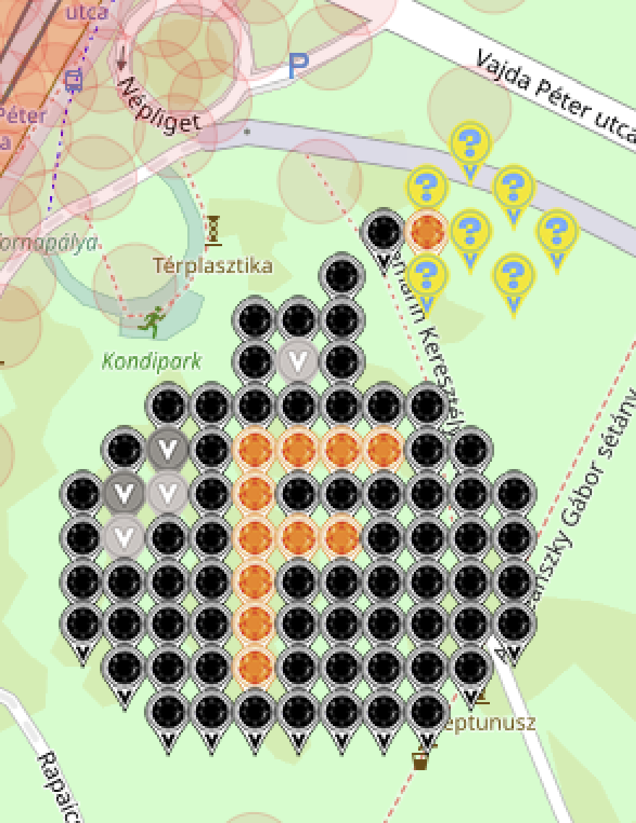
 |  | Dropping the f-bomb on this blasted virus
 |  | Budapest

 |  | Map link: | https://www.munzee.com/map/u2mw4ex3e/16.0
 |  | Spreadsheet link: | https://tinyurl.com/F-Bomb-Series

 |  | Available | Claimed | Total | Color
 |  | 0 | 68 | 68 | Virtual Onyx OR Virtual Black
 |  | 0 | 12 | 12 | Virtual Citrine
 |  | 0 | 3 | 3 | Virtual Silver
 |  | 0 | 2 | 2 | Virtual Gray
 |  | 0 | 8 | 8 | Electric Mystery
 | Total | 0 | 93 | 93
 |  |  | Percentage Claimed: | 100.00%

 |  | Disclaimer: By necessity, reservations will be cleared out periodically. Just know that you're gambling and that your spot isn't yours until you deploy. Govern yourselves accordingly. Thank you very kindly!

Row | Column | Latitude | Longitude | Munzee | Username | URL | Reserved | Claimed | Comments
1 | 10 | 47.481050248 | 19.105536475 | Electric Mystery | humbird7 | https://www.munzee.com/m/humbird7/17404/ | 0 | 2
2 | 9 | 47.480906517 | 19.105323786 | Electric Mystery | mobility | https://www.munzee.com/m/mobility/9423/ | 0 | 9
2 | 11 | 47.480906517 | 19.105749127 | Electric Mystery | OHail | https://www.munzee.com/m/OHail/20035/ | 0 | 2
3 | 8 | 47.480762787 | 19.105111098 | Virtual Onyx OR Virtual Black | BonnieB1 | https://www.munzee.com/m/BonnieB1/4960/ | 0 | 1
3 | 9 | 47.480762787 | 19.105323768 | Virtual Citrine | SpaceCoastGeoStore | https://www.munzee.com/m/SpaceCoastGeoStore/9389/ | 0 | 1
3 | 10 | 47.480762787 | 19.105536438 | Electric Mystery | Derlame | https://www.munzee.com/m/Derlame/11913/ | 0 | 1
3 | 12 | 47.480762786 | 19.105961778 | Electric Mystery | ChickenRun | https://www.munzee.com/m/ChickenRun/10615 | 0 | 1
4 | 7 | 47.480619057 | 19.104898411 | Virtual Onyx OR Virtual Black | OHail | https://www.munzee.com/m/OHail/19650/ | 0 | 2
4 | 9 | 47.480619056 | 19.10532375 | Electric Mystery | Steerzer | https://www.munzee.com/m/Steerzer/8275/ | 0 | 1
4 | 11 | 47.480619056 | 19.105749089 | Electric Mystery | knotmunz | https://www.munzee.com/m/knotmunz/808/ | 0 | 1
5 | 5 | 47.480475327 | 19.104473056 | Virtual Onyx OR Virtual Black | mobility | https://www.munzee.com/m/mobility/9220/ | 0 | 9
5 | 6 | 47.480475327 | 19.104685725 | Virtual Onyx OR Virtual Black | levesund | https://www.munzee.com/m/levesund/7015/ | 0 | 1
5 | 7 | 47.480475326 | 19.104898394 | Virtual Onyx OR Virtual Black | fionails | https://www.munzee.com/m/fionails/3617/ | 0 | 1
5 | 10 | 47.4804800 | 19.10554000 | Electric Mystery | marleyfanct | https://www.munzee.com/m/marleyfanct/2821/ | 0 | 1
6 | 5 | 47.480331596 | 19.10447304 | Virtual Onyx OR Virtual Black | linusbi | https://www.munzee.com/m/linusbi/3167/ | 0 | 1
6 | 6 | 47.480331596 | 19.104685709 | Virtual Silver | denali0407 | https://www.munzee.com/m/denali0407/13383/ | 0 | 3
6 | 7 | 47.480331596 | 19.104898377 | Virtual Onyx OR Virtual Black | munzeefarmor | https://www.munzee.com/m/munzeefarmor/1595/ | 0 | 1
7 | 3 | 47.480187866 | 19.104047689 | Virtual Onyx OR Virtual Black | munzeemor | https://www.munzee.com/m/munzeemor/638/ | 0 | 1
7 | 4 | 47.480187866 | 19.104260357 | Virtual Onyx OR Virtual Black | JackSparrow | https://www.munzee.com/m/JackSparrow/18739 | 0 | 3
7 | 5 | 47.480187866 | 19.104473025 | Virtual Onyx OR Virtual Black | Jesnou | https://www.munzee.com/m/Jesnou/6466/ | 0 | 1
7 | 6 | 47.480187866 | 19.104685692 | Virtual Onyx OR Virtual Black | SJClyde | https://www.munzee.com/m/SJClyde/3448/ | 0 | 1
7 | 7 | 47.480187865 | 19.10489836 | Virtual Onyx OR Virtual Black | Dibcrew | https://www.munzee.com/m/Dibcrew/5049/ | 0 | 1
7 | 8 | 47.480187865 | 19.105111028 | Virtual Onyx OR Virtual Black | mobility | https://www.munzee.com/m/mobility/9277/ | 0 | 9
7 | 9 | 47.480187865 | 19.105323696 | Virtual Onyx OR Virtual Black | FindersGirl | https://www.munzee.com/m/FindersGirl/5246/ | 0 | 1
8 | 2 | 47.480044136 | 19.103835007 | Virtual Onyx OR Virtual Black | Bumble | https://www.munzee.com/m/Bumble/2266 | 0 | 1
8 | 3 | 47.480044136 | 19.104047675 | Virtual Gray | humbird7 | https://www.munzee.com/m/humbird7/17700/ | 0 | 2
8 | 4 | 47.480044136 | 19.104260342 | Virtual Onyx OR Virtual Black | szipeti | https://www.munzee.com/m/szipeti/6159/ | 0 | 0 | Quick Deploy
8 | 5 | 47.480044135 | 19.104473009 | Virtual Citrine | Kiitokurre | https://www.munzee.com/m/Kiitokurre/5834/ | 0 | 1
8 | 6 | 47.480044135 | 19.104685676 | Virtual Citrine | EagleDadandXenia | https://www.munzee.com/m/EagleDadandXenia/18977/ | 0 | 1
8 | 7 | 47.480044135 | 19.104898343 | Virtual Citrine | BrotherWilliam | https://www.munzee.com/m/BrotherWilliam/3655/ | 0 | 2
8 | 8 | 47.480044135 | 19.10511101 | Virtual Citrine | miri68 | https://www.munzee.com/m/miri68/2414 | 0 | 1
8 | 9 | 47.480044135 | 19.105323678 | Virtual Onyx OR Virtual Black | martinp13 | https://www.munzee.com/m/martinp13/2222/ | 0 | 1
8 | 10 | 47.480044134 | 19.105536345 | Virtual Onyx OR Virtual Black | ArtofEco | https://www.munzee.com/m/ArtofEco/2753/ | 0 | 1
9 | 1 | 47.479900406 | 19.103622327 | Virtual Onyx OR Virtual Black | NativTxn | https://www.munzee.com/m/NativTxn/2155 | 0 | 1 | The photo almost has my last name on the street! add a K.
9 | 2 | 47.479900406 | 19.103834994 | Virtual Gray | mobility | https://www.munzee.com/m/mobility/8963/ | 0 | 9
9 | 3 | 47.479900405 | 19.10404766 | Virtual Silver | Belboz | https://www.munzee.com/m/Belboz/16275/ | 0 | 1
9 | 4 | 47.479900405 | 19.104260327 | Virtual Onyx OR Virtual Black | dlbisblest | https://www.munzee.com/m/dlbisblest/5426 | 0 | 1
9 | 5 | 47.479900405 | 19.104472993 | Virtual Citrine | StaceyZ | https://www.munzee.com/m/StaceyZ/5272 | 0 | 1
9 | 6 | 47.479900405 | 19.10468566 | Virtual Onyx OR Virtual Black | denali0407 | https://www.munzee.com/m/denali0407/13363/ | 0 | 3
9 | 7 | 47.479900405 | 19.104898326 | Virtual Onyx OR Virtual Black | szipeti | https://www.munzee.com/m/szipeti/6227/ | 0 | 2 | Quick Deploy
9 | 8 | 47.479900404 | 19.105110993 | Virtual Onyx OR Virtual Black | hunniees | https://www.munzee.com/m/hunniees/26963 | 0 | 1
9 | 9 | 47.479900404 | 19.105323659 | Virtual Onyx OR Virtual Black | dt07751 | https://www.munzee.com/m/dt07751/27935/ | 0 | 1
9 | 10 | 47.479900404 | 19.105536326 | Virtual Onyx OR Virtual Black | AlephRita | https://www.munzee.com/m/AlephRita/3075/ | 0 | 3
9 | 11 | 47.479900404 | 19.105748993 | Virtual Onyx OR Virtual Black | WellstrandTribe | https://www.munzee.com/m/WellstrandTribe/7709 | 0 | 1
10 | 1 | 47.479756675 | 19.103622314 | Virtual Onyx OR Virtual Black | MeanderingMonkeys | https://www.munzee.com/m/MeanderingMonkeys/16281/ | 0 | 0
10 | 2 | 47.479756675 | 19.10383498 | Virtual Silver | Debolicious | https://www.munzee.com/m/Debolicious/8271/ | 0 | 1
10 | 3 | 47.479756675 | 19.104047646 | Virtual Onyx OR Virtual Black | Attis | https://www.munzee.com/m/Attis/13574/ | 0 | 3
10 | 4 | 47.479756675 | 19.104260312 | Virtual Onyx OR Virtual Black | Justforfun33 | https://www.munzee.com/m/Justforfun33/14650/ | 0 | 1
10 | 5 | 47.479756675 | 19.104472978 | Virtual Citrine | mobility | https://www.munzee.com/m/mobility/9179/ | 0 | 9
10 | 6 | 47.479756674 | 19.104685644 | Virtual Citrine | Balazs80 | https://www.munzee.com/m/Balazs80/2187 | 0 | 2
10 | 7 | 47.479756674 | 19.104898309 | Virtual Citrine | CzPeet | https://www.munzee.com/m/CzPeet/3534/ | 0 | 2
10 | 8 | 47.479756674 | 19.105110975 | Virtual Onyx OR Virtual Black | Attis | https://www.munzee.com/m/Attis/13527/ | 0 | 3
10 | 9 | 47.479756674 | 19.105323641 | Virtual Onyx OR Virtual Black | Herbie | https://www.munzee.com/m/Herbie/10616 | 0 | 1
10 | 10 | 47.479756674 | 19.105536307 | Virtual Onyx OR Virtual Black | Ovaldas | https://www.munzee.com/m/Ovaldas/8578/ | 0 | 1
10 | 11 | 47.479756673 | 19.105748973 | Virtual Onyx OR Virtual Black | Attis | https://www.munzee.com/m/Attis/13531/ | 0 | 3
11 | 1 | 47.479612945 | 19.1036223 | Virtual Onyx OR Virtual Black | Pandora6000 | https://www.munzee.com/m/Pandora6000/347 | 0 | 1
11 | 2 | 47.479612945 | 19.103834966 | Virtual Onyx OR Virtual Black | taska1981 | https://www.munzee.com/m/taska1981/5698/ | 0 | 1
11 | 3 | 47.479612944 | 19.104047631 | Virtual Onyx OR Virtual Black | Jafo43 | https://www.munzee.com/m/Jafo43/17691 | 0 | 1
11 | 4 | 47.479612944 | 19.104260296 | Virtual Onyx OR Virtual Black | WhisperInTheWind | https://www.munzee.com/m/WhisperInTheWind/3322/ | 0 | 3
11 | 5 | 47.479612944 | 19.104472962 | Virtual Citrine | AlephRita | https://www.munzee.com/m/AlephRita/3088/ | 0 | 3
11 | 6 | 47.479612944 | 19.104685627 | Virtual Onyx OR Virtual Black | SLAUGY | https://www.munzee.com/m/SLAUGY/9188 | 0 | 1
11 | 7 | 47.479612944 | 19.104898293 | Virtual Onyx OR Virtual Black | Netkaloz | https://www.munzee.com/m/Netkaloz/6219/ | 0 | 2
11 | 8 | 47.479612944 | 19.105110958 | Virtual Onyx OR Virtual Black | mobility | https://www.munzee.com/m/mobility/9285/ | 0 | 9
11 | 9 | 47.479612943 | 19.105323623 | Virtual Onyx OR Virtual Black | Fonte | https://www.munzee.com/m/Fonte/1058 | 0 | 1
11 | 10 | 47.479612943 | 19.105536289 | Virtual Onyx OR Virtual Black | tcguru | https://www.munzee.com/m/tcguru/9144/ | 0 | 1
11 | 11 | 47.479612943 | 19.105748954 | Virtual Onyx OR Virtual Black | CoalCracker7 | https://www.munzee.com/m/CoalCracker7/8460 | 0 | 1
12 | 1 | 47.479469214 | 19.103622287 | Virtual Onyx OR Virtual Black | Netkaloz | https://www.munzee.com/m/Netkaloz/6212/ | 0 | 2
12 | 2 | 47.479469214 | 19.103834952 | Virtual Onyx OR Virtual Black | Obi-Cal | https://www.munzee.com/m/Obi-Cal/13385/ | 0 | 1
12 | 3 | 47.479469214 | 19.104047616 | Virtual Onyx OR Virtual Black | 10pmMeerkat | https://www.munzee.com/m/10pmMeerkat/9053/ | 0 | 1
12 | 4 | 47.479469214 | 19.104260281 | Virtual Onyx OR Virtual Black | halizwein | https://www.munzee.com/m/halizwein/10624/ | 0 | 1
12 | 5 | 47.479469214 | 19.104472946 | Virtual Citrine | Gatis50 | https://www.munzee.com/m/Gatis50/2297 | 0 | 1
12 | 6 | 47.479469213 | 19.104685611 | Virtual Onyx OR Virtual Black | denali0407 | https://www.munzee.com/m/denali0407/13427/ | 0 | 3
12 | 7 | 47.479469213 | 19.104898276 | Virtual Onyx OR Virtual Black | JackSparrow | https://www.munzee.com/m/JackSparrow/18687 | 0 | 3
12 | 8 | 47.479469213 | 19.105110941 | Virtual Onyx OR Virtual Black | annabanana | https://www.munzee.com/m/annabanana/10587/ | 0 | 1
12 | 9 | 47.479469213 | 19.105323605 | Virtual Onyx OR Virtual Black | Bisquick2 | https://www.munzee.com/m/Bisquick2/3648/ | 0 | 1
12 | 10 | 47.479469213 | 19.10553627 | Virtual Onyx OR Virtual Black | 123xilef | https://www.munzee.com/m/123xilef/6131/ | 0 | 1
12 | 11 | 47.479469212 | 19.105748935 | Virtual Onyx OR Virtual Black | mobility | https://www.munzee.com/m/mobility/9328/ | 0 | 9
13 | 2 | 47.479325484 | 19.103834938 | Virtual Onyx OR Virtual Black | AlephRita | https://www.munzee.com/m/AlephRita/3076/ | 0 | 3
13 | 3 | 47.479325484 | 19.104047602 | Virtual Onyx OR Virtual Black | mdtt | https://www.munzee.com/m/mdtt/4514/ | 0 | 1
13 | 4 | 47.479325483 | 19.104260266 | Virtual Onyx OR Virtual Black | mobility | https://www.munzee.com/m/mobility/9329/ | 0 | 9
13 | 5 | 47.479325483 | 19.10447293 | Virtual Citrine | Trezorka | https://www.munzee.com/m/Trezorka/2332 | 0 | 1
13 | 6 | 47.479325483 | 19.104685595 | Virtual Onyx OR Virtual Black | Bambusznad | https://www.munzee.com/m/Bambusznad/4928/ | 0 | 1
13 | 7 | 47.479325483 | 19.104898259 | Virtual Onyx OR Virtual Black | WhisperInTheWind | https://www.munzee.com/m/WhisperInTheWind/3318/ | 0 | 3
13 | 8 | 47.479325483 | 19.105110923 | Virtual Onyx OR Virtual Black | Yoshigirl | https://www.munzee.com/m/Yoshigirl/97/ | 0 | 1
13 | 9 | 47.479325482 | 19.105323587 | Virtual Onyx OR Virtual Black | bslaugh | https://www.munzee.com/m/bslaugh/7573 | 0 | 1
13 | 10 | 47.479325482 | 19.105536252 | Virtual Onyx OR Virtual Black | JackSparrow | https://www.munzee.com/m/JackSparrow/18712 | 0 | 3
14 | 3 | 47.479181753 | 19.104047587 | Virtual Onyx OR Virtual Black | duncdonut73 | https://www.munzee.com/m/duncdonut73/1065/ | 0 | 1
14 | 4 | 47.479181753 | 19.104260251 | Virtual Onyx OR Virtual Black | WhisperInTheWind | https://www.munzee.com/m/WhisperInTheWind/3314/ | 0 | 3
14 | 5 | 47.479181753 | 19.104472915 | Virtual Onyx OR Virtual Black | Norbee97 | https://www.munzee.com/m/Norbee97/4782/ | 0 | 1
14 | 6 | 47.479181753 | 19.104685578 | Virtual Onyx OR Virtual Black | CzPeet | https://www.munzee.com/m/CzPeet/3276/ | 0 | 2
14 | 7 | 47.479181752 | 19.104898242 | Virtual Onyx OR Virtual Black | mobility | https://www.munzee.com/m/mobility/9332/ | 0 | 9
14 | 8 | 47.479181752 | 19.105110906 | Virtual Onyx OR Virtual Black | Balazs80 | https://www.munzee.com/m/Balazs80/2256 | 0 | 2
14 | 9 | 47.479181752 | 19.105323569 | Virtual Onyx OR Virtual Black | technical13 | https://www.munzee.com/m/technical13/2152/ | 0 | 1

 |  | Drawing: | https://youtu.be/4r-TUxgmZ0Y

Cedar Rapids, IA
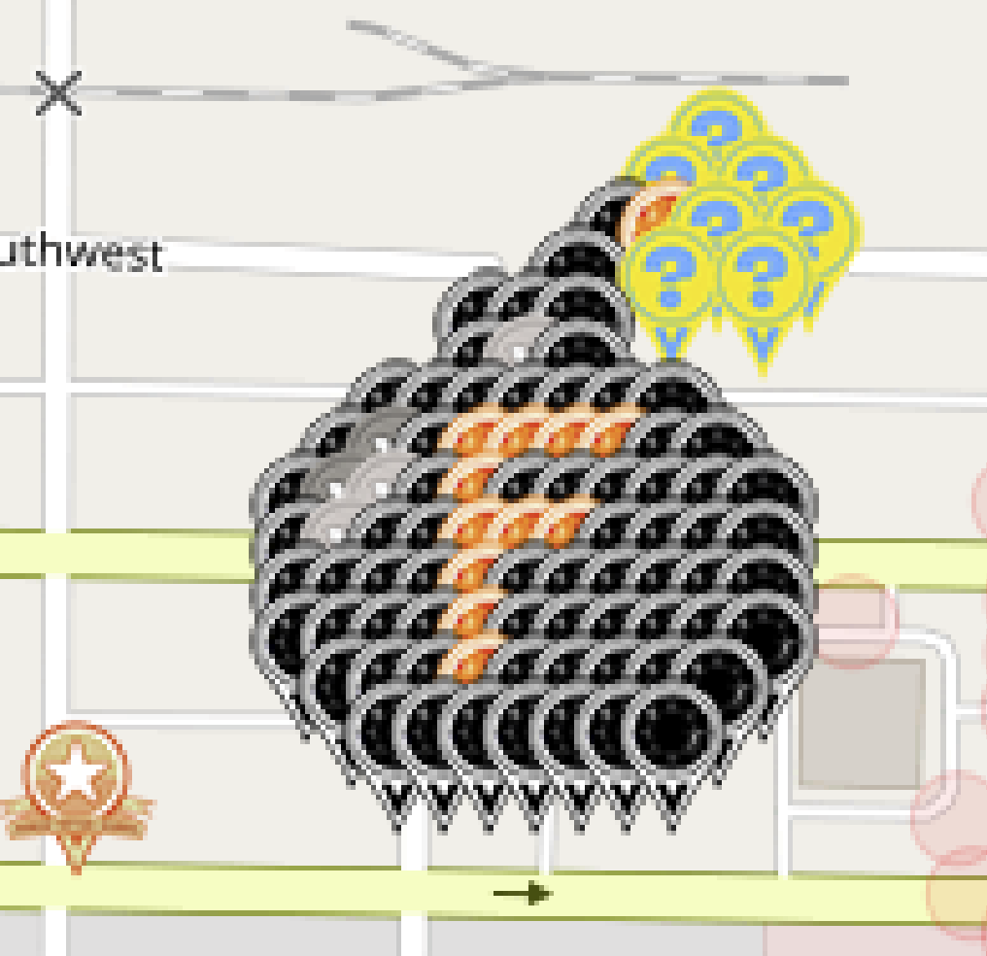
 |  | Dropping the f-bomb on this blasted virus
 |  | Cedar Rapids, Iowa

 |  | Map link: | https://www.munzee.com/map/9zqy9z1m0/16.0
 |  | Spreadsheet link: | https://tinyurl.com/F-Bomb-Series

 |  | Available | Claimed | Total | Color
 |  | 0 | 68 | 68 | Virtual Onyx OR Virtual Black
 |  | 0 | 12 | 12 | Virtual Citrine
 |  | 0 | 3 | 3 | Virtual Silver
 |  | 0 | 2 | 2 | Virtual Gray
 |  | 0 | 7 | 7 | Electric Mystery
 | Total | 0 | 92 | 92
 |  |  | Percentage Claimed: | 100.00%

 |  | Disclaimer: By necessity, reservations will be cleared out periodically. Just know that you're gambling and that your spot isn't yours until you deploy. Govern yourselves accordingly. Thank you very kindly!

Row | Column | Latitude | Longitude | Munzee | Username | URL | Reserved | Claimed | Comments
 |  | 41.961870543 | -91.681122177 | POI Virtual Garden | OHail | https://www.munzee.com/m/OHail/17222/
1 | 15 | 41.963882767 | -91.678415885 | Electric Mystery | rodrico101 | https://www.munzee.com/m/rodrico101/4931/ | 0 | 3
2 | 14 | 41.963739037 | -91.678609198 | Electric Mystery | humbird7 | https://www.munzee.com/m/humbird7/17420/ | 0 | 2
2 | 16 | 41.963739037 | -91.678222601 | Electric Mystery | Steerzer | https://www.munzee.com/m/Steerzer/8276/ | 0 | 1
3 | 13 | 41.963595307 | -91.678802509 | Virtual Onyx OR Virtual Black | OHail | https://www.munzee.com/m/OHail/19651/ | 0 | 2
3 | 14 | 41.963595307 | -91.678609211 | Virtual Citrine | SpaceCoastGeoStore | https://www.munzee.com/m/SpaceCoastGeoStore/9371/ | 0 | 1
3 | 15 | 41.963595306 | -91.678415913 | Electric Mystery | levesund | https://www.munzee.com/m/levesund/6995/ | 0 | 2
3 | 17 | 41.963595306 | -91.678029318 | Electric Mystery | OHail | https://www.munzee.com/m/OHail/20036/ | 0 | 2
4 | 12 | 41.963451576 | -91.678995819 | Virtual Onyx OR Virtual Black | BrotherWilliam | https://www.munzee.com/m/BrotherWilliam/3660/ | 0 | 1
4 | 14 | 41.963451576 | -91.678609225 | Electric Mystery | rodrico101 | https://www.munzee.com/m/rodrico101/4862/ | 0 | 3
4 | 16 | 41.963451576 | -91.67822263 | Electric Mystery | linusbi | https://www.munzee.com/m/linusbi/3156/ | 0 | 2
5 | 10 | 41.963307846 | -91.679382426 | Virtual Onyx OR Virtual Black | fionails | https://www.munzee.com/m/fionails/3596/ | 0 | 1
5 | 11 | 41.963307846 | -91.679189129 | Virtual Onyx OR Virtual Black | munzeemor | https://www.munzee.com/m/munzeemor/627/ | 0 | 1
5 | 12 | 41.963307846 | -91.678995832 | Virtual Onyx OR Virtual Black | Jesnou | https://www.munzee.com/m/Jesnou/6460/ | 0 | 1
6 | 10 | 41.963164116 | -91.679382438 | Virtual Onyx OR Virtual Black | duncdonut73 | https://www.munzee.com/m/duncdonut73/1369/ | 0 | 2
6 | 11 | 41.963164116 | -91.679189141 | Virtual Silver | denali0407 | https://www.munzee.com/m/denali0407/13527/ | 0 | 2
6 | 12 | 41.963164116 | -91.678995845 | Virtual Onyx OR Virtual Black | Dibcrew | https://www.munzee.com/m/Dibcrew/5087/ | 0 | 1
7 | 8 | 41.963020386 | -91.679769042 | Virtual Onyx OR Virtual Black | martinp13 | https://www.munzee.com/m/martinp13/2199/ | 0 | 1
7 | 9 | 41.963020386 | -91.679575746 | Virtual Onyx OR Virtual Black | ArtofEco | https://www.munzee.com/m/ArtofEco/2755/ | 0 | 1
7 | 10 | 41.963020385 | -91.67938245 | Virtual Onyx OR Virtual Black | annabanana | https://www.munzee.com/m/annabanana/10595/ | 0 | 1
7 | 11 | 41.963020385 | -91.679189153 | Virtual Onyx OR Virtual Black | SJClyde | https://www.munzee.com/m/SJClyde/1408/ | 0 | 1
7 | 12 | 41.963020385 | -91.678995857 | Virtual Onyx OR Virtual Black | dlbisblest | https://www.munzee.com/m/dlbisblest/5429 | 0 | 1
7 | 13 | 41.963020385 | -91.678802561 | Virtual Onyx OR Virtual Black | Debolicious | https://www.munzee.com/m/Debolicious/8168/ | 0 | 1
7 | 14 | 41.963020385 | -91.678609265 | Virtual Onyx OR Virtual Black | Justforfun33 | https://www.munzee.com/m/Justforfun33/14684/ | 0 | 1
8 | 7 | 41.962876655 | -91.679962348 | Virtual Onyx OR Virtual Black | Bumble | https://www.munzee.com/m/Bumble/2264/ | 0 | 1
8 | 8 | 41.962876655 | -91.679769053 | Virtual Gray | humbird7 | https://www.munzee.com/m/humbird7/17581/ | 0 | 2
8 | 9 | 41.962876655 | -91.679575757 | Virtual Onyx OR Virtual Black | Attis | https://www.munzee.com/m/Attis/13606/ | 0 | 1
8 | 10 | 41.962876655 | -91.679382461 | Virtual Citrine | Kiitokurre | https://www.munzee.com/m/Kiitokurre/6079/ | 0 | 1
8 | 11 | 41.962876655 | -91.679189166 | Virtual Citrine | EagleDadandXenia | https://www.munzee.com/m/EagleDadandXenia/17803/ | 0 | 1
8 | 12 | 41.962876655 | -91.67899587 | Virtual Citrine | StaceyZ | https://www.munzee.com/m/StaceyZ/5271 | 0 | 1
8 | 13 | 41.962876654 | -91.678802574 | Virtual Citrine | marleyfanct | https://www.munzee.com/m/marleyfanct/2650/ | 0 | 1
8 | 14 | 41.962876654 | -91.678609279 | Virtual Onyx OR Virtual Black | knotmunz | https://www.munzee.com/m/knotmunz/864/ | 0 | 1
8 | 15 | 41.962876654 | -91.678415983 | Virtual Onyx OR Virtual Black | FindersGirl | https://www.munzee.com/m/FindersGirl/5164/ | 0 | 1
9 | 6 | 41.962732925 | -91.680155654 | Virtual Onyx OR Virtual Black | munzeefarmor | https://www.munzee.com/m/munzeefarmor/1571/ | 0 | 1
9 | 7 | 41.962732925 | -91.679962359 | Virtual Gray | BonnieB1 | https://www.munzee.com/m/BonnieB1/4979/ | 0 | 1
9 | 8 | 41.962732925 | -91.679769064 | Virtual Silver | Belboz | https://www.munzee.com/m/Belboz/16283/ | 0 | 1
9 | 9 | 41.962732925 | -91.679575768 | Virtual Onyx OR Virtual Black | levesund | https://www.munzee.com/m/levesund/6996/ | 0 | 2
9 | 10 | 41.962732925 | -91.679382473 | Virtual Citrine | JackSparrow | https://www.munzee.com/m/JackSparrow/18524 | 0 | 1
9 | 11 | 41.962732924 | -91.679189178 | Virtual Onyx OR Virtual Black | halizwein | https://www.munzee.com/m/halizwein/10628/ | 0 | 1
9 | 12 | 41.962732924 | -91.678995883 | Virtual Onyx OR Virtual Black | linusbi | https://www.munzee.com/m/linusbi/3147/ | 0 | 2
9 | 13 | 41.962732924 | -91.678802587 | Virtual Onyx OR Virtual Black | miri68 | https://www.munzee.com/m/miri68/2392/ | 0 | 1
9 | 14 | 41.962732924 | -91.678609292 | Virtual Onyx OR Virtual Black | shingobee23 | https://www.munzee.com/m/shingobee23/3586/ | 0 | 1
9 | 15 | 41.962732924 | -91.678415997 | Virtual Onyx OR Virtual Black | SLAUGY | https://www.munzee.com/m/SLAUGY/9196/ | 0 | 1
9 | 16 | 41.962732924 | -91.678222702 | Virtual Onyx OR Virtual Black | bslaugh | https://www.munzee.com/m/bslaugh/7550/ | 0 | 1
10 | 6 | 41.962589195 | -91.680155664 | Virtual Onyx OR Virtual Black | ChickenRun | https://www.munzee.com/m/ChickenRun/10666 | 0 | 1
10 | 7 | 41.962589195 | -91.679962369 | Virtual Silver | Derlame | https://www.munzee.com/m/Derlame/11910/ | 0 | 1
10 | 8 | 41.962589194 | -91.679769074 | Virtual Onyx OR Virtual Black | 123xilef | https://www.munzee.com/m/123xilef/6182/ | 0 | 1
10 | 9 | 41.962589194 | -91.67957578 | Virtual Onyx OR Virtual Black | tcguru | https://www.munzee.com/m/tcguru/9190/ | 0 | 1
10 | 10 | 41.962589194 | -91.679382485 | Virtual Citrine | CoalCracker7 | https://www.munzee.com/m/CoalCracker7/8473 | 0 | 1
10 | 11 | 41.962589194 | -91.67918919 | Virtual Citrine | denali0407 | https://www.munzee.com/m/denali0407/13337/ | 0 | 2
10 | 12 | 41.962589194 | -91.678995895 | Virtual Citrine | J1Huisman | https://www.munzee.com/m/J1Huisman/10747/ | 0 | 1
10 | 13 | 41.962589194 | -91.6788026 | Virtual Onyx OR Virtual Black | Herbie | https://www.munzee.com/m/Herbie/10411/ | 0 | 1
10 | 14 | 41.962589193 | -91.678609306 | Virtual Onyx OR Virtual Black | geomatrix | https://www.munzee.com/m/geomatrix/10200/ | 0 | 1
10 | 15 | 41.962589193 | -91.678416011 | Virtual Onyx OR Virtual Black | ddcards | https://www.munzee.com/m/ddcards/4324/ | 0 | 1
10 | 16 | 41.962589193 | -91.678222716 | Virtual Onyx OR Virtual Black | Jafo43 | https://www.munzee.com/m/Jafo43/17692 | 0 | 1
11 | 6 | 41.962445464 | -91.680155674 | Virtual Onyx OR Virtual Black | WhisperInTheWind | https://www.munzee.com/m/WhisperInTheWind/3301/ | 0 | 1
11 | 7 | 41.962445464 | -91.67996238 | Virtual Onyx OR Virtual Black | Ovaldas | https://www.munzee.com/m/Ovaldas/8600/ | 0 | 1
11 | 8 | 41.962445464 | -91.679769085 | Virtual Onyx OR Virtual Black | mtbiker64 | https://www.munzee.com/m/mtbiker64/6136/ | 0 | 1
11 | 9 | 41.962445464 | -91.679575791 | Virtual Onyx OR Virtual Black | Fonte | https://www.munzee.com/m/Fonte/1064 | 0 | 1
11 | 10 | 41.962445464 | -91.679382497 | Virtual Citrine | mobility | https://www.munzee.com/m/mobility/9182/ | 0 | 1
11 | 11 | 41.962445463 | -91.679189202 | Virtual Onyx OR Virtual Black | dt07751 | https://www.munzee.com/m/dt07751/27934/ | 0 | 1
11 | 12 | 41.962445463 | -91.678995908 | Virtual Onyx OR Virtual Black | hunniees | https://www.munzee.com/m/hunniees/26971 | 0 | 1
11 | 13 | 41.962445463 | -91.678802614 | Virtual Onyx OR Virtual Black | rgforsythe | https://www.munzee.com/m/rgforsythe/8116 | 0 | 1
11 | 14 | 41.962445463 | -91.678609319 | Virtual Onyx OR Virtual Black | dboracle | https://www.munzee.com/m/dboracle/4835 | 0 | 2
11 | 15 | 41.962445463 | -91.678416025 | Virtual Onyx OR Virtual Black | 1derwoman | https://www.munzee.com/m/1derWoman/2914/ | 0 | 1
11 | 16 | 41.962445463 | -91.67822273 | Virtual Onyx OR Virtual Black | Hisaccityiowahere | https://www.munzee.com/m/hisaccityiowahere/3209/ | 0 | 1
12 | 6 | 41.962301734 | -91.680155684 | Virtual Onyx OR Virtual Black | GoofyButterfly | https://www.munzee.com/m/GoofyButterfly/8998 | 0 | 1
12 | 7 | 41.962301734 | -91.67996239 | Virtual Onyx OR Virtual Black | TheFatCats | https://www.munzee.com/m/TheFatCats/3333/ | 0 | 1
12 | 8 | 41.962301733 | -91.679769096 | Virtual Onyx OR Virtual Black | Squ1rr3l | https://www.munzee.com/m/Squ1rr3l/1346/ | 0 | 1
12 | 9 | 41.962301733 | -91.679575802 | Virtual Onyx OR Virtual Black | Doc29 | https://www.munzee.com/m/Doc29/5083/ | 0 | 1
12 | 10 | 41.962301733 | -91.679382508 | Virtual Citrine | TURTLE | https://www.munzee.com/m/TURTLE/6284/ | 0 | 1
12 | 11 | 41.962301733 | -91.679189214 | Virtual Onyx OR Virtual Black | valsey | https://www.munzee.com/m/valsey/4220/ | 0 | 1
12 | 12 | 41.962301733 | -91.678995921 | Virtual Onyx OR Virtual Black | Nickoes | https://www.munzee.com/m/Nickoes/2451/ | 0 | 1
12 | 13 | 41.962301733 | -91.678802627 | Virtual Onyx OR Virtual Black | ShadowChasers | https://www.munzee.com/m/ShadowChasers/4246/ | 0 | 1
12 | 14 | 41.962301733 | -91.678609333 | Virtual Onyx OR Virtual Black | Bisquick2 | https://www.munzee.com/m/Bisquick2/3743/ | 0 | 1
12 | 15 | 41.962301732 | -91.678416039 | Virtual Onyx OR Virtual Black | withani | https://www.munzee.com/m/withani/4197/ | 0 | 1
12 | 16 | 41.962301732 | -91.678222745 | Virtual Onyx OR Virtual Black | musthavemuzk | https://www.munzee.com/m/musthavemuzk/7069/ | 0 | 1
13 | 7 | 41.962158003 | -91.679962401 | Virtual Onyx OR Virtual Black | rodrico101 | https://www.munzee.com/m/rodrico101/4972/ | 0 | 3
13 | 8 | 41.962158003 | -91.679769107 | Virtual Onyx OR Virtual Black | barefootguru | https://www.munzee.com/m/barefootguru/3063/ | 0 | 1
13 | 9 | 41.962158003 | -91.679575814 | Virtual Onyx OR Virtual Black | katinka3 | https://www.munzee.com/m/katinka3/6155/ | 0 | 1
13 | 10 | 41.962158003 | -91.67938252 | Virtual Citrine | mdtt | https://www.munzee.com/m/mdtt/4524/ | 0 | 1
13 | 11 | 41.962158003 | -91.679189227 | Virtual Onyx OR Virtual Black | Trezorka | https://www.munzee.com/m/Trezorka/2223 | 0 | 1
13 | 12 | 41.962158002 | -91.678995933 | Virtual Onyx OR Virtual Black | Yoshigirl | https://www.munzee.com/m/Yoshigirl/209/ | 0 | 1
13 | 13 | 41.962158002 | -91.67880264 | Virtual Onyx OR Virtual Black | johnsjen | https://www.munzee.com/m/Johnsjen/1667/ | 0 | 1
13 | 14 | 41.962158002 | -91.678609346 | Virtual Onyx OR Virtual Black | WellstrandTribe | https://www.munzee.com/m/WellstrandTribe/7695 | 0 | 1
13 | 15 | 41.962158002 | -91.678416053 | Virtual Onyx OR Virtual Black | MeanderingMonkeys | https://www.munzee.com/m/MeanderingMonkeys/16290/ | 0 | 1
14 | 8 | 41.962014273 | -91.679769118 | Virtual Onyx OR Virtual Black | gabbster | https://www.munzee.com/m/gabbster/2241/ | 0 | 2
14 | 9 | 41.962014272 | -91.679575825 | Virtual Onyx OR Virtual Black | magnacharge | https://www.munzee.com/m/magnacharge/2172/ | 0 | 2
14 | 10 | 41.962014272 | -91.679382532 | Virtual Onyx OR Virtual Black | duncdonut73 | https://www.munzee.com/m/duncdonut73/1384/ | 0 | 2
14 | 11 | 41.962014272 | -91.679189239 | Virtual Onyx OR Virtual Black | gabbster | https://www.munzee.com/m/gabbster/2261/ | 0 | 2
14 | 12 | 41.962014272 | -91.678995946 | Virtual Onyx OR Virtual Black | magnacharge | https://www.munzee.com/m/magnacharge/2247/ | 0 | 2
14 | 13 | 41.962014272 | -91.678802653 | Virtual Onyx OR Virtual Black | dboracle | https://www.munzee.com/m/dboracle/4833 | 0 | 2
14 | 14 | 41.962014272 | -91.67860936 | Virtual Onyx OR Virtual Black | technical13 | https://www.munzee.com/m/technical13/2135/ | 0 | 1

 |  | Drawing: | https://youtu.be/akSKkprUfxw

Denmark
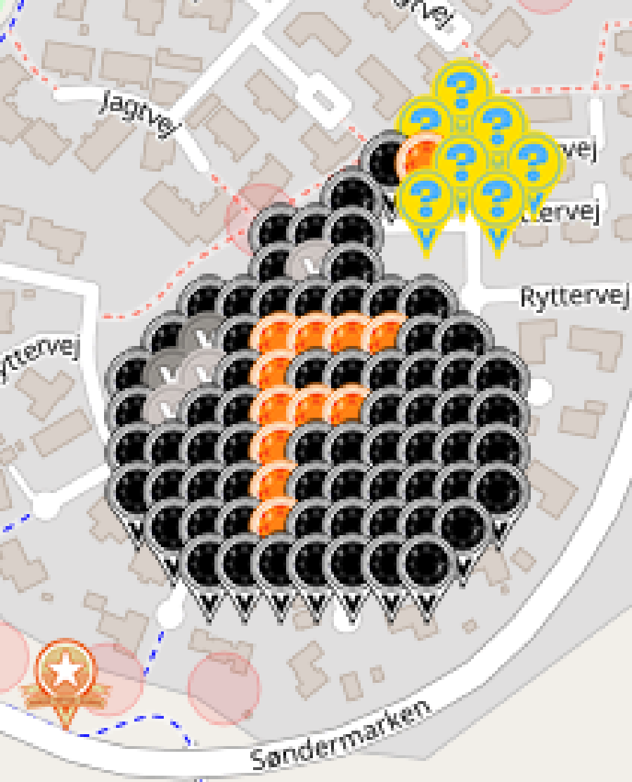
 |  | Dropping the f-bomb on this blasted virus
 |  | Hammel, Denmark

 |  | Map link: | https://www.munzee.com/map/u1zpbx5s8/16.0
 |  | Spreadsheet link: | https://tinyurl.com/F-Bomb-Series

 |  | Available | Claimed | Total | Color
 |  | 0 | 68 | 68 | Virtual Onyx OR Virtual Black
 |  | 0 | 12 | 12 | Virtual Citrine
 |  | 0 | 3 | 3 | Virtual Silver
 |  | 0 | 2 | 2 | Virtual Gray
 |  | 0 | 7 | 7 | Electric Mystery
 | Total | 0 | 92 | 92
 |  |  | Percentage Claimed: | 100.00%

 |  | Disclaimer: By necessity, reservations will be cleared out periodically. Just know that you're gambling and that your spot isn't yours until you deploy. Govern yourselves accordingly. Thank you very kindly!

Row | Column | Latitude | Longitude | Munzee | Username | URL | Reserved | Claimed | Comments
 |  | 56.243733951 | 9.8687486694 | POI Virtual Garden | denali0407 | https://www.munzee.com/m/denali0407/13750/
1 | 12 | 56.246033635 | 9.8715944885 | Electric Mystery | humbird7 | https://www.munzee.com/m/humbird7/17569/ | 0 | 2
2 | 11 | 56.245889905 | 9.8713357772 | Electric Mystery | Steerzer | https://www.munzee.com/m/Steerzer/8277/ | 0 | 1
2 | 13 | 56.245889904 | 9.8718531376 | Electric Mystery | ChickenRun | https://www.munzee.com/m/ChickenRun/10632 | 0 | 1
3 | 10 | 56.245746175 | 9.8710770679 | Virtual Onyx OR Virtual Black | OHail | https://www.munzee.com/m/OHail/19668/ | 0 | 2
3 | 11 | 56.245746174 | 9.8713357471 | Virtual Citrine | Obi-Cal | https://www.munzee.com/m/Obi-Cal/13353/ | 0 | 1
3 | 12 | 56.245746174 | 9.8715944264 | Electric Mystery | fionails | https://www.munzee.com/m/fionails/3601 | 0 | 2
3 | 14 | 56.245746174 | 9.8721117848 | Electric Mystery | OHail | https://www.munzee.com/m/OHail/20037/ | 0 | 2
4 | 9 | 56.245602445 | 9.8708183605 | Virtual Onyx OR Virtual Black | Derlame | https://www.munzee.com/m/Derlame/11941/ | 0 | 2
4 | 11 | 56.245602444 | 9.871335717 | Electric Mystery | munzeemor | https://www.munzee.com/m/munzeemor/708/ | 0 | 3
4 | 13 | 56.245602443 | 9.8718530735 | Electric Mystery | levesund | https://www.munzee.com/m/levesund/6986/ | 0 | 2
5 | 7 | 56.245458715 | 9.8703009778 | Virtual Onyx OR Virtual Black | SpaceCoastGeoStore | https://www.munzee.com/m/SpaceCoastGeoStore/8987/ | 0 | 1
5 | 8 | 56.245458714 | 9.8705596551 | Virtual Onyx OR Virtual Black | Dibcrew | https://www.munzee.com/m/Dibcrew/5098/ | 0 | 1
5 | 9 | 56.245458714 | 9.8708183324 | Virtual Onyx OR Virtual Black | Yoshigirl | https://www.munzee.com/m/Yoshigirl/210/ | 0 | 1
6 | 7 | 56.245314984 | 9.8703009516 | Virtual Onyx OR Virtual Black | 123xilef | https://www.munzee.com/m/123xilef/6229/ | 0 | 1
6 | 8 | 56.245314984 | 9.8705596279 | Virtual Silver | denali0407 | https://www.munzee.com/m/denali0407/13426/ | 0 | 3
6 | 9 | 56.245314984 | 9.8708183042 | Virtual Onyx OR Virtual Black | BonnieB1 | https://www.munzee.com/m/BonnieB1/4976/ | 0 | 1
7 | 5 | 56.245171254 | 9.8697835747 | Virtual Onyx OR Virtual Black | Jesnou | https://www.munzee.com/m/Jesnou/6428/ | 0 | 1
7 | 6 | 56.245171254 | 9.87004225 | Virtual Onyx OR Virtual Black | martinp13 | https://www.munzee.com/m/martinp13/2183/ | 0 | 1
7 | 7 | 56.245171254 | 9.8703009254 | Virtual Onyx OR Virtual Black | SJClyde | https://www.munzee.com/m/SJClyde/3395/ | 0 | 1
7 | 8 | 56.245171253 | 9.8705596007 | Virtual Onyx OR Virtual Black | ArtofEco | https://www.munzee.com/m/ArtofEco/2777/ | 0 | 1
7 | 9 | 56.245171253 | 9.870818276 | Virtual Onyx OR Virtual Black | EagleDadandXenia | https://www.munzee.com/m/EagleDadandXenia/19175/ | 0 | 1
7 | 10 | 56.245171253 | 9.8710769514 | Virtual Onyx OR Virtual Black | marleyfanct | https://www.munzee.com/m/marleyfanct/2832/ | 0 | 1
7 | 11 | 56.245171253 | 9.8713356267 | Virtual Onyx OR Virtual Black | annabanana | https://www.munzee.com/m/annabanana/10596/ | 0 | 1
8 | 4 | 56.245027524 | 9.869524876 | Virtual Onyx OR Virtual Black | Bumble | https://www.munzee.com/m/Bumble/2220 | 0 | 1
8 | 5 | 56.245027524 | 9.8697835504 | Virtual Gray | humbird7 | https://www.munzee.com/m/humbird7/17578/ | 0 | 2
8 | 6 | 56.245027524 | 9.8700422248 | Virtual Onyx OR Virtual Black | Attis | https://www.munzee.com/m/Attis/13602/ | 0 | 1
8 | 7 | 56.245027523 | 9.8703008991 | Virtual Citrine | StaceyZ | https://www.munzee.com/m/StaceyZ/5270 | 0 | 1
8 | 8 | 56.245027523 | 9.8705595735 | Virtual Citrine | miri68 | https://www.munzee.com/m/miri68/2413 | 0 | 1
8 | 9 | 56.245027523 | 9.8708182479 | Virtual Citrine | mobility | https://www.munzee.com/m/mobility/9194/ | 0 | 1
8 | 10 | 56.245027522 | 9.8710769223 | Virtual Citrine | GoofyButterfly | https://www.munzee.com/m/GoofyButterfly/8989 | 0 | 1
8 | 11 | 56.245027522 | 9.8713355966 | Virtual Onyx OR Virtual Black | dlbisblest | https://www.munzee.com/m/dlbisblest/5432 | 0 | 1
8 | 12 | 56.245027522 | 9.871594271 | Virtual Onyx OR Virtual Black | knotmunz | https://www.munzee.com/m/knotmunz/726/ | 0 | 1
9 | 3 | 56.244883794 | 9.8692661793 | Virtual Onyx OR Virtual Black | Herbie | https://www.munzee.com/m/Herbie/10431/ | 0 | 1
9 | 4 | 56.244883794 | 9.8695248527 | Virtual Gray | trille | https://www.munzee.com/m/trille/208/ | 0 | 2
9 | 5 | 56.244883793 | 9.8697835261 | Virtual Silver | Belboz | https://www.munzee.com/m/Belboz/16291/ | 0 | 1
9 | 6 | 56.244883793 | 9.8700421995 | Virtual Onyx OR Virtual Black | 10kl1 | https://www.munzee.com/m/10kl1/125/ | 0 | 1
9 | 7 | 56.244883793 | 9.8703008729 | Virtual Citrine | kpcrystal07 | https://www.munzee.com/m/kpcrystal07/18452/ | 0 | 2
9 | 8 | 56.244883793 | 9.8705595463 | Virtual Onyx OR Virtual Black | denali0407 | https://www.munzee.com/m/denali0407/12944/ | 0 | 3
9 | 9 | 56.244883792 | 9.8708182197 | Virtual Onyx OR Virtual Black | halizwein | https://www.munzee.com/m/halizwein/10793/ | 0 | 1
9 | 10 | 56.244883792 | 9.8710768931 | Virtual Onyx OR Virtual Black | Debolicious | https://www.munzee.com/m/Debolicious/8266/ | 0 | 1
9 | 11 | 56.244883792 | 9.8713355665 | Virtual Onyx OR Virtual Black | Justforfun33 | https://www.munzee.com/m/Justforfun33/14738/ | 0 | 1
9 | 12 | 56.244883791 | 9.8715942399 | Virtual Onyx OR Virtual Black | MeanderingMonkeys | https://www.munzee.com/m/MeanderingMonkeys/16291/ | 0 | 1
9 | 13 | 56.244883791 | 9.8718529133 | Virtual Onyx OR Virtual Black | WellstrandTribe | https://www.munzee.com/m/WellstrandTribe/7664 | 0 | 1
10 | 3 | 56.244740063 | 9.869266157 | Virtual Onyx OR Virtual Black | JackSparrow | https://www.munzee.com/m/JackSparrow/18714 | 0 | 1
10 | 4 | 56.244740063 | 9.8695248294 | Virtual Silver | FindersGirl | https://www.munzee.com/m/FindersGirl/5244/ | 0 | 1
10 | 5 | 56.244740063 | 9.8697835019 | Virtual Onyx OR Virtual Black | Capzer | https://www.munzee.com/m/capzer/128/admin/ | 0 | 2
10 | 6 | 56.244740063 | 9.8700421743 | Virtual Onyx OR Virtual Black | duncdonut73 | https://www.munzee.com/m/duncdonut73/1385/ | 0 | 2
10 | 7 | 56.244740062 | 9.8703008467 | Virtual Citrine | Trezorka | https://www.munzee.com/m/Trezorka/2331 | 0 | 1
10 | 8 | 56.244740062 | 9.8705595191 | Virtual Citrine | Gatis50 | https://www.munzee.com/m/Gatis50/2296 | 0 | 1
10 | 9 | 56.244740062 | 9.8708181916 | Virtual Citrine | Pandora6000 | https://www.munzee.com/m/Pandora6000/449 | 0 | 1
10 | 10 | 56.244740062 | 9.871076864 | Virtual Onyx OR Virtual Black | Cidinho | https://www.munzee.com/m/Cidinho/2190/ | 0 | 1
10 | 11 | 56.244740061 | 9.8713355364 | Virtual Onyx OR Virtual Black | Jafo43 | https://www.munzee.com/m/Jafo43/17728 | 0 | 1
10 | 12 | 56.244740061 | 9.8715942089 | Virtual Onyx OR Virtual Black | 10pmMeerkat | https://www.munzee.com/m/10pmMeerkat/9108/ | 0 | 1
10 | 13 | 56.244740061 | 9.8718528813 | Virtual Onyx OR Virtual Black | MsGiggler | https://www.munzee.com/m/MsGiggler/7025/ | 0 | 1
11 | 3 | 56.244596333 | 9.8692661347 | Virtual Onyx OR Virtual Black | Bisquick2 | https://www.munzee.com/m/Bisquick2/3747/ | 0 | 1
11 | 4 | 56.244596333 | 9.8695248061 | Virtual Onyx OR Virtual Black | linusbi | https://www.munzee.com/m/linusbi/3212/admin/convert/ | 0 | 2
11 | 5 | 56.244596332 | 9.8697834776 | Virtual Onyx OR Virtual Black | Kiitokurre | https://www.munzee.com/m/Kiitokurre/6360/ | 0 | 1
11 | 6 | 56.244596332 | 9.870042149 | Virtual Onyx OR Virtual Black | tragger | https://www.munzee.com/m/tragger/74/ | 0 | 2
11 | 7 | 56.244596332 | 9.8703008205 | Virtual Citrine | munzeemor | https://www.munzee.com/m/munzeemor/655/ | 0 | 3
11 | 8 | 56.244596332 | 9.870559492 | Virtual Onyx OR Virtual Black | capzer | https://www.munzee.com/m/capzer/134/ | 0 | 2
11 | 9 | 56.244596331 | 9.8708181634 | Virtual Onyx OR Virtual Black | WhisperInTheWind | https://www.munzee.com/m/WhisperInTheWind/3283/ | 0 | 1
11 | 10 | 56.244596331 | 9.8710768349 | Virtual Onyx OR Virtual Black | hunniees | https://www.munzee.com/m/hunniees/28324 | 0 | 1
11 | 11 | 56.244596331 | 9.8713355063 | Virtual Onyx OR Virtual Black | dt07751 | https://www.munzee.com/m/dt07751/26721/ | 0 | 1
11 | 12 | 56.244596331 | 9.8715941778 | Virtual Onyx OR Virtual Black | rgforsythe | https://www.munzee.com/m/rgforsythe/8192 | 0 | 1
11 | 13 | 56.24459633 | 9.8718528492 | Virtual Onyx OR Virtual Black | Ovaldas | https://www.munzee.com/m/Ovaldas/8613/ | 0 | 1
12 | 3 | 56.244452603 | 9.8692661123 | Virtual Onyx OR Virtual Black | johnsjen | https://www.munzee.com/m/Johnsjen/1741/ | 0 | 1
12 | 4 | 56.244452602 | 9.8695247828 | Virtual Onyx OR Virtual Black | elisoft | https://www.munzee.com/m/elisoft/1097 | 0 | 1
12 | 5 | 56.244452602 | 9.8697834533 | Virtual Onyx OR Virtual Black | ShadowChasers | https://www.munzee.com/m/ShadowChasers/4244/ | 0 | 1
12 | 6 | 56.244452602 | 9.8700421238 | Virtual Onyx OR Virtual Black | barefootguru | https://www.munzee.com/m/barefootguru/3064/ | 0 | 1
12 | 7 | 56.244452602 | 9.8703007943 | Virtual Citrine | kpcrystal07 | https://www.munzee.com/m/kpcrystal07/18436/ | 0 | 2
12 | 8 | 56.244452601 | 9.8705594648 | Virtual Onyx OR Virtual Black | denali0407 | https://www.munzee.com/m/denali0407/13125/ | 0 | 3
12 | 9 | 56.244452601 | 9.8708181353 | Virtual Onyx OR Virtual Black | duncdonut73 | https://www.munzee.com/m/duncdonut73/1386/ | 0 | 2
12 | 10 | 56.244452601 | 9.8710768057 | Virtual Onyx OR Virtual Black | mtbiker64 | https://www.munzee.com/m/mtbiker64/6135/ | 0 | 1
12 | 11 | 56.2444526 | 9.8713354762 | Virtual Onyx OR Virtual Black | mdtt | https://www.munzee.com/m/mdtt/4534/ | 0 | 1
12 | 12 | 56.2444526 | 9.8715941467 | Virtual Onyx OR Virtual Black | tcguru | https://www.munzee.com/m/tcguru/9205/ | 0 | 1
12 | 13 | 56.2444526 | 9.8718528172 | Virtual Onyx OR Virtual Black | Derlame | https://www.munzee.com/m/Derlame/11722/ | 0 | 2
13 | 4 | 56.244308872 | 9.8695247595 | Virtual Onyx OR Virtual Black | munzeemor | https://www.munzee.com/m/munzeemor/723/ | 0 | 3
13 | 5 | 56.244308872 | 9.869783429 | Virtual Onyx OR Virtual Black | trille | https://www.munzee.com/m/trille/180/ | 0 | 2
13 | 6 | 56.244308871 | 9.8700420986 | Virtual Onyx OR Virtual Black | katinka3 | https://www.munzee.com/m/katinka3/6255/ | 0 | 1
13 | 7 | 56.244308871 | 9.8703007681 | Virtual Citrine | U10g | https://www.munzee.com/m/U10g/25/ | 0 | 1
13 | 8 | 56.244308871 | 9.8705594376 | Virtual Onyx OR Virtual Black | vikingdk | https://www.munzee.com/m/Vikingdk/14/ | 0 | 1
13 | 9 | 56.244308871 | 9.8708181071 | Virtual Onyx OR Virtual Black | capaway | https://www.munzee.com/m/capaway/74/ | 0 | 1
13 | 10 | 56.24430887 | 9.8710767766 | Virtual Onyx OR Virtual Black | tragger | https://www.munzee.com/m/tragger/64/ | 0 | 2
13 | 11 | 56.24430887 | 9.8713354461 | Virtual Onyx OR Virtual Black | voldby1 | https://www.munzee.com/m/voldby1/21/ | 0 | 1
13 | 12 | 56.24430887 | 9.8715941156 | Virtual Onyx OR Virtual Black | CoalCracker7 | https://www.munzee.com/m/CoalCracker7/8474 | 0 | 1
14 | 5 | 56.244165141 | 9.8697834048 | Virtual Onyx OR Virtual Black | Fonte | https://www.munzee.com/m/Fonte/1079 | 0 | 1
14 | 6 | 56.244165141 | 9.8700420733 | Virtual Onyx OR Virtual Black | Lonni | https://www.munzee.com/m/Lonni/618/ | 0 | 1
14 | 7 | 56.244165141 | 9.8703007419 | Virtual Onyx OR Virtual Black | fionails | https://www.munzee.com/m/fionails/3585/ | 0 | 2
14 | 8 | 56.24416514 | 9.8705594104 | Virtual Onyx OR Virtual Black | levesund | https://www.munzee.com/m/levesund/7056/ | 0 | 2
14 | 9 | 56.24416514 | 9.8708180789 | Virtual Onyx OR Virtual Black | munzeefarmor | https://www.munzee.com/m/munzeefarmor/1545/ | 0 | 1
14 | 10 | 56.24416514 | 9.8710767475 | Virtual Onyx OR Virtual Black | technical13 | https://www.munzee.com/m/technical13/2133/ | 0 | 1
14 | 11 | 56.24416514 | 9.871335416 | Virtual Onyx OR Virtual Black | linusbi | https://www.munzee.com/m/linusbi/3143/ | 0 | 2

 |  | Drawing: | https://youtu.be/_ruJP0Kscl0

McKinney, TX
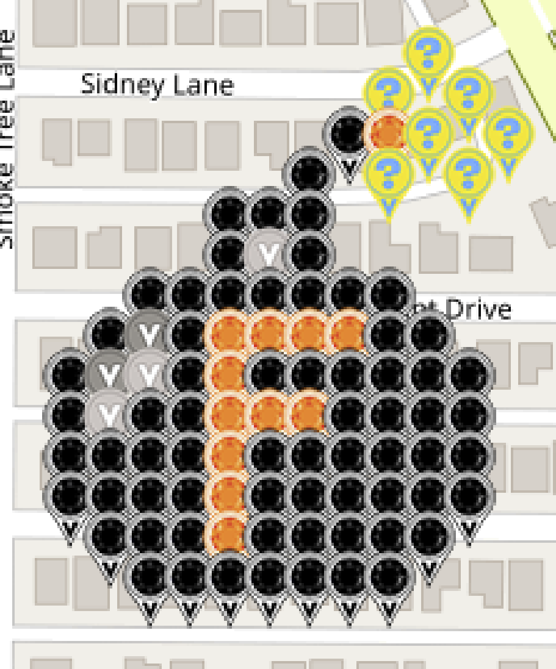
 |  | Dropping the f-bomb on this blasted virus
 |  | McKinney, Texas

 |  | Map link: | https://www.munzee.com/map/9vghxt5wt/16.0
 |  | Spreadsheet link: | https://tinyurl.com/F-Bomb-Series

 |  | Available | Claimed | Total | Color
 |  | 0 | 68 | 68 | Virtual Onyx OR Virtual Black
 |  | 0 | 12 | 12 | Virtual Citrine
 |  | 0 | 3 | 3 | Virtual Silver
 |  | 0 | 2 | 2 | Virtual Gray
 |  | 0 | 7 | 7 | Electric Mystery
 | Total | 0 | 92 | 92
 |  |  | Percentage Claimed: | 100.00%

 |  | Disclaimer: By necessity, reservations will be cleared out periodically. Just know that you're gambling and that your spot isn't yours until you deploy. Govern yourselves accordingly. Thank you very kindly!

Row | Column | Latitude | Longitude | Munzee | Username | URL | Reserved | Claimed | Comments
 |  | 33.164229487 | -96.695437153 | POI Virtual Garden | Derlame | https://www.munzee.com/m/Derlame/12041/
1 | 10 | 33.164085757 | -96.695952259 | Electric Mystery | humbird7 | https://www.munzee.com/m/humbird7/17613/ | 0 | 2
2 | 9 | 33.163942027 | -96.696123967 | Electric Mystery | Steerzer | https://www.munzee.com/m/Steerzer/8279/ | 0 | 1
2 | 11 | 33.163942027 | -96.69578057 | Electric Mystery | Derlame | https://www.munzee.com/m/Derlame/11911/ | 0 | 1
3 | 8 | 33.163798297 | -96.696295674 | Virtual Onyx OR Virtual Black | OHail | https://www.munzee.com/m/OHail/19697/ | 0 | 2
3 | 9 | 33.163798297 | -96.696123976 | Virtual Citrine | denali0407 | https://www.munzee.com/m/denali0407/12938/ | 0 | 3
3 | 10 | 33.163798296 | -96.695952277 | Electric Mystery | knotmunz | https://www.munzee.com/m/knotmunz/844 | 0 | 2
3 | 12 | 33.163798296 | -96.695608881 | Electric Mystery | OHail | https://www.munzee.com/m/OHail/20039/ | 0 | 2
4 | 7 | 33.163654566 | -96.696467381 | Virtual Onyx OR Virtual Black | 123xilef | https://www.munzee.com/m/123xilef/6393/ | 0 | 1
4 | 9 | 33.163654566 | -96.696123984 | Electric Mystery | JackSparrow | https://www.munzee.com/m/JackSparrow/18430/ | 0 | 1
4 | 11 | 33.163654566 | -96.695780588 | Electric Mystery | mobility | https://www.munzee.com/m/mobility/9424/ | 0 | 2
5 | 5 | 33.163510836 | -96.696810784 | Virtual Onyx OR Virtual Black | SJClyde | https://www.munzee.com/m/SJClyde/1234/ | 0 | 1
5 | 6 | 33.163510836 | -96.696639087 | Virtual Onyx OR Virtual Black | ChickenRun | https://www.munzee.com/m/ChickenRun/10631 | 0 | 1
5 | 7 | 33.163510836 | -96.696467389 | Virtual Onyx OR Virtual Black | Jesnou | https://www.munzee.com/m/Jesnou/6413/ | 0 | 1
6 | 5 | 33.163367106 | -96.696810792 | Virtual Onyx OR Virtual Black | Kiitokurre | https://www.munzee.com/m/Kiitokurre/6359/ | 0 | 1
6 | 6 | 33.163367106 | -96.696639094 | Virtual Silver | denali0407 | https://www.munzee.com/m/denali0407/13425/ | 0 | 3
6 | 7 | 33.163367106 | -96.696467397 | Virtual Onyx OR Virtual Black | JustMe | https://www.munzee.com/m/JustMe/3745/ | 0 | 1
7 | 3 | 33.163223376 | -96.697154194 | Virtual Onyx OR Virtual Black | CoalCracker7 | https://www.munzee.com/m/CoalCracker7/8733/ | 0 | 1
7 | 4 | 33.163223375 | -96.696982497 | Virtual Onyx OR Virtual Black | Bumble | https://www.munzee.com/m/Bumble/2270 | 0 | 1
7 | 5 | 33.163223375 | -96.6968108 | Virtual Onyx OR Virtual Black | Cidinho | https://www.munzee.com/m/Cidinho/2211/ | 0 | 1
7 | 6 | 33.163223375 | -96.696639102 | Virtual Onyx OR Virtual Black | ohiolady | https://www.munzee.com/m/ohiolady/4746 | 0 | 1
7 | 7 | 33.163223375 | -96.696467405 | Virtual Onyx OR Virtual Black | martinp13 | https://www.munzee.com/m/martinp13/2082/ | 0 | 1
7 | 8 | 33.163223375 | -96.696295708 | Virtual Onyx OR Virtual Black | mrscb | https://www.munzee.com/m/mrscb/8201/ | 0 | 1
7 | 9 | 33.163223375 | -96.696124011 | Virtual Onyx OR Virtual Black | duncdonut73 | https://www.munzee.com/m/duncdonut73/1400/ | 0 | 2
8 | 2 | 33.163079645 | -96.697325898 | Virtual Onyx OR Virtual Black | ArtofEco | https://www.munzee.com/m/ArtofEco/2771/ | 0 | 1
8 | 3 | 33.163079645 | -96.697154201 | Virtual Gray | humbird7 | https://www.munzee.com/m/humbird7/17570/ | 0 | 2
8 | 4 | 33.163079645 | -96.696982504 | Virtual Onyx OR Virtual Black | EagleDadandXenia | https://www.munzee.com/m/EagleDadandXenia/19114/ | 0 | 1
8 | 5 | 33.163079645 | -96.696810807 | Virtual Citrine | SpaceCoastGeoStore | https://www.munzee.com/m/SpaceCoastGeoStore/8986/ | 0 | 1
8 | 6 | 33.163079645 | -96.69663911 | Virtual Citrine | BrotherWilliam | https://www.munzee.com/m/BrotherWilliam/3658/ | 0 | 1
8 | 7 | 33.163079645 | -96.696467413 | Virtual Citrine | miri68 | https://www.munzee.com/m/miri68/2411 | 0 | 2
8 | 8 | 33.163079644 | -96.696295716 | Virtual Citrine | Debolicious | https://www.munzee.com/m/Debolicious/8257/ | 0 | 1
8 | 9 | 33.163079644 | -96.696124019 | Virtual Onyx OR Virtual Black | marleyfanct | https://www.munzee.com/m/marleyfanct/2824/ | 0 | 1
8 | 10 | 33.163079644 | -96.695952322 | Virtual Onyx OR Virtual Black | linusbi | https://www.munzee.com/m/linusbi/2723/admin/convert/ | 0 | 2
9 | 1 | 33.162935915 | -96.697497602 | Virtual Onyx OR Virtual Black | levesund | https://www.munzee.com/m/levesund/7093/admin/convert/ | 0 | 2
9 | 2 | 33.162935915 | -96.697325905 | Virtual Gray | halizwein | https://www.munzee.com/m/halizwein/10734/ | 0 | 1
9 | 3 | 33.162935915 | -96.697154208 | Virtual Silver | Belboz | https://www.munzee.com/m/Belboz/16323/ | 0 | 1
9 | 4 | 33.162935915 | -96.696982511 | Virtual Onyx OR Virtual Black | BonnieB1 | https://www.munzee.com/m/BonnieB1/4945/ | 0 | 1
9 | 5 | 33.162935914 | -96.696810815 | Virtual Citrine | StaceyZ | https://www.munzee.com/m/StaceyZ/5168 | 0 | 1
9 | 6 | 33.162935914 | -96.696639118 | Virtual Onyx OR Virtual Black | denali0407 | https://www.munzee.com/m/denali0407/12941/ | 0 | 3
9 | 7 | 33.162935914 | -96.696467421 | Virtual Onyx OR Virtual Black | MeanderingMonkeys | https://www.munzee.com/m/MeanderingMonkeys/16270/ | 0 | 4
9 | 8 | 33.162935914 | -96.696295725 | Virtual Onyx OR Virtual Black | annabanana | https://www.munzee.com/m/annabanana/10605/ | 0 | 2
9 | 9 | 33.162935914 | -96.696124028 | Virtual Onyx OR Virtual Black | dlbisblest | https://www.munzee.com/m/dlbisblest/5454 | 0 | 1
9 | 10 | 33.162935914 | -96.695952331 | Virtual Onyx OR Virtual Black | aufbau | https://www.munzee.com/m/aufbau/9264/ | 0 | 1
9 | 11 | 33.162935914 | -96.695780635 | Virtual Onyx OR Virtual Black | MeanderingMonkeys | https://www.munzee.com/m/MeanderingMonkeys/16292/ | 0 | 4
10 | 1 | 33.162792184 | -96.697497608 | Virtual Onyx OR Virtual Black | miri68 | https://www.munzee.com/m/miri68/2372 | 0 | 2
10 | 2 | 33.162792184 | -96.697325912 | Virtual Silver | FindersGirl | https://www.munzee.com/m/FindersGirl/5255/ | 0 | 1
10 | 3 | 33.162792184 | -96.697154215 | Virtual Onyx OR Virtual Black | WellstrandTribe | https://www.munzee.com/m/WellstrandTribe/7634 | 0 | 1
10 | 4 | 33.162792184 | -96.696982519 | Virtual Onyx OR Virtual Black | Attis | https://www.munzee.com/m/Attis/13583/ | 0 | 1
10 | 5 | 33.162792184 | -96.696810822 | Virtual Citrine | mobility | https://www.munzee.com/m/mobility/9499 | 0 | 2
10 | 6 | 33.162792184 | -96.696639126 | Virtual Citrine | dt07751 | https://www.munzee.com/m/dt07751/26880/ | 0 | 1
10 | 7 | 33.162792184 | -96.69646743 | Virtual Citrine | hunniees | https://www.munzee.com/m/hunniees/27344 | 0 | 1
10 | 8 | 33.162792184 | -96.696295733 | Virtual Onyx OR Virtual Black | Dibcrew | https://www.munzee.com/m/Dibcrew/5152/ | 0 | 1
10 | 9 | 33.162792183 | -96.696124037 | Virtual Onyx OR Virtual Black | Herbie | https://www.munzee.com/m/Herbie/10443/ | 0 | 1
10 | 10 | 33.162792183 | -96.69595234 | Virtual Onyx OR Virtual Black | MsGiggler | https://www.munzee.com/m/MsGiggler/7026/ | 0 | 1
10 | 11 | 33.162792183 | -96.695780644 | Virtual Onyx OR Virtual Black | tcguru | https://www.munzee.com/m/tcguru/9234/ | 0 | 1
11 | 1 | 33.162648454 | -96.697497614 | Virtual Onyx OR Virtual Black | kpcrystal07 | https://www.munzee.com/m/kpcrystal07/18456/ | 0 | 1
11 | 2 | 33.162648454 | -96.697325918 | Virtual Onyx OR Virtual Black | Jafo43 | https://www.munzee.com/m/Jafo43/17734 | 0 | 2
11 | 3 | 33.162648454 | -96.697154222 | Virtual Onyx OR Virtual Black | Fonte | https://www.munzee.com/m/Fonte/1075 | 0 | 1
11 | 4 | 33.162648454 | -96.696982526 | Virtual Onyx OR Virtual Black | AlephRita | https://www.munzee.com/m/AlephRita/3091/ | 0 | 1
11 | 5 | 33.162648454 | -96.69681083 | Virtual Citrine | mtbiker64 | https://www.munzee.com/m/mtbiker64/6143/ | 0 | 1
11 | 6 | 33.162648453 | -96.696639134 | Virtual Onyx OR Virtual Black | Jafo43 | https://www.munzee.com/m/Jafo43/17729 | 0 | 2
11 | 7 | 33.162648453 | -96.696467438 | Virtual Onyx OR Virtual Black | nefertitike | https://www.munzee.com/m/Nefertitike/520/admin/ | 0 | 1
11 | 8 | 33.162648453 | -96.696295742 | Virtual Onyx OR Virtual Black | rgforsythe | https://www.munzee.com/m/rgforsythe/8125/ | 0 | 1
11 | 9 | 33.162648453 | -96.696124045 | Virtual Onyx OR Virtual Black | Ovaldas | https://www.munzee.com/m/Ovaldas/8626/ | 0 | 1
11 | 10 | 33.162648453 | -96.695952349 | Virtual Onyx OR Virtual Black | GoofyButterfly | https://www.munzee.com/m/GoofyButterfly/8994 | 0 | 1
11 | 11 | 33.162648453 | -96.695780653 | Virtual Onyx OR Virtual Black | 5Star | https://www.munzee.com/m/5Star/5332/ | 0 | 1
12 | 1 | 33.162504724 | -96.697497621 | Virtual Onyx OR Virtual Black | MeanderingMonkeys | https://www.munzee.com/m/MeanderingMonkeys/16293/ | 0 | 4
12 | 2 | 33.162504723 | -96.697325925 | Virtual Onyx OR Virtual Black | annabanana | https://www.munzee.com/m/annabanana/10608/ | 0 | 2
12 | 3 | 33.162504723 | -96.697154229 | Virtual Onyx OR Virtual Black | knotmunz | https://www.munzee.com/m/knotmunz/890/ | 0 | 2
12 | 4 | 33.162504723 | -96.696982533 | Virtual Onyx OR Virtual Black | MeanderingMonkeys | https://www.munzee.com/m/MeanderingMonkeys/16294/ | 0 | 4
12 | 5 | 33.162504723 | -96.696810838 | Virtual Citrine | Squ1rr3l | https://www.munzee.com/m/Squ1rr3l/1244/ | 0 | 1
12 | 6 | 33.162504723 | -96.696639142 | Virtual Onyx OR Virtual Black | levesund | https://www.munzee.com/m/levesund/7009/ | 0 | 2
12 | 7 | 33.162504723 | -96.696467446 | Virtual Onyx OR Virtual Black | munzeefarmor | https://www.munzee.com/m/munzeefarmor/1474/ | 0 | 1
12 | 8 | 33.162504723 | -96.69629575 | Virtual Onyx OR Virtual Black | munzeemor | https://www.munzee.com/m/munzeemor/603/ | 0 | 1
12 | 9 | 33.162504723 | -96.696124054 | Virtual Onyx OR Virtual Black | fionails | https://www.munzee.com/m/fionails/3554/ | 0 | 1
12 | 10 | 33.162504722 | -96.695952358 | Virtual Onyx OR Virtual Black | linusbi | https://www.munzee.com/m/linusbi/3104/ | 0 | 2
12 | 11 | 33.162504722 | -96.695780663 | Virtual Onyx OR Virtual Black | duncdonut73 | https://www.munzee.com/m/duncdonut73/1399/ | 0 | 2
13 | 2 | 33.162360993 | -96.697325932 | Virtual Onyx OR Virtual Black | Justforfun33 | https://www.munzee.com/m/Justforfun33/14800/ | 0 | 1
13 | 3 | 33.162360993 | -96.697154236 | Virtual Onyx OR Virtual Black | johnsjen | https://www.munzee.com/m/Johnsjen/1747/ | 0 | 1
13 | 4 | 33.162360993 | -96.696982541 | Virtual Onyx OR Virtual Black | Trezorka | https://www.munzee.com/m/Trezorka/2175 | 0 | 1
13 | 5 | 33.162360993 | -96.696810845 | Virtual Citrine | katinka3 | https://www.munzee.com/m/katinka3/6859/ | 0 | 1
13 | 6 | 33.162360993 | -96.69663915 | Virtual Onyx OR Virtual Black | Obi-Cal | https://www.munzee.com/m/Obi-Cal/13112/ | 0 | 1
13 | 7 | 33.162360992 | -96.696467454 | Virtual Onyx OR Virtual Black | 10pmMeerkat | https://www.munzee.com/m/10pmMeerkat/8993/ | 0 | 1
13 | 8 | 33.162360992 | -96.696295758 | Virtual Onyx OR Virtual Black | valsey | https://www.munzee.com/m/valsey/4222/ | 0 | 1
13 | 9 | 33.162360992 | -96.696124063 | Virtual Onyx OR Virtual Black | elisoft | https://www.munzee.com/m/elisoft/1158/ | 0 | 1
13 | 10 | 33.162360992 | -96.695952367 | Virtual Onyx OR Virtual Black | dboracle | https://www.munzee.com/m/dboracle/4847 | 0 | 1
14 | 3 | 33.162217262 | -96.697154243 | Virtual Onyx OR Virtual Black | Bisquick2 | https://www.munzee.com/m/Bisquick2/3764/ | 0 | 1
14 | 4 | 33.162217262 | -96.696982548 | Virtual Onyx OR Virtual Black | barefootguru | https://www.munzee.com/m/barefootguru/3065/ | 0 | 1
14 | 5 | 33.162217262 | -96.696810853 | Virtual Onyx OR Virtual Black | ShadowChasers | https://www.munzee.com/m/ShadowChasers/4229/ | 0 | 1
14 | 6 | 33.162217262 | -96.696639157 | Virtual Onyx OR Virtual Black | Yoshigirl | https://www.munzee.com/m/Yoshigirl/211/ | 0 | 1
14 | 7 | 33.162217262 | -96.696467462 | Virtual Onyx OR Virtual Black | mdtt | https://www.munzee.com/m/mdtt/4509/ | 0 | 1
14 | 8 | 33.162217262 | -96.696295767 | Virtual Onyx OR Virtual Black | WhisperInTheWind | https://www.munzee.com/m/WhisperInTheWind/3264/ | 0 | 1
14 | 9 | 33.162217262 | -96.696124072 | Virtual Onyx OR Virtual Black | technical13 | https://www.munzee.com/m/technical13/2116/ | 0 | 1

Please do NOT delete the following line. You will need it if you want to load the CSV file back to the map!
URL: gardenpainter.ide.sk | 33.163007885 | -96.696381569 | 22 | 23 | 0 | 20 | 0
 |  | Drawing: | https://youtu.be/yCF4ONDZf8w

Tampa, FL
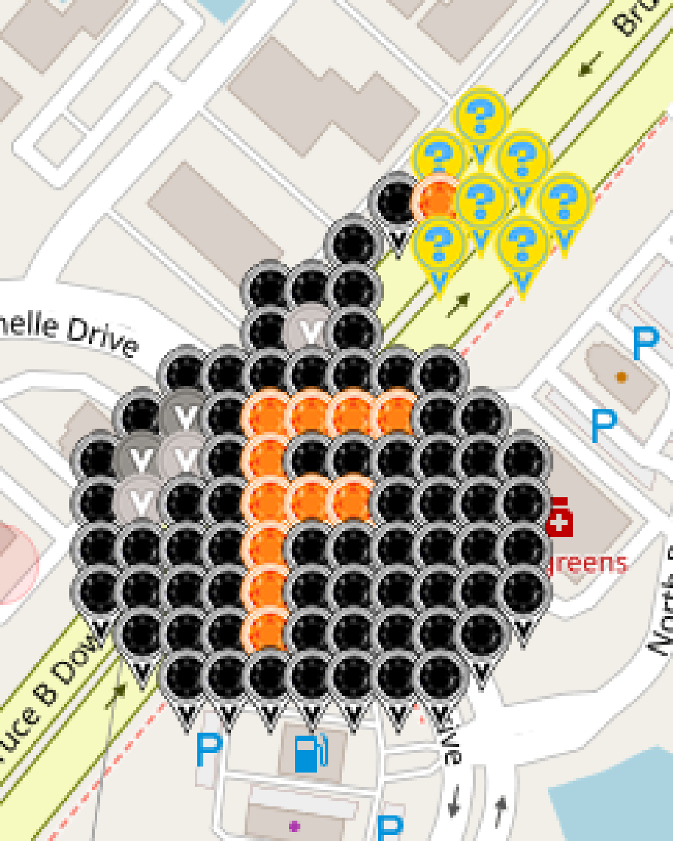
 |  | Dropping the f-bomb on this blasted virus
 |  | Tampa, Florida

 |  | Map link: | https://www.munzee.com/map/djj2j8ks0/16.0
 |  | Spreadsheet link: | https://tinyurl.com/F-Bomb-Series

 |  | Available | Claimed | Total | Color
 |  | 0 | 68 | 68 | Virtual Onyx OR Virtual Black
 |  | 0 | 12 | 12 | Virtual Citrine
 |  | 0 | 3 | 3 | Virtual Silver
 |  | 0 | 2 | 2 | Virtual Gray
 |  | 0 | 7 | 7 | Electric Mystery
 | Total | 0 | 92 | 92
 |  |  | Percentage Claimed: | 100.00%

 |  | Disclaimer: By necessity, reservations will be cleared out periodically. Just know that you're gambling and that your spot isn't yours until you deploy. Govern yourselves accordingly. Thank you very kindly!

Row | Column | Latitude | Longitude | Munzee | Username | URL | Reserved | Claimed | Comments
 |  | 28.123615246 | -82.372576483 | POI Virtual Garden | humbird7 | https://www.munzee.com/m/humbird7/17620/
1 | 25 | 28.127783426 | -82.368664949 | Electric Mystery | Steerzer | https://www.munzee.com/m/Steerzer/8278/ | 0 | 1
2 | 24 | 28.127639696 | -82.368827934 | Electric Mystery | Derlame | https://www.munzee.com/m/Derlame/11912/ | 0 | 1
2 | 26 | 28.127639696 | -82.368501978 | Electric Mystery | mobility | https://www.munzee.com/m/mobility/9425/ | 0 | 1
3 | 23 | 28.127495966 | -82.368990919 | Virtual Onyx OR Virtual Black | dt07751 | https://www.munzee.com/m/dt07751/26716/ | 0 | 4
3 | 24 | 28.127495966 | -82.368827941 | Virtual Citrine | hunniees | https://www.munzee.com/m/hunniees/27163 | 0 | 4
3 | 25 | 28.127495966 | -82.368664963 | Electric Mystery | humbird7 | https://www.munzee.com/m/humbird7/17330/ | 0 | 2
3 | 27 | 28.127495965 | -82.368339007 | Electric Mystery | caverscott | https://www.munzee.com/m/CaverScott/2368/ | 0 | 1
4 | 22 | 28.127352235 | -82.369153904 | Virtual Onyx OR Virtual Black | OHail | https://www.munzee.com/m/OHail/19670/ | 0 | 2
4 | 24 | 28.127352235 | -82.368827948 | Electric Mystery | annabanana | https://www.munzee.com/m/annabanana/11027/ | 0 | 2
4 | 26 | 28.127352235 | -82.368501992 | Electric Mystery | OHail | https://www.munzee.com/m/OHail/20038/ | 0 | 2
5 | 20 | 28.127208505 | -82.369479865 | Virtual Onyx OR Virtual Black | Jesnou | https://www.munzee.com/m/Jesnou/6427/ | 0 | 1
5 | 21 | 28.127208505 | -82.369316888 | Virtual Onyx OR Virtual Black | levesund | https://www.munzee.com/m/levesund/7120/ | 0 | 2
5 | 22 | 28.127208505 | -82.36915391 | Virtual Onyx OR Virtual Black | SpaceCoastGeoStore | https://www.munzee.com/m/SpaceCoastGeoStore/9252/ | 0 | 1
6 | 20 | 28.127064775 | -82.369479871 | Virtual Onyx OR Virtual Black | Kiitokurre | https://www.munzee.com/m/Kiitokurre/6332/ | 0 | 1
6 | 21 | 28.127064775 | -82.369316894 | Virtual Silver | denali0407 | https://www.munzee.com/m/denali0407/13435/ | 0 | 3
6 | 22 | 28.127064775 | -82.369153916 | Virtual Onyx OR Virtual Black | 123xilef | https://www.munzee.com/m/123xilef/6326/ | 0 | 1
7 | 18 | 28.126921044 | -82.369805831 | Virtual Onyx OR Virtual Black | duncdonut73 | https://www.munzee.com/m/duncdonut73/1389/ | 0 | 2
7 | 19 | 28.126921044 | -82.369642854 | Virtual Onyx OR Virtual Black | ohiolady | https://www.munzee.com/m/ohiolady/4736 | 0 | 1
7 | 20 | 28.126921044 | -82.369479877 | Virtual Onyx OR Virtual Black | mrscb | https://www.munzee.com/m/mrscb/8376/ | 0 | 1
7 | 21 | 28.126921044 | -82.3693169 | Virtual Onyx OR Virtual Black | annabanana | https://www.munzee.com/m/annabanana/10573/ | 0 | 2
...

