Information
Rockland Heart

Coordination Chat | Map Link |  | TOTAL | 163 | 163 | 0 | 100.00%
Heart shaped garden in Rockland, Ontario, Canada |  |  | Virual color | Amount | Deployed | Available | % done
 |  |  | onyx | 38 | 38 | 0 | 100.00%
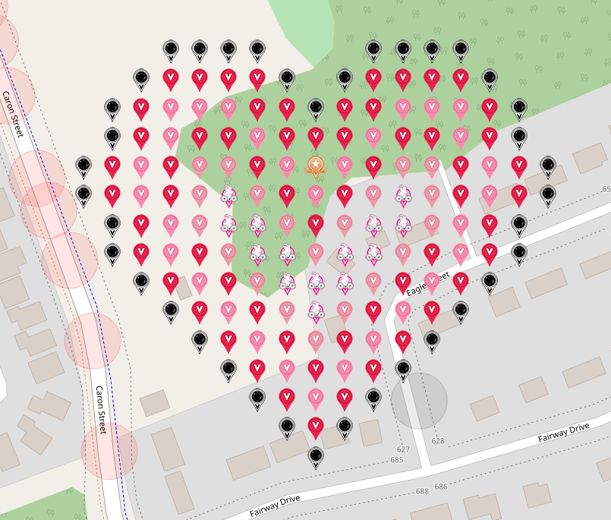
 |  |  | red | 60 | 60 | 0 | 100.00%
Insert screenshot from VGP with no crosshairs as a drawing here. |  |  | tickle me pink | 30 | 30 | 0 | 100.00%
 |  |  | mauvelous | 20 | 20 | 0 | 100.00%
 |  |  | poi virtual garden | 1 | 1 | 0 | 100.00%
 |  |  | flat lou | 14 | 14 | 0 | 100.00%

Top 30 of 91 Placers:
Username | Promised | Placed
technical13 | 10 | 10
WinterCheetah | 8 | 8
nyisutter | 7 | 7
EagleDadandXenia | 5 | 5
jeffeth | 5 | 5
jldh | 5 | 5
mars00xj | 5 | 5
Heluna | 4 | 4
Barrel | 3 | 3
EmeraldAngel | 3 | 3
IggiePiggie | 3 | 3
ivwarrior | 3 | 3
klc1960 | 3 | 3
MaryJaneKitty | 3 | 3
RoninsGal | 3 | 3
3Prettys | 2 | 2
Buckeyecacher111 | 2 | 2
cachesaurous | 2 | 2
claireth | 2 | 2
DarthMaulMax | 2 | 2
dlovegrove | 2 | 2
humbird7 | 2 | 2
kwd | 2 | 2
leesap | 2 | 2
lostsole68 | 2 | 2
Promethium | 2 | 2
Quint71 | 2 | 2
rayannchick | 2 | 2
taska1981 | 2 | 2
TFAL | 2 | 2

