MOA Christmas Card
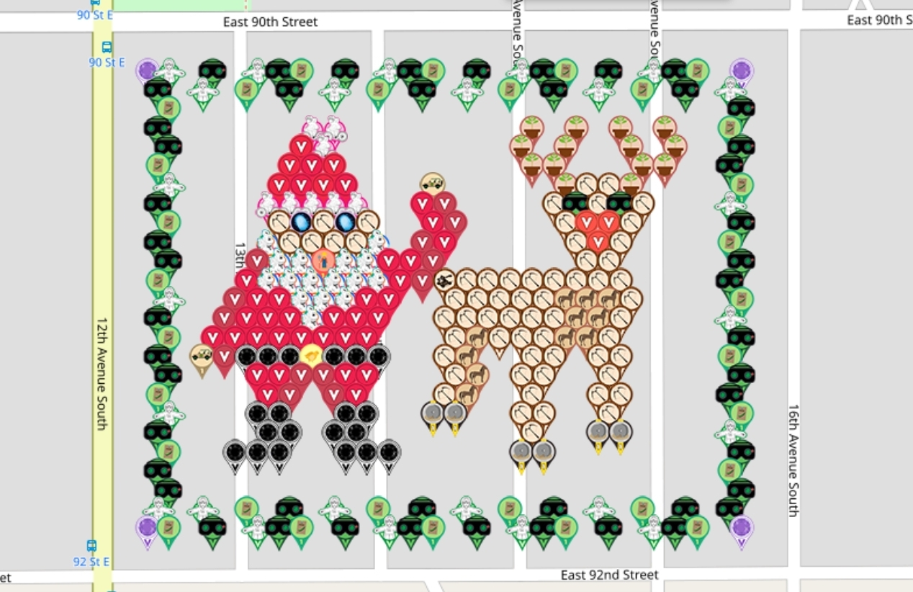
Row | Column | Latitude | Longitude | Color | Username | URL
1 | 1 | 44.840270899 | -93.257654632 | amethyst | geomatrix | https://www.munzee.com/m/geomatrix/7729/
1 | 2 | 44.840270899 | -93.257451931 | flat rob | geomatrix | https://www.munzee.com/m/geomatrix/11116/
1 | 4 | 44.840270898 | -93.257046528 | night vision goggles | pikespice | https://www.munzee.com/m/pikespice/6771/
1 | 6 | 44.840270898 | -93.256641126 | flat rob | Cachernthesky | https://www.munzee.com/m/Cachernthesky/2741/
1 | 7 | 44.840270898 | -93.256438425 | night vision goggles | geomatrix | https://www.munzee.com/m/geomatrix/11132/admin/
1 | 8 | 44.840270898 | -93.256235723 | peas seed | Kyrandia | https://www.munzee.com/m/Kyrandia/3593/
1 | 10 | 44.840270897 | -93.255830321 | night vision goggles | pikespice | https://www.munzee.com/m/pikespice/6677/
1 | 12 | 44.840270897 | -93.255424918 | flat rob | Shewhofishes | https://www.munzee.com/m/Shewhofishes/2208/admin/
1 | 13 | 44.840270897 | -93.255222217 | night vision goggles | Anni56 | https://www.munzee.com/m/anni56/11532/
1 | 14 | 44.840270897 | -93.255019516 | peas seed | geomatrix | https://www.munzee.com/m/geomatrix/11090/
1 | 16 | 44.840270896 | -93.254614114 | night vision goggles | fyrsel | https://www.munzee.com/m/fyrsel/2256
1 | 18 | 44.840270896 | -93.254208711 | flat rob | MrsCB | https://www.munzee.com/m/mrscb/9771/
1 | 19 | 44.840270896 | -93.25400601 | night vision goggles | JustMe | https://www.munzee.com/m/JustMe/5268/
1 | 20 | 44.840270895 | -93.253803309 | peas seed | pikespice | https://www.munzee.com/m/pikespice/6765/
1 | 22 | 44.840270895 | -93.253397906 | night vision goggles | ponu | https://www.munzee.com/m/ponu/7507/
1 | 24 | 44.840270895 | -93.252992504 | flat rob | pikespiceu | https://www.munzee.com/m/pikespice/6785/ |  |  | created by geomatrix
1 | 25 | 44.840270895 | -93.252789802 | night vision goggles | tlmeadowlark | https://www.munzee.com/m/tlmeadowlark/6536/ | map | https://www.munzee.com/map/9zvxjfytv/14.8
1 | 26 | 44.840270894 | -93.252587101 | peas seed | Anni56 | https://www.munzee.com/m/anni56/11523/ | link | https://tinyurl.com/y3qz8bj3
1 | 28 | 44.840270894 | -93.252181699 | amethyst | Shewhofishes | https://www.munzee.com/m/Shewhofishes/2205/
2 | 2 | 44.840146424 | -93.257553292 | night vision goggles | BonnieB1 | https://www.munzee.com/m/BonnieB1/6068/
2 | 4 | 44.840146424 | -93.25714789 | flat rob | gargoyle18 | https://www.munzee.com/m/gargoyle18/4208/ | 🚂 There will be a drawing for 4 prize packs when this garden is all deployed
2 | 6 | 44.840146424 | -93.256742489 | peas seed | Smith2190 | https://www.munzee.com/m/Smith2190/1295/
2 | 8 | 44.840146423 | -93.256337087 | night vision goggles | MeanderingMonkeys | https://www.munzee.com/m/MeanderingMonkeys/17844/
2 | 10 | 44.840146423 | -93.255931685 | flat rob | tlmeadowlark | https://www.munzee.com/m/tlmeadowlark/7043/
2 | 12 | 44.840146423 | -93.255526284 | peas seed | struwel | https://www.munzee.com/m/struwel/13010
2 | 14 | 44.840146422 | -93.255120882 | night vision goggles | gargoyle18 | https://www.munzee.com/m/gargoyle18/4175/
2 | 16 | 44.840146422 | -93.254715481 | flat rob | sdgal | https://www.munzee.com/m/sdgal/4487/
2 | 18 | 44.840146422 | -93.254310079 | peas seed | gargoyle18 | https://www.munzee.com/m/gargoyle18/4195/
2 | 20 | 44.840146421 | -93.253904677 | night vision goggles | JABIE28 | https://www.munzee.com/m/JABIE28/4728/
2 | 22 | 44.840146421 | -93.253499276 | flat rob | Shewhofishes | https://www.munzee.com/m/Shewhofishes/2199/admin/
2 | 24 | 44.84014642 | -93.253093874 | peas seed | soule122 | https://www.munzee.com/m/soule122/1800/
2 | 26 | 44.84014642 | -93.252688473 | night vision goggles | MrsCB | https://www.munzee.com/m/mrscb/9763/
2 | 28 | 44.84014642 | -93.252283071 | flat rob | pikespice | https://www.munzee.com/m/pikespice/6092/
3 | 2 | 44.84002195 | -93.257451952 | peas seed | CStraub11 | https://www.munzee.com/m/cstraub11/1247/
3 | 28 | 44.840021945 | -93.252181743 | night vision goggles | biggoalie31 | https://www.munzee.com/m/biggoalie31/2281/
4 | 2 | 44.839897476 | -93.257553313 | night vision goggles | fyrsel | https://www.munzee.com/m/fyrsel/2246
4 | 9 | 44.839897475 | -93.256134413 | flat lou | Traverto | https://www.munzee.com/m/Traverto/1249/
4 | 10 | 44.839897474 | -93.255931713 | flat lou | geomatrix | https://www.munzee.com/m/geomatrix/11117/
4 | 19 | 44.839897473 | -93.254107414 | potted plant | earthangel | https://www.munzee.com/m/EarthAngel/16619/
4 | 21 | 44.839897472 | -93.253702014 | potted plant | Soitenlysue | https://www.munzee.com/m/Soitenlysue/1049/
4 | 23 | 44.839897472 | -93.253296614 | potted plant | georeyna | https://www.munzee.com/m/georeyna/9692/
4 | 25 | 44.839897472 | -93.252891214 | potted plant | GeoTessy | https://www.munzee.com/m/GeoTessy/3716
4 | 28 | 44.839897471 | -93.252283114 | peas seed | mobility | https://www.munzee.com/m/mobility/9849/
5 | 2 | 44.839773002 | -93.257451973 | night vision goggles | Calvertcachers | https://www.munzee.com/m/Calvertcachers/7694/
5 | 8 | 44.839773001 | -93.256235776 | scarlet | DisneyScout | https://www.munzee.com/m/DisneyScout/1492 | winner
5 | 9 | 44.839773 | -93.256033077 | flat lou | Cachernthesky | https://www.munzee.com/m/Cachernthesky/2740/
5 | 18 | 44.839772999 | -93.254208782 | potted plant | geomatrix | https://www.munzee.com/m/geomatrix/10960/
5 | 20 | 44.839772998 | -93.253803383 | potted plant | biggoalie31 | https://www.munzee.com/m/biggoalie31/1920/
5 | 23 | 44.839772998 | -93.253195284 | potted plant | LilCrab | https://www.munzee.com/m/LilCrab/4927/
5 | 25 | 44.839772998 | -93.252789885 | potted plant | geomatrix | https://www.munzee.com/m/geomatrix/11094/
5 | 28 | 44.839772997 | -93.252181787 | night vision goggles | sdgal | https://www.munzee.com/m/sdgal/4491/
6 | 2 | 44.839648527 | -93.257553333 | peas seed | PrincessMeli | https://www.munzee.com/m/PrincessMeli/2054/
6 | 8 | 44.839648526 | -93.256337139 | scarlet | Belboz | https://www.munzee.com/m/Belboz/17636/
6 | 9 | 44.839648526 | -93.25613444 | red | JABIE28 | https://www.munzee.com/m/JABIE28/4916/
6 | 10 | 44.839648526 | -93.255931741 | scarlet | rgforsythe | https://www.munzee.com/m/rgforsythe/9385/
6 | 19 | 44.839648524 | -93.25410745 | potted plant | Belboz | https://www.munzee.com/m/Belboz/16614/
6 | 20 | 44.839648524 | -93.25390475 | potted plant | janzattic | https://www.munzee.com/m/janzattic/7022
6 | 24 | 44.839648523 | -93.253093954 | potted plant | halizwein | https://www.munzee.com/m/halizwein/10667/
6 | 25 | 44.839648523 | -93.252891255 | potted plant | TheFrog | https://www.munzee.com/m/TheFrog/4715/
6 | 28 | 44.839648523 | -93.252283158 | night vision goggles | Jeffeth | www.munzee.com/m/jeffeth/1775
7 | 2 | 44.839524053 | -93.257451995 | flat rob | munzeeprof | https://www.munzee.com/m/munzeeprof/9520/
7 | 7 | 44.839524052 | -93.256438502 | scarlet | ecorangers | https://www.munzee.com/m/Ecorangers/16363/
7 | 8 | 44.839524052 | -93.256235803 | red | munzeeprof | https://www.munzee.com/m/munzeeprof/13296/
7 | 9 | 44.839524052 | -93.256033104 | scarlet | redshark78 | https://www.munzee.com/m/redshark78/2482/
7 | 10 | 44.839524052 | -93.255830406 | red | Citygalbex | https://www.munzee.com/m/Citygalbex/49/
7 | 14 | 44.839524051 | -93.255019611 | safari truck | geomatrix | https://www.munzee.com/m/geomatrix/11091/
7 | 20 | 44.83952405 | -93.25380342 | potted plant | 123xilef | https://www.munzee.com/m/123xilef/8113/
7 | 21 | 44.83952405 | -93.253600721 | crossbow | trevosetreckers | https://www.munzee.com/m/trevosetreckers/9294/
7 | 22 | 44.83952405 | -93.253398022 | crossbow | candyfloss64 | https://www.munzee.com/m/candyfloss64/9219/
7 | 23 | 44.839524049 | -93.253195324 | potted plant | soule122 | https://www.munzee.com/m/soule122/1795/
7 | 28 | 44.839524048 | -93.252181831 | peas seed | highmaintenance | https://www.munzee.com/m/highmaintenance/5878/
8 | 2 | 44.839399579 | -93.257553354 | night vision goggles | Cachernthesky | https://www.munzee.com/m/Cachernthesky/2802/
8 | 7 | 44.839399578 | -93.256539863 | flat lou | geomatrix | https://www.munzee.com/m/geomatrix/11083/
8 | 8 | 44.839399578 | -93.256337165 | flat lou | Zniffer | https://www.munzee.com/m/Zniffer/6265/
8 | 9 | 44.839399578 | -93.256134467 | flat lou | Shewhofishes | https://www.munzee.com/m/Shewhofishes/2184/admin/
8 | 10 | 44.839399577 | -93.255931769 | flat lou | Traverto | https://www.munzee.com/m/Traverto/1185/
8 | 11 | 44.839399577 | -93.255729071 | flat lou | SDWD | https://www.munzee.com/m/SDWD/3179/
8 | 14 | 44.839399577 | -93.255120976 | red | CanUCacheThis | https://www.munzee.com/m/CanUCacheThis/2651
8 | 15 | 44.839399577 | -93.254918278 | brick red | Debolicious | https://www.munzee.com/m/Debolicious/9672/admin/
8 | 20 | 44.839399576 | -93.253904787 | crossbow | lanyasummer | https://www.munzee.com/m/Lanyasummer/4628/
8 | 21 | 44.839399575 | -93.253702089 | night vision goggles | Claireth | www.munzee.com/m/claireth/638
8 | 22 | 44.839399575 | -93.253499391 | crossbow | babyw | https://www.munzee.com/m/babyw/3314/
8 | 23 | 44.839399575 | -93.253296693 | night vision goggles | fyrsel | https://www.munzee.com/m/fyrsel/2227
8 | 24 | 44.839399575 | -93.253093994 | crossbow | Davieg | https://www.munzee.com/m/Davieg/2222/
8 | 28 | 44.839399574 | -93.252283202 | flat rob | Soitenlysue | https://www.munzee.com/m/Soitenlysue/1398/
9 | 2 | 44.839275105 | -93.257452016 | peas seed | Rubin | https://www.munzee.com/m/Rubin/1441/
9 | 7 | 44.839275104 | -93.256438527 | crossbow | Kyrandia | https://www.munzee.com/m/Kyrandia/3538/
9 | 8 | 44.839275104 | -93.256235829 | jellyfish | Cachernthesky | https://www.munzee.com/m/Cachernthesky/2738/admin/
9 | 9 | 44.839275103 | -93.256033132 | crossbow | Traverto | https://www.munzee.com/m/Traverto/1246/
9 | 10 | 44.839275103 | -93.255830434 | jellyfish | geomatrix | https://www.munzee.com/m/geomatrix/11000/
9 | 11 | 44.839275103 | -93.255627736 | crossbow | Peter1980 | https://www.munzee.com/m/Peter1980/4620/
9 | 14 | 44.839275102 | -93.255019643 | red | 1SheMarine | https://www.munzee.com/m/1SheMarine/7542/
9 | 15 | 44.839275102 | -93.254816945 | brick red | SJClyde | https://www.munzee.com/m/SJClyde/4693/
9 | 20 | 44.839275101 | -93.253803457 | crossbow | webeon2it | https://www.munzee.com/m/webeon2it/4136/
9 | 21 | 44.839275101 | -93.253600759 | red orange | jacksparrow | https://www.munzee.com/m/JackSparrow/21654
9 | 22 | 44.839275101 | -93.253398061 | red orange | chickenrun | https://www.munzee.com/m/ChickenRun/12269
9 | 23 | 44.839275101 | -93.253195363 | crossbow | PoniaN | https://www.munzee.com/m/PoniaN/2375/
9 | 28 | 44.8392751 | -93.252181875 | night vision goggles | Annabelle | https://www.munzee.com/m/ANABELLE/694/admin/
10 | 2 | 44.83915063 | -93.257553375 | night vision goggles | Anetzet | https://www.munzee.com/m/Anetzet/3330/
10 | 7 | 44.839150629 | -93.256539889 | flat hammock | Cachernthesky | https://www.munzee.com/m/Cachernthesky/2464/
10 | 8 | 44.839150629 | -93.256337191 | crossbow | pj07 | https://www.munzee.com/m/pj07/266/
10 | 9 | 44.839150629 | -93.256134494 | crossbow | tlmeadowlark | https://www.munzee.com/m/tlmeadowlark/7034/
10 | 10 | 44.839150629 | -93.255931797 | crossbow | sdgal | https://www.munzee.com/m/sdgal/4506/
10 | 11 | 44.839150629 | -93.255729099 | crossbow | pj07 | https://www.munzee.com/m/pj07/286/
10 | 12 | 44.839150629 | -93.255526402 | flat hammock | Shewhofishes | https://www.munzee.com/m/Shewhofishes/2016/admin/
10 | 14 | 44.839150628 | -93.255121007 | brick red | munzeeprof | https://www.munzee.com/m/munzeeprof/13292/
10 | 15 | 44.839150628 | -93.25491831 | red | Justforfun33 | https://www.munzee.com/m/Justforfun33/16126/
10 | 21 | 44.839150627 | -93.253702126 | crossbow | destolkjes4ever | https://www.munzee.com/m/destolkjes4ever/3368/
10 | 22 | 44.839150627 | -93.253499429 | red orange | dazzaf | https://www.munzee.com/m/Dazzaf/4490/
10 | 23 | 44.839150627 | -93.253296732 | crossbow | NikitaStolk | https://www.munzee.com/m/NikitaStolk/504/
10 | 28 | 44.839150626 | -93.252283245 | peas seed | Calvertcachers | https://www.munzee.com/m/Calvertcachers/7780/
11 | 2 | 44.839026156 | -93.257452037 | night vision goggles | OompaLoompa | https://www.munzee.com/m/oompaloompa/1866
11 | 6 | 44.839026155 | -93.25664125 | brick red | Anubisz | https://www.munzee.com/m/Anubisz/504/
11 | 7 | 44.839026155 | -93.256438553 | flat hammock | Shewhofishes | https://www.munzee.com/m/Shewhofishes/2015/admin/
11 | 8 | 44.839026155 | -93.256235856 | flat hammock | JABIE28 | https://www.munzee.com/m/JABIE28/4321/
11 | 9 | 44.839026155 | -93.256033159 | farmer | Franske | https://www.munzee.com/m/Franske/482/
11 | 10 | 44.839026155 | -93.255830462 | flat hammock | Phorsyte | https://www.munzee.com/m/Phorsyte/2435/admin/ | winner
11 | 11 | 44.839026154 | -93.255627765 | flat hammock | Calvertcachers | https://www.munzee.com/m/Calvertcachers/6808/
11 | 12 | 44.839026154 | -93.255425068 | red | Vitalijus | https://www.munzee.com/m/Vitalijus/4051/
11 | 13 | 44.839026154 | -93.255222372 | red | Muneze | https://www.munzee.com/m/muneze/1252/
11 | 14 | 44.839026154 | -93.255019675 | brick red | JABIE28 | https://www.munzee.com/m/JABIE28/4912/
11 | 21 | 44.839026153 | -93.253600797 | crossbow | geomatrix | https://www.munzee.com/m/geomatrix/9914/
11 | 22 | 44.839026152 | -93.2533981 | crossbow | Traverto | https://www.munzee.com/m/Traverto/1242/
11 | 28 | 44.839026151 | -93.252181919 | night vision goggles | OompaLoompa | https://www.munzee.com/m/oompaloompa/1836
12 | 2 | 44.838901682 | -93.257553396 | peas seed | teamsturms | https://www.munzee.com/m/teamsturms/1753/
12 | 6 | 44.838901681 | -93.25674261 | red | Shewhofishes | https://www.munzee.com/m/Shewhofishes/2207/admin/
12 | 7 | 44.838901681 | -93.256539914 | flat hammock | geomatrix | https://www.munzee.com/m/geomatrix/10561/
12 | 8 | 44.838901681 | -93.256337217 | flat hammock | pj07 | https://www.munzee.com/m/pj07/260/
12 | 9 | 44.838901681 | -93.256134521 | flat hammock | kwd | https://www.munzee.com/m/kwd/7696/
12 | 10 | 44.83890168 | -93.255931824 | flat hammock | mding4gold | https://www.munzee.com/m/mding4gold/3619
12 | 11 | 44.83890168 | -93.255729128 | flat hammock | meganduluth22 | https://www.munzee.com/m/Meganduluth22/784/
12 | 12 | 44.83890168 | -93.255526432 | flat hammock | geomatrix | https://www.munzee.com/m/geomatrix/10560/
12 | 13 | 44.83890168 | -93.255323735 | red | Bisquick2 | https://www.munzee.com/m/Bisquick2/4740/
12 | 14 | 44.83890168 | -93.255121039 | brick red | Shewhofishes | https://www.munzee.com/m/Shewhofishes/2206/admin/
12 | 15 | 44.838901679 | -93.254918342 | catapult | Kyrandia | https://www.munzee.com/m/Kyrandia/3582/
12 | 16 | 44.838901679 | -93.254715646 | crossbow | pj07 | https://www.munzee.com/m/pj07/274/
12 | 17 | 44.838901679 | -93.254512949 | crossbow | mobility | https://www.munzee.com/m/mobility/9585/
12 | 18 | 44.838901679 | -93.254310253 | crossbow | ponu | https://www.munzee.com/m/ponu/7234/
12 | 19 | 44.838901679 | -93.254107557 | crossbow | JABIE28 | https://www.munzee.com/m/JABIE28/5032/
12 | 20 | 44.838901679 | -93.25390486 | crossbow | Calvertcachers | https://www.munzee.com/m/Calvertcachers/7800/
12 | 21 | 44.838901678 | -93.253702164 | crossbow | soule122 | https://www.munzee.com/m/soule122/1796/
12 | 22 | 44.838901678 | -93.253499467 | crossbow | pj07 | https://www.munzee.com/m/pj07/280/
12 | 23 | 44.838901678 | -93.253296771 | crossbow | CStraub11 | https://www.munzee.com/m/cstraub11/1262/
12 | 28 | 44.838901677 | -93.252283289 | night vision goggles | Davieg | https://www.munzee.com/m/Davieg/2112/
13 | 2 | 44.838777208 | -93.257452058 | flat rob | janzattic | https://www.munzee.com/m/janzattic/7048/
13 | 5 | 44.838777207 | -93.25684397 | brick red | kwd | https://www.munzee.com/m/kwd/9024/
13 | 6 | 44.838777207 | -93.256641274 | red | Caribus | https://www.munzee.com/m/caribus/588/
13 | 7 | 44.838777207 | -93.256438578 | red | dabecks | https://www.munzee.com/m/dabecks/2352/
13 | 8 | 44.838777206 | -93.256235882 | flat hammock | Promethium | https://www.munzee.com/m/Promethium/3770
13 | 9 | 44.838777206 | -93.256033186 | flat hammock | lison55 | https://www.munzee.com/m/lison55/5234
13 | 10 | 44.838777206 | -93.25583049 | flat hammock | Bisongirl | https://www.munzee.com/m/Bisongirl/334
13 | 11 | 44.838777206 | -93.255627794 | red | Davieg | https://www.munzee.com/m/Davieg/2225/
13 | 12 | 44.838777206 | -93.255425098 | red | kwd | https://www.munzee.com/m/kwd/9020/
13 | 15 | 44.838777205 | -93.254817011 | crossbow | habu | https://www.munzee.com/m/habu/10816/
13 | 16 | 44.838777205 | -93.254614315 | crossbow | Majsan | https://www.munzee.com/m/Majsan/5714/
13 | 17 | 44.838777205 | -93.254411619 | crossbow | 123xilef | https://www.munzee.com/m/123xilef/4710/
13 | 18 | 44.838777205 | -93.254208923 | crossbow | Promethium | https://www.munzee.com/m/Promethium/4145
13 | 19 | 44.838777204 | -93.254006227 | crossbow | tlmeadowlark | https://www.munzee.com/m/tlmeadowlark/6954/
13 | 20 | 44.838777204 | -93.253803531 | colt | plaidkid13 | https://www.munzee.com/m/Plaidkid13/2373
13 | 21 | 44.838777204 | -93.253600835 | colt | redshark78 | https://www.munzee.com/m/redshark78/2459
13 | 22 | 44.838777204 | -93.253398139 | colt | Promethium | https://www.munzee.com/m/Promethium/4166
13 | 23 | 44.838777204 | -93.253195443 | crossbow | plaidkid13 | https://www.munzee.com/m/Plaidkid13/2378
13 | 28 | 44.838777203 | -93.252181963 | peas seed | Promethium | https://www.munzee.com/m/Promethium/4066
14 | 2 | 44.838652733 | -93.257553417 | night vision goggles | pinkninja | https://www.munzee.com/m/PinkNinja/1016/
14 | 5 | 44.838652733 | -93.25694533 | brick red | jafo43 | https://www.munzee.com/m/Jafo43/19130
14 | 6 | 44.838652733 | -93.256742634 | red | rabe85 | https://www.munzee.com/m/rabe85/3627/
14 | 7 | 44.838652732 | -93.256539939 | red | Majsan | https://www.munzee.com/m/Majsan/5731/
14 | 8 | 44.838652732 | -93.256337243 | red | jafo43 | https://www.munzee.com/m/Jafo43/19126
14 | 9 | 44.838652732 | -93.256134548 | flat hammock | Phorsyte | https://www.munzee.com/m/Phorsyte/2618/admin/
14 | 10 | 44.838652732 | -93.255931852 | red | Shewhofishes | https://www.munzee.com/m/Shewhofishes/2195/admin/
14 | 11 | 44.838652732 | -93.255729157 | red | jafo43 | https://www.munzee.com/m/Jafo43/19113/
14 | 12 | 44.838652731 | -93.255526461 | red | Anubisz | https://www.munzee.com/m/Anubisz/505/
14 | 15 | 44.838652731 | -93.254918374 | crossbow | Cachernthesky | https://www.munzee.com/m/Cachernthesky/2788/
14 | 16 | 44.838652731 | -93.254715679 | crossbow | HiTechMD | https://www.munzee.com/m/HiTechMD/7918
14 | 17 | 44.838652731 | -93.254512983 | crossbow | GeoTessy | https://www.munzee.com/m/GeoTessy/3887
14 | 18 | 44.83865273 | -93.254310288 | crossbow | PinkNinja | https://www.munzee.com/m/PinkNinja/1037/
14 | 19 | 44.83865273 | -93.254107592 | crossbow | HiTechMD | https://www.munzee.com/m/HiTechMD/7917
14 | 20 | 44.83865273 | -93.253904897 | crossbow | Traverto | https://www.munzee.com/m/Traverto/1240/
14 | 21 | 44.83865273 | -93.253702201 | colt | tcguru | https://www.munzee.com/m/tcguru/9156/
14 | 22 | 44.83865273 | -93.253499506 | colt | iScreamBIue | https://www.munzee.com/m/iScreamBIue/1266
14 | 23 | 44.83865273 | -93.25329681 | crossbow | HiTechMD | https://www.munzee.com/m/HiTechMD/7908
14 | 28 | 44.838652729 | -93.252283332 | flat rob | habu | https://www.munzee.com/m/habu/10813/
15 | 2 | 44.838528259 | -93.25745208 | peas seed | dazzaf | https://www.munzee.com/m/Dazzaf/4505/
15 | 4 | 44.838528259 | -93.257046689 | red | geomatrix | https://www.munzee.com/m/geomatrix/10237/
15 | 5 | 44.838528258 | -93.256843994 | red | CanUCacheThis | https://www.munzee.com/m/CanUCacheThis/2610
15 | 6 | 44.838528258 | -93.256641299 | red | Centern | https://www.munzee.com/m/Centern/4869/
15 | 7 | 44.838528258 | -93.256438604 | red | barefootguru | https://www.munzee.com/m/barefootguru/3249/
15 | 8 | 44.838528258 | -93.256235909 | red | earthangel | https://www.munzee.com/m/EarthAngel/16616/
15 | 9 | 44.838528258 | -93.256033214 | red | ecorangers | https://www.munzee.com/m/Ecorangers/16335/
15 | 10 | 44.838528258 | -93.255830519 | red | purplecourgette | https://www.munzee.com/m/purplecourgette/1419/
15 | 11 | 44.838528257 | -93.255627824 | red | bazfum | https://www.munzee.com/m/bazfum/8247/
15 | 15 | 44.838528257 | -93.254817043 | crossbow | Alzarius | https://www.munzee.com/m/Alzarius/2895/
15 | 16 | 44.838528256 | -93.254614348 | colt | geomatrix | https://www.munzee.com/m/geomatrix/11093/
15 | 17 | 44.838528256 | -93.254411653 | crossbow | WVKiwi | https://www.munzee.com/m/wvkiwi/8311/
15 | 18 | 44.838528256 | -93.254208958 | crossbow | wally62 | https://www.munzee.com/m/wally62/4135/
15 | 19 | 44.838528256 | -93.254006263 | crossbow | lison55 | https://www.munzee.com/m/lison55/5303/
15 | 20 | 44.838528256 | -93.253803568 | colt | janzattic | https://www.munzee.com/m/janzattic/7026
15 | 21 | 44.838528256 | -93.253600872 | colt | CStraub11 | https://www.munzee.com/m/cstraub11/1057/
15 | 22 | 44.838528255 | -93.253398177 | crossbow | rgforsythe | https://www.munzee.com/m/rgforsythe/9381/
15 | 28 | 44.838528254 | -93.252182007 | night vision goggles | earthangel | https://www.munzee.com/m/EarthAngel/16630/
16 | 2 | 44.838403785 | -93.257553437 | night vision goggles | ecorangers | https://www.munzee.com/m/Ecorangers/16330/
16 | 4 | 44.838403784 | -93.257148048 | safari truck | bigggoalie31 | https://www.munzee.com/m/biggoalie31/1911/
16 | 5 | 44.838403784 | -93.256945353 | brick red | Shewhofishes | https://www.munzee.com/m/Shewhofishes/2196/admin/
16 | 6 | 44.838403784 | -93.256742659 | onyx | JABIE28 | https://www.munzee.com/m/JABIE28/4918/
16 | 7 | 44.838403784 | -93.256539964 | onyx | Calvertcachers | https://www.munzee.com/m/Calvertcachers/7796/
16 | 8 | 44.838403784 | -93.256337269 | onyx | Promethium | https://www.munzee.com/m/Promethium/4175
16 | 9 | 44.838403783 | -93.256134575 | eggs | geomatrix | https://www.munzee.com/m/geomatrix/11086/
16 | 10 | 44.838403783 | -93.25593188 | onyx | Bisongirl | https://www.munzee.com/m/Bisongirl/512
16 | 11 | 44.838403783 | -93.255729185 | onyx | janzattic | https://www.munzee.com/m/janzattic/7041
16 | 12 | 44.838403783 | -93.255526491 | onyx | WantingSnow | https://www.munxee.com/m/WantingSnow/914/
16 | 15 | 44.838403782 | -93.254918407 | crossbow | biggoalie31 | https://www.munzee.com/m/biggoalie31/2291/
16 | 16 | 44.838403782 | -93.254715712 | colt | soule122 | https://www.munzee.com/m/soule122/1805/
16 | 19 | 44.838403782 | -93.254107628 | crossbow | Takenbychance | https://www.munzee.com/m/Takenbychance/1320/
16 | 20 | 44.838403782 | -93.253904933 | crossbow | Promethium | https://www.munzee.com/m/Promethium/4176
16 | 22 | 44.838403781 | -93.253499544 | crossbow | biggoalie31 | https://www.munzee.com/m/biggoalie31/2266/
16 | 23 | 44.838403781 | -93.253296849 | crossbow | Bisongirl | https://www.munzee.com/m/Bisongirl/575
16 | 28 | 44.83840378 | -93.252283376 | peas seed | PrincessMeli | https://www.munzee.com/m/PrincessMeli/2366/
17 | 2 | 44.83827931 | -93.257452101 | night vision goggles | WandelKuub | https://www.munzee.com/m/WandelKuub/5868/
17 | 6 | 44.83827931 | -93.256641324 | red | ecorangers | https://www.munzee.com/m/Ecorangers/16360/
17 | 7 | 44.83827931 | -93.25643863 | red | kwd | https://www.munzee.com/m/kwd/8997
17 | 8 | 44.838279309 | -93.256235935 | brick red | Shewhofishes | https://www.munzee.com/m/Shewhofishes/2194/admin/convert/
17 | 9 | 44.838279309 | -93.256033241 | brick red | CarlisleCachers | https://www.munzee.com/m/CarlisleCachers/4500
17 | 10 | 44.838279309 | -93.255830547 | red | ksullivan | https://www.munzee.com/m/ksullivan/1886/
17 | 11 | 44.838279309 | -93.255627853 | red | Shewhofishes | https://www.munzee.com/m/Shewhofishes/2193/admin/
17 | 15 | 44.838279308 | -93.254817076 | crossbow | GeoTessy | https://www.munzee.com/m/GeoTessy/3791
17 | 16 | 44.838279308 | -93.254614382 | colt | CStraub11 | https://www.munzee.com/m/cstraub11/1252/
17 | 18 | 44.838279308 | -93.254208993 | crossbow | JaroslavKaas | https://www.munzee.com/m/JaroslavKaas/8236/
17 | 19 | 44.838279307 | -93.254006299 | crossbow | redshark78 | https://www.munzee.com/m/redshark78/2756
17 | 22 | 44.838279307 | -93.253398216 | crossbow | geomatrix | https://www.munzee.com/m/geomatrix/11111/
17 | 28 | 44.838279306 | -93.252182051 | night vision goggles | fyrsel | https://www.munzee.com/m/fyrsel/1098
18 | 2 | 44.838154836 | -93.257553458 | peas seed | CoffeeBender | https://www.munzee.com/m/CoffeeBender/8780/
18 | 7 | 44.838154835 | -93.256539989 | red | LFC21 | https://www.munzee.com/m/LFC21/5683/
18 | 8 | 44.838154835 | -93.256337295 | brick red | ivwarrior | https://www.munzee.com/m/ivwarrior/5063/
18 | 10 | 44.838154835 | -93.255931908 | brick red | AnWi | https://www.munzee.com/m/AnWi/3735/
18 | 11 | 44.838154835 | -93.255729214 | red | mdtt | https://www.munzee.com/m/mdtt/4903/
18 | 15 | 44.838154834 | -93.254918439 | crossbow | PrincessMeli | https://www.munzee.com/m/PrincessMeli/2557/
18 | 16 | 44.838154834 | -93.254715745 | colt | JABIE28 | https://www.munzee.com/m/JABIE28/4893/
18 | 19 | 44.838154833 | -93.254107664 | crossbow | GeoTessy | https://www.munzee.com/m/GeoTessy/3788
18 | 22 | 44.838154833 | -93.253499582 | crossbow | Derlame | https://www.munzee.com/m/Derlame/14094/
18 | 23 | 44.838154832 | -93.253296888 | crossbow | gargoyle18 | https://www.munzee.com/m/gargoyle18/4210/
18 | 28 | 44.838154832 | -93.252283419 | night vision goggles | OompaLoompa | https://www.munzee.com/m/oompaloompa/1862
19 | 2 | 44.838030362 | -93.257452122 | flat rob | Traverto | https://www.munzee.com/m/Traverto/1184/
19 | 6 | 44.838030361 | -93.256641349 | onyx | plaidkid13 | https://www.munzee.com/m/Plaidkid13/2141
19 | 7 | 44.838030361 | -93.256438655 | onyx | rgforsythe | https://www.munzee.com/m/rgforsythe/8956/
19 | 10 | 44.838030361 | -93.255830575 | onyx | Promethium | https://www.munzee.com/m/Promethium/4101
19 | 11 | 44.83803036 | -93.255627882 | onyx | plaidkid13 | https://www.munzee.com/m/Plaidkid13/2255
19 | 14 | 44.83803036 | -93.255019802 | first wheel | soule122 | https://www.munzee.com/m/soule122/1798/
19 | 15 | 44.83803036 | -93.254817108 | first wheel | HiTechMD | https://www.munzee.com/m/HiTechMD/7900
19 | 18 | 44.838030359 | -93.254209028 | crossbow | PrincessMeli | https://www.munzee.com/m/PrincessMeli/2559/
19 | 19 | 44.838030359 | -93.254006335 | crossbow | ANNABELLE | https://www.munzee.com/m/ANABELLE/527/admin/
19 | 22 | 44.838030358 | -93.253398255 | crossbow | LilCrab | https://www.munzee.com/m/LilCrab/5038/
19 | 28 | 44.838030357 | -93.252182095 | peas seed | biggoalie31 | https://www.munzee.com/m/biggoalie31/1903/
20 | 2 | 44.837905888 | -93.257553479 | night vision goggles | OompaLoompa | https://www.munzee.com/m/oompaloompa/1833
20 | 7 | 44.837905887 | -93.256540014 | onyx | Shewhofishes | https://www.munzee.com/m/Shewhofishes/1693/admin/
20 | 8 | 44.837905887 | -93.256337321 | onyx | taska1981 | https://www.munzee.com/m/taska1981/5894/
20 | 10 | 44.837905886 | -93.255931936 | onyx | biggoalie31 | https://www.munzee.com/m/biggoalie31/2289/
20 | 11 | 44.837905886 | -93.255729243 | onyx | munzeeprof | https://www.munzee.com/m/munzeeprof/11653/ | winner
20 | 19 | 44.837905885 | -93.254107699 | crossbow | WantingSnow | https://www.munxee.com/m/WantingSnow/934/
20 | 22 | 44.837905884 | -93.253499621 | first wheel | trevosetreckers | https://www.munzee.com/m/trevosetreckers/9757/
20 | 23 | 44.837905884 | -93.253296928 | first wheel | candyfloss64 | https://www.munzee.com/m/candyfloss64/9710/
20 | 28 | 44.837905883 | -93.252283463 | flat rob | mrsg9064 | https://www.munzee.com/m/mrsg9064/8118/
21 | 2 | 44.837781413 | -93.257452143 | peas seed | GeoTessy | https://www.munzee.com/m/GeoTessy/3731
21 | 5 | 44.837781413 | -93.256844066 | onyx | geomatrix | https://www.munzee.com/m/geomatrix/10800/
21 | 6 | 44.837781413 | -93.256641373 | onyx | LilCrab | https://www.munzee.com/m/LilCrab/5037/
21 | 7 | 44.837781413 | -93.256438681 | onyx | redshark78 | https://www.munzee.com/m/redshark78/2477
21 | 10 | 44.837781412 | -93.255830603 | onyx | roughdraft | https://www.munzee.com/m/roughdraft/9055/
21 | 11 | 44.837781412 | -93.255627911 | onyx | Phorsyte | https://www.munzee.com/m/Phorsyte/2485/admin/
21 | 12 | 44.837781412 | -93.255425218 | onyx | geomatrix | https://www.munzee.com/m/geomatrix/10796/
21 | 18 | 44.837781411 | -93.254209064 | first wheel | Traverto | https://www.munzee.com/m/Traverto/1205/
21 | 19 | 44.83778141 | -93.254006371 | first wheel | geomatrix | https://www.munzee.com/m/geomatrix/10971/
21 | 28 | 44.837781409 | -93.252182139 | night vision goggles | Promethium | https://www.munzee.com/m/Promethium/4002/
22 | 2 | 44.837656939 | -93.2575535 | night vision goggles | plaidkid13 | https://www.munzee.com/m/Plaidkid13/2324
22 | 28 | 44.837656935 | -93.252283507 | peas seed | Calvertcachers | https://www.munzee.com/m/Calvertcachers/7671/
23 | 2 | 44.837532465 | -93.257452165 | night vision goggles | Promethium | https://www.munzee.com/m/Promethium/4005
23 | 28 | 44.83753246 | -93.252182183 | night vision goggles | soule122 | https://www.munzee.com/m/soule122/1809/
24 | 2 | 44.837407991 | -93.257553521 | flat rob | JABIE28 | https://www.munzee.com/m/JABIE28/4913/
24 | 4 | 44.83740799 | -93.257148138 | flat rob | OompaLoompa | https://www.munzee.com/m/oompaloompa/1885
24 | 6 | 44.83740799 | -93.256742756 | peas seed | plaidkid13 | https://www.munzee.com/m/Plaidkid13/2381/
24 | 8 | 44.83740799 | -93.256337374 | night vision goggles | OompaLoompa | https://www.munzee.com/m/oompaloompa/1826
24 | 10 | 44.837407989 | -93.255931991 | flat rob | LilCrab | https://www.munzee.com/m/LilCrab/5032/
24 | 12 | 44.837407989 | -93.255526609 | peas seed | Promethium | https://www.munzee.com/m/Promethium/4155
24 | 14 | 44.837407989 | -93.255121227 | night vision goggles | Soitenlysue | https://www.munzee.com/m/Soitenlysue/1351/
24 | 16 | 44.837407988 | -93.254715844 | flat rob | OompaLoompa | https://www.munzee.com/m/oompaloompa/1868
24 | 18 | 44.837407988 | -93.254310462 | peas seed | janzattic | https://www.munzee.com/m/janzattic/7016
24 | 20 | 44.837407987 | -93.25390508 | night vision goggles | Soitenlysue | https://www.munzee.com/m/Soitenlysue/1341/
24 | 22 | 44.837407987 | -93.253499697 | flat rob | Traverto | https://www.munzee.com/m/Traverto/1241/
24 | 24 | 44.837407987 | -93.253094315 | peas seed | plaidkid13 | https://www.munzee.com/m/Plaidkid13/2287
24 | 26 | 44.837407986 | -93.252688933 | night vision goggles | OompaLoompa | https://www.munzee.com/m/oompaloompa/1814
24 | 28 | 44.837407986 | -93.25228355 | night vision goggles | ol0n0lo | https://www.munzee.com/m/ol0n0lo/928/
25 | 1 | 44.837283517 | -93.257654877 | amethyst | Traverto | https://www.munzee.com/m/Traverto/632/
25 | 2 | 44.837283516 | -93.257452186 | peas seed | LilCrab | https://www.munzee.com/m/LilCrab/4811/ | winner
25 | 4 | 44.837283516 | -93.257046804 | night vision goggles | struwel | https://www.munzee.com/m/struwel/9596
25 | 6 | 44.837283516 | -93.256641423 | flat rob | Soitenlysue | https://www.munzee.com/m/Soitenlysue/1396/
25 | 7 | 44.837283515 | -93.256438732 | night vision goggles | LilCrab | https://www.munzee.com/m/LilCrab/4963/
25 | 8 | 44.837283515 | -93.256236041 | peas seed | geckofreund | https://www.munzee.com/m/geckofreund/4664/
25 | 10 | 44.837283515 | -93.25583066 | night vision goggles | Newfruit | https://www.munzee.com/m/Newfruit/6359
25 | 12 | 44.837283515 | -93.255425278 | flat rob | OompaLoompa | https://www.munzee.com/m/oompaloompa/1855
25 | 13 | 44.837283514 | -93.255222588 | night vision goggles | Newbee | https://www.munzee.com/m/newbee/7111/
25 | 14 | 44.837283514 | -93.255019897 | peas seed | Charlottedavina | https://www.munzee.com/m/charlottedavina/2802/
25 | 16 | 44.837283514 | -93.254614515 | night vision goggles | Shrekmiester | https://www.munzee.com/m/shrekmiester/6936/
25 | 18 | 44.837283514 | -93.254209134 | flat rob | Traverto | https://www.munzee.com/m/Traverto/1129/
25 | 19 | 44.837283513 | -93.254006443 | night vision goggles | Naturelover | https://www.munzee.com/m/naturelover/7455
25 | 20 | 44.837283513 | -93.253803753 | peas seed | Noisette | https://www.munzee.com/m/Noisette/2083/
25 | 22 | 44.837283513 | -93.253398371 | night vision goggles | Heathcote07 | https://www.munzee.com/m/heathcote07/4270
25 | 24 | 44.837283512 | -93.25299299 | flat rob | kiitokurre | https://www.munzee.com/m/Kiitokurre/6652/
25 | 25 | 44.837283512 | -93.252790299 | night vision goggles | WantingSnow | https://www.munxee.com/m/WantingSnow/740/
25 | 26 | 44.837283512 | -93.252587608 | peas seed | geomatrix | https://www.munzee.com/m/geomatrix/10685/
25 | 28 | 44.837283512 | -93.252182227 | amethyst | Shewhofishes | https://www.munzee.com/m/Shewhofishes/2204/admin/
 |  |  |  |  | ADDITIONAL SPOTS AVAILABLE
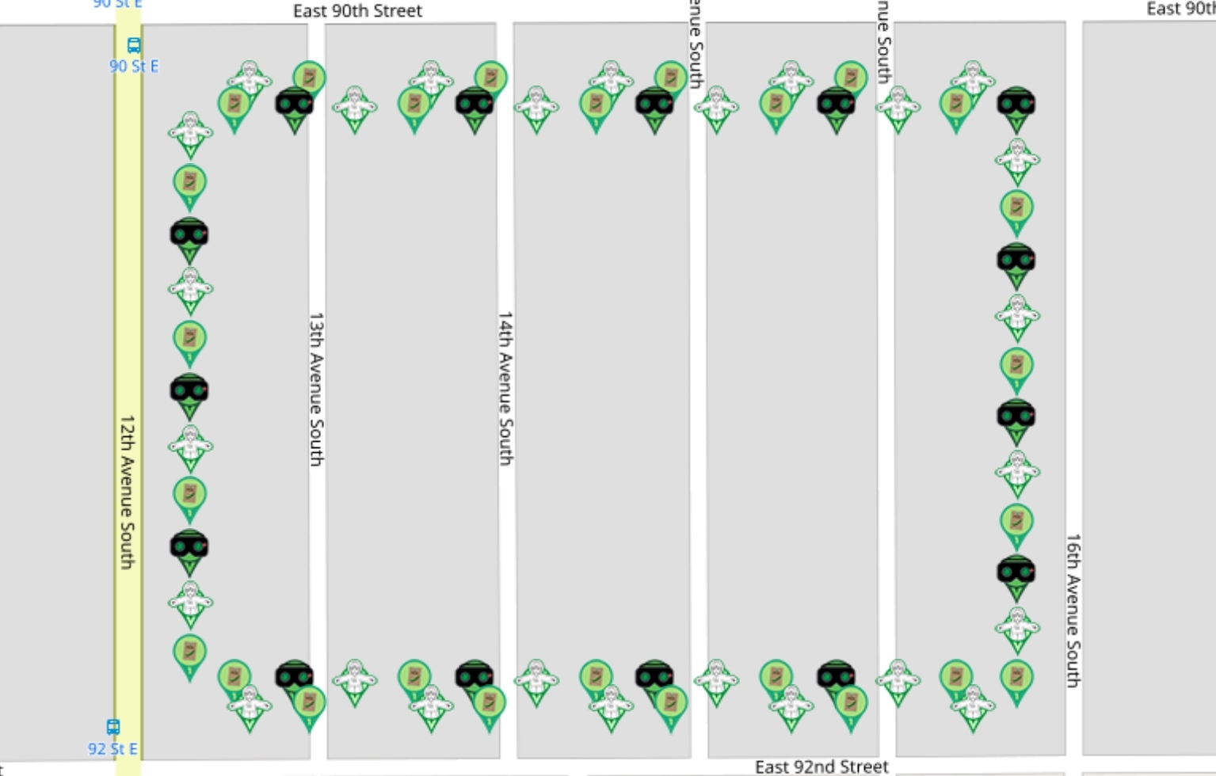
1 | 3 | 44.840270898 | -93.25724923 | flat rob | redshark78 | https://www.munzee.com/m/redshark78/2755
1 | 5 | 44.840270898 | -93.256843827 | peas seed | FindersGirl | https://www.munzee.com/m/FindersGirl/5845/
1 | 9 | 44.840270897 | -93.256033022 | flat rob | Flogni | https://www.munzee.com/m/Flogni/14457/
1 | 11 | 44.840270897 | -93.25562762 | peas seed | kidzjct | https://www.munzee.com/m/kidzjct/1144/
1 | 15 | 44.840270896 | -93.254816815 | flat rob | CanUCacheThis | https://www.munzee.com/m/CanUCacheThis/2656
1 | 17 | 44.840270896 | -93.254411412 | peas seed | georeyna | https://www.munzee.com/m/georeyna/9636/
1 | 21 | 44.840270895 | -93.253600607 | flat rob | Chivasloyal | https://www.munzee.com/m/Chivasloyal/6238/
1 | 23 | 44.840270895 | -93.253195205 | peas seed | TSwag | https://www.munzee.com/m/TSwag/349/
1 | 27 | 44.840270894 | -93.2523844 | flat rob | janzattic | https://www.munzee.com/m/janzattic/7007
2 | 3 | 44.840146424 | -93.257350591 | peas seed | KLC | https://www.munzee.com/m/KLC/3342/
2 | 5 | 44.840146424 | -93.256945189 | night vision goggles | RS232 | https://www.munzee.com/m/RS232/55/
2 | 7 | 44.840146424 | -93.256539788 | flat rob | FindersGirl | https://www.munzee.com/m/FindersGirl/5901/
2 | 9 | 44.840146423 | -93.256134386 | peas seed | nbtzyy2 | https://www.munzee.com/m/Nbtzyy2/1504/
2 | 11 | 44.840146423 | -93.255728985 | night vision goggles | geckofreund | https://www.munzee.com/m/geckofreund/4816/
2 | 13 | 44.840146422 | -93.255323583 | flat rob | geomatrix | https://www.munzee.com/m/geomatrix/11081/
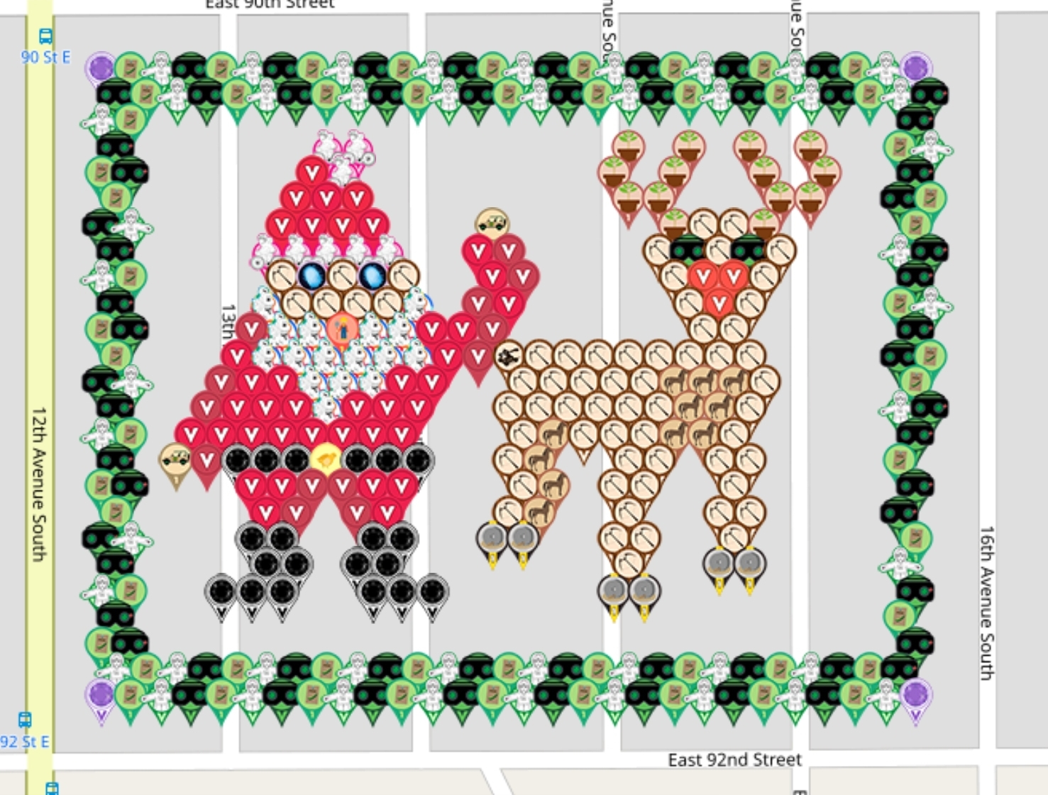
2 | 15 | 44.840146422 | -93.254918181 | peas seed | all0123 | https://www.munzee.com/m/all0123/4255/
2 | 17 | 44.840146422 | -93.25451278 | night vision goggles | ladybugg2017 | https://www.munzee.com/m/ladybugg2017/34/admin/
2 | 19 | 44.840146421 | -93.254107378 | flat rob | Noisette | https://www.munzee.com/m/Noisette/1685/
2 | 21 | 44.840146421 | -93.253701977 | peas seed | geomatrix | https://www.munzee.com/m/geomatrix/10304/
2 | 23 | 44.840146421 | -93.253296575 | night vision goggles | redshark78 | https://www.munzee.com/m/redshark78/2764
2 | 25 | 44.84014642 | -93.252891173 | flat rob | Moppett85 | https://www.munzee.com/m/Moppett85/1505/
2 | 27 | 44.84014642 | -93.252485772 | peas seed | geomatrix | https://www.munzee.com/m/geomatrix/9986/
2 | 29 | 44.84014642 | -93.25208037 | night vision goggles | FindersGirl | https://www.munzee.com/m/FindersGirl/5893/
3 | 1 | 44.84002195 | -93.257654653 | flat rob | georeyna | https://www.munzee.com/m/georeyna/9152/
4 | 29 | 44.839897471 | -93.252080415 | flat rob | CoreLokt | https://www.munzee.com/m/CoreLokt/629/
5 | 1 | 44.839773002 | -93.257654673 | peas seed | Mahimir | https://www.munzee.com/m/Mahimir/3815/
6 | 29 | 44.839648523 | -93.252080459 | peas seed | par72 | https://www.munzee.com/m/par72/4030
7 | 1 | 44.839524053 | -93.257654693 | night vision goggles | CanUCacheThis | https://www.munzee.com/m/CanUCacheThis/2552
8 | 29 | 44.839399574 | -93.252080503 | night vision goggles | jwg68 | https://www.munzee.com/m/jwg68/1461/
9 | 1 | 44.839275105 | -93.257654714 | flat rob | geomatrix | https://www.munzee.com/m/geomatrix/11043/
10 | 29 | 44.839150625 | -93.252080548 | flat rob | ArchieRuby | https://www.munzee.com/m/ArchieRuby/645/
11 | 1 | 44.839026156 | -93.257654734 | peas seed | meganduluth22 | https://www.munzee.com/m/Meganduluth22/819/
12 | 29 | 44.838901677 | -93.252080592 | peas seed | CoffeeEater | https://www.munzee.com/m/CoffeeEater/3434/
13 | 1 | 44.838777208 | -93.257654754 | night vision goggles | janzattic | https://www.munzee.com/m/janzattic/7061
14 | 29 | 44.838652728 | -93.252080637 | night vision goggles | DABirds | https://www.munzee.com/m/DABirds/6933
15 | 1 | 44.838528259 | -93.257654775 | flat rob | faby | https://www.munzee.com/m/Faby/1466/
16 | 29 | 44.83840378 | -93.252080681 | flat rob | Noisette | https://www.munzee.com/m/Noisette/1789/
17 | 1 | 44.838279311 | -93.257654795 | peas seed | TecmjrB | https://www.munzee.com/m/TecmjrB/4843/
18 | 29 | 44.838154831 | -93.252080726 | peas seed | warped6 | https://www.munzee.com/m/warped6/10197
19 | 1 | 44.838030362 | -93.257654815 | night vision goggles | FindersGirl | https://www.munzee.com/m/FindersGirl/5873/
20 | 29 | 44.837905883 | -93.25208077 | night vision goggles | Moppett85 | https://www.munzee.com/m/Moppett85/2270/
21 | 1 | 44.837781414 | -93.257654836 | flat rob | ladyl89 | https://www.munzee.com/m/Ladyl89/1355/
22 | 29 | 44.837656934 | -93.252080815 | flat rob | kidzjct | https://www.munzee.com/m/kidzjct/1190/
23 | 1 | 44.837532465 | -93.257654856 | peas seed | warped6 | https://www.munzee.com/m/warped6/10560
24 | 3 | 44.83740799 | -93.257350829 | peas seed | warped6too | https://www.munzee.com/m/warped6too/146
24 | 5 | 44.83740799 | -93.256945447 | night vision goggles | ladybugg2017 | https://www.munzee.com/m/ladybugg2017/19/admin/
24 | 7 | 44.83740799 | -93.256540065 | flat rob | kidzjct | https://www.munzee.com/m/kidzjct/1118/
24 | 9 | 44.837407989 | -93.256134682 | peas seed | warped6 | https://www.munzee.com/m/warped6/11229
24 | 11 | 44.837407989 | -93.2557293 | night vision goggles | mding4gold | https://www.munzee.com/m/mding4gold/1931
24 | 13 | 44.837407989 | -93.255323918 | flat rob | FindersGirl | https://www.munzee.com/m/FindersGirl/5947/
24 | 15 | 44.837407988 | -93.254918535 | peas seed | Maxi72 | https://www.munzee.com/m/Maxi72/2212/
24 | 17 | 44.837407988 | -93.254513153 | night vision goggles | jwg68 | https://www.munzee.com/m/jwg68/1460/
24 | 19 | 44.837407988 | -93.254107771 | flat rob | geomatrix | https://www.munzee.com/m/geomatrix/8221/
24 | 21 | 44.837407987 | -93.253702388 | peas seed | par72 | https://www.munzee.com/m/par72/3959
24 | 23 | 44.837407987 | -93.253297006 | night vision goggles | mamaduck71 | https://www.munzee.com/m/MamaDuck71/2422 | winner
24 | 25 | 44.837407987 | -93.252891624 | flat rob | janzattic | https://www.munzee.com/m/janzattic/6991
24 | 27 | 44.837407986 | -93.252486241 | peas seed | jukkas | https://www.munzee.com/m/jukkas/5252/
24 | 29 | 44.837407986 | -93.252080859 | peas seed | irmeli | https://www.munzee.com/m/irmeli/5243/
25 | 3 | 44.837283516 | -93.257249495 | flat rob | ladybugg2017 | https://www.munzee.com/m/ladybugg2017/31/admin/
25 | 5 | 44.837283516 | -93.256844114 | peas seed | TEK19 | https://www.munzee.com/m/TEK19/822/admin/
25 | 9 | 44.837283515 | -93.256033351 | flat rob | geomatrix | https://www.munzee.com/m/geomatrix/11004/
25 | 11 | 44.837283515 | -93.255627969 | peas seed | georeyna | https://www.munzee.com/m/georeyna/9694/
25 | 15 | 44.837283514 | -93.254817206 | flat rob | Bouffe | https://www.munzee.com/m/Bouffe/25/
25 | 17 | 44.837283514 | -93.254411825 | peas seed | Moppett85 | https://www.munzee.com/m/Moppett85/2374/
25 | 21 | 44.837283513 | -93.253601062 | flat rob | kidzjct | https://www.munzee.com/m/kidzjct/940/
25 | 23 | 44.837283513 | -93.25319568 | peas seed | georeyna | https://www.munzee.com/m/georeyna/9755/
25 | 27 | 44.837283512 | -93.252384917 | flat rob | FindersGirl | https://www.munzee.com/m/FindersGirl/5932/

