Peace Garden
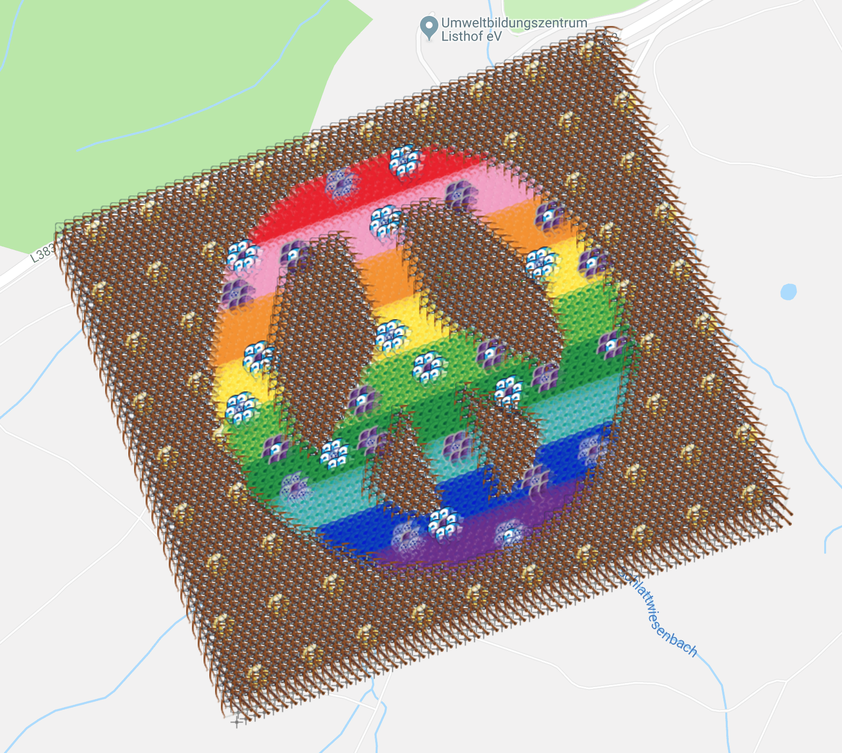
Peace Garden |  |  |  |  |  | 76.9% | Deployed
Garden Design by ChandaBelle
 |  |  |  |  |  | Total | 3600
Spreadsheet |  | https://tinyurl.com/FriedenGarten |  |  |  | Filled (deployed) | 2769 | 1380
Map View |  | https://www.munzee.com/map/u0we8xwve/16 |  |  |  | Reserved (not deployed) | 124 | 9
90k Points possible when full |  |  |  |  |  | Free | 707
Munzee | Row | Column | Latitude | Longitude | Type/Color | Username | URL
Peace #0001 | 1 | 1 | 48.47155072 | 9.16608617 | Crossbow | ChandaBelle | https://www.munzee.com/m/ChandaBelle/1551/
Peace #0002 | 1 | 2 | 48.47159988 | 9.166289887 | Crossbow | remstaler | https://www.munzee.com/m/remstaler/11007/
Peace #0003 | 1 | 3 | 48.47164904 | 9.166493604 | Crossbow | Mieze | https://www.munzee.com/m/Mieze/9451/ | sh
Peace #0004 | 1 | 4 | 48.4716982 | 9.166697321 | Crossbow | mlm | https://www.munzee.com/m/mlm/563/
Peace #0005 | 1 | 5 | 48.47174736 | 9.166901038 | Crossbow | remstaler | https://www.munzee.com/m/remstaler/10948/
Peace #0006 | 1 | 6 | 48.47179652 | 9.167104756 | Crossbow | Mieze | https://www.munzee.com/m/Mieze/9393/
Peace #0007 | 1 | 7 | 48.47184567 | 9.167308474 | Crossbow | mlm | https://www.munzee.com/m/mlm/560/
Peace #0008 | 1 | 8 | 48.47189483 | 9.167512192 | Crossbow | remstaler | https://www.munzee.com/m/remstaler/10937/
Peace #0009 | 1 | 9 | 48.47194399 | 9.16771591 | Crossbow | Mieze | https://www.munzee.com/m/Mieze/9383/
Peace #0010 | 1 | 10 | 48.47199315 | 9.167919628 | Crossbow | mlm | https://www.munzee.com/m/mlm/518/
Peace #0011 | 1 | 11 | 48.47204231 | 9.168123347 | Crossbow | remstaler | https://www.munzee.com/m/remstaler/10935/
Peace #0012 | 1 | 12 | 48.47209147 | 9.168327066 | Crossbow | Mieze | https://www.munzee.com/m/Mieze/9381/
Peace #0013 | 1 | 13 | 48.47214062 | 9.168530785 | Crossbow | mlm | https://www.munzee.com/m/mlm/519/
Peace #0014 | 1 | 14 | 48.47218978 | 9.168734504 | Crossbow | remstaler | https://www.munzee.com/m/remstaler/10926/
Peace #0015 | 1 | 15 | 48.47223894 | 9.168938223 | Crossbow | Mieze | https://www.munzee.com/m/Mieze/9369/
Peace #0016 | 1 | 16 | 48.4722881 | 9.169141943 | Crossbow | geckofreund | https://www.munzee.com/m/geckofreund/1083/
Peace #0017 | 1 | 17 | 48.47233726 | 9.169345662 | Crossbow | Syrtene | https://www.munzee.com/m/Syrtene/614/
Peace #0018 | 1 | 18 | 48.47238642 | 9.169549382 | Crossbow | NoahCache | https://www.munzee.com/m/NoahCache/622/
Peace #0019 | 1 | 19 | 48.47243558 | 9.169753102 | Crossbow | ChandaBelle | https://www.munzee.com/m/ChandaBelle/1552/
Peace #0020 | 1 | 20 | 48.47248473 | 9.169956823 | Crossbow | Syrtene | https://www.munzee.com/m/Syrtene/609/
Peace #0021 | 1 | 21 | 48.47253389 | 9.170160543 | Crossbow | NoahCache | https://www.munzee.com/m/NoahCache/621/
Peace #0022 | 1 | 22 | 48.47258305 | 9.170364264 | Crossbow | geckofreund | https://www.munzee.com/m/geckofreund/1072/
Peace #0023 | 1 | 23 | 48.47263221 | 9.170567985 | Crossbow | Syrtene | https://www.munzee.com/m/Syrtene/601/
Peace #0024 | 1 | 24 | 48.47268137 | 9.170771706 | Crossbow | NoahCache | https://www.munzee.com/m/NoahCache/620/
Peace #0025 | 1 | 25 | 48.47273053 | 9.170975427 | Crossbow | mieze | https://www.munzee.com/m/Mieze/9367/
Peace #0026 | 1 | 26 | 48.47277969 | 9.171179149 | Crossbow | Syrtene | https://www.munzee.com/m/Syrtene/597/
Peace #0027 | 1 | 27 | 48.47282884 | 9.171382871 | Crossbow | NoahCache | https://www.munzee.com/m/NoahCache/613/
Peace #0028 | 1 | 28 | 48.472878 | 9.171586593 | Crossbow | geckofreund | https://www.munzee.com/m/geckofreund/1064/
Peace #0029 | 1 | 29 | 48.47292716 | 9.171790315 | Crossbow | Syrtene | https://www.munzee.com/m/Syrtene/594/
Peace #0030 | 1 | 30 | 48.47297632 | 9.171994037 | Crossbow | NoahCache | https://www.munzee.com/m/NoahCache/611/
Peace #0031 | 1 | 31 | 48.47302548 | 9.17219776 | Crossbow | T72 | https://www.munzee.com/m/T72/2191/
Peace #0032 | 1 | 32 | 48.47307464 | 9.172401482 | Crossbow | kasimir | https://www.munzee.com/m/kasimir/9424/
Peace #0033 | 1 | 33 | 48.4731238 | 9.172605205 | Crossbow | kiwiwe | https://www.munzee.com/m/kiwiwe/1007/
Peace #0034 | 1 | 34 | 48.47317295 | 9.172808928 | Crossbow | Heinis | https://www.munzee.com/m/Heinis/2585
Peace #0035 | 1 | 35 | 48.47322211 | 9.173012652 | Crossbow | kasimir | https://www.munzee.com/m/kasimir/9381/
Peace #0036 | 1 | 36 | 48.47327127 | 9.173216375 | Crossbow | kiwiwe | https://www.munzee.com/m/kiwiwe/850/
Peace #0037 | 1 | 37 | 48.47332043 | 9.173420099 | Crossbow | mieze | https://www.munzee.com/m/Mieze/9359/
Peace #0038 | 1 | 38 | 48.47336959 | 9.173623823 | Crossbow | kasimir | https://www.munzee.com/m/kasimir/9414/
Peace #0039 | 1 | 39 | 48.47341875 | 9.173827547 | Crossbow | kiwiwe | https://www.munzee.com/m/kiwiwe/1018/
Peace #0040 | 1 | 40 | 48.47346791 | 9.174031271 | Crossbow | mieze | https://www.munzee.com/m/Mieze/9318/
Peace #0041 | 1 | 41 | 48.47351706 | 9.174234996 | Crossbow | kasimir | https://www.munzee.com/m/kasimir/9382/
Peace #0042 | 1 | 42 | 48.47356622 | 9.17443872 | Crossbow | kiwiwe | https://www.munzee.com/m/kiwiwe/1001/
Peace #0043 | 1 | 43 | 48.47361538 | 9.174642445 | Crossbow | morpheus789 | https://www.munzee.com/m/morpheus789/707/
Peace #0044 | 1 | 44 | 48.47366454 | 9.17484617 | Crossbow | kasimir | https://www.munzee.com/m/kasimir/9460/
Peace #0045 | 1 | 45 | 48.4737137 | 9.175049895 | Crossbow | kiwiwe | https://www.munzee.com/m/kiwiwe/1079/
Peace #0046 | 1 | 46 | 48.47376286 | 9.175253621 | Crossbow | destolkjes4ever | https://www.munzee.com/m/destolkjes4ever/1845/
Peace #0047 | 1 | 47 | 48.47381201 | 9.175457347 | Crossbow | kasimir | https://www.munzee.com/m/kasimir/9482/
Peace #0048 | 1 | 48 | 48.47386117 | 9.175661073 | Crossbow | kiwiwe | https://www.munzee.com/m/kiwiwe/978/
Peace #0049 | 1 | 49 | 48.47391033 | 9.175864799 | Crossbow | mieze | https://www.munzee.com/m/Mieze/9317/
Peace #0050 | 1 | 50 | 48.47395949 | 9.176068525 | Crossbow | kasimir | https://www.munzee.com/m/kasimir/9483/
Peace #0051 | 1 | 51 | 48.47400865 | 9.176272251 | Crossbow | kiwiwe | https://www.munzee.com/m/kiwiwe/979/
Peace #0052 | 1 | 52 | 48.47405781 | 9.176475978 | Crossbow | mieze | https://www.munzee.com/m/Mieze/9308/
Peace #0053 | 1 | 53 | 48.47410697 | 9.176679705 | Crossbow | kasimir | https://www.munzee.com/m/kasimir/9408/
Peace #0054 | 1 | 54 | 48.47415612 | 9.176883432 | Crossbow | kiwiwe | https://www.munzee.com/m/kiwiwe/926/
Peace #0055 | 1 | 55 | 48.47420528 | 9.177087159 | Crossbow | remstaler | https://www.munzee.com/m/remstaler/10924/
Peace #0056 | 1 | 56 | 48.47425444 | 9.177290887 | Crossbow | kasimir | https://www.munzee.com/m/kasimir/9390/
Peace #0057 | 1 | 57 | 48.4743036 | 9.177494614 | Crossbow | kiwiwe | https://www.munzee.com/m/kiwiwe/944/
Peace #0058 | 1 | 58 | 48.47435276 | 9.177698342 | Crossbow | remstaler | https://www.munzee.com/m/remstaler/10916/
Peace #0059 | 1 | 59 | 48.47440192 | 9.17790207 | Crossbow | kiasimir | https://www.munzee.com/m/kasimir/8957/
Peace #0060 | 1 | 60 | 48.47445108 | 9.178105798 | Crossbow | kiwiwe | https://www.munzee.com/m/kiwiwe/950/
Peace #0061 | 2 | 1 | 48.47140918 | 9.166048525 | Crossbow | Engel19 | https://www.munzee.com/m/Engel19/5862/
Peace #0062 | 2 | 2 | 48.47145833 | 9.166252241 | Crossbow | Ankie249 | https://www.munzee.com/m/ankie249/2572/
Peace #0063 | 2 | 3 | 48.47150749 | 9.166455958 | Crossbow | morpheus789 | https://www.munzee.com/m/morpheus789/705/
Peace #0064 | 2 | 4 | 48.47155665 | 9.166659674 | AirMystery | dielange | https://www.munzee.com/m/dielange/856/
Peace #0065 | 2 | 5 | 48.47160581 | 9.166863391 | Crossbow | Ankie249 | https://www.munzee.com/m/ankie249/2578/
Peace #0066 | 2 | 6 | 48.47165497 | 9.167067108 | Crossbow | mystery | https://www.munzee.com/m/Mystery/1082/
Peace #0067 | 2 | 7 | 48.47170413 | 9.167270825 | Crossbow | Engel19 | https://www.munzee.com/m/Engel19/5865/
Peace #0068 | 2 | 8 | 48.47175329 | 9.167474543 | Crossbow | Ankie249 | https://www.munzee.com/m/ankie249/2580/
Peace #0069 | 2 | 9 | 48.47180244 | 9.16767826 | Crossbow | Heinis | https://www.munzee.com/m/Heinis/2568
Peace #0070 | 2 | 10 | 48.4718516 | 9.167881978 | AirMystery | Engel19 | https://www.munzee.com/m/Engel19/5075/
Peace #0071 | 2 | 11 | 48.47190076 | 9.168085696 | Crossbow | Ankie249 | https://www.munzee.com/m/ankie249/2588/
Peace #0072 | 2 | 12 | 48.47194992 | 9.168289414 | Crossbow | mystery | https://www.munzee.com/m/Mystery/1057/
Peace #0073 | 2 | 13 | 48.47199908 | 9.168493133 | Crossbow | Engel19 | https://www.munzee.com/m/Engel19/5871/
Peace #0074 | 2 | 14 | 48.47204824 | 9.168696851 | Crossbow | Ankie249 | https://www.munzee.com/m/ankie249/2591/
Peace #0075 | 2 | 15 | 48.4720974 | 9.16890057 | Crossbow | BonnieB1 | https://www.munzee.com/m/BonnieB1/1573/
Peace #0076 | 2 | 16 | 48.47214655 | 9.169104289 | AirMystery | ChandaBelle | https://www.munzee.com/m/ChandaBelle/1271/
Peace #0077 | 2 | 17 | 48.47219571 | 9.169308008 | Crossbow | Engel19 | https://www.munzee.com/m/Engel19/5902/
Peace #0078 | 2 | 18 | 48.47224487 | 9.169511727 | Crossbow | Ankie249 | https://www.munzee.com/m/ankie249/2592/
Peace #0079 | 2 | 19 | 48.47229403 | 9.169715447 | Crossbow | morpheus789 | https://www.munzee.com/m/morpheus789/701/
Peace #0080 | 2 | 20 | 48.47234319 | 9.169919167 | Crossbow | Engel19 | https://www.munzee.com/m/Engel19/5907/
Peace #0081 | 2 | 21 | 48.47239235 | 9.170122887 | Crossbow | mystery | https://www.munzee.com/m/Mystery/1055/
Peace #0082 | 2 | 22 | 48.4724415 | 9.170326607 | AirMystery | Maagika | https://www.munzee.com/m/Maagika/1540/
Peace #0083 | 2 | 23 | 48.47249066 | 9.170530327 | Crossbow | Engel19 | https://www.munzee.com/m/Engel19/5909/
Peace #0084 | 2 | 24 | 48.47253982 | 9.170734048 | Crossbow | mystery | https://www.munzee.com/m/Mystery/1053/
Peace #0085 | 2 | 25 | 48.47258898 | 9.170937769 | Crossbow | BonnieB1 | https://www.munzee.com/m/BonnieB1/1823/
Peace #0086 | 2 | 26 | 48.47263814 | 9.17114149 | Crossbow | Engel19 | https://www.munzee.com/m/Engel19/5928/
Peace #0087 | 2 | 27 | 48.4726873 | 9.171345211 | Crossbow | teamkiwii | https://www.munzee.com/m/teamkiwii/6516/
Peace #0088 | 2 | 28 | 48.47273646 | 9.171548932 | AirMystery | Airwolf26 | https://www.munzee.com/m/Airwolf26/9437/admin/
Peace #0089 | 2 | 29 | 48.47278561 | 9.171752654 | Crossbow | Engel19 | https://www.munzee.com/m/Engel19/5929/
Peace #0090 | 2 | 30 | 48.47283477 | 9.171956375 | Crossbow | morpheus789 | https://www.munzee.com/m/morpheus789/693/
Peace #0091 | 2 | 31 | 48.47288393 | 9.172160097 | Crossbow | mystery | https://www.munzee.com/m/Mystery/1052/
Peace #0092 | 2 | 32 | 48.47293309 | 9.172363819 | Crossbow | Engel19 | https://www.munzee.com/m/Engel19/5947/
Peace #0093 | 2 | 33 | 48.47298225 | 9.172567542 | Crossbow | teamkiwii | https://www.munzee.com/m/teamkiwii/6515/
Peace #0094 | 2 | 34 | 48.47303141 | 9.172771264 | AirMystery | lammy | https://www.munzee.com/m/lammy/4125/
Peace #0095 | 2 | 35 | 48.47308057 | 9.172974987 | Crossbow | mystery | https://www.munzee.com/m/Mystery/1045/
Peace #0096 | 2 | 36 | 48.47312972 | 9.17317871 | Crossbow | Engel19 | https://www.munzee.com/m/Engel19/5968/
Peace #0097 | 2 | 37 | 48.47317888 | 9.173382433 | Crossbow | teamkiwii | https://www.munzee.com/m/teamkiwii/6514/
Peace #0098 | 2 | 38 | 48.47322804 | 9.173586156 | Crossbow | ChandaBelle | https://www.munzee.com/m/ChandaBelle/1814/
Peace #0099 | 2 | 39 | 48.4732772 | 9.17378988 | Crossbow | Engel19 | https://www.munzee.com/m/Engel19/6003/
Peace #0100 | 2 | 40 | 48.47332636 | 9.173993604 | AirMystery | lammy | https://www.munzee.com/m/lammy/4204/
Peace #0101 | 2 | 41 | 48.47337552 | 9.174197328 | Crossbow | teamkiwii | https://www.munzee.com/m/teamkiwii/6482/
Peace #0102 | 2 | 42 | 48.47342468 | 9.174401052 | Crossbow | Engel19 | https://www.munzee.com/m/Engel19/6008/
Peace #0103 | 2 | 43 | 48.47347383 | 9.174604776 | Crossbow | Ankie249 | https://www.munzee.com/m/ankie249/2620/
Peace #0104 | 2 | 44 | 48.47352299 | 9.174808501 | Crossbow | teamkiwii | https://www.munzee.com/m/teamkiwii/6462/
Peace #0105 | 2 | 45 | 48.47357215 | 9.175012225 | Crossbow | Engel19 | https://www.munzee.com/m/Engel19/6009/
Peace #0106 | 2 | 46 | 48.47362131 | 9.17521595 | AirMystery | geckofreund | https://www.munzee.com/m/geckofreund/1044/
Peace #0107 | 2 | 47 | 48.47367047 | 9.175419675 | Crossbow | Heinis | https://www.munzee.com/m/Heinis/2571
Peace #0108 | 2 | 48 | 48.47371963 | 9.175623401 | Crossbow | teamkiwii | https://www.munzee.com/m/teamkiwii/6452/
Peace #0109 | 2 | 49 | 48.47376879 | 9.175827126 | Crossbow | Ankie249 | https://www.munzee.com/m/ankie249/2651/
Peace #0110 | 2 | 50 | 48.47381794 | 9.176030852 | Crossbow | BonnieB1 | https://www.munzee.com/m/BonnieB1/1639/
Peace #0111 | 2 | 51 | 48.4738671 | 9.176234578 | Crossbow | teamkiwii | https://www.munzee.com/m/teamkiwii/6450/
Peace #0112 | 2 | 52 | 48.47391626 | 9.176438304 | AirMystery | NoahCache | https://www.munzee.com/m/NoahCache/616/
Peace #0113 | 2 | 53 | 48.47396542 | 9.17664203 | Crossbow | Ankie249 | https://www.munzee.com/m/ankie249/2654/
Peace #0114 | 2 | 54 | 48.47401458 | 9.176845757 | Crossbow | teamkiwii | https://www.munzee.com/m/teamkiwii/6419/
Peace #0115 | 2 | 55 | 48.47406374 | 9.177049483 | Crossbow | ChandaBelle | https://www.munzee.com/m/ChandaBelle/1755/
Peace #0116 | 2 | 56 | 48.47411289 | 9.17725321 | Crossbow | Ankie249 | https://www.munzee.com/m/ankie249/2655/
Peace #0117 | 2 | 57 | 48.47416205 | 9.177456937 | Crossbow | teamkiwii | https://www.munzee.com/m/teamkiwii/6418/
Peace #0118 | 2 | 58 | 48.47421121 | 9.177660664 | AirMystery | Syrtene | https://www.munzee.com/m/Syrtene/600/
Peace #0119 | 2 | 59 | 48.47426037 | 9.177864392 | Crossbow | Heinis | https://www.munzee.com/m/Heinis/2570
Peace #0120 | 2 | 60 | 48.47430953 | 9.17806812 | Crossbow | JoergTh | https://www.munzee.com/m/JoergTh/850/
Peace #0121 | 3 | 1 | 48.47131679 | 9.166214595 | Crossbow | SusiundStrolch | https://www.munzee.com/m/SusiUndStrolch/4146/
Peace #0122 | 3 | 2 | 48.47136595 | 9.166418311 | Crossbow | Belita | https://www.munzee.com/m/Belita/382/
Peace #0123 | 3 | 3 | 48.4714151 | 9.166622027 | Crossbow | Belinha | https://www.munzee.com/m/Belinha/438/
Peace #0124 | 3 | 4 | 48.47146426 | 9.166825744 | Crossbow | SusiundStrolch | https://www.munzee.com/m/SusiUndStrolch/4152/
Peace #0125 | 3 | 5 | 48.47151342 | 9.16702946 | Crossbow | Belita | https://www.munzee.com/m/Belita/383/
Peace #0126 | 3 | 6 | 48.47156258 | 9.167233177 | Crossbow | Belinha | https://www.munzee.com/m/Belinha/440/
Peace #0127 | 3 | 7 | 48.47161174 | 9.167436893 | Crossbow | SusiundStrolch | https://www.munzee.com/m/SusiUndStrolch/4154/
Peace #0128 | 3 | 8 | 48.4716609 | 9.167640611 | Crossbow | ChandaBelle | https://www.munzee.com/m/ChandaBelle/1819/
Peace #0129 | 3 | 9 | 48.47171006 | 9.167844328 | Crossbow | Belita | https://www.munzee.com/m/Belita/384/
...

