Information
Hendon Circle, London, England

Coordination Chat | Map Link |  | TOTAL | 273 | 273 | 0 | 100.00%
Variety circle in Hendon, London, England. |  |  | Virual color | Amount | Deployed | Available | % done
 |  |  | rainbow | 8 | 8 | 0 | 100.00%
 |  |  | black | 4 | 4 | 0 | 100.00%
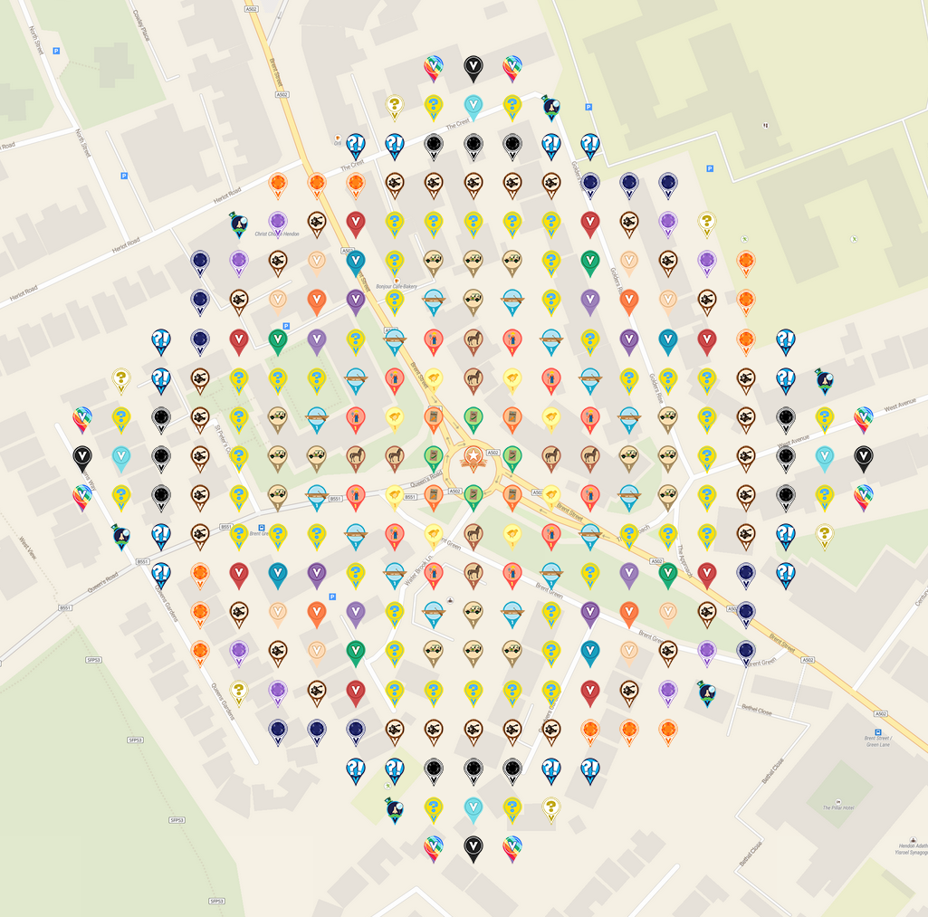 Insert screenshot from VGP with no crosshairs as a drawing here. |  |  | air mystery | 6 | 6 | 0 | 100.00%
 |  |  | electric mystery | 48 | 48 | 0 | 100.00%
 |  |  | turquoise blue | 4 | 4 | 0 | 100.00%
 |  |  | sir prize wheel | 6 | 6 | 0 | 100.00%
 |  |  | surprise | 16 | 16 | 0 | 100.00%
 |  |  | onyx | 12 | 12 | 0 | 100.00%
 |  |  | citrine | 12 | 12 | 0 | 100.00%
 |  |  | catapult | 32 | 32 | 0 | 100.00%
 |  |  | sapphire | 12 | 12 | 0 | 100.00%
 |  |  | amethyst | 8 | 8 | 0 | 100.00%
 |  |  | mahogany | 8 | 8 | 0 | 100.00%
 |  |  | apricot | 8 | 8 | 0 | 100.00%
 |  |  | blue green | 4 | 4 | 0 | 100.00%
 |  |  | safari truck | 16 | 16 | 0 | 100.00%
 |  |  | green | 4 | 4 | 0 | 100.00%
 |  |  | burnt orange | 4 | 4 | 0 | 100.00%
 |  |  | violet | 4 | 4 | 0 | 100.00%
 |  |  | canoe | 16 | 16 | 0 | 100.00%
Top 50 of 163 Placers: |  |  | purple mountains majesty | 4 | 4 | 0 | 100.00%
Username | Promised | Placed | farmer | 12 | 12 | 0 | 100.00%
WanderingAus | 10 | 10 | colt | 8 | 8 | 0 | 100.00%
IggiePiggie | 7 | 7 | chick | 8 | 8 | 0 | 100.00%
raunas | 7 | 7 | carrot seed | 4 | 4 | 0 | 100.00%
Amadoreugen | 7 | 6 | peas seed | 4 | 4 | 0 | 100.00%
klc1960 | 6 | 6 | POI | 1 | 1 | 0 | 100.00%
SzymcioT | 6 | 6
TMac2 | 6 | 6
georeyna | 5 | 5
technical13 | 5 | 5
Beermaven | 4 | 4
Clareppuccino | 4 | 4
Noisette | 4 | 4
92Supercoupe | 3 | 3
babyw | 3 | 3
JABIE28 | 3 | 3
janzattic | 3 | 3
MaryJaneKitty | 3 | 3
monrose | 3 | 3
munzeeprof | 3 | 3
Tanzy | 3 | 3
WinterCheetah | 3 | 3
123xilef | 2 | 2
ashthegeogenius | 2 | 2
Bisquick2 | 2 | 2
DarbyJoan | 2 | 2
einkilorind | 2 | 2
Fossillady | 2 | 2
geckofreund | 2 | 2
granitente | 2 | 2
halizwein | 2 | 2
iScreamBIue | 2 | 2
ivwarrior | 2 | 2
jldh | 2 | 2
kiitokurre | 2 | 2
kwd | 2 | 2
lanyasummer | 2 | 2
Lehmich | 2 | 2
lnlevy01 | 2 | 2
lonni | 2 | 2
MrBarnard | 2 | 2
Nierenstein | 2 | 2
NoahCache | 2 | 2
nuttynan | 2 | 2
NYBOSS | 2 | 2
rgforsythe | 2 | 2
ruckus2012 | 2 | 2
Smith2190 | 2 | 2
StaceyZ | 2 | 2
Syrtene | 2 | 2
teamsturms | 2 | 2

