Yin Yang Neustadt
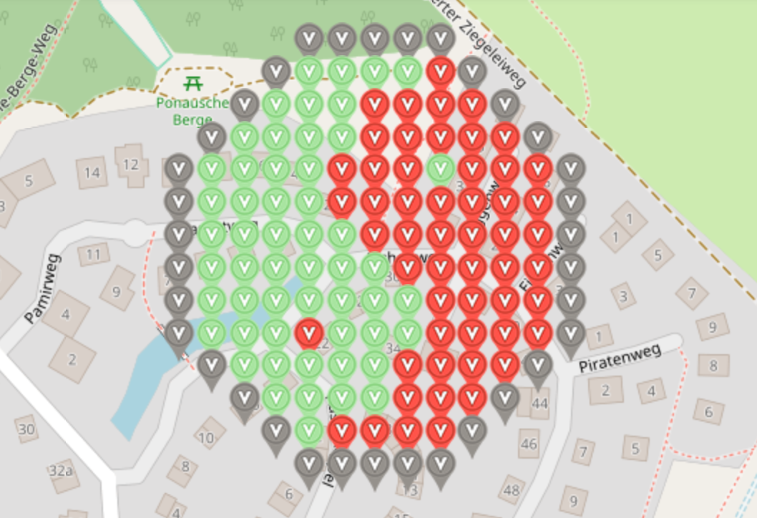
 |  |  | Virtuelles Yin Yang Neustadt

 |  |  |  | Gesamt | Deployed | Frei
 |  |  |  | 141 | 126 | 15
 |  |  |  |  | 89.36%
 |  |  |  | https://www.munzee.com/map/u1xey80u8/16.0

Row | Column | Latitude | Longitude | Munzee | Color | Username | URL | Comments
1 | 5 | 54.0983241691345 | 10.831599496827700 | Virtual Gray | gray | G1enter | https://www.munzee.com/m/G1enter/9964/
1 | 6 | 54.098324168885400 | 10.831844604968600 | Virtual Gray | gray | Maupel | https://www.munzee.com/m/maupel/2864
1 | 7 | 54.09832416863640 | 10.832089713109500 | Virtual Gray | gray | DresdnerDuo | https://www.munzee.com/m/DresdnerDuo/1868/
1 | 8 | 54.098324168387400 | 10.83233482125040 | Virtual Gray | gray | G1enter | https://www.munzee.com/m/G1enter/9965/
1 | 9 | 54.098324168138300 | 10.832579929391300 | Virtual Gray | gray | Kyrandia | https://www.munzee.com/m/Kyrandia/2132/
2 | 4 | 54.09818043893810 | 10.831354365754200 | Virtual Gray | gray | Team-MTB-OC | https://www.munzee.com/m/Team-MTB-OC/4738/
2 | 5 | 54.09818043868910 | 10.831599473045700 | Virtual Granny Smith Apple | granny smith apple | RobieSterling | https://www.munzee.com/m/RobieSterling/2717/
2 | 6 | 54.09818043844000 | 10.83184458033730 | Virtual Granny Smith Apple | granny smith apple | MrsPommelhorst | https://www.munzee.com/m/MrsPommelhorst/2575/
2 | 7 | 54.098180438191000 | 10.832089687628900 | Virtual Granny Smith Apple | granny smith apple | Team-MTB-OC | https://www.munzee.com/m/Team-MTB-OC/4737/
2 | 8 | 54.09818043794200 | 10.832334794920400 | Virtual Granny Smith Apple | granny smith apple | RobieSterling | https://www.munzee.com/m/RobieSterling/2716/
2 | 9 | 54.098180437692900 | 10.832579902212000 | Virtual Red Orange | red orange | MrsPommelhorst | https://www.munzee.com/m/MrsPommelhorst/2573/
2 | 10 | 54.09818043744390 | 10.832825009503600 | Virtual Gray | gray | Team-MTB-OC | https://www.munzee.com/m/Team-MTB-OC/4751/
3 | 3 | 54.098036708741700 | 10.831109236379400 | Virtual Gray | gray | Muskratmarie | https://www.munzee.com/m/Muskratmarie/3543
3 | 4 | 54.0980367084927 | 10.831354342821600 | Virtual Granny Smith Apple | granny smith apple | Zweiaugenmehr | https://www.munzee.com/m/zweiaugenmehr/1276/
3 | 5 | 54.09803670824360 | 10.831599449263800 | Virtual Granny Smith Apple | granny smith apple | Ahagmann
3 | 6 | 54.09803670799460 | 10.831844555706000 | Virtual Granny Smith Apple | granny smith apple | Minijoda | https://www.munzee.com/m/MiniJoda/1816
3 | 7 | 54.09803670774560 | 10.832089662148200 | Virtual Red Orange | red orange | Ackadia | https://www.munzee.com/m/Ackadia/1470
3 | 8 | 54.09803670749650 | 10.8323347685905 | Virtual Red Orange | red orange | tau | https://www.munzee.com/m/tau/9295
3 | 9 | 54.098036707247500 | 10.832579875032700 | Virtual Red Orange | red orange | Pfanni | https://www.munzee.com/m/Pfanni/3247
3 | 10 | 54.09803670699850 | 10.832824981474900 | Virtual Red Orange | red orange | Maupel | https://www.munzee.com/m/maupel/2865/
3 | 11 | 54.09803670674940 | 10.833070087917100 | Virtual Gray | gray | DresdnerDUo | https://www.munzee.com/m/DresdnerDuo/1880/
4 | 2 | 54.09789297854530 | 10.830864108704700 | Virtual Gray | gray | G1enter | https://www.munzee.com/m/G1enter/9966/
4 | 3 | 54.097892978296300 | 10.831109214297600 | Virtual Granny Smith Apple | granny smith apple | Maupel | https://www.munzee.com/m/maupel/2869/
4 | 4 | 54.09789297804720 | 10.831354319890400 | Virtual Granny Smith Apple | granny smith apple | DresdnerDuo | https://www.munzee.com/m/DresdnerDuo/1878/
4 | 5 | 54.09789297779820 | 10.831599425483300 | Virtual Granny Smith Apple | granny smith apple | tau | https://www.munzee.com/m/tau/9296
4 | 6 | 54.09789297754920 | 10.831844531076100 | Virtual Granny Smith Apple | granny smith apple | Pfanni | https://www.munzee.com/m/Pfanni/3246
4 | 7 | 54.0978929773002 | 10.832089636669000 | Virtual Red Orange | red orange | HabakukTibatong | https://www.munzee.com/m/HabakukTibatong/1070/map/
4 | 8 | 54.09789297705110 | 10.832334742261800 | Virtual Red Orange | red orange | Muskratmarie | https://www.munzee.com/m/Muskratmarie/3531/
4 | 9 | 54.09789297680210 |  | Virtual Red Orange | red orange | Olar | https://www.munzee.com/m/OLAR/2378/
4 | 10 | 54.0978929765531 | 10.832824953447500 | Virtual Red Orange | red orange | Ahagmann
4 | 11 | 54.09789297630400 | 10.833070059040400 | Virtual Red Orange | red orange | Minijoda | https://www.munzee.com/m/MiniJoda/1820
4 | 12 | 54.097892976055000 | 10.83331516463320 | Virtual Gray | gray | Zweiaugenmehr | https://www.munzee.com/m/zweiaugenmehr/1277
5 | 1 | 54.097749248348900 | 10.830618982726700 | Virtual Gray | gray | Team-MTB-OC | https://www.munzee.com/m/Team-MTB-OC/4726/
5 | 2 | 54.09774924809990 | 10.830864087470200 | Virtual Granny Smith Apple | granny smith apple | RobieSterling | https://www.munzee.com/m/RobieSterling/2702/
5 | 3 | 54.097749247850800 | 10.831109192213700 | Virtual Granny Smith Apple | granny smith apple | MrsPommelhorst | https://www.munzee.com/m/MrsPommelhorst/2572/
5 | 4 | 54.097749247601800 | 10.831354296957200 | Virtual Granny Smith Apple | granny smith apple | Team-MTB-OC | https://www.munzee.com/m/Team-MTB-OC/4720/
5 | 5 | 5.409774924735280 | 10.831599401700700 | Virtual Granny Smith Apple | granny smith apple | RobieSterling | https://www.munzee.com/m/RobieSterling/2697/
5 | 6 | 54.09774924710370 | 10.831844506444200 | Virtual Red Orange | red orange | MrsPommelhorst | https://www.munzee.com/m/MrsPommelhorst/2562/
5 | 7 | 54.09774924685470 | 10.832089611187700 | Virtual Red Orange | red orange | Team-MTB-OC | https://www.munzee.com/m/Team-MTB-OC/4719/
5 | 8 | 54.097749246605700 | 1.083233471593120 | Virtual Red Orange | red orange | RobieSterling | https://www.munzee.com/m/RobieSterling/2696/
5 | 9 | 54.09774924635670 | 10.83257982067470 | Virtual Granny Smith Apple | black | MrsPommelhorst | https://www.munzee.com/m/MrsPommelhorst/2510/admin/
5 | 10 | 54.09774924610760 | 10.83282925418200 | Virtual Red Orange | red orange | Team-MTB-OC | https://www.munzee.com/m/Team-MTB-OC/4717/
5 | 11 | 54.09774924585860 | 10.833070030161700 | Virtual Red Orange | red orange | RobieSterling | https://www.munzee.com/m/RobieSterling/2675/
5 | 12 | 54.097749245609600 | 10.833315134905200 | Virtual Red Orange | red orange | MrsPommelhorst | https://www.munzee.com/m/MrsPommelhorst/2549/
5 | 13 | 54.097749245360500 | 10.833560239648700 | Virtual Gray | gray | Team-MTB-OC | https://www.munzee.com/m/Team-MTB-OC/4747/
6 | 1 | 54.097605517903500 | 10.83061896234420 | Virtual Gray | gray | 3goonies | https://www.munzee.com/m/3goonies/4684/
6 | 2 | 54.0976055176545 | 10.830864066238500 | Virtual Granny Smith Apple | granny smith apple | Ahagmann
6 | 3 | 54.09760551740540 | 10.831109170132700 | Virtual Granny Smith Apple | granny smith apple | Minijoda | https://www.munzee.com/m/MiniJoda/1822
6 | 4 | 54.09760551715640 | 10.831354274027000 | Virtual Granny Smith Apple | granny smith apple | Ackadia | https://www.munzee.com/m/Ackadia/1471
6 | 5 | 54.097605516907400 | 10.831599377921200 | Virtual Granny Smith Apple | granny smith apple | Muskratmarie | https://www.munzee.com/m/Muskratmarie/3546/
6 | 6 | 54.09760551665830 | 10.831844481815500 | Virtual Scarlet | scarlet | Maupel | https://www.munzee.com/m/maupel/2870/
6 | 7 | 54.09760551640930 | 10.83208958570980 | Virtual Red Orange | red orange | DresdnerDuo | https://www.munzee.com/m/DresdnerDuo/1877/
6 | 8 | 54.09760551616030 | 10.832334689604000 | Virtual Red Orange | red orange | Olar
6 | 9 | 54.097605515911300 | 10.832579793498300 | Virtual Red Orange | red orange | Maupel | https://www.munzee.com/m/maupel/3043
6 | 10 | 54.09760551566220 | 10.832824897392500 | Virtual Red Orange | red orange | DresdnerDuo | https://www.munzee.com/m/DresdnerDuo/1870/
6 | 11 | 54.09760551541320 | 10.833070001286800 | Virtual Red Orange | red orange | Ackadia | https://www.munzee.com/m/Ackadia/1472
6 | 12 | 54.09760551516420 | 10.8333151051811 | Virtual Red Orange | red orange | Muskratmarie | https://www.munzee.com/m/Muskratmarie/3826/
6 | 13 | 54.097605514915100 | 10.833560209075300 | Virtual Gray | gray |  | https://www.munzee.com/m/heinbloed/1694/map/
7 | 1 | 54.09746178745800 | 10.830618941959700 | Virtual Gray | gray | Zweiaugenmehr | https://www.munzee.com/m/zweiaugenmehr/1302
7 | 2 | 54.09746178720900 | 10.83086404500460 | Virtual Granny Smith Apple | granny smith apple | Pfanni | https://www.munzee.com/m/Pfanni/3245
7 | 3 | 54.09746178695990 | 10.831109148049500 | Virtual Granny Smith Apple | granny smith apple | heinbloed | https://www.munzee.com/m/heinbloed/2148/map/
7 | 4 | 54.097461786710900 | 10.831354251094400 | Virtual Granny Smith Apple | granny smith apple | karrajan | https://www.munzee.com/m/karrajan/2891/admin/
7 | 5 | 54.09746178646190 | 10.831599354139300 | Virtual Granny Smith Apple | granny smith apple | LollipopMMX | https://www.munzee.com/m/LollipopMMX/79/
7 | 6 | 54.09746178621290 | 10.831844457184200 | Virtual Granny Smith Apple | granny smith apple | Pfanni | https://www.munzee.com/m/Pfanni/3251
7 | 7 | 54.09746178596380 | 10.832089560229100 | Virtual Red Orange | red orange | 3goonies | https://www.munzee.com/m/3goonies/4676/
7 | 8 | 54.097461785714800 | 10.832334663274000 | Virtual Red Orange | red orange | karrajan | https://www.munzee.com/m/karrajan/2885/
7 | 9 | 54.097461785465800 | 10.832579766318900 | Virtual Red Orange | red orange | Pfanni | https://www.munzee.com/m/Pfanni/3249
7 | 10 | 54.09746178521670 | 10.83282486936380 | Virtual Red Orange | red orange | LollipopMMX | https://www.munzee.com/m/LollipopMMX/192/
7 | 11 | 54.097461784967700 | 10.833069972408700 | Virtual Red Orange | red orange | karrajan | https://www.munzee.com/m/karrajan/2884/admin/
7 | 12 | 54.09746178471870 | 10.833315075453600 | Virtual Red Orange | red orange | Pfanni | https://www.munzee.com/m/Pfanni/3244
7 | 13 | 54.097461784469600 | 10.833560178498600 | Virtual Gray | gray | Maupel | https://www.munzee.com/m/maupel/2886
8 | 1 | 54.09731805701260 | 10.830618921575700 | Virtual Gray | gray | MrsPommelhorst | https://www.munzee.com/m/MrsPommelhorst/2594/
8 | 2 | 54.09731805676360 | 10.830864023771200 | Virtual Granny Smith Apple | granny smith apple | Team-MTB-OC | https://www.munzee.com/m/Team-MTB-OC/4716/
8 | 3 | 54.097318056514600 | 10.831109125966800 | Virtual Granny Smith Apple | granny smith apple | RobieSterling | https://www.munzee.com/m/RobieSterling/2674/
8 | 4 | 54.09731805626550 | 10.831354228162300 | Virtual Granny Smith Apple | granny smith apple | MrsPommelhorst | https://www.munzee.com/m/MrsPommelhorst/2548/
8 | 5 | 54.097318056016500 | 10.831599330357900 | Virtual Granny Smith Apple | granny smith apple | Team-MTB-OC | https://www.munzee.com/m/Team-MTB-OC/4709/
8 | 6 | 54.09731805576750 | 10.831844432553400 | Virtual Granny Smith Apple | granny smith apple | RobieSterling | https://www.munzee.com/m/RobieSterling/2644/admin/
8 | 7 | 54.0973180555185 | 10.832089534749000 | Virtual Granny Smith Apple | granny smith apple | MrsPommelhorst | https://www.munzee.com/m/MrsPommelhorst/2517/
8 | 8 | 54.09731805526940 | 10.832334636944500 | Virtual Red Orange | red orange | Team-MTB-OC | https://www.munzee.com/m/Team-MTB-OC/4685/
8 | 9 | 54.09731805502040 | 10.832579739140100 | Virtual Red Orange | red orange | RobieSterling | https://www.munzee.com/m/RobieSterling/2643/
8 | 10 | 54.097318054771400 | 10.83282484133560 | Virtual Red Orange | red orange | MrsPommelhorst | https://www.munzee.com/m/MrsPommelhorst/2516/
8 | 11 | 54.09731805452230 | 10.8330699435312 | Virtual Red Orange | red orange | Team-MTB-OC | https://www.munzee.com/m/Team-MTB-OC/4683/
8 | 12 | 54.097318054273300 | 10.83331504572670 | Virtual Red Orange | red orange | RobieSterling | https://www.munzee.com/m/RobieSterling/2642/
8 | 13 | 54.09731805402430 | 10.833560147922200 | Virtual Gray | gray | MrsPommelhorst | https://www.munzee.com/m/MrsPommelhorst/2515/
9 | 1 | 54.09717432656710 | 10.830618901193400 | Virtual Gray | gray | karrajan | https://www.munzee.com/m/karrajan/2881/
9 | 2 | 54.09717432631810 | 10.830864002539700 | Virtual Granny Smith Apple | granny smith apple | Maupel | https://www.munzee.com/m/maupel/2887/
9 | 3 | 54.097174326069100 | 10.831109103886000 | Virtual Granny Smith Apple | granny smith apple
9 | 4 | 54.09717432582010 | 10.831354205232400 | Virtual Granny Smith Apple | granny smith apple | 3goonies | https://www.munzee.com/m/3goonies/4677/
9 | 5 | 54.097174325571000 | 10.83159930657870 | Virtual Granny Smith Apple | granny smith apple | Muskratmarie | https://www.munzee.com/m/Muskratmarie/7377
9 | 6 | 54.097174325322000 | 10.831844407925000 | Virtual Granny Smith Apple | granny smith apple | juergen74 | https://www.munzee.com/m/juergen74/1786/
9 | 7 | 54.09717432507300 | 10.832089509271300 | Virtual Granny Smith Apple | granny smith apple
9 | 8 | 54.09717432482400 | 10.832334610617600 | Virtual Granny Smith Apple | granny smith apple
9 | 9 | 54.09717432457490 | 10.832579711963900 | Virtual Red Orange | red orange | Maupel | https://www.munzee.com/m/maupel/2895
9 | 10 | 54.097174324325900 | 10.832824813310200 | Virtual Red Orange | red orange | juergen74 | https://www.munzee.com/m/juergen74/1799/
9 | 11 | 54.09717432407690 | 10.833069914656500 | Virtual Red Orange | red orange
9 | 12 | 54.09717432382790 | 10.83331501600280 | Virtual Red Orange | red orange
9 | 13 | 54.09717432357880 | 10.83356011734910 | Virtual Gray | gray | juergen74 | https://www.munzee.com/m/juergen74/1502/
10 | 1 | 54.097030596121700 | 10.830618880811500 | Virtual Gray | gray | Pfanni | https://www.munzee.com/m/Pfanni/4590
10 | 2 | 54.09703059587270 | 10.83086398130850 | Virtual Granny Smith Apple | granny smith apple | rabe85 | https://www.munzee.com/m/rabe85/2324/
10 | 3 | 54.09703059562370 | 10.831109081805400 | Virtual Granny Smith Apple | granny smith apple | juergen74 | https://www.munzee.com/m/juergen74/1482/
10 | 4 | 54.09703059537460 | 10.831354182302400 | Virtual Granny Smith Apple | granny smith apple | Pfanni | https://www.munzee.com/m/Pfanni/4507
10 | 5 | 54.09703059512560 | 10.831599282799400 | Virtual Red Orange | red orange | Maupel | https://www.munzee.com/m/maupel/2934
10 | 6 | 54.09703059487660 | 10.831844383296300 | Virtual Granny Smith Apple | granny smith apple | karrajan | https://www.munzee.com/m/karrajan/2862/admin/
10 | 7 | 54.097030594627600 | 10.832089483793300 | Virtual Granny Smith Apple | granny smith apple | Pfanni | https://www.munzee.com/m/Pfanni/4504
...

