Flat Matt Pin
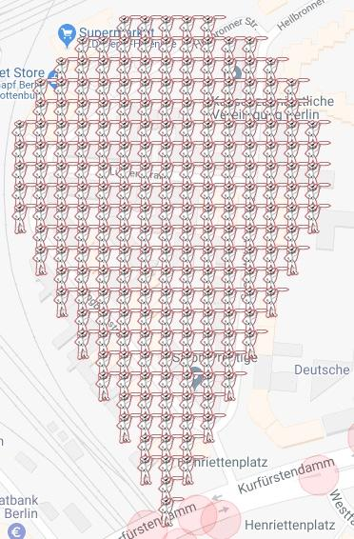
Matt Pin - Berlin Charlottenburg
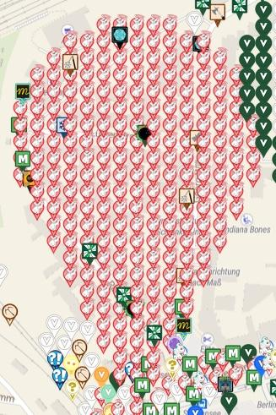
 | Deployed | Available | Total
Flat Matt | 224 | 0 | 224
Complete: | 100.00%

Map Link:
https://www.munzee.com/map/u336wmn37/17

Row | Column | Latitude | Longitude | Munzee | Username | URL | Comments
1 | 6 | 52.50014655369739 | 13.289108781248501 | Flat Matt | GeoLog81 | https://www.munzee.com/m/GeoLog81/3907
1 | 7 | 52.50014655346244 | 13.289344885110722 | Flat Matt | kasimir | https://www.munzee.com/m/kasimir/8328/
1 | 8 | 52.500146553227495 | 13.289580988972943 | Flat Matt | Promethium | https://www.munzee.com/m/Promethium/1000
1 | 9 | 52.500146552992554 | 13.289817092835165 | Flat Matt | geckofreund | https://www.munzee.com/m/geckofreund/1016/
1 | 10 | 52.500146552757606 | 13.290053196697386 | Flat Matt | kasimir | https://www.munzee.com/m/kasimir/8327/
2 | 4 | 52.5000028237218 | 13.28863655345458 | Flat Matt | janzattic | https://www.munzee.com/m/janzattic/4610/
2 | 5 | 52.50000282348685 | 13.288872656544982 | Flat Matt | ChandaBelle | https://www.munzee.com/m/ChandaBelle/1032/
2 | 6 | 52.500002823251904 | 13.289108759635383 | Flat Matt | ohiolady | https://www.munzee.com/m/ohiolady/3195
2 | 7 | 52.500002823016956 | 13.289344862725784 | Flat Matt | einkilorind | https://www.munzee.com/m/einkilorind/1905/
2 | 8 | 52.50000282278202 | 13.289580965816185 | Flat Matt | Derlame | https://www.munzee.com/m/Derlame/7875/
2 | 9 | 52.50000282254707 | 13.289817068906586 | Flat Matt | Muskratmarie | https://www.munzee.com/m/Muskratmarie/2915/
2 | 10 | 52.50000282231212 | 13.290053171996988 | Flat Matt | halizwein | https://www.munzee.com/m/halizwein/7385/
2 | 11 | 52.50000282207717 | 13.290289275087389 | Flat Matt | funaty | https://www.munzee.com/m/funaty/3022/
2 | 12 | 52.50000282184224 | 13.29052537817779 | Flat Matt | coco15 | https://www.munzee.com/m/coco15/2052/
3 | 3 | 52.49985909351131 | 13.288400431065838 | Flat Matt | MeineDas | https://www.munzee.com/m/MeineDas/4039/
3 | 4 | 52.49985909327636 | 13.288636533384306 | Flat Matt | georeyna | https://www.munzee.com/m/georeyna/7129/
3 | 5 | 52.499859093041415 | 13.288872635702774 | Flat Matt | Westies | https://www.munzee.com/m/Westies/2936
3 | 6 | 52.49985909280647 | 13.289108738021241 | Flat Matt | sickman | https://www.munzee.com/m/sickman/2614
3 | 7 | 52.499859092571526 | 13.289344840339709 | Flat Matt | levesund | https://www.munzee.com/m/levesund/4494/
3 | 8 | 52.49985909233658 | 13.289580942658176 | Flat Matt | bordentaxi | https://www.munzee.com/m/bordentaxi/5608
3 | 9 | 52.49985909210163 | 13.289817044976644 | Flat Matt | felixbongers | https://www.munzee.com/m/felixbongers/5558/
3 | 10 | 52.499859091866696 | 13.290053147295112 | Flat Matt | feikjen | https://www.munzee.com/m/feikjen/5581
3 | 11 | 52.499859091631755 | 13.29028924961358 | Flat Matt | kiwiwe | https://www.munzee.com/m/kiwiwe/1160/
3 | 12 | 52.49985909139681 | 13.290525351932047 | Flat Matt | onlysleepn | https://www.munzee.com/m/onlysleepn/731/
3 | 13 | 52.499859091161866 | 13.290761454250514 | Flat Matt | MeineDas | https://www.munzee.com/m/MeineDas/4103/
4 | 2 | 52.49971536330083 | 13.288164310223692 | Flat Matt | geckofreund | https://www.munzee.com/m/geckofreund/1017/
4 | 3 | 52.49971536306588 | 13.28840041177034 | Flat Matt | Syrtene | https://www.munzee.com/m/Syrtene/567/
4 | 4 | 52.49971536283095 | 13.288636513316987 | Flat Matt | NoahCache | https://www.munzee.com/m/NoahCache/580/
4 | 5 | 52.49971536259601 | 13.288872614863635 | Flat Matt | geckofreund | https://www.munzee.com/m/geckofreund/1020/
4 | 6 | 52.499715362361066 | 13.289108716410283 | Flat Matt | Syrtene | https://www.munzee.com/m/Syrtene/572/
4 | 7 | 52.499715362126125 | 13.28934481795693 | Flat Matt | NoahCache | https://www.munzee.com/m/NoahCache/581/
4 | 8 | 52.49971536189119 | 13.289580919503578 | Flat Matt | geckofreund | https://www.munzee.com/m/geckofreund/1023/
4 | 9 | 52.49971536165625 | 13.289817021050226 | Flat Matt | Syrtene | https://www.munzee.com/m/Syrtene/573/
4 | 10 | 52.49971536142131 | 13.290053122596873 | Flat Matt | NoahCache | https://www.munzee.com/m/NoahCache/582/
4 | 11 | 52.49971536118637 | 13.290289224143521 | Flat Matt | geckofreund | https://www.munzee.com/m/geckofreund/1024/
4 | 12 | 52.499715360951434 | 13.290525325690169 | Flat Matt | Derlame | https://www.munzee.com/m/Derlame/7871/
4 | 13 | 52.499715360716486 | 13.290761427236816 | Flat Matt | halizwein | https://www.munzee.com/m/halizwein/7375/
4 | 14 | 52.49971536048154 | 13.290997528783464 | Flat Matt | geckofreund | https://www.munzee.com/m/geckofreund/1026/
5 | 2 | 52.49957163285534 | 13.288164291700014 | Flat Matt | Kegelhexe | https://www.munzee.com/m/Kegelhexe/2007/
5 | 3 | 52.4995716326204 | 13.288400392474841 | Flat Matt | rheinrich65 | https://www.munzee.com/m/rheinrich65/2709/
5 | 4 | 52.49957163238546 | 13.288636493249669 | Flat Matt | Katara66 | https://www.munzee.com/m/Katara66/1631/
5 | 5 | 52.49957163215052 | 13.288872594024497 | Flat Matt | kiwiwe | https://www.munzee.com/m/kiwiwe/1045/
5 | 6 | 52.499571631915586 | 13.289108694799324 | Flat Matt | Derlame | https://www.munzee.com/m/Derlame/8086/
5 | 7 | 52.49957163168064 | 13.289344795574152 | Flat Matt | halizwein | https://www.munzee.com/m/halizwein/7813/
5 | 8 | 52.49957163144569 | 13.28958089634898 | Flat Matt | fscheerhoorn | https://www.munzee.com/m/fscheerhoorn/2730/
5 | 9 | 52.49957163121075 | 13.289816997123808 | Flat Matt | 92Supercoupe | https://www.munzee.com/m/92Supercoupe/2804
5 | 10 | 52.49957163097581 | 13.290053097898635 | Flat Matt | halizwein | https://www.munzee.com/m/halizwein/7822/
5 | 11 | 52.49957163074087 | 13.290289198673463 | Flat Matt | DarkHaribo | https://www.munzee.com/m/DarkHaribo/11660
5 | 12 | 52.49957163050593 | 13.29052529944829 | Flat Matt | Georiffles | https://www.munzee.com/m/Georiffles/5053/
5 | 13 | 52.49957163027099 | 13.290761400223118 | Flat Matt | Westies | https://www.munzee.com/m/Westies/2933
5 | 14 | 52.49957163003605 | 13.290997500997946 | Flat Matt | sickman | https://www.munzee.com/m/sickman/2615
6 | 1 | 52.49942790264486 | 13.287928173170712 | Flat Matt | bordentaxi | https://www.munzee.com/m/bordentaxi/5316
6 | 2 | 52.49942790240992 | 13.288164273173606 | Flat Matt | felixbongers | https://www.munzee.com/m/felixbongers/5267/
6 | 3 | 52.49942790217498 | 13.2884003731765 | Flat Matt | feikjen | https://www.munzee.com/m/feikjen/5295
6 | 4 | 52.499427901940045 | 13.288636473179395 | Flat Matt | bordentaxi | https://www.munzee.com/m/bordentaxi/5313/
6 | 5 | 52.499427901705104 | 13.288872573182289 | Flat Matt | felixbongers | https://www.munzee.com/m/felixbongers/5266/
6 | 6 | 52.49942790147017 | 13.289108673185183 | Flat Matt | feikjen | https://www.munzee.com/m/feikjen/5294
6 | 7 | 52.49942790123522 | 13.289344773188077 | Flat Matt | bordentaxi | https://www.munzee.com/m/bordentaxi/5312
6 | 8 | 52.499427901000274 | 13.289580873190971 | Flat Matt | felixbongers | https://www.munzee.com/m/felixbongers/5262
6 | 9 | 52.49942790076534 | 13.289816973193865 | Flat Matt | feikjen | https://www.munzee.com/m/feikjen/5291
6 | 10 | 52.49942790053039 | 13.29005307319676 | Flat Matt | bordentaxi | https://www.munzee.com/m/bordentaxi/5310/
6 | 11 | 52.499427900295444 | 13.290289173199653 | Flat Matt | felixbongers | https://www.munzee.com/m/felixbongers/5254/
6 | 12 | 52.499427900060496 | 13.290525273202547 | Flat Matt | feikjen | https://www.munzee.com/m/feikjen/5285
6 | 13 | 52.499427899825555 | 13.290761373205441 | Flat Matt | cvdchiller | https://www.munzee.com/m/cvdchiller/6347
6 | 14 | 52.49942789959062 | 13.290997473208336 | Flat Matt | felixbongers | https://www.munzee.com/m/felixbongers/5249/
6 | 15 | 52.49942789935569 | 13.29123357321123 | Flat Matt | kiwiwe | https://www.munzee.com/m/kiwiwe/1227/
7 | 1 | 52.499284172199424 | 13.287928155418854 | Flat Matt | NoahCache | https://www.munzee.com/m/NoahCache/938/
7 | 2 | 52.499284171964476 | 13.288164254649928 | Flat Matt | Westies | https://www.munzee.com/m/Westies/2932
7 | 3 | 52.499284171729535 | 13.288400353881002 | Flat Matt | sickman | https://www.munzee.com/m/sickman/2616
7 | 4 | 52.499284171494594 | 13.288636453112076 | Flat Matt | NoahCache | https://www.munzee.com/m/NoahCache/933/
7 | 5 | 52.49928417125967 | 13.28887255234315 | Flat Matt | Syrtene | https://www.munzee.com/m/Syrtene/934/
7 | 6 | 52.49928417102473 | 13.289108651574224 | Flat Matt | geckofreund | https://www.munzee.com/m/geckofreund/1456/
7 | 7 | 52.499284170789785 | 13.289344750805299 | Flat Matt | NoahCache | https://www.munzee.com/m/NoahCache/932/
7 | 8 | 52.49928417055485 | 13.289580850036373 | Flat Matt | Syrtene | https://www.munzee.com/m/Syrtene/927/
7 | 9 | 52.49928417031991 | 13.289816949267447 | Flat Matt | Blutengel | Https://www.munzee.com/m/Blutengel/1086
7 | 10 | 52.49928417008498 | 13.290053048498521 | Flat Matt | Polder58 | https://www.munzee.com/m/Polder58/5616
7 | 11 | 52.49928416985005 | 13.290289147729595 | Flat Matt | Syrtene | https://www.munzee.com/m/Syrtene/933/
7 | 12 | 52.49928416961511 | 13.29052524696067 | Flat Matt | lanyasummer | https://www.munzee.com/m/Lanyasummer/2855/
7 | 13 | 52.49928416938017 | 13.290761346191744 | Flat Matt | lupo6 | https://www.munzee.com/m/lupo6/2118
7 | 14 | 52.499284169145234 | 13.290997445422818 | Flat Matt | DarkHaribo | https://www.munzee.com/m/DarkHaribo/11665
7 | 15 | 52.49928416891029 | 13.291233544653892 | Flat Matt | Hummelchen | https://www.munzee.com/m/Hummelchen/1343/
8 | 1 | 52.49914044175402 | 13.287928137666995 | Flat Matt | DarkHaribo | https://www.munzee.com/m/DarkHaribo/11666
8 | 2 | 52.49914044151909 | 13.28816423612625 | Flat Matt | lupo6 | https://www.munzee.com/m/lupo6/1961
8 | 3 | 52.499140441284155 | 13.288400334585504 | Flat Matt | halizwein | https://www.munzee.com/m/halizwein/8326/
8 | 4 | 52.499140441049214 | 13.288636433044758 | Flat Matt | DarkHaribo | https://www.munzee.com/m/DarkHaribo/11671
8 | 5 | 52.49914044081427 | 13.288872531504012 | Flat Matt | Kerzenwelt | https://www.munzee.com/m/Kerzenwelt/1267/
8 | 6 | 52.499140440579346 | 13.289108629963266 | Flat Matt | halizwein | https://www.munzee.com/m/halizwein/8329/
8 | 7 | 52.499140440344405 | 13.28934472842252 | Flat Matt | DarkHaribo | https://www.munzee.com/m/DarkHaribo/11672
8 | 8 | 52.499140440109464 | 13.289580826881775 | Flat Matt | lupo6 | https://www.munzee.com/m/lupo6/1960
8 | 9 | 52.49914043987452 | 13.289816925341029 | Flat Matt | halizwein | https://www.munzee.com/m/halizwein/7826/
8 | 10 | 52.49914043963959 | 13.290053023800283 | Flat Matt | DarkHaribo | https://www.munzee.com/m/DarkHaribo/11674
8 | 11 | 52.499140439404655 | 13.290289122259537 | Flat Matt | Anetzet | https://www.munzee.com/m/Anetzet/875/
8 | 12 | 52.499140439169715 | 13.290525220718791 | Flat Matt | halizwein | https://www.munzee.com/m/halizwein/7383/
8 | 13 | 52.49914043893479 | 13.290761319178046 | Flat Matt | Kegelhexe | https://www.munzee.com/m/Kegelhexe/2005/
8 | 14 | 52.49914043869985 | 13.2909974176373 | Flat Matt | einkilorind | https://www.munzee.com/m/einkilorind/2121/
8 | 15 | 52.499140438464906 | 13.291233516096554 | Flat Matt | Imlookingatu | https://www.munzee.com/m/Imlookingatu/3766/
9 | 1 | 52.498996711308536 | 13.287928119915136 | Flat Matt | JRdaBoss | https://www.munzee.com/m/JRdaBoss/4894/
9 | 2 | 52.49899671107361 | 13.28816421760257 | Flat Matt | Syrtene | https://www.munzee.com/m/Syrtene/1304/
9 | 3 | 52.49899671083867 | 13.288400315290005 | Flat Matt | MeineDas | https://www.munzee.com/m/MeineDas/4296/
9 | 4 | 52.49899671060374 | 13.28863641297744 | Flat Matt | meka | https://www.munzee.com/m/meka/3416/
9 | 5 | 52.4989967103688 | 13.288872510664874 | Flat Matt | babyw | https://www.munzee.com/m/babyw/2153/
9 | 6 | 52.49899671013386 | 13.289108608352308 | Flat Matt | feikjen | https://www.munzee.com/m/feikjen/5278
9 | 7 | 52.49899670989892 | 13.289344706039742 | Flat Matt | bordentaxi | https://www.munzee.com/m/bordentaxi/5306
9 | 8 | 52.498996709663984 | 13.289580803727176 | Flat Matt | cvdchiller | https://www.munzee.com/m/cvdchiller/6355/
9 | 9 | 52.49899670942904 | 13.28981690141461 | Flat Matt | feikjen | https://www.munzee.com/m/feikjen/5276
9 | 10 | 52.4989967091941 | 13.290052999102045 | Flat Matt | bordentaxi | https://www.munzee.com/m/bordentaxi/5299
9 | 11 | 52.49899670895916 | 13.29028909678948 | Flat Matt | 123xilef | https://www.munzee.com/m/123xilef/3470/
9 | 12 | 52.49899670872423 | 13.290525194476913 | Flat Matt | cvdchiller | https://www.munzee.com/m/cvdchiller/6358/
9 | 13 | 52.498996708489294 | 13.290761292164348 | Flat Matt | thorkel | https://www.munzee.com/m/thorkel/4463/
9 | 14 | 52.49899670825435 | 13.290997389851782 | Flat Matt | JRdaBoss | https://www.munzee.com/m/JRdaBoss/4899/
9 | 15 | 52.49899670801942 | 13.291233487539102 | Flat Matt | Peter1980 | https://www.munzee.com/m/Peter1980/1656/
10 | 1 | 52.4988529808631 | 13.287928102163278 | Flat Matt | kwd | https://www.munzee.com/m/kwd/4628/
10 | 2 | 52.49885298062817 | 13.288164199078892 | Flat Matt | richardg01 | https://www.munzee.com/m/richardg01/1394/
10 | 3 | 52.49885298039323 | 13.288400295994506 | Flat Matt | kasimir | https://www.munzee.com/m/kasimir/8083/
10 | 4 | 52.4988529801583 | 13.28863639291012 | Flat Matt | Derlame | https://www.munzee.com/m/Derlame/7869/
10 | 5 | 52.49885297992336 | 13.288872489825735 | Flat Matt | kiwiwe | https://www.munzee.com/m/kiwiwe/1044/
10 | 6 | 52.49885297968843 | 13.28910858674135 | Flat Matt | kasimir | https://www.munzee.com/m/kasimir/8088/
10 | 7 | 52.49885297945349 | 13.289344683656964 | Flat Matt | Derlame | https://www.munzee.com/m/Derlame/7868/
10 | 8 | 52.49885297921856 | 13.289580780572578 | Flat Matt | kiwiwe | https://www.munzee.com/m/kiwiwe/1042/
10 | 9 | 52.498852978983614 | 13.289816877488192 | Flat Matt | kasimir | https://www.munzee.com/m/kasimir/8090/
10 | 10 | 52.49885297874867 | 13.290052974403807 | Flat Matt | Derlame | https://www.munzee.com/m/Derlame/7865/
10 | 11 | 52.498852978513746 | 13.290289071319421 | Flat Matt | kiwiwe | https://www.munzee.com/m/kiwiwe/1043/
10 | 12 | 52.498852978278805 | 13.290525168235035 | Flat Matt | kasimir | https://www.munzee.com/m/kasimir/8098/
10 | 13 | 52.49885297804387 | 13.29076126515065 | Flat Matt | Derlame | https://www.munzee.com/m/Derlame/7867/
10 | 14 | 52.49885297780894 | 13.290997362066264 | Flat Matt | kiwiwe | https://www.munzee.com/m/kiwiwe/1041/
10 | 15 | 52.498852977574 | 13.291233458981878 | Flat Matt | kasimir | https://www.munzee.com/m/kasimir/8300/
11 | 2 | 52.49870925018277 | 13.288164180555214 | Flat Matt | bordentaxi | https://www.munzee.com/m/bordentaxi/5292
11 | 3 | 52.49870924994784 | 13.288400276699008 | Flat Matt | cvdchiller | https://www.munzee.com/m/cvdchiller/6359/
11 | 4 | 52.498709249712896 | 13.288636372842802 | Flat Matt | c-bn | https://www.munzee.com/m/c-bn/15058/
11 | 5 | 52.49870924947797 | 13.288872468986597 | Flat Matt | Kerzenwelt | https://www.munzee.com/m/Kerzenwelt/1256/
11 | 6 | 52.49870924924303 | 13.289108565130391 | Flat Matt | halizwein | https://www.munzee.com/m/LiiLuu70/1357/
11 | 7 | 52.4987092490081 | 13.289344661274185 | Flat Matt | 123xilef | https://www.munzee.com/m/123xilef/3474/
11 | 8 | 52.49870924877316 | 13.28958075741798 | Flat Matt | Kcsilvia | https://www.munzee.com/m/Kcsilvia/4/
11 | 9 | 52.49870924853823 | 13.28981685356166 | Flat Matt | halizwein | https://www.munzee.com/m/LiiLuu70/1359/
11 | 10 | 52.49870924830329 | 13.290052949705341 | Flat Matt | DarkHaribo | https://www.munzee.com/m/DarkHaribo/11752
11 | 11 | 52.49870924806836 | 13.290289045849022 | Flat Matt | Erfasser | https://www.munzee.com/m/Erfasser/412/
11 | 12 | 52.49870924783343 | 13.290525141992703 | Flat Matt | halizwein | https://www.munzee.com/m/halizwein/7662/
11 | 13 | 52.49870924759849 | 13.290761238136383 | Flat Matt | einkilorind | https://www.munzee.com/m/einkilorind/1914/
11 | 14 | 52.498709247363564 | 13.290997334280064 | Flat Matt | Lanyasummer | https://www.munzee.com/m/Lanyasummer/2854/
12 | 2 | 52.49856551973727 | 13.288164162031535 | Flat Matt | Polder58 | https://www.munzee.com/m/Polder58/5263
12 | 3 | 52.49856551950233 | 13.28840025740351 | Flat Matt | halizwein | https://www.munzee.com/m/halizwein/8133/
12 | 4 | 52.49856551926739 | 13.288636352775484 | Flat Matt | 10pmMeerkat | https://www.munzee.com/m/10pmMeerkat/6364/
12 | 5 | 52.49856551903245 | 13.288872448147458 | Flat Matt | lupinchen | https://www.munzee.com/m/lupinchen/1239/
12 | 6 | 52.49856551879752 | 13.289108543519433 | Flat Matt | halizwein | https://www.munzee.com/m/halizwein/8250/
12 | 7 | 52.49856551856258 | 13.289344638891407 | Flat Matt | cvdchiller | https://www.munzee.com/m/cvdchiller/6361/
12 | 8 | 52.49856551832765 | 13.289580734263382 | Flat Matt | Kerzenwelt | https://www.munzee.com/m/Kerzenwelt/1268/
12 | 9 | 52.498565518092704 | 13.289816829635356 | Flat Matt | halizwein | https://www.munzee.com/m/halizwein/8249/
12 | 10 | 52.49856551785776 | 13.29005292500733 | Flat Matt | cvdchiller | https://www.munzee.com/m/cvdchiller/6364/
12 | 11 | 52.49856551762283 | 13.290289020379305 | Flat Matt | KaraReke | https://www.munzee.com/m/KaraReke/1024/
12 | 12 | 52.498565517387895 | 13.29052511575128 | Flat Matt | MeanderingMonkeys | https://www.munzee.com/m/MeanderingMonkeys/12335/
12 | 13 | 52.49856551715296 | 13.290761211123254 | Flat Matt | cvdchiller | https://www.munzee.com/m/cvdchiller/6365
12 | 14 | 52.49856551691802 | 13.290997306495228 | Flat Matt | Polder58 | https://www.munzee.com/m/Polder58/5264/
13 | 3 | 52.498421789056835 | 13.28840023810801 | Flat Matt | Muskratmarie | https://www.munzee.com/m/Muskratmarie/2927/
13 | 4 | 52.498421788821894 | 13.288636332708165 | Flat Matt | fscheerhoorn | https://www.munzee.com/m/fscheerhoorn/2736
13 | 5 | 52.49842178858697 | 13.28887242730832 | Flat Matt | geckofreund | https://www.munzee.com/m/geckofreund/1789/
13 | 6 | 52.498421788352026 | 13.289108521908474 | Flat Matt | NoahCache | https://www.munzee.com/m/NoahCache/1216/
13 | 7 | 52.498421788117085 | 13.289344616508629 | Flat Matt | Syrtene | https://www.munzee.com/m/Syrtene/1243/
13 | 8 | 52.49842178788216 | 13.289580711108783 | Flat Matt | Lupinchen | https://www.munzee.com/m/lupinchen/684/
13 | 9 | 52.498421787647224 | 13.289816805708938 | Flat Matt | Benotje | https://www.munzee.com/m/benotje/822/
13 | 10 | 52.49842178741229 | 13.290052900309092 | Flat Matt | c-bn | https://www.munzee.com/m/c-bn/14857/
13 | 11 | 52.49842178717736 | 13.290288994909247 | Flat Matt | 123xilef | https://www.munzee.com/m/123xilef/3262/
13 | 12 | 52.49842178694243 | 13.290525089509401 | Flat Matt | TheFrog | https://www.munzee.com/m/TheFrog/1956/
13 | 13 | 52.49842178670749 | 13.290761184109556 | Flat Matt | c-bn | https://www.munzee.com/m/c-bn/14855/
14 | 3 | 52.498278058611454 | 13.288400218812512 | Flat Matt | c-bn | https://www.munzee.com/m/c-bn/14854/
14 | 4 | 52.49827805837652 | 13.288636312640847 | Flat Matt | kasimir | https://www.munzee.com/m/kasimir/8301/
14 | 5 | 52.498278058141594 | 13.288872406469181 | Flat Matt | Derlame | https://www.munzee.com/m/Derlame/7822/
14 | 6 | 52.49827805790665 | 13.289108500297516 | Flat Matt | c-bn | https://www.munzee.com/m/c-bn/14849/
14 | 7 | 52.49827805767171 | 13.28934459412585 | Flat Matt | kasimir | https://www.munzee.com/m/kasimir/8312/
14 | 8 | 52.49827805743677 | 13.289580687954185 | Flat Matt | Derlame | https://www.munzee.com/m/Derlame/7855/
14 | 9 | 52.49827805720184 | 13.28981678178252 | Flat Matt | kiwiwe | https://www.munzee.com/m/kiwiwe/1011/
14 | 10 | 52.498278056966896 | 13.290052875610854 | Flat Matt | kasimir | https://www.munzee.com/m/kasimir/8313/
14 | 11 | 52.49827805673196 | 13.290288969439189 | Flat Matt | Derlame | https://www.munzee.com/m/Derlame/7853/
14 | 12 | 52.498278056497014 | 13.290525063267523 | Flat Matt | kiwiwe | https://www.munzee.com/m/kiwiwe/1020/
14 | 13 | 52.49827805626208 | 13.290761157095858 | Flat Matt | kasimir | https://www.munzee.com/m/kasimir/8314/
15 | 4 | 52.49813432793107 | 13.288636292575234 | Flat Matt | Polder58 | https://www.munzee.com/m/Polder58/5254
15 | 5 | 52.49813432769613 | 13.288872385631748 | Flat Matt | 123xilef | https://www.munzee.com/m/123xilef/3269/
15 | 6 | 52.498134327461194 | 13.289108478688263 | Flat Matt | cvdchiller | https://www.munzee.com/m/cvdchiller/6369/
15 | 7 | 52.498134327226246 | 13.289344571744778 | Flat Matt | fscheerhoorn | https://www.munzee.com/m/fscheerhoorn/2735/
15 | 8 | 52.49813432699131 | 13.289580664801292 | Flat Matt | LiLuu70 | https://www.munzee.com/m/LiiLuu70/1345/
15 | 9 | 52.49813432675638 | 13.289816757857807 | Flat Matt | Boesj01 | https://www.munzee.com/m/Boesj01/1033/
15 | 10 | 52.49813432652144 | 13.290052850914321 | Flat Matt | levesund | https://www.munzee.com/m/levesund/4528/
15 | 11 | 52.49813432628651 | 13.290288943970836 | Flat Matt | Muskratmarie | https://www.munzee.com/m/Muskratmarie/2924/
15 | 12 | 52.49813432605158 | 13.29052503702735 | Flat Matt | Bitux | https://www.munzee.com/m/BituX/6378/
16 | 4 | 52.49799059748561 | 13.288636272508256 | Flat Matt | kiwiwe | https://www.munzee.com/m/kiwiwe/1012/
16 | 5 | 52.49799059725068 | 13.288872364792951 | Flat Matt | einkilorind | https://www.munzee.com/m/einkilorind/1909/
16 | 6 | 52.49799059701574 | 13.289108457077646 | Flat Matt | halizwein | https://www.munzee.com/m/halizwein/7382/
16 | 7 | 52.4979905967808 | 13.28934454936234 | Flat Matt | TheFrog | https://www.munzee.com/m/TheFrog/1966/
16 | 8 | 52.49799059654586 | 13.289580641647035 | Flat Matt | pikespice | https://www.munzee.com/m/pikespice/3301/
16 | 9 | 52.49799059631092 | 13.28981673393173 | Flat Matt | halizwein | https://www.munzee.com/m/halizwein/7379/
16 | 10 | 52.49799059607599 | 13.290052826216424 | Flat Matt | TheFrog | https://www.munzee.com/m/TheFrog/1950/
16 | 11 | 52.49799059584105 | 13.290288918501119 | Flat Matt | 123xilef | https://www.munzee.com/m/123xilef/3252/
16 | 12 | 52.497990595606126 | 13.290525010785814 | Flat Matt | halizwein | https://www.munzee.com/m/halizwein/7377/
17 | 5 | 52.49784686680519 | 13.288872343954836 | Flat Matt | kasimir | https://www.munzee.com/m/kasimir/8329/
17 | 6 | 52.49784686657026 | 13.289108435467824 | Flat Matt | MeineDas | https://www.munzee.com/m/MeineDas/4110/
17 | 7 | 52.49784686633533 | 13.289344526980813 | Flat Matt | Muskratmarie | https://www.munzee.com/m/Muskratmarie/2920/
17 | 8 | 52.497846866100396 | 13.289580618493801 | Flat Matt | kasimir | https://www.munzee.com/m/kasimir/8347/
17 | 9 | 52.49784686586547 | 13.28981671000679 | Flat Matt | Derlame | https://www.munzee.com/m/Derlame/7825/
17 | 10 | 52.49784686563053 | 13.290052801519778 | Flat Matt | kwd | https://www.munzee.com/m/kwd/4073/
17 | 11 | 52.4978468653956 | 13.290288893032766 | Flat Matt | kasimir | https://www.munzee.com/m/kasimir/8355/
18 | 5 | 52.49770313635975 | 13.288872323117857 | Flat Matt | Polder58 | https://www.munzee.com/m/Polder58/5253
18 | 6 | 52.49770313612481 | 13.289108413859026 | Flat Matt | c-bn | https://www.munzee.com/m/c-bn/14848/
18 | 7 | 52.49770313588988 | 13.289344504600194 | Flat Matt | kiwiwe | https://www.munzee.com/m/kiwiwe/1038/
18 | 8 | 52.49770313565495 | 13.289580595341363 | Flat Matt | einkilorind | https://www.munzee.com/m/einkilorind/1907/
18 | 9 | 52.49770313542002 | 13.289816686082531 | Flat Matt | c-bn | https://www.munzee.com/m/c-bn/14853/
18 | 10 | 52.49770313518509 | 13.2900527768237 | Flat Matt | jacksparrow | https://www.munzee.com/m/JackSparrow/14006
18 | 11 | 52.49770313495016 | 13.290288867564868 | Flat Matt | ChandaBelle | https://www.munzee.com/m/ChandaBelle/1433/
19 | 6 | 52.49755940567941 | 13.28910839224909 | Flat Matt | Derlame | https://www.munzee.com/m/Derlame/7835/
19 | 7 | 52.49755940544448 | 13.289344482218553 | Flat Matt | halizwein | https://www.munzee.com/m/halizwein/7365/
19 | 8 | 52.49755940520955 | 13.289580572188015 | Flat Matt | Kyrandia | https://www.munzee.com/m/Kyrandia/1498/
19 | 9 | 52.497559404974616 | 13.289816662157477 | Flat Matt | TheFrog | https://www.munzee.com/m/TheFrog/1936/
19 | 10 | 52.49755940473968 | 13.29005275212694 | Flat Matt | halizwein | https://www.munzee.com/m/halizwein/7358/
20 | 6 | 52.49741567523396 | 13.289108370638132 | Flat Matt | kasimir | https://www.munzee.com/m/kasimir/8682/
20 | 7 | 52.49741567499903 | 13.289344459835775 | Flat Matt | thorkel | https://www.munzee.com/m/thorkel/4464/
20 | 8 | 52.4974156747641 | 13.289580549033417 | Flat Matt | 123xilef | https://www.munzee.com/m/123xilef/3239/
20 | 9 | 52.49741567452917 | 13.28981663823106 | Flat Matt | kasimir | https://www.munzee.com/m/kasimir/8686/
20 | 10 | 52.49741567429424 | 13.290052727428701 | Flat Matt | Derlame | https://www.munzee.com/m/Derlame/7837/
21 | 7 | 52.49727194455359 | 13.289344437456293 | Flat Matt | foxyankee | https://www.munzee.com/m/foxyankee/2709
21 | 8 | 52.497271944318655 | 13.28958052588223 | Flat Matt | GeoHubi | https://www.munzee.com/m/GeoHubi/4313/
21 | 9 | 52.49727194408373 | 13.289816614308165 | Flat Matt | stineB | https://www.munzee.com/m/stineB/3443/
22 | 7 | 52.49712821410811 | 13.289344415076812 | Flat Matt | Derlame | https://www.munzee.com/m/Derlame/7848/
22 | 8 | 52.49712821387319 | 13.289580502731042 | Flat Matt | Oskarchen | https://www.munzee.com/m/Oskarchen/538/
22 | 9 | 52.49712821363826 | 13.289816590385271 | Flat Matt | halizwein | https://www.munzee.com/m/halizwein/7357/
23 | 8 | 52.49698448342778 | 13.289580479577012 | Flat Matt | kasimir | https://www.munzee.com/m/kasimir/8687/
24 | 8 | 52.496840752982614 | 13.289580456425256 | Flat Matt | oldmountaineer | https://www.munzee.com/m/oldmountaineer/2956/

Please do NOT delete the following line. You will need it if you want to load the CSV file back to the map!
URL: gardenpainter.ide.sk | 52.498493864602025 | 13.289462675204163 | 18 | 23 | 90 | 0 | 40 | 17

Crossbow Shield
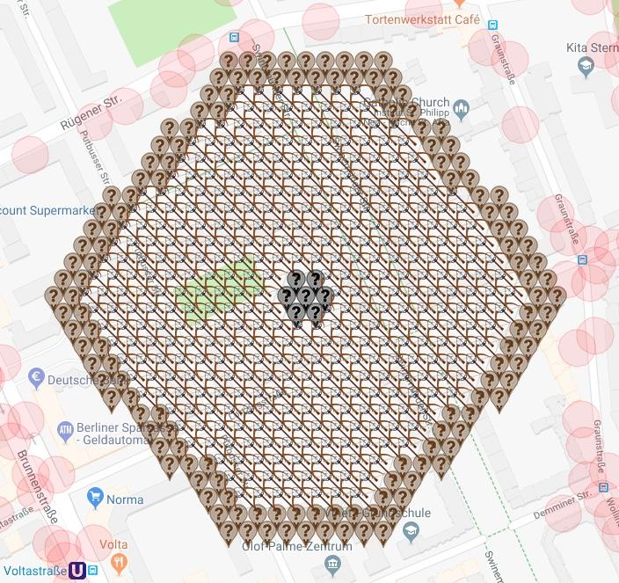
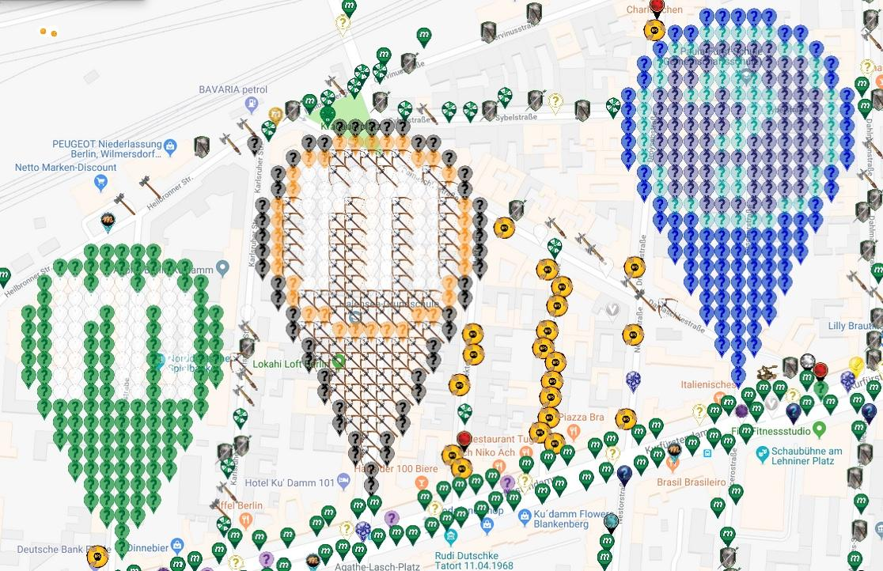
Crossbow Shield near Mauerpark, Berlin
 |  |  |  |  |  | The non-flat pins at Ku'Damm are complete. Thank you!!
 | Deployed | Available | Total
Crossbow | 366 | 0 | 366
MVM Brown | 140 | 0 | 140
MVM Black | 7 | 0 | 7
Catapult* | 12 | 0 | 12
Total | 525 | 0 | 525
Complete: | 100.00%
* Catapults don't show in the pic as the symbol is not yet available

Map Link:
https://www.munzee.com/map/u33dbv4gr/17

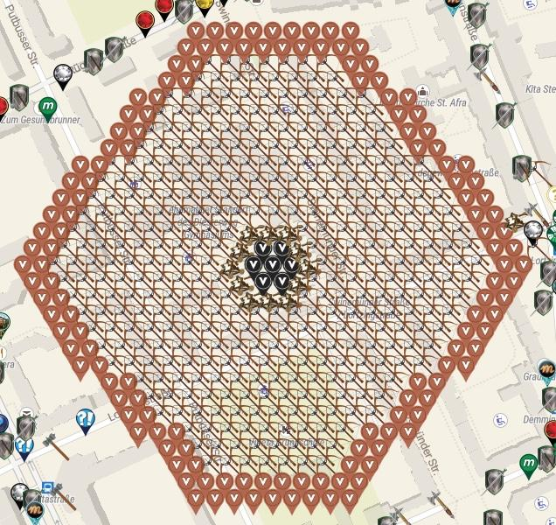
Row | Column | Latitude | Longitude | Munzee | Username | URL | Complete - THANK YOU!!
1 | 10 | 52.54564251179765 | 13.394850561069234 | MVM Brown | MV1 | https://www.munzee.com/m/MV1/7494/
1 | 11 | 52.54564251156231 | 13.395086909588144 | MVM Brown | CLL | https://www.munzee.com/m/CrazyLadyLisa/11487/
1 | 12 | 52.54564251132698 | 13.395323258107055 | MVM Brown | Polder58 | https://www.munzee.com/m/Polder58/5256
1 | 13 | 52.54564251109165 | 13.395559606625966 | MVM Brown | MV1 | https://www.munzee.com/m/MV1/7491/
1 | 14 | 52.54564251085632 | 13.395795955144877 | MVM Brown | Zweiaugenmehr | https://www.munzee.com/m/zweiaugenmehr/1134/
1 | 15 | 52.54564251062098 | 13.396032303663787 | MVM Brown | CLL | https://www.munzee.com/m/CrazyLadyLisa/11488/
1 | 16 | 52.54564251038565 | 13.396268652182698 | MVM Brown | Derlame | https://www.munzee.com/m/Derlame/7397/
1 | 17 | 52.54564251015031 | 13.396505000701609 | MVM Brown | fyrsel | https://www.munzee.com/m/fyrsel/122/
1 | 18 | 52.54564250991497 | 13.39674134922052 | MVM Brown | MV1 | https://www.munzee.com/m/MV1/7072/
2 | 9 | 52.54551803775709 | 13.394732371059149 | MVM Brown | foxyankee | https://www.munzee.com/m/foxyankee/2368
2 | 10 | 52.54551803752175 | 13.394968718907876 | MVM Brown | xwusel | https://www.munzee.com/m/xwusel/85
2 | 11 | 52.54551803728643 | 13.395205066756603 | MVM Brown | donbadabon | https://www.munzee.com/m/Donbadabon/4736/
2 | 12 | 52.545518037051096 | 13.39544141460533 | MVM Brown | halizwein | https://www.munzee.com/m/halizwein/6607/
2 | 13 | 52.545518036815764 | 13.395677762454056 | MVM Brown | listom | https://www.munzee.com/m/listom/11115/
2 | 14 | 52.54551803658043 | 13.395914110302783 | MVM Brown | foxyankee | https://www.munzee.com/m/foxyankee/2366
2 | 15 | 52.54551803634511 | 13.39615045815151 | MVM Brown | Polder58 | https://www.munzee.com/m/Polder58/5344
2 | 16 | 52.54551803610977 | 13.396386806000237 | MVM Brown | PeeBee | https://www.munzee.com/m/PeeBee/228/
2 | 17 | 52.54551803587444 | 13.396623153848964 | MVM Brown | Bitux | https://www.munzee.com/m/BituX/4499/
2 | 18 | 52.54551803563911 | 13.39685950169769 | MVM Brown | RobieSterling | https://www.munzee.com/m/RobieSterling/2278/
3 | 9 | 52.54539356348128 | 13.394614182053601 | MVM Brown | halizwein | https://www.munzee.com/m/halizwein/6662/
3 | 10 | 52.54539356324595 | 13.39485052923203 | MVM Brown | Derlame | https://www.munzee.com/m/Derlame/7727/
3 | 11 | 52.54539356301062 | 13.39508687641046 | Crossbow | Zweiaugenmehr | https://www.munzee.com/m/zweiaugenmehr/1072
3 | 12 | 52.545393562775295 | 13.395323223588889 | Crossbow | einkilorind | https://www.munzee.com/m/einkilorind/1694/
3 | 13 | 52.545393562539964 | 13.395559570767318 | Crossbow | Gonzoni | https://www.munzee.com/m/Gonzoni/4929/
3 | 14 | 52.545393562304625 | 13.395795917945748 | Crossbow | TheFrog | https://www.munzee.com/m/TheFrog/1463/
3 | 15 | 52.5453935620693 | 13.396032265124177 | Crossbow | 123xilef | https://www.munzee.com/m/123xilef/2760/
3 | 16 | 52.54539356183397 | 13.396268612302606 | Crossbow | halizwein | https://www.munzee.com/m/halizwein/6444/
3 | 17 | 52.545393561598644 | 13.396504959481035 | Crossbow | Zweiaugenmehr | https://www.munzee.com/m/zweiaugenmehr/1079
3 | 18 | 52.54539356136331 | 13.396741306659464 | MVM Brown | MrsPommelhorst | https://www.munzee.com/m/MrsPommelhorst/2178/
3 | 19 | 52.54539356112798 | 13.396977653837894 | MVM Brown | amigoth2de | https://www.munzee.com/m/amigoth2de/45/
4 | 8 | 52.54526908944074 | 13.39449599338468 | MVM Brown | PeeBee | https://www.munzee.com/m/PeeBee/229/
4 | 9 | 52.54526908920541 | 13.394732339892926 | MVM Brown | Benotje | https://www.munzee.com/m/benotje/1039/
4 | 10 | 52.54526908897008 | 13.394968686401171 | Crossbow | Tiralinka | https://www.munzee.com/m/Tiralinka/3711/
4 | 11 | 52.54526908873474 | 13.395205032909416 | Crossbow | mars00xj | https://www.munzee.com/m/mars00xj/9163/
4 | 12 | 52.54526908849942 | 13.395441379417662 | Crossbow | lupo6 | https://www.munzee.com/m/lupo6/1413
4 | 13 | 52.545269088264085 | 13.395677725925907 | Crossbow | meka | https://www.munzee.com/m/meka/2710/
4 | 14 | 52.54526908802876 | 13.395914072434152 | Crossbow | mars00xj | https://www.munzee.com/m/mars00xj/9164/
4 | 15 | 52.54526908779342 | 13.396150418942398 | Crossbow | Oskarchen | https://www.munzee.com/m/Oskarchen/324/
4 | 16 | 52.54526908755808 | 13.396386765450643 | Crossbow | Gonzoni | https://www.munzee.com/m/Gonzoni/4925/
4 | 17 | 52.54526908732276 | 13.396623111958888 | Crossbow | einkilorind | https://www.munzee.com/m/einkilorind/1696/
4 | 18 | 52.545269087087426 | 13.396859458467134 | MVM Brown | garfld67 | https://www.munzee.com/m/Garfld67/4920/
4 | 19 | 52.54526908685208 | 13.397095804975379 | MVM Brown | Wackeldackel | https://www.munzee.com/m/Wackeldackel/825/
5 | 7 | 52.545144615400204 | 13.394141459881212 | MVM Brown | MV1 | https://www.munzee.com/m/MV1/7374/
5 | 8 | 52.54514461516488 | 13.39437780571916 | MVM Brown | garfld67 | https://www.munzee.com/m/Garfld67/4921/
5 | 9 | 52.54514461492955 | 13.394614151557107 | Crossbow | lupo6 | https://www.munzee.com/m/lupo6/1412
5 | 10 | 52.54514461469422 | 13.394850497395055 | Crossbow | Darkneser | https://www.munzee.com/m/Darkneser/8247/
5 | 11 | 52.545144614458906 | 13.395086843233003 | Crossbow | Oskarchen | https://www.munzee.com/m/Oskarchen/327/
5 | 12 | 52.545144614223574 | 13.39532318907095 | Crossbow | Bungle | https://www.munzee.com/m/Bungle/891
5 | 13 | 52.54514461398825 | 13.395559534908898 | Crossbow | Cachelady | https://www.munzee.com/m/Cachelady/4581/
5 | 14 | 52.54514461375292 | 13.395795880746846 | Crossbow | Tiralinka | https://www.munzee.com/m/Tiralinka/3688/
5 | 15 | 52.54514461351758 | 13.396032226584794 | Crossbow | Muskratmarie | https://www.munzee.com/m/Muskratmarie/2041/
5 | 16 | 52.545144613282254 | 13.396268572422741 | Crossbow | mamaduck71 | https://www.munzee.com/m/MamaDuck71/1313
5 | 17 | 52.54514461304692 | 13.396504918260689 | Crossbow | Steampunk | https://www.munzee.com/m/Steampunk/4242
5 | 18 | 52.54514461281159 | 13.396741264098637 | Crossbow | CadillacBlood | https://www.munzee.com/m/CadillacBlood/4732/
5 | 19 | 52.54514461257626 | 13.396977609936584 | Crossbow | lupo6 | https://www.munzee.com/m/lupo6/1407
5 | 20 | 52.545144612340934 | 13.397213955774532 | MVM Brown | halizwein | https://www.munzee.com/m/halizwein/6678/
5 | 21 | 52.5451446121056 | 13.39745030161248 | MVM Brown | Fizzlewizzle | https://www.munzee.com/m/FizzleWizzle/162/
6 | 6 | 52.54502014135966 | 13.394023273222501 | MVM Brown | Derlame | https://www.munzee.com/m/Derlame/7776/
6 | 7 | 52.54502014112432 | 13.394259618390151 | MVM Brown | halizwein | https://www.munzee.com/m/halizwein/6665/
6 | 8 | 52.54502014088898 | 13.394495963557802 | Crossbow | Gonzoni | https://www.munzee.com/m/Gonzoni/4923/
6 | 9 | 52.545020140653655 | 13.394732308725452 | Crossbow | meka | https://www.munzee.com/m/meka/2699/
6 | 10 | 52.54502014041832 | 13.394968653893102 | Crossbow | PubbE | https://www.munzee.com/m/PubbE/2017
6 | 11 | 52.545020140183 | 13.395204999060752 | Crossbow | redshark78 | https://www.munzee.com/m/redshark78/1195
6 | 12 | 52.54502013994767 | 13.395441344228402 | Crossbow | TrialbyFire | https://www.munzee.com/m/TrialbyFire/5893/
6 | 13 | 52.54502013971234 | 13.395677689396052 | Crossbow | PubbE | https://www.munzee.com/m/PubbE/2019
6 | 14 | 52.545020139477 | 13.395914034563702 | Crossbow | Disc220 | https://www.munzee.com/m/Disc220/7681/
6 | 15 | 52.54502013924168 | 13.396150379731353 | Crossbow | Andhanni | https://www.munzee.com/m/Andhanni/723/
6 | 16 | 52.545020139006354 | 13.396386724899003 | Crossbow | PubbE | https://www.munzee.com/m/PubbE/2022/
6 | 17 | 52.54502013877103 | 13.396623070066653 | Crossbow | Darkneser | https://www.munzee.com/m/Darkneser/8243/
6 | 18 | 52.5450201385357 | 13.396859415234303 | Crossbow | Tiralinka | https://www.munzee.com/m/Tiralinka/3709/
6 | 19 | 52.54502013830037 | 13.397095760401953 | Crossbow | PubbE | https://www.munzee.com/m/PubbE/2021/
6 | 20 | 52.545020138065034 | 13.397332105569603 | MVM Brown | DarkHaribo | https://www.munzee.com/m/DarkHaribo/11123/
6 | 21 | 52.545020137829695 | 13.397568450737253 | MVM Brown | Polder58 | https://www.munzee.com/m/Polder58/5379
7 | 6 | 52.54489566708374 | 13.393905087568669 | MVM Brown | Oskarchen | https://www.munzee.com/m/Oskarchen/574/
7 | 7 | 52.54489566684842 | 13.394141432066135 | MVM Brown | Muskratmarie | https://www.munzee.com/m/Muskratmarie/2105/
7 | 8 | 52.54489566661309 | 13.394377776563601 | Crossbow | kelkavcvt | https://www.munzee.com/m/kelkavcvt/668/
7 | 9 | 52.54489566637776 | 13.394614121061068 | Crossbow | Loewenjaeger | https://www.munzee.com/m/Loewenjaeger/367
7 | 10 | 52.54489566614243 | 13.394850465558534 | Crossbow | MunzeeAssistentin | https://www.munzee.com/m/MunzeeAssistentin/1289/
7 | 11 | 52.544895665907106 | 13.395086810056 | Crossbow | Disc220 | https://www.munzee.com/m/Disc220/7751
7 | 12 | 52.544895665671774 | 13.395323154553466 | Crossbow | kwd | https://www.munzee.com/m/kwd/3751
7 | 13 | 52.54489566543645 | 13.395559499050933 | Crossbow | kelkavcvt | https://www.munzee.com/m/kelkavcvt/666/
7 | 14 | 52.54489566520112 | 13.395795843548399 | Crossbow | TrialbyFire | https://www.munzee.com/m/MunzeeAssistentin/1290/
7 | 15 | 52.54489566496579 | 13.396032188045865 | Crossbow | meka | https://www.munzee.com/m/meka/2792/
7 | 16 | 52.544895664730454 | 13.396268532543331 | Crossbow | halizwein | https://www.munzee.com/m/halizwein/6630/
7 | 17 | 52.544895664495115 | 13.396504877040798 | Crossbow | kelkavcvt | https://www.munzee.com/m/kelkavcvt/665
7 | 18 | 52.54489566425979 | 13.396741221538264 | Crossbow | MunzeeAssistentin | https://www.munzee.com/m/MunzeeAssistentin/1296/
7 | 19 | 52.54489566402446 | 13.39697756603573 | Crossbow | Disc220 | https://www.munzee.com/m/Disc220/7783
7 | 20 | 52.54489566378913 | 13.397213910533196 | Crossbow | liteon163 | https://www.munzee.com/m/liteon163/1187/
7 | 21 | 52.5448956635538 | 13.397450255030662 | MVM Brown | Dad35 | https://www.munzee.com/m/Dad35/9276/
7 | 22 | 52.54489566331847 | 13.397686599528129 | MVM Brown | MeineDas | https://www.munzee.com/m/MeineDas/3843/
8 | 5 | 52.54477119304317 | 13.39378690225135 | MVM Brown | foxyankee | https://www.munzee.com/m/foxyankee/2363/
8 | 6 | 52.54477119280783 | 13.394023246078632 | MVM Brown | Polder58 | https://www.munzee.com/m/Polder58/5339/
8 | 7 | 52.544771192572505 | 13.394259589905914 | Crossbow | Darkneser | https://www.munzee.com/m/Darkneser/8241/
8 | 8 | 52.54477119233718 | 13.394495933733197 | Crossbow | Tiralinka | https://www.munzee.com/m/Tiralinka/3689/
8 | 9 | 52.544771192101855 | 13.394732277560479 | Crossbow | Cachelady | https://www.munzee.com/m/Cachelady/4578/
8 | 10 | 52.544771191866516 | 13.394968621387761 | Crossbow | Zanika | https://www.munzee.com/m/Zanika/357/
8 | 11 | 52.54477119163119 | 13.395204965215044 | Crossbow | Reisari | https://www.munzee.com/m/Reisari/537/
8 | 12 | 52.54477119139585 | 13.395441309042326 | Crossbow | lupo6 | https://www.munzee.com/m/lupo6/1406
8 | 13 | 52.54477119116052 | 13.395677652869608 | Crossbow | Derlame | https://www.munzee.com/m/Derlame/7181/
8 | 14 | 52.544771190925196 | 13.39591399669689 | Crossbow | Oskarchen | https://www.munzee.com/m/Oskarchen/358/
8 | 15 | 52.54477119068986 | 13.396150340524173 | Crossbow | Kegelhexe | https://www.munzee.com/m/Kegelhexe/1748/
8 | 16 | 52.54477119045453 | 13.396386684351455 | Crossbow | Muskratmarie | https://www.munzee.com/m/Muskratmarie/2057/
8 | 17 | 52.544771190219194 | 13.396623028178738 | Crossbow | Joroma80
8 | 18 | 52.54477118998386 | 13.39685937200602 | Crossbow | georeyna | https://www.munzee.com/m/georeyna/6569/
8 | 19 | 52.54477118974854 | 13.397095715833302 | Crossbow | Kegelmaus | https://www.munzee.com/m/Kegelmaus/512/
8 | 20 | 52.544771189513206 | 13.397332059660584 | Crossbow | Fleamt | https://www.munzee.com/m/Fleamt/142/
8 | 21 | 52.54477118927788 | 13.397568403487867 | MVM Brown | HaSi | https://www.munzee.com/m/HaSi/1067/
8 | 22 | 52.54477118904255 | 13.39780474731515 | MVM Brown | Pumti | https://www.munzee.com/m/Pumti/6554/
9 | 4 | 52.54464671900263 | 13.393432374780332 | MVM Brown | MV1 | https://www.munzee.com/m/MV1/7245/
9 | 5 | 52.54464671876729 | 13.393668717937317 | MVM Brown | Derlame | https://www.munzee.com/m/Derlame/7763/
9 | 6 | 52.544646718531965 | 13.393905061094301 | Crossbow | PubbE | https://www.munzee.com/m/PubbE/2015
9 | 7 | 52.54464671829663 | 13.394141404251286 | Crossbow | lupo6 | https://www.munzee.com/m/lupo6/1401
9 | 8 | 52.54464671806131 | 13.39437774740827 | Crossbow | meka | https://www.munzee.com/m/meka/2697/
9 | 9 | 52.54464671782598 | 13.394614090565256 | Crossbow | PubbE | https://www.munzee.com/m/PubbE/1991/
9 | 10 | 52.54464671759064 | 13.39485043372224 | Crossbow | Oskarchen | https://www.munzee.com/m/Oskarchen/346/
9 | 11 | 52.54464671735532 | 13.395086776879225 | Crossbow | Darkneser | https://www.munzee.com/m/Darkneser/8209/
9 | 12 | 52.544646717119996 | 13.39532312003621 | Crossbow | PubbE | https://www.munzee.com/m/PubbE/1985/
9 | 13 | 52.544646716884664 | 13.395559463193194 | Crossbow | jacksparrow | https://www.munzee.com/m/JackSparrow/13177
9 | 14 | 52.54464671664934 | 13.39579580635018 | Crossbow | Tiralinka | https://www.munzee.com/m/Tiralinka/3683/
9 | 15 | 52.54464671641401 | 13.396032149507164 | Crossbow | PubbE | https://www.munzee.com/m/PubbE/1981/
9 | 16 | 52.54464671617869 | 13.396268492664149 | Crossbow | Wackeldackel | https://www.munzee.com/m/Wackeldackel/827/
9 | 17 | 52.54464671594337 | 13.396504835821133 | Crossbow | Derlame | https://www.munzee.com/m/Derlame/7246/
9 | 18 | 52.54464671570804 | 13.396741178978118 | Crossbow | PubbE | https://www.munzee.com/m/PubbE/1979/
9 | 19 | 52.544646715472716 | 13.396977522135103 | Crossbow | Oskarchen | https://www.munzee.com/m/Oskarchen/349/
9 | 20 | 52.54464671523738 | 13.397213865292088 | Crossbow | Cachelady | https://www.munzee.com/m/Cachelady/4574
9 | 21 | 52.544646715002045 | 13.397450208449072 | Crossbow | PubbE | https://www.munzee.com/m/PubbE/1978
9 | 22 | 52.544646714766714 | 13.397686551606057 | Crossbow | Darkneser | https://www.munzee.com/m/Darkneser/8204/
9 | 23 | 52.544646714531375 | 13.397922894763042 | MVM Brown | DarkHaribo | https://www.munzee.com/m/DarkHaribo/11127
9 | 24 | 52.54464671429606 | 13.398159237920026 | MVM Brown | Dad35 | https://www.munzee.com/m/Dad35/9247/
10 | 3 | 52.54452224496207 | 13.39331419147345 | MVM Brown | Dad35 | https://www.munzee.com/m/Dad35/9271/
10 | 4 | 52.54452224472674 | 13.393550533960251 | MVM Brown | PeeBee | https://www.munzee.com/m/PeeBee/244/
10 | 5 | 52.544522244491425 | 13.393786876447052 | Crossbow | kelkavcvt | https://www.munzee.com/m/kelkavcvt/661/
10 | 6 | 52.54452224425609 | 13.394023218933853 | Crossbow | Loewenjaeger | https://www.munzee.com/m/Loewenjaeger/318
10 | 7 | 52.54452224402077 | 13.394259561420654 | Crossbow | TrialbyFire | https://www.munzee.com/m/TrialbyFire/5894/
10 | 8 | 52.54452224378544 | 13.394495903907455 | Crossbow | MunzeeAssistentin | https://www.munzee.com/m/MunzeeAssistentin/1301/
10 | 9 | 52.54452224355012 | 13.394732246394256 | Crossbow | Disc220 | https://www.munzee.com/m/Disc220/7784
10 | 10 | 52.54452224331479 | 13.394968588881056 | Crossbow | TrialbyFire | https://www.munzee.com/m/TrialbyFire/5895/
10 | 11 | 52.544522243079456 | 13.395204931367857 | Crossbow | MunzeeAssistentin | https://www.munzee.com/m/MunzeeAssistentin/1304/
10 | 12 | 52.544522242844124 | 13.395441273854658 | Crossbow | Andhanni | https://www.munzee.com/m/Andhanni/904/
10 | 13 | 52.5445222426088 | 13.395677616341459 | Crossbow | TrialbyFire | https://www.munzee.com/m/TrialbyFire/5898/
10 | 14 | 52.54452224237347 | 13.39591395882826 | Crossbow | Disc220 | https://www.munzee.com/m/Disc220/7785/
10 | 15 | 52.54452224213814 | 13.39615030131506 | Crossbow | MunzeeAssistentin | https://www.munzee.com/m/MunzeeAssistentin/1308/
10 | 16 | 52.54452224190281 | 13.396386643801861 | Crossbow | TrialbyFire | https://www.munzee.com/m/TrialbyFire/5902/
10 | 17 | 52.544522241667494 | 13.396622986288662 | Crossbow | jacksparrow | https://www.munzee.com/m/JackSparrow/13175
10 | 18 | 52.544522241432176 | 13.396859328775463 | Crossbow | Darkneser | https://www.munzee.com/m/Darkneser/8195/
10 | 19 | 52.544522241196844 | 13.397095671262264 | Crossbow | lupo6 | https://www.munzee.com/m/lupo6/1282
10 | 20 | 52.544522240961506 | 13.397332013749065 | Crossbow | TrialbyFire | https://www.munzee.com/m/TrialbyFire/5905/
10 | 21 | 52.54452224072619 | 13.397568356235865 | Crossbow | Disc220 | https://www.munzee.com/m/Disc220/7788
10 | 22 | 52.54452224049085 | 13.397804698722666 | Crossbow | kwd | https://www.munzee.com/m/kwd/2984/
10 | 23 | 52.544522240255525 | 13.398041041209467 | MVM Brown | Tiralinka | https://www.munzee.com/m/Tiralinka/3734/
10 | 24 | 52.544522240020186 | 13.398277383696268 | MVM Brown | jukkas | https://www.munzee.com/m/jukkas/6208/
11 | 3 | 52.544397770686174 | 13.393196009172016 | MVM Brown | foxyankee | https://www.munzee.com/m/foxyankee/2328
11 | 4 | 52.54439777045086 | 13.393432350988633 | MVM Brown | Oskarchen | https://www.munzee.com/m/Oskarchen/577/
11 | 5 | 52.544397770215525 | 13.39366869280525 | Crossbow | Disc220 | https://www.munzee.com/m/Disc220/7790
11 | 6 | 52.5443977699802 | 13.393905034621866 | Crossbow | halizwein | https://www.munzee.com/m/halizwein/6632/
11 | 7 | 52.544397769744876 | 13.394141376438483 | Crossbow | Oskarchen | https://www.munzee.com/m/Oskarchen/362/
11 | 8 | 52.54439776950955 | 13.3943777182551 | Crossbow | irmeli | https://www.munzee.com/m/irmeli/5115/
11 | 9 | 52.54439776927422 | 13.394614060071717 | Crossbow | georeyna | https://www.munzee.com/m/georeyna/6571/
11 | 10 | 52.5443977690389 | 13.394850401888334 | Crossbow | Derlame | https://www.munzee.com/m/Derlame/7347/
11 | 11 | 52.54439776880358 | 13.395086743704951 | Crossbow | WVKiwi | https://www.munzee.com/m/wvkiwi/6260/
11 | 12 | 52.544397768568246 | 13.395323085521568 | Crossbow | nascar | https://www.munzee.com/m/nascar/1339/
11 | 13 | 52.54439776833293 | 13.395559427338185 | Crossbow | Joroma80 | https://www.munzee.com/m/joroma80/1257/ | June clan wars
11 | 14 | 52.544397768097596 | 13.395795769154802 | Crossbow | rgforsythe | https://www.munzee.com/m/rgforsythe/4204/
11 | 15 | 52.54439776786227 | 13.396032110971419 | Crossbow | nascar | https://www.munzee.com/m/nascar/1338/
11 | 16 | 52.544397767626954 | 13.396268452788036 | Crossbow | lupo6 | https://www.munzee.com/m/lupo6/1279/
11 | 17 | 52.54439776739162 | 13.396504794604652 | Crossbow | halizwein | https://www.munzee.com/m/halizwein/6729/
11 | 18 | 52.5443977671563 | 13.39674113642127 | Crossbow | Kegelhexe | https://www.munzee.com/m/Kegelhexe/1741/
11 | 19 | 52.544397766920966 | 13.396977478237886 | Crossbow | destolkjes4ever | https://www.munzee.com/m/destolkjes4ever/3594/
11 | 20 | 52.54439776668565 | 13.397213820054503 | Crossbow | wheelybarrow | https://www.munzee.com/m/wheelybarrow/1336
11 | 21 | 52.54439776645032 | 13.39745016187112 | Crossbow | annabanana | https://www.munzee.com/m/annabanana/6176/
11 | 22 | 52.54439776621499 | 13.397686503687737 | Crossbow | halizwein | https://www.munzee.com/m/halizwein/6867/
11 | 23 | 52.544397765979674 | 13.397922845504354 | Crossbow | Andhanni | https://www.munzee.com/m/Andhanni/901/
11 | 24 | 52.54439776574436 | 13.39815918732097 | MVM Brown | Polder58 | https://www.munzee.com/m/Polder58/5349
11 | 25 | 52.54439776550903 | 13.398395529137588 | MVM Brown | HtV | https://www.munzee.com/m/HtV/4786/
12 | 2 | 52.54427329664563 | 13.393077827203797 | MVM Brown | halizwein | https://www.munzee.com/m/halizwein/6666/
12 | 3 | 52.544273296410296 | 13.393314168350116 | MVM Brown | DarkHaribo | https://www.munzee.com/m/DarkHaribo/11128
12 | 4 | 52.54427329617497 | 13.393550509496436 | Crossbow | PubbE | https://www.munzee.com/m/PubbE/1975/
12 | 5 | 52.54427329593964 | 13.393786850642755 | Crossbow | Tiralinka | https://www.munzee.com/m/Tiralinka/3681/
12 | 6 | 52.544273295704315 | 13.394023191789074 | Crossbow | Darkneser | https://www.munzee.com/m/Darkneser/8194/
12 | 7 | 52.54427329546899 | 13.394259532935394 | Crossbow | PubbE | https://www.munzee.com/m/PubbE/1973
12 | 8 | 52.544273295233666 | 13.394495874081713 | Crossbow | Polder58 | https://www.munzee.com/m/Polder58/5221
12 | 9 | 52.544273294998334 | 13.394732215228032 | Crossbow | Gonzoni | https://www.munzee.com/m/Gonzoni/4911/
12 | 10 | 52.544273294763016 | 13.394968556374351 | Crossbow | PubbE | https://www.munzee.com/m/PubbE/1964/
12 | 11 | 52.54427329452769 | 13.39520489752067 | Crossbow | Oskarchen | https://www.munzee.com/m/Oskarchen/350/
12 | 12 | 52.54427329429236 | 13.39544123866699 | Crossbow | meka | https://www.munzee.com/m/meka/2698/
12 | 13 | 52.54427329405704 | 13.39567757981331 | Crossbow | PubbE | https://www.munzee.com/m/PubbE/1963
12 | 14 | 52.54427329382171 | 13.395913920959629 | Crossbow | Wackeldackel | https://www.munzee.com/m/Wackeldackel/815/
12 | 15 | 52.544273293586386 | 13.396150262105948 | Crossbow | Polder58 | https://www.munzee.com/m/Polder58/5298/
12 | 16 | 52.544273293351054 | 13.396386603252267 | Crossbow | PubbE | https://www.munzee.com/m/PubbE/1957
12 | 17 | 52.54427329311573 | 13.396622944398587 | Crossbow | Disc220 | https://www.munzee.com/m/Disc220/7884
12 | 18 | 52.5442732928804 | 13.396859285544906 | Crossbow | Tiralinka | https://www.munzee.com/m/Tiralinka/3682/
12 | 19 | 52.54427329264507 | 13.397095626691225 | Crossbow | PubbE | https://www.munzee.com/m/PubbE/1955/
12 | 20 | 52.54427329240974 | 13.397331967837545 | Crossbow | Oskarchen | https://www.munzee.com/m/Oskarchen/351/
12 | 21 | 52.54427329217442 | 13.397568308983864 | Crossbow | edwin21 | https://www.munzee.com/m/edwin21/551
12 | 22 | 52.54427329193908 | 13.397804650130183 | Crossbow | PubbE | https://www.munzee.com/m/PubbE/1953/
12 | 23 | 52.54427329170375 | 13.398040991276503 | Crossbow | Darkneser | https://www.munzee.com/m/Darkneser/8169/
12 | 24 | 52.54427329146842 | 13.398277332422822 | MVM Brown | DarkHaribo | https://www.munzee.com/m/DarkHaribo/11130
12 | 25 | 52.5442732912331 | 13.398513673569141 | MVM Brown | Sportygal7 | https://www.munzee.com/m/Sportygal7/2599/
13 | 2 | 52.54414882236972 | 13.392959646243071 | MVM Brown | Queen104Ymir | https://www.munzee.com/m/Queen104Ymir/205/
13 | 3 | 52.544148822134396 | 13.393195986719206 | MVM Brown | MV1 | https://www.munzee.com/m/MV1/7034/
13 | 4 | 52.544148821899064 | 13.393432327195342 | Crossbow | lupo6 | https://www.munzee.com/m/lupo6/1380
13 | 5 | 52.54414882166375 | 13.393668667671477 | Crossbow | Kegelmaus | https://www.munzee.com/m/Kegelmaus/511/
13 | 6 | 52.544148821428415 | 13.393905008147613 | Crossbow | Andhanni | https://www.munzee.com/m/Andhanni/740
13 | 7 | 52.54414882119309 | 13.394141348623748 | Crossbow | rgforsythe | https://www.munzee.com/m/rgforsythe/4201/
13 | 8 | 52.54414882095776 | 13.394377689099883 | Crossbow | Disc220 | https://www.munzee.com/m/Disc220/7891
13 | 9 | 52.54414882072244 | 13.394614029576019 | Crossbow | Tiralinka | https://www.munzee.com/m/Tiralinka/3679/
13 | 10 | 52.544148820487116 | 13.394850370052154 | Crossbow | Darkneser | https://www.munzee.com/m/Darkneser/8165/
13 | 11 | 52.54414882025179 | 13.39508671052829 | Crossbow | halizwein | https://www.munzee.com/m/halizwein/6466/
13 | 12 | 52.54414882001647 | 13.395323051004425 | Crossbow | lupo6 | https://www.munzee.com/m/lupo6/1379
13 | 13 | 52.54414881978113 | 13.39555939148056 | Catapult | Derlame | https://www.munzee.com/m/Derlame/7280/
13 | 14 | 52.544148819545796 | 13.395795731956696 | Catapult | Muskratmarie | https://www.munzee.com/m/Muskratmarie/2412/
13 | 15 | 52.54414881931048 | 13.396032072432831 | Catapult | Tiralinka | https://www.munzee.com/m/Tiralinka/3739/
13 | 16 | 52.54414881907514 | 13.396268412908967 | Crossbow | edwin21 | https://www.munzee.com/m/edwin21/553
13 | 17 | 52.544148818839815 | 13.396504753385102 | Crossbow | Oskarchen | https://www.munzee.com/m/Oskarchen/354/
13 | 18 | 52.544148818604484 | 13.396741093861237 | Crossbow | fyrsel | https://www.munzee.com/m/fyrsel/76/
13 | 19 | 52.54414881836916 | 13.396977434337373 | Crossbow | Georiffles | https://www.munzee.com/m/Georiffles/5017/
13 | 20 | 52.54414881813383 | 13.397213774813508 | Crossbow | 123xilef | https://www.munzee.com/m/123xilef/2717/
13 | 21 | 52.5441488178985 | 13.397450115289644 | Crossbow | julissajean | https://www.munzee.com/m/Julissajean/2329/
13 | 22 | 52.54414881766317 | 13.397686455765779 | Crossbow | alexcarter | https://www.munzee.com/m/alexcarter/553/
13 | 23 | 52.544148817427846 | 13.397922796241915 | Crossbow | MoonWalker007 | https://www.munzee.com/m/MoonWalker007/58
13 | 24 | 52.544148817192514 | 13.39815913671805 | Crossbow | Disc220 | https://www.munzee.com/m/Disc220/7892
13 | 25 | 52.54414881695719 | 13.398395477194185 | MVM Brown | Tiralinka | https://www.munzee.com/m/Tiralinka/3720/
13 | 26 | 52.54414881672186 | 13.39863181767032 | MVM Brown | Steampunk | https://www.munzee.com/m/Steampunk/4264
14 | 1 | 52.54402434832915 | 13.392841465616812 | MVM Brown | Benotje | https://www.munzee.com/m/benotje/808
14 | 2 | 52.54402434809383 | 13.393077805422763 | MVM Brown | Dad35 | https://www.munzee.com/m/Dad35/8977/
14 | 3 | 52.5440243478585 | 13.393314145228715 | Crossbow | Disc220 | https://www.munzee.com/m/Disc220/8254
14 | 4 | 52.54402434762318 | 13.393550485034666 | Crossbow | edwin21 | https://www.munzee.com/m/edwin21/568
14 | 5 | 52.54402434738786 | 13.393786824840618 | Crossbow | Tristar105 | https://www.munzee.com/m/Tristar105/129/
14 | 6 | 52.54402434715253 | 13.394023164646569 | Crossbow | krabbe80 | https://www.munzee.com/m/krabbe80/2874/
14 | 7 | 52.544024346917205 | 13.39425950445252 | Crossbow | lupo6 | https://www.munzee.com/m/lupo6/1356
14 | 8 | 52.54402434668188 | 13.394495844258472 | Crossbow | Kegelmaus | https://www.munzee.com/m/Kegelmaus/488/
14 | 9 | 52.54402434644656 | 13.394732184064424 | Crossbow | mesmith00 | https://www.munzee.com/m/Mesmith00/1266/
14 | 10 | 52.54402434621124 | 13.394968523870375 | Crossbow | PeeBee | https://www.munzee.com/m/PeeBee/194/
14 | 11 | 52.54402434597591 | 13.395204863676327 | Crossbow | Disc220 | https://www.munzee.com/m/Disc220/8177
14 | 12 | 52.54402434574059 | 13.395441203482278 | Catapult | TheFrog | https://www.munzee.com/m/TheFrog/1720/
14 | 13 | 52.54402434550527 | 13.39567754328823 | MVM Black | 123xilef | https://www.munzee.com/m/123xilef/2762/
14 | 14 | 52.544024345269946 | 13.395913883094181 | MVM Black | halizwein | https://www.munzee.com/m/halizwein/6336/
14 | 15 | 52.54402434503462 | 13.396150222900133 | Catapult | Gonzoni | https://www.munzee.com/m/Gonzoni/4980/
14 | 16 | 52.544024344799304 | 13.396386562706084 | Crossbow | xwusel | https://www.munzee.com/m/xwusel/149/
14 | 17 | 52.54402434456397 | 13.396622902512036 | Crossbow | PeeBee | https://www.munzee.com/m/PeeBee/196/
14 | 18 | 52.544024344328655 | 13.396859242317987 | Crossbow | Darkneser | https://www.munzee.com/m/Darkneser/8162/
14 | 19 | 52.54402434409332 | 13.397095582123939 | Crossbow | krabbe80 | https://www.munzee.com/m/krabbe80/2866/
14 | 20 | 52.544024343858005 | 13.39733192192989 | Crossbow | lupo6 | https://www.munzee.com/m/lupo6/1355
14 | 21 | 52.54402434362268 | 13.397568261735842 | Crossbow | Tiralinka | https://www.munzee.com/m/Tiralinka/3678/
14 | 22 | 52.54402434338736 | 13.397804601541793 | Crossbow | Kegelhexe | https://www.munzee.com/m/Kegelhexe/1735/
14 | 23 | 52.54402434315203 | 13.398040941347745 | Crossbow | krabbe80 | https://www.munzee.com/m/krabbe80/2864/
14 | 24 | 52.5440243429167 | 13.398277281153696 | Crossbow | lupo6 | https://www.munzee.com/m/lupo6/1277
14 | 25 | 52.54402434268138 | 13.398513620959648 | MVM Brown | TexasBandits | https://www.munzee.com/m/TexasBandits/3139/
14 | 26 | 52.544024342446065 | 13.398749960765599 | MVM Brown | MrsBandit | https://www.munzee.com/m/MrsBandit/634/
15 | 1 | 52.54389987405325 | 13.392723285996112 | MVM Brown | DarkHaribo | https://www.munzee.com/m/DarkHaribo/11131
15 | 2 | 52.54389987381793 | 13.39295962513188 | MVM Brown | Oskarchen | https://www.munzee.com/m/Oskarchen/421/
15 | 3 | 52.5438998735826 | 13.393195964267647 | Crossbow | wheelybarrow | https://www.munzee.com/m/wheelybarrow/1334
15 | 4 | 52.543899873347286 | 13.393432303403415 | Crossbow | PeeBee | https://www.munzee.com/m/PeeBee/197/
15 | 5 | 52.543899873111954 | 13.393668642539183 | Crossbow | fyrsel | https://www.munzee.com/m/fyrsel/75/
15 | 6 | 52.54389987287663 | 13.39390498167495 | Crossbow | halizwein | https://www.munzee.com/m/halizwein/6673/
15 | 7 | 52.5438998726413 | 13.394141320810718 | Crossbow | Wackeldackel | https://www.munzee.com/m/Wackeldackel/854/
15 | 8 | 52.54389987240598 | 13.394377659946485 | Crossbow | Bungi | https://www.munzee.com/m/Bungi/984/
15 | 9 | 52.54389987217065 | 13.394613999082253 | Crossbow | Zweiaugenmehr | https://www.munzee.com/m/zweiaugenmehr/1154
15 | 10 | 52.543899871935324 | 13.39485033821802 | Crossbow | Steampunk | https://www.munzee.com/m/Steampunk/4269
15 | 11 | 52.543899871700006 | 13.395086677353788 | Crossbow | CadillacBlood | https://www.munzee.com/m/CadillacBlood/4752
15 | 12 | 52.54389987146468 | 13.395323016489556 | Catapult | Tiralinka | https://www.munzee.com/m/Tiralinka/3732/
15 | 13 | 52.54389987122936 | 13.395559355625323 | MVM Black | Wackeldackel | https://www.munzee.com/m/Wackeldackel/836/
15 | 14 | 52.54389987099404 | 13.395795694761091 | MVM Black | Polder58 | https://www.munzee.com/m/Polder58/5190
15 | 15 | 52.54389987075871 | 13.396032033896859 | MVM Black | garfld67 | https://www.munzee.com/m/Garfld67/4927/
15 | 16 | 52.54389987052339 | 13.396268373032626 | Catapult | coco15 | https://www.munzee.com/m/coco15/1863/
15 | 17 | 52.54389987028807 | 13.396504712168394 | Crossbow | c-bn | https://www.munzee.com/m/c-bn/14070/
15 | 18 | 52.54389987005274 | 13.396741051304161 | Crossbow | Wackeldackel | https://www.munzee.com/m/Wackeldackel/855/
15 | 19 | 52.54389986981742 | 13.396977390439929 | Crossbow | Polder58 | https://www.munzee.com/m/Polder58/5189
15 | 20 | 52.54389986958209 | 13.397213729575697 | Crossbow | Gonzoni | https://www.munzee.com/m/Gonzoni/4908/
15 | 21 | 52.543899869346774 | 13.397450068711464 | Crossbow | Disc220 | https://www.munzee.com/m/Disc220/8176
15 | 22 | 52.54389986911145 | 13.397686407847232 | Crossbow | halizwein | https://www.munzee.com/m/halizwein/6677/
15 | 23 | 52.54389986887612 | 13.397922746983 | Crossbow | Oskarchen | https://www.munzee.com/m/Oskarchen/364/
15 | 24 | 52.54389986864079 | 13.398159086118767 | Crossbow | Tokra | https://www.munzee.com/m/Tokra/2836/
15 | 25 | 52.54389986840546 | 13.398395425254535 | Crossbow | halizwein | https://www.munzee.com/m/halizwein/6871/
15 | 26 | 52.54389986817014 | 13.398631764390302 | MVM Brown | CadillacBlood | https://www.munzee.com/m/CadillacBlood/4749
15 | 27 | 52.54389986793481 | 13.39886810352607 | MVM Brown | DSL | https://www.munzee.com/m/DSL/2194
16 | 1 | 52.543775399777374 | 13.392841445176145 | MVM Brown | halizwein | https://www.munzee.com/m/halizwein/6671/
16 | 2 | 52.54377539954204 | 13.39307778364173 | MVM Brown | MeineDas | https://www.munzee.com/m/MeineDas/3996/
16 | 3 | 52.54377539930672 | 13.393314122107313 | Crossbow | Polder58 | https://www.munzee.com/m/Polder58/5299
16 | 4 | 52.54377539907139 | 13.393550460572897 | Crossbow | Darkneser | https://www.munzee.com/m/Darkneser/8159/
16 | 5 | 52.543775398836075 | 13.39378679903848 | Crossbow | Tokra | https://www.munzee.com/m/Tokra/2846/
16 | 6 | 52.54377539860075 | 13.394023137504064 | Crossbow | Disc220 | https://www.munzee.com/m/Disc220/8119
16 | 7 | 52.543775398365426 | 13.394259475969648 | Crossbow | Tiralinka | https://www.munzee.com/m/Tiralinka/3659/
16 | 8 | 52.5437753981301 | 13.394495814435231 | Crossbow | WillinHouston | https://www.munzee.com/m/WillinHouston/779/
16 | 9 | 52.54377539789477 | 13.394732152900815 | Crossbow | xwusel | https://www.munzee.com/m/xwusel/83/
16 | 10 | 52.54377539765945 | 13.394968491366399 | Crossbow | PawsAndSniffs | https://www.munzee.com/m/PawsAndSniffs/447/
16 | 11 | 52.54377539742413 | 13.395204829831982 | Crossbow | Georiffles | https://www.munzee.com/m/Georiffles/5061/
16 | 12 | 52.543775397188796 | 13.395441168297566 | Catapult | Gonzoni | https://www.munzee.com/m/Gonzoni/4976/
16 | 13 | 52.54377539695348 | 13.39567750676315 | MVM Black | Bungi | https://www.munzee.com/m/Bungi/997/
16 | 14 | 52.54377539671814 | 13.395913845228733 | MVM Black | Derlame | https://www.munzee.com/m/Derlame/7275/
16 | 15 | 52.54377539648282 | 13.396150183694317 | Catapult | BartWullems | https://www.munzee.com/m/BartWullems/369
16 | 16 | 52.543775396247504 | 13.3963865221599 | Crossbow | Disc220 | https://www.munzee.com/m/Disc220/8114
16 | 17 | 52.54377539601218 | 13.396622860625484 | Crossbow | TheEvilPoles | https://www.munzee.com/m/TheEvilPoles/354/
16 | 18 | 52.543775395776855 | 13.396859199091068 | Crossbow | edwin21 | https://www.munzee.com/m/edwin21/569
16 | 19 | 52.54377539554154 | 13.397095537556652 | Crossbow | Tristar105 | https://www.munzee.com/m/Tristar105/128/admin/
16 | 20 | 52.543775395306206 | 13.397331876022236 | Crossbow | einkilorind | https://www.munzee.com/m/einkilorind/1706/
16 | 21 | 52.54377539507089 | 13.39756821448782 | Crossbow | Darkneser | https://www.munzee.com/m/Darkneser/8154/
16 | 22 | 52.54377539483557 | 13.397804552953403 | Crossbow | rgforsythe | https://www.munzee.com/m/rgforsythe/4188
16 | 23 | 52.54377539460025 | 13.398040891418987 | Crossbow | driver582 | https://www.munzee.com/m/driver582/3898
16 | 24 | 52.54377539436492 | 13.39827722988457 | Crossbow | liteon163 | https://www.munzee.com/m/liteon163/1197/
16 | 25 | 52.5437753941296 | 13.398513568350154 | MVM Brown | DarkHaribo | https://www.munzee.com/m/DarkHaribo/11132
16 | 26 | 52.54377539389427 | 13.398749906815738 | MVM Brown | Queen104Ymir | https://www.munzee.com/m/Queen104Ymir/164/
17 | 2 | 52.543650925266185 | 13.392959604021144 | MVM Brown | MV1 | https://www.munzee.com/m/MV1/6923/
17 | 3 | 52.54365092503087 | 13.393195941816543 | MVM Brown | Andremelb | https://www.munzee.com/m/Andremelb/1165/
17 | 4 | 52.543650924795536 | 13.393432279611943 | Crossbow | lupo6 | https://www.munzee.com/m/lupo6/1354
17 | 5 | 52.54365092456021 | 13.393668617407343 | Crossbow | Derlame | https://www.munzee.com/m/Derlame/7443/
17 | 6 | 52.54365092432488 | 13.393904955202743 | Crossbow | Georiffles | https://www.munzee.com/m/Georiffles/5063/
17 | 7 | 52.54365092408956 | 13.394141292998142 | Crossbow | Polder58 | https://www.munzee.com/m/Polder58/5188
17 | 8 | 52.54365092385423 | 13.394377630793542 | Crossbow | Kegelhexe | https://www.munzee.com/m/Kegelhexe/1745/
17 | 9 | 52.543650923618905 | 13.394613968588942 | Crossbow | Oskarchen | https://www.munzee.com/m/Oskarchen/382/
17 | 10 | 52.54365092338359 | 13.394850306384342 | Crossbow | halizwein | spot taken by HerrNielson
17 | 11 | 52.54365092314826 | 13.395086644179742 | Crossbow | Derlame | https://www.munzee.com/m/Derlame/7247/
17 | 12 | 52.54365092291294 | 13.395322981975141 | Crossbow | einkilorind | https://www.munzee.com/m/einkilorind/1740/
17 | 13 | 52.54365092267762 | 13.395559319770541 | Catapult | halizwein | https://www.munzee.com/m/halizwein/6682/
17 | 14 | 52.543650922442296 | 13.395795657565941 | Catapult | BrianMoos | https://www.munzee.com/m/BrianMoos/769
17 | 15 | 52.54365092220698 | 13.39603199536134 | Catapult | Tiralinka | https://www.munzee.com/m/Tiralinka/3733/
17 | 16 | 52.543650921971654 | 13.39626833315674 | Crossbow | Darkneser | https://www.munzee.com/m/Darkneser/8157/
17 | 17 | 52.54365092173633 | 13.39650467095214 | Crossbow | halizwein | https://www.munzee.com/m/halizwein/6468/
17 | 18 | 52.54365092150101 | 13.39674100874754 | Crossbow | lupo6 | https://www.munzee.com/m/lupo6/1285
17 | 19 | 52.543650921265694 | 13.39697734654294 | Crossbow | Oskarchen | https://www.munzee.com/m/Oskarchen/369/
17 | 20 | 52.54365092103036 | 13.39721368433834 | Crossbow | Kegelmaus | https://www.munzee.com/m/Kegelmaus/486/
17 | 21 | 52.54365092079506 | 13.397450022133626 | Crossbow | wheelybarrow | https://www.munzee.com/m/wheelybarrow/1332
17 | 22 | 52.54365092055975 | 13.397686359928912 | Crossbow | Beagle5 | https://www.munzee.com/m/Beagle5/1338
17 | 23 | 52.543650920324424 | 13.397922697724198 | Crossbow | lupo6 | https://www.munzee.com/m/lupo6/1353
17 | 24 | 52.54365092008911 | 13.398159035519484 | Crossbow | einkilorind | https://www.munzee.com/m/einkilorind/1704/
17 | 25 | 52.54365091985379 | 13.39839537331477 | MVM Brown | coco15 | https://www.munzee.com/m/coco15/1820
17 | 26 | 52.54365091961846 | 13.398631711110056 | MVM Brown | TheFrog | https://www.munzee.com/m/TheFrog/2013/
18 | 2 | 52.543526450990264 | 13.393077761860809 | MVM Brown | ohiolady | https://www.munzee.com/m/ohiolady/3577
18 | 3 | 52.54352645075494 | 13.393314098986025 | MVM Brown | DarkHaribo | https://www.munzee.com/m/DarkHaribo/11146
18 | 4 | 52.543526450519614 | 13.39355043611124 | Crossbow | einkilorind | https://www.munzee.com/m/einkilorind/1743/
18 | 5 | 52.543526450284304 | 13.393786773236457 | Crossbow | Oskarchen | https://www.munzee.com/m/Oskarchen/374/
18 | 6 | 52.54352645004897 | 13.394023110361672 | Crossbow | PeeBee | https://www.munzee.com/m/PeeBee/201/
18 | 7 | 52.543526449813655 | 13.394259447486888 | Crossbow | halizwein | https://www.munzee.com/m/halizwein/6685/
18 | 8 | 52.54352644957834 | 13.394495784612104 | Crossbow | 123xilef | https://www.munzee.com/m/123xilef/2900/
...

FULL - Flat Lou Pin
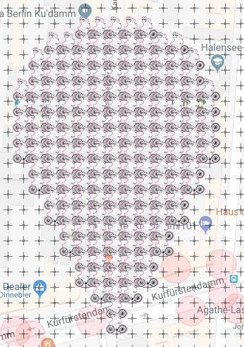
FLAT LOU Pin - Berlin Charlottenburg
 |  |  |  |  |  |  | completed on Dec. 9, 2019
 | Deployed | Available | Total
Flat Lou | 170 | 0 | 170
Complete: | 100.00%

Map Link:
https://www.munzee.com/map/u336wt0mf/17

THANK YOU!!
All gardens are now full! |  | 2019-12-09

Row | Column | Latitude | Longitude | Munzee | Username | URL | Comments
1 | 5 | 52.500266739809305 | 13.29408940909184 | Flat Lou | MeineDas | https://www.munzee.com/m/MeineDas/4011/
1 | 6 | 52.500266739574336 | 13.294325513599574 | Flat Lou | Georiffles | https://www.munzee.com/m/Georiffles/5292/
1 | 7 | 52.50026673933938 | 13.29456161810731 | Flat Lou | lupo6 | https://www.munzee.com/m/lupo6/2116
1 | 8 | 52.50026673910443 | 13.29479772261493 | Flat Lou | lupinchen | https://www.munzee.com/m/lupinchen/1237/
1 | 9 | 52.500266738869485 | 13.295033827122552 | Flat Lou | JRdaBoss | https://www.munzee.com/m/JRdaBoss/5209/
2 | 3 | 52.500123009834155 | 13.293617180006322 | Flat Lou | Blutengel | Https://www.munzee.com/m/blutengel/1084
2 | 4 | 52.50012300959921 | 13.293853283742123 | Flat Lou | ponu | https://www.munzee.com/m/ponu/5268/
2 | 5 | 52.50012300936425 | 13.294089387477925 | Flat Lou | Bungle | https://www.munzee.com/m/Bungle/1564
2 | 6 | 52.500123009129304 | 13.294325491213726 | Flat Lou | KobeJasper | https://www.munzee.com/m/KobeJasper/639
2 | 7 | 52.50012300889437 | 13.294561594949528 | Flat Lou | hz | https://www.munzee.com/m/hz/3383/
...

FULL - Flat Hammock Pin
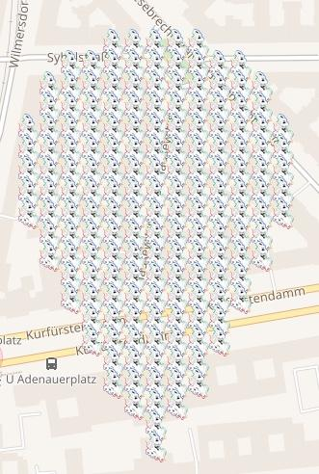
FLAT HAMMOCK Pin - Berlin Charlottenburg

 | Deployed | Available | Total
Flat Hammock | 170 | 0 | 170
Complete: | 100.00%

Map Link:
https://www.munzee.com/map/u336wv7yu/17.0

Row | Column | Latitude | Longitude | Munzee | Username | URL | Comments
1 | 5 | 52.50204621525031 | 13.308928109665658 | Flat Hammock | 10pmMeerkat | https://www.munzee.com/m/10pmMeerkat/6544/
1 | 6 | 52.50204621501534 | 13.30916422373025 | Flat Hammock | lupo6 | https://www.munzee.com/m/lupo6/2115
1 | 7 | 52.502046214780385 | 13.309400337794841 | Flat Hammock | lupinchen | https://www.munzee.com/m/lupinchen/1236
1 | 8 | 52.50204621454542 | 13.309636451859433 | Flat Hammock | MeineDas | https://www.munzee.com/m/MeineDas/4298/
1 | 9 | 52.50204621431047 | 13.309872565924024 | Flat Hammock | cvdchiller | https://www.munzee.com/m/cvdchiller/7058
2 | 3 | 52.50190248527472 | 13.308455861463244 | Flat Hammock | ageta | https://www.munzee.com/m/ageta/19116/
2 | 4 | 52.501902485039764 | 13.308691974755902 | Flat Hammock | Blutengel | Https://www.munzee.com/m/blutengel/1081
2 | 5 | 52.501902484804795 | 13.30892808804856 | Flat Hammock | richardg01 | https://www.munzee.com/m/richardg01/1397/
2 | 6 | 52.50190248456984 | 13.309164201341218 | Flat Hammock | ageta | https://www.munzee.com/m/ageta/19115/
...

FULL - Flat Rob Pin
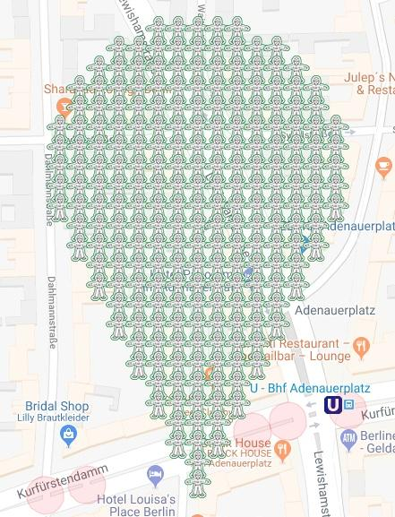
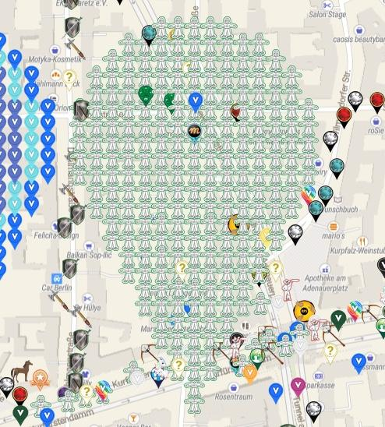
FLAT ROB Pin - Berlin Charlottenburg
 |  |  |  |  |  |  | Completed on Jan. 7, 2019:
 | Deployed | Available | Total
Flat Rob | 224 | 0 | 224
Complete: | 100.00%

Map Link:
https://www.munzee.com/map/u336wv9nh/17

Row | Column | Latitude | Longitude | Munzee | Username | URL
1 | 6 | 52.50269377476174 | 13.30519013218668 | Flat Rob | Andhanni | https://www.munzee.com/m/Andhanni/909/
1 | 7 | 52.502693774526776 | 13.305426249729408 | Flat Rob | kasimir | https://www.munzee.com/m/kasimir/9099/
1 | 8 | 52.50269377429181 | 13.305662367272134 | Flat Rob | Promethium | https://www.munzee.com/m/Promethium/977
1 | 9 | 52.502693774056844 | 13.305898484814861 | Flat Rob | geckofreund | https://www.munzee.com/m/geckofreund/1015/
1 | 10 | 52.502693773821875 | 13.306134602357588 | Flat Rob | kasimir | https://www.munzee.com/m/kasimir/8316/
2 | 4 | 52.502550044786155 | 13.304717877030726 | Flat Rob | Promethium | https://www.munzee.com/m/Promethium/973
2 | 5 | 52.502550044551185 | 13.304953993801519 | Flat Rob | foxyankee | https://www.munzee.com/m/foxyankee/2714
2 | 6 | 52.50255004431622 | 13.305190110572312 | Flat Rob | werla | https://www.munzee.com/m/werla/326/
2 | 7 | 52.502550044081254 | 13.305426227343105 | Flat Rob | mandello | https://www.munzee.com/m/mandello/7716/
2 | 8 | 52.50255004384628 | 13.305662344113898 | Flat Rob | Robby | https://www.munzee.com/m/Robby/8325/
2 | 9 | 52.502550043611315 | 13.305898460884691 | Flat Rob | listom | https://www.munzee.com/m/listom/11719/
2 | 10 | 52.502550043376345 | 13.306134577655484 | Flat Rob | mandello | https://www.munzee.com/m/mandello/7598/
2 | 11 | 52.50255004314139 | 13.306370694426278 | Flat Rob | Loreley | https://www.munzee.com/m/Loreley/7292/
2 | 12 | 52.50255004290642 | 13.30660681119707 | Flat Rob | Bladenhorst | https://www.munzee.com/m/Bladenhorst/1746/
3 | 3 | 52.50240631457567 | 13.304481740958863 | Flat Rob | TrialbyFire | https://www.munzee.com/m/TrialbyFire/6152/
3 | 4 | 52.5024063143407 | 13.304717856957609 | Flat Rob | rheinrich65 | https://www.munzee.com/m/rheinrich65/2707/
3 | 5 | 52.50240631410574 | 13.304953972956355 | Flat Rob | halizwein | https://www.munzee.com/m/halizwein/7665/
3 | 6 | 52.50240631387077 | 13.3051900889551 | Flat Rob | TrialbyFire | https://www.munzee.com/m/TrialbyFire/6153/
3 | 7 | 52.50240631363581 | 13.305426204953847 | Flat Rob | Cachelady | https://www.munzee.com/m/Cachelady/4724/
3 | 8 | 52.50240631340084 | 13.305662320952592 | Flat Rob | halizwein | https://www.munzee.com/m/halizwein/7713/
3 | 9 | 52.502406313165864 | 13.305898436951338 | Flat Rob | einkilorind | https://www.munzee.com/m/einkilorind/1895/
...

FULL-Crossbow Pin
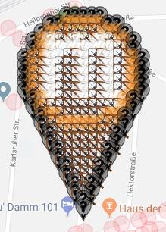
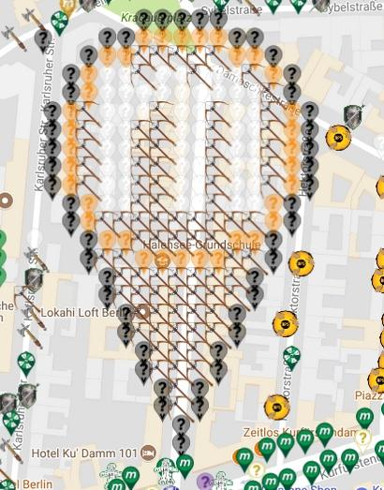
Crossbow Pin Berlin Charlottenburg
 |  |  |  |  |  | FULL:
 | Deployed | Available | Total
MVM Black | 51 | 0 | 51
MVM Orange | 35 | 0 | 35
MVM White | 52 | 0 | 52
Crossbow | 86 | 0 | 86
Total | 224 | 0 | 224
Complete: | 100.00%

Map Link:
https://www.munzee.com/map/u336wt64q/17

Row | Column | Latitude | Longitude | Munzee | Username | URL | Comments
1 | 6 | 52.501683584663404 | 13.295873300024596 | MVM Black | Polder58 | https://www.munzee.com/m/Polder58/5186
1 | 7 | 52.50168358442844 | 13.296109412141618 | MVM Black | Derlame | https://www.munzee.com/m/Derlame/7277/
1 | 8 | 52.50168358419348 | 13.29634552425864 | MVM Black | Wackeldackel | https://www.munzee.com/m/Wackeldackel/835/
1 | 9 | 52.501683583958524 | 13.296581636375663 | MVM Black | Gonzoni | https://www.munzee.com/m/Gonzoni/4935/
1 | 10 | 52.501683583723555 | 13.296817748492685 | MVM Black | TexasBandits | https://www.munzee.com/m/TexasBandits/3136/
2 | 4 | 52.50153985468792 | 13.295401055720276 | MVM Black | MrsBandit | https://www.munzee.com/m/MrsBandit/645/
2 | 5 | 52.50153985445295 | 13.295637167065365 | MVM Black | PubbE | https://www.munzee.com/m/PubbE/2107/
2 | 6 | 52.501539854217995 | 13.295873278410454 | MVM Orange | Tiralinka | https://www.munzee.com/m/Tiralinka/3743/
2 | 7 | 52.501539853983026 | 13.296109389755543 | MVM Orange | MV1 | https://www.munzee.com/m/MV1/7520/
2 | 8 | 52.50153985374807 | 13.296345501100632 | MVM Orange | jacksparrow | https://www.munzee.com/m/JackSparrow/13058
...

FULL - Mystery Pin
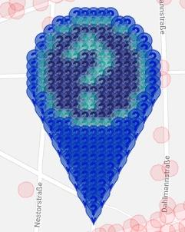
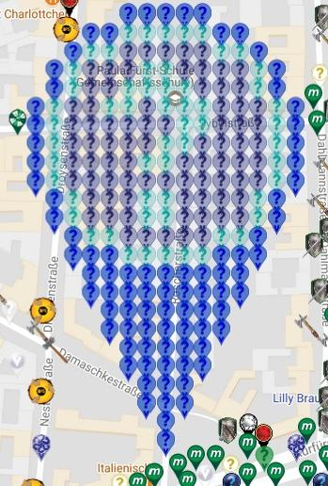
Mystery Pin Berlin Charlottenburg
 |  |  |  |  |  | Complete:
 | Deployed | Available | Total
MVM Blue | 87 | 0 | 87
MVM Light Blue | 56 | 0 | 56
MVM Indigo | 81 | 0 | 81
Total | 224 | 0 | 224
Complete: | 100.00%

Map link:
https://www.munzee.com/map/u336wtwj1/17

Row | Column | Latitude | Longitude | Munzee | Username | URL | Comments
1 | 6 | 52.50269569275949 | 13.301419736789398 | MVM Blue | flattermaus | https://www.munzee.com/m/Flattermaus/2677/
1 | 7 | 52.502695692524526 | 13.30165585434247 | MVM Blue | PubbE | https://www.munzee.com/m/PubbE/1832
1 | 8 | 52.50269569228955 | 13.301891971895543 | MVM Blue | Tiralinka | https://www.munzee.com/m/Tiralinka/3715/
1 | 9 | 52.50269569205458 | 13.302128089448615 | MVM Blue | Gonzoni | https://www.munzee.com/m/Gonzoni/4979/
1 | 10 | 52.50269569181962 | 13.302364207001688 | MVM Blue | PubbE | https://www.munzee.com/m/PubbE/1834/
2 | 4 | 52.50255196278396 | 13.300947483926166 | MVM Blue | TexasBandits | https://www.munzee.com/m/TexasBandits/3135/
2 | 5 | 52.502551962548985 | 13.30118360070719 | MVM Blue | MrsBandit | https://www.munzee.com/m/MrsBandit/646/
2 | 6 | 52.502551962314016 | 13.301419717488216 | MVM Light Blue | Gonzoni | https://www.munzee.com/m/Gonzoni/4978/
2 | 7 | 52.50255196207905 | 13.30165583426924 | MVM Light Blue | MV1 | https://www.munzee.com/m/MV1/7121/
2 | 8 | 52.502551961844084 | 13.301891951050266 | MVM Light Blue | lupo6 | https://www.munzee.com/m/lupo6/1609
...

FULL - Greenie Pin
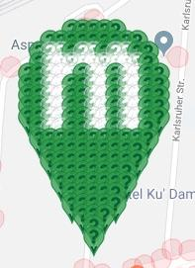
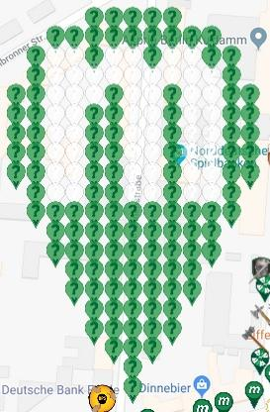
Greenie Berlin Charlottenburg
 |  |  |  |  |  | complete:
 | Deployed | Available | Total
MVM Dark Green | 118 | 0 | 118
MVM White | 52 | 0 | 52
Total | 170 | 0 | 170
Complete: | 100.00%

Map Link:
https://www.munzee.com/map/u336wmppp/17

Row | Column | Latitude | Longitude | Munzee | Username | URL | Comments
1 | 5 | 52.50053976087367 | 13.292104351865419 | MVM Dark Green | Derlame | https://www.munzee.com/m/Derlame/7442/
1 | 6 | 52.5005397606387 | 13.292340457839373 | MVM Dark Green | Wackeldackel | https://www.munzee.com/m/Wackeldackel/850/
1 | 7 | 52.50053976040375 | 13.292576563813327 | MVM Dark Green | MV1 | https://www.munzee.com/m/MV1/7526/
1 | 8 | 52.5005397601688 | 13.292812669787281 | MVM Dark Green | TexasBandits | https://www.munzee.com/m/TexasBandits/3137/
1 | 9 | 52.500539759933844 | 13.293048775761235 | MVM Dark Green | MrsBandit | https://www.munzee.com/m/MrsBandit/644/
2 | 3 | 52.500396030898145 | 13.291632119847236 | MVM Dark Green | Gonzoni | https://www.munzee.com/m/Gonzoni/4931/
2 | 4 | 52.50039603066319 | 13.291868225049257 | MVM Dark Green | Zanika | https://www.munzee.com/m/Zanika/356/
2 | 5 | 52.50039603042824 | 13.292104330251277 | MVM Dark Green | Reisari | https://www.munzee.com/m/Reisari/533/
2 | 6 | 52.50039603019329 | 13.292340435453298 | MVM Dark Green | Kegelhexe | https://www.munzee.com/m/Kegelhexe/1742/
...

