MOA electric monster
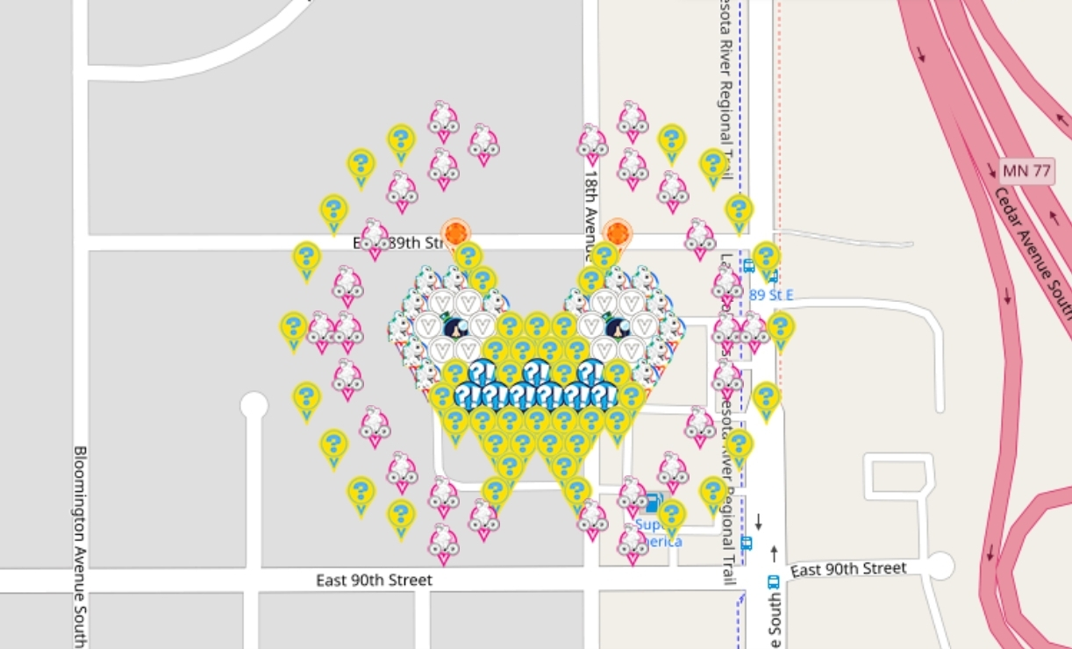
Row | Column | Latitude | Longitude | Color | Username | URL
0 |  | 44.84244482 | -93.25016089 | Citrine | EagleDadandXenia | https://www.munzee.com/m/EagleDadandXenia/17806/
0 |  | 44.84244482 | -93.24894464 | Citrine | MrIVV | https://www.munzee.com/m/MrIVV/2454/
1 | 3 | 44.842320348 | -93.250059549 | electric mystery | cdwilliams1 | https://www.munzee.com/m/cdwilliams1/2277
1 | 8 | 44.842320348 | -93.249046007 | electric mystery | crazycolorado | https://www.munzee.com/m/Crazycolorado/2899/
2 |  | 44.84219587 | -93.25036362 | Flat Hammock | TeamTazmina | https://www.munzee.com/m/TeamTazmina/1203/
2 |  | 44.84219587 | -93.25016092 | Flat Hammock | driver582 | https://www.munzee.com/m/driver582/7166
2 | 3 | 44.842195874 | -93.249958207 | electric mystery | Smith2190 | https://www.munzee.com/m/Smith2190/808
2 | 7 | 44.842195873 | -93.249147375 | electric mystery | tlmeadowlark | https://www.munzee.com/m/tlmeadowlark/5029/
2 |  | 44.84219587 | -93.24894467 | Flat Hammock | babyw | https://www.munzee.com/m/babyw/2766/
2 |  | 44.84219587 | -93.24874196 | Flat Hammock | lanyasummer | https://www.munzee.com/m/Lanyasummer/4126/
3 |  | 44.8420714 | -93.25046499 | Flat Hammock | MrIVV | https://www.munzee.com/m/MrIVV/2749/
3 | 2 | 44.8420714 | -93.25026228 | White Virtual | Belboz | https://www.munzee.com/m/Belboz/16127/
3 | 3 | 44.8420714 | -93.250059573 | White Virtual | destolkjes4ever | https://www.munzee.com/m/destolkjes4ever/1984/
3 |  | 44.8420714 | -93.24985687 | Flat Hammock | jennbaby82 | https://www.munzee.com/m/Jennbaby82/3630 |  |  | created by geomatrix
3 |  | 44.8420714 | -93.24924874 | Flat Hammock | lightek | https://www.munzee.com/m/Lightek/4493
3 | 8 | 44.842071399 | -93.249046035 | White Virtual | tossie | https://www.munzee.com/m/Tossie/5916/
3 | 9 | 44.842071399 | -93.248843327 | White Virtual | DiSaRu | https://www.munzee.com/m/DiSaRu/3797/ | map | https://www.munzee.com/map/9zvxn51u9/16
3 |  | 44.8420714 | -93.24864062 | Flat Hammock | MrIVV | https://www.munzee.com/m/MrIVV/2667/
4 |  | 44.84194693 | -93.25056635 | Flat Hammock | Majsan | https://www.munzee.com/m/Majsan/4405/ | sheet | https://tinyurl.com/yaebn9dd
4 | 1 | 44.841946926 | -93.250363645 | White Virtual | GrizzSteve | https://www.munzee.com/m/GrizzSteve/3217/
4 | 2 | 44.841946926 | -93.250160938 | sir prize wheel | teamsturms | https://www.munzee.com/m/teamsturms/1704/ | thank you for deploying in MOA gardens
4 | 3 | 44.841946926 | -93.249958231 | White Virtual | Centern | https://www.munzee.com/m/Centern/3577/
4 | 4 | 44.841946925 | -93.249755524 | electric mystery | meganduluth22 | https://www.munzee.com/m/Meganduluth22/740/
4 | 5 | 44.841946925 | -93.249552817 | electric mystery | geomatrix | https://www.munzee.com/m/geomatrix/9942/
4 | 6 | 44.841946925 | -93.24935011 | electric mystery | mihul | https://www.munzee.com/m/mihul/3777/
4 | 7 | 44.841946925 | -93.249147402 | White Virtual | WVKiwi | https://www.munzee.com/m/wvkiwi/7781/
4 | 8 | 44.841946925 | -93.248944695 | sir prize wheel | beckiweber | https://www.munzee.com/m/beckiweber/5557/
4 | 9 | 44.841946925 | -93.248741988 | White Virtual | GrizzSteve | https://www.munzee.com/m/GrizzSteve/3219/
4 |  | 44.84194692 | -93.24853928 | Flat Hammock | szakica | https://www.munzee.com/m/szakica/1717/
5 |  | 44.84182245 | -93.25046501 | Flat Hammock | Peter1980 | https://www.munzee.com/m/Peter1980/4453/
5 | 2 | 44.841822452 | -93.250262303 | White Virtual | Nymphetamine | https://www.munzee.com/m/Nymphetamine/115/
5 | 3 | 44.841822451 | -93.250059596 | White Virtual | Samsquantch | https://www.munzee.com/m/Samsquantch/106/
5 | 4 | 44.841822451 | -93.249856889 | electric mystery | lightek | https://www.munzee.com/m/Lightek/4500
5 | 5 | 44.841822451 | -93.249654183 | electric mystery | MrIVV | https://www.munzee.com/m/MrIVV/2541/
5 | 6 | 44.841822451 | -93.249451476 | electric mystery | Sivontim | https://www.munzee.com/m/Sivontim/11651/
5 | 7 | 44.841822451 | -93.249248769 | electric mystery | lightek | https://www.munzee.com/m/Lightek/4460
5 | 8 | 44.841822451 | -93.249046063 | White Virtual | shingobee23 | https://www.munzee.com/m/shingobee23/3436/
5 | 9 | 44.84182245 | -93.248843356 | White Virtual | dboracle | https://www.munzee.com/m/dboracle/4817
5 |  | 44.84182245 | -93.24864065 | Flat Hammock | BonnieB1 | https://www.munzee.com/m/BonnieB1/4401/
6 |  | 44.84169798 | -93.25036367 | Flat Hammock | jennbaby82 | https://www.munzee.com/m/Jennbaby82/3574
6 | 2 | 44.841697977 | -93.250160961 | electric mystery | ASHtheGeoGenius | https://www.munzee.com/m/ashthegeogenius/297/
6 | 3 | 44.841697977 | -93.249958255 | surprise | FRLK | https://www.munzee.com/m/FRLK/9386/
6 | 4 | 44.841697977 | -93.249755549 | electric mystery | mars00xj | https://www.munzee.com/m/mars00xj/12428/
6 | 5 | 44.841697977 | -93.249552842 | surprise | JABIE28 | https://www.munzee.com/m/JABIE28/3808/
6 | 6 | 44.841697977 | -93.249350136 | electric mystery | kiitokurre | https://www.munzee.com/m/Kiitokurre/5932/
6 | 7 | 44.841697976 | -93.24914743 | surprise | annabanana | https://www.munzee.com/m/annabanana/7314/
6 | 8 | 44.841697976 | -93.248944723 | electric mystery | geomatrix | https://www.munzee.com/m/geomatrix/9875/
6 |  | 44.84169798 | -93.24874202 | Flat Hammock | mars00xj | https://www.munzee.com/m/mars00xj/12307/
7 | 2 | 44.841573503 | -93.250262325 | electric mystery | driver582 | https://www.munzee.com/m/driver582/7149
7 | 3 | 44.841573503 | -93.25005962 | surprise | Sivontim | https://www.munzee.com/m/Sivontim/11565/
7 | 4 | 44.841573503 | -93.249856914 | surprise | timandweze | https://www.munzee.com/m/timandweze/7311
7 | 5 | 44.841573503 | -93.249654208 | surprise | EagleDadandXenia | https://www.munzee.com/m/EagleDadandXenia/18236/
7 | 6 | 44.841573502 | -93.249451502 | surprise | kwd | https://www.munzee.com/m/kwd/6498
7 | 7 | 44.841573502 | -93.249248796 | surprise | FRLK | https://www.munzee.com/m/FRLK/9399/
7 | 8 | 44.841573502 | -93.24904609 | surprise | driver582 | https://www.munzee.com/m/driver582/6599
7 | 9 | 44.841573502 | -93.248843385 | electric mystery | KingPrawn | https://www.munzee.com/m/KingPrawn/1579/
8 | 2 | 44.841449029 | -93.250160984 | electric mystery | geomatrix | https://www.munzee.com/m/geomatrix/9881/
8 | 3 | 44.841449029 | -93.249958279 | electric mystery | Westmarch | https://www.munzee.com/m/Westmarch/1943/
8 | 4 | 44.841449028 | -93.249755573 | electric mystery | jennbaby82 | https://www.munzee.com/m/Jennbaby82/3618
8 | 5 | 44.841449028 | -93.249552868 | electric mystery | Lightek | https://www.munzee.com/m/Lightek/4455
8 | 6 | 44.841449028 | -93.249350163 | electric mystery | meka | https://www.munzee.com/m/meka/4312/
8 | 7 | 44.841449028 | -93.249147457 | electric mystery | jennbaby82 | https://www.munzee.com/m/Jennbaby82/3607
8 | 8 | 44.841449028 | -93.248944752 | electric mystery | lightek | https://www.munzee.com/m/Lightek/4451
9 | 4 | 44.841324554 | -93.249856938 | electric mystery | Hmmm | https://www.munzee.com/m/Hmmm/3865/
9 | 5 | 44.841324554 | -93.249654233 | electric mystery | MrIVV | https://www.munzee.com/m/MrIVV/2551/
9 | 6 | 44.841324554 | -93.249451528 | electric mystery | dboracle | https://www.munzee.com/m/dboracle/4869
9 | 7 | 44.841324554 | -93.249248823 | electric mystery | MeanderingMonkeys | https://www.munzee.com/m/MeanderingMonkeys/15723/
10 | 4 | 44.84120008 | -93.249755598 | electric mystery | cdwilliams1 | https://www.munzee.com/m/cdwilliams1/2361
10 | 6 | 44.84120008 | -93.249350189 | electric mystery | CoalCracker7 | https://www.munzee.com/m/CoalCracker7/8218/
11 | 4 | 44.841075606 | -93.249856962 | electric mystery | rgforsythe | https://www.munzee.com/m/rgforsythe/7825
11 | 7 | 44.841075605 | -93.24924885 | electric mystery | lghtek | https://www.munzee.com/m/Lightek/4385

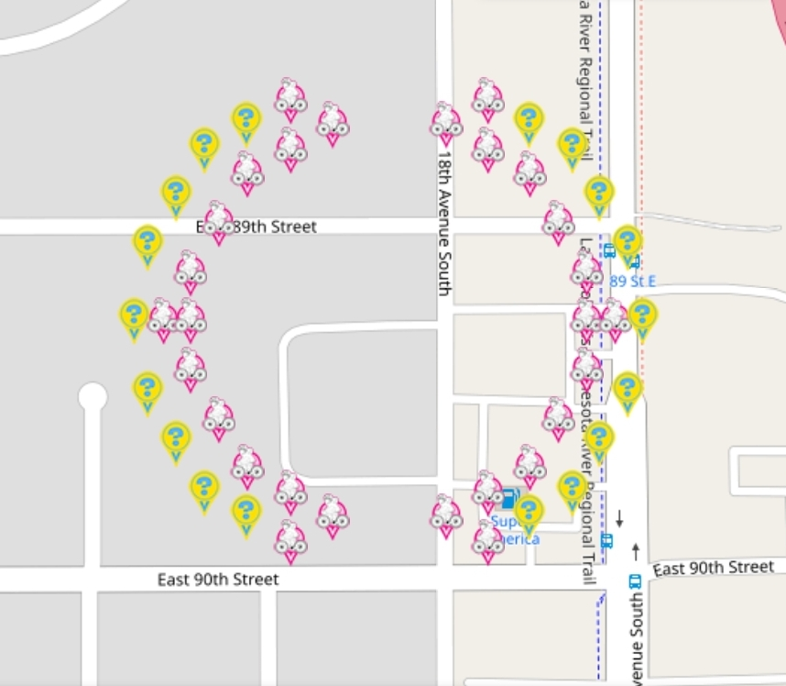
 |  |  |  |  |  |  |  | FLAT LOU ADDITION
1 | 7 | 44.84306719 | -93.25026219 | Flat Lou | jennbaby82 | https://www.munzee.com/m/Jennbaby82/3628
1 | 14 | 44.84306719 | -93.24884321 | Flat Lou | jennbaby82 | https://www.munzee.com/m/Jennbaby82/3617
2 | 5 | 44.84294272 | -93.25056627 | electric mystery | EagleDadandXenia | https://www.munzee.com/m/EagleDadandXenia/18542/
2 | 8 | 44.84294272 | -93.24995814 | Flat Lou | Lightek | https://www.munzee.com/m/Lightek/4491
2 | 12 | 44.84294272 | -93.24914729 | Flat Lou | Westmarch | https://www.munzee.com/m/Westmarch/1875/
2 | 15 | 44.84294272 | -93.24853916 | electric mystery | JABIE28 | https://www.munzee.com/m/JABIE28/3943/
3 | 4 | 44.84281825 | -93.25087034 | electric mystery | geomatrix | https://www.munzee.com/m/geomatrix/9882/
3 | 7 | 44.84281825 | -93.25026221 | Flat Lou | nbtzyy2 | https://www.munzee.com/m/Nbtzyy2/582/admin/
3 | 14 | 44.84281824 | -93.24884324 | Flat Lou | Lightek | https://www.munzee.com/m/Lightek/4462
3 | 17 | 44.84281824 | -93.24823511 | electric mystery | MPeters82 | https://www.munzee.com/m/MPeters82/1829/
4 | 5 | 44.84269377 | -93.25056629 | Flat Lou | jennbaby82 | https://www.munzee.com/m/Jennbaby82/3585
4 | 15 | 44.84269377 | -93.24853919 | Flat Lou | jennbaby82 | https://www.munzee.com/m/Jennbaby82/3584
5 | 3 | 44.8425693 | -93.25107307 | electric mystery | lightek | https://www.munzee.com/m/Lightek/4384
5 | 18 | 44.8425693 | -93.24803243 | electric mystery | lightek | https://www.munzee.com/m/Lightek/4383
6 | 4 | 44.84244482 | -93.25076902 | Flat Lou | 5star | https://www.munzee.com/m/5Star/5423/
6 | 16 | 44.84244482 | -93.24833651 | Flat Lou | lightek | https://www.munzee.com/m/Lightek/4441
7 | 2 | 44.84232035 | -93.2512758 | electric mystery | geomatrix | https://www.munzee.com/m/geomatrix/9879/
7 | 19 | 44.84232035 | -93.24782976 | electric mystery | geomatrix | https://www.munzee.com/m/geomatrix/9876/
8 | 3 | 44.84219588 | -93.25097175 | Flat Lou | jennbaby82 | https://www.munzee.com/m/Jennbaby82/3564
8 | 17 | 44.84219587 | -93.24813383 | Flat Lou | jennbaby82 | https://www.munzee.com/m/Jennbaby82/3558
10 | 1 | 44.84194693 | -93.25137718 | electric mystery | IggiePiggie | https://www.munzee.com/m/IggiePiggie/1616/
10 | 2 | 44.84194693 | -93.25117447 | Flat Lou | lightek | https://www.munzee.com/m/Lightek/4408
10 | 3 | 44.84194693 | -93.25097177 | Flat Lou | Centern | https://www.munzee.com/m/Centern/3669/
10 | 17 | 44.84194692 | -93.24813387 | Flat Lou | Westmarch | https://www.munzee.com/m/Westmarch/1942/
10 | 18 | 44.84194692 | -93.24793116 | Flat Lou | VLoopSouth | https://www.munzee.com/m/VLoopSouth/621/
10 | 19 | 44.84194692 | -93.24772845 | electric mystery | KeddyKlan | https://www.munzee.com/m/keddyklan/1251/
12 | 3 | 44.84169798 | -93.25097179 | Flat Lou | jennbaby82 | https://www.munzee.com/m/Jennbaby82/3544
12 | 17 | 44.84169798 | -93.2481339 | Flat Lou | jennbaby82 | https://www.munzee.com/m/Jennbaby82/3535
13 | 2 | 44.8415735 | -93.25127585 | electric mystery | geomatrix | https://www.munzee.com/m/geomatrix/9989/
13 | 19 | 44.8415735 | -93.24782986 | electric mystery | geomatrix | https://www.munzee.com/m/geomatrix/9948/
14 | 4 | 44.84144903 | -93.2507691 | Flat Lou | dorsetknob | https://www.munzee.com/m/dorsetknob/3984/
14 | 16 | 44.84144903 | -93.24833664 | Flat Lou | lightek | https://www.munzee.com/m/Lightek/4433
15 | 3 | 44.84132456 | -93.25107317 | electric mystery | JABIE28 | https://www.munzee.com/m/JABIE28/3895/
15 | 18 | 44.84132455 | -93.24803259 | electric mystery | lancelot | https://www.munzee.com/m/lancelot/988/
16 | 5 | 44.84120008 | -93.25056642 | Flat Lou | jennbaby82 | https://www.munzee.com/m/Jennbaby82/3501
16 | 15 | 44.84120008 | -93.24853937 | Flat Lou | jennbayb82 | https://www.munzee.com/m/Jennbaby82/3486/
17 | 4 | 44.84107561 | -93.25087048 | electric mystery | kwd | https://www.munzee.com/m/kwd/6730
17 | 7 | 44.84107561 | -93.25026237 | Flat Lou | JABIE28 | https://www.munzee.com/m/JABIE28/3965/
17 | 14 | 44.8410756 | -93.24884344 | Flat Lou | lightek | https://www.munzee.com/m/Lightek/4398
17 | 17 | 44.8410756 | -93.24823533 | electric mystery | geomatrix | https://www.munzee.com/m/geomatrix/9880/
18 | 5 | 44.84095113 | -93.25056644 | electric mystery | dorsetknob | https://www.munzee.com/m/dorsetknob/3933/
18 | 8 | 44.84095113 | -93.24995833 | Flat Lou | Westmarch | https://www.munzee.com/m/Westmarch/1909/
18 | 12 | 44.84095113 | -93.24914751 | Flat Lou | shingobee23 | https://www.munzee.com/m/shingobee23/3513/
18 | 15 | 44.84095113 | -93.2485394 | electric mystery | wally62 | https://www.munzee.com/m/wally62/4901/
19 | 7 | 44.84082666 | -93.25026239 | Flat Lou | lightek | https://www.munzee.com/m/Lightek/4364
19 | 14 | 44.84082666 | -93.24884347 | Flat Lou | lnlevy01 | https://www.munzee.com/m/lnlevy01/1016/

