Lapas1
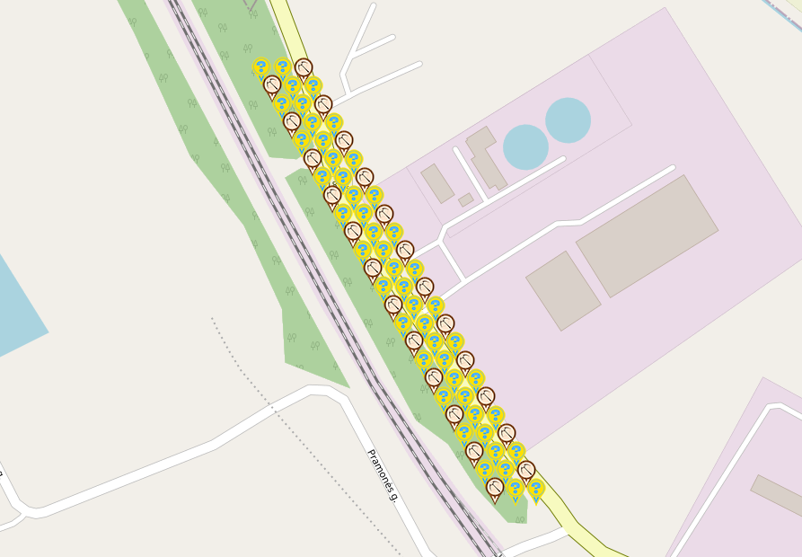
Kaišiadorys MINI Electric Garden

Total spots: |  | 72
Filled: |  | 72
Complete: |  | 100.00%

Map link: |  | https://www.munzee.com/map/u9c2hjj1j/16.0
Spreadsheet link: |  | shorturl.at/atIRZ

 |  | Thank You for Deploying!

Row | Column | Latitude | Longitude | Munzee | Type | Username | URL | Comments | Deployed

1 | 1 | 54.87171732 | 24.44043162 | Electric Mystery | electric mystery | Valiuse | https://www.munzee.com/m/Valiuse/1050/
1 | 2 | 54.87171481 | 24.44068137 | Electric Mystery | electric mystery | Dariuneee | https://www.munzee.com/m/Dariuneee/1257/
1 | 3 | 54.87171231 | 24.44093112 | Crossbow | crossbow | iamandrius | https://www.munzee.com/m/iamandrius/1561/
2 | 1 | 54.87159161 | 24.44055271 | Crossbow | crossbow | Bitux | https://www.munzee.com/m/BituX/10416/
2 | 2 | 54.8715891 | 24.44080246 | Electric Mystery | electric mystery | muneze | https://www.munzee.com/m/muneze/1020/
2 | 3 | 54.8715866 | 24.44105221 | Electric Mystery | electric mystery | PoniaN | https://www.munzee.com/m/PoniaN/1407/
3 | 2 | 54.8714659 | 24.44067379 | Electric Mystery | electric mystery | Express | https://www.munzee.com/m/Express/819/admin/
3 | 3 | 54.87146339 | 24.44092354 | Electric Mystery | electric mystery | Za5ibys | https://www.munzee.com/m/Za5ibys/30/
3 | 4 | 54.87146089 | 24.44117329 | Crossbow | crossbow | zhioorkie | https://www.munzee.com/m/zhioorkie/8891/
4 | 2 | 54.87134019 | 24.44079487 | Crossbow | crossbow | dofke220 | https://www.munzee.com/m/dofke220/1091/
4 | 3 | 54.87133769 | 24.44104462 | Electric Mystery | electric mystery | Vitalijus | https://www.munzee.com/m/Vitalijus/3887/
4 | 4 | 54.87133518 | 24.44129437 | Electric Mystery | electric mystery | Dariuneee | https://www.munzee.com/m/Dariuneee/1249/
5 | 3 | 54.87121448 | 24.44091595 | Electric Mystery | electric mystery | Valiuse | https://www.munzee.com/m/Valiuse/1182/
5 | 4 | 54.87121198 | 24.4411657 | Electric Mystery | electric mystery | Nenuorama | https://www.munzee.com/m/Nenuorama/2176/
5 | 5 | 54.87120947 | 24.44141545 | Crossbow | crossbow | ajaxiss | https://www.munzee.com/m/ajaxiss/1497
6 | 3 | 54.87108877 | 24.44103704 | Crossbow | crossbow | Bitux | https://www.munzee.com/m/BituX/10410/
6 | 4 | 54.87108627 | 24.44128678 | Electric Mystery | electric mystery | Ovaldas | https://www.munzee.com/m/Ovaldas/8709/
6 | 5 | 54.87108376 | 24.44153653 | Electric Mystery | electric mystery | Express | https://www.munzee.com/m/Express/830/admin/map/
7 | 4 | 54.87096306 | 24.44115812 | Electric Mystery | electric mystery | zhioorkie | https://www.munzee.com/m/zhioorkie/9183/
7 | 5 | 54.87096056 | 24.44140786 | Electric Mystery | electric mystery | Vitalijus | https://www.munzee.com/m/Vitalijus/3732/
7 | 6 | 54.87095805 | 24.44165761 | Crossbow | crossbow | Dariuneee | https://www.munzee.com/m/Dariuneee/623/
8 | 4 | 54.87083736 | 24.4412792 | Crossbow | crossbow | dofke220 | https://www.munzee.com/m/dofke220/1086/
8 | 5 | 54.87083485 | 24.44152894 | Electric Mystery | electric mystery | muneze | https://www.munzee.com/m/muneze/850/
8 | 6 | 54.87083234 | 24.44177869 | Electric Mystery | electric mystery | za5ibys | https://www.munzee.com/m/Za5ibys/54/
9 | 5 | 54.87071165 | 24.44140027 | Electric Mystery | electric mystery | ajaxiss | https://www.munzee.com/m/ajaxiss/1501
9 | 6 | 54.87070914 | 24.44165002 | Electric Mystery | electric mystery | Ovaldas | https://www.munzee.com/m/Ovaldas/8702/
9 | 7 | 54.87070663 | 24.44189976 | Crossbow | crossbow | Express | https://www.munzee.com/m/Express/826/admin/map/
10 | 5 | 54.87058594 | 24.44152135 | Crossbow | crossbow | Bitux | https://www.munzee.com/m/BituX/10398/
10 | 6 | 54.87058343 | 24.4417711 | Electric Mystery | electric mystery | Valiuse | https://www.munzee.com/m/Valiuse/1006/
10 | 7 | 54.87058092 | 24.44202084 | Electric Mystery | electric mystery | iamandrius | https://www.munzee.com/m/iamandrius/1777/
11 | 6 | 54.87046023 | 24.44164243 | Electric Mystery | electric mystery | Dariuneee | https://www.munzee.com/m/Dariuneee/1292/
11 | 7 | 54.87045772 | 24.44189217 | Electric Mystery | electric mystery | Vitalijus | https://www.munzee.com/m/Vitalijus/3724/
11 | 8 | 54.87045521 | 24.44214191 | Crossbow | crossbow | dofke220 | https://www.munzee.com/m/dofke220/1074/
12 | 6 | 54.87033452 | 24.44176351 | Crossbow | crossbow | ajaxiss | https://www.munzee.com/m/ajaxiss/1507
12 | 7 | 54.87033201 | 24.44201325 | Electric Mystery | electric mystery | Ovaldas | https://www.munzee.com/m/Ovaldas/8645/
12 | 8 | 54.8703295 | 24.44226299 | Electric Mystery | electric mystery | PoniaN | https://www.munzee.com/m/PoniaN/1403/
13 | 7 | 54.87020881 | 24.44188458 | Electric Mystery | electric mystery | zhioorkie | https://www.munzee.com/m/zhioorkie/9181/
13 | 8 | 54.8702063 | 24.44213432 | Electric Mystery | electric mystery | Valiuse | https://www.munzee.com/m/Valiuse/1029/
13 | 9 | 54.87020379 | 24.44238406 | Crossbow | crossbow | Express | https://www.munzee.com/m/Express/831/admin/
14 | 7 | 54.8700831 | 24.44200566 | Crossbow | crossbow | Bitux | https://www.munzee.com/m/BituX/10397/
14 | 8 | 54.87008059 | 24.4422554 | Electric Mystery | electric mystery | Dariuneee | https://www.munzee.com/m/Dariuneee/1285/
14 | 9 | 54.87007808 | 24.44250514 | Electric Mystery | electric mystery | Vitalijus | https://www.munzee.com/m/Vitalijus/3724/
15 | 8 | 54.86995739 | 24.44212673 | Electric Mystery | electric mystery | iamandrius | https://www.munzee.com/m/iamandrius/2069/
15 | 9 | 54.86995488 | 24.44237647 | Electric Mystery | electric mystery | Ovaldas | https://www.munzee.com/m/Ovaldas/8677/
15 | 10 | 54.86995237 | 24.44262621 | Crossbow | crossbow | ajaxiss | https://www.munzee.com/m/ajaxiss/1510
16 | 8 | 54.86983168 | 24.4422478 | Crossbow | crossbow | Dofke220 | https://www.munzee.com/m/dofke220/1070/
16 | 9 | 54.86982917 | 24.44249754 | Electric Mystery | electric mystery | zhioorkie | https://www.munzee.com/m/zhioorkie/9179/
16 | 10 | 54.86982666 | 24.44274728 | Electric Mystery | electric mystery | Valiuse | https://www.munzee.com/m/Valiuse/1002/
17 | 9 | 54.86970597 | 24.44236888 | Electric Mystery | electric mystery | Bitux | https://www.munzee.com/m/BituX/10474
17 | 10 | 54.86970346 | 24.44261862 | Electric Mystery | electric mystery | Vitalijus | https://www.munzee.com/m/Vitalijus/3862/
17 | 11 | 54.86970095 | 24.44286835 | Crossbow | crossbow | Dariuneee | https://www.munzee.com/m/Dariuneee/656/
18 | 9 | 54.86958026 | 24.44248995 | Crossbow | crossbow | PoniaN | https://www.munzee.com/m/PoniaN/1390/
18 | 10 | 54.86957775 | 24.44273969 | Electric Mystery | electric mystery | Express | https://www.munzee.com/m/Express/765/
18 | 11 | 54.86957524 | 24.44298942 | Electric Mystery | electric mystery | Ovaldas | https://www.munzee.com/m/Ovaldas/8618/
19 | 10 | 54.86945455 | 24.44261102 | Electric Mystery | electric mystery | ajaxiss | https://www.munzee.com/m/ajaxiss/1500
19 | 11 | 54.86945204 | 24.44286076 | Electric Mystery | electric mystery | iamandrius | https://www.munzee.com/m/iamandrius/1718/
19 | 12 | 54.86944953 | 24.44311049 | Crossbow | crossbow | Nenuorama | https://www.munzee.com/m/Nenuorama/2305/
20 | 10 | 54.86932884 | 24.44273209 | Crossbow | crossbow | dofke220 | https://www.munzee.com/m/dofke220/1063/
20 | 11 | 54.86932633 | 24.44298183 | Electric Mystery | electric mystery | muneze | https://www.munzee.com/m/muneze/811/
20 | 12 | 54.86932382 | 24.44323156 | Electric Mystery | electric mystery | Vitalijus | https://www.munzee.com/m/Vitalijus/3720/
21 | 11 | 54.86920313 | 24.44285316 | Electric Mystery | electric mystery | Bitux | https://www.munzee.com/m/BituX/10430/
21 | 12 | 54.86920062 | 24.4431029 | Electric Mystery | electric mystery | Express | https://www.munzee.com/m/Express/791/
21 | 13 | 54.86919811 | 24.44335263 | Crossbow | crossbow | Dariuneee | https://www.munzee.com/m/Dariuneee/662/
22 | 11 | 54.86907742 | 24.44297423 | Crossbow | crossbow | Rubin | https://www.munzee.com/m/Rubin/1110/
22 | 12 | 54.86907491 | 24.44322396 | Electric Mystery | electric mystery | zhioorkie | https://www.munzee.com/m/zhioorkie/9013/
22 | 13 | 54.8690724 | 24.4434737 | Electric Mystery | electric mystery | Ovaldas | https://www.munzee.com/m/Ovaldas/8719/
23 | 12 | 54.86895171 | 24.4430953 | Electric Mystery | electric mystery | Valiuse | https://www.munzee.com/m/Valiuse/1057/
23 | 13 | 54.8689492 | 24.44334503 | Electric Mystery | electric mystery | za5ibys | https://www.munzee.com/m/Za5ibys/26/
23 | 14 | 54.86894669 | 24.44359476 | Crossbow | crossbow | ajaxiss | https://www.munzee.com/m/ajaxiss/1508
24 | 12 | 54.868826 | 24.44321636 | Crossbow | crossbow | Bitux | https://www.munzee.com/m/BituX/10389/
24 | 13 | 54.86882349 | 24.4434661 | Electric Mystery | electric mystery | Dofke220 | https://www.munzee.com/m/dofke220/1124/
24 | 14 | 54.86882098 | 24.44371583 | Electric Mystery | electric mystery | Express | https://www.munzee.com/m/Express/811/

Please do NOT delete the following line. You will need it if you want to load the CSV file back to the map!
URL: gardenpainter.ide.sk | 54.87088 | 24.44284201 | 23 | 20 | 91 | 1 | 40 | 15

