Berlin Void & Maple Chess Garde
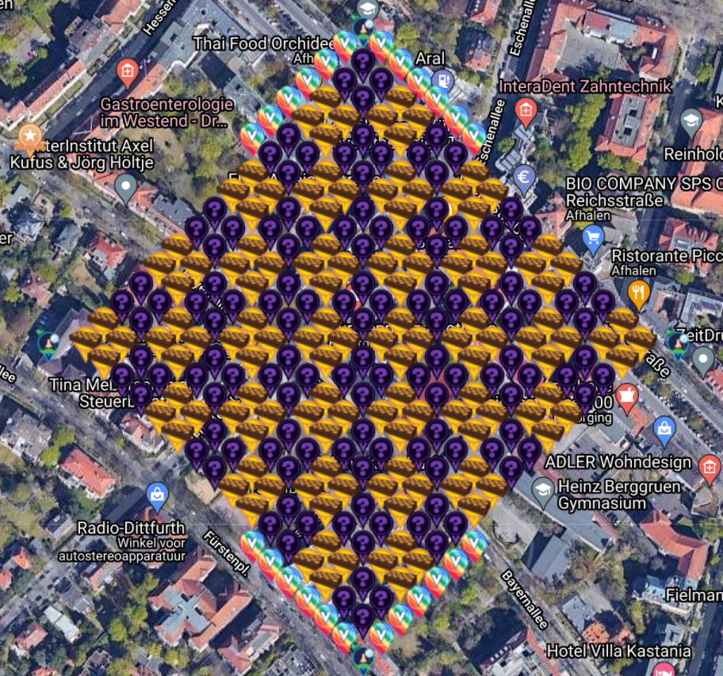
Berlin Void & Maple Chess Garden
 |  |  |  |  | Location | Berlin Westend
 |  |  |  |  | Map Link | https://www.munzee.com/map/u336tzdf9/15.6
 |  |  |  |  | Spreadsheet link | https://docs.google.com/spreadsheets/d/1I7JZXb1MN4sA5S3JFYAxTWDxeVDMXSuyJ7GHWytYmp0/edit?usp=sharing
 |  |  |  |  | Published | 2021-09-03

 |  |  |  |  | Created by | 123xilef
 |  |  |  |  | Number of players | 104 |  | RESERVED/
 |  |  |  |  |  | Total | FREE | PREPARED | DEPLOYED | 1
 |  |  |  |  |  | 285 | 44 | 6 | 198
 |  |  |  |  | Virtual Maple Chess Set | 128 | 19 | 4 | 102
 |  |  |  |  | Sir Prize Wheel | 4 | 0 | 0 | 4
 |  |  |  |  | Void Mystery | 128 | 25 | 2 | 68
 |  |  |  |  | Virtual Rainbow | 24 | 0 | 0 | 23
 |  |  |  |  | POI Virtual Garden | 1 | 0 | 0 | 1

 |  |  |  |  | Here we have a little Chessboard garden in Berlin (Germany)
 |  |  |  |  | We hope this garden will help to gather all the scattering specials and so this will also bring a lot of capon points
 |  |  |  |  | Physical Chess Munzees are also welcome in this area ... makes it easier to collect the scatters :-)

 |  |  |  |  | ... and we have added also the new VOID Mysteries to have a central place

Row | Column | Latitude | Longitude | Munzee | Color | Username | URL | Comments | dep | Check
1 | 6 | 52.51320502431142 | 13.262405044274033 | POI Virtual Garden | poi virtual garden | 123xilef | https://www.munzee.com/m/123xilef/13244/ |  | Deployed | TRUE
7 | 1 | 52.51208706369492 | 13.262571926732903 | Sir Prize Wheel | sir prize wheel | lanyasummer | https://www.munzee.com/m/Lanyasummer/7073/ |  | Deployed | TRUE
7 | 12 | 52.51320502290128 | 13.264408908234486 | Virtual Rainbow | rainbow | chickenrun | https://www.munzee.com/m/ChickenRun/16948 |  | Deployed | TRUE
7 | 13 | 52.5133066555564 | 13.264575908870256 | Virtual Rainbow | rainbow | TorryPB | https://www.munzee.com/m/TorryPB/4046/ |  | Deployed | TRUE
7 | 14 | 52.51340828821152 | 13.26474290989222 | Virtual Rainbow | rainbow | purplecourgette | https://www.munzee.com/m/purplecourgette/4583/ | 2021-09-13 | Deployed | TRUE
7 | 15 | 52.51350992086664 | 13.264909911300379 | Virtual Rainbow | rainbow | iytam | https://www.munzee.com/m/iytam/752/ |  | Deployed | FALSE
7 | 16 | 52.51361155352176 | 13.265076913094845 | Virtual Rainbow | rainbow | Fassbier | https://www.munzee.com/m/Fassbier/808/ |  | Deployed | TRUE
7 | 17 | 52.513713186176865 | 13.265243915275505 | Virtual Rainbow | rainbow | Derlame | https://www.munzee.com/m/Derlame/27219/ |  | Deployed | TRUE
7 | 18 | 52.51381481883197 | 13.265410917842473 | Sir Prize Wheel | sir prize wheel | 123xilef | https://www.munzee.com/m/123xilef/12469/ |  | Deployed | TRUE
8 | 2 | 52.512087063459894 | 13.262905901356476 | Virtual Maple Chess Set |  | drew637 | https://www.munzee.com/m/drew637/11769/ |  | Deployed | TRUE
8 | 3 | 52.51218869611501 | 13.263072897743655 | Virtual Maple Chess Set |  | prmarks1391 | https://www.munzee.com/m/prmarks1391/15366/ |  | Deployed | TRUE
8 | 4 | 52.512290328770135 | 13.263239894517028 | Void Mystery |  | chickenrun | https://www.munzee.com/m/ChickenRun/18099 |  | Deployed | TRUE
8 | 5 | 52.512391961425266 | 13.26340689167671 | Void Mystery |  | TorryPB | https://www.munzee.com/m/TorryPB/4062/ |  | Deployed | TRUE
8 | 6 | 52.5124935940804 | 13.263573889222585 | Virtual Maple Chess Set |  | Kpcrystal07 | https://www.munzee.com/m/kpcrystal07/24820/ |  | Deployed | TRUE
8 | 7 | 52.51259522673551 | 13.263740887154654 | Virtual Maple Chess Set |  | Flogni | https://www.munzee.com/m/Flogni/16535/ |  | Deployed | TRUE
8 | 8 | 52.51269685939064 | 13.263907885472918 | Void Mystery |  | jafo43 | https://www.munzee.com/m/Jafo43/27732 |  | Deployed | TRUE
8 | 9 | 52.51279849204577 | 13.26407488417749 | Void Mystery |  | drew637 | https://www.munzee.com/m/drew637/12033/ |  | Deployed | TRUE
8 | 10 | 52.512900124700884 | 13.264241883268255 | Virtual Maple Chess Set |  | lupo6 | https://www.munzee.com/m/lupo6/8544/ |  | Deployed | TRUE
8 | 11 | 52.51300175735601 | 13.264408882745215 | Virtual Maple Chess Set |  | EagleDadandXenia | https://www.munzee.com/m/EagleDadandXenia/32742/ |  | Deployed | TRUE
8 | 12 | 52.513103390011125 | 13.264575882608483 | Void Mystery |  | jafo43 | https://www.munzee.com/m/Jafo43/27731 |  | Deployed | TRUE
8 | 13 | 52.51320502266625 | 13.264742882857945 | Void Mystery |  | drew637 | https://www.munzee.com/m/drew637/12032/ |  | Deployed | TRUE
8 | 14 | 52.51330665532138 | 13.264909883493601 | Virtual Maple Chess Set |  | 123xilef | https://www.munzee.com/m/123xilef/17298/ |  | Deployed | TRUE
8 | 15 | 52.51340828797651 | 13.265076884515565 | Virtual Maple Chess Set |  | chickenrun | https://www.munzee.com/m/ChickenRun/17817 |  | Deployed | TRUE
8 | 16 | 52.51350992063163 | 13.265243885923724 | Void Mystery |  | jafo43 | https://www.munzee.com/m/Jafo43/27730 |  | Deployed | TRUE
8 | 17 | 52.51361155328675 | 13.26541088771819 | Void Mystery |  | Kcpride | https://www.munzee.com/m/kcpride/25786/ |  | Deployed | TRUE
8 | 18 | 52.51371318594185 | 13.26557788989885 | Virtual Rainbow | rainbow | TorryPB | https://www.munzee.com/m/TorryPB/4061/ |  | Deployed | TRUE
9 | 2 | 52.511985430569766 | 13.263072879206902 | Virtual Maple Chess Set |  | ozarkcheryl | https://www.munzee.com/m/ozarkcheryl/6062/ |  | Deployed | TRUE
9 | 3 | 52.51208706322489 | 13.263239875207887 | Virtual Maple Chess Set |  | meka |  |  | Reserved | FALSE
9 | 4 | 52.51218869588003 | 13.263406871595066 | Void Mystery |  | Philipz | https://www.munzee.com/m/Philipz/1138/ |  | Deployed | TRUE
9 | 5 | 52.51229032853516 | 13.26357386836844 | Void Mystery |  | Shun79 | https://www.munzee.com/m/Shun79/4219/ |  | Deployed | TRUE
9 | 6 | 52.51239196119028 | 13.26374086552812 | Virtual Maple Chess Set |  | MarleyFanCT | https://www.munzee.com/m/marleyfanct/11810/ |  | Deployed | TRUE
9 | 7 | 52.5124935938454 | 13.263907863073996 | Virtual Maple Chess Set |  | halizwein | https://www.munzee.com/m/halizwein/21277/ |  | Deployed | TRUE
9 | 8 | 52.51259522650053 | 13.264074861006065 | Void Mystery |  | janzattic | https://www.munzee.com/m/janzattic/11650 |  | Deployed | TRUE
9 | 9 | 52.51269685915565 | 13.26424185932433 | Void Mystery |  | jokerFG | https://www.munzee.com/m/jokerFG/7376 |  | Deployed | TRUE
9 | 10 | 52.51279849181077 | 13.2644088580289 | Virtual Maple Chess Set |  | c-bn | https://www.munzee.com/m/c-bn/27718/ |  | Deployed | TRUE
9 | 11 | 52.5129001244659 | 13.264575857119667 | Virtual Maple Chess Set |  | munzeeprof | https://www.munzee.com/m/munzeeprof/23482/ |  | Deployed | TRUE
9 | 12 | 52.513001757121025 | 13.264742856596627 | Void Mystery |  | mutti | https://www.munzee.com/m/mutti/2031/ |  | Deployed | TRUE
9 | 13 | 52.51310338977614 | 13.264909856459894 | Void Mystery |  | Derlame | https://www.munzee.com/m/Derlame/28136/ |  | Deployed | TRUE
9 | 14 | 52.513205022431265 | 13.265076856709356 | Virtual Maple Chess Set |  | c-bn | https://www.munzee.com/m/c-bn/27717/ |  | Deployed | TRUE
9 | 15 | 52.51330665508639 | 13.265243857345013 | Virtual Maple Chess Set |  | jacksparrow | https://www.munzee.com/m/JackSparrow/34882/ |  | Deployed | TRUE
9 | 16 | 52.513408287741505 | 13.265410858366977 | Void Mystery |  | rgforsythe | https://www.munzee.com/m/rgforsythe/15707/ |  | Deployed | TRUE
9 | 17 | 52.513509920396636 | 13.265577859775135 | Void Mystery |  | munzeeprof | https://www.munzee.com/m/munzeeprof/24248/ |  | Deployed | TRUE
9 | 18 | 52.513611553051746 | 13.265744861569601 | Virtual Rainbow | rainbow | Erfasser | https://www.munzee.com/m/Erfasser/1053/ |  | Deployed | TRUE
10 | 2 | 52.51188379767959 | 13.26323985667102 | Void Mystery |  | radschlaeger | https://www.munzee.com/m/radschlaeger/3676/ |  | Deployed | TRUE
10 | 3 | 52.51198543033471 | 13.263406852285812 | Void Mystery |  | Muskratmarie | https://www.munzee.com/m/Muskratmarie/13968 |  | Deployed | TRUE
10 | 4 | 52.512087062989835 | 13.263573848286796 | Virtual Maple Chess Set |  | CoffeeEater | https://www.munzee.com/m/CoffeeEater/8768/ |  | Deployed | TRUE
10 | 5 | 52.51218869564495 | 13.263740844673976 | Virtual Maple Chess Set |  | c-bn | https://www.munzee.com/m/c-bn/27720/ |  | Deployed | TRUE
10 | 6 | 52.512290328300075 | 13.263907841447462 | Void Mystery |  | VikingPrincess | https://www.munzee.com/m/VikingPrincess/1961 |  | Deployed | TRUE
10 | 7 | 52.51239196095519 | 13.264074838607144 | Void Mystery |  | koebes | https://www.munzee.com/m/koebes/2489/ |  | Deployed | TRUE
10 | 8 | 52.512493593610316 | 13.264241836153019 | Virtual Maple Chess Set |  | lison55 | https://www.munzee.com/m/lison55/10581/ |  | Deployed | TRUE
10 | 9 | 52.51259522626545 | 13.264408834085089 | Virtual Maple Chess Set |  | xptwo | https://www.munzee.com/m/xptwo/29929/ |  | Deployed | TRUE
10 | 10 | 52.51269685892056 | 13.264575832403352 | Void Mystery |  | Flogni ab 3.11. | https://www.munzee.com/m/Flogni/17216/ |  | Deployed | TRUE
10 | 11 | 52.51279849157569 | 13.264742831107924 | Void Mystery |  | 23speds | https://www.munzee.com/m/23speds/10067/ |  | Deployed | TRUE
10 | 12 | 52.51290012423082 | 13.26490983019869 | Virtual Maple Chess Set |  | aufbau | https://www.munzee.com/m/aufbau/13643/ |  | Deployed | TRUE
10 | 13 | 52.51300175688594 | 13.26507682967565 | Virtual Maple Chess Set |  | klc1960 | https://www.munzee.com/m/klc1960/5346/ |  | Deployed | TRUE
10 | 14 | 52.51310338954106 | 13.265243829538917 | Void Mystery |  | kpr1000 | https://www.munzee.com/m/kpr1000/12915 |  | Deployed | TRUE
10 | 15 | 52.51320502219618 | 13.26541082978838 | Void Mystery |  | Franske | https://www.munzee.com/m/Franske/2730/ |  | Not loading | FALSE
10 | 16 | 52.51330665485129 | 13.265577830424036 | Virtual Maple Chess Set |  | prmarks1391 | https://www.munzee.com/m/prmarks1391/15511/ |  | Deployed | TRUE
10 | 17 | 52.513408287506415 | 13.265744831446 | Virtual Maple Chess Set |  | kiitokurre | https://www.munzee.com/m/Kiitokurre/12974/ |  | Deployed | TRUE
10 | 18 | 52.51350992016153 | 13.265911832854158 | Virtual Rainbow | rainbow | BadgeMan | https://www.munzee.com/m/BadgeMan/1241/ |  | Deployed | TRUE
11 | 2 | 52.51178216478947 | 13.263406833749173 | Void Mystery |  | Flogni ab 3.11. | https://www.munzee.com/m/Flogni/17213/ |  | Deployed | TRUE
11 | 3 | 52.5118837974446 | 13.26357382897777 | Void Mystery |  | kpr1000 | https://www.munzee.com/m/kpr1000/12886 |  | Deployed | TRUE
11 | 4 | 52.51198543009972 | 13.26374082459256 | Virtual Maple Chess Set |  | denali0407 | https://www.munzee.com/m/denali0407/24731/ |  | Deployed | TRUE
11 | 5 | 52.512087062754844 | 13.263907820593545 | Virtual Maple Chess Set |  | lupo6 | https://www.munzee.com/m/lupo6/8543 |  | Deployed | TRUE
11 | 6 | 52.51218869540997 | 13.264074816980724 | Void Mystery |  | teamsturms | https://www.munzee.com/m/teamsturms/10236/ |  | Deployed | TRUE
11 | 7 | 52.51229032806508 | 13.264241813754097 | Void Mystery |  | Takenbychance | https://www.munzee.com/m/Takenbychance/3095/ |  | Not loading | FALSE
11 | 8 | 52.51239196072021 | 13.264408810913778 | Virtual Maple Chess Set |  | denali0407 | https://www.munzee.com/m/denali0407/24733/ |  | Deployed | TRUE
11 | 9 | 52.51249359337533 | 13.264575808459654 | Virtual Maple Chess Set |  | TheOneWhoScans | https://www.munzee.com/m/TheOneWhoScans/5762/ |  | Deployed | TRUE
11 | 10 | 52.51259522603045 | 13.264742806391723 | Void Mystery |  | teamsturms | https://www.munzee.com/m/teamsturms/10387/ |  | Not loading | FALSE
11 | 11 | 52.51269685868557 | 13.264909804709987 | Void Mystery |  | kiwiwe | https://www.munzee.com/m/kiwiwe/3426/ |  | Not loading | FALSE
11 | 12 | 52.512798491340696 | 13.265076803414559 | Virtual Maple Chess Set |  | denali0407 | https://www.munzee.com/m/denali0407/24763/ |  | Deployed | TRUE
11 | 13 | 52.51290012399581 | 13.265243802505324 | Virtual Maple Chess Set |  | TheFrog | https://www.munzee.com/m/TheFrog/6787/ |  | Deployed | TRUE
11 | 14 | 52.513001756650944 | 13.265410801982284 | Void Mystery |  | hunniees | https://www.munzee.com/m/hunniees/45354 |  | Deployed | TRUE
11 | 15 | 52.51310338930606 | 13.265577801845552 | Void Mystery |  | dt07751 | https://www.munzee.com/m/dt07751/44689/ |  | Deployed | TRUE
11 | 16 | 52.51320502196118 | 13.265744802095014 | Virtual Maple Chess Set |  | 123xilef | https://www.munzee.com/m/123xilef/17294/ |  | Deployed | TRUE
11 | 17 | 52.513306654616294 | 13.26591180273067 | Virtual Maple Chess Set |  | Derlame | https://www.munzee.com/m/Derlame/27238/ |  | Deployed | TRUE
11 | 18 | 52.51340828727142 | 13.266078803752634 | Virtual Rainbow | rainbow | BadgeWoman | https://www.munzee.com/m/BadgeWoman/1208/ |  | Deployed | TRUE
12 | 2 | 52.511680531899295 | 13.263573810441244 | Virtual Maple Chess Set |  | c-bn | https://www.munzee.com/m/c-bn/27719/ |  | Deployed | TRUE
12 | 3 | 52.51178216455442 | 13.263740805283646 | Virtual Maple Chess Set |  | ageta | https://www.munzee.com/m/ageta/24842/ |  | Deployed | TRUE
12 | 4 | 52.51188379720954 | 13.263907800512243 | Void Mystery |  | geckofreund | https://www.munzee.com/m/geckofreund/10567/ |  | Not loading | FALSE
12 | 5 | 52.51198542986466 | 13.264074796127034 | Void Mystery |  | Syrtene | https://www.munzee.com/m/Syrtene/5668/ |  | Not loading | FALSE
12 | 6 | 52.51208706251979 | 13.264241792128018 | Virtual Maple Chess Set |  | DarkHaribo | https://www.munzee.com/m/DarkHaribo/18010/ |  | Deployed | TRUE
12 | 7 | 52.51218869517492 | 13.264408788515198 | Virtual Maple Chess Set |  | Dad35 | https://www.munzee.com/m/Dad35/13052/ |  | Deployed | TRUE
12 | 8 | 52.512290327830044 | 13.26457578528857 | Void Mystery |  | c-bn | https://www.munzee.com/m/c-bn/28056/ |  | Deployed | TRUE
12 | 9 | 52.51239196048516 | 13.264742782448252 | Void Mystery |  | NoahCache | https://www.munzee.com/m/NoahCache/5630/ |  | Not loading | FALSE
12 | 10 | 52.512493593140285 | 13.264909779994127 | Virtual Maple Chess Set |  | ageta | https://www.munzee.com/m/ageta/24840/ |  | Deployed | TRUE
12 | 11 | 52.5125952257954 | 13.265076777926197 | Virtual Maple Chess Set |  | c-bn | https://www.munzee.com/m/c-bn/27724/ |  | Deployed | TRUE
12 | 12 | 52.512696858450525 | 13.26524377624446 | Void Mystery |  | biernatic | https://www.munzee.com/m/biernatic/6468 |  | Deployed | TRUE
12 | 13 | 52.51279849110565 | 13.265410774949032 | Void Mystery |  | Derlame | https://www.munzee.com/m/Derlame/28137/ |  | Deployed | TRUE
12 | 14 | 52.512900123760765 | 13.265577774039798 | Virtual Maple Chess Set |  | c-bn | https://www.munzee.com/m/c-bn/27722/ |  | Deployed | TRUE
12 | 15 | 52.51300175641589 | 13.265744773516758 | Virtual Maple Chess Set |  | chickenrun | https://www.munzee.com/m/ChickenRun/17816/ |  | Deployed | TRUE
12 | 16 | 52.51310338907102 | 13.265911773380026 | Void Mystery |  | NikitaStolk | https://www.munzee.com/m/NikitaStolk/3862/ |  | Deployed | TRUE
12 | 17 | 52.51320502172613 | 13.266078773629488 | Void Mystery |  | Fassbier | https://www.munzee.com/m/Fassbier/1240/ |  | Deployed | TRUE
12 | 18 | 52.51330665438125 | 13.266245774265144 | Virtual Rainbow | rainbow | LiiLuu70 | https://www.munzee.com/m/LiiLuu70/3066/ |  | Deployed | TRUE
13 | 2 | 52.51157889900916 | 13.263740786747121 | Virtual Maple Chess Set |  | drew637 | https://www.munzee.com/m/drew637/11919/ |  | Deployed | TRUE
13 | 3 | 52.511680531664275 | 13.263907781203216 | Virtual Maple Chess Set |  | DarkHaribo | https://www.munzee.com/m/DarkHaribo/18016/ |  | Deployed | TRUE
13 | 4 | 52.5117821643194 | 13.264074776045618 | Void Mystery |  | Pamster13 | https://www.munzee.com/m/Pamster13/11393/ |  | Deployed | TRUE
13 | 5 | 52.51188379697451 | 13.264241771274214 | Void Mystery |  | kiwiwe | https://www.munzee.com/m/kiwiwe/3415/ |  | Not loading | FALSE
13 | 6 | 52.51198542962963 | 13.264408766889005 | Virtual Maple Chess Set |  | drew637 | https://www.munzee.com/m/drew637/11918/ |  | Deployed | TRUE
13 | 7 | 52.51208706228476 | 13.26457576288999 | Virtual Maple Chess Set |  | MtHiker12 | https://www.munzee.com/m/MtHiker12/3502/ |  | Deployed | TRUE
13 | 8 | 52.51218869493988 | 13.26474275927717 | Void Mystery |  | kpr1000 | https://www.munzee.com/m/kpr1000/13987 |  | Not loading | FALSE
13 | 9 | 52.51229032759501 | 13.264909756050656 | Void Mystery |  | kasimir | https://www.munzee.com/m/kasimir/19099/ |  | Not loading | FALSE
13 | 10 | 52.51239196025014 | 13.265076753210337 | Virtual Maple Chess Set |  | Reart |  |  | Reserved | FALSE
13 | 11 | 52.512493592905265 | 13.265243750756213 | Virtual Maple Chess Set |  | drew637 | https://www.munzee.com/m/drew637/11917/ |  | Deployed | TRUE
13 | 12 | 52.51259522556038 | 13.265410748688282 | Void Mystery |  | jacksparrow | https://www.munzee.com/m/JackSparrow/35346/ |  | Deployed | TRUE
13 | 13 | 52.5126968582155 | 13.265577747006546 | Void Mystery |  | 123xilef | https://www.munzee.com/m/123xilef/17758/ |  | Deployed | TRUE
13 | 14 | 52.512798490870615 | 13.265744745711118 | Virtual Maple Chess Set |  | Pamster13 | https://www.munzee.com/m/Pamster13/11302/ |  | Deployed | TRUE
13 | 15 | 52.51290012352574 | 13.265911744801883 | Virtual Maple Chess Set |  | jacksparrow | https://www.munzee.com/m/JackSparrow/34881/ |  | Deployed | TRUE
13 | 16 | 52.513001756180856 | 13.266078744278843 | Void Mystery |  | Erfasser | https://www.munzee.com/m/Erfasser/1433/ |  | Deployed | TRUE
13 | 17 | 52.51310338883599 | 13.266245744142111 | Void Mystery |  | chickenrun |  |  | Reserved | FALSE
13 | 18 | 52.5132050214911 | 13.266412744391573 | Virtual Rainbow | rainbow | Kerzenwelt | https://www.munzee.com/m/Kerzenwelt/2900/ |  | Deployed | TRUE
14 | 2 | 52.51147726611909 | 13.263907762666804 | Void Mystery |  | xptwo | https://www.munzee.com/m/xptwo/30931/ |  | Deployed | TRUE
14 | 3 | 52.51157889877422 | 13.264074756736818 | Void Mystery |  | denali0407 | https://www.munzee.com/m/denali0407/25144/ |  | Deployed | TRUE
14 | 4 | 52.511680531429334 | 13.264241751192912 | Virtual Maple Chess Set |  | MarkCase | https://www.munzee.com/m/markcase/10165/ |  | Deployed | TRUE
14 | 5 | 52.51178216408446 | 13.264408746035315 | Virtual Maple Chess Set |  | xptwo | https://www.munzee.com/m/xptwo/30930/ |  | Deployed | TRUE
14 | 6 | 52.51188379673958 | 13.264575741263911 | Void Mystery |  | denali0407 | https://www.munzee.com/m/denali0407/25145/ |  | Deployed | TRUE
14 | 7 | 52.5119854293947 | 13.264742736878702 | Void Mystery |  | cc2mm2 | https://www.munzee.com/m/cc2mm2/11183/ |  | Not loading | FALSE
14 | 8 | 52.51208706204983 | 13.264909732879687 | Virtual Maple Chess Set |  | aufbau | https://www.munzee.com/m/aufbau/13770 |  | Deployed | TRUE
14 | 9 | 52.51218869470495 | 13.265076729266866 | Virtual Maple Chess Set |  | kwd | https://www.munzee.com/m/kwd/14088/ |  | Deployed | TRUE
14 | 10 | 52.51229032736007 | 13.265243726040353 | Void Mystery |  | xptwo | https://www.munzee.com/m/xptwo/30917/ |  | Deployed | TRUE
14 | 11 | 52.512391960015194 | 13.26541072319992 | Void Mystery |  | Oskarchen | https://www.munzee.com/m/Oskarchen/2268/ |  | Not loading | FALSE
14 | 12 | 52.51249359267032 | 13.265577720745796 | Virtual Maple Chess Set |  | redshark78 | https://www.munzee.com/m/redshark78/5308/ |  | Deployed | TRUE
14 | 13 | 52.512595225325434 | 13.265744718677865 | Virtual Maple Chess Set |  | halizwein | https://www.munzee.com/m/halizwein/21278/ |  | Deployed | TRUE
14 | 14 | 52.51269685798055 | 13.265911716996243 | Void Mystery |  | kasimir | https://www.munzee.com/m/kasimir/19083/ |  | Not loading | FALSE
14 | 15 | 52.51279849063567 | 13.266078715700814 | Void Mystery |  | Oskarchen | https://www.munzee.com/m/Oskarchen/2153/ |  | Not loading | FALSE
14 | 16 | 52.51290012329079 | 13.26624571479158 | Virtual Maple Chess Set |  | 123xilef | https://www.munzee.com/m/123xilef/17293/ |  | Deployed | TRUE
14 | 17 | 52.51300175594591 | 13.26641271426854 | Virtual Maple Chess Set |  | Derlame | https://www.munzee.com/m/Derlame/27224/ |  | Deployed | TRUE
15 | 2 | 52.51137563322889 | 13.264074738200634 | Void Mystery |  | c-bn | https://www.munzee.com/m/c-bn/28059/ |  | Deployed | TRUE
15 | 3 | 52.51147726588401 | 13.26424173188434 | Void Mystery |  | kasimir | https://www.munzee.com/m/kasimir/19080/ |  | Not loading | FALSE
15 | 4 | 52.511578898539135 | 13.264408725954354 | Virtual Maple Chess Set |  | lupo6 | https://www.munzee.com/m/lupo6/8542 |  | Deployed | TRUE
15 | 5 | 52.51168053119425 | 13.264575720410448 | Virtual Maple Chess Set |  | c-bn | https://www.munzee.com/m/c-bn/27721/ |  | Deployed | TRUE
15 | 6 | 52.511782163849375 | 13.26474271525285 | Void Mystery |  | TheOneWhoScans | https://www.munzee.com/m/TheOneWhoScans/6674/ |  | Deployed | TRUE
15 | 7 | 52.51188379650449 | 13.264909710481447 | Void Mystery |  | PeeBee | https://www.munzee.com/m/PeeBee/1576/ |  | Not loading | FALSE
15 | 8 | 52.51198542915962 | 13.265076706096238 | Virtual Maple Chess Set |  | chickenrun | https://www.munzee.com/m/ChickenRun/17819 |  | Deployed | TRUE
15 | 9 | 52.512087061814746 | 13.265243702097223 | Virtual Maple Chess Set |  | hunniees | https://www.munzee.com/m/hunniees/46376/ |  | Deployed | TRUE
15 | 10 | 52.51218869446987 | 13.265410698484402 | Void Mystery |  | lupo6 | https://www.munzee.com/m/lupo6/8695 |  | Deployed | TRUE
15 | 11 | 52.51229032712499 | 13.265577695257889 | Void Mystery |  | chickenrun | https://www.munzee.com/m/ChickenRun/19586/ |  | Deployed | TRUE
15 | 12 | 52.5123919597801 | 13.265744692417456 | Virtual Maple Chess Set |  | dt07751 | https://www.munzee.com/m/dt07751/45714/ |  | Deployed | TRUE
15 | 13 | 52.51249359243523 | 13.265911689963332 | Virtual Maple Chess Set |  | sashimi | https://www.munzee.com/m/sashimi/8911/ |  | Deployed | TRUE
15 | 14 | 52.512595225090344 | 13.266078687895401 | Void Mystery |  | hunniees | https://www.munzee.com/m/hunniees/45355 |  | Deployed | TRUE
15 | 15 | 52.51269685774546 | 13.266245686213779 | Void Mystery |  | dt07751 | https://www.munzee.com/m/dt07751/44690/ |  | Deployed | TRUE
15 | 16 | 52.51279849040058 | 13.26641268491835 | Virtual Maple Chess Set |  | lupo6 | https://www.munzee.com/m/lupo6/8540 |  | Deployed | TRUE
15 | 17 | 52.512900123055694 | 13.266579684009116 | Virtual Maple Chess Set |  | Kobeses | https://www.munzee.com/m/Kobeses/3066/ |  | Deployed | TRUE
16 | 2 | 52.51127400033879 | 13.264241713348156 | Virtual Maple Chess Set |  | sashimi | https://www.munzee.com/m/sashimi/8991/ |  | Deployed | TRUE
16 | 3 | 52.51137563299392 | 13.264408706645781 | Virtual Maple Chess Set |  | aufbau | https://www.munzee.com/m/aufbau/13987/ |  | Deployed | TRUE
16 | 4 | 52.51147726564903 | 13.264575700329488 | Void Mystery |  | chickenrun | https://www.munzee.com/m/ChickenRun/18098 |  | Deployed | TRUE
16 | 5 | 52.51157889830416 | 13.264742694399501 | Void Mystery |  | kpr1000 | https://www.munzee.com/m/kpr1000/13964 |  | Not loading | FALSE
16 | 6 | 52.51168053095929 | 13.264909688855596 | Virtual Maple Chess Set |  | FreezeMan073 | https://www.munzee.com/m/FreezeMan073/1698/ |  | Deployed | TRUE
16 | 7 | 52.5117821636144 | 13.265076683697998 | Virtual Maple Chess Set |  | spot taken? |  |  | Reserved | FALSE
16 | 8 | 52.51188379626952 | 13.265243678926595 | Void Mystery |  | Spanol | https://www.munzee.com/m/Spanol/263/ |  | Deployed | TRUE
16 | 9 | 52.51198542892464 | 13.265410674541386 | Void Mystery |  | Takenbychance | https://www.munzee.com/m/Takenbychance/3082/ |  | Not loading | FALSE
16 | 10 | 52.51208706157976 | 13.26557767054237 | Virtual Maple Chess Set |  | sashimi | https://www.munzee.com/m/sashimi/9137/ |  | Deployed | TRUE
16 | 11 | 52.51218869423488 | 13.26574466692955 | Virtual Maple Chess Set |  | Muskratmarie | https://www.munzee.com/m/Muskratmarie/13660/ |  | Deployed | TRUE
16 | 12 | 52.51229032689 | 13.265911663703037 | Void Mystery |  | HingeAndBracket | https://www.munzee.com/m/HingeAndBracket/4538/ |  | Deployed | TRUE
16 | 13 | 52.51239195954513 | 13.266078660862604 | Void Mystery |  | PeeBee | https://www.munzee.com/m/PeeBee/1906/ |  | Not loading | FALSE
16 | 14 | 52.51249359220024 | 13.26624565840848 | Virtual Maple Chess Set |  | Muskratmarie | https://www.munzee.com/m/Muskratmarie/14665/ |  | Deployed | TRUE
16 | 15 | 52.51259522485536 | 13.266412656340549 | Virtual Maple Chess Set |  | Pauljollymour | https://www.munzee.com/m/Pauljollymour/7723/ |  | Deployed | TRUE
16 | 16 | 52.51269685751048 | 13.266579654658926 | Void Mystery |  | BadgeWoman | https://www.munzee.com/m/BadgeWoman/1520/ |  | Deployed | TRUE
16 | 17 | 52.5127984901656 | 13.266746653363498 | Void Mystery |  | BadgeMan | https://www.munzee.com/m/BadgeMan/1531/ |  | Deployed | TRUE
17 | 2 | 52.511172367448616 | 13.264408688109825 | Virtual Maple Chess Set |  | beckiweber | https://www.munzee.com/m/beckiweber/14229/ |  | Deployed | TRUE
17 | 3 | 52.51127400010374 | 13.264575681021142 | Virtual Maple Chess Set |  | vadotech | https://www.munzee.com/m/vadotech/16892/ |  | Deployed | TRUE
17 | 4 | 52.51137563275887 | 13.264742674318768 | Void Mystery |  | Oskarchen | https://www.munzee.com/m/Oskarchen/2623/ |  | Not loading | FALSE
17 | 5 | 52.51147726541399 | 13.264909668002474 | Void Mystery |  |  |  |  |  | FALSE
17 | 6 | 52.511578898069125 | 13.265076662072488 | Virtual Maple Chess Set |  | beckiweber | https://www.munzee.com/m/beckiweber/14424/ |  | Deployed | TRUE
17 | 7 | 52.511680530724256 | 13.265243656528583 | Virtual Maple Chess Set |  | sashimi | https://www.munzee.com/m/sashimi/9136 |  | Deployed | TRUE
17 | 8 | 52.51178216337938 | 13.265410651370985 | Void Mystery |  | vadotech | https://www.munzee.com/m/vadotech/16994/ |  | Deployed | TRUE
17 | 9 | 52.51188379603449 | 13.265577646599581 | Void Mystery |  |  |  |  |  | FALSE
17 | 10 | 52.51198542868962 | 13.265744642214372 | Virtual Maple Chess Set |  | rgforsythe | https://www.munzee.com/m/rgforsythe/15485/ |  | Deployed | TRUE
17 | 11 | 52.512087061344744 | 13.265911638215357 | Virtual Maple Chess Set |  | halizwein | https://www.munzee.com/m/halizwein/36392/ |  | Not loading | FALSE
17 | 12 | 52.512188693999875 | 13.266078634602536 | Void Mystery |  | kpr1000 | https://www.munzee.com/m/kpr1000/13962 |  | Not loading | FALSE
17 | 13 | 52.51229032665499 | 13.266245631376023 | Void Mystery |  | c-bn | https://www.munzee.com/m/c-bn/28055/ |  | Deployed | TRUE
17 | 14 | 52.512391959310115 | 13.26641262853559 | Virtual Maple Chess Set |  | 123xilef | https://www.munzee.com/m/123xilef/17292/ |  | Deployed | TRUE
17 | 15 | 52.51249359196523 | 13.266579626081466 | Virtual Maple Chess Set |  | jacksparrow | https://www.munzee.com/m/JackSparrow/34880/ |  | Deployed | TRUE
17 | 16 | 52.51259522462035 | 13.266746624013535 | Void Mystery |  | LiiLuu70 | https://www.munzee.com/m/LiiLuu70/3457/ |  | Deployed | TRUE
17 | 17 | 52.512696857275465 | 13.2669136223318 | Void Mystery |  | Kerzenwelt | https://www.munzee.com/m/Kerzenwelt/3363/ |  | Deployed | TRUE
18 | 1 | 52.51096910190338 | 13.264408670346256 | Virtual Rainbow | rainbow | piesciuk | https://www.munzee.com/m/piesciuk/6237/ |  | Deployed | TRUE
18 | 2 | 52.5110707345585 | 13.264575662485186 | Void Mystery |  | kasimir | https://www.munzee.com/m/kasimir/19079/ |  | Not loading | FALSE
...

Kopie von Berlin Maple Chess Ga
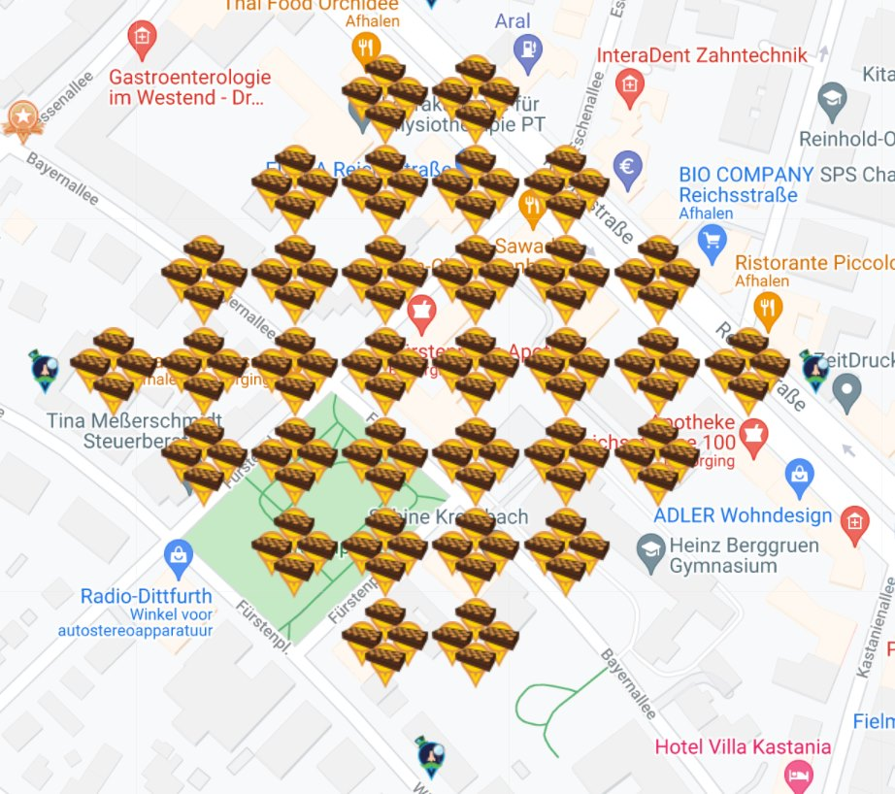
Berlin Maple Chess Garden
 |  |  |  |  | Location | Berlin Westend
 |  |  |  |  | Map Link | https://www.munzee.com/map/u336tzdf9/15.6
 |  |  |  |  | Spreadsheet link | https://docs.google.com/spreadsheets/d/1I7JZXb1MN4sA5S3JFYAxTWDxeVDMXSuyJ7GHWytYmp0/edit?usp=sharing
 |  |  |  |  | Published | 2021-09-03

 |  |  |  |  | Created by | 123xilef
 |  |  |  |  | Number of players | 39 |  | RESERVED/
 |  |  |  |  |  | Total | FREE | PREPARED | DEPLOYED
 |  |  |  |  |  | 133 | 57 | 3 | 72
 |  |  |  |  | Virtual Maple Chess Set | 128 | 57 | 3 | 67
 |  |  |  |  | Sir Prize Wheel | 4 | 0 | 0 | 4
 |  |  |  |  | POI Virtual Garden | 1 | 0 | 0 | 1

 |  |  |  |  | Here we have a little Chessboard garden in Berlin (Germany)
 |  |  |  |  | We hope this garden will help to gather all the scattering specials and so this will also bring a lot of capon points

 |  |  |  |  | Physical Chess Munzees are also welcome in this area ... makes it easier to collect the scatters :-)

sep=
Row | Column | Latitude | Longitude | Munzee | Color | Username | URL | Comments | dep
1 | 6 | 52.51320502431142 | 13.262405044274033 | POI Virtual Garden | poi virtual garden | 123xilef | https://www.munzee.com/m/123xilef/13244/ |  | Deployed
7 | 1 | 52.51208706369492 | 13.262571926732903 | Sir Prize Wheel | sir prize wheel | lanyasummer | https://www.munzee.com/m/Lanyasummer/7073/ |  | Deployed
7 | 18 | 52.51381481883197 | 13.265410917842473 | Sir Prize Wheel | sir prize wheel | 123xilef | https://www.munzee.com/m/123xilef/12469/ |  | Deployed
8 | 2 | 52.512087063459894 | 13.262905901356476 | Virtual Maple Chess Set |  | drew637 | https://www.munzee.com/m/drew637/11769/ |  | Deployed
8 | 3 | 52.51218869611501 | 13.263072897743655 | Virtual Maple Chess Set |  | prmarks1391 | https://www.munzee.com/m/prmarks1391/15366/ |  | Deployed
8 | 6 | 52.5124935940804 | 13.263573889222585 | Virtual Maple Chess Set |  | Kpcrystal07 | https://www.munzee.com/m/kpcrystal07/24820/ |  | Deployed
8 | 7 | 52.51259522673551 | 13.263740887154654 | Virtual Maple Chess Set |  | Flogni | https://www.munzee.com/m/Flogni/16535/ |  | Deployed
...

