Information
Gingerbread Man, Edina , MN, USA
 | Type/Color of Munzee |  | TOTAL | AVAILABLE | DEPLOYED

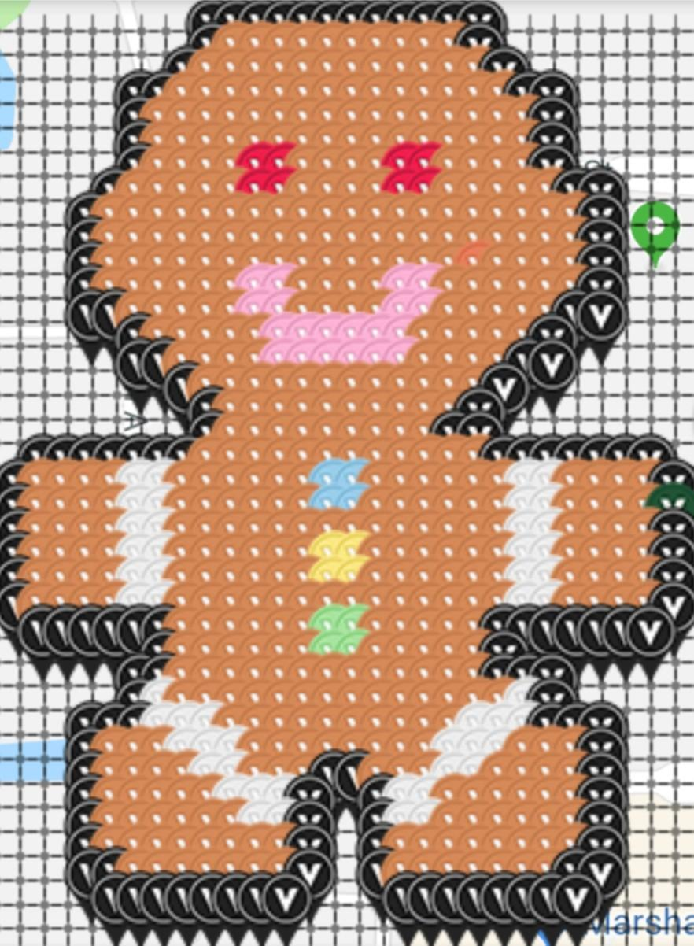
 | White Virtual |  | 51 | 0 | 51
 | Granny Smith Apple Virtual |  | 4 | 0 | 4
 | Black Virtual |  | 148 | 0 | 148
 | Raw Sienna Virtual |  | 509 | 0 | 509
 | Red Virtual |  | 8 | 0 | 8
 | Yellow Virtual |  | 4 | 0 | 4
 | Pink Virtual |  | 20 | 0 | 20
 | Cornflower Virtual |  | 4 | 0 | 4

 | TOTAL |  | 748 | 0 | 748

 | Please Note: Virtuals Only!

Map link- https://www.munzee.com/map/9zvxhprkh/15.286179900192206 | Completion (percentage): |  | 100.00%

 | Top 10 Placers: |  | Placers:
 |  |  | 261
 | Username | Promised | Placed
 | JABIE28 | 84 | 84
 | warped6 | 24 | 24
 | Whelen | 22 | 22
 | jsamundson | 20 | 20
 | munzeepa | 20 | 20
 | Westmarch | 12 | 11
 | qwerty2582 | 12 | 12
 | TJACS | 11 | 11
 | yhtak57 | 11 | 12
 | BarbMitchell | 10 | 10

