MOA Flower
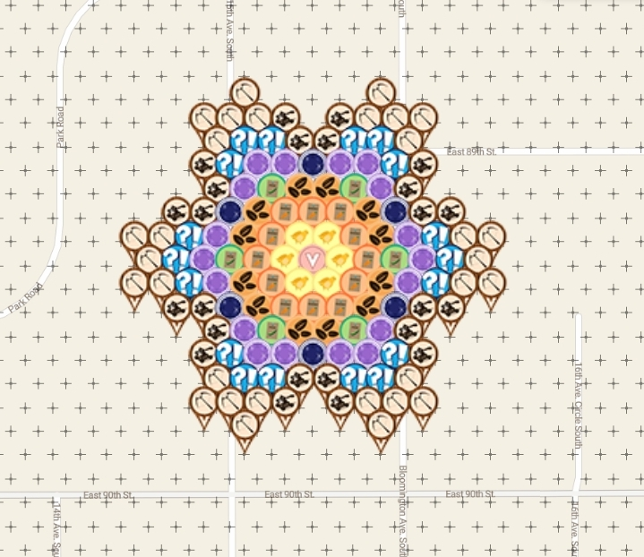
Row | Column | Latitude | Longitude | Color | Username | URL
1 | 5 | 44.842699085 | -93.254142391 | crossbow | JABIE28 | https://www.munzee.com/m/JABIE28/3502/
1 | 10 | 44.842699085 | -93.253128842 | crossbow | cdwilliams1 | https://www.munzee.com/m/cdwilliams1/1899
2 | 3 | 44.842574612 | -93.254446468 | crossbow | cdwilliams1 | https://www.munzee.com/m/cdwilliams1/1898
2 | 4 | 44.842574611 | -93.254243758 | crossbow | mars00xj | https://www.munzee.com/m/mars00xj/11802/
2 | 5 | 44.842574611 | -93.254041049 | crossbow | Westmarch | https://www.munzee.com/m/Westmarch/1663/
2 | 6 | 44.842574611 | -93.25383834 | catapult | cdwilliams1 | https://www.munzee.com/m/cdwilliams1/1855
2 | 8 | 44.842574611 | -93.253432921 | catapult | Hmmm | https://www.munzee.com/m/Hmmm/3276/
2 | 9 | 44.84257461 | -93.253230212 | crossbow | shingobee23 | https://www.munzee.com/m/shingobee23/3226/
2 | 10 | 44.84257461 | -93.253027502 | crossbow | mars00xj | https://www.munzee.com/m/mars00xj/11797/
2 | 11 | 44.84257461 | -93.252824793 | crossbow | Hmmm | https://www.munzee.com/m/Hmmm/3312/
3 | 4 | 44.842450137 | -93.254345125 | crossbow | Hmmm | https://www.munzee.com/m/Hmmm/3309/
3 | 5 | 44.842450137 | -93.254142416 | surprise | thegorilla23 | https://www.munzee.com/m/thegorilla23/3069/admin/
3 | 6 | 44.842450137 | -93.253939707 | surprise | GreenHeron | https://www.munzee.com/m/GreenHeron/3570/
3 | 7 | 44.842450137 | -93.253736998 | catapult | johnsjen | https://www.munzee.com/m/Johnsjen/1548/
3 | 8 | 44.842450136 | -93.253534289 | catapult | reddox | https://www.munzee.com/m/reddox/858
3 | 9 | 44.842450136 | -93.25333158 | surprise | leesap | https://www.munzee.com/m/Leesap/1573/
3 | 10 | 44.842450136 | -93.253128871 | surprise | JABIE28 | https://www.munzee.com/m/JABIE28/3182/
3 | 11 | 44.842450136 | -93.252926162 | crossbow | vivszi | https://www.munzee.com/m/vivszi/920/ |  |  | created by geomatrix
4 | 3 | 44.842325663 | -93.254446491 | catapult | geomatrix | https://www.munzee.com/m/geomatrix/9377/
4 | 4 | 44.842325663 | -93.254243782 | surprise | par72 | https://www.munzee.com/m/par72/2501 | Thanks for deploying in MOA gardens
4 | 5 | 44.842325663 | -93.254041074 | amethyst | MSgtUSMC | https://www.munzee.com/m/MSgtUSMC/497/ | map | https://www.munzee.com/map/9zvxjgpu4/15.3
4 | 6 | 44.842325663 | -93.253838365 | amethyst | geomatrix | https://www.munzee.com/m/geomatrix/7734/ | sheet | https://tinyurl.com/yx52c84m
4 | 7 | 44.842325662 | -93.253635657 | sapphire | cjstolte | https://www.munzee.com/m/cjstolte/1451/
4 | 8 | 44.842325662 | -93.253432948 | amethyst | tmabrey | https://www.munzee.com/m/tmabrey/5292/
4 | 9 | 44.842325662 | -93.25323024 | amethyst | geomatrix | https://www.munzee.com/m/geomatrix/7731/
4 | 10 | 44.842325662 | -93.253027531 | surprise | oriole | https://www.munzee.com/m/oriole/1906
4 | 11 | 44.842325662 | -93.252824823 | catapult | mobility | https://www.munzee.com/m/mobility/7664/
5 | 4 | 44.842201189 | -93.254345148 | catapult | ponu | https://www.munzee.com/m/ponu/6223/
5 | 5 | 44.842201188 | -93.25414244 | amethyst | JABIE28 | https://www.munzee.com/m/JABIE28/3437/
5 | 6 | 44.842201188 | -93.253939732 | peas seed | 1SheMarine | https://www.munzee.com/m/1SheMarine/6561/
5 | 7 | 44.842201188 | -93.253737024 | carnation seed | AllyMouse | https://www.munzee.com/m/AllyMouse/2459/
5 | 8 | 44.842201188 | -93.253534316 | carnation seed | lanyasummer | https://www.munzee.com/m/Lanyasummer/3371/
5 | 9 | 44.842201188 | -93.253331608 | peas seed | Cidinho | https://www.munzee.com/m/Cidinho/1608/
5 | 10 | 44.842201188 | -93.2531289 | amethyst | NYBOSS | https://www.munzee.com/m/nyboss/3402/
5 | 11 | 44.842201187 | -93.252926192 | catapult | janzattic | https://www.munzee.com/m/janzattic/5862
6 | 2 | 44.842076715 | -93.254649221 | catapult | Hmmm | https://www.munzee.com/m/Hmmm/3274/
6 | 3 | 44.842076715 | -93.254446514 | catapult | Deeralemap | https://www.munzee.com/m/deeralemap/3586/
6 | 4 | 44.842076714 | -93.254243806 | sapphire | lightek | https://www.munzee.com/m/Lightek/3780/
6 | 5 | 44.842076714 | -93.254041098 | carnation seed | mrsg9064 | https://www.munzee.com/m/mrsg9064/6332/
6 | 6 | 44.842076714 | -93.253838391 | carrot seed | Neta | https://www.munzee.com/m/Neta/3703/
6 | 7 | 44.842076714 | -93.253635683 | carrot seed | Westmarch | https://www.munzee.com/m/Westmarch/1635/
6 | 8 | 44.842076714 | -93.253432976 | carrot seed | ponu | https://www.munzee.com/m/ponu/6208/
6 | 9 | 44.842076713 | -93.253230268 | carnation seed | habu | https://www.munzee.com/m/habu/9142/
6 | 10 | 44.842076713 | -93.25302756 | sapphire | shingobee23 | https://www.munzee.com/m/shingobee23/3100/
6 | 11 | 44.842076713 | -93.252824853 | catapult | Hmmm | https://www.munzee.com/m/Hmmm/3203/
6 | 12 | 44.842076713 | -93.252622145 | catapult | hwbas04 | https://www.munzee.com/m/hwbas04/433/
7 | 1 | 44.841952241 | -93.254953293 | crossbow | cdwilliams1 | https://www.munzee.com/m/cdwilliams1/1895
7 | 2 | 44.84195224 | -93.254750586 | crossbow | mars00xj | https://www.munzee.com/m/mars00xj/11729/
7 | 3 | 44.84195224 | -93.254547879 | surprise | oriole | https://www.munzee.com/m/oriole/1972
7 | 4 | 44.84195224 | -93.254345171 | amethyst | tmabrey | https://www.munzee.com/m/tmabrey/5552/
7 | 5 | 44.84195224 | -93.254142464 | carnation seed | Debolicious | https://www.munzee.com/m/Debolicious/6443/
7 | 6 | 44.84195224 | -93.253939757 | carrot seed | tossie | https://www.munzee.com/m/Tossie/4843/
7 | 7 | 44.84195224 | -93.25373705 | chick | tmabrey | https://www.munzee.com/m/tmabrey/6725/
7 | 8 | 44.841952239 | -93.253534343 | chick | Bungle | https://www.munzee.com/m/Bungle/2177
7 | 9 | 44.841952239 | -93.253331636 | carrot seed | DiSaRu | https://www.munzee.com/m/DiSaRu/3203/
7 | 10 | 44.841952239 | -93.253128929 | carnation seed | TheJump | https://www.munzee.com/m/TheJump/148
7 | 11 | 44.841952239 | -93.252926221 | amethyst | tmabrey | https://www.munzee.com/m/tmabrey/5735/
7 | 12 | 44.841952239 | -93.252723514 | surprise | Westmarch | https://www.munzee.com/m/Westmarch/1613/
7 | 13 | 44.841952238 | -93.252520807 | crossbow | cdwilliams1 | https://www.munzee.com/m/cdwilliams1/1853
7 | 14 | 44.841952238 | -93.2523181 | crossbow | VLoopSouth | https://www.munzee.com/m/VLoopSouth/384/
8 | 1 | 44.841827766 | -93.25485195 | crossbow | geomatrix | https://www.munzee.com/m/geomatrix/9405/
8 | 2 | 44.841827766 | -93.254649243 | surprise | Majsan | https://www.munzee.com/m/Majsan/2976/
8 | 3 | 44.841827766 | -93.254446537 | amethyst | theceoiksjes | https://www.munzee.com/m/Theceoiksjes/5048/
8 | 4 | 44.841827766 | -93.25424383 | peas seed | geomatrix | https://www.munzee.com/m/geomatrix/9196/
8 | 5 | 44.841827766 | -93.254041123 | carrot seed | Traycee | https://www.munzee.com/m/Traycee/6948/
8 | 6 | 44.841827765 | -93.253838417 | chick | habu | https://www.munzee.com/m/habu/9362/
8 | 7 | 44.841827765 | -93.25363571 | Air Mystery | MeanderingMonkeys | https://www.munzee.com/m/MeanderingMonkeys/14556/
8 | 8 | 44.841827765 | -93.253433003 | chick | lightek | https://www.munzee.com/m/Lightek/3649/
8 | 9 | 44.841827765 | -93.253230296 | carrot seed | destolkjes4ever | https://www.munzee.com/m/destolkjes4ever/1507/
8 | 10 | 44.841827765 | -93.25302759 | peas seed | geomatrix | https://www.munzee.com/m/geomatrix/9199/
8 | 11 | 44.841827765 | -93.252824883 | amethyst | Ladyl89 | https://www.munzee.com/m/Ladyl89/382/
8 | 12 | 44.841827764 | -93.252622176 | surprise | Traycee | https://www.munzee.com/m/Traycee/6395/
8 | 13 | 44.841827764 | -93.252419469 | crossbow | geomatrix | https://www.munzee.com/m/geomatrix/9401/
9 | 1 | 44.841703292 | -93.254953314 | crossbow | Hmmm | https://www.munzee.com/m/Hmmm/3308/
9 | 2 | 44.841703292 | -93.254750607 | crossbow | MMarshall | https://www.munzee.com/m/MMarshall/818/
9 | 3 | 44.841703292 | -93.254547901 | surprise | DiSaRu | https://www.munzee.com/m/DiSaRu/2154/
9 | 4 | 44.841703292 | -93.254345195 | amethyst | FindersGirl | https://www.munzee.com/m/FindersGirl/4462/
9 | 5 | 44.841703291 | -93.254142489 | carnation seed | cjstolte | https://www.munzee.com/m/cjstolte/1783
9 | 6 | 44.841703291 | -93.253939782 | carrot seed | jacksparrow | https://www.munzee.com/m/JackSparrow/16909
9 | 7 | 44.841703291 | -93.253737076 | chick | JABIE28 | https://www.munzee.com/m/JABIE28/3202/
9 | 8 | 44.841703291 | -93.25353437 | chick | mrsg9064 | https://www.munzee.com/m/mrsg9064/5288/
9 | 9 | 44.841703291 | -93.253331663 | carrot seed | jsvetlik | https://www.munzee.com/m/jsvetlik/445/
9 | 10 | 44.84170329 | -93.253128957 | carnation seed | rgforsythe | https://www.munzee.com/m/rgforsythe/6966/
9 | 11 | 44.84170329 | -93.252926251 | amethyst | DogSoft | https://www.munzee.com/m/DogSoft/208/
9 | 12 | 44.84170329 | -93.252723545 | surprise | Herbie | https://www.munzee.com/m/Herbie/9069/
9 | 13 | 44.84170329 | -93.252520838 | crossbow | julesbeus | https://www.munzee.com/m/julesbeus/1317/
9 | 14 | 44.84170329 | -93.252318132 | crossbow | TeamTazmina | https://www.munzee.com/m/TeamTazmina/927
10 | 2 | 44.841578818 | -93.254649266 | catapult | cdwilliams1 | https://www.munzee.com/m/cdwilliams1/1850
10 | 3 | 44.841578817 | -93.25444656 | catapult | Durango | https://www.munzee.com/m/Durango/614/
10 | 4 | 44.841578817 | -93.254243854 | sapphire | GreenHeron | https://www.munzee.com/m/GreenHeron/3596/
10 | 5 | 44.841578817 | -93.254041148 | carnation seed | BituX | https://www.munzee.com/m/BituX/9519/
10 | 6 | 44.841578817 | -93.253838442 | carrot seed | barefootguru | https://www.munzee.com/m/barefootguru/1899/
10 | 7 | 44.841578817 | -93.253635736 | carrot seed | geomatrix | https://www.munzee.com/m/geomatrix/9194/
10 | 8 | 44.841578817 | -93.25343303 | carrot seed | tmabrey | https://www.munzee.com/m/tmabrey/4439/
10 | 9 | 44.841578816 | -93.253230325 | carnation seed | Traycee | https://www.munzee.com/m/Traycee/6406/
10 | 10 | 44.841578816 | -93.253027619 | sapphire | GreenHeron | https://www.munzee.com/m/GreenHeron/3597/
10 | 11 | 44.841578816 | -93.252824913 | catapult | oriole | https://www.munzee.com/m/oriole/1796
10 | 12 | 44.841578816 | -93.252622207 | catapult | Hmmm | https://www.munzee.com/m/Hmmm/3234/
11 | 4 | 44.841454343 | -93.254345218 | catapult | par72 | https://www.munzee.com/m/par72/2299
11 | 5 | 44.841454343 | -93.254142513 | amethyst | Centern | https://www.munzee.com/m/Centern/2114/
11 | 6 | 44.841454343 | -93.253939808 | peas seed | Westmarch | https://www.munzee.com/m/Westmarch/1637/
11 | 7 | 44.841454342 | -93.253737102 | carnation seed | rita85gto | https://www.munzee.com/m/rita85gto/2322/
11 | 8 | 44.841454342 | -93.253534397 | carnation seed | Habu | https://www.munzee.com/m/habu/9135/
11 | 9 | 44.841454342 | -93.253331691 | peas seed | tossie | https://www.munzee.com/m/Tossie/4789/
11 | 10 | 44.841454342 | -93.253128986 | amethyst | wally62 | https://www.munzee.com/m/wally62/3284/
11 | 11 | 44.841454342 | -93.25292628 | catapult | kiitokurre | https://www.munzee.com/m/Kiitokurre/5027/
12 | 3 | 44.841329869 | -93.254446583 | catapult | Hmmm | https://www.munzee.com/m/Hmmm/3201/
12 | 4 | 44.841329869 | -93.254243878 | surprise | geomatrix | https://www.munzee.com/m/geomatrix/7635/
12 | 5 | 44.841329869 | -93.254041173 | amethyst | ChickenRun | https://www.munzee.com/m/ChickenRun/9661/
12 | 6 | 44.841329868 | -93.253838468 | amethyst | spdx2 | https://www.munzee.com/m/spdx2/2444/
12 | 7 | 44.841329868 | -93.253635763 | sapphire | lightek | https://www.munzee.com/m/Lightek/3957/
12 | 8 | 44.841329868 | -93.253433058 | amethyst | NYBOSS | https://www.munzee.com/m/nyboss/3808/
12 | 9 | 44.841329868 | -93.253230353 | amethyst | ivwarrior | https://www.munzee.com/m/ivwarrior/3382/
12 | 10 | 44.841329868 | -93.253027648 | surprise | geomatrix | https://www.munzee.com/m/geomatrix/7688/
12 | 11 | 44.841329868 | -93.252824943 | catapult | julesbeus | https://www.munzee.com/m/julesbeus/1303/
13 | 4 | 44.841205395 | -93.254345242 | crossbow | WVKiwi | https://www.munzee.com/m/wvkiwi/7488
13 | 5 | 44.841205394 | -93.254142537 | surprise | mars00xj | https://www.munzee.com/m/mars00xj/11807/
13 | 6 | 44.841205394 | -93.253939833 | surprise | herbie | https://www.munzee.com/m/Herbie/9162/
13 | 7 | 44.841205394 | -93.253737128 | catapult | Hmmm | https://www.munzee.com/m/Hmmm/3194/
13 | 8 | 44.841205394 | -93.253534424 | catapult | Traycee | https://www.munzee.com/m/Traycee/6889/
13 | 9 | 44.841205394 | -93.253331719 | surprise | WiseOldWizard | https://www.munzee.com/m/WiseOldWizard/3494/
13 | 10 | 44.841205393 | -93.253129015 | surprise | oriole | https://www.munzee.com/m/oriole/2005
13 | 11 | 44.841205393 | -93.25292631 | crossbow | TheFatCats | https://www.munzee.com/m/TheFatCats/2422/
14 | 3 | 44.84108092 | -93.254446606 | crossbow | VLoopSouth | https://www.munzee.com/m/VLoopSouth/372/
14 | 4 | 44.84108092 | -93.254243902 | crossbow | leesap | https://www.munzee.com/m/Leesap/2035/
14 | 5 | 44.84108092 | -93.254041197 | crossbow | easterb | https://www.munzee.com/m/easterb/1252/
14 | 6 | 44.84108092 | -93.253838493 | catapult | tcguru | https://www.munzee.com/m/tcguru/7026/
14 | 8 | 44.84108092 | -93.253433085 | catapult | par72 | https://www.munzee.com/m/par72/2288
14 | 9 | 44.841080919 | -93.253230381 | crossbow | Kyrandia | https://www.munzee.com/m/Kyrandia/2710/
14 | 10 | 44.841080919 | -93.253027677 | crossbow | tcguru | https://www.munzee.com/m/tcguru/7292/
14 | 11 | 44.841080919 | -93.252824973 | crossbow | BonnieB1 | https://www.munzee.com/m/BonnieB1/3864/
15 | 5 | 44.840956446 | -93.254142562 | crossbow | Bisquick2 | https://www.munzee.com/m/Bisquick2/2828/
15 | 10 | 44.840956445 | -93.253129043 | crossbow | theceoiksjes | https://www.munzee.com/m/Theceoiksjes/5192/

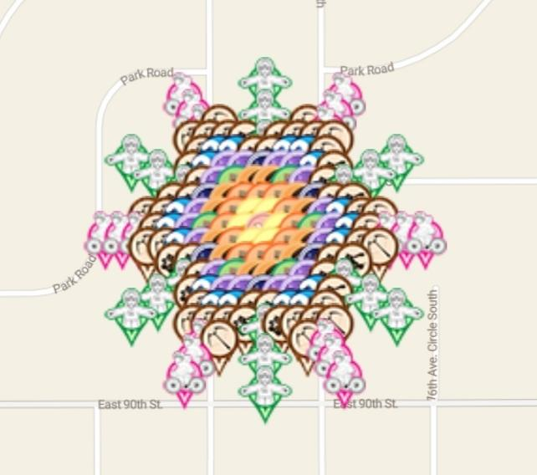
1 | 10 | 44.84307251 | -93.25363558 | Flat Rob | keromar | https://www.munzee.com/m/keromar/6525
2 | 6 | 44.84294803 | -93.25454779 | Flat Lou | teamsturms | https://www.munzee.com/m/teamsturms/1181/
2 | 15 | 44.84294803 | -93.25272339 | Flat Lou | JRdaBoss | https://www.munzee.com/m/JRdaBoss/5865/
3 | 6 | 44.84282356 | -93.25444644 | Flat Lou | JABIE28 | https://www.munzee.com/m/JABIE28/3542/
3 | 10 | 44.84282356 | -93.2536356 | Flat Rob | geomatrix | https://www.munzee.com/m/geomatrix/9420/
3 | 14 | 44.84282356 | -93.25282476 | Flat Lou | Cinnamons | https://www.munzee.com/m/Cinnamons/1796/
4 | 7 | 44.84269909 | -93.2543451 | Flat Lou | wally62 | https://www.munzee.com/m/wally62/4226/
4 | 14 | 44.84269908 | -93.25292613 | Flat Lou | DarkButPale | https://www.munzee.com/m/DarkButPale/255/
5 | 10 | 44.84257461 | -93.25363563 | Flat Rob | redshark78 | https://www.munzee.com/m/redshark78/2064/
6 | 3 | 44.84245014 | -93.25515596 | Flat Rob | geomatrix | https://www.munzee.com/m/geomatrix/9398/
6 | 18 | 44.84245014 | -93.25211533 | Flat Rob | geomatrix | https://www.munzee.com/m/geomatrix/9384/
7 | 4 | 44.84232566 | -93.25485191 | Flat Rob | cdwilliams1 | https://www.munzee.com/m/cdwilliams1/1944
7 | 16 | 44.84232566 | -93.25241941 | Flat Rob | beckiweber | https://www.munzee.com/m/beckiweber/5061/
8 | 6 | 44.84220119 | -93.25454786 | Flat Rob | wally62 | https://www.munzee.com/m/wally62/3453/
8 | 15 | 44.84220119 | -93.25272348 | Flat Rob | Frostbyte13 | https://www.munzee.com/m/Frostbyte13/626/
11 | 1 | 44.84182777 | -93.25546007 | Flat Lou | Littlemonsters77 | https://www.munzee.com/m/LittleMonsters77/671/
11 | 2 | 44.84182777 | -93.25525736 | Flat Lou | BonnieB1 | https://www.munzee.com/m/BonnieB1/3986/admin/
11 | 3 | 44.84182777 | -93.25505466 | Flat Lou | geomatrix | https://www.munzee.com/m/geomatrix/9204/
11 | 17 | 44.84182776 | -93.25221676 | Flat Lou | Debolicious | https://www.munzee.com/m/Debolicious/7063/admin/
11 | 18 | 44.84182776 | -93.25201406 | Flat Lou | lightek | https://www.munzee.com/m/Lightek/3945/
11 | 19 | 44.84182776 | -93.25181135 | Flat Lou | justforfun33 | https://www.munzee.com/m/Justforfun33/13786/
14 | 6 | 44.84145434 | -93.25454792 | Flat Rob | habu | https://www.munzee.com/m/habu/9562/
14 | 15 | 44.84145434 | -93.25272358 | Flat Rob | mrsg9064 | https://www.munzee.com/m/mrsg9064/6756/
15 | 4 | 44.84132987 | -93.25485199 | Flat Rob | beckiweber | https://www.munzee.com/m/beckiweber/5094/
15 | 16 | 44.84132987 | -93.25241953 | Flat Rob | JABIE28 | https://www.munzee.com/m/JABIE28/3541/
16 | 3 | 44.8412054 | -93.25515606 | Flat Rob | geomatrix | https://www.munzee.com/m/geomatrix/9187/
16 | 18 | 44.84120539 | -93.25211549 | Flat Rob | geomatrix | https://www.munzee.com/m/geomatrix/8067/
17 | 10 | 44.84108092 | -93.25363579 | Flat Rob | TSwag | https://www.munzee.com/m/TSwag/97/
18 | 7 | 44.84095645 | -93.25434527 | Flat Lou | 5Star | https://www.munzee.com/m/5Star/4426/
18 | 14 | 44.84095644 | -93.25292634 | Flat Lou | Minerva123 | https://www.munzee.com/m/Minerva123/7213/
19 | 6 | 44.84083197 | -93.25444663 | Flat Lou | kiitokurre | https://www.munzee.com/m/Kiitokurre/5254/
19 | 10 | 44.84083197 | -93.25363582 | Flat Rob | geomatrix | https://www.munzee.com/m/geomatrix/9138/
19 | 14 | 44.84083197 | -93.252825 | Flat Lou | habu | https://www.munzee.com/m/habu/9564/
20 | 6 | 44.8407075 | -93.25454799 | Flat Lou | mrsg9064 | https://www.munzee.com/m/mrsg9064/6735/
20 | 15 | 44.8407075 | -93.25272367 | Flat Lou | Traycee | https://www.munzee.com/m/Traycee/7437/
21 | 10 | 44.84058302 | -93.25363584 | Flat Rob | Traycee | https://www.munzee.com/m/Traycee/7424/

