MyGarden (1)
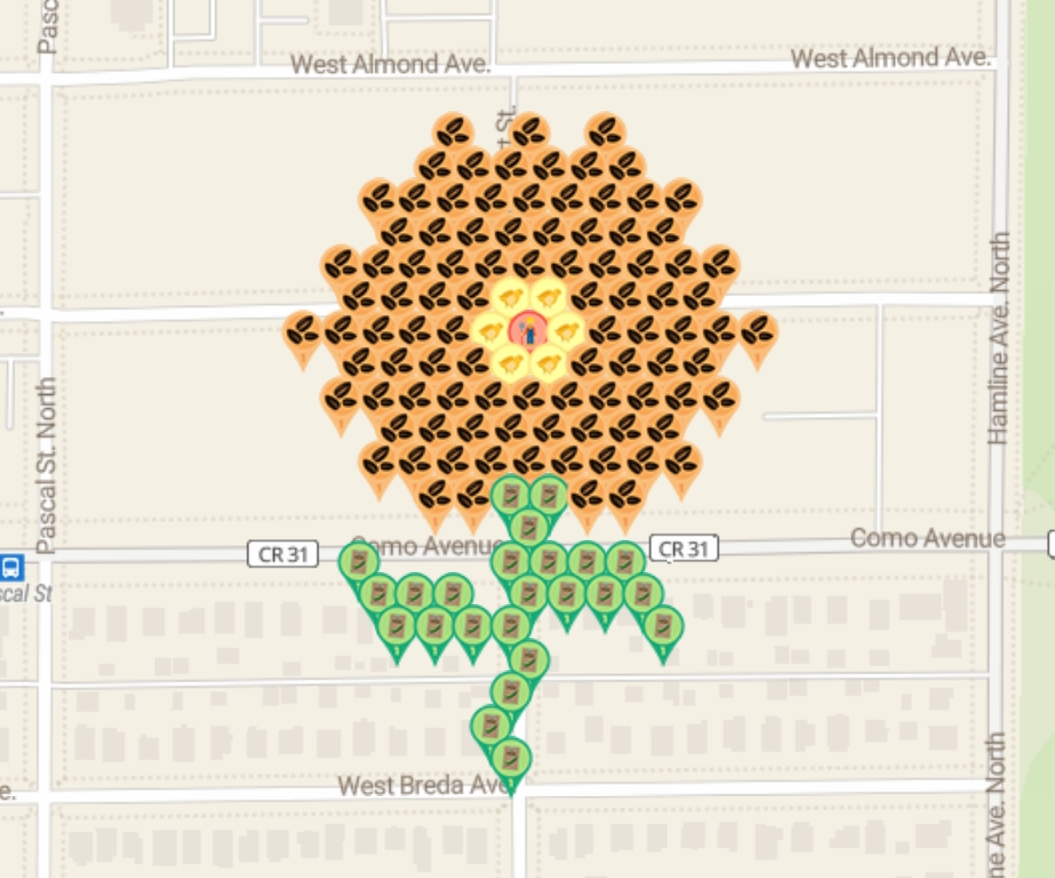
Row | Column | Latitude | Longitude | Munzee | Username | URL
1 | 5 | 44.97880675 | -93.15971309 | Carnation Flower Evolution | JABIE28 | https://www.munzee.com/m/JABIE28/2317/map/ |  | 100.00%
1 | 7 | 44.978806749 | -93.159306709 | Carnation Flower Evolution | cdwilliams1 | https://www.munzee.com/m/cdwilliams1/987
1 | 9 | 44.978806749 | -93.158900328 | Carnation Flower Evolution | janzattic | https://www.munzee.com/m/janzattic/5322/
2 | 5 | 44.978682276 | -93.159814697 | Carnation Flower Evolution | geomatrix | https://www.munzee.com/m/geomatrix/7973/
2 | 6 | 44.978682275 | -93.159611507 | Carnation Flower Evolution | lightek | https://www.munzee.com/m/Lightek/1998/
2 | 7 | 44.978682275 | -93.159408317 | Carnation Flower Evolution | RDM07 | https://www.munzee.com/m/rdm07/3078/
2 | 8 | 44.978682275 | -93.159205127 | Carnation Flower Evolution | beckiweber | https://www.munzee.com/m/beckiweber/3445/
2 | 9 | 44.978682275 | -93.159001937 | Carnation Flower Evolution | jldh | https://www.munzee.com/m/jldh/1455/
2 | 10 | 44.978682275 | -93.158798747 | Carnation Flower Evolution | JABIE28 | https://www.munzee.com/m/JABIE28/2316/map/
3 | 3 | 44.978557802 | -93.160119493 | Carnation Flower Evolution | cdwilliams1 | https://www.munzee.com/m/cdwilliams1/986
3 | 4 | 44.978557801 | -93.159916303 | Carnation Flower Evolution | Kiddiekardriver | https://www.munzee.com/m/kiddiekardriver/1497
3 | 5 | 44.978557801 | -93.159713114 | Carnation Flower Evolution | Kchiefz | https://www.munzee.com/m/Kchiefz/1150/
3 | 6 | 44.978557801 | -93.159509924 | Carnation Flower Evolution | georeyna | https://www.munzee.com/m/georeyna/8082/
3 | 7 | 44.978557801 | -93.159306735 | Carnation Flower Evolution | GrimyMitts | https://www.munzee.com/m/GrimyMitts/20/
3 | 8 | 44.978557801 | -93.159103545 | Carnation Flower Evolution | Kchiefz | https://www.munzee.com/m/Kchiefz/1147/ |  |  | created by geomatrix
3 | 9 | 44.978557801 | -93.158900356 | Carnation Flower Evolution | Debolicious | https://www.munzee.com/m/Debolicious/5413/admin/ | Spreadsheet | https://docs.google.com/spreadsheets/d/1ndRUFyTzKJjKPg87nNG03WZmj-tgKO0SaTQKlGNHlbA/edit?usp=sharing
3 | 10 | 44.9785578 | -93.158697166 | Carnation Flower Evolution | Nomadicjp | https://www.munzee.com/m/nomadicjp/3242/admin/ | Map Link | https://www.munzee.com/map/9zvzb5gvt/15.0
3 | 11 | 44.9785578 | -93.158493977 | Carnation Flower Evolution | geomatrix | https://www.munzee.com/m/geomatrix/7964/
4 | 4 | 44.978433327 | -93.160017909 | Carnation Flower Evolution | RDM07 | https://www.munzee.com/m/rdm07/3071/
4 | 5 | 44.978433327 | -93.15981472 | Carnation Flower Evolution | janzattic | https://www.munzee.com/m/janzattic/5321
4 | 6 | 44.978433327 | -93.159611531 | Carnation Flower Evolution | dorsetknob | https://www.munzee.com/m/dorsetknob/2838
4 | 7 | 44.978433327 | -93.159408342 | Carnation Flower Evolution | redshark78 | https://www.munzee.com/m/redshark78/1734
4 | 8 | 44.978433326 | -93.159205153 | Carnation Flower Evolution | ladymunzee | https://www.munzee.com/m/Ladymunzee/1574/
4 | 9 | 44.978433326 | -93.159001964 | Carnation Flower Evolution | Syrtene | https://www.munzee.com/m/Syrtene/1532/
4 | 10 | 44.978433326 | -93.158798775 | Carnation Flower Evolution | geckofreund | https://www.munzee.com/m/geckofreund/2108/
4 | 11 | 44.978433326 | -93.158595586 | Carnation Flower Evolution | NoahCache | https://www.munzee.com/m/NoahCache/1516/
5 | 2 | 44.978308853 | -93.160322704 | Carnation Flower Evolution | beckiweber | https://www.munzee.com/m/beckiweber/3448/
5 | 3 | 44.978308853 | -93.160119515 | Carnation Flower Evolution | Whelen | https://www.munzee.com/m/Whelen/17363/
5 | 4 | 44.978308853 | -93.159916327 | Carnation Flower Evolution | IggiePiggie | https://www.munzee.com/m/IggiePiggie/935/
5 | 5 | 44.978308853 | -93.159713138 | Carnation Flower Evolution | beckiweber | https://www.munzee.com/m/beckiweber/3452/
5 | 6 | 44.978308853 | -93.159509949 | Carnation Flower Evolution | Whelen | https://www.munzee.com/m/Whelen/17366/
5 | 7 | 44.978308852 | -93.159306761 | Carnation Flower Evolution | ohiolady | https://www.munzee.com/m/ohiolady/3910
5 | 8 | 44.978308852 | -93.159103572 | Carnation Flower Evolution | Belinha | https://www.munzee.com/m/Belinha/749/
5 | 9 | 44.978308852 | -93.158900383 | Carnation Flower Evolution | Whelen | https://www.munzee.com/m/Whelen/17367/
5 | 10 | 44.978308852 | -93.158697195 | Carnation Flower Evolution | ChandaBelle | https://www.munzee.com/m/ChandaBelle/2285/
5 | 11 | 44.978308852 | -93.158494006 | Carnation Flower Evolution | Belita | https://www.munzee.com/m/Belita/773/
5 | 12 | 44.978308851 | -93.158290818 | Carnation Flower Evolution | Whelen | https://www.munzee.com/m/Whelen/17368/
6 | 3 | 44.978184379 | -93.16022112 | Carnation Flower Evolution | redshark78 | https://www.munzee.com/m/redshark78/1735/
6 | 4 | 44.978184379 | -93.160017932 | Carnation Flower Evolution | georeyna | https://www.munzee.com/m/georeyna/8080/
6 | 5 | 44.978184378 | -93.159814744 | Carnation Flower Evolution | Majsan | https://www.munzee.com/m/Majsan/2991/
6 | 6 | 44.978184378 | -93.159611556 | Carnation Flower Evolution | Kiddiekardriver | https://www.munzee.com/m/kiddiekardriver/1499
6 | 7 | 44.978184378 | -93.159408368 | Eggs Evolution | Fossillady | https://www.munzee.com/m/Fossillady/2197
6 | 8 | 44.978184378 | -93.159205179 | Eggs Evolution | ponu | https://www.munzee.com/m/ponu/5198
6 | 9 | 44.978184378 | -93.159001991 | Carnation Flower Evolution | cdwilliams1 | https://www.munzee.com/m/cdwilliams1/980
6 | 10 | 44.978184378 | -93.158798803 | Carnation Flower Evolution | lightek | https://www.munzee.com/m/Lightek/1997
6 | 11 | 44.978184377 | -93.158595615 | Carnation Flower Evolution | mdtt | https://www.munzee.com/m/mdtt/3613/
6 | 12 | 44.978184377 | -93.158392427 | Carnation Flower Evolution | redshark78 | https://www.munzee.com/m/redshark78/1733
7 | 1 | 44.978059905 | -93.160525913 | Carnation Flower Evolution | RDM07 | https://www.munzee.com/m/rdm07/3072/
7 | 2 | 44.978059905 | -93.160322725 | Carnation Flower Evolution | JABIE28 | https://www.munzee.com/m/JABIE28/2311/
7 | 3 | 44.978059905 | -93.160119538 | Carnation Flower Evolution | mtbiker64 | https://www.munzee.com/m/mtbiker64/3890/
7 | 4 | 44.978059904 | -93.15991635 | Carnation Flower Evolution | GrandpaArvada | https://www.munzee.com/m/GrandpaArvada/7766/
7 | 5 | 44.978059904 | -93.159713162 | Carnation Flower Evolution | WiseOldWizard | https://www.munzee.com/m/WiseOldWizard/3276/
7 | 6 | 44.978059904 | -93.159509974 | Eggs Evolution | JABIE28 | https://www.munzee.com/m/JABIE28/845/
7 | 7 | 44.978059904 | -93.159306787 | Family Evolution | geomatrix | https://www.munzee.com/m/geomatrix/7508/
7 | 8 | 44.978059904 | -93.159103599 | Eggs Evolution | Candyman9505 | https://www.munzee.com/m/Candyman9505/
7 | 9 | 44.978059903 | -93.158900411 | Carnation Flower Evolution | GrandpaArvada | https://www.munzee.com/m/GrandpaArvada/7765/
7 | 10 | 44.978059903 | -93.158697223 | Carnation Flower Evolution | geomatrix | https://www.munzee.com/m/geomatrix/8090/
7 | 11 | 44.978059903 | -93.158494035 | Carnation Flower Evolution | ladymunzee | https://www.munzee.com/m/Ladymunzee/
7 | 12 | 44.978059903 | -93.158290848 | Carnation Flower Evolution | GrandpaArvada | https://www.munzee.com/m/GrandpaArvada/7764/
7 | 13 | 44.978059903 | -93.15808766 | Carnation Flower Evolution | geomatrix | https://www.munzee.com/m/geomatrix/7967/
8 | 3 | 44.97793543 | -93.160221142 | Carnation Flower Evolution | Deboliciuos | https://www.munzee.com/m/Debolicious/5412/admin/
8 | 4 | 44.97793543 | -93.160017955 | Carnation Flower Evolution | Nomadicjp | https://www.munzee.com/m/nomadicjp/3245/admin/
8 | 5 | 44.97793543 | -93.159814768 | Carnation Flower Evolution | roughddraft | https://www.munzee.com/m/roughdraft/6455/
8 | 6 | 44.97793543 | -93.15961158 | Carnation Flower Evolution | michael72 | https://www.munzee.com/m/Michael72/6330
8 | 7 | 44.97793543 | -93.159408393 | Eggs Evolution | spdx2 | https://www.munzee.com/m/spdx2/2264/
8 | 8 | 44.977935429 | -93.159205206 | Eggs Evolution | LtRangerBob | https://www.munzee.com/m/LtRangerBob/1332/
8 | 9 | 44.977935429 | -93.159002018 | Carnation Flower Evolution | Kiddiekardriver | https://www.munzee.com/m/kiddiekardriver/1503
8 | 10 | 44.977935429 | -93.158798831 | Carnation Flower Evolution | RDM07 | https://www.munzee.com/m/rdm07/3177/
8 | 11 | 44.977935429 | -93.158595644 | Carnation Flower Evolution | starman99 | https://www.munzee.com/m/starman99/402/
8 | 12 | 44.977935429 | -93.158392456 | Carnation Flower Evolution | valsey | https://www.munzee.com/m/valsey/3219/
9 | 2 | 44.977810956 | -93.160322747 | Carnation Flower Evolution | geomatrix | https://www.munzee.com/m/geomatrix/7970/
9 | 3 | 44.977810956 | -93.16011956 | Carnation Flower Evolution | cdwilliams1 | https://www.munzee.com/m/cdwilliams1/1126/
9 | 4 | 44.977810956 | -93.159916373 | Carnation Flower Evolution | janzattic | https://www.munzee.com/m/janzattic/5417/
9 | 5 | 44.977810956 | -93.159713186 | Carnation Flower Evolution | RTHawk | https://www.munzee.com/m/RTHawk/1552
9 | 6 | 44.977810955 | -93.159509999 | Carnation Flower Evolution | beckiweber | https://www.munzee.com/m/beckiweber/3454/
9 | 7 | 44.977810955 | -93.159306812 | Carnation Flower Evolution | Laczy76 | https://www.munzee.com/m/Laczy76/2063/
9 | 8 | 44.977810955 | -93.159103625 | Carnation Flower Evolution | ShadowChasers | https://www.munzee.com/m/ShadowChasers/4309/
9 | 9 | 44.977810955 | -93.158900439 | Carnation Flower Evolution | beckiweber | https://www.munzee.com/m/beckiweber/3453/
9 | 10 | 44.977810955 | -93.158697252 | Carnation Flower Evolution | Schrodinator | https://www.munzee.com/m/Schrodinator/669/
9 | 11 | 44.977810955 | -93.158494065 | Carnation Flower Evolution | cdwilliams1 | https://www.munzee.com/m/cdwilliams1/979
9 | 12 | 44.977810954 | -93.158290878 | Carnation Flower Evolution | JABIE28 | https://www.munzee.com/m/JABIE28/2313/
10 | 4 | 44.977686482 | -93.160017978 | Carnation Flower Evolution | RDM07 | https://www.munzee.com/m/rdm07/3077/
10 | 5 | 44.977686481 | -93.159814791 | Carnation Flower Evolution | Mattie | https://www.munzee.com/m/Mattie/8821/
10 | 6 | 44.977686481 | -93.159611605 | Carnation Flower Evolution | starman99 | https://www.munzee.com/m/starman99/401/
10 | 7 | 44.977686481 | -93.159408418 | Carnation Flower Evolution | Attis | https://www.munzee.com/m/Attis/10334/
10 | 8 | 44.977686481 | -93.159205232 | Carnation Flower Evolution | Derlame | https://www.munzee.com/m/Derlame/8968/
10 | 9 | 44.977686481 | -93.159002045 | Carnation Flower Evolution | janzattic | https://www.munzee.com/m/janzattic/5414
10 | 10 | 44.977686481 | -93.158798859 | Carnation Flower Evolution | TJACS | https://www.munzee.com/m/TJACS/4841/
10 | 11 | 44.97768648 | -93.158595673 | Carnation Flower Evolution | grubsneerg | https://www.munzee.com/m/grubsneerg/1827/
11 | 3 | 44.977562008 | -93.160119582 | Carnation Flower Evolution | JABIE28 | https://www.munzee.com/m/JABIE28/2312/
11 | 4 | 44.977562007 | -93.159916396 | Carnation Flower Evolution | Laczy76 | https://www.munzee.com/m/Laczy76/2120/
11 | 5 | 44.977562007 | -93.15971321 | Carnation Flower Evolution | geomatrix | https://www.munzee.com/m/geomatrix/8095/
11 | 6 | 44.977562007 | -93.159510024 | Carnation Flower Evolution | GrandpaArvada | https://www.munzee.com/m/GrandpaArvada/7757/
11 | 7 | 44.977562007 | -93.159306838 | Carnation Flower Evolution | IggiePiggie | https://www.munzee.com/m/IggiePiggie/958/
11 | 8 | 44.977562007 | -93.159103652 | Carnation Flower Evolution | geomatrix | https://www.munzee.com/m/geomatrix/8094/
11 | 9 | 44.977562006 | -93.158900466 | Carnation Flower Evolution | michael72 | https://www.munzee.com/m/Michael72/6329
11 | 10 | 44.977562006 | -93.15869728 | Carnation Flower Evolution | Kiddiekardriver | https://www.munzee.com/m/kiddiekardriver/1498
11 | 11 | 44.977562006 | -93.158494094 | Carnation Flower Evolution | geomatrix | https://www.munzee.com/m/geomatrix/7969/
12 | 5 | 44.977437533 | -93.159814815 | Carnation Flower Evolution | cdwilliams1 | https://www.munzee.com/m/cdwilliams1/978
12 | 6 | 44.977437533 | -93.159611629 | Carnation Flower Evolution | GrimyMitts | https://www.munzee.com/m/GrimyMitts/19/
12 | 7 | 44.977437533 | -93.159408444 | Peas Evolution | JABIE28 | https://www.munzee.com/m/JABIE28/2267/
12 | 8 | 44.977437532 | -93.159205258 | Peas Evolution | MeLa | https://www.munzee.com/m/MeLa/2879/
12 | 9 | 44.977437532 | -93.159002073 | Carnation Flower Evolution | RDM07 | https://www.munzee.com/m/rdm07/3076/
12 | 10 | 44.977437532 | -93.158798887 | Carnation Flower Evolution | georeyna | https://www.munzee.com/m/georeyna/8081/
13 | 7 | 44.977313058 | -93.159306864 | Peas Evolution | Whelen | https://www.munzee.com/m/Whelen/15813/
14 | 3 | 44.977188585 | -93.160221208 | Peas Evolution | CoalCracker7 | https://www.munzee.com/m/CoalCracker7/4637
14 | 7 | 44.977188584 | -93.159408469 | Peas Evolution | StaceyZ | https://www.munzee.com/m/StaceyZ/3017
14 | 8 | 44.977188584 | -93.159205284 | Peas Evolution | CoalCracker7 | https://www.munzee.com/m/CoalCracker7/4636
14 | 9 | 44.977188584 | -93.1590021 | Peas Evolution | mtbiker64 | https://www.munzee.com/m/mtbiker64/3765/
14 | 10 | 44.977188583 | -93.158798915 | Peas Evolution | KaraReke | https://www.munzee.com/m/KaraReke/1090/
15 | 3 | 44.97706411 | -93.160119627 | Peas Evolution | kwd | https://www.munzee.com/m/kwd/4506/
15 | 4 | 44.97706411 | -93.159916442 | Peas Evolution | KaraReke | https://www.munzee.com/m/KaraReke/1088/
15 | 5 | 44.97706411 | -93.159713258 | Peas Evolution | beckiweber | https://www.munzee.com/m/beckiweber/3346/
15 | 7 | 44.97706411 | -93.15930689 | Peas Evolution | destolkjes4ever | https://www.munzee.com/m/destolkjes4ever/804/
15 | 8 | 44.97706411 | -93.159103705 | Peas Evolution | wemissmo | https://www.munzee.com/m/wemissmo/7943/
15 | 9 | 44.977064109 | -93.158900521 | Peas Evolution | beckiweber | https://www.munzee.com/m/beckiweber/3329/
15 | 10 | 44.977064109 | -93.158697337 | Peas Evolution | Clownshoes | https://www.munzee.com/m/ClownShoes/2537/
16 | 4 | 44.976939636 | -93.160018046 | Peas Evolution | wemissmo | https://www.munzee.com/m/wemissmo/7941/
16 | 5 | 44.976939636 | -93.159814862 | Peas Evolution | JABIE28 | https://www.munzee.com/m/JABIE28/2249/
16 | 6 | 44.976939636 | -93.159611678 | Peas Evolution | gravitybear | https://www.munzee.com/m/gravitybear/1182/
16 | 7 | 44.976939635 | -93.159408494 | Peas Evolution | spdx2 | https://www.munzee.com/m/spdx2/2006/
16 | 11 | 44.976939635 | -93.158595759 | Peas Evolution | JABIE28 | https://www.munzee.com/m/JABIE28/2247/
17 | 7 | 44.976815161 | -93.159306916 | Peas Evolution | KaraReke | https://www.munzee.com/m/KaraReke/1086/
18 | 7 | 44.976690687 | -93.15940852 | Peas Evolution | beckiweber | https://www.munzee.com/m/beckiweber/3319/
19 | 6 | 44.976566213 | -93.159510124 | Peas Evolution | kwd | https://www.munzee.com/m/kwd/3742/
20 | 7 | 44.976441738 | -93.159408545 | Peas Evolution | JABIE28 | https://www.munzee.com/m/JABIE28/2007/
 |  |  |  |  | -
1 | 3 | 44.97852731 | -93.16248702 | Eggs Evolution | geomatrix | https://www.munzee.com/m/geomatrix/7158/
1 | 4 | 44.97852731 | -93.16228383 | Eggs Evolution | warped6 | https://www.munzee.com/m/warped6/8787/
1 | 5 | 44.97852731 | -93.16208064 | Carrot Evolution | lanyasummer | https://www.munzee.com/m/Lanyasummer/2901/
1 | 6 | 44.97852731 | -93.16187745 | Eggs Evolution | geomatrix | https://www.munzee.com/m/geomatrix/7512/
1 | 7 | 44.97852731 | -93.16167426 | Carrot Evolution | warped6 | https://www.munzee.com/m/warped6/8889
1 | 8 | 44.97852731 | -93.16147107 | Carrot Evolution | babyw | https://www.munzee.com/m/babyw/2110/
2 | 1 | 44.97838358 | -93.16289341 | Carrot Evolution | JABIE28 | https://www.munzee.com/m/JABIE28/2033/
2 | 2 | 44.97838358 | -93.16269022 | Carrot Evolution | Cinnamons | https://www.munzee.com/m/Cinnamons/1139/
2 | 3 | 44.97838358 | -93.16248703 | Eggs Evolution | Netkaloz | https://www.munzee.com/m/Netkaloz/4826/
2 | 4 | 44.97838358 | -93.16228384 | Carrot Evolution | cdwilliams1 | https://www.munzee.com/m/cdwilliams1/1815/
2 | 5 | 44.97838358 | -93.16208065 | Eggs Evolution | JABIE28 | https://www.munzee.com/m/JABIE28/2034/
2 | 6 | 44.97838358 | -93.16187746 | Carrot Evolution | Raraku | https://www.munzee.com/m/Raraku/2219/
2 | 7 | 44.97838358 | -93.16167427 | Carrot Evolution | Adue | https://www.munzee.com/m/Adue/782/
2 | 8 | 44.97838358 | -93.16147108 | Eggs Evolution | JABIE28 | https://www.munzee.com/m/JABIE28/2008/
2 | 9 | 44.97838358 | -93.16126789 | Carrot Evolution | SKlick | https://www.munzee.com/m/SKlick/686/
2 | 10 | 44.97838358 | -93.1610647 | Carrot Evolution | warped6 | https://www.munzee.com/m/warped6/8771
3 | 1 | 44.97823985 | -93.16289341 | Carrot Evolution | kiitokurre | https://www.munzee.com/m/Kiitokurre/4019/
3 | 2 | 44.97823985 | -93.16269022 | Eggs Evolution | babyw | https://www.munzee.com/m/babyw/2033/
3 | 3 | 44.97823985 | -93.16248703 | Eggs Evolution | Derlame | https://www.munzee.com/m/Derlame/8798/
3 | 4 | 44.97823985 | -93.16228385 | Carrot Evolution | easterb | https://www.munzee.com/m/easterb/1109/
3 | 5 | 44.97823985 | -93.16208066 | Eggs Evolution | mandello | https://www.munzee.com/m/mandello/4515/
3 | 6 | 44.97823985 | -93.16187747 | Eggs Evolution | jacksparrow | https://www.munzee.com/m/JackSparrow/15606
3 | 7 | 44.97823985 | -93.16167428 | Carrot Evolution | MeanderingMonkeys | https://www.munzee.com/m/MeanderingMonkeys/13209/
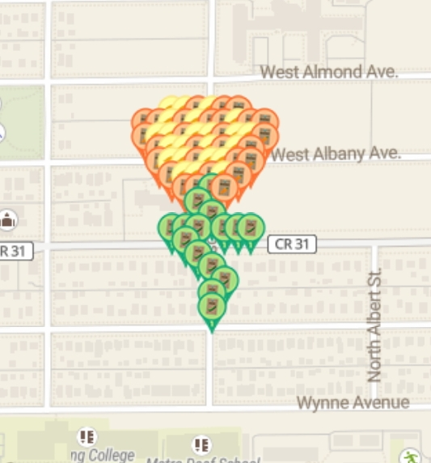
3 | 8 | 44.97823985 | -93.16147109 | Eggs Evolution | rgforsythe | https://www.munzee.com/m/rgforsythe/6270
3 | 9 | 44.97823985 | -93.1612679 | Eggs Evolution | nuttynan | https://www.munzee.com/m/nuttynan/10850/
3 | 10 | 44.97823985 | -93.16106472 | Carrot Evolution | Alzarius | https://www.munzee.com/m/Alzarius/1023/
4 | 2 | 44.97809612 | -93.16269023 | Carrot Evolution | geomatrix | https://www.munzee.com/m/geomatrix/8008/
4 | 3 | 44.97809612 | -93.16248704 | Eggs Evolution | Charlottedavina | https://www.munzee.com/m/charlottedavina/618/
4 | 4 | 44.97809612 | -93.16228385 | Eggs Evolution | IggiePiggie | https://www.munzee.com/m/IggiePiggie/1013/
4 | 5 | 44.97809612 | -93.16208066 | Carrot Evolution | geomatrix | https://www.munzee.com/m/geomatrix/7738/
4 | 6 | 44.97809612 | -93.16187748 | Eggs Evolution | WVKiwi | https://www.munzee.com/m/wvkiwi/5552
4 | 7 | 44.97809612 | -93.16167429 | Carrot Evolution | Centern | https://www.munzee.com/m/Centern/2292/
4 | 8 | 44.97809612 | -93.1614711 | Eggs Evolution | geomatrix | https://www.munzee.com/m/geomatrix/7206/
4 | 9 | 44.97809612 | -93.16126791 | Carrot Evolution | cdwilliams1 | https://www.munzee.com/m/cdwilliams1/1096
5 | 2 | 44.97795239 | -93.16269023 | Carrot Evolution | warped6 | https://www.munzee.com/m/warped6/8709/
5 | 3 | 44.97795239 | -93.16248705 | Eggs Evolution | redshark78 | https://www.munzee.com/m/redshark78/1797
5 | 4 | 44.97795239 | -93.16228386 | Eggs Evolution | NYBOSS | https://www.munzee.com/m/nyboss/4961/
5 | 5 | 44.97795239 | -93.16208067 | Carrot Evolution | Beermaven | https://www.munzee.com/m/Beermaven/2320/
5 | 6 | 44.97795239 | -93.16187749 | Eggs Evolution | warped6 | https://www.munzee.com/m/warped6/8710/
5 | 7 | 44.97795239 | -93.1616743 | Eggs Evolution | bisquick2 | https://www.munzee.com/m/Bisquick2/1749/
5 | 8 | 44.97795239 | -93.16147111 | Carrot Evolution | janzattic | https://www.munzee.com/m/janzattic/5399
5 | 9 | 44.97795239 | -93.16126792 | Carrot Evolution | Belboz | https://www.munzee.com/m/Belboz/13008/
6 | 3 | 44.97780866 | -93.16248705 | Carrot Evolution | georeyna | https://www.munzee.com/m/georeyna/8094/
6 | 4 | 44.97780866 | -93.16228387 | Eggs Evolution | Patterc | https://www.munzee.com/m/Patterc/1565/
6 | 5 | 44.97780866 | -93.16208068 | Eggs Evolution | MeanderingMonkeys | https://www.munzee.com/m/MeanderingMonkeys/8700/
6 | 6 | 44.97780866 | -93.16187749 | Carrot Evolution | Kchiefz | https://www.munzee.com/m/Kchiefz/1193/
6 | 7 | 44.97780866 | -93.16167431 | Eggs Evolution | lightek | https://www.munzee.com/m/Lightek/3791/
6 | 8 | 44.97780866 | -93.16147112 | Carrot Evolution | sunnydae | https://www.munzee.com/m/sunnydae/2178/
7 | 4 | 44.97766493 | -93.16228387 | Carrot Evolution | geomatrix | https://www.munzee.com/m/geomatrix/7742/
7 | 5 | 44.97766493 | -93.16208069 | Carrot Evolution | Laczy76 | https://www.munzee.com/m/Laczy76/2105/
7 | 6 | 44.97766493 | -93.1618775 | Peas Evolution | mandello | https://www.munzee.com/m/mandello/4517/
7 | 7 | 44.97766493 | -93.16167431 | Carrot Evolution | geomatrix | https://www.munzee.com/m/geomatrix/7741/
8 | 5 | 44.97752119 | -93.1620807 | Peas Evolution | warped6 | https://www.munzee.com/m/warped6/8705/
9 | 6 | 44.97737746 | -93.16187752 | Peas Evolution | MeanderingMonkeys | https://www.munzee.com/m/MeanderingMonkeys/13221/
10 | 3 | 44.97723373 | -93.16248708 | Peas Evolution | geomatrix | https://www.munzee.com/m/geomatrix/9242/
10 | 4 | 44.97723373 | -93.1622839 | Peas Evolution | majsan | https://www.munzee.com/m/Majsan/2619/
10 | 5 | 44.97723373 | -93.16208071 | Peas Evolution | Patterc | https://www.munzee.com/m/Patterc/1294/
10 | 7 | 44.97723373 | -93.16167434 | Peas Evolution | nuttynan | https://www.munzee.com/m/nuttynan/10419/
10 | 8 | 44.97723373 | -93.16147116 | Peas Evolution | teamsturms | https://www.munzee.com/m/teamsturms/620/
10 | 9 | 44.97723373 | -93.16126797 | Peas Evolution | KaraReke | https://www.munzee.com/m/KaraReke/1083/
11 | 4 | 44.97709 | -93.1622839 | Peas Evolution | warped6 | https://www.munzee.com/m/warped6/8408/
11 | 8 | 44.97709 | -93.16147117 | Peas Evolution | Charlottedavina | https://www.munzee.com/m/charlottedavina/613/
12 | 5 | 44.97694627 | -93.16208073 | Peas Evolution | AgNav | https://www.munzee.com/m/Agnav/1580/
13 | 6 | 44.97680254 | -93.16187755 | Peas Evolution | Derlame | https://www.munzee.com/m/Derlame/8797/
14 | 7 | 44.97665881 | -93.16167438 | Peas Evolution | Candyman9505 | https://www.munzee.com/m/Candyman9505/
15 | 6 | 44.97651508 | -93.16187757 | Peas Evolution | bisquick2 | https://www.munzee.com/m/Bisquick2/1541/
16 | 6 | 44.97637135 | -93.16187757 | Peas Evolution | Alzarius | https://www.munzee.com/m/Alzarius/1017/
 |  |  |  | poi | Whelen | https://www.munzee.com/m/Whelen/16578/

