MyGarden (1)
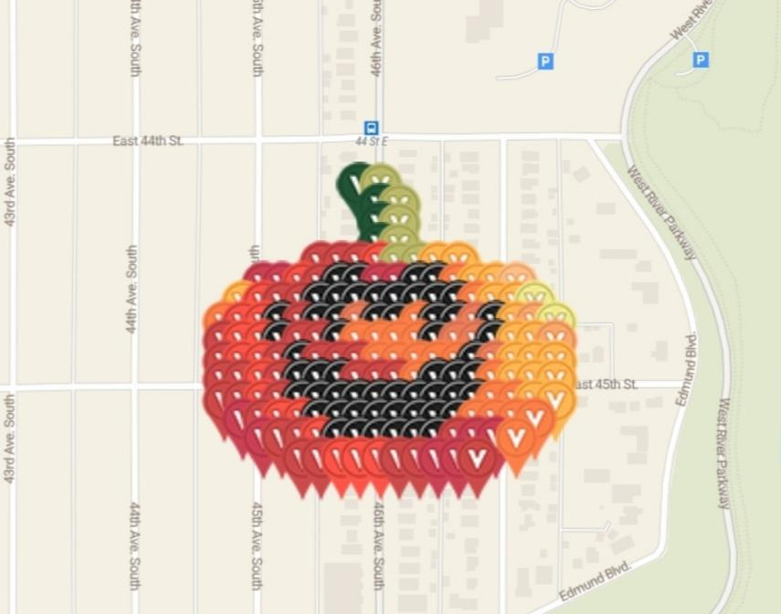
1 | 8 | 44.922638074 | -93.207968879 | Virtual Forest Green | jsamundson | https://www.munzee.com/m/jsamundson/2395/ | 100.00%
1 | 9 | 44.922638074 | -93.207765887 | Virtual Olive Green | munzeepa | https://www.munzee.com/m/munzeepa/2001
2 | 9 | 44.922494343 | -93.207765902 | Virtual Forest Green | janzattic | https://www.munzee.com/m/janzattic/5782
2 | 10 | 44.922494343 | -93.20756291 | Virtual Olive Green | WandelKuub | https://www.munzee.com/m/WandelKuub/4200/
3 | 9 | 44.922350613 | -93.207765916 | Virtual Forest Green | Hikerdude | https://www.munzee.com/m/Hikerdude/2501/
3 | 10 | 44.922350613 | -93.207562926 | Virtual Olive Green | geomatrix | https://www.munzee.com/m/geomatrix/8754/
4 | 9 | 44.922206882 | -93.207765931 | Virtual Forest Green | jsamundson | https://www.munzee.com/m/jsamundson/2393/
4 | 10 | 44.922206882 | -93.207562941 | Virtual Olive Green | munzeepa | https://www.munzee.com/m/munzeepa/1993/
5 | 6 | 44.922063152 | -93.208374915 | Virtual Mahogany | 1SheMarine | https://www.munzee.com/m/1SheMarine/6526/
5 | 7 | 44.922063152 | -93.208171925 | Virtual Mahogany | WandelKuub | https://www.munzee.com/m/WandelKuub/4201/
5 | 8 | 44.922063152 | -93.207968935 | Virtual Mahogany | sidcup | https://www.munzee.com/m/Sidcup/
5 | 9 | 44.922063152 | -93.207765946 | Virtual Red Orange | Sophia0909 | https://www.munzee.com/m/Sophia0909/1844/
5 | 10 | 44.922063152 | -93.207562956 | Virtual Olive Green | yida | https://www.munzee.com/m/yida/2036/
5 | 11 | 44.922063152 | -93.207359967 | Virtual Olive Green | Charlottedavina | https://www.munzee.com/m/charlottedavina/1438/
5 | 12 | 44.922063151 | -93.207156977 | Virtual Orange | Hikerdude | https://www.munzee.com/m/Hikerdude/2500/
5 | 13 | 44.922063151 | -93.206953987 | Virtual Orange | J1Huisman | https://www.munzee.com/m/J1Huisman/10035/
6 | 3 | 44.921919423 | -93.208983895 | Virtual Brick Red | geomatrix | https://www.munzee.com/m/geomatrix/8755/
6 | 4 | 44.921919422 | -93.208780906 | Virtual Brick Red | warped6 | https://www.munzee.com/m/warped6/9386/
6 | 5 | 44.921919422 | -93.208577917 | Virtual Red Orange | georeyna | https://www.munzee.com/m/georeyna/8738/
6 | 6 | 44.921919422 | -93.208374928 | Virtual Mahogany | geomatrix | https://www.munzee.com/m/geomatrix/8762/
6 | 7 | 44.921919422 | -93.208171939 | Virtual Black | warped6 | https://www.munzee.com/m/warped6/9368/ | created by geomatrix
6 | 8 | 44.921919422 | -93.20796895 | Virtual Black | KaraReke | https://www.munzee.com/m/KaraReke/1694/ | Please use color name when converting
6 | 9 | 44.921919422 | -93.207765961 | Virtual Brick Red | geomatrix | https://www.munzee.com/m/geomatrix/8770/ | Event October 12th Minneapolis Minnesota
6 | 10 | 44.921919421 | -93.207562971 | Virtual Brick Red | warped6 | https://www.munzee.com/m/warped6/9363/
6 | 11 | 44.921919421 | -93.207359982 | Virtual Black | JABIE28 | https://www.munzee.com/m/JABIE28/3098/
6 | 12 | 44.921919421 | -93.207156993 | Virtual Black | geomatrix | https://www.munzee.com/m/geomatrix/9121/
6 | 13 | 44.921919421 | -93.206954004 | Virtual Burnt Orange | warped6 | https://www.munzee.com/m/warped6/9357/
6 | 14 | 44.921919421 | -93.206751015 | Virtual Orange | Cachelady | https://www.munzee.com/m/Cachelady/5137/
6 | 15 | 44.92191942 | -93.206548026 | Virtual Orange | JABIE28 | https://www.munzee.com/m/JABIE28/3100/
6 | 16 | 44.92191942 | -93.206345037 | Virtual Macaroni And Cheese | geomatrix | https://www.munzee.com/m/geomatrix/8771/
7 | 2 | 44.921775692 | -93.209186895 | Virtual Orange | ponu | https://www.munzee.com/m/ponu/6071/
7 | 3 | 44.921775692 | -93.208983907 | Virtual Red Orange | Majsan | https://www.munzee.com/m/Majsan/3537/
7 | 4 | 44.921775692 | -93.208780918 | Virtual Mahogany | 6wiggies | https://www.munzee.com/m/6wiggies/161/
7 | 5 | 44.921775692 | -93.20857793 | Virtual Mahogany | arts5 | https://www.munzee.com/m/arts5/17555/
7 | 6 | 44.921775692 | -93.208374941 | Virtual Black | Majsan | https://www.munzee.com/m/Majsan/3536/
7 | 7 | 44.921775691 | -93.208171952 | Virtual Black | Valsey | https://www.munzee.com/m/valsey/3609/
7 | 8 | 44.921775691 | -93.207968964 | Virtual Black | OHail | https://www.munzee.com/m/OHail/17315/
7 | 9 | 44.921775691 | -93.207765975 | Virtual Black | jsamundson | https://www.munzee.com/m/jsamundson/2392/
7 | 10 | 44.921775691 | -93.207562987 | Virtual Black | munzeepa | https://www.munzee.com/m/munzeepa/1960/
7 | 11 | 44.921775691 | -93.207359998 | Virtual Black | Adue | https://www.munzee.com/m/Adue/1244
7 | 12 | 44.921775691 | -93.207157009 | Virtual Black | valsey | https://www.munzee.com/m/valsey/3389/
7 | 13 | 44.92177569 | -93.206954021 | Virtual Black | cjhornor | https://www.munzee.com/m/cjhornor/2462
7 | 14 | 44.92177569 | -93.206751032 | Virtual Burnt Orange | MSgtUSMC | https://www.munzee.com/m/MSgtUSMC/459/
7 | 15 | 44.92177569 | -93.206548044 | Virtual Orange | TheFatCats | https://www.munzee.com/m/TheFatCats/2387/
7 | 16 | 44.92177569 | -93.206345055 | Virtual Orange | danielle41101 | https://www.munzee.com/m/danielle41101/11468/
7 | 17 | 44.92177569 | -93.206142066 | Virtual Green Yellow | Minnesota Boy | https://www.munzee.com/m/MinnesotaBoy/1667/
8 | 1 | 44.921631962 | -93.209389895 | Virtual Burnt Orange | Whelen | https://www.munzee.com/m/Whelen/20346/
8 | 2 | 44.921631962 | -93.209186907 | Virtual Red Orange | ShadowChasers | https://www.munzee.com/m/ShadowChasers/3482/
8 | 3 | 44.921631962 | -93.208983919 | Virtual Red Orange | denali0407 | https://www.munzee.com/m/denali0407/11537/
8 | 4 | 44.921631962 | -93.20878093 | Virtual Black | Whelen | https://www.munzee.com/m/Whelen/20409/
8 | 5 | 44.921631961 | -93.208577942 | Virtual Mahogany | Centern | https://www.munzee.com/m/Centern/2777/
8 | 6 | 44.921631961 | -93.208374954 | Virtual Black | Adue | https://www.munzee.com/m/Adue/1241
8 | 7 | 44.921631961 | -93.208171966 | Virtual Black | Whelen | https://www.munzee.com/m/Whelen/20425/
8 | 8 | 44.921631961 | -93.207968978 | Virtual Burnt Sienna | georeyna | https://www.munzee.com/m/georeyna/8739/
8 | 9 | 44.921631961 | -93.20776599 | Virtual Black | annabanana | https://www.munzee.com/m/annabanana/9063/
8 | 10 | 44.92163196 | -93.207563002 | Virtual Black | Whelen | https://www.munzee.com/m/Whelen/20536/
8 | 11 | 44.92163196 | -93.207360014 | Virtual Burnt Orange | meganduluth22 | https://www.munzee.com/m/Meganduluth22/603/
8 | 12 | 44.92163196 | -93.207157026 | Virtual Black | sophia0909 | https://www.munzee.com/m/Sophia0909/1740/
8 | 13 | 44.92163196 | -93.206954038 | Virtual Black | yida | https://www.munzee.com/m/yida/2044/
8 | 14 | 44.92163196 | -93.20675105 | Virtual Burnt Sienna | Whelen | https://www.munzee.com/m/Whelen/20537/
8 | 15 | 44.92163196 | -93.206548061 | Virtual Black | valsey | https://www.munzee.com/m/valsey/3390/
8 | 16 | 44.921631959 | -93.206345073 | Virtual Orange | shingobee23 | https://www.munzee.com/m/shingobee23/3116/
8 | 17 | 44.921631959 | -93.206142085 | Virtual Tan | flatblack | https://www.munzee.com/m/FlatBlack/125
8 | 18 | 44.921631959 | -93.205939097 | Virtual Green Yellow | Whelen | https://www.munzee.com/m/Whelen/20554/
9 | 1 | 44.921488232 | -93.209389905 | Virtual Mahogany | geomatrix | https://www.munzee.com/m/geomatrix/8772/
9 | 2 | 44.921488231 | -93.209186918 | Virtual Red Orange | warped6 | https://www.munzee.com/m/warped6/9355/
9 | 3 | 44.921488231 | -93.20898393 | Virtual Red Orange | Derlame | https://www.munzee.com/m/Derlame/9682/
9 | 4 | 44.921488231 | -93.208780943 | Virtual Black | geomatrix | https://www.munzee.com/m/geomatrix/9123/
9 | 5 | 44.921488231 | -93.208577955 | Virtual Mahogany | warped6 | https://www.munzee.com/m/warped6/9353/
9 | 6 | 44.921488231 | -93.208374967 | Virtual Mahogany | xptwo | https://www.munzee.com/m/xptwo/14563/
9 | 7 | 44.921488231 | -93.20817198 | Virtual Black | geomatrix | https://www.munzee.com/m/geomatrix/9142/
9 | 8 | 44.92148823 | -93.207968992 | Virtual Burnt Orange | warped6 | https://www.munzee.com/m/warped6/9259/
9 | 9 | 44.92148823 | -93.207766005 | Virtual Burnt Orange | MeanderingMonkeys | https://www.munzee.com/m/MeanderingMonkeys/14898/
9 | 10 | 44.92148823 | -93.207563017 | Virtual Burnt Orange | geomatrix | https://www.munzee.com/m/geomatrix/8773/
9 | 11 | 44.92148823 | -93.20736003 | Virtual Burnt Orange | warped6 | https://www.munzee.com/m/warped6/9136/
9 | 12 | 44.92148823 | -93.207157042 | Virtual Black | xptwo | https://www.munzee.com/m/xptwo/14562/
9 | 13 | 44.921488229 | -93.206954054 | Virtual Burnt Sienna | geomatrix | https://www.munzee.com/m/geomatrix/8774/
9 | 14 | 44.921488229 | -93.206751067 | Virtual Burnt Sienna | warped6 | https://www.munzee.com/m/warped6/9125/
9 | 15 | 44.921488229 | -93.206548079 | Virtual Black | gravitybear | https://www.munzee.com/m/gravitybear/1390/
9 | 16 | 44.921488229 | -93.206345092 | Virtual Orange | Quiltingisfuntoo | https://www.munzee.com/m/Quiltingisfuntoo/1437/
9 | 17 | 44.921488229 | -93.206142104 | Virtual Orange | warped6 | https://www.munzee.com/m/warped6/9099/
9 | 18 | 44.921488229 | -93.205939116 | Virtual Tan | geomatrix | https://www.munzee.com/m/geomatrix/8776/
10 | 1 | 44.921344501 | -93.209389916 | Virtual Mahogany | cdwilliams1 | https://www.munzee.com/m/cdwilliams1/1754
10 | 2 | 44.921344501 | -93.209186929 | Virtual Red Orange | mobility | https://www.munzee.com/m/mobility/7639/
10 | 3 | 44.921344501 | -93.208983942 | Virtual Red Orange | danielle41101 | https://www.munzee.com/m/danielle41101/11494/
10 | 4 | 44.921344501 | -93.208780955 | Virtual Mahogany | cdwilliams1 | https://www.munzee.com/m/cdwilliams1/1751/
10 | 5 | 44.9213445 | -93.208577968 | Virtual Black | Kyrandia | https://www.munzee.com/m/Kyrandia/2594/
10 | 6 | 44.9213445 | -93.208374981 | Virtual Mahogany | danielle41101 | https://www.munzee.com/m/danielle41101/11493/
10 | 7 | 44.9213445 | -93.208171994 | Virtual Mahogany | cdwilliams1 | https://www.munzee.com/m/cdwilliams1/1763
10 | 8 | 44.9213445 | -93.207969007 | Virtual Mahogany | Bisquick2 | https://www.munzee.com/m/Bisquick2/2630/
10 | 9 | 44.9213445 | -93.207766019 | Virtual Burnt Orange | jsamundson | https://www.munzee.com/m/jsamundson/2286/
10 | 10 | 44.9213445 | -93.207563032 | Virtual Burnt Orange | munzeepa | https://www.munzee.com/m/munzeepa/1958/
10 | 11 | 44.921344499 | -93.207360045 | Virtual Burnt Orange | cdwilliams1 | https://www.munzee.com/m/cdwilliams1/1762
10 | 12 | 44.921344499 | -93.207157058 | Virtual Burnt Orange | Quiltingisfuntoo | https://www.munzee.com/m/Quiltingisfuntoo/1451/
10 | 13 | 44.921344499 | -93.206954071 | Virtual Burnt Orange | TJACS | https://www.munzee.com/m/TJACS/5474/
10 | 14 | 44.921344499 | -93.206751084 | Virtual Black | danielle41101 | https://www.munzee.com/m/danielle41101/11484/
10 | 15 | 44.921344499 | -93.206548097 | Virtual Burnt Sienna | sidcup | https://www.munzee.com/m/Sidcup/
10 | 16 | 44.921344498 | -93.20634511 | Virtual Orange | TJACS | https://www.munzee.com/m/TJACS/5481/
10 | 17 | 44.921344498 | -93.206142123 | Virtual Orange | CoffeeBender | https://www.munzee.com/m/CoffeeBender/3104/
10 | 18 | 44.921344498 | -93.205939136 | Virtual Orange | danielle41101 | https://www.munzee.com/m/danielle41101/11482/
11 | 1 | 44.921200771 | -93.209389927 | Virtual Mahogany | DogSoft | https://www.munzee.com/m/DogSoft/193/
11 | 2 | 44.921200771 | -93.20918694 | Virtual Mahogany | jsvetlik | https://www.munzee.com/m/jsvetlik/234/
11 | 3 | 44.92120077 | -93.208983954 | Virtual Red Orange | Whelen | https://www.munzee.com/m/Whelen/20561/
11 | 4 | 44.92120077 | -93.208780967 | Virtual Mahogany | DogSoft | https://www.munzee.com/m/DogSoft/198/
11 | 5 | 44.92120077 | -93.20857798 | Virtual Black | jsvetlik | https://www.munzee.com/m/jsvetlik/225/
11 | 6 | 44.92120077 | -93.208374994 | Virtual Black | Adue | https://www.munzee.com/m/Adue/1238
11 | 7 | 44.92120077 | -93.208172007 | Virtual Black | DogSoft | https://www.munzee.com/m/DogSoft/215/
11 | 8 | 44.921200769 | -93.207969021 | Virtual Mahogany | jsvetlik | https://www.munzee.com/m/jsvetlik/224/
11 | 9 | 44.921200769 | -93.207766034 | Virtual Mahogany | kwd | https://www.munzee.com/m/kwd/5512/
11 | 10 | 44.921200769 | -93.207563048 | Virtual Mahogany | Whelen | https://www.munzee.com/m/Whelen/20556/
11 | 11 | 44.921200769 | -93.207360061 | Virtual Burnt Orange | DogSoft | https://www.munzee.com/m/DogSoft/216/
11 | 12 | 44.921200769 | -93.207157074 | Virtual Black | jsvetlik | https://www.munzee.com/m/jsvetlik/193/
11 | 13 | 44.921200769 | -93.206954088 | Virtual Black | lazylightning7 | https://www.munzee.com/m/Lazylightning7/1593/
11 | 14 | 44.921200768 | -93.206751101 | Virtual Black | DogSoft | https://www.munzee.com/m/DogSoft/221/
11 | 15 | 44.921200768 | -93.206548115 | Virtual Burnt Orange | jsvetlik | https://www.munzee.com/m/jsvetlik/192/
11 | 16 | 44.921200768 | -93.206345128 | Virtual Orange | Hogglespike | https://www.munzee.com/m/Hogglespike/4103
11 | 17 | 44.921200768 | -93.206142142 | Virtual Orange | darrenjones | https://www.munzee.com/m/darrenjones/3902
11 | 18 | 44.921200768 | -93.205939155 | Virtual Orange | purplecourgette | https://www.munzee.com/m/purplecourgette/314/
12 | 1 | 44.92105704 | -93.209389937 | Virtual Mahogany | geomatrix | https://www.munzee.com/m/geomatrix/9096/
12 | 2 | 44.92105704 | -93.209186951 | Virtual Mahogany | warped6 | https://www.munzee.com/m/warped6/9096/
12 | 3 | 44.92105704 | -93.208983965 | Virtual Red Orange | crazycolorado | https://www.munzee.com/m/Crazycolorado/2473/
12 | 4 | 44.92105704 | -93.208780979 | Virtual Mahogany | geomatrix | https://www.munzee.com/m/geomatrix/9098/
12 | 5 | 44.92105704 | -93.208577993 | Virtual Black | warped6 | https://www.munzee.com/m/warped6/9073/
12 | 6 | 44.921057039 | -93.208375007 | Virtual Black | David | https://www.munzee.com/m/David/788/
12 | 7 | 44.921057039 | -93.208172021 | Virtual Black | geomatrix | https://www.munzee.com/m/geomatrix/9146/
12 | 8 | 44.921057039 | -93.207969035 | Virtual Black | warped6 | https://www.munzee.com/m/warped6/9054/
12 | 9 | 44.921057039 | -93.207766049 | Virtual Black | lostsole68 | https://www.munzee.com/m/lostsole68/1083/
12 | 10 | 44.921057039 | -93.207563063 | Virtual Black | geomatrix | https://www.munzee.com/m/geomatrix/9147/
12 | 11 | 44.921057038 | -93.207360077 | Virtual Black | warped6 | https://www.munzee.com/m/warped6/9013/
12 | 12 | 44.921057038 | -93.207157091 | Virtual Black | CoffeeBender | https://www.munzee.com/m/CoffeeBender/3231/
12 | 13 | 44.921057038 | -93.206954105 | Virtual Black | geomatrix | https://www.munzee.com/m/geomatrix/9111/
12 | 14 | 44.921057038 | -93.206751119 | Virtual Black | warped6 | https://www.munzee.com/m/warped6/9012/
12 | 15 | 44.921057038 | -93.206548133 | Virtual Burnt Orange | JABIE28 | https://www.munzee.com/m/JABIE28/3099/
12 | 16 | 44.921057038 | -93.206345146 | Virtual Burnt Orange | DecimateJSY97 | https://www.munzee.com/m/DecimateJSY97/578/
12 | 17 | 44.921057037 | -93.20614216 | Virtual Orange | gravitybear | https://www.munzee.com/m/gravitybear/1387/
12 | 18 | 44.921057037 | -93.205939174 | Virtual Orange | geomatrix | https://www.munzee.com/m/geomatrix/9110/
13 | 2 | 44.92091331 | -93.209186962 | Virtual Brick Red | sidcup | https://www.munzee.com/m/Sidcup/
13 | 3 | 44.920913309 | -93.208983977 | Virtual Mahogany | Qdog | https://www.munzee.com/m/Qdog/4217/
13 | 4 | 44.920913309 | -93.208780991 | Virtual Red Orange | lazylightning7 | https://www.munzee.com/m/Lazylightning7/1577/
13 | 5 | 44.920913309 | -93.208578006 | Virtual Red Orange | danielle41101 | https://www.munzee.com/m/danielle41101/11475/
13 | 6 | 44.920913309 | -93.20837502 | Virtual Black | NYBOSS | https://www.munzee.com/m/nyboss/5445/
13 | 7 | 44.920913309 | -93.208172035 | Virtual Black | timandweze | https://www.munzee.com/m/timandweze/6374
13 | 8 | 44.920913309 | -93.207969049 | Virtual Black | danielle41101 | https://www.munzee.com/m/danielle41101/11474/
13 | 9 | 44.920913308 | -93.207766064 | Virtual Black | kiitokurre | https://www.munzee.com/m/Kiitokurre/4832/
13 | 10 | 44.920913308 | -93.207563078 | Virtual Black | dboracle | https://www.munzee.com/m/dboracle/4071
13 | 11 | 44.920913308 | -93.207360093 | Virtual Black | danielle41101 | https://www.munzee.com/m/danielle41101/11473/
13 | 12 | 44.920913308 | -93.207157107 | Virtual Black | timandweze | https://www.munzee.com/m/timandweze/6323
13 | 13 | 44.920913308 | -93.206954121 | Virtual Black | TJACS | https://www.munzee.com/m/TJACS/5506/
13 | 14 | 44.920913307 | -93.206751136 | Virtual Burnt Orange | danielle41101 | https://www.munzee.com/m/danielle41101/11471/
13 | 15 | 44.920913307 | -93.20654815 | Virtual Burnt Orange | David | https://www.munzee.com/m/David/789/
13 | 16 | 44.920913307 | -93.206345165 | Virtual Burnt Orange | lazylightning7 | https://www.munzee.com/m/Lazylightning7/1578/
13 | 17 | 44.920913307 | -93.206142179 | Virtual Burnt Orange | danielle41101 | https://www.munzee.com/m/danielle41101/11469/
14 | 3 | 44.920769579 | -93.208983989 | Virtual Brick Red | Whelen | https://www.munzee.com/m/Whelen/20590/
14 | 4 | 44.920769579 | -93.208781004 | Virtual Mahogany | beckiweber | https://www.munzee.com/m/beckiweber/3851/
14 | 5 | 44.920769579 | -93.208578019 | Virtual Mahogany | gravitybear | https://www.munzee.com/m/gravitybear/908/
14 | 6 | 44.920769578 | -93.208375033 | Virtual Red Orange | Charlottedavina | https://www.munzee.com/m/charlottedavina/1483/
14 | 7 | 44.920769578 | -93.208172048 | Virtual Black | beckiweber | https://www.munzee.com/m/beckiweber/3850/
14 | 8 | 44.920769578 | -93.207969063 | Virtual Black | jsamundson | https://www.munzee.com/m/jsamundson/2281
14 | 9 | 44.920769578 | -93.207766078 | Virtual Black | munzeepa | https://www.munzee.com/m/munzeepa/2002/
14 | 10 | 44.920769578 | -93.207563093 | Virtual Black | Whelen | https://www.munzee.com/m/Whelen/20557/
14 | 11 | 44.920769578 | -93.207360108 | Virtual Black | valsey | https://www.munzee.com/m/valsey/3443/
14 | 12 | 44.920769577 | -93.207157123 | Virtual Black | beckiweber | https://www.munzee.com/m/beckiweber/3842/
14 | 13 | 44.920769577 | -93.206954138 | Virtual Mahogany | tcguru | https://www.munzee.com/m/tcguru/7435/
14 | 14 | 44.920769577 | -93.206751153 | Virtual Brick Red | valsey | https://www.munzee.com/m/valsey/3418/
14 | 15 | 44.920769577 | -93.206548168 | Virtual Brick Red | beckiweber | https://www.munzee.com/m/beckiweber/3837/
14 | 16 | 44.920769577 | -93.206345183 | Virtual Burnt Orange | sidcup | https://www.munzee.com/m/Sidcup/
15 | 5 | 44.920625848 | -93.208578031 | Virtual Mahogany | geomatrix | https://www.munzee.com/m/geomatrix/9107/
15 | 6 | 44.920625848 | -93.208375047 | Virtual Mahogany | DogSoft | https://www.munzee.com/m/DogSoft/222/
15 | 7 | 44.920625848 | -93.208172062 | Virtual Red Orange | jsvetlik | https://www.munzee.com/m/jsvetlik/178/
15 | 8 | 44.920625848 | -93.207969078 | Virtual Red Orange | geomatrix | https://www.munzee.com/m/geomatrix/9106/
15 | 9 | 44.920625848 | -93.207766093 | Virtual Red Orange | DogSoft | https://www.munzee.com/m/DogSoft/247/
15 | 10 | 44.920625847 | -93.207563109 | Virtual Mahogany | jsvetlik | https://www.munzee.com/m/jsvetlik/177/
15 | 11 | 44.920625847 | -93.207360124 | Virtual Mahogany | geomatrix | https://www.munzee.com/m/geomatrix/9105/
15 | 12 | 44.920625847 | -93.207157139 | Virtual Brick Red | DogSoft | https://www.munzee.com/m/DogSoft/248/
15 | 13 | 44.920625847 | -93.206954155 | Virtual Brick Red | jsvetlik | https://www.munzee.com/m/jsvetlik/174/
15 | 14 | 44.920625847 | -93.20675117 | Virtual Mahogany | geomatrix | https://www.munzee.com/m/geomatrix/9104/

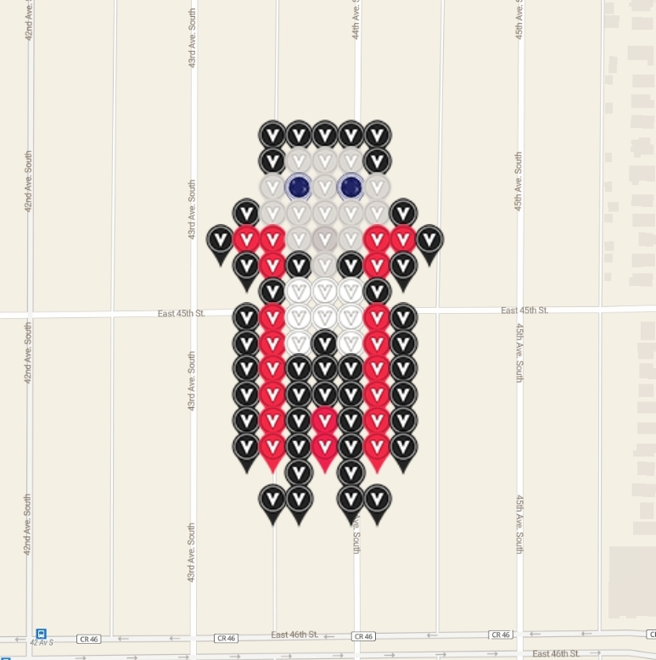

 |  |  |  |  |  | ZEEacula garden
 |  |  |  |  | https://docs.google.com/spreadsheets/d/14h-LF4vK7MOUZpaJzQuxWgsOvzwTk3pKMDZDkrUX7fo/edit?usp=drivesdk

