Duluth Anchor Garden.csv
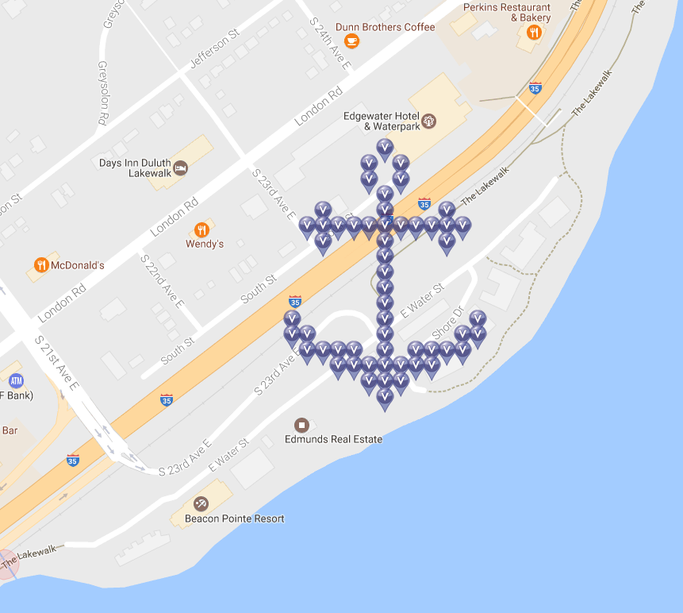
Row | Column | Latitude | Longitude | Munzee | Type | Username | URL | Name
1 | 7 | 46.80611483 | -92.06427067 | Virtual Blue | blue | meganduluth22 | https://www.munzee.com/m/Meganduluth22/181/ | Virtual Duluth Anchor 0
2 | 6 | 46.8059711 | -92.06448067 | Virtual Blue | blue | TheFinder13 | https://www.munzee.com/m/TheFinder13/1464/ | Virtual Duluth Anchor 1
2 | 8 | 46.8059711 | -92.0640607 | Virtual Blue | blue | peachesncream | https://www.munzee.com/m/PeachesnCream/850/ | Virtual Duluth Anchor 2
3 | 6 | 46.80582737 | -92.06448069 | Virtual Blue | blue | Timmers02 | https://www.munzee.com/m/Timmers02/214/admin/ | Virtual Duluth Anchor 3 | black
3 | 8 | 46.80582737 | -92.06406072 | Virtual Blue | blue | geomatrix | https://www.munzee.com/m/geomatrix/5417/ | Virtual Duluth Anchor 4
4 | 7 | 46.80568364 | -92.06427072 | Virtual Blue | blue | meganduluth22 | https://www.munzee.com/m/Meganduluth22/169/ | Virtual Duluth Anchor 5
5 | 3 | 46.80553991 | -92.06511068 | Virtual Blue | blue | cjhaynes | https://www.munzee.com/m/cjhaynes/2183/ | Virtual Duluth Anchor 6
5 | 7 | 46.80553991 | -92.06427074 | Virtual Blue | blue | cjhaynes | https://www.munzee.com/m/cjhaynes/2141/ | Virtual Duluth Anchor 7
5 | 11 | 46.80553991 | -92.06343079 | Virtual Blue | blue | cjhaynes | https://www.munzee.com/m/cjhaynes/2182/ | Virtual Duluth Anchor 8
6 | 2 | 46.80539618 | -92.06532068 | Virtual Blue | blue | TheFinder13 | https://www.munzee.com/m/TheFinder13/1463/ | Virtual Duluth Anchor 9
6 | 3 | 46.80539618 | -92.06511069 | Virtual Blue | blue | Timmers02 | https://www.munzee.com/m/Timmers02/213/admin/ | Virtual Duluth Anchor 10 | black
6 | 4 | 46.80539618 | -92.06490071 | Virtual Blue | blue | MrsHaynes | https://www.munzee.com/m/MrsHaynes/1593/ | Virtual Duluth Anchor 11
6 | 5 | 46.80539618 | -92.06469072 | Virtual Blue | blue | timandweze | https://www.munzee.com/m/timandweze/2338 | Virtual Duluth Anchor 12
6 | 6 | 46.80539618 | -92.06448074 | Virtual Blue | blue | geomatrix | https://www.munzee.com/m/geomatrix/5430/ | Virtual Duluth Anchor 13
6 | 7 | 46.80539618 | -92.06427075 | Virtual Blue | blue | MrsHaynes | https://www.munzee.com/m/MrsHaynes/1594/ | Virtual Duluth Anchor 14
6 | 8 | 46.80539618 | -92.06406077 | Virtual Blue | blue | Timmers02 | https://www.munzee.com/m/Timmers02/212/admin/ | Virtual Duluth Anchor 15 | black
6 | 9 | 46.80539618 | -92.06385078 | Virtual Blue | blue | geomatrix | https://www.munzee.com/m/geomatrix/5420/ | Virtual Duluth Anchor 16
6 | 10 | 46.80539618 | -92.0636408 | Virtual Blue | blue | TheFinder13 | https://www.munzee.com/m/TheFinder13/1457/ | Virtual Duluth Anchor 17
6 | 11 | 46.80539618 | -92.06343081 | Virtual Blue | blue | Timmers02 | https://www.munzee.com/m/Timmers02/195/admin/ | Virtual Duluth Anchor 18
6 | 12 | 46.80539618 | -92.06322083 | Virtual Blue | blue | timandweze | https://www.munzee.com/m/timandweze/2148 | Virtual Duluth Anchor 19
7 | 3 | 46.80525245 | -92.06511071 | Virtual Blue | blue | meganduluth22 | https://www.munzee.com/m/Meganduluth22/172/ | Virtual Duluth Anchor 20
7 | 7 | 46.80525245 | -92.06427077 | Virtual Blue | blue | oldmountaineer | https://www.munzee.com/m/oldmountaineer/1820 | Virtual Duluth Anchor 21
7 | 11 | 46.80525245 | -92.06343083 | Virtual Blue | blue | meganduluth22 | https://www.munzee.com/m/Meganduluth22/176/ | Virtual Duluth Anchor 22
8 | 7 | 46.80510872 | -92.06427079 | Virtual Blue | blue | GreenHeron | https://www.munzee.com/m/GreenHeron/2320/ | Virtual Duluth Anchor 23
9 | 7 | 46.80496499 | -92.0642708 | Virtual Blue | blue | Timmers02 | https://www.munzee.com/m/Timmers02/207/admin/ | Virtual Duluth Anchor 24
10 | 7 | 46.80482126 | -92.06427082 | Virtual Blue | blue | TheFinder13 | https://www.munzee.com/m/TheFinder13/1456/ | Virtual Duluth Anchor 25
11 | 7 | 46.80467753 | -92.06427084 | Virtual Blue | blue | meganduluth22 | https://www.munzee.com/m/Meganduluth22/180/ | Virtual Duluth Anchor 26
12 | 1 | 46.8045338 | -92.06553075 | Virtual Blue | blue | meganduluth22 | https://www.munzee.com/m/Meganduluth22/192/ | Virtual Duluth Anchor 27
12 | 7 | 46.8045338 | -92.06427085 | Virtual Blue | blue | Timmers02 | https://www.munzee.com/m/Timmers02/203/admin/ | Virtual Duluth Anchor 28 | rainbow
12 | 13 | 46.80453379 | -92.06301096 | Virtual Blue | blue | meganduluth22 | https://www.munzee.com/m/Meganduluth22/257/ | Virtual Duluth Anchor 29
13 | 1 | 46.80439007 | -92.06553076 | Virtual Blue | blue | GreenHeron | https://www.munzee.com/m/GreenHeron/2231 | Virtual Duluth Anchor 30
13 | 2 | 46.80439007 | -92.06532078 | Virtual Blue | blue | ohiolady | https://www.munzee.com/m/ohiolady/1855 | Virtual Duluth Anchor 31
13 | 7 | 46.80439007 | -92.06427087 | Virtual Blue | blue | GreenHeron | https://www.munzee.com/m/GreenHeron/2230 | Virtual Duluth Anchor 32
13 | 12 | 46.80439006 | -92.06322096 | Virtual Blue | blue | TheFinder13 | https://www.munzee.com/m/TheFinder13/1455/ | Virtual Duluth Anchor 33
13 | 13 | 46.80439006 | -92.06301098 | Virtual Blue | blue | Timmers02 | https://www.munzee.com/m/Timmers02/196/admin/ | Virtual Duluth Anchor 34
14 | 2 | 46.80424634 | -92.06532079 | Virtual Blue | blue | Northbound | https://www.munzee.com/m/Northbound/4934/ | Virtual Duluth Anchor 35
14 | 3 | 46.80424634 | -92.06511081 | Virtual Blue | blue | listom | https://www.munzee.com/m/listom/8377/ | Virtual Duluth Anchor 36
14 | 4 | 46.80424634 | -92.06490083 | Virtual Blue | blue | Timmers02 | https://www.munzee.com/m/Timmers02/168/admin/ | Virtual Duluth Anchor 37 | white
14 | 5 | 46.80424634 | -92.06469085 | Virtual Blue | blue | jennbaby82 | https://www.munzee.com/m/Jennbaby82/1622/ | Virtual Duluth Anchor 38
14 | 7 | 46.80424633 | -92.06427089 | Virtual Blue | blue | jigglypuff | https://www.munzee.com/m/jigglypuff/510/ | Virtual Duluth Anchor 39
14 | 9 | 46.80424633 | -92.06385093 | Virtual Blue | blue | MrsCB | https://www.munzee.com/m/mrscb/4237/ | Virtual Duluth Anchor 40
14 | 10 | 46.80424633 | -92.06364095 | Virtual Blue | blue | kimdot | https://www.munzee.com/m/kimdot/7267/ | Virtual Duluth Anchor 41
14 | 11 | 46.80424633 | -92.06343096 | Virtual Blue | blue | wemissmo | https://www.munzee.com/m/wemissmo/4378/ | Virtual Duluth Anchor 42
14 | 12 | 46.80424633 | -92.06322098 | Virtual Blue | blue | wrose | https://www.munzee.com/m/wrose/4327/ | Virtual Duluth Anchor 43
15 | 4 | 46.80410261 | -92.06490085 | Virtual Blue | blue | wroe | https://www.munzee.com/m/wrose/4326/ | Virtual Duluth Anchor 44
15 | 5 | 46.8041026 | -92.06469087 | Virtual Blue | blue | wemissmo | https://www.munzee.com/m/wemissmo/4372/ | Virtual Duluth Anchor 45
15 | 6 | 46.8041026 | -92.06448089 | Virtual Blue | blue | bazfum | https://www.munzee.com/m/bazfum/3269/ | Virtual Duluth Anchor 46
15 | 7 | 46.8041026 | -92.0642709 | Virtual Blue | blue | Timmers02 | https://www.munzee.com/m/Timmers02/166/admin/ | Virtual Duluth Anchor 47 | white
15 | 8 | 46.8041026 | -92.06406092 | Virtual Blue | blue | OHail | https://www.munzee.com/m/OHail/6523/ | Virtual Duluth Anchor 48
15 | 9 | 46.8041026 | -92.06385094 | Virtual Blue | blue | Quiltingisfuntoo | https://www.munzee.com/m/Quiltingisfuntoo/382/ | Virtual Duluth Anchor 49
15 | 10 | 46.8041026 | -92.06364096 | Virtual Blue | blue | GreenHeron | https://www.munzee.com/m/GreenHeron/2229 | Virtual Duluth Anchor 50
16 | 6 | 46.80395887 | -92.0644809 | Virtual Blue | blue | quiltingisfuntoo | https://www.munzee.com/m/Quiltingisfuntoo/429/ | Virtual Duluth Anchor 51
16 | 7 | 46.80395887 | -92.06427092 | Virtual Blue | blue | Qdog | https://www.munzee.com/m/Qdog/1635/ | Virtual Duluth Anchor 52
16 | 8 | 46.80395887 | -92.06406094 | Virtual Blue | blue | wemissmo | https://www.munzee.com/m/wemissmo/4376/ | Virtual Duluth Anchor 53
17 | 7 | 46.80381514 | -92.06427094 | Virtual Blue | blue | GreenHeron | https://www.munzee.com/m/GreenHeron/2294 | Virtual Duluth Anchor 54

Please do NOT delete the following line. You will need it if you want to load the CSV file back to the map!
URL: gardenpainter.ide.sk | 46.80503703 | -92.06437579 | 22 | 24 | 90 | 0 | 20 | 17

