Folkeparken
Evolutionpark in Roskilde/Denmark
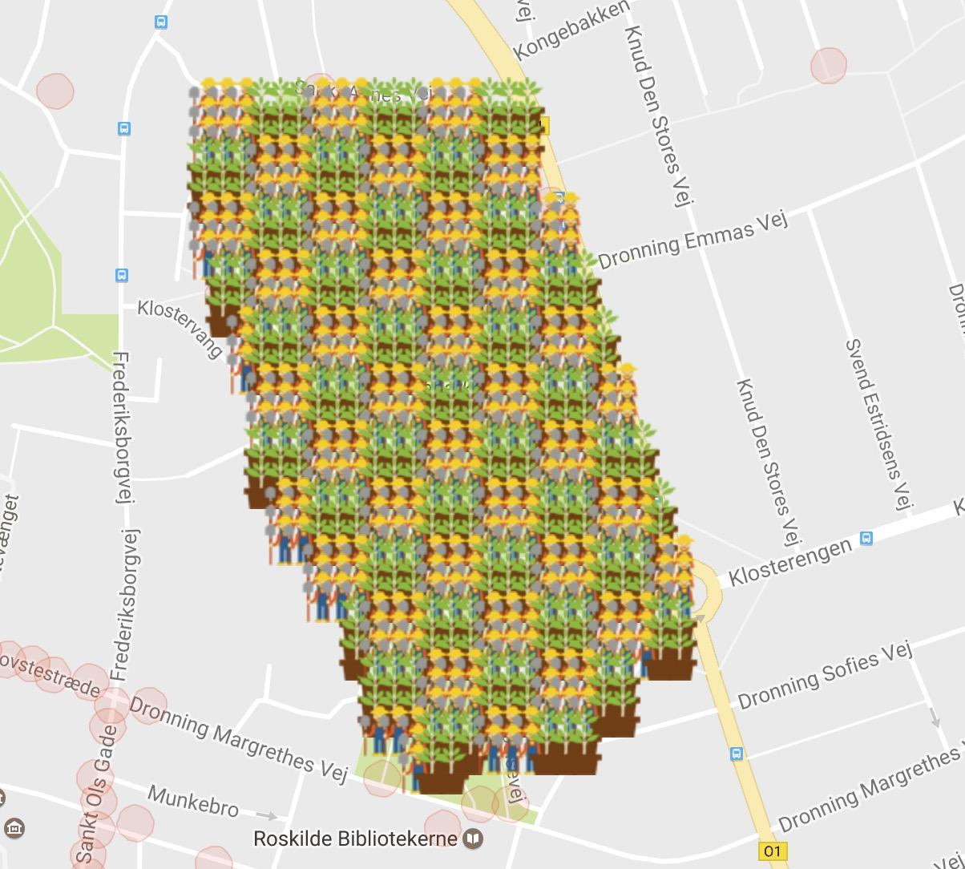
MunzeeType | Total | Filled | Pct | Free
Family Evolution | 114 | 68 | 60% | 46
Field Evolution | 114 | 68 | 60% | 46
Submarine Evolution | 212 | 130 | 61% | 82
Et Eller Andet Evolution | 215 | 126 | 59% | 89
Total | 655 | 392 | 60% | 263

Row | Column | Latitude | Longitude | Munzee | Username | URL | Comments
1 | 1 | 55.647566653 | 12.0846675 | Family Evolution | Burger50 | https://www.munzee.com/m/Burger50/158/
1 | 2 | 55.647566653 | 12.084922214 | Family Evolution | BentM | https://www.munzee.com/m/BentM/145/
1 | 3 | 55.647566653 | 12.085176928 | Family Evolution | PizzaSnail | https://www.munzee.com/m/PizzaSnail/319/
1 | 4 | 55.647566653 | 12.085431641 | Field Evolution | Burger50 | https://www.munzee.com/m/Burger50/183/
1 | 5 | 55.647566652 | 12.085686355 | Field Evolution | BentM | https://www.munzee.com/m/BentM/140/
1 | 6 | 55.647566652 | 12.085941069 | Field Evolution | PizzaSnail | https://www.munzee.com/m/PizzaSnail/322/
1 | 7 | 55.647566652 | 12.086195783 | Family Evolution | Burger50 | https://www.munzee.com/m/Burger50/182/
1 | 8 | 55.647566652 | 12.086450497 | Family Evolution | BentM | https://www.munzee.com/m/BentM/147/
1 | 9 | 55.647566651 | 12.086705211 | Family Evolution | PizzaSnail | https://www.munzee.com/m/PizzaSnail/308/
1 | 10 | 55.647566651 | 12.086959925 | Field Evolution | Burger50 | https://www.munzee.com/m/Burger50/180/
1 | 11 | 55.647566651 | 12.087214639 | Field Evolution | BentM | https://www.munzee.com/m/BentM/146/
1 | 12 | 55.647566651 | 12.087469353 | Field Evolution | PizzaSnail | https://www.munzee.com/m/PizzaSnail/321/
1 | 13 | 55.64756665 | 12.087724067 | Family Evolution | Burger50 | https://www.munzee.com/m/Burger50/181/
1 | 14 | 55.64756665 | 12.087978781 | Family Evolution | BentM | https://www.munzee.com/m/BentM/148/
1 | 15 | 55.64756665 | 12.088233495 | Family Evolution | PizzaSnail | https://www.munzee.com/m/PizzaSnail/315/
1 | 16 | 55.647566649 | 12.088488209 | Field Evolution | Burger50 | https://www.munzee.com/m/Burger50/177/
1 | 17 | 55.647566649 | 12.088742923 | Field Evolution | BentM | https://www.munzee.com/m/BentM/149/
1 | 18 | 55.647566649 | 12.088997637 | Field Evolution | PizzaSnail | https://www.munzee.com/m/PizzaSnail/320/
2 | 1 | 55.647422923 | 12.084667485 | Family Evolution | killerSnail | https://www.munzee.com/m/KillerSnail/670/
2 | 2 | 55.647422923 | 12.084922198 | Family Evolution | marshMallow | https://www.munzee.com/m/TheInvisibleMarshmallow/356/
2 | 3 | 55.647422922 | 12.085176911 | Family Evolution | damgaard | https://www.munzee.com/m/damgaard/1421/
2 | 4 | 55.647422922 | 12.085431624 | Field Evolution | killerSnail | https://www.munzee.com/m/KillerSnail/672/
2 | 5 | 55.647422922 | 12.085686337 | Field Evolution | marshMallow | https://www.munzee.com/m/TheInvisibleMarshmallow/359/
2 | 6 | 55.647422922 | 12.08594105 | Field Evolution | damgaard | https://www.munzee.com/m/damgaard/1419/
2 | 7 | 55.647422921 | 12.086195763 | Family Evolution | killerSnail | https://www.munzee.com/m/KillerSnail/668/
2 | 8 | 55.647422921 | 12.086450476 | Family Evolution | marshMallow | https://www.munzee.com/m/TheInvisibleMarshmallow/355/
2 | 9 | 55.647422921 | 12.086705189 | Family Evolution | damgaard | https://www.munzee.com/m/damgaard/1417/
2 | 10 | 55.647422921 | 12.086959902 | Field Evolution | killerSnail | https://www.munzee.com/m/KillerSnail/671/
2 | 11 | 55.64742292 | 12.087214615 | Field Evolution | marshMallow | https://www.munzee.com/m/TheInvisibleMarshmallow/358/
2 | 12 | 55.64742292 | 12.087469328 | Field Evolution | damgaard | https://www.munzee.com/m/damgaard/1418/
2 | 13 | 55.64742292 | 12.087724041 | Family Evolution | killerSnail | https://www.munzee.com/m/KillerSnail/663/
2 | 14 | 55.64742292 | 12.087978754 | Family Evolution | marshMallow | https://www.munzee.com/m/TheInvisibleMarshmallow/353/
2 | 15 | 55.647422919 | 12.088233467 | Family Evolution | damgaard | https://www.munzee.com/m/damgaard/1416/
2 | 16 | 55.647422919 | 12.08848818 | Field Evolution | killerSnail | https://www.munzee.com/m/KillerSnail/669/
2 | 17 | 55.647422919 | 12.088742893 | Field Evolution | marshMallow | https://www.munzee.com/m/TheInvisibleMarshmallow/357/
2 | 18 | 55.647422919 | 12.088997606 | Field Evolution | damgaard | https://www.munzee.com/m/damgaard/1410/
3 | 1 | 55.647279193 | 12.08466747 | Family Evolution | 2JP | https://www.munzee.com/m/2JP/4263
3 | 2 | 55.647279192 | 12.084922182 | Family Evolution | Norballe | https://www.munzee.com/m/Norballe/7748/
3 | 3 | 55.647279192 | 12.085176894 | Family Evolution | Annika | https://www.munzee.com/m/Annika/6094
3 | 4 | 55.647279192 | 12.085431606 | Field Evolution | fyrsel | https://www.munzee.com/m/fyrsel/2099
3 | 5 | 55.647279191 | 12.085686318 | Field Evolution | Norballe | https://www.munzee.com/m/Norballe/7763/
3 | 6 | 55.647279191 | 12.08594103 | Field Evolution | GeodudeDK | https://www.munzee.com/m/GeodudeDK/11163/
3 | 7 | 55.647279191 | 12.086195742 | Family Evolution
3 | 8 | 55.647279191 | 12.086450454 | Family Evolution | Norballe | https://www.munzee.com/m/Norballe/7750/
3 | 9 | 55.64727919 | 12.086705166 | Family Evolution | GeodudeDK | https://www.munzee.com/m/GeodudeDK/11852/
3 | 10 | 55.64727919 | 12.086959878 | Field Evolution
3 | 11 | 55.64727919 | 12.087214591 | Field Evolution | Norballe | https://www.munzee.com/m/Norballe/7762/
3 | 12 | 55.64727919 | 12.087469303 | Field Evolution | GeodudeDK | https://www.munzee.com/m/GeodudeDK/11849/
3 | 13 | 55.647279189 | 12.087724015 | Family Evolution
3 | 14 | 55.647279189 | 12.087978727 | Family Evolution | Norballe | https://www.munzee.com/m/Norballe/7759/
3 | 15 | 55.647279189 | 12.088233439 | Family Evolution | GeodudeDK | https://www.munzee.com/m/GeodudeDK/12896/
3 | 16 | 55.647279189 | 12.088488151 | Field Evolution
3 | 17 | 55.647279188 | 12.088742863 | Field Evolution | Norballe | https://www.munzee.com/m/Norballe/7760/
3 | 18 | 55.647279188 | 12.088997575 | Field Evolution | GeodudeDK | https://www.munzee.com/m/GeodudeDK/12900/
4 | 1 | 55.647135462 | 12.084667455 | Field Evolution | burger50 | https://www.munzee.com/m/Burger50/171/
4 | 2 | 55.647135462 | 12.084922166 | Field Evolution | BentM | https://www.munzee.com/m/BentM/141/
4 | 3 | 55.647135462 | 12.085176877 | Field Evolution | PizzaSnail | https://www.munzee.com/m/PizzaSnail/318/
4 | 4 | 55.647135461 | 12.085431588 | Family Evolution | burger50 | https://www.munzee.com/m/Burger50/179/
4 | 5 | 55.647135461 | 12.085686299 | Family Evolution | BentM | https://www.munzee.com/m/BentM/138/
4 | 6 | 55.647135461 | 12.08594101 | Family Evolution | PizzaSnail | https://www.munzee.com/m/PizzaSnail/299/
4 | 7 | 55.647135461 | 12.086195722 | Field Evolution | burger50 | https://www.munzee.com/m/Burger50/173/
4 | 8 | 55.64713546 | 12.086450433 | Field Evolution | BentM | https://www.munzee.com/m/BentM/124/
4 | 9 | 55.64713546 | 12.086705144 | Field Evolution | PizzaSnail | https://www.munzee.com/m/PizzaSnail/317/
4 | 10 | 55.64713546 | 12.086959855 | Family Evolution | burger50 | https://www.munzee.com/m/Burger50/176/
4 | 11 | 55.647135459 | 12.087214566 | Family Evolution | BentM | https://www.munzee.com/m/BentM/144/
4 | 12 | 55.647135459 | 12.087469277 | Family Evolution | PizzaSnail | https://www.munzee.com/m/PizzaSnail/306/
4 | 13 | 55.647135459 | 12.087723988 | Field Evolution | burger50 | https://www.munzee.com/m/Burger50/172/
4 | 14 | 55.647135459 | 12.0879787 | Field Evolution | bentM | https://www.munzee.com/m/BentM/131/
4 | 15 | 55.647135458 | 12.088233411 | Field Evolution | PizzaSnail | https://www.munzee.com/m/PizzaSnail/307/
4 | 16 | 55.647135458 | 12.088488122 | Family Evolution | burger50 | https://www.munzee.com/m/Burger50/175/
4 | 17 | 55.647135458 | 12.088742833 | Family Evolution | bentM | https://www.munzee.com/m/BentM/139/
4 | 18 | 55.647135458 | 12.088997544 | Family Evolution | PizzaSnail | https://www.munzee.com/m/PizzaSnail/297/
5 | 1 | 55.646991732 | 12.08466744 | Field Evolution | killerSnail | https://www.munzee.com/m/KillerSnail/665/
5 | 2 | 55.646991731 | 12.08492215 | Field Evolution | marshMallow | https://www.munzee.com/m/TheInvisibleMarshmallow/352/
5 | 3 | 55.646991731 | 12.08517686 | Field Evolution | damgaard | https://www.munzee.com/m/damgaard/1404/
5 | 4 | 55.646991731 | 12.08543157 | Family Evolution | killerSnail | https://www.munzee.com/m/KillerSnail/662/
5 | 5 | 55.646991731 | 12.085686281 | Family Evolution | marshMallow | https://www.munzee.com/m/TheInvisibleMarshmallow/350/
5 | 6 | 55.64699173 | 12.085940991 | Family Evolution | damgaard | https://www.munzee.com/m/damgaard/1415/
5 | 7 | 55.64699173 | 12.086195701 | Field Evolution | killerSnail | https://www.munzee.com/m/KillerSnail/664/
5 | 8 | 55.64699173 | 12.086450411 | Field Evolution | marshMallow | https://www.munzee.com/m/TheInvisibleMarshmallow/351/
5 | 9 | 55.64699173 | 12.086705121 | Field Evolution | damgaard | https://www.munzee.com/m/damgaard/1406/
5 | 10 | 55.646991729 | 12.086959832 | Family Evolution | killerSnail | https://www.munzee.com/m/KillerSnail/659/
5 | 11 | 55.646991729 | 12.087214542 | Family Evolution | marshMallow | https://www.munzee.com/m/TheInvisibleMarshmallow/349/
5 | 12 | 55.646991729 | 12.087469252 | Family Evolution | damgaard | https://www.munzee.com/m/damgaard/1409/
5 | 13 | 55.646991728 | 12.087723962 | Field Evolution | killerSnail | https://www.munzee.com/m/KillerSnail/660/
5 | 14 | 55.646991728 | 12.087978673 | Field Evolution | marshMallow | https://www.munzee.com/m/TheInvisibleMarshmallow/347/
5 | 15 | 55.646991728 | 12.088233383 | Field Evolution | damgaard | https://www.munzee.com/m/damgaard/1402/
5 | 16 | 55.646991728 | 12.088488093 | Family Evolution | killerSnail | https://www.munzee.com/m/KillerSnail/649/
5 | 17 | 55.646991727 | 12.088742803 | Family Evolution | marshMallow | https://www.munzee.com/m/TheInvisibleMarshmallow/345/
5 | 18 | 55.646991727 | 12.088997513 | Family Evolution | damgaard | https://www.munzee.com/m/damgaard/1408/
6 | 1 | 55.646848001 | 12.084667425 | Field Evolution
6 | 2 | 55.646848001 | 12.084922134 | Field Evolution
6 | 3 | 55.646848001 | 12.085176843 | Field Evolution
6 | 4 | 55.646848 | 12.085431553 | Family Evolution
6 | 5 | 55.646848 | 12.085686262 | Family Evolution
6 | 6 | 55.646848 | 12.085940971 | Family Evolution
6 | 7 | 55.646848 | 12.086195681 | Field Evolution
6 | 8 | 55.646847999 | 12.08645039 | Field Evolution
6 | 9 | 55.646847999 | 12.086705099 | Field Evolution
6 | 10 | 55.646847999 | 12.086959808 | Family Evolution
6 | 11 | 55.646847999 | 12.087214518 | Family Evolution
6 | 12 | 55.646847998 | 12.087469227 | Family Evolution
6 | 13 | 55.646847998 | 12.087723936 | Field Evolution
6 | 14 | 55.646847998 | 12.087978645 | Field Evolution
6 | 15 | 55.646847998 | 12.088233355 | Field Evolution
6 | 16 | 55.646847997 | 12.088488064 | Family Evolution
6 | 17 | 55.646847997 | 12.088742773 | Family Evolution
6 | 18 | 55.646847997 | 12.088997483 | Family Evolution
7 | 1 | 55.646704271 | 12.08466741 | Family Evolution | burger50 | https://www.munzee.com/m/Burger50/174/
7 | 2 | 55.646704271 | 12.084922118 | Family Evolution | bentM | https://www.munzee.com/m/BentM/137/
7 | 3 | 55.64670427 | 12.085176827 | Family Evolution | PizzaSnail | https://www.munzee.com/m/PizzaSnail/296/
7 | 4 | 55.64670427 | 12.085431535 | Field Evolution | burger50 | https://www.munzee.com/m/Burger50/169/
7 | 5 | 55.64670427 | 12.085686243 | Field Evolution | bentM | https://www.munzee.com/m/BentM/129/
7 | 6 | 55.646704269 | 12.085940952 | Field Evolution | PizzaSnail | https://www.munzee.com/m/PizzaSnail/314/
7 | 7 | 55.646704269 | 12.08619566 | Family Evolution | burger50 | https://www.munzee.com/m/Burger50/170/
7 | 8 | 55.646704269 | 12.086450368 | Family Evolution | bentM | https://www.munzee.com/m/BentM/127/
7 | 9 | 55.646704269 | 12.086705077 | Family Evolution | PizzaSnail | https://www.munzee.com/m/PizzaSnail/303/
7 | 10 | 55.646704268 | 12.086959785 | Field Evolution | burger50 | https://www.munzee.com/m/Burger50/163/
7 | 11 | 55.646704268 | 12.087214493 | Field Evolution | bentM | https://www.munzee.com/m/BentM/128/
7 | 12 | 55.646704268 | 12.087469202 | Field Evolution | PizzaSnail | https://www.munzee.com/m/PizzaSnail/309/
7 | 13 | 55.646704268 | 12.08772391 | Family Evolution | burger50 | https://www.munzee.com/m/Burger50/162/
7 | 14 | 55.646704267 | 12.087978618 | Family Evolution | bentM | https://www.munzee.com/m/BentM/126/
7 | 15 | 55.646704267 | 12.088233327 | Family Evolution | PizzaSnail | https://www.munzee.com/m/PizzaSnail/302/
7 | 16 | 55.646704267 | 12.088488035 | Field Evolution | burger50 | https://www.munzee.com/m/Burger50/161/
7 | 17 | 55.646704267 | 12.088742743 | Field Evolution | bentM | https://www.munzee.com/m/BentM/123/
7 | 18 | 55.646704266 | 12.088997452 | Field Evolution | PizzaSnail | https://www.munzee.com/m/PizzaSnail/312/
7 | 19 | 55.646704266 | 12.08925216 | Family Evolution | burger50 | https://www.munzee.com/m/Burger50/159/
7 | 20 | 55.646704266 | 12.089506868 | Family Evolution | bentM | https://www.munzee.com/m/BentM/121/
8 | 1 | 55.64656054 | 12.084667395 | Family Evolution | killerSnail | https://www.munzee.com/m/KillerSnail/648/
8 | 2 | 55.64656054 | 12.084922102 | Family Evolution | marshMallow | https://www.munzee.com/m/TheInvisibleMarshmallow/332/
8 | 3 | 55.64656054 | 12.08517681 | Family Evolution | damgaard | https://www.munzee.com/m/damgaard/1407/
8 | 4 | 55.64656054 | 12.085431517 | Field Evolution | killerSnail | https://www.munzee.com/m/KillerSnail/658/
8 | 5 | 55.646560539 | 12.085686225 | Field Evolution | marshMallow | https://www.munzee.com/m/TheInvisibleMarshmallow/343/
8 | 6 | 55.646560539 | 12.085940932 | Field Evolution | damgaard | https://www.munzee.com/m/damgaard/1401/
8 | 7 | 55.646560539 | 12.086195639 | Family Evolution | killerSnail | https://www.munzee.com/m/KillerSnail/647/
8 | 8 | 55.646560538 | 12.086450347 | Family Evolution | marshMallow | https://www.munzee.com/m/TheInvisibleMarshmallow/341/
8 | 9 | 55.646560538 | 12.086705054 | Family Evolution | damgaard | https://www.munzee.com/m/damgaard/1398/
8 | 10 | 55.646560538 | 12.086959762 | Field Evolution | killerSnail | https://www.munzee.com/m/KillerSnail/654/
8 | 11 | 55.646560538 | 12.087214469 | Field Evolution | marshMallow | https://www.munzee.com/m/TheInvisibleMarshmallow/342/
8 | 12 | 55.646560537 | 12.087469176 | Field Evolution | damgaard | https://www.munzee.com/m/damgaard/1400/
8 | 13 | 55.646560537 | 12.087723884 | Family Evolution | killerSnail | https://www.munzee.com/m/KillerSnail/645/
8 | 14 | 55.646560537 | 12.087978591 | Family Evolution | marshMallow | https://www.munzee.com/m/TheInvisibleMarshmallow/333/
8 | 15 | 55.646560537 | 12.088233299 | Family Evolution | damgaard | https://www.munzee.com/m/damgaard/1397/
8 | 16 | 55.646560536 | 12.088488006 | Field Evolution | killerSnail | https://www.munzee.com/m/KillerSnail/651/
8 | 17 | 55.646560536 | 12.088742713 | Field Evolution | marshMallow | https://www.munzee.com/m/TheInvisibleMarshmallow/336/
...

