tulip
sep=
Row | Column | Latitude | Longitude | Munzee | Username | URL | Total Deploys | Map Link: | https://www.munzee.com/map/9zvqjeb6b/17

1 | 8 | 44.67014687 | -93.62831383 | MVM Red | peachesncream | https://www.munzee.com/m/PeachesnCream/1477 | 3 | 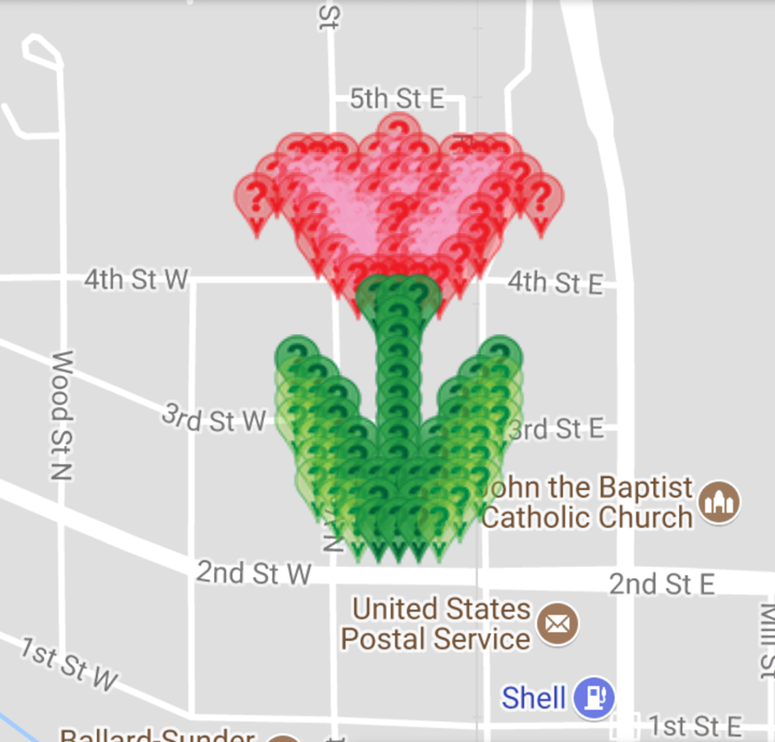 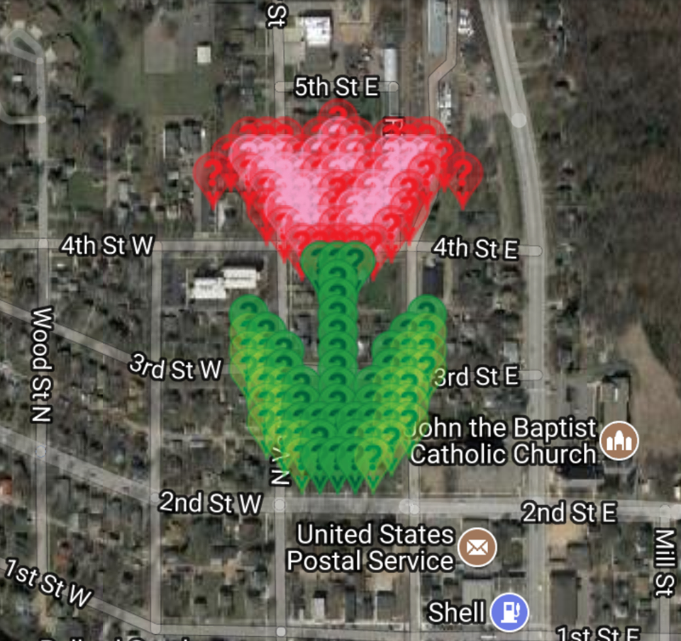
2 | 3 | 44.67000314 | -93.62932437 | MVM Red | nohnerboyz | https://www.munzee.com/m/nohnerboyz/1980/ | 11
2 | 4 | 44.67000314 | -93.62912226 | MVM Red | LuckyJ | https://www.munzee.com/m/LuckyJ/886/ | 12
2 | 5 | 44.67000314 | -93.62892016 | MVM Red | Luckie4clovr | https://www.munzee.com/m/Luckie4clovr/448/ | 11
2 | 7 | 44.67000314 | -93.62851595 | MVM Red | nohnerboyz | https://www.munzee.com/m/nohnerboyz/1985/ | 11
2 | 8 | 44.67000314 | -93.62831385 | MVM Pink | LuckyJ | https://www.munzee.com/m/LuckyJ/891/ | 12
2 | 9 | 44.67000314 | -93.62811174 | MVM Red | Luckie4clovr | https://www.munzee.com/m/Luckie4clovr/452/ | 11
2 | 11 | 44.67000314 | -93.62770753 | MVM Red | nohnerboyz | https://www.munzee.com/m/nohnerboyz/1987/ | 11
2 | 12 | 44.67000314 | -93.62750543 | MVM Red | LuckyJ | https://www.munzee.com/m/LuckyJ/895/ | 12
2 | 13 | 44.67000314 | -93.62730332 | MVM Red | Luckie4clovr | https://www.munzee.com/m/Luckie4clovr/455/ | 11 | TULIP |  | AVAILABLE | DEPLOYED
3 | 2 | 44.66985941 | -93.62952649 | MVM Red | cjhaynes | https://www.munzee.com/m/cjhaynes/3473/ | 2 | Total Number of Spots |  | 128 | 128
3 | 3 | 44.66985941 | -93.62932438 | MVM Pink | peachesncream | https://www.munzee.com/m/PeachesnCream/1478 | 3 | RED |  | 35 | 35
3 | 4 | 44.66985941 | -93.62912228 | MVM Pink | MrsHaynes | https://www.munzee.com/m/MrsHaynes/2890 | 2 | PINK |  | 31 | 31
3 | 5 | 44.66985941 | -93.62892017 | MVM Pink | Whelen | https://www.munzee.com/m/Whelen/12196/ | 10 | DARK GREEN |  | 34 | 34
3 | 6 | 44.66985941 | -93.62871807 | MVM Red | cjhaynes | https://www.munzee.com/m/cjhaynes/3470/ | 2 | GREEN |  | 28 | 28
3 | 7 | 44.66985941 | -93.62851597 | MVM Pink | MrsHaynes | https://www.munzee.com/m/MrsHaynes/2891/ | 2 | FREE SPOTS |  | 0
3 | 8 | 44.66985941 | -93.62831386 | MVM Red | Mojo801 | https://www.munzee.com/m/Mojo801/291/ | 2 | COMPLETE |  | 100%
3 | 9 | 44.66985941 | -93.62811176 | MVM Pink | JABIE28 | https://www.munzee.com/m/JABIE28/647/admin/ | 1
3 | 10 | 44.66985941 | -93.62790965 | MVM Red | Qdog | https://www.munzee.com/m/Qdog/2390/ | 4
3 | 11 | 44.66985941 | -93.62770755 | MVM Pink | Whelen | https://www.munzee.com/m/Whelen/12074/ | 10
3 | 12 | 44.66985941 | -93.62750544 | MVM Pink | Wakefieldbob | https://www.munzee.com/m/wakefieldbob/3926/ | 2
3 | 13 | 44.66985941 | -93.62730334 | MVM Pink | TheFinder13 | https://www.munzee.com/m/TheFinder13/2098/ | 6
3 | 14 | 44.6698594 | -93.62710124 | MVM Red | Whelen | https://www.munzee.com/m/Whelen/12202/ | 10
4 | 1 | 44.66971568 | -93.6297286 | MVM Red | TheFinder13 | https://www.munzee.com/m/TheFinder13/2094/ | 6
4 | 3 | 44.66971568 | -93.6293244 | MVM Red | edwin21 | https://www.munzee.com/m/edwin21 | 1
4 | 4 | 44.66971568 | -93.62912229 | MVM Pink | Qdog | https://www.munzee.com/m/Qdog/2389/ | 4
4 | 5 | 44.66971568 | -93.62892019 | MVM Pink | mayberryman | https://www.munzee.com/m/mayberryman/1017/ | 3
4 | 6 | 44.66971568 | -93.62871809 | MVM Pink | Wakefieldbob | https://www.munzee.com/m/wakefieldbob/3975/ | 2
4 | 7 | 44.66971568 | -93.62851598 | MVM Red | TheFinder13 | https://www.munzee.com/m/TheFinder13/2049/ | 6
4 | 8 | 44.66971568 | -93.62831388 | MVM Pink | jsamundson | https://www.munzee.com/m/jsamundson/1249 | 5
4 | 9 | 44.66971568 | -93.62811177 | MVM Pink | munzeepa | https://www.munzee.com/m/munzeepa/1096 | 5
4 | 10 | 44.66971568 | -93.62790967 | MVM Red | MSgtUSMC | https://www.munzee.com/m/MSgtUSMC/42/ | 1
4 | 11 | 44.66971567 | -93.62770757 | MVM Pink | brycetheskater | https://www.munzee.com/m/Brycetheskater/552/a | 1
4 | 12 | 44.66971567 | -93.62750546 | MVM Pink | danielle41101 | https://www.munzee.com/m/danielle41101/5980/ | 9
4 | 13 | 44.66971567 | -93.62730336 | MVM Red | PreciousLinda | https://www.munzee.com/m/PreciousLinda/2210/admin/ | 3
4 | 15 | 44.66971567 | -93.62689915 | MVM Red | brilang | https://www.munzee.com/m/brilang/5981/ | 3
5 | 4 | 44.66957195 | -93.62912231 | MVM Red | nohnerboyz | https://www.munzee.com/m/nohnerboyz/1988/ | 11
5 | 5 | 44.66957195 | -93.6289202 | MVM Pink | LuckyJ | https://www.munzee.com/m/LuckyJ/897/ | 12
5 | 6 | 44.66957195 | -93.6287181 | MVM Pink | Luckie4clovr | https://www.munzee.com/m/Luckie4clovr/459/ | 11
5 | 7 | 44.66957195 | -93.628516 | MVM Pink | nohnerboyz | https://www.munzee.com/m/nohnerboyz/1997/ | 11
5 | 8 | 44.66957195 | -93.62831389 | MVM Red | LuckyJ | https://www.munzee.com/m/LuckyJ/899/ | 12
5 | 9 | 44.66957194 | -93.62811179 | MVM Red | Luckie4clovr | https://www.munzee.com/m/Luckie4clovr/457/ | 11
5 | 10 | 44.66957194 | -93.62790969 | MVM Pink | nohnerboyz | https://www.munzee.com/m/nohnerboyz/2015/ | 11
5 | 11 | 44.66957194 | -93.62770758 | MVM Pink | LuckyJ | https://www.munzee.com/m/LuckyJ/921/ | 12
5 | 12 | 44.66957194 | -93.62750548 | MVM Red | Luckie4clovr | https://www.munzee.com/m/Luckie4clovr/483/ | 11
6 | 4 | 44.66942822 | -93.62912232 | MVM Red | Whelen | https://www.munzee.com/m/Whelen/11869/ | 10
6 | 5 | 44.66942822 | -93.62892022 | MVM Pink | jsamundson | https://www.munzee.com/m/jsamundson/1248 | 5
6 | 6 | 44.66942821 | -93.62871812 | MVM Pink | munzeepa | https://www.munzee.com/m/munzeepa/1099 | 5
6 | 7 | 44.66942821 | -93.62851601 | MVM Pink | Whelen | https://www.munzee.com/m/Whelen/11880/ | 10
6 | 8 | 44.66942821 | -93.62831391 | MVM Red | brilang | https://www.munzee.com/m/brilang/5983/ | 3
6 | 9 | 44.66942821 | -93.62811181 | MVM Pink | mamaduck71 | https://www.munzee.com/m/MamaDuck71/1322 | 1
6 | 10 | 44.66942821 | -93.6279097 | MVM Pink | Whelen | https://www.munzee.com/m/Whelen/11881/ | 10
6 | 11 | 44.66942821 | -93.6277076 | MVM Pink | brilang | https://www.munzee.com/m/brilang/5986/ | 3
6 | 12 | 44.66942821 | -93.6275055 | MVM Red | mding4gold | https://www.munzee.com/m/mding4gold/1573 | 2
7 | 5 | 44.66928448 | -93.62892023 | MVM Red | danielle41101 | https://www.munzee.com/m/danielle41101/5978/ | 9
7 | 6 | 44.66928448 | -93.62871813 | MVM Pink | Mojo801 | https://www.munzee.com/m/Mojo801/286/ | 2
7 | 7 | 44.66928448 | -93.62851603 | MVM Pink | leopold | https://www.munzee.com/m/leopold/743/ | 1
7 | 8 | 44.66928448 | -93.62831393 | MVM Red | TJACS | https://www.munzee.com/m/TJACS/2773/ | 9
7 | 9 | 44.66928448 | -93.62811182 | MVM Pink | danielle41101 | https://www.munzee.com/m/danielle41101/5965/ | 9
7 | 10 | 44.66928448 | -93.62790972 | MVM Pink | marblo | https://www.munzee.com/m/marblo/1129/ | 2
7 | 11 | 44.66928448 | -93.62770762 | MVM Red | VioletScorpio | https://www.munzee.com/m/VioletScorpio/379/ | 1
8 | 6 | 44.66914075 | -93.62871815 | MVM Red | nohnerboyz | https://www.munzee.com/m/nohnerboyz/2014/ | 11
8 | 7 | 44.66914075 | -93.62851604 | MVM Red | LuckyJ | https://www.munzee.com/m/LuckyJ/919/ | 12
8 | 8 | 44.66914075 | -93.62831394 | MVM Red | Luckie4clovr | https://www.munzee.com/m/Luckie4clovr/482/ | 11
8 | 9 | 44.66914075 | -93.62811184 | MVM Red | mayberryman | https://www.munzee.com/m/mayberryman/1016/ | 3
8 | 10 | 44.66914075 | -93.62790974 | MVM Red | pikespice | https://www.munzee.com/m/pikespice/2340/ | 2
9 | 7 | 44.66899702 | -93.62851606 | MVM Dark Green | TheFinder13 | https://www.munzee.com/m/TheFinder13/2047/ | 6
9 | 8 | 44.66899702 | -93.62831396 | MVM Dark Green | jsamundson | https://www.munzee.com/m/jsamundson/1247 | 5
9 | 9 | 44.66899702 | -93.62811186 | MVM Dark Green | munzeepa | https://www.munzee.com/m/munzeepa/1105 | 5
10 | 8 | 44.66885329 | -93.62831397 | MVM Dark Green | TJACS | https://www.munzee.com/m/TJACS/2772/ | 9
11 | 8 | 44.66870956 | -93.62831399 | MVM Dark Green | nohnerboyz | https://www.munzee.com/m/nohnerboyz/2008/ | 11
12 | 3 | 44.66856583 | -93.6293245 | MVM Dark Green | TJACS | https://www.munzee.com/m/TJACS/2771/ | 9
12 | 8 | 44.66856583 | -93.62831401 | MVM Dark Green | LuckyJ | https://www.munzee.com/m/LuckyJ/917/ | 12
12 | 13 | 44.66856583 | -93.62730351 | MVM Dark Green | TheFinder13 | https://www.munzee.com/m/TheFinder13/2046/ | 6
13 | 3 | 44.6684221 | -93.62932452 | MVM Green | Qdog | https://www.munzee.com/m/Qdog/2388/ | 4
13 | 4 | 44.6684221 | -93.62912242 | MVM Dark Green | shingobee23 | https://www.munzee.com/m/shingobee23/1690/ | 1
13 | 8 | 44.6684221 | -93.62831402 | MVM Dark Green | TJACS | https://www.munzee.com/m/TJACS/2765/ | 9
13 | 12 | 44.6684221 | -93.62750562 | MVM Dark Green | mayberryman | https://www.munzee.com/m/mayberryman/1015/ | 3
13 | 13 | 44.6684221 | -93.62730352 | MVM Green | Luckie4clovr | https://www.munzee.com/m/Luckie4clovr/475/ | 11
14 | 3 | 44.66827837 | -93.62932453 | MVM Green | danielle41101 | https://www.munzee.com/m/danielle41101/5964/ | 9
14 | 4 | 44.66827837 | -93.62912243 | MVM Green | TheFinder13 | https://www.munzee.com/m/TheFinder13/2045/ | 6
14 | 5 | 44.66827837 | -93.62892033 | MVM Dark Green | nohnerboyz | https://www.munzee.com/m/nohnerboyz/2006/ | 11
14 | 8 | 44.66827837 | -93.62831404 | MVM Dark Green | danielle41101 | https://www.munzee.com/m/danielle41101/5948/ | 9
14 | 11 | 44.66827837 | -93.62770774 | MVM Dark Green | Qdog | https://www.munzee.com/m/Qdog/2386/ | 4
14 | 12 | 44.66827837 | -93.62750564 | MVM Green | pikespice | https://www.munzee.com/m/pikespice/2336/ | 2
14 | 13 | 44.66827837 | -93.62730354 | MVM Green | danielle41101 | https://www.munzee.com/m/danielle41101/6489/ | 9
15 | 3 | 44.66813464 | -93.62932455 | MVM Green | jsamundson | https://www.munzee.com/m/jsamundson/1243 | 5
15 | 4 | 44.66813464 | -93.62912245 | MVM Green | munzeepa | https://www.munzee.com/m/munzeepa/1106 | 5
15 | 5 | 44.66813464 | -93.62892035 | MVM Dark Green | Whelen | https://www.munzee.com/m/Whelen/12203/ | 10
15 | 8 | 44.66813464 | -93.62831405 | MVM Dark Green | LuckyJ | https://www.munzee.com/m/LuckyJ/914/ | 12
15 | 11 | 44.66813464 | -93.62770776 | MVM Dark Green | PreciousLinda | https://www.munzee.com/m/PreciousLinda/2234/admin/ | 3
15 | 12 | 44.66813464 | -93.62750566 | MVM Green | Whelen | https://www.munzee.com/m/Whelen/12204/ | 10
15 | 13 | 44.66813464 | -93.62730356 | MVM Green | wheelybarrow | https://www.munzee.com/m/wheelybarrow/1172 | 1
16 | 4 | 44.66799091 | -93.62912246 | MVM Green | TJACS | https://www.munzee.com/m/TJACS/2763/ | 9
16 | 5 | 44.66799091 | -93.62892036 | MVM Green | marblo | https://www.munzee.com/m/marblo/1128/ | 2
16 | 6 | 44.66799091 | -93.62871827 | MVM Dark Green | Luckie4clovr | https://www.munzee.com/m/Luckie4clovr/474/ | 11
16 | 8 | 44.66799091 | -93.62831407 | MVM Dark Green | TJACS | https://www.munzee.com/m/TJACS/2762/ | 9
16 | 10 | 44.66799091 | -93.62790987 | MVM Dark Green | Luckie4clovr | https://www.munzee.com/m/Luckie4clovr/472/ | 11
16 | 11 | 44.66799091 | -93.62770778 | MVM Green | Raraku | https://www.munzee.com/m/Raraku/1796/ | 2
16 | 12 | 44.66799091 | -93.62750568 | MVM Green | TJACS | https://www.munzee.com/m/TJACS/2758/ | 9
17 | 4 | 44.66784718 | -93.62912248 | MVM Green | danielle41101 | https://www.munzee.com/m/danielle41101/6488/ | 9
17 | 5 | 44.66784718 | -93.62892038 | MVM Green | nohnerboyz | https://www.munzee.com/m/nohnerboyz/2003/ | 11
17 | 6 | 44.66784718 | -93.62871828 | MVM Dark Green | Raraku | https://www.munzee.com/m/Raraku/1792/ | 2
17 | 8 | 44.66784718 | -93.62831409 | MVM Dark Green | danielle41101 | https://www.munzee.com/m/danielle41101/6486/ | 9
17 | 10 | 44.66784718 | -93.62790989 | MVM Dark Green | nohnerboyz | https://www.munzee.com/m/nohnerboyz/2002/ | 11
17 | 11 | 44.66784718 | -93.62770779 | MVM Green | LuckyJ | https://www.munzee.com/m/LuckyJ/911/ | 12
17 | 12 | 44.66784718 | -93.6275057 | MVM Green | danielle41101 | https://www.munzee.com/m/danielle41101/6481/ | 9
18 | 4 | 44.66770345 | -93.62912249 | MVM Green | LuckyJ | https://www.munzee.com/m/LuckyJ/908/ | 12
18 | 5 | 44.66770345 | -93.62892039 | MVM Green | Whelen | https://www.munzee.com/m/Whelen/12205/ | 10
18 | 6 | 44.66770345 | -93.6287183 | MVM Dark Green | paulus2012 | https://www.munzee.com/m/paulus2012/1571 | 1
18 | 7 | 44.66770345 | -93.6285162 | MVM Dark Green | LuckyJ | https://www.munzee.com/m/LuckyJ/905/ | 12
18 | 8 | 44.66770345 | -93.6283141 | MVM Dark Green | skati | https://www.munzee.com/m/SKATI/261/ | 1
18 | 9 | 44.66770345 | -93.62811201 | MVM Dark Green | girlteam | https://www.munzee.com/m/Girlteam/377/ | 1
18 | 10 | 44.66770345 | -93.62790991 | MVM Dark Green | mding4gold | https://www.munzee.com/m/mding4gold/1436 | 2
18 | 11 | 44.66770345 | -93.62770781 | MVM Green | PreciousLinda | https://www.munzee.com/m/PreciousLinda/2267/admin/ | 3
18 | 12 | 44.66770345 | -93.62750571 | MVM Green | Whelen | https://www.munzee.com/m/Whelen/12206/ | 10
19 | 5 | 44.66755972 | -93.62892041 | MVM Green | jsamundson | https://www.munzee.com/m/jsamundson/1242 | 5
19 | 6 | 44.66755972 | -93.62871831 | MVM Green | munzeepa | https://www.munzee.com/m/munzeepa/1107 | 5
19 | 7 | 44.66755972 | -93.62851621 | MVM Dark Green | Luckie4clovr | https://www.munzee.com/m/Luckie4clovr/471/ | 11
19 | 8 | 44.66755972 | -93.62831412 | MVM Dark Green | TJACS | https://www.munzee.com/m/TJACS/2756/ | 9
19 | 9 | 44.66755972 | -93.62811202 | MVM Dark Green | wr3n | https://www.munzee.com/m/wr3n/2070 | 1
19 | 10 | 44.66755972 | -93.62790993 | MVM Green | MeanderingMonkeys | https://www.munzee.com/m/MeanderingMonkeys/13497/ | 1
19 | 11 | 44.66755972 | -93.62770783 | MVM Green | TJACS | https://www.munzee.com/m/TJACS/2749/ | 9
20 | 6 | 44.66741599 | -93.62871833 | MVM Green | llamah | https://www.munzee.com/m/llamah/974 | 1
20 | 7 | 44.66741599 | -93.62851623 | MVM Dark Green | JABIE28 | https://www.munzee.com/m/JABIE28/621/ | 1
20 | 8 | 44.66741599 | -93.62831413 | MVM Dark Green | LFC21 | https://www.munzee.com/m/LFC21/2784/ | 1
20 | 9 | 44.66741599 | -93.62811204 | MVM Dark Green | highmaintenance | https://www.munzee.com/m/highmaintenance/3124/ | 1
20 | 10 | 44.66741599 | -93.62790994 | MVM Green | peachesncream | https://www.munzee.com/m/PeachesnCream/1479 | 3
 |  |  |  |  |  |  | 0
Please do NOT delete the following line. You will need it if you want to load the CSV file back to the map!
URL: gardenpainter.ide.sk | 44.6697877 | -93.62881913 | 27 | 25 | 0 | 40

