Snowflake
Row | Column | Latitude | Longitude | Munzee Type | Username | URL | # Deployed | Comments | Socials (1 & 3 Deploys) | Hutchinson Snowflake |  |  | Total | Filled
1 | 11 | 44.890446392 | -94.36537183 | MVM Indigo | Penfold49 | https://www.munzee.com/m/Penfold49/2276/ | 1 |  |  | Total number of spots: |  |  | 97 | 97
2 | 11 | 44.890302662 | -94.365371845 | MVM Light Blue | OHail | https://www.munzee.com/m/OHail/10837/ | 3 |  |  | MVM INDIGO |  |  | 5 | 5
3 | 9 | 44.890158931 | -94.365777614 | MVM Light Blue | peachesncream | https://www.munzee.com/m/peachesncream/1451/ | 1 |  |  | MVM LIGHT BLUE |  |  | 80 | 80
3 | 11 | 44.890158931 | -94.36537186 | MVM Light Blue | tmabrey | https://www.munzee.com/m/tmabrey/1575/ | 16 |  |  | MVM BLUE |  |  | 12 | 12
3 | 13 | 44.890158931 | -94.364966106 | MVM Light Blue | smitzee | https://www.munzee.com/m/smitzee/965/ | 3 |  |  | Free spots |  |  | 0
4 | 10 | 44.890015201 | -94.365574752 | MVM Light Blue | JABIE28 | https://www.munzee.com/m/JABIE28/300/ | 1 |  |  | COMPLETE |  |  | 100.00%
4 | 11 | 44.890015201 | -94.365371875 | MVM Light Blue | WRASLN | https://www.munzee.com/m/Wrasln/1523/ | 13 |  |  |  |  |  | %deployed | 93.81%
4 | 12 | 44.8900152 | -94.365168999 | MVM Light Blue | RTHawk | https://www.munzee.com/m/RTHawk/707/ | 5 |  |  |  | Map: | https://www.munzee.com/map/9zuzkshmu/17
5 | 5 | 44.889871471 | -94.366589146 | MVM Blue | AustinPowers | https://www.munzee.com/m/AustinPowers/371/ | 2
5 | 11 | 44.88987147 | -94.36537189 | MVM Light Blue | Lightek | https://www.munzee.com/m/Lightek/205/ | 2
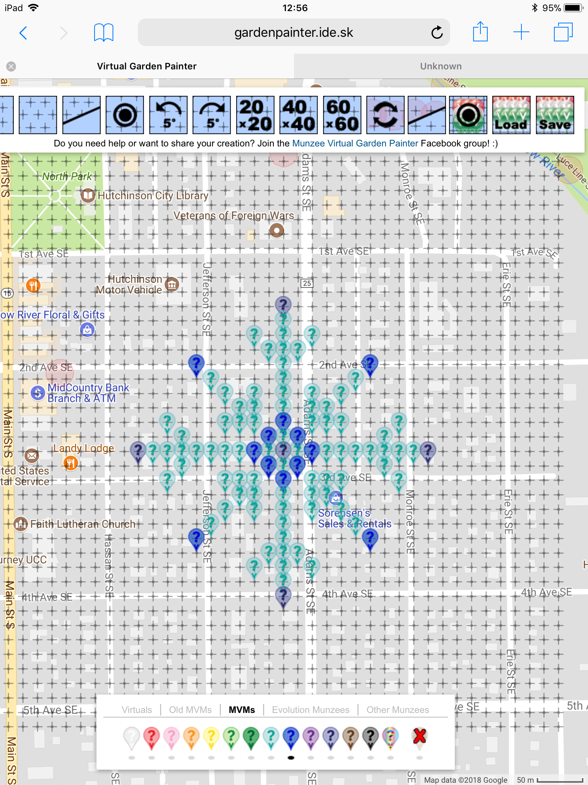
5 | 17 | 44.889871469 | -94.364154635 | MVM Blue | cjstolte | https://www.munzee.com/m/cjstolte/872 | 3
6 | 6 | 44.889727741 | -94.366386283 | MVM Light Blue | tmabrey | https://www.munzee.com/m/tmabrey/1574/ | 16
6 | 11 | 44.88972774 | -94.365371906 | MVM Light Blue | bike4fun | https://www.munzee.com/m/Bike4FunSidebySide/1040/admin/ | 12
6 | 16 | 44.889727739 | -94.364357528 | MVM Light Blue | smitzee | https://www.munzee.com/m/smitzee/1921/ | 3
7 | 7 | 44.88958401 | -94.366183421 | MVM Light Blue | bike4fun | https://www.munzee.com/m/Bike4FunSidebySide/1039/admin/ | 12
7 | 9 | 44.88958401 | -94.365777671 | MVM Light Blue | tmabrey | https://www.munzee.com/m/tmabrey/1573/ | 16
7 | 11 | 44.889584009 | -94.365371921 | MVM Light Blue | WRASLN | https://www.munzee.com/m/Wrasln/1522/ | 13
7 | 13 | 44.889584009 | -94.364966171 | MVM Light Blue | PreciousLinda | https://www.munzee.com/m/PreciousLinda/2151/admin/ | 2
7 | 15 | 44.889584009 | -94.364560421 | MVM Light Blue | WRASLN | https://www.munzee.com/m/Wrasln/1488/ | 13
8 | 8 | 44.889440279 | -94.365980559 | MVM Light Blue | WRASLN | https://www.munzee.com/m/Wrasln/1502/ | 13
8 | 9 | 44.889440279 | -94.365777685 | MVM Light Blue | Sunshine76 | https://www.munzee.com/m/Sunshine76/2188/ | 1
8 | 11 | 44.889440279 | -94.365371936 | MVM Light Blue | Ronnie | https://www.munzee.com/m/Ronnie/45/ | 2
8 | 13 | 44.889440279 | -94.364966187 | MVM Light Blue | tmabrey | https://www.munzee.com/m/tmabrey/1572/ | 16
8 | 14 | 44.889440278 | -94.364763313 | MVM Light Blue | Lightek |  | 2 | deploy mid feb
9 | 3 | 44.88929655 | -94.366994943 | MVM Light Blue | OHail | https://www.munzee.com/m/OHail/10838/ | 3
9 | 7 | 44.889296549 | -94.366183447 | MVM Light Blue | Ronnie | https://www.munzee.com/m/Ronnie/44/ | 2
9 | 8 | 44.889296549 | -94.365980573 | MVM Light Blue | OHail | https://www.munzee.com/m/OHail/10839/ | 3
9 | 9 | 44.889296549 | -94.365777699 | MVM Light Blue | MeanderingMonkeys |  | 0
9 | 11 | 44.889296548 | -94.365371951 | MVM Blue | geomatrix | https://www.munzee.com/m/geomatrix/6453/ | 2
9 | 13 | 44.889296548 | -94.364966203 | MVM Light Blue | bike4fun | https://www.munzee.com/m/Bike4FunSidebySide/1032/admin/ | 12
9 | 14 | 44.889296548 | -94.364763329 | MVM Light Blue | RTHawk | https://www.munzee.com/m/RTHawk/711/ | 5
9 | 15 | 44.889296548 | -94.364560456 | MVM Light Blue | TheFinder13 | https://www.munzee.com/m/TheFinder13/1999/ | 4
9 | 19 | 44.889296547 | -94.36374896 | MVM Light Blue | tmabrey | https://www.munzee.com/m/tmabrey/1571/ | 16
10 | 4 | 44.889152819 | -94.366792081 | MVM Light Blue | nicdchic | https://www.munzee.com/m/nicdchic/780/ | 4
10 | 10 | 44.889152818 | -94.36557484 | MVM Blue | nicdchic | https://www.munzee.com/m/nicdchic/781/ | 4
10 | 11 | 44.889152818 | -94.365371967 | MVM Light Blue | WRASLN | https://www.munzee.com/m/Wrasln/1519/ | 13
10 | 12 | 44.889152818 | -94.365169093 | MVM Blue | shingobee23 | https://www.munzee.com/m/shingobee23/1542/ | 1
10 | 18 | 44.889152817 | -94.363951852 | MVM Light Blue | nicdchic | https://www.munzee.com/m/nicdchic/778/ | 4
11 | 1 | 44.889009089 | -94.367400711 | MVM Indigo | nicdchic | https://www.munzee.com/m/nicdchic/774/ | 4
11 | 2 | 44.889009089 | -94.367197838 | MVM Light Blue | tmabrey | https://www.munzee.com/m/tmabrey/1570/ | 16
11 | 3 | 44.889009089 | -94.366994965 | MVM Light Blue | WRASLN | https://www.munzee.com/m/Wrasln/1506/ | 13
11 | 4 | 44.889009089 | -94.366792092 | MVM Light Blue | valsey | https://www.munzee.com/m/valsey/1564/ | 1
11 | 5 | 44.889009089 | -94.366589219 | MVM Light Blue | tmabrey | https://www.munzee.com/m/tmabrey/1569/ | 16
11 | 6 | 44.889009088 | -94.366386346 | MVM Light Blue | WRASLN | https://www.munzee.com/m/Wrasln/1505/ | 13
11 | 7 | 44.889009088 | -94.366183473 | MVM Light Blue | mihul | https://www.munzee.com/m/mihul/1839/ | 1
11 | 8 | 44.889009088 | -94.3659806 | MVM Light Blue | tmabrey | https://www.munzee.com/m/tmabrey/1568/ | 16
11 | 9 | 44.889009088 | -94.365777728 | MVM Blue | WVKiwi | https://www.munzee.com/m/wvkiwi/6124 | 1
11 | 10 | 44.889009088 | -94.365574855 | MVM Light Blue | PreciousLinda | https://www.munzee.com/m/PreciousLinda/2187/admin/ | 2
11 | 11 | 44.889009088 | -94.365371982 | MVM Indigo | cjstolte | https://www.munzee.com/m/cjstolte/868/ | 3
11 | 12 | 44.889009087 | -94.365169109 | MVM Light Blue | tmabrey | https://www.munzee.com/m/tmabrey/1567/ | 16
11 | 13 | 44.889009087 | -94.364966236 | MVM Blue | MeanderingMonkeys |  | 0
11 | 14 | 44.889009087 | -94.364763363 | MVM Light Blue | WRASLN | https://www.munzee.com/m/Wrasln/1504/ | 13
11 | 15 | 44.889009087 | -94.36456049 | MVM Light Blue | tmabrey | https://www.munzee.com/m/tmabrey/1566/ | 16
11 | 16 | 44.889009087 | -94.364357617 | MVM Light Blue | bike4fun | https://www.munzee.com/m/Bike4FunSidebySide/1031/admin/ | 12
11 | 17 | 44.889009086 | -94.364154744 | MVM Light Blue | Lightek |  | 2 | deploy mid feb
11 | 18 | 44.889009086 | -94.363951871 | MVM Light Blue | WRASLN | https://www.munzee.com/m/Wrasln/1503/ | 13
11 | 19 | 44.889009086 | -94.363748998 | MVM Light Blue | bike4fun | https://www.munzee.com/m/Bike4FunSidebySide/1030/admin/ | 12
11 | 20 | 44.889009086 | -94.363546125 | MVM Light Blue | bike4fun | https://www.munzee.com/m/Bike4FunSidebySide/1029/admin/ | 12
11 | 21 | 44.889009086 | -94.363343252 | MVM Indigo | TheGSA | https://www.munzee.com/m/TheGSA/1759/ | 2
12 | 4 | 44.888865358 | -94.366792104 | MVM Light Blue | bike4fun | https://www.munzee.com/m/Bike4FunSidebySide/1028/admin/ | 12
12 | 10 | 44.888865357 | -94.365574869 | MVM Blue | MeanderingMonkeys |  | 0
12 | 11 | 44.888865357 | -94.365371997 | MVM Light Blue | bike4fun | https://www.munzee.com/m/Bike4FunSidebySide/1025/admin/ | 12
12 | 12 | 44.888865357 | -94.365169124 | MVM Blue | wr3n | https://www.munzee.com/m/wr3n/1921 | 1
12 | 18 | 44.888865356 | -94.36395189 | MVM Light Blue | tmabrey | https://www.munzee.com/m/tmabrey/1610/ | 16
13 | 3 | 44.888721628 | -94.366994987 | MVM Light Blue | RTHawk | https://www.munzee.com/m/RTHawk/710/ | 5
13 | 7 | 44.888721627 | -94.3661835 | MVM Light Blue | bike4fun | https://www.munzee.com/m/Bike4FunSidebySide/1023/admin/ | 12
13 | 8 | 44.888721627 | -94.365980628 | MVM Light Blue | Guner | https://www.munzee.com/m/Guner/14/ | 3
13 | 9 | 44.888721627 | -94.365777756 | MVM Light Blue | RTHawk | https://www.munzee.com/m/RTHawk/709/ | 5
13 | 11 | 44.888721627 | -94.365372012 | MVM Blue | geomatrix | https://www.munzee.com/m/geomatrix/6454/ | 2
13 | 13 | 44.888721626 | -94.364966268 | MVM Light Blue | meganduluth22 | https://www.munzee.com/m/Meganduluth22/431/ | 1
13 | 14 | 44.888721626 | -94.364763396 | MVM Light Blue | Lightek |  | 2 | deploy mid feb
13 | 15 | 44.888721626 | -94.364560524 | MVM Light Blue | RTHawk | https://www.munzee.com/m/RTHawk/708/ | 5
13 | 19 | 44.888721625 | -94.363749037 | MVM Light Blue | mars00xj | https://www.munzee.com/m/mars00xj/8428/ | 1
14 | 8 | 44.888577897 | -94.365980642 | MVM Light Blue | tmabrey | https://www.munzee.com/m/tmabrey/1609/ | 16
14 | 9 | 44.888577897 | -94.36577777 | MVM Light Blue | AustinPowers | https://www.munzee.com/m/AustinPowers/369/ | 2
14 | 11 | 44.888577896 | -94.365372027 | MVM Light Blue | WRASLN | https://www.munzee.com/m/Wrasln/1516/ | 13
14 | 13 | 44.888577896 | -94.364966285 | MVM Light Blue | tmabrey | https://www.munzee.com/m/tmabrey/1608/ | 16
14 | 14 | 44.888577896 | -94.364763413 | MVM Light Blue | WRASLN | https://www.munzee.com/m/Wrasln/1486/ | 13
15 | 7 | 44.888434166 | -94.366183526 | MVM Light Blue | WRASLN | https://www.munzee.com/m/Wrasln/1484/ | 13
15 | 9 | 44.888434166 | -94.365777784 | MVM Light Blue | TheFinder13 | https://www.munzee.com/m/TheFinder13/1998/ | 4
15 | 11 | 44.888434166 | -94.365372043 | MVM Light Blue | bike4fun | https://www.munzee.com/m/Bike4FunSidebySide/1022/admin/ | 12
15 | 13 | 44.888434165 | -94.364966301 | MVM Light Blue | TheFinder13 | https://www.munzee.com/m/TheFinder13/1997/ | 4
15 | 15 | 44.888434165 | -94.364560559 | MVM Light Blue | bike4fun | https://www.munzee.com/m/Bike4FunSidebySide/1018/admin/ | 12
16 | 6 | 44.888290436 | -94.36638641 | MVM Light Blue | cjstolte | https://www.munzee.com/m/cjstolte/878/ | 3
16 | 11 | 44.888290435 | -94.365372058 | MVM Light Blue | Qdog | https://www.munzee.com/m/Qdog/2351/ | 1
16 | 16 | 44.888290434 | -94.364357706 | MVM Light Blue | tmabrey | https://www.munzee.com/m/tmabrey/1607/ | 16
17 | 5 | 44.888146706 | -94.366589292 | MVM Blue | Lightek | https://www.munzee.com/m/Lightek/206/ | 2
17 | 11 | 44.888146705 | -94.365372073 | MVM Light Blue | WRASLN | https://www.munzee.com/m/Wrasln/1513/ | 13
17 | 17 | 44.888146704 | -94.364154854 | MVM Blue | TheGSA | https://www.munzee.com/m/TheGSA/1756/ | 2
18 | 10 | 44.888002975 | -94.365574958 | MVM Light Blue | tmabrey | https://www.munzee.com/m/tmabrey/1606/ | 16
18 | 11 | 44.888002974 | -94.365372088 | MVM Light Blue | bike4fun | https://www.munzee.com/m/Bike4FunSidebySide/1016/admin/ | 12
18 | 12 | 44.888002974 | -94.365169219 | MVM Light Blue | TJACS | https://www.munzee.com/m/TJACS/2475/ | 1
19 | 9 | 44.887859244 | -94.365777841 | MVM Light Blue | Guner | https://www.munzee.com/m/Guner/23/ | 3
19 | 11 | 44.887859244 | -94.365372103 | MVM Light Blue | TheFinder13 | https://www.munzee.com/m/TheFinder13/1991/ | 4
19 | 13 | 44.887859244 | -94.364966366 | MVM Light Blue | Guner | https://www.munzee.com/m/Guner/17/ | 3
20 | 11 | 44.887715514 | -94.365372119 | MVM Light Blue | smitzee | https://www.munzee.com/m/smitzee/2028/ | 3
21 | 11 | 44.887571783 | -94.365372134 | MVM Indigo | tmabrey | https://www.munzee.com/m/tmabrey/1605/ | 16

