Sheet1
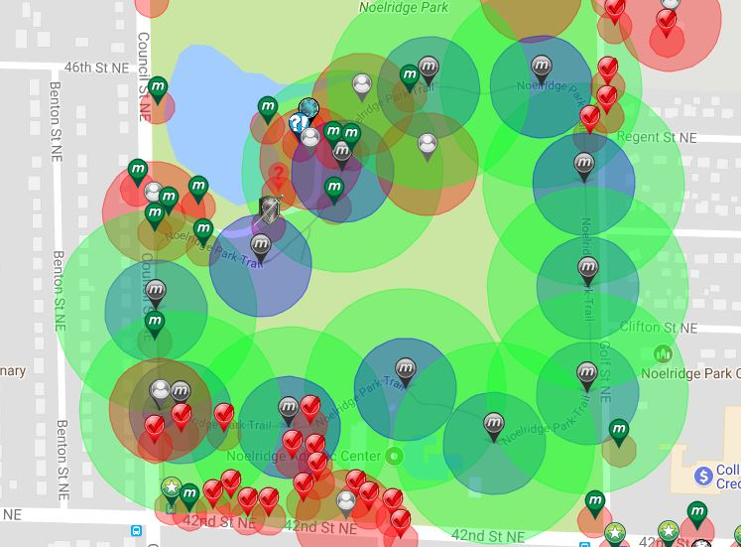
CR AIR MYSTERY TRAIL

Garden | Total | Available | Filled |  | MAP LINK | Social Available
Air Mystery Spots | 12 | 0 | 12 |  |  | Social
 |  |  |  |  | Spreadsheet Link:
 |  |  |  |  | https://goo.gl/P73gJF

Munzee |  | Latitude | Longitude | Type | Username | URL | Comments | Social Sent
Air Mystery Trail 1 |  | 42.024818446 | -91.653940603 | Air Mystery | rodrico101 | https://www.munzee.com/m/rodrico101/2974/ |  | X
Air Mystery Trail 2 |  | 42.024037385 | -91.653479263 | Air Mystery | Deeralemap | https://www.munzee.com/m/deeralemap/2310/ |  | Y
Air Mystery Trail 3 |  | 42.023201375 | -91.653433666 | Air Mystery | shabs | https://www.munzee.com/m/shabs/3057/map/ |  | Y
Air Mystery Trail 4 |  | 42.022356532 | -91.65343903 | Air Mystery | jaw | https://www.munzee.com/m/jaw/1965/map/ |  | Y
Air Mystery Trail 5 |  | 42.021954031 | -91.654447541 | Air Mystery | dlbisblest | https://www.munzee.com/m/dlbisblest/3130/ |  | Y
Air Mystery Trail 6 |  | 42.022388413 | -91.655407772 | Air Mystery | LegionRider | https://www.munzee.com/m/LegionRider/783/ |  | Y
Air Mystery Trail 7 |  | 42.022081557 | -91.65666841 | Air Mystery | denali0407 | https://www.munzee.com/m/denali0407/5858 |  | Y
Air Mystery Trail 8 |  | 42.022205096 | -91.657843217 | Air Mystery | redshark78 | https://www.munzee.com/m/redshark78/818 |  | Y
Air Mystery Trail 9 |  | 42.023018061 | -91.658106074 | Air Mystery | dboracle | https://www.munzee.com/m/dboracle/2371 |  | Y
Air Mystery Trail 10 |  | 42.02338355 | -91.656974182 | Air Mystery | Whelen | https://www.munzee.com/m/Whelen/8870/ |  | Y
Air Mystery Trail 11 |  | 42.024139003 | -91.656089053 | Air Mystery | rodrico101 | https://www.munzee.com/m/rodrico101/2978/ |  | X
Air Mystery Trail 12 |  | 42.024810476 | -91.655158326 | Air Mystery | delaner46 | https://www.munzee.com/m/delaner46/2674 |  | Y

