MOA MN
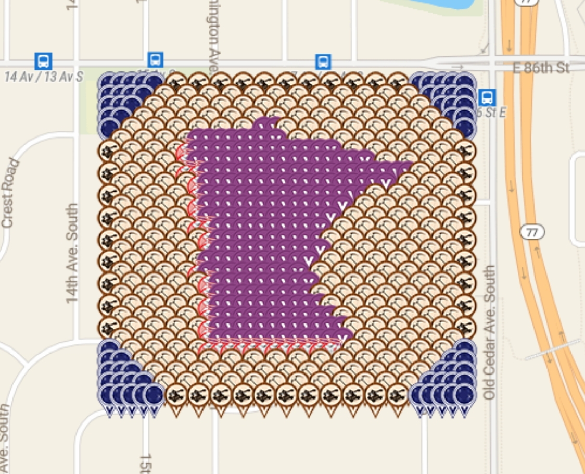
Row | Column | Latitude | Longitude | Color |  | URL
1 | 1 | 44.84721707 | -93.254706659 | Jewel - sapphire | geomatrix | https://www.munzee.com/m/geomatrix/7699/
1 | 2 | 44.84721707 | -93.254503934 | Jewel - sapphire | JABIE28 | https://www.munzee.com/m/JABIE28/2263/
1 | 3 | 44.847217069 | -93.254301208 | Jewel - sapphire | birdhouse | https://www.munzee.com/m/Birdhouse/3305/
1 | 5 | 44.847217069 | -93.253895757 | Crossbow | cdwilliams1 | https://www.munzee.com/m/cdwilliams1/956
1 | 7 | 44.847217069 | -93.253490305 | Crossbow | geomatrix | https://www.munzee.com/m/geomatrix/7634/
1 | 9 | 44.847217068 | -93.253084854 | Crossbow | molesen | https://www.munzee.com/m/molesen/3799/
1 | 11 | 44.847217068 | -93.252679402 | Crossbow | Westmarch | https://www.munzee.com/m/Westmarch/901/
1 | 13 | 44.847217068 | -93.252273951 | Crossbow | geomatrix | https://www.munzee.com/m/geomatrix/7679/
1 | 15 | 44.847217067 | -93.2518685 | Crossbow | cdwilliams1 | https://www.munzee.com/m/cdwilliams1/953/
1 | 17 | 44.847217067 | -93.251463048 | Crossbow | pooky92 | https://www.munzee.com/m/pooky92/1346/
1 | 19 | 44.847217067 | -93.251057597 | Crossbow | geomatrix | https://www.munzee.com/m/geomatrix/5815/
1 | 21 | 44.847217066 | -93.250652146 | Crossbow | Vucsi | https://www.munzee.com/m/Vucsi/492
1 | 23 | 44.847217066 | -93.250246694 | Crossbow | birdhouse | https://www.munzee.com/m/Birdhouse/3251/
1 | 25 | 44.847217066 | -93.249841243 | Crossbow | Gamsci | https://www.munzee.com/m/Gamsci/4804/
1 | 27 | 44.847217065 | -93.249435792 | Crossbow | zip61348 | https://www.munzee.com/m/zip61348/1960/ |  |  | created by geomatrix
1 | 29 | 44.847217065 | -93.24903034 | Jewel - sapphire | georeyna | https://www.munzee.com/m/georeyna/7977/ | Spreadsheet | https://tinyurl.com/y6jzam8e
1 | 30 | 44.847217065 | -93.248827614 | Jewel - sapphire | birdhouse | https://www.munzee.com/m/Birdhouse/3256/ | map link | https://www.munzee.com/map/9zvxn5cme/14.813496063643257
1 | 31 | 44.847217064 | -93.248624889 | Jewel - sapphire | geomatrix | https://www.munzee.com/m/geomatrix/7943/
2 | 1 | 44.847073339 | -93.254706665 | Jewel - sapphire | nyisutter | https://www.munzee.com/m/nyisutter/5875/ | Thank You for your contributions to the MOA gardens
2 | 2 | 44.847073339 | -93.25450394 | Jewel - sapphire | coachV | https://www.munzee.com/m/coachV/5604
2 | 4 | 44.847073339 | -93.25409849 | Crossbow | Bustersblue | https://www.munzee.com/m/Bustersblue/1417/
2 | 6 | 44.847073339 | -93.25369304 | Crossbow | Target13 | https://www.munzee.com/m/Target13/533/
2 | 8 | 44.847073338 | -93.253287589 | Crossbow | Netkaloz | https://www.munzee.com/m/Netkaloz/4793/
2 | 10 | 44.847073338 | -93.252882139 | Crossbow | JABIE28 | https://www.munzee.com/m/JABIE28/2283/
2 | 12 | 44.847073337 | -93.252476688 | Crossbow | GrizzSteve | https://www.munzee.com/m/GrizzSteve/2999/
2 | 14 | 44.847073337 | -93.252071238 | Crossbow | Qdog | https://www.munzee.com/m/Qdog/3391
2 | 16 | 44.847073337 | -93.251665788 | Crossbow | grux | https://www.munzee.com/m/Grux/7269/
2 | 18 | 44.847073336 | -93.251260337 | Crossbow | GrizzSteve | https://www.munzee.com/m/GrizzSteve/3028/
2 | 20 | 44.847073336 | -93.250854887 | Crossbow | JABIE28 | https://www.munzee.com/m/JABIE28/2279/
2 | 22 | 44.847073336 | -93.250449437 | Crossbow | MPeters82 | https://www.munzee.com/m/MPeters82/1045/
2 | 24 | 44.847073335 | -93.250043986 | Crossbow | GrizzSteve | https://www.munzee.com/m/GrizzSteve/3029/ |  |  |  | 0
2 | 26 | 44.847073335 | -93.249638536 | Crossbow | Bonkers | https://www.munzee.com/m/bonkers/2364/
2 | 28 | 44.847073335 | -93.249233086 | Crossbow | MPeters82 | https://www.munzee.com/m/MPeters82/1150/
2 | 30 | 44.847073334 | -93.248827635 | Jewel - sapphire | nyisutter | https://www.munzee.com/m/nyisutter/5853/
2 | 31 | 44.847073334 | -93.24862491 | Jewel - sapphire | Westmarch | https://www.munzee.com/m/Westmarch/1188/
3 | 1 | 44.846929609 | -93.254706671 | Jewel - sapphire | pronkrug | https://www.munzee.com/m/Pronkrug/1744/
3 | 3 | 44.846929609 | -93.254301222 | Crossbow | MPeters82 | https://www.munzee.com/m/MPeters82/1058/
3 | 5 | 44.846929608 | -93.253895773 | Crossbow | J1Huisman | https://www.munzee.com/m/J1Huisman/8966/
3 | 7 | 44.846929608 | -93.253490323 | Crossbow | JABIE28 | https://www.munzee.com/m/JABIE28/2174/
3 | 9 | 44.846929608 | -93.253084874 | Crossbow | gargoyle18 | https://www.munzee.com/m/gargoyle18/2519/
3 | 11 | 44.846929607 | -93.252679425 | Crossbow | J1Huisman | https://www.munzee.com/m/J1Huisman/8960/
3 | 13 | 44.846929607 | -93.252273975 | Crossbow | SAVVY18 | https://www.munzee.com/m/SAVVY18/1948/
3 | 15 | 44.846929606 | -93.251868526 | Crossbow | TFAL | https://www.munzee.com/m/TFAL/2282/
3 | 17 | 44.846929606 | -93.251463077 | Crossbow | ohiolady | https://www.munzee.com/m/ohiolady/3791
3 | 19 | 44.846929606 | -93.251057627 | Crossbow | MeLa | https://www.munzee.com/m/MeLa/2423/
3 | 21 | 44.846929605 | -93.250652178 | Crossbow | Tristar105 | https://www.munzee.com/m/Tristar105/323/
3 | 23 | 44.846929605 | -93.250246729 | Crossbow | redshark78 | https://www.munzee.com/m/redshark78/1725/
3 | 25 | 44.846929605 | -93.249841279 | Crossbow | FRH | https://www.munzee.com/m/FRH/1192/
3 | 27 | 44.846929604 | -93.24943583 | Crossbow | Neta | https://www.munzee.com/m/Neta/2915/
3 | 29 | 44.846929604 | -93.249030381 | Crossbow | Qdog | https://www.munzee.com/m/Qdog/3390/
3 | 31 | 44.846929604 | -93.248624931 | Jewel - sapphire | HB31 | https://www.munzee.com/m/HB31/4274/
4 | 2 | 44.846785878 | -93.254503953 | Crossbow | lazylightning7 | https://www.munzee.com/m/Lazylightning7/1340/
4 | 4 | 44.846785878 | -93.254098505 | Crossbow | grux | https://www.munzee.com/m/Grux/7264/
4 | 6 | 44.846785878 | -93.253693057 | Crossbow | pronkrug | https://www.munzee.com/m/Pronkrug/1739/
4 | 8 | 44.846785877 | -93.253287608 | Crossbow | kiitokurre | https://www.munzee.com/m/Kiitokurre/3648/
4 | 10 | 44.846785877 | -93.25288216 | Crossbow | geomatrix | https://www.munzee.com/m/geomatrix/7633/
4 | 12 | 44.846785877 | -93.252476712 | Crossbow | Geodude | https://www.munzee.com/m/Geodude/2075/
4 | 14 | 44.846785876 | -93.252071263 | virtual - plum | Westmarch | https://www.munzee.com/m/Westmarch/543/
4 | 15 | 44.846785876 | -93.251868539 | virtual - plum | warped6 | https://www.munzee.com/m/warped6/8745/
4 | 16 | 44.846785876 | -93.251665815 | Crossbow | geomatrix | https://www.munzee.com/m/geomatrix/7771/
4 | 18 | 44.846785875 | -93.251260367 | Crossbow | yida | https://www.munzee.com/m/yida/1535/
4 | 20 | 44.846785875 | -93.250854918 | Crossbow | RTHawk | https://www.munzee.com/m/RTHawk/470/
4 | 22 | 44.846785875 | -93.25044947 | Crossbow | geomatrix | https://www.munzee.com/m/geomatrix/7536/
4 | 24 | 44.846785874 | -93.250044022 | Crossbow | grux | https://www.munzee.com/m/Grux/7281/
4 | 26 | 44.846785874 | -93.249638573 | Crossbow | RTHawk | https://www.munzee.com/m/RTHawk/492/
4 | 28 | 44.846785874 | -93.249233125 | Crossbow | Candyman9505 | https://www.munzee.com/m/Candyman9505/
4 | 30 | 44.846785873 | -93.248827677 | Crossbow | yida | https://www.munzee.com/m/Sophia0909/1651/
5 | 1 | 44.846642148 | -93.254706684 | Crossbow | TFAL | https://www.munzee.com/m/TFAL/2273/
5 | 3 | 44.846642148 | -93.254301236 | Crossbow | Bonkers | https://www.munzee.com/m/bonkers/2376/
5 | 5 | 44.846642147 | -93.253895789 | Crossbow | MeLa | https://www.munzee.com/m/MeLa/2425/
5 | 7 | 44.846642147 | -93.253490342 | Crossbow | Tristar105 | https://www.munzee.com/m/Tristar105/322/
5 | 8 | 44.846642147 | -93.253287618 | virtual - plum | cdwilliams1 | https://www.munzee.com/m/cdwilliams1/955/
5 | 9 | 44.846642147 | -93.253084894 | virtual - plum | TTFNCachn | https://www.munzee.com/m/TTFNCACHN/429/
5 | 10 | 44.846642146 | -93.252882171 | virtual - plum | TFAL | https://www.munzee.com/m/TFAL/2281/
5 | 11 | 44.846642146 | -93.252679447 | virtual - plum | cdwilliams1 | https://www.munzee.com/m/cdwilliams1/954/
5 | 12 | 44.846642146 | -93.252476723 | virtual - plum | valsey | https://www.munzee.com/m/valsey/3112/
5 | 13 | 44.846642146 | -93.252274 | virtual - plum | Shewhofishes | https://www.munzee.com/m/Shewhofishes/1452/
5 | 14 | 44.846642146 | -93.252071276 | virtual - plum | naturelover | https://www.munzee.com/m/naturelover/5051/
5 | 15 | 44.846642146 | -93.251868552 | virtual - plum | dazzaf | https://www.munzee.com/m/Dazzaf/3159/
5 | 17 | 44.846642145 | -93.251463105 | Crossbow | 123xilef | https://www.munzee.com/m/123xilef/3869/
5 | 19 | 44.846642145 | -93.251057658 | Crossbow | pikespice | https://www.munzee.com/m/pikespice/3664/
5 | 21 | 44.846642144 | -93.25065221 | Crossbow | WiseOldWizard | https://www.munzee.com/m/WiseOldWizard/3146/
5 | 23 | 44.846642144 | -93.250246763 | Crossbow | pikespice | https://www.munzee.com/m/pikespice/3665/
5 | 25 | 44.846642144 | -93.249841316 | Crossbow | annabanana | https://www.munzee.com/m/annabanana/7837/
5 | 27 | 44.846642143 | -93.249435868 | Crossbow | rgforsythe | https://www.munzee.com/m/rgforsythe/5812
5 | 29 | 44.846642143 | -93.249030421 | Crossbow | lazylightning7 | https://www.munzee.com/m/Lazylightning7/1363/
5 | 31 | 44.846642143 | -93.248624974 | Crossbow | webeon2it | https://www.munzee.com/m/webeon2it/3395/
6 | 2 | 44.846498417 | -93.254503967 | Crossbow | Tristar105 | https://www.munzee.com/m/Tristar105/321
6 | 4 | 44.846498417 | -93.25409852 | Crossbow | chickenrun | https://www.munzee.com/m/ChickenRun/8262/
6 | 6 | 44.846498417 | -93.253693074 | Crossbow | redshark78 | https://www.munzee.com/m/redshark78/1723
6 | 7 | 44.846498417 | -93.253490351 | Flatt Matt | nyisutter | https://www.munzee.com/m/nyisutter/5878/
6 | 8 | 44.846498416 | -93.253287628 | virtual - plum | Qdog | https://www.munzee.com/m/Qdog/3396/
6 | 9 | 44.846498416 | -93.253084904 | virtual - plum | Nutty1 | https://www.munzee.com/m/Nutty1/5656/
6 | 10 | 44.846498416 | -93.252882181 | virtual - plum | oztex | https://www.munzee.com/m/oztex/3058/
6 | 11 | 44.846498416 | -93.252679458 | virtual - plum | Dreamcatchr | https://www.munzee.com/m/Dreamcatchr/378/
6 | 12 | 44.846498416 | -93.252476735 | virtual - plum | ponu | https://www.munzee.com/m/ponu/5242/
6 | 13 | 44.846498415 | -93.252274012 | virtual - plum | Viivic | https://www.munzee.com/m/Viivic/1392/
6 | 14 | 44.846498415 | -93.252071289 | virtual - plum | robfire | https://www.munzee.com/m/robfire/3225/
6 | 15 | 44.846498415 | -93.251868566 | virtual - plum | SassySilkie | https://www.munzee.com/m/SassySilkie/940/
6 | 16 | 44.846498415 | -93.251665842 | virtual - plum | lazylightning7 | https://www.munzee.com/m/Lazylightning7/1133/
6 | 17 | 44.846498415 | -93.251463119 | virtual - plum | Shewhofishes | https://www.munzee.com/m/Shewhofishes/1451/
6 | 18 | 44.846498415 | -93.251260396 | virtual - plum | robfire | https://www.munzee.com/m/robfire/3219
6 | 19 | 44.846498414 | -93.251057673 | virtual - plum | chickenrun | https://www.munzee.com/m/ChickenRun/8410/
6 | 20 | 44.846498414 | -93.25085495 | virtual - plum | Nutty1 | https://www.munzee.com/m/Nutty1/5657/
6 | 22 | 44.846498414 | -93.250449503 | Crossbow | Tristar105 | https://www.munzee.com/m/Tristar105/302
6 | 24 | 44.846498413 | -93.250044057 | Crossbow | IggiePiggie | https://www.munzee.com/m/IggiePiggie/921/
6 | 26 | 44.846498413 | -93.249638611 | Crossbow | geomatrix | https://www.munzee.com/m/geomatrix/7409/
6 | 28 | 44.846498413 | -93.249233164 | Crossbow | delaner46 | https://www.munzee.com/m/delaner46/4187
6 | 30 | 44.846498412 | -93.248827718 | Crossbow | Fuzzers | https://www.munzee.com/m/fuzzers/349/
7 | 1 | 44.846354687 | -93.254706696 | Crossbow | geomatrix | https://www.munzee.com/m/geomatrix/7928/
7 | 3 | 44.846354687 | -93.25430125 | Crossbow | redshark78 | https://www.munzee.com/m/redshark78/1659
7 | 5 | 44.846354686 | -93.253895805 | Crossbow | RThawk | https://www.munzee.com/m/RTHawk/454
7 | 7 | 44.846354686 | -93.25349036 | Flatt Matt | geomatrix | https://www.munzee.com/m/geomatrix/7936/
7 | 8 | 44.846354686 | -93.253287637 | virtual - plum | jsamundson | https://www.munzee.com/m/jsamundson/1920/
7 | 9 | 44.846354686 | -93.253084915 | virtual - plum | munzeepa | https://www.munzee.com/m/munzeepa/1735/
7 | 10 | 44.846354686 | -93.252882192 | virtual - plum | geomatrix | https://www.munzee.com/m/geomatrix/7019/
7 | 11 | 44.846354685 | -93.252679469 | virtual - plum | robfire | https://www.munzee.com/m/robfire/3210/
7 | 12 | 44.846354685 | -93.252476747 | virtual - plum | RDM07 | https://www.munzee.com/m/rdm07/3061/
7 | 13 | 44.846354685 | -93.252274024 | virtual - plum | geomatrix | https://www.munzee.com/m/geomatrix/7956/
7 | 14 | 44.846354685 | -93.252071301 | virtual - plum | Qdog | https://www.munzee.com/m/Qdog/3383/
7 | 15 | 44.846354685 | -93.251868579 | virtual - plum | GmomS | https://www.munzee.com/m/GmomS/1332/
7 | 16 | 44.846354684 | -93.251665856 | virtual - plum | geomatrix | https://www.munzee.com/m/geomatrix/7955/
7 | 17 | 44.846354684 | -93.251463133 | virtual - plum | RTHawk | https://www.munzee.com/m/RTHawk/600/
7 | 18 | 44.846354684 | -93.251260411 | virtual - plum | RDM07 | https://www.munzee.com/m/rdm07/3079/
7 | 19 | 44.846354684 | -93.251057688 | virtual - plum | geomatrix | https://www.munzee.com/m/geomatrix/7951/
7 | 20 | 44.846354684 | -93.250854965 | virtual - plum | MrSassySilkie | https://www.munzee.com/m/MrSassySilkie/58/
7 | 21 | 44.846354684 | -93.250652243 | virtual - plum | Shewhofishes | https://www.munzee.com/m/Shewhofishes/1450/
7 | 22 | 44.846354683 | -93.25044952 | virtual - plum | geomatrix | https://www.munzee.com/m/geomatrix/7950/
7 | 23 | 44.846354683 | -93.250246797 | virtual - plum | robfire | https://www.munzee.com/m/robfire/3209/
7 | 25 | 44.846354683 | -93.249841352 | Crossbow | NoahCache | https://www.munzee.com/m/NoahCache/1443/
7 | 27 | 44.846354683 | -93.249435907 | Crossbow | RTHawk | https://www.munzee.com/m/RTHawk/469
7 | 29 | 44.846354682 | -93.249030462 | Crossbow | JustMe | https://www.munzee.com/m/JustMe/1817/
7 | 31 | 44.846354682 | -93.248625016 | Crossbow | Syrtene | https://www.munzee.com/m/Syrtene/1454/
8 | 2 | 44.846210957 | -93.25450398 | Crossbow | vivszi | https://www.munzee.com/m/vivszi/850/
8 | 4 | 44.846210956 | -93.254098535 | Crossbow | Candyman9505 | https://www.munzee.com/m/Candyman9505/
8 | 6 | 44.846210956 | -93.253693091 | Crossbow | Tristar105 | https://www.munzee.com/m/Tristar105/292
8 | 7 | 44.846210956 | -93.253490369 | Flatt Matt | JABIE28 | https://www.munzee.com/m/JABIE28/1871/
8 | 8 | 44.846210955 | -93.253287647 | Flatt Matt | TFAL | https://www.munzee.com/m/TFAL/2057/
8 | 9 | 44.846210955 | -93.253084925 | virtual - plum | ATeam4 | https://www.munzee.com/m/ATeam4/2084/
8 | 10 | 44.846210955 | -93.252882203 | virtual - plum | jacksparrow | https://www.munzee.com/m/JackSparrow/15312
8 | 11 | 44.846210955 | -93.25267948 | virtual - plum | Rodrico101 | https://www.munzee.com/m/rodrico101/4114/
8 | 12 | 44.846210955 | -93.252476758 | virtual - plum | Whelen | https://www.munzee.com/m/Whelen/17014/
8 | 13 | 44.846210955 | -93.252274036 | virtual - plum | CandyLace | https://www.munzee.com/m/CandyLace/1264/
8 | 14 | 44.846210954 | -93.252071314 | virtual - plum | jacksparrow | https://www.munzee.com/m/JackSparrow/15309
8 | 15 | 44.846210954 | -93.251868592 | virtual - plum | Whelen | https://www.munzee.com/m/Whelen/17015/
8 | 16 | 44.846210954 | -93.25166587 | virtual - plum | CandyLace | https://www.munzee.com/m/CandyLace/1265/
8 | 17 | 44.846210954 | -93.251463148 | virtual - plum | Rodrico101 | https://www.munzee.com/m/rodrico101/4113/
8 | 18 | 44.846210954 | -93.251260425 | virtual - plum | jacksparrow | https://www.munzee.com/m/JackSparrow/15307
8 | 19 | 44.846210954 | -93.251057703 | virtual - plum | Whelen | https://www.munzee.com/m/Whelen/17016/
8 | 20 | 44.846210953 | -93.250854981 | virtual - plum | CandyLace | https://www.munzee.com/m/CandyLace/1266/
8 | 21 | 44.846210953 | -93.250652259 | virtual - plum | Rodrico101 | https://www.munzee.com/m/rodrico101/4112/
8 | 22 | 44.846210953 | -93.250449537 | virtual - plum | Whelen | https://www.munzee.com/m/Whelen/17013/
8 | 23 | 44.846210953 | -93.250246815 | virtual - plum | CandyLace | https://www.munzee.com/m/CandyLace/1275/
8 | 24 | 44.846210953 | -93.250044093 | virtual - plum | Rodrico101 | https://www.munzee.com/m/rodrico101/4111/
8 | 25 | 44.846210952 | -93.24984137 | virtual - plum | Shewhofishes | https://www.munzee.com/m/Shewhofishes/1449/
8 | 26 | 44.846210952 | -93.249638648 | virtual - plum | lazylightning7 | https://www.munzee.com/m/Lazylightning7/1134/
8 | 27 | 44.846210952 | -93.249435926 | virtual - plum | jacksparrow | https://www.munzee.com/m/JackSparrow/15304/
8 | 28 | 44.846210952 | -93.249233204 | Crossbow | JABIE28 | https://www.munzee.com/m/JABIE28/2193/
8 | 30 | 44.846210952 | -93.24882776 | Crossbow | Dreamcatchr | https://www.munzee.com/m/Dreamcatchr/1026/
9 | 1 | 44.846067226 | -93.254706708 | Crossbow | kwd | https://www.munzee.com/m/kwd/4812/
9 | 3 | 44.846067226 | -93.254301265 | Crossbow | Shrekmiester | https://www.munzee.com/m/shrekmiester/4745
9 | 5 | 44.846067226 | -93.253895821 | Crossbow | Newfruit | https://www.munzee.com/m/Newfruit/4454
9 | 7 | 44.846067225 | -93.253490378 | Crossbow | Newbee | https://www.munzee.com/m/newbee/5107
9 | 8 | 44.846067225 | -93.253287656 | Flatt Matt | mayberryman | https://www.munzee.com/m/mayberryman/970/
9 | 9 | 44.846067225 | -93.253084935 | virtual - plum | GrandpaArvada | https://www.munzee.com/m/GrandpaArvada/7412/
9 | 10 | 44.846067225 | -93.252882213 | virtual - plum | Warped6 | https://www.munzee.com/m/warped6/8863/
9 | 11 | 44.846067224 | -93.252679492 | virtual - plum | GmomS | https://www.munzee.com/m/GmomS/1331/
9 | 12 | 44.846067224 | -93.25247677 | virtual - plum | GrandpaArvada | https://www.munzee.com/m/GrandpaArvada/7406/
9 | 13 | 44.846067224 | -93.252274048 | virtual - plum | MrSassySilkie | https://www.munzee.com/m/MrSassySilkie/57/
9 | 14 | 44.846067224 | -93.252071327 | virtual - plum | robfire | https://www.munzee.com/m/robfire/3186/
9 | 15 | 44.846067224 | -93.251868605 | virtual - plum | GrandpaArvada | https://www.munzee.com/m/GrandpaArvada/6863/
9 | 16 | 44.846067224 | -93.251665883 | virtual - plum | matanome | https://www.munzee.com/m/matanome/10601/
9 | 17 | 44.846067223 | -93.251463162 | virtual - plum | Dreamcatchr | https://www.munzee.com/m/Dreamcatchr/379/
9 | 18 | 44.846067223 | -93.25126044 | virtual - plum | robfire | https://www.munzee.com/m/robfire/3182
9 | 19 | 44.846067223 | -93.251057718 | virtual - plum | GrandpaArvada | https://www.munzee.com/m/GrandpaArvada/6862/
9 | 20 | 44.846067223 | -93.250854997 | virtual - plum | cdwilliams1 | https://www.munzee.com/m/cdwilliams1/984
9 | 21 | 44.846067223 | -93.250652275 | virtual - plum | Warped6 | https://www.munzee.com/m/warped6/8862
9 | 22 | 44.846067223 | -93.250449553 | virtual - plum | GrandpaArvada | https://www.munzee.com/m/GrandpaArvada/6861/
9 | 23 | 44.846067222 | -93.250246832 | virtual - plum | shrekmiester | https://www.munzee.com/m/shrekmiester/4804
9 | 24 | 44.846067222 | -93.25004411 | virtual - plum | newfruit | https://www.munzee.com/m/Newfruit/4507
9 | 25 | 44.846067222 | -93.249841389 | virtual - plum | Newbee | https://www.munzee.com/m/newbee/5034
9 | 27 | 44.846067222 | -93.249435945 | Crossbow | rgforsythe | https://www.munzee.com/m/rgforsythe/5615
9 | 29 | 44.846067221 | -93.249030502 | Crossbow | annabanana | https://www.munzee.com/m/annabanana/7841/
9 | 31 | 44.846067221 | -93.248625059 | Crossbow | wildflower82 | https://www.munzee.com/m/Wildflower82/1439/
10 | 2 | 44.845923496 | -93.254503993 | Crossbow | TFAL | https://www.munzee.com/m/TFAL/2209/
10 | 4 | 44.845923495 | -93.254098551 | Crossbow | geomatrix | https://www.munzee.com/m/geomatrix/7509/
10 | 6 | 44.845923495 | -93.253693108 | Crossbow | RTHawk | https://www.munzee.com/m/RTHawk/471
10 | 8 | 44.845923495 | -93.253287666 | Flatt Matt | Tristar105 | https://www.munzee.com/m/Tristar105/307
10 | 9 | 44.845923494 | -93.253084945 | virtual - plum | shingobee23 | https://www.munzee.com/m/shingobee23/2537/
10 | 10 | 44.845923494 | -93.252882224 | virtual - plum | geomatrix | https://www.munzee.com/m/geomatrix/6912/
10 | 11 | 44.845923494 | -93.252679503 | virtual - plum | shewhofishes | https://www.munzee.com/m/Shewhofishes/1448/
10 | 12 | 44.845923494 | -93.252476782 | virtual - plum | cdwilliams1 | https://www.munzee.com/m/cdwilliams1/985
10 | 13 | 44.845923494 | -93.25227406 | virtual - plum | geomatrix | https://www.munzee.com/m/geomatrix/7949/
10 | 14 | 44.845923494 | -93.252071339 | virtual - plum | Warped6 | https://www.munzee.com/m/warped6/8848/
10 | 15 | 44.845923493 | -93.251868618 | virtual - plum | heathcote07 | https://www.munzee.com/m/heathcote07/2324/
10 | 16 | 44.845923493 | -93.251665897 | virtual - plum | geomatrix | https://www.munzee.com/m/geomatrix/7844/
10 | 17 | 44.845923493 | -93.251463176 | virtual - plum | Warped | https://www.munzee.com/m/warped6/7761/
10 | 18 | 44.845923493 | -93.251260455 | virtual - plum | beckiweber | https://www.munzee.com/m/beckiweber/3251/
10 | 19 | 44.845923493 | -93.251057734 | virtual - plum | geomatrix | https://www.munzee.com/m/geomatrix/7968/
10 | 20 | 44.845923492 | -93.250855012 | virtual - plum | naturelover | https://www.munzee.com/m/naturelover/5055/
10 | 21 | 44.845923492 | -93.250652291 | virtual - plum | beckiweber | https://www.munzee.com/m/beckiweber/3252/
10 | 22 | 44.845923492 | -93.25044957 | virtual - plum | geomatrix | https://www.munzee.com/m/geomatrix/7018/
10 | 23 | 44.845923492 | -93.250246849 | virtual - plum | lazylightning7 | https://www.munzee.com/m/Lazylightning7/1161/
10 | 24 | 44.845923492 | -93.250044128 | Crossbow | RTHawk | https://www.munzee.com/m/RTHawk/490
10 | 26 | 44.845923491 | -93.249638686 | Crossbow | gargoyle18 | https://www.munzee.com/m/gargoyle18/2502/
10 | 28 | 44.845923491 | -93.249233243 | Crossbow | cdwilliams1 | https://www.munzee.com/m/cdwilliams1/972/
10 | 30 | 44.845923491 | -93.248827801 | Crossbow | gargoyle18 | https://www.munzee.com/m/gargoyle18/2496/
11 | 1 | 44.845779765 | -93.25470672 | Crossbow | JABIE28 | https://www.munzee.com/m/JABIE28/2172/
11 | 3 | 44.845779765 | -93.254301279 | Crossbow | Heinerup | https://www.munzee.com/m/Heinerup/4523/
11 | 5 | 44.845779765 | -93.253895838 | Crossbow | bearmomscouter | https://www.munzee.com/m/bearmomscouter/1596
11 | 7 | 44.845779764 | -93.253490396 | Crossbow | rgforsythe | https://www.munzee.com/m/rgforsythe/5571
11 | 8 | 44.845779764 | -93.253287676 | Flatt Matt | TFAL | https://www.munzee.com/m/TFAL/1925/
11 | 9 | 44.845779764 | -93.253084955 | virtual - plum | munzeepa | https://www.munzee.com/m/munzeepa/1749/
11 | 10 | 44.845779764 | -93.252882234 | virtual - plum | jsamundson | https://www.munzee.com/m/jsamundson/1931/
11 | 11 | 44.845779764 | -93.252679514 | virtual - plum | nyisutter | https://www.munzee.com/m/nyisutter/5919/
11 | 12 | 44.845779763 | -93.252476793 | virtual - plum | Noisette | https://www.munzee.com/m/Noisette/989/
11 | 13 | 44.845779763 | -93.252274073 | virtual - plum | lazylightning7 | https://www.munzee.com/m/Lazylightning7/1178/
11 | 14 | 44.845779763 | -93.252071352 | virtual - plum | KLC | https://www.munzee.com/m/KLC/1359/
11 | 15 | 44.845779763 | -93.251868631 | virtual - plum | oldfruits | https://www.munzee.com/m/OldFruits/5335/
11 | 16 | 44.845779763 | -93.251665911 | virtual - plum | Bewrightback | https://www.munzee.com/m/Bewrightback/1266/map/
11 | 17 | 44.845779763 | -93.25146319 | virtual - plum | Andremelb | https://www.munzee.com/m/Andremelb/1407/
11 | 18 | 44.845779762 | -93.251260469 | virtual - plum | mayberryman | https://www.munzee.com/m/mayberryman/1390/
11 | 19 | 44.845779762 | -93.251057749 | virtual - plum | Belboz | https://www.munzee.com/m/Belboz/12958/
11 | 20 | 44.845779762 | -93.250855028 | virtual - plum | Andremelb | https://www.munzee.com/m/Andremelb/1408/
11 | 21 | 44.845779762 | -93.250652308 | virtual - plum | Shewhofishes | https://www.munzee.com/m/Shewhofishes/1447/
11 | 23 | 44.845779761 | -93.250246866 | Crossbow | munzeebob513 | https://www.munzee.com/m/munzeebob513/4269/
11 | 25 | 44.845779761 | -93.249841425 | Crossbow | NYBOSS | https://www.munzee.com/m/nyboss/4574/
11 | 27 | 44.845779761 | -93.249435984 | Crossbow | DogSoft | https://www.munzee.com/m/DogSoft/424/
11 | 29 | 44.84577976 | -93.249030542 | Crossbow | GrizzSteve | https://www.munzee.com/m/GrizzSteve/3051/
11 | 31 | 44.84577976 | -93.248625101 | Crossbow | kwd | https://www.munzee.com/m/kwd/4533/
12 | 2 | 44.845636035 | -93.254504006 | Crossbow | plaidkid13 | https://www.munzee.com/m/Plaidkid13/751
12 | 4 | 44.845636034 | -93.254098566 | Crossbow | FRLK | https://www.munzee.com/m/FRLK/12250/
12 | 6 | 44.845636034 | -93.253693126 | Crossbow | plaidkid13 | https://www.munzee.com/m/Plaidkid13/755
12 | 8 | 44.845636034 | -93.253287685 | Flatt Matt | Promethium | https://www.munzee.com/m/Promethium/1804
12 | 9 | 44.845636034 | -93.253084965 | virtual - plum | GrandpaArvada | https://www.munzee.com/m/GrandpaArvada/6826/
12 | 10 | 44.845636033 | -93.252882245 | virtual - plum | Whelen | https://www.munzee.com/m/Whelen/17018/
12 | 11 | 44.845636033 | -93.252679525 | virtual - plum | Andremelb | https://www.munzee.com/m/Andremelb/1410/
12 | 12 | 44.845636033 | -93.252476805 | virtual - plum | GrandpaArvada | https://www.munzee.com/m/GrandpaArvada/7415/
12 | 13 | 44.845636033 | -93.252274085 | virtual - plum | MeanderingMonkeys | https://www.munzee.com/m/MeanderingMonkeys/13498/
12 | 14 | 44.845636033 | -93.252071365 | virtual - plum | Andremelb | https://www.munzee.com/m/Andremelb/1411/
12 | 15 | 44.845636032 | -93.251868644 | virtual - plum | GrandpaArvada | https://www.munzee.com/m/GrandpaArvada/7414/
12 | 16 | 44.845636032 | -93.251665924 | virtual - plum | MeanderingMonkeys | https://www.munzee.com/m/MeanderingMonkeys/13499/
12 | 17 | 44.845636032 | -93.251463204 | virtual - plum | FindersGirl | https://www.munzee.com/m/FindersGirl/3315/
12 | 18 | 44.845636032 | -93.251260484 | virtual - plum | GrandpaArvada | https://www.munzee.com/m/GrandpaArvada/7413/
12 | 19 | 44.845636032 | -93.251057764 | virtual - plum | KLC | https://www.munzee.com/m/KLC/1430/
12 | 20 | 44.845636032 | -93.250855044 | virtual - plum | MeanderingMonkeys | https://www.munzee.com/m/MeanderingMonkeys/13500/
...
 | Column | Latitude | Longitude | Color |  | URL
 | 7 | 44.844054999 | -93.253490506 | Crossbow | wheelybarrow | https://www.munzee.com/m/wheelybarrow/1776
 | 9 | 44.844054999 | -93.253085076 | Flatt Matt | DaZie62 | https://www.munzee.com/m/dazie62/4027/
 | 10 | 44.844054998 | -93.252882362 | virtual - plum | munzeepa | https://www.munzee.com/m/munzeepa/1756/
 | 11 | 44.844054998 | -93.252679647 | virtual - plum | jsamundson | https://www.munzee.com/m/jsamundson/1938/
 | 12 | 44.844054998 | -93.252476933 | virtual - plum | Shewhofishes | https://www.munzee.com/m/Shewhofishes/1443/
 | 13 | 44.844054998 | -93.252274218 | virtual - plum | TJACS | https://www.munzee.com/m/TJACS/4574/
 | 14 | 44.844054998 | -93.252071504 | virtual - plum | Warped6 | https://www.munzee.com/m/warped6/8861
 | 15 | 44.844054998 | -93.251868789 | virtual - plum | mayberryman | https://www.munzee.com/m/mayberryman/1392/
 | 16 | 44.844054997 | -93.251666075 | virtual - plum | TJACS | https://www.munzee.com/m/TJACS/4576/
 | 17 | 44.844054997 | -93.25146336 | virtual - plum | Oskar173 | https://www.munzee.com/m/Oskar173/999/
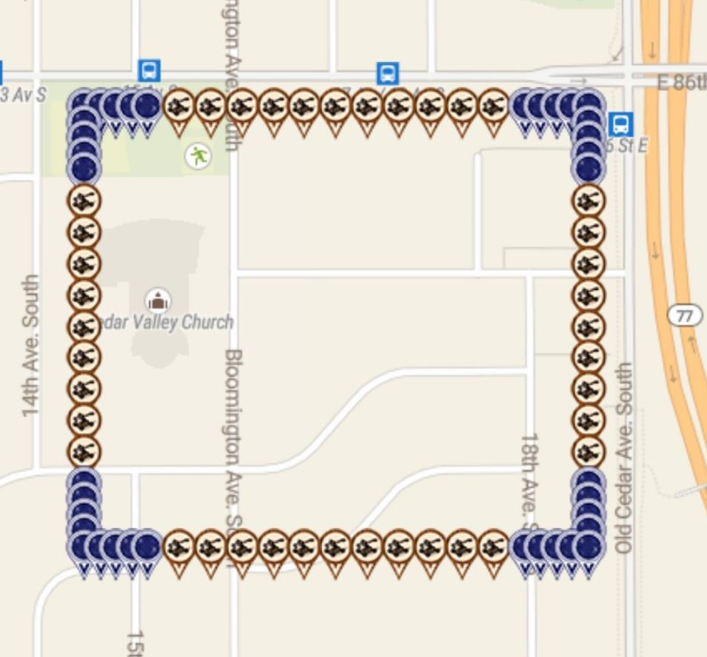
 | 18 | 44.844054997 | -93.251260645 | virtual - plum | Warped6 | https://www.munzee.com/m/warped6/8859/
 | 19 | 44.844054997 | -93.251057931 | virtual - plum | TJACS | https://www.munzee.com/m/TJACS/4577/
 | 20 | 44.844054997 | -93.250855216 | virtual - plum | lazylightning7 | https://www.munzee.com/m/Lazylightning7/1179/
 | 21 | 44.844054996 | -93.250652502 | virtual - plum | georeyna | https://www.munzee.com/m/georeyna/7658/
 | 23 | 44.844054996 | -93.250247073 | Crossbow | babyw | https://www.munzee.com/m/babyw/2167/
 | 25 | 44.844054996 | -93.249841643 | Crossbow | KaraReke | https://www.munzee.com/m/KaraReke/1060/
 | 27 | 44.844054995 | -93.249436214 | Crossbow | GmomS | https://www.munzee.com/m/GmomS/1325/
 | 29 | 44.844054995 | -93.249030785 | Crossbow | yida | https://www.munzee.com/m/yida/1507/
 | 31 | 44.844054995 | -93.248625356 | Crossbow | Anetzet | https://www.munzee.com/m/Anetzet/1285/
 | 2 | 44.843911269 | -93.254504085 | Crossbow | Gamsci | https://www.munzee.com/m/Gamsci/4196/
 | 4 | 44.843911269 | -93.254098657 | Crossbow | CandyLace | https://www.munzee.com/m/CandyLace/1279/
 | 6 | 44.843911269 | -93.253693229 | Crossbow | Gamsci | https://www.munzee.com/m/Gamsci/4492/
 | 8 | 44.843911268 | -93.253287801 | Crossbow | chickenrun | https://www.munzee.com/m/ChickenRun/8151/
 | 9 | 44.843911268 | -93.253085087 | Flatt Matt | TJACS | https://www.munzee.com/m/TJACS/4564/
 | 10 | 44.843911268 | -93.252882372 | Flatt Matt | Dreamcatchr | https://www.munzee.com/m/Dreamcatchr/1126/
 | 11 | 44.843911268 | -93.252679658 | Flatt Matt | Whelen | https://www.munzee.com/m/Whelen/17222/
 | 12 | 44.843911268 | -93.252476944 | Flatt Matt | geomatrix | https://www.munzee.com/m/geomatrix/7938/
 | 13 | 44.843911267 | -93.25227423 | Flatt Matt | JABIE28 | https://www.munzee.com/m/JABIE28/1868/
 | 14 | 44.843911267 | -93.252071516 | Flatt Matt | GrimyMitts | https://www.munzee.com/m/GrimyMitts/985/
 | 15 | 44.843911267 | -93.251868802 | Flatt Matt | LtRangerBob | https://www.munzee.com/m/LtRangerBob/2098/
 | 16 | 44.843911267 | -93.251666088 | Flatt Matt | geomatrix | https://www.munzee.com/m/geomatrix/7939/
 | 17 | 44.843911267 | -93.251463374 | Flatt Matt | mayberryman | https://www.munzee.com/m/mayberryman/941/
 | 18 | 44.843911267 | -93.25126066 | Flatt Matt | Vucsi | https://www.munzee.com/m/Vucsi/620/
 | 19 | 44.843911266 | -93.251057946 | Flatt Matt | geomatrix | https://www.munzee.com/m/geomatrix/7937/
 | 20 | 44.843911266 | -93.250855232 | Flatt Matt | georeyna | https://www.munzee.com/m/georeyna/8009/
...

