SunFlakeGarden
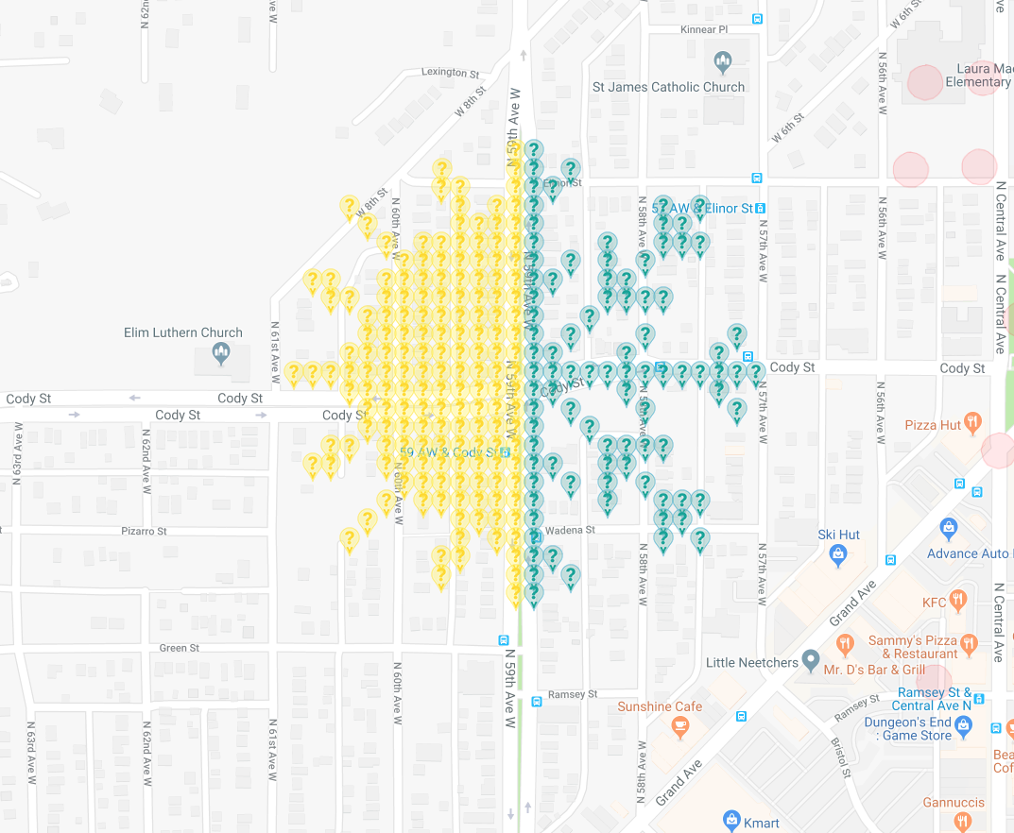
Row | Column | Latitude | Longitude | Munzee | Type | Username | URL | Comments | Map Location: https://www.munzee.com/map/cbq3yt477/15
1 | 13 | 46.74304435 | -92.17200244 | Virtual Yellow | yellow | johnsjen | https://www.munzee.com/m/Johnsjen/1275/
1 | 14 | 46.74304434 | -92.1717927 | Virtual Blue | TURQUOISE BLUE | FindersGirl | https://www.munzee.com/m/FindersGirl/2566/
2 | 9 | 46.74290062 | -92.17284143 | Virtual Yellow | yellow | bazfum | https://www.munzee.com/m/bazfum/4618/
2 | 13 | 46.74290061 | -92.17200246 | Virtual Yellow | yellow | nohnerboyz | https://www.munzee.com/m/nohnerboyz/2296/
2 | 14 | 46.74290061 | -92.17179272 | Virtual Blue | TURQUOISE BLUE | Qdog | https://www.munzee.com/m/Qdog/2920/
2 | 16 | 46.74290061 | -92.17137324 | Virtual Blue | TURQUOISE BLUE | Felix11 | https://www.munzee.com/m/Felix11/4275/
3 | 9 | 46.74275689 | -92.17284144 | Virtual Yellow | yellow | DolphinJo | https://www.munzee.com/m/DolphinJo/4132/
3 | 10 | 46.74275688 | -92.1726317 | Virtual Yellow | yellow | Gaprincess13 | https://www.munzee.com/m/Gaprincess13/301/
3 | 13 | 46.74275688 | -92.17200248 | Virtual Yellow | yellow | meganduluth22 | https://www.munzee.com/m/Meganduluth22/412/
3 | 14 | 46.74275688 | -92.17179274 | Virtual Blue | TURQUOISE BLUE | hollyburn | https://www.munzee.com/m/hollyburn/794/
3 | 15 | 46.74275688 | -92.17158299 | Virtual Blue | TURQUOISE BLUE | DolphinJo | https://www.munzee.com/m/DolphinJo/4127/
4 | 4 | 46.74261316 | -92.17389016 | Virtual Yellow | yellow | Gaprincess13 | https://www.munzee.com/m/Gaprincess13/309/
4 | 10 | 46.74261315 | -92.17263171 | Virtual Yellow | yellow | nohnerboyz | https://www.munzee.com/m/nohnerboyz/2294/
4 | 12 | 46.74261315 | -92.17221223 | Virtual Yellow | yellow | 1SheMarine | https://www.munzee.com/m/1SheMarine/5758/
4 | 13 | 46.74261315 | -92.17200249 | Virtual Yellow | yellow | MeLa | https://www.munzee.com/m/MeLa/2623/
4 | 14 | 46.74261315 | -92.17179275 | Virtual Blue | TURQUOISE BLUE | gravitybear | https://www.munzee.com/m/gravitybear/1274/
4 | 21 | 46.74261315 | -92.17032457 | Virtual Blue | TURQUOISE BLUE | KeddyKlan | https://www.munzee.com/m/keddyklan/699/
4 | 23 | 46.74261315 | -92.16990509 | Virtual Blue | TURQUOISE BLUE | maryufaust | https://www.munzee.com/m/maryufaust/471/ | WRONG COLOR
5 | 5 | 46.74246942 | -92.17368043 | Virtual Yellow | yellow | Warped6 | https://www.munzee.com/m/warped6/7829/
5 | 10 | 46.74246942 | -92.17263173 | Virtual Yellow | yellow | Warped6 | https://www.munzee.com/m/warped6/7828/
5 | 11 | 46.74246942 | -92.17242199 | Virtual Yellow | yellow | BustersBlue | https://www.munzee.com/m/Bustersblue/1120/
5 | 12 | 46.74246942 | -92.17221225 | Virtual Yellow | yellow | valsey | https://www.munzee.com/m/valsey/3081/
5 | 13 | 46.74246942 | -92.17200251 | Virtual Yellow | yellow | Warped6 | https://www.munzee.com/m/warped6/7827/
5 | 14 | 46.74246942 | -92.17179277 | Virtual Blue | TURQUOISE BLUE | wdwvip3 | https://www.munzee.com/m/wdwvip3/411/
5 | 21 | 46.74246942 | -92.17032459 | Virtual Blue | TURQUOISE BLUE | familyd | https://www.munzee.com/m/familyd/2705/
5 | 22 | 46.74246942 | -92.17011485 | Virtual Blue | TURQUOISE BLUE | Tikiseba | https://www.munzee.com/m/Tikiseba/224/
6 | 6 | 46.74232569 | -92.1734707 | Virtual Yellow | yellow | KeddyKlan | https://www.munzee.com/m/keddyklan/707/
6 | 8 | 46.74232569 | -92.17305122 | Virtual Yellow | yellow | FlexPete | https://www.munzee.com/m/FlexPete/1432/
6 | 9 | 46.74232569 | -92.17284148 | Virtual Yellow | yellow | upapou | https://www.munzee.com/m/upapou/651/admin/
6 | 10 | 46.74232569 | -92.17263174 | Virtual Yellow | yellow | lumberjill88 | https://www.munzee.com/m/LumberJill88/804
6 | 11 | 46.74232569 | -92.172422 | Virtual Yellow | yellow | orky99 | https://www.munzee.com/m/Orky99/2791/
6 | 12 | 46.74232569 | -92.17221226 | Virtual Yellow | yellow | bearmomscouter | https://www.munzee.com/m/bearmomscouter/2648/
6 | 13 | 46.74232569 | -92.17200253 | Virtual Yellow | yellow | moonster | https://www.munzee.com/m/moonster/11472/
6 | 14 | 46.74232569 | -92.17179279 | Virtual Blue | TURQUOISE BLUE | zip61348 | https://www.munzee.com/m/zip61348/1465/ |  | #available: | 34
6 | 18 | 46.74232569 | -92.17095383 | Virtual Blue | TURQUOISE BLUE | Chivasloyal | https://www.munzee.com/m/Chivasloyal/4982/admin/
6 | 21 | 46.74232569 | -92.17032461 | Virtual Blue | TURQUOISE BLUE | promethium | https://www.munzee.com/m/Promethium/1862/
6 | 22 | 46.74232569 | -92.17011487 | Virtual Blue | TURQUOISE BLUE | DaZie62 | https://www.munzee.com/m/dazie62/4303/
6 | 23 | 46.74232569 | -92.16990513 | Virtual Blue | TURQUOISE BLUE | SKlick | https://www.munzee.com/m/SKlick/807/
7 | 7 | 46.74218196 | -92.17326098 | Virtual Yellow | yellow | Qdog | https://www.munzee.com/m/Qdog/2931/
7 | 8 | 46.74218196 | -92.17305124 | Virtual Yellow | yellow | Dreamcatchr | https://www.munzee.com/m/Dreamcatchr/223/
7 | 9 | 46.74218196 | -92.1728415 | Virtual Yellow | yellow | maryufaust | https://www.munzee.com/m/maryufaust/468/admin/
7 | 10 | 46.74218196 | -92.17263176 | Virtual Yellow | yellow | moonster | https://www.munzee.com/m/Moonster/11471/
7 | 11 | 46.74218196 | -92.17242202 | Virtual Yellow | yellow | xraybill | https://www.munzee.com/m/xraybill/1181/
7 | 12 | 46.74218196 | -92.17221228 | Virtual Yellow | yellow | NYBOSS | https://www.munzee.com/m/nyboss/5302/
7 | 13 | 46.74218196 | -92.17200254 | Virtual Yellow | yellow | easterb | https://www.munzee.com/m/easterb/1051/
7 | 14 | 46.74218196 | -92.1717928 | Virtual Blue | TURQUOISE BLUE | orky99 | https://www.munzee.com/m/Orky99/2794/
7 | 16 | 46.74218196 | -92.17137332 | Virtual Blue | TURQUOISE BLUE | amoocow | https://www.munzee.com/m/amoocow/2599/
7 | 18 | 46.74218196 | -92.17095385 | Virtual Blue | TURQUOISE BLUE | moonster | https://www.munzee.com/m/moonster/11078/
7 | 20 | 46.74218196 | -92.17053437 | Virtual Blue | TURQUOISE BLUE | Quiltingisfuntoo | https://www.munzee.com/m/Quiltingisfuntoo/1151/
8 | 2 | 46.74203823 | -92.17430968 | Virtual Yellow | yellow | Warped6 | https://www.munzee.com/m/warped6/7825/
8 | 3 | 46.74203823 | -92.17409994 | Virtual Yellow | yellow | LISON55 | https://www.munzee.com/m/lison55/3717/
8 | 6 | 46.74203823 | -92.17347073 | Virtual Yellow | yellow | Quiltingisfuntoo | https://www.munzee.com/m/Quiltingisfuntoo/1149/
8 | 7 | 46.74203823 | -92.17326099 | Virtual Yellow | yellow | babyw | https://www.munzee.com/m/babyw/2458/
8 | 8 | 46.74203823 | -92.17305125 | Virtual Yellow | yellow | lanyasummer | https://www.munzee.com/m/Lanyasummer/3458/
8 | 9 | 46.74203823 | -92.17284151 | Virtual Yellow | yellow | Quiltingisfuntoo | https://www.munzee.com/m/Quiltingisfuntoo/1144/
8 | 10 | 46.74203823 | -92.17263177 | Virtual Yellow | yellow | StaceyZ | https://www.munzee.com/m/StaceyZ/4934
8 | 11 | 46.74203823 | -92.17242203 | Virtual Yellow | yellow | GmomS | https://www.munzee.com/m/GmomS/1818/
8 | 12 | 46.74203823 | -92.1722123 | Virtual Yellow | yellow | Quiltingisfuntoo | https://www.munzee.com/m/Quiltingisfuntoo/1143/
8 | 13 | 46.74203823 | -92.17200256 | Virtual Yellow | yellow | EmeraldAngel | https://www.munzee.com/m/EmeraldAngel/1393
8 | 14 | 46.74203823 | -92.17179282 | Virtual Blue | TURQUOISE BLUE | Warped6 | https://www.munzee.com/m/warped6/7826/ | Did not convert. Not sure which light blue. Robin Egg, Cornflower, Cerulean, Turquoise ?
8 | 15 | 46.74203823 | -92.17158308 | Virtual Blue | TURQUOISE BLUE | Naturelover | https://www.munzee.com/m/naturelover/4179/
8 | 18 | 46.74203823 | -92.17095387 | Virtual Blue | TURQUOISE BLUE | Oldfruits | https://www.munzee.com/m/OldFruits/4438/
8 | 19 | 46.74203823 | -92.17074413 | Virtual Blue | TURQUOISE BLUE | Heathcote07 | https://www.munzee.com/m/heathcote07/2140/
9 | 3 | 46.7418945 | -92.17409995 | Virtual Yellow | yellow | maryufaust | https://www.munzee.com/m/maryufaust/463/
9 | 4 | 46.7418945 | -92.17389022 | Virtual Yellow | yellow | WRASLN | https://www.munzee.com/m/Wrasln/2422/
9 | 6 | 46.7418945 | -92.17347074 | Virtual Yellow | yellow | GmomS | https://www.munzee.com/m/GmomS/1833/
9 | 7 | 46.7418945 | -92.173261 | Virtual Yellow | yellow | EmeraldAngel | https://www.munzee.com/m/EmeraldAngel/1392
9 | 8 | 46.7418945 | -92.17305126 | Virtual Yellow | yellow | 321Cap | https://www.munzee.com/m/321Cap/410/ | Deploy #1
9 | 9 | 46.7418945 | -92.17284153 | Virtual Yellow | yellow | PeterandGloria | https://www.munzee.com/m/PeterandGloria/1277/
9 | 10 | 46.7418945 | -92.17263179 | Virtual Yellow | yellow | Herbie | https://www.munzee.com/m/Herbie/12625
9 | 11 | 46.7418945 | -92.17242205 | Virtual Yellow | yellow | CharliesGrandma | https://www.munzee.com/m/CharliesGrandma/2214
9 | 12 | 46.7418945 | -92.17221231 | Virtual Yellow | yellow | mirabilos | https://www.munzee.com/m/mirabilos/187/
9 | 13 | 46.7418945 | -92.17200257 | Virtual Yellow | yellow | Munzeeprof | https://www.munzee.com/m/munzeeprof/13898/
9 | 14 | 46.7418945 | -92.17179284 | Virtual Blue | TURQUOISE BLUE | moonster | https://www.munzee.com/m/moonster/10919/
9 | 18 | 46.7418945 | -92.17095388 | Virtual Blue | TURQUOISE BLUE | Newbee | https://www.munzee.com/m/newbee/5202
9 | 19 | 46.7418945 | -92.17074415 | Virtual Blue | TURQUOISE BLUE | Shrekmiester | https://www.munzee.com/m/shrekmiester/4640
9 | 20 | 46.7418945 | -92.17053441 | Virtual Blue | TURQUOISE BLUE | Newfruit | https://www.munzee.com/m/Newfruit/4318
9 | 21 | 46.7418945 | -92.17032467 | Virtual Blue | TURQUOISE BLUE | mars00xj | https://www.munzee.com/m/mars00xj/11639/
10 | 5 | 46.74175077 | -92.17368049 | Virtual Yellow | yellow | WRASLN | https://www.munzee.com/m/Wrasln/2421/admin/ | WRONG COLOR | msg sent to owner to fix coords. has coords longit fromk the above panel
10 | 6 | 46.74175077 | -92.17347075 | Virtual Yellow | yellow | teamsturms | https://www.munzee.com/m/teamsturms/2622/
10 | 7 | 46.74175077 | -92.17326101 | Virtual Yellow | yellow | Bitux | https://www.munzee.com/m/BituX/11867/
10 | 8 | 46.74175077 | -92.17305128 | Virtual Yellow | yellow | shun79 | https://www.munzee.com/m/Shun79/2948/
10 | 9 | 46.74175077 | -92.17284154 | Virtual Yellow | yellow | thelanes | https://www.munzee.com/m/thelanes/10624/
10 | 10 | 46.74175077 | -92.1726318 | Virtual Yellow | yellow | Clownshoes | https://www.munzee.com/m/ClownShoes/2288/
10 | 11 | 46.74175077 | -92.17242206 | Virtual Yellow | yellow | maryufaust | https://www.munzee.com/m/maryufaust/462/
10 | 12 | 46.74175077 | -92.17221233 | Virtual Yellow | yellow | peterand gloria | https://www.munzee.com/m/PeterandGloria/1279/
10 | 13 | 46.74175077 | -92.17200259 | Virtual Yellow | yellow | ponu | https://www.munzee.com/m/ponu/6485/
10 | 14 | 46.74175077 | -92.17179285 | Virtual Blue | TURQUOISE BLUE | wr3n | https://www.munzee.com/m/wr3n/3292/
10 | 17 | 46.74175077 | -92.17116364 | Virtual Blue | TURQUOISE BLUE | Quiltingisfuntoo | https://www.munzee.com/m/Quiltingisfuntoo/1142/
11 | 5 | 46.74160704 | -92.1736805 | Virtual Yellow | yellow | Quiltingisfuntoo | https://www.munzee.com/m/Quiltingisfuntoo/1136/
11 | 6 | 46.74160704 | -92.17347076 | Virtual Yellow | yellow | Rikitan | https://www.munzee.com/m/Rikitan/3279/
11 | 7 | 46.74160704 | -92.17326103 | Virtual Yellow | yellow | Debolicious | https://www.munzee.com/m/Debolicious/12104/admin/
11 | 8 | 46.74160704 | -92.17305129 | Virtual Yellow | yellow | Quiltingisfuntoo | https://www.munzee.com/m/Quiltingisfuntoo/1133/
11 | 9 | 46.74160704 | -92.17284155 | Virtual Yellow | yellow | CoffeeBender | https://www.munzee.com/m/CoffeeBender/8706/
11 | 10 | 46.74160704 | -92.17263182 | Virtual Yellow | yellow | Debolicious | https://www.munzee.com/m/Debolicious/16192/admin/
11 | 11 | 46.74160704 | -92.17242208 | Virtual Yellow | yellow | Quiltingisfuntoo | https://www.munzee.com/m/Quiltingisfuntoo/1132/
11 | 12 | 46.74160704 | -92.17221234 | Virtual Yellow | yellow | CoffeeBender | https://www.munzee.com/m/CoffeeBender/8709/
11 | 13 | 46.74160704 | -92.17200261 | Virtual Yellow | yellow | mandello | https://www.munzee.com/m/mandello/7977/
11 | 14 | 46.74160704 | -92.17179287 | Virtual Blue | TURQUOISE BLUE | Quiltingisfuntoo | https://www.munzee.com/m/Quiltingisfuntoo/1121/
11 | 16 | 46.74160704 | -92.1713734 | Virtual Blue | TURQUOISE BLUE | WRASLN | https://www.munzee.com/m/Wrasln/2418/admin/
11 | 20 | 46.74160704 | -92.17053445 | Virtual Blue | TURQUOISE BLUE | Quiltingisfuntoo | https://www.munzee.com/m/Quiltingisfuntoo/1111/
11 | 25 | 46.74160704 | -92.16948577 | Virtual Blue | TURQUOISE BLUE | Quiltingisfuntoo | https://www.munzee.com/m/Quiltingisfuntoo/1110/
12 | 4 | 46.74146331 | -92.17389025 | Virtual Yellow | yellow | cdwilliams1 | https://www.munzee.com/m/cdwilliams1/8026
12 | 5 | 46.74146331 | -92.17368051 | Virtual Yellow | yellow | CoffeeBender | https://www.munzee.com/m/CoffeeBender/8711/
12 | 6 | 46.74146331 | -92.17347078 | Virtual Yellow | yellow | JaroslavKaas | https://www.munzee.com/m/JaroslavKaas/9343/
12 | 7 | 46.74146331 | -92.17326104 | Virtual Yellow | yellow | cdwilliams1 | https://www.munzee.com/m/cdwilliams1/8025
12 | 8 | 46.74146331 | -92.1730513 | Virtual Yellow | yellow | RafMar78 | https://www.munzee.com/m/RafMar78/1860/
12 | 9 | 46.74146331 | -92.17284157 | Virtual Yellow | yellow | wr3n | https://www.munzee.com/m/wr3n/10148
12 | 10 | 46.74146331 | -92.17263183 | Virtual Yellow | yellow | cdwilliams1 | https://www.munzee.com/m/cdwilliams1/8022
12 | 11 | 46.74146331 | -92.1724221 | Virtual Yellow | yellow
12 | 12 | 46.74146331 | -92.17221236 | Virtual Yellow | yellow | wally62 | https://www.munzee.com/m/wally62/3956/
12 | 13 | 46.74146331 | -92.17200262 | Virtual Yellow | yellow | Bungle | https://www.munzee.com/m/Bungle/1259
12 | 14 | 46.74146331 | -92.17179289 | Virtual Blue | TURQUOISE BLUE | lostsole68 | https://www.munzee.com/m/lostsole68/1164/
12 | 15 | 46.74146331 | -92.17158315 | Virtual Blue | TURQUOISE BLUE | jacksparrow | https://www.munzee.com/m/JackSparrow/22989
12 | 19 | 46.74146331 | -92.17074421 | Virtual Blue | TURQUOISE BLUE | GmomS | https://www.munzee.com/m/GmomS/1805/
12 | 24 | 46.74146331 | -92.16969552 | Virtual Blue | TURQUOISE BLUE | Lehmis | https://www.munzee.com/m/Lehmis/1107/
...

