Information
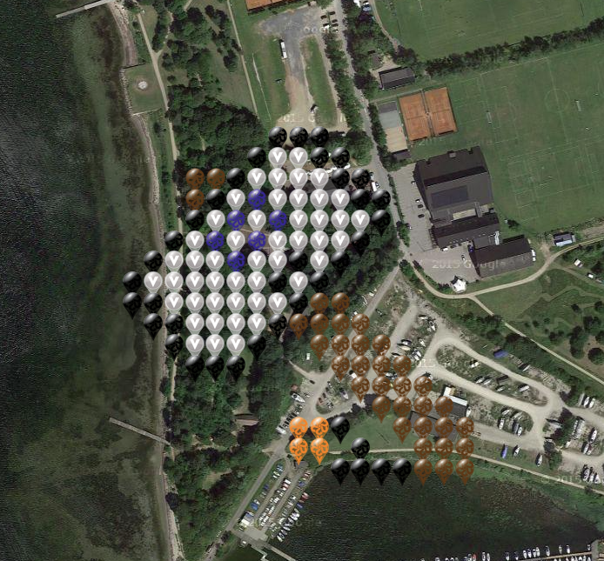
Map link: | https://www.munzee.com/map/u3btd7kzy/17

All pins *must* be coloured Mystery Virtual - except for gray that need to be Virtual and blue that is plain Mystery Virtual.
Write your username as Owner when you use a coordinate.
Remember you need to skip two rows/cols due to the 150 feet deploy limit.

Reward for deploy: | http://www.munzee.com/m/GeodudeDK/137/

This is the Information tab - for coords please select the Coords tab!

