The Xmas-tree
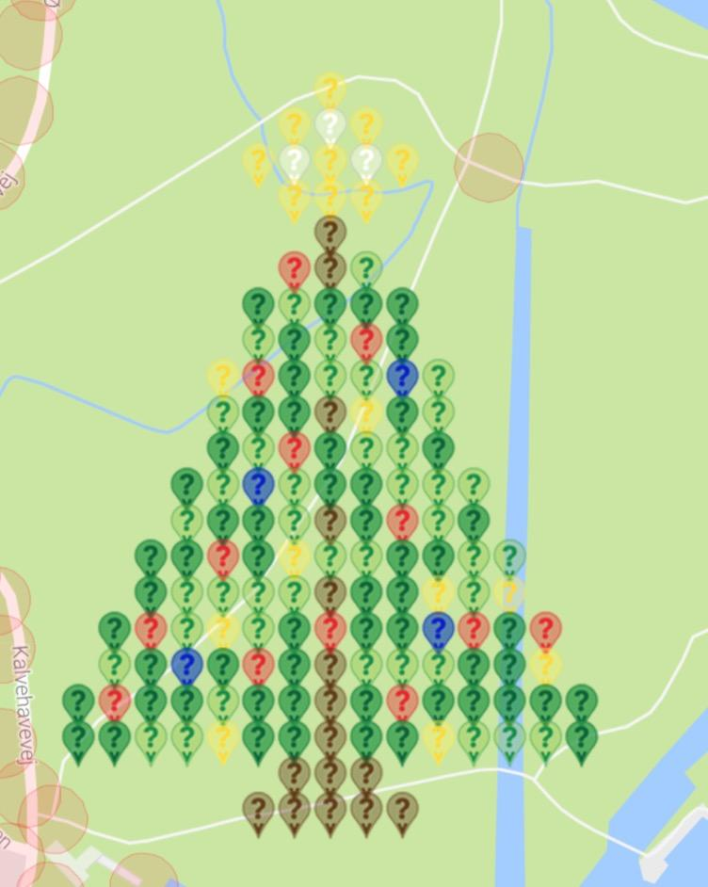
Christmastree in Hilleroed/Denmark

MunzeeType | Total | Filled | Pct | Free
MVM Yellow | 18 | 18 | 100% | 0
MVM White | 3 | 3 | 100% | 0
MVM Brown | 16 | 16 | 100% | 0
MVM Red | 13 | 13 | 100% | 0
MVM Green | 41 | 41 | 100% | 0
MVM Dark Green | 56 | 56 | 100% | 0
MVM Blue | 4 | 4 | 100% | 0
FLATROB | 15 | 15 | 100% | 0
Total | 166 | 166 | 100% | 0

Map : | https://www.munzee.com/map/u3bwpzhrc/16
Creator: | https://www.munzee.com/m/damgaard/

Row | Column | Latitude | Longitude | Munzee Type | Type | Color | Username | URL | Comments
1 | 8 | 55.938987148 | 12.297376612 | MVM Yellow | MVM | yellow | dwtime | https://www.munzee.com/m/dwtime/677/
2 | 7 | 55.938843418 | 12.297119954 | MVM Yellow | MVM | yellow | J1Huisman | https://www.munzee.com/m/J1Huisman/4181/
2 | 8 | 55.938843418 | 12.29737658 | MVM White | MVM | white | EagleDadandXenia | https://www.munzee.com/m/EagleDadandXenia/7422/
2 | 9 | 55.938843418 | 12.297633206 | MVM Yellow | MVM | yellow | wanzong | https://www.munzee.com/m/wanzong/1892
3 | 6 | 55.938699688 | 12.296863298 | MVM Yellow | MVM | yellow | shooomie | https://www.munzee.com/m/shooomie/670/
3 | 7 | 55.938699688 | 12.297119923 | MVM White | MVM | white | AgNav | https://www.munzee.com/m/AgNav/592/
3 | 8 | 55.938699688 | 12.297376548 | MVM Yellow | MVM | yellow | DolphinJo | https://www.munzee.com/m/DolphinJo/268/
3 | 9 | 55.938699687 | 12.297633173 | MVM White | MVM | white | Fireplz3 | https://www.munzee.com/m/Fireplz3/441/
3 | 10 | 55.938699687 | 12.297889798 | MVM Yellow | MVM | yellow | mobility | https://www.munzee.com/m/mobility/2183
4 | 7 | 55.938555957 | 12.297119891 | MVM Yellow | MVM | yellow | PBalle | www.munzee.com/m/PBalle/653/
4 | 8 | 55.938555957 | 12.297376515 | MVM Yellow | MVM | yellow | Minnie213 | https://www.munzee.com/m/Minnie213/3384
4 | 9 | 55.938555957 | 12.297633139 | MVM Yellow | MVM | yellow | Dipsticks | https://www.munzee.com/m/Dipsticks/1324 |  | 1
5 | 8 | 55.938412227 | 12.297376483 | MVM Brown | MVM | brown | EagleDadandXenia | https://www.munzee.com/m/EagleDadandXenia/6971/
6 | 7 | 55.938268496 | 12.297119828 | MVM Red | MVM | red | Mismus | https://www.munzee.com/m/Mismus/1246/admin/
6 | 8 | 55.938268496 | 12.297376451 | MVM Brown | MVM | brown | timandweze | https://www.munzee.com/m/timandweze/1014
6 | 9 | 55.938268496 | 12.297633073 | MVM Green | MVM | green | levesund | https://www.munzee.com/m/levesund/2533/admin/convert/
7 | 6 | 55.938124766 | 12.296863176 | MVM Dark Green | MVM | dark green | CCrosser | https://www.munzee.com/m/CCrosser/959 |  | 1
7 | 7 | 55.938124766 | 12.297119797 | MVM Green | MVM | green | aaalv | https://www.munzee.com/m/aaalv/893
7 | 8 | 55.938124766 | 12.297376418 | MVM Dark Green | MVM | dark green | eskiss | https://www.munzee.com/m/Eskiss/1674
7 | 9 | 55.938124765 | 12.297633039 | MVM Dark Green | MVM | dark green | Futmanden | https://www.munzee.com/m/Futmanden/1791/
7 | 10 | 55.938124765 | 12.297889661 | MVM Dark Green | MVM | dark green | mismus | https://www.munzee.com/m/Mismus/1245/admin/
8 | 6 | 55.937981036 | 12.296863145 | MVM Green | MVM | green | Millidk | https://www.munzee.com/m/millidk/1573/
8 | 7 | 55.937981036 | 12.297119766 | MVM Dark Green | MVM | dark green | annabanana | https://www.munzee.com/m/annabanana/2981/
8 | 8 | 55.937981035 | 12.297376386 | MVM Green | MVM | green | listom | https://www.munzee.com/m/listom/7100/
8 | 9 | 55.937981035 | 12.297633006 | MVM Red | MVM | red | DolphinJo | https://www.munzee.com/m/DolphinJo/297/
8 | 10 | 55.937981035 | 12.297889626 | MVM Dark Green | MVM | dark green | Tinkamor | https://www.munzee.com/m/Tinkamor/1734/
9 | 5 | 55.937837306 | 12.296606495 | MVM Yellow | MVM | yellow | mihul | https://www.munzee.com/m/mihul/898
9 | 6 | 55.937837305 | 12.296863115 | MVM Red | MVM | red | mismus | https://www.munzee.com/m/Mismus/1237/admin/
9 | 7 | 55.937837305 | 12.297119734 | MVM Dark Green | MVM | dark green | levesund | https://www.munzee.com/m/levesund/2532/
9 | 8 | 55.937837305 | 12.297376353 | MVM Green | MVM | green | Big100hd | https://www.munzee.com/m/Big100HD/2906/
9 | 9 | 55.937837305 | 12.297632973 | MVM Green | MVM | green | Valj519 | https://www.munzee.com/m/valj519/1956/
9 | 10 | 55.937837304 | 12.297889592 | MVM Blue | MVM | blue | wanzong | https://www.munzee.com/m/wanzong/1891
9 | 11 | 55.937837304 | 12.298146211 | MVM Green | MVM | green | listom | https://www.munzee.com/m/listom/7149/
10 | 5 | 55.937693575 | 12.296606466 | MVM Green | MVM | green | linusbi | https://www.munzee.com/m/linusbi/752/admin/convert/
10 | 6 | 55.937693575 | 12.296863084 | MVM Dark Green | MVM | dark green | Papasmurfsr | https://www.munzee.com/m/PapaSmurfsr/325/
10 | 7 | 55.937693575 | 12.297119703 | MVM Dark Green | MVM | dark green | trevosetreckers | https://www.munzee.com/m/trevosetreckers/3374/
10 | 8 | 55.937693574 | 12.297376321 | MVM Brown | MVM | brown | candyfloss64 | https://www.munzee.com/m/candyfloss64/3282/
10 | 9 | 55.937693574 | 12.297632939 | MVM Yellow | MVM | yellow | PBalle | www.munzee.com/m/PBalle/652/
10 | 10 | 55.937693574 | 12.297889558 | MVM Dark Green | MVM | dark green | SnowBoat | https://www.munzee.com/m/SnowBoat/3061/
10 | 11 | 55.937693574 | 12.298146176 | MVM Green | MVM | green | Millidk | https://www.munzee.com/m/millidk/1572/
11 | 5 | 55.937549845 | 12.296606436 | MVM Dark Green | MVM | dark green | listom | https://www.munzee.com/m/listom/7150/
11 | 6 | 55.937549845 | 12.296863054 | MVM Green | MVM | green | MeLa | https://www.munzee.com/m/MeLa/1706/
11 | 7 | 55.937549844 | 12.297119671 | MVM Red | MVM | red | eskiss | https://www.munzee.com/m/Eskiss/1686
11 | 8 | 55.937549844 | 12.297376289 | MVM Dark Green | MVM | dark green | Halyurd | https://www.munzee.com/m/halyurd/2397
11 | 9 | 55.937549844 | 12.297632906 | MVM Green | MVM | green | Daiva | https://www.munzee.com/m/Daiva/666/
11 | 10 | 55.937549843 | 12.297889524 | MVM Green | MVM | green | damgaard | https://www.munzee.com/m/damgaard/1330/
11 | 11 | 55.937549843 | 12.298146141 | MVM Dark Green | MVM | dark green | Finnleo | https://www.munzee.com/m/Finnleo/383/
12 | 4 | 55.937406115 | 12.29634979 | MVM Dark Green | MVM | dark green | Trunte2002 | https://www.munzee.com/m/Trunte2002/365/
12 | 5 | 55.937406114 | 12.296606407 | MVM Green | MVM | green | Mariabettina | https://www.munzee.com/m/Mariabettina/357/
12 | 6 | 55.937406114 | 12.296863023 | MVM Blue | MVM | blue | Tbygate | https://www.munzee.com/m/tbygate/2013
12 | 7 | 55.937406114 | 12.29711964 | MVM Green | MVM | green | mismus | https://www.munzee.com/m/Mismus/1236/admin/
12 | 8 | 55.937406114 | 12.297376256 | MVM Dark Green | MVM | dark green | listom | https://www.munzee.com/m/listom/7105/
12 | 9 | 55.937406113 | 12.297632873 | MVM Dark Green | MVM | dark green | Jemideam | https://www.munzee.com/m/Jemideam/2037
12 | 10 | 55.937406113 | 12.297889489 | MVM Green | MVM | green | fionails | https://www.munzee.com/m/fionails/969/admin/convert/
12 | 11 | 55.937406113 | 12.298146106 | MVM Green | MVM | green | munzeefarmor | https://www.munzee.com/m/munzeefarmor/523/admin/convert/
12 | 12 | 55.937406112 | 12.298402722 | MVM Green | MVM | green | listom | https://www.munzee.com/m/listom/7112/
13 | 4 | 55.937262384 | 12.296349762 | MVM Green | MVM | green | damgaard | https://www.munzee.com/m/damgaard/1329/
13 | 5 | 55.937262384 | 12.296606377 | MVM Dark Green | MVM | dark green | Daiva | https://www.munzee.com/m/Daiva/665/
13 | 6 | 55.937262384 | 12.296862993 | MVM Dark Green | MVM | dark green | candyfloss64 | https://www.munzee.com/m/candyfloss64/3295/
13 | 7 | 55.937262383 | 12.297119608 | MVM Green | MVM | green | trevosetreckers | https://www.munzee.com/m/trevosetreckers/3384/
13 | 8 | 55.937262383 | 12.297376224 | MVM Brown | MVM | brown | CrazyLadyLisa | https://www.munzee.com/m/CrazyLadyLisa/8684/
13 | 9 | 55.937262383 | 12.297632839 | MVM Dark Green | MVM | dark green | Superstar | https://www.munzee.com/m/Superstar/152/
13 | 10 | 55.937262383 | 12.297889455 | MVM Red | MVM | red | Noisette | https://www.munzee.com/m/Noisette/116/
13 | 11 | 55.937262382 | 12.298146071 | MVM Green | MVM | green | killerSnail | https://www.munzee.com/m/KillerSnail/598/
13 | 12 | 55.937262382 | 12.298402686 | MVM Dark Green | MVM | dark green | burger50 | https://www.munzee.com/m/Burger50/156/
14 | 3 | 55.937118654 | 12.296093119 | MVM Dark Green | MVM | dark green | fionails | https://www.munzee.com/m/fionails/980/admin/convert/
14 | 4 | 55.937118654 | 12.296349733 | MVM Dark Green | MVM | dark green | killerSnail | https://www.munzee.com/m/KillerSnail/597/
14 | 5 | 55.937118653 | 12.296606348 | MVM Red | MVM | red | listom | https://www.munzee.com/m/listom/7104/
14 | 6 | 55.937118653 | 12.296862962 | MVM Dark Green | MVM | dark green | delaner46 | https://www.munzee.com/m/delaner46/1810
14 | 7 | 55.937118653 | 12.297119577 | MVM Yellow | MVM | yellow | jorgensen4220 | https://www.munzee.com/m/Jorgensen4220/1882/
14 | 8 | 55.937118653 | 12.297376192 | MVM Green | MVM | green | killerSnail | https://www.munzee.com/m/KillerSnail/611/
14 | 9 | 55.937118652 | 12.297632806 | MVM Green | MVM | green | mesmith00 | https://www.munzee.com/m/Mesmith00/506/
14 | 10 | 55.937118652 | 12.297889421 | MVM Dark Green | MVM | dark green | FindersGirl | https://www.munzee.com/m/FindersGirl/661/
14 | 11 | 55.937118652 | 12.298146035 | MVM Dark Green | MVM | dark green | Freshsqueezedlemonade | https://www.munzee.com/m/freshsqueezedlemonade/207/
14 | 12 | 55.937118652 | 12.29840265 | MVM Green | MVM | green | PizzaSnail | https://www.munzee.com/m/PizzaSnail/294/
14 | 13 | 55.937118651 | 12.298659264 | MVM Green | MVM | green | TheInvisibleMarshmallow | https://www.munzee.com/m/TheInvisibleMarshmallow/330/
15 | 3 | 55.936974924 | 12.296093091 | MVM Dark Green | MVM | dark green | mismus | https://www.munzee.com/m/Mismus/1235/admin/
15 | 4 | 55.936974923 | 12.296349705 | MVM Green | MVM | green | PizzaSnail | https://www.munzee.com/m/PizzaSnail/292/
15 | 5 | 55.936974923 | 12.296606318 | MVM Green | MVM | green | SnowBoat | https://www.munzee.com/m/SnowBoat/3071/
15 | 6 | 55.936974923 | 12.296862932 | MVM Green | MVM | green | trunte2002 | https://www.munzee.com/m/Trunte2002/383/admin/
15 | 7 | 55.936974922 | 12.297119546 | MVM Green | MVM | green | PizzaSnail | https://www.munzee.com/m/PizzaSnail/293/
15 | 8 | 55.936974922 | 12.297376159 | MVM Brown | MVM | brown | Daiva | https://www.munzee.com/m/Daiva/664/
15 | 9 | 55.936974922 | 12.297632773 | MVM Dark Green | MVM | dark green | BentM | https://www.munzee.com/m/BentM/116/
15 | 10 | 55.936974922 | 12.297889386 | MVM Dark Green | MVM | dark green | ramlan | https://www.munzee.com/m/ramlan/859
15 | 11 | 55.936974921 | 12.298146 | MVM Yellow | MVM | yellow | CrazyLadyLisa | https://www.munzee.com/m/CrazyLadyLisa/8685/
15 | 12 | 55.936974921 | 12.298402614 | MVM Green | MVM | green | BentM | https://www.munzee.com/m/BentM/117/
15 | 13 | 55.936974921 | 12.298659227 | MVM Yellow | MVM | yellow | Daiva | https://www.munzee.com/m/Daiva/728/
16 | 2 | 55.936831193 | 12.295836451 | MVM Dark Green | MVM | dark green | ryves | https://www.munzee.com/m/ryves/7091
16 | 3 | 55.936831193 | 12.296093064 | MVM Red | MVM | red | Jemideam | https://www.munzee.com/m/Jemideam/1820/
16 | 4 | 55.936831193 | 12.296349676 | MVM Green | MVM | green | damgaard | https://www.munzee.com/m/damgaard/1371/
16 | 5 | 55.936831193 | 12.296606289 | MVM Yellow | MVM | yellow | FindersGirl | https://www.munzee.com/m/FindersGirl/660/
16 | 6 | 55.936831192 | 12.296862902 | MVM Green | MVM | green | munzeefarmor | https://www.munzee.com/m/munzeefarmor/522/admin/
16 | 7 | 55.936831192 | 12.297119514 | MVM Dark Green | MVM | dark green | damgaard | https://www.munzee.com/m/damgaard/1383/
16 | 8 | 55.936831192 | 12.297376127 | MVM Red | MVM | red | listom | https://www.munzee.com/m/listom/7111/
16 | 9 | 55.936831191 | 12.29763274 | MVM Dark Green | MVM | dark green | denali0407 | https://www.munzee.com/m/denali0407/3857
16 | 10 | 55.936831191 | 12.297889352 | MVM Dark Green | MVM | dark green | damgaard | https://www.munzee.com/m/damgaard/1341/
16 | 11 | 55.936831191 | 12.298145965 | MVM Blue | MVM | blue | listom | https://www.munzee.com/m/listom/7101/
16 | 12 | 55.936831191 | 12.298402578 | MVM Red | MVM | red | trevosetreckers | https://www.munzee.com/m/trevosetreckers/3385/
16 | 13 | 55.93683119 | 12.29865919 | MVM Dark Green | MVM | dark green | dlbisblest | https://www.munzee.com/m/dlbisblest/2458/
16 | 14 | 55.93683119 | 12.298915803 | MVM Red | MVM | red | candyfloss64 | https://www.munzee.com/m/candyfloss64/3296/
17 | 2 | 55.936687463 | 12.295836424 | MVM Green | MVM | green | Snille | https://www.munzee.com/m/Snille/1263/
17 | 3 | 55.936687463 | 12.296093036 | MVM Dark Green | MVM | dark green | KillerSnail | https://www.munzee.com/m/KillerSnail/610/
17 | 4 | 55.936687462 | 12.296349648 | MVM Blue | MVM | blue | Clown Shoes | https://www.munzee.com/m/ClownShoes/1424/
17 | 5 | 55.936687462 | 12.296606259 | MVM Dark Green | MVM | dark green | TheInvisibleMarshmallow | https://www.munzee.com/m/TheInvisibleMarshmallow/375/
17 | 6 | 55.936687462 | 12.296862871 | MVM Red | MVM | red | jorgensen4220 | https://www.munzee.com/m/Jorgensen4220/1881/
17 | 7 | 55.936687462 | 12.297119483 | MVM Dark Green | MVM | dark green | cuztedbop | https://www.munzee.com/m/cuztedbop/884/
17 | 8 | 55.936687461 | 12.297376094 | MVM Brown | MVM | brown | eskiss | https://www.munzee.com/m/Eskiss/1687
17 | 9 | 55.936687461 | 12.297632706 | MVM Green | MVM | green | delaner46 | https://www.munzee.com/m/delaner46/1809
17 | 10 | 55.936687461 | 12.297889318 | MVM Green | MVM | green | TheInvisibleMarshmallow | https://www.munzee.com/m/TheInvisibleMarshmallow/329/
17 | 11 | 55.936687461 | 12.29814593 | MVM Green | MVM | green | KillerSnail | https://www.munzee.com/m/KillerSnail/685/
17 | 12 | 55.93668746 | 12.298402541 | MVM Dark Green | MVM | dark green | Big100hd | https://www.munzee.com/m/Big100HD/3043/
17 | 13 | 55.93668746 | 12.298659153 | MVM Dark Green | MVM | dark green | TheInvisibleMarshmallow | https://www.munzee.com/m/TheInvisibleMarshmallow/328/
17 | 14 | 55.93668746 | 12.298915765 | MVM Yellow | MVM | yellow | johnsjen | https://www.munzee.com/m/Johnsjen/371/
18 | 1 | 55.936543733 | 12.295579787 | MVM Dark Green | MVM | dark green | listom | https://www.munzee.com/m/listom/7154/
...

