MyGarden
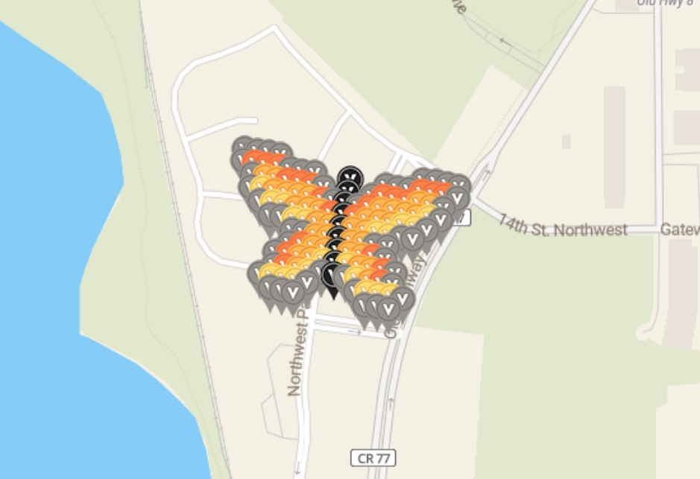
Row | Column | Latitude | Longitude | Color | Username | URL
1 | 1 | 45.072383745 | -93.195169884 | gray | Qdog | https://www.munzee.com/m/Qdog/3481/
1 | 2 | 45.072358786 | -93.194969454 | gray | Quiltingisfuntoo | https://www.munzee.com/m/Quiltingisfuntoo/1066/
1 | 3 | 45.072333827 | -93.194769023 | gray | TJACS | https://www.munzee.com/m/TJACS/4644/
1 | 4 | 45.072308869 | -93.194568592 | gray | RBM | https://www.munzee.com/m/RBM/7166
1 | 16 | 45.072009364 | -93.192163432 | gray | TJACS | https://www.munzee.com/m/TJACS/4579/
1 | 17 | 45.071984406 | -93.191963003 | gray | Quiltingisfuntoo | https://www.munzee.com/m/Quiltingisfuntoo/1067/
1 | 18 | 45.071959447 | -93.191762573 | gray | warped6 | https://www.munzee.com/m/warped6/7731/
1 | 19 | 45.071934488 | -93.191562144 | gray | TJACS | https://www.munzee.com/m/TJACS/4581/
2 | 1 | 45.072242198 | -93.195205235 | gray | warped6 | https://www.munzee.com/m/warped6/7744/
2 | 2 | 45.072217239 | -93.195004805 | burnt orange | gravitybear | https://www.munzee.com/m/gravitybear/1273/
2 | 3 | 45.072192281 | -93.194804375 | burnt orange | JABIE28 | https://www.munzee.com/m/JABIE28/2331/
2 | 4 | 45.072167322 | -93.194603945 | burnt orange | warped6 | https://www.munzee.com/m/warped6/7746/
2 | 5 | 45.072142363 | -93.194403515 | gray | Whelen | https://www.munzee.com/m/Whelen/17321/
2 | 6 | 45.072117404 | -93.194203085 | gray | JABIE28 | https://www.munzee.com/m/JABIE28/2309/
2 | 7 | 45.072092446 | -93.194002655 | gray | RBM | https://www.munzee.com/m/RBM/7140/ |  |  |  | created by geomatrix
2 | 10 | 45.07201757 | -93.193401366 | black | MSgtUSMC | https://www.munzee.com/m/MSgtUSMC/320/ | map | https://www.munzee.com/map/cbj8rjyhs/15.9
2 | 13 | 45.071942694 | -93.192800078 | gray | RBM | https://www.munzee.com/m/RBM/7196/
2 | 14 | 45.071917735 | -93.192599649 | gray | SteeleyeFan | https://www.munzee.com/m/SteeleyeFan/1489/ | EVENT APRIL 13th
2 | 15 | 45.071892776 | -93.19239922 | gray | andrewbmbox | https://www.munzee.com/m/andrewbmbox/3170/ | Long Lake Regional Park, New Brighton, Minnesota
2 | 16 | 45.071867817 | -93.19219879 | burnt orange | Whelen | https://www.munzee.com/m/Whelen/17123/ | Calendar Page. |  | https://calendar.munzee.com/snowgone/
2 | 17 | 45.071842859 | -93.191998361 | burnt orange | RBM | https://www.munzee.com/m/RBM/7164/
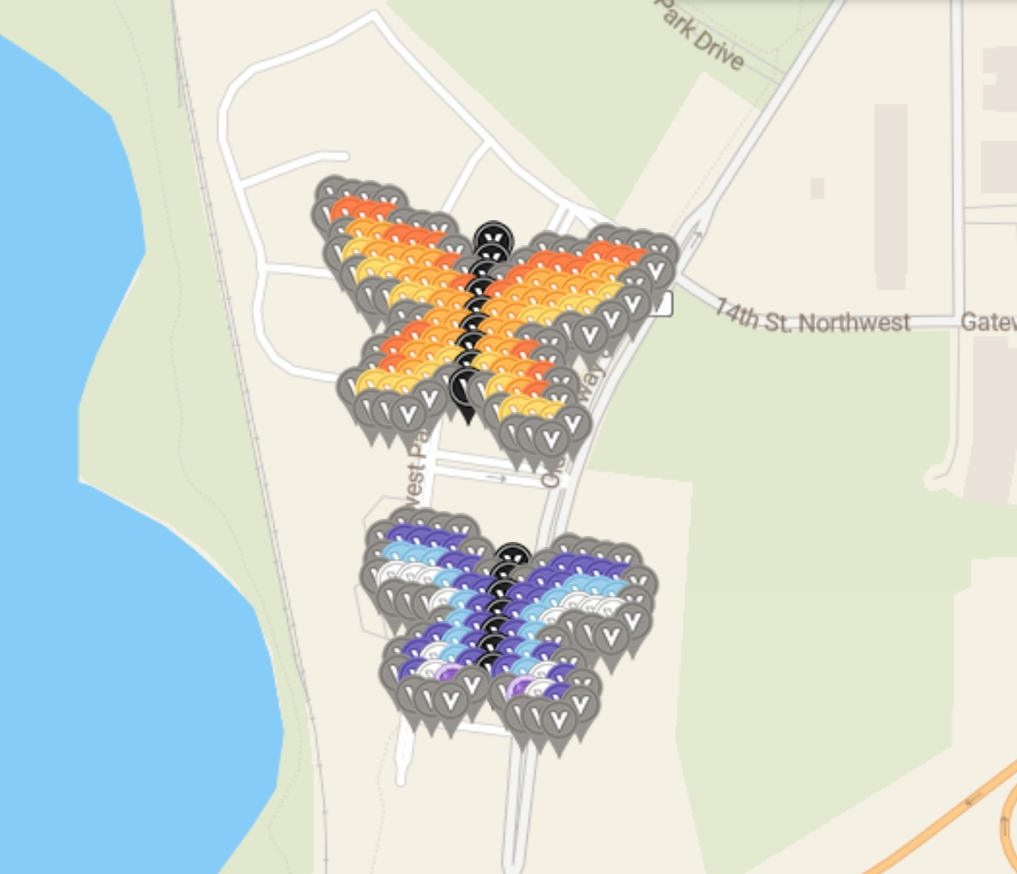
2 | 18 | 45.0718179 | -93.191797933 | burnt orange | geomatrix | https://www.munzee.com/m/geomatrix/7960/
2 | 19 | 45.071792941 | -93.191597504 | gray | Whelen | https://www.munzee.com/m/Whelen/17139/
3 | 2 | 45.072075692 | -93.195040156 | gray | Whelen | https://www.munzee.com/m/Whelen/17324/
3 | 3 | 45.072050734 | -93.194839727 | orange | danielle41101 | https://www.munzee.com/m/danielle41101/9821/
3 | 4 | 45.072025775 | -93.194639297 | orange | kcpride | https://www.munzee.com/m/kcpride/6726/
3 | 5 | 45.072000816 | -93.194438868 | burnt orange | Quiltingisfuntoo | https://www.munzee.com/m/Quiltingisfuntoo/1069/
3 | 6 | 45.071975858 | -93.194238438 | burnt orange | danielle41101 | https://www.munzee.com/m/danielle41101/9820/
3 | 7 | 45.071950899 | -93.194038009 | burnt orange | kcpride | https://www.munzee.com/m/kcpride/6725/
3 | 8 | 45.07192594 | -93.19383758 | gray | SteeleyeFan | https://www.munzee.com/m/SteeleyeFan/1490/
3 | 10 | 45.071876023 | -93.193436721 | black | gravitybear | https://www.munzee.com/m/gravitybear/1280/
3 | 12 | 45.071826105 | -93.193035864 | gray | danielle41101 | https://www.munzee.com/m/danielle41101/9819/
3 | 13 | 45.071801147 | -93.192835435 | burnt orange | kcpride | https://www.munzee.com/m/kcpride/6724/
3 | 14 | 45.071776188 | -93.192635006 | burnt orange | Kchiefz | https://www.munzee.com/m/Kchiefz/1124/
3 | 15 | 45.071751229 | -93.192434577 | burnt orange | danielle41101 | https://www.munzee.com/m/danielle41101/9680/
3 | 16 | 45.071726271 | -93.192234149 | orange | kcpride | https://www.munzee.com/m/kcpride/6705/
3 | 17 | 45.071701312 | -93.19203372 | orange | shingobee23 | https://www.munzee.com/m/shingobee23/2635/
3 | 18 | 45.071676353 | -93.191833292 | gray | CandyLace | https://www.munzee.com/m/CandyLace/1283/
4 | 2 | 45.071934146 | -93.195075508 | gray | TJACS | https://www.munzee.com/m/TJACS/4655/
4 | 3 | 45.071909187 | -93.194875079 | dandelion | pulda1 | https://www.munzee.com/m/pulda1/11547/
4 | 4 | 45.071884228 | -93.19467465 | orange | geckofreund | https://www.munzee.com/m/geckofreund/2222/
4 | 5 | 45.071859269 | -93.194474221 | orange | Syrtene | https://www.munzee.com/m/Syrtene/1613/
4 | 6 | 45.071834311 | -93.194273792 | orange | NoahCache | https://www.munzee.com/m/NoahCache/1601/
4 | 7 | 45.071809352 | -93.194073363 | orange | andrewbmbox | https://www.munzee.com/m/andrewbmbox/3171/
4 | 8 | 45.071784393 | -93.193872934 | burnt orange | mobility | https://www.munzee.com/m/mobility/6583/
4 | 9 | 45.071759435 | -93.193672505 | gray | Kchiefz | https://www.munzee.com/m/Kchiefz/1125/
4 | 10 | 45.071734476 | -93.193472077 | black | PBJ | https://www.munzee.com/m/PBJ/1477/map/
4 | 11 | 45.071709517 | -93.193271648 | gray | andrewbmbox | https://www.munzee.com/m/andrewbmbox/3172/
4 | 12 | 45.071684559 | -93.19307122 | burnt orange | IggiePiggie | https://www.munzee.com/m/IggiePiggie/936/
4 | 13 | 45.0716596 | -93.192870792 | orange | ponu | https://www.munzee.com/m/ponu/5267/
4 | 14 | 45.071634641 | -93.192670363 | orange | TJACS | https://www.munzee.com/m/TJACS/4643/
4 | 15 | 45.071609682 | -93.192469935 | orange | crazycolorado | https://www.munzee.com/m/Crazycolorado/1972/
4 | 16 | 45.071584724 | -93.192269507 | orange | Netkaloz | https://www.munzee.com/m/Netkaloz/4924/
4 | 17 | 45.071559765 | -93.192069079 | dandelion | TJACS | https://www.munzee.com/m/TJACS/4582/
4 | 18 | 45.071534806 | -93.191868651 | gray | valsey | https://www.munzee.com/m/valsey/3104/
5 | 3 | 45.07176764 | -93.19491043 | gray | RBM | https://www.munzee.com/m/RBM/7139/
5 | 4 | 45.071742681 | -93.194710002 | dandelion | geomatrix | https://www.munzee.com/m/geomatrix/7997/
5 | 5 | 45.071717723 | -93.194509573 | dandelion | TheDrollEclectic | https://www.munzee.com/m/TheDrollEclectic/2612/
5 | 6 | 45.071692764 | -93.194309145 | orange | TJACS | https://www.munzee.com/m/TJACS/4627/
5 | 7 | 45.071667805 | -93.194108716 | orange | RBM | https://www.munzee.com/m/RBM/7136/
5 | 8 | 45.071642846 | -93.193908288 | orange | Whelen | https://www.munzee.com/m/Whelen/17140/
5 | 9 | 45.071617888 | -93.19370786 | burnt orange | TJACS | https://www.munzee.com/m/TJACS/4626/
5 | 10 | 45.071592929 | -93.193507432 | black | Qdog | https://www.munzee.com/m/Qdog/3480
5 | 11 | 45.07156797 | -93.193307004 | burnt orange | Whelen | https://www.munzee.com/m/Whelen/17204/
5 | 12 | 45.071543012 | -93.193106576 | orange | geomatrix | https://www.munzee.com/m/geomatrix/7800/
5 | 13 | 45.071518053 | -93.192906148 | orange | RBM | https://www.munzee.com/m/RBM/7135/
5 | 14 | 45.071493094 | -93.19270572 | orange | Whelen | https://www.munzee.com/m/Whelen/17206/
5 | 15 | 45.071468136 | -93.192505293 | dandelion | gravitybear | https://www.munzee.com/m/gravitybear/1272/
5 | 16 | 45.071443177 | -93.192304865 | dandelion | geomatrix | https://www.munzee.com/m/geomatrix/7962/
5 | 17 | 45.071418218 | -93.192104438 | gray | Whelen | https://www.munzee.com/m/Whelen/17097/
6 | 4 | 45.071601134 | -93.194745354 | gray | danielle41101 | https://www.munzee.com/m/danielle41101/9679/
6 | 5 | 45.071576176 | -93.194544926 | gray | SteeleyeFan | https://www.munzee.com/m/SteeleyeFan/1491/
6 | 6 | 45.071551217 | -93.194344498 | dandelion | WestMeadow | https://www.munzee.com/m/WestMeadow/1223/
6 | 7 | 45.071526258 | -93.19414407 | dandelion | danielle41101 | https://www.munzee.com/m/danielle41101/9674/
6 | 8 | 45.0715013 | -93.193943642 | orange | KaraReke | https://www.munzee.com/m/KaraReke/1150/
6 | 9 | 45.071476341 | -93.193743215 | orange | MeanderingMonkeys | https://www.munzee.com/m/MeanderingMonkeys/13380/
6 | 10 | 45.071451382 | -93.193542787 | black | shingobee23 | https://www.munzee.com/m/shingobee23/2637/
6 | 11 | 45.071426423 | -93.19334236 | orange | danielle41101 | https://www.munzee.com/m/danielle41101/9672/
6 | 12 | 45.071401465 | -93.193141932 | orange | KaraReke | https://www.munzee.com/m/KaraReke/1149/
6 | 13 | 45.071376506 | -93.192941505 | dandelion | KLC | https://www.munzee.com/m/KLC/1440/
6 | 14 | 45.071351547 | -93.192741078 | dandelion | danielle41101 | https://www.munzee.com/m/danielle41101/9673/
6 | 15 | 45.071326589 | -93.19254065 | gray | valsey | https://www.munzee.com/m/valsey/3131/
6 | 16 | 45.07130163 | -93.192340223 | gray | RBM | https://www.munzee.com/m/RBM/7133/
7 | 6 | 45.07140967 | -93.194379851 | gray | lanyasummer | https://www.munzee.com/m/Lanyasummer/2930/
7 | 7 | 45.071384711 | -93.194179424 | gray | MartyParty | https://www.munzee.com/m/MartyParty/202/
7 | 8 | 45.071359753 | -93.193978996 | orange | KLC | https://www.munzee.com/m/KLC/1381/
7 | 9 | 45.071334794 | -93.193778569 | orange | Javelin69 | https://www.munzee.com/m/Javelin69/926/
7 | 10 | 45.071309835 | -93.193578142 | black | RBM | https://www.munzee.com/m/RBM/7120/
7 | 11 | 45.071284877 | -93.193377715 | orange | dorsetknob | https://www.munzee.com/m/dorsetknob/2796
7 | 12 | 45.071259918 | -93.193177288 | orange | wildflower82 | https://www.munzee.com/m/Wildflower82/1371/
7 | 13 | 45.071234959 | -93.192976861 | gray | Laczy76 | https://www.munzee.com/m/Laczy76/2084/
7 | 14 | 45.071210001 | -93.192776435 | gray | TJACS | https://www.munzee.com/m/TJACS/4657/
8 | 6 | 45.071268123 | -93.194415204 | gray | RBM | https://www.munzee.com/m/RBM/7118/
8 | 7 | 45.071243165 | -93.194214777 | burnt orange | Qdog | https://www.munzee.com/m/Qdog/3462/
8 | 8 | 45.071218206 | -93.19401435 | orange | Whelen | https://www.munzee.com/m/Whelen/17325/
8 | 9 | 45.071193247 | -93.193813924 | orange | geomatrix | https://www.munzee.com/m/geomatrix/7799/
8 | 10 | 45.071168288 | -93.193613497 | black | TJACS | https://www.munzee.com/m/TJACS/4628/
8 | 11 | 45.07114333 | -93.193413071 | orange | MartyParty | https://www.munzee.com/m/MartyParty/236/
8 | 12 | 45.071118371 | -93.193212644 | orange | Hmmm | https://www.munzee.com/m/Hmmm/2506/
8 | 13 | 45.071093412 | -93.193012218 | burnt orange | geomatrix | https://www.munzee.com/m/geomatrix/7963/
8 | 14 | 45.071068454 | -93.192811792 | gray | Whelen | https://www.munzee.com/m/Whelen/17276/
9 | 5 | 45.071151535 | -93.194650983 | gray | danielle41101 | https://www.munzee.com/m/danielle41101/9647/
9 | 6 | 45.071126576 | -93.194450557 | burnt orange | TJACS | https://www.munzee.com/m/TJACS/4645/
9 | 7 | 45.071101618 | -93.19425013 | orange | KaraReke | https://www.munzee.com/m/KaraReke/1148/
9 | 8 | 45.071076659 | -93.194049704 | orange | danielle41101 | https://www.munzee.com/m/danielle41101/9646/
9 | 9 | 45.0710517 | -93.193849278 | dandelion | JABIE28 | https://www.munzee.com/m/JABIE28/2308/
9 | 10 | 45.071026742 | -93.193648852 | black | fabiusz | https://www.munzee.com/m/fabiusz/895/
9 | 11 | 45.071001783 | -93.193448426 | dandelion | danielle41101 | https://www.munzee.com/m/danielle41101/9827/
9 | 12 | 45.070976824 | -93.193248 | orange | KaraReke | https://www.munzee.com/m/KaraReke/1136/
9 | 13 | 45.070951865 | -93.193047574 | orange | kwd | https://www.munzee.com/m/kwd/4917
9 | 14 | 45.070926907 | -93.192847148 | burnt orange | shingobee23 | https://www.munzee.com/m/shingobee23/2620/
9 | 15 | 45.070901948 | -93.192646723 | gray | RBM | https://www.munzee.com/m/RBM/6886
10 | 5 | 45.071009988 | -93.194686336 | gray | Hmmm | https://www.munzee.com/m/Hmmm/2505/
10 | 6 | 45.07098503 | -93.19448591 | burnt orange | Oskar173 | https://www.munzee.com/m/Oskar173/981/admin/
10 | 7 | 45.070960071 | -93.194285484 | orange | wildflower82 | https://www.munzee.com/m/Wildflower82/1381/
10 | 8 | 45.070935112 | -93.194085058 | dandelion | denali0407 | https://www.munzee.com/m/denali0407/9742/
10 | 9 | 45.070910153 | -93.193884632 | gray | 123xilef | https://www.munzee.com/m/123xilef/4018/
10 | 10 | 45.070885195 | -93.193684207 | black | gravitybear | https://www.munzee.com/m/gravitybear/1259/
10 | 11 | 45.070860236 | -93.193483781 | gray | peachesncream | https://www.munzee.com/m/PeachesnCream/2494
10 | 12 | 45.070835277 | -93.193283356 | dandelion | JABIE28 | https://www.munzee.com/m/JABIE28/2299/
10 | 13 | 45.070810319 | -93.19308293 | orange | cuttingcrew | https://www.munzee.com/m/cuttingcrew/2432/
10 | 14 | 45.07078536 | -93.192882505 | burnt orange | peachesncream | https://www.munzee.com/m/PeachesnCream/2486
10 | 15 | 45.070760401 | -93.19268208 | gray | valsey | https://www.munzee.com/m/valsey/3132/
11 | 4 | 45.0708934 | -93.194922113 | gray | RBM | https://www.munzee.com/m/RBM/6883/
11 | 5 | 45.070868441 | -93.194721688 | dandelion | geomatrix | https://www.munzee.com/m/geomatrix/7998/
11 | 6 | 45.070843483 | -93.194521262 | dandelion | Alaumann | https://www.munzee.com/m/alaumann/4124
11 | 7 | 45.070818524 | -93.194320837 | dandelion | dorsetknob | https://www.munzee.com/m/dorsetknob/2799/
11 | 8 | 45.070793565 | -93.194120412 | gray | Whelen | https://www.munzee.com/m/Whelen/17318/
11 | 12 | 45.07069373 | -93.193318711 | gray | valsey | https://www.munzee.com/m/valsey/3182/
11 | 13 | 45.070668772 | -93.193118287 | dandelion | Whelen | https://www.munzee.com/m/Whelen/17278/
11 | 14 | 45.070643813 | -93.192917862 | dandelion | TJACS | https://www.munzee.com/m/TJACS/4651/
11 | 15 | 45.070618854 | -93.192717437 | dandelion | geomatrix | https://www.munzee.com/m/geomatrix/7961/
11 | 16 | 45.070593896 | -93.192517013 | gray | Whelen | https://www.munzee.com/m/Whelen/17319/
12 | 5 | 45.070726895 | -93.19475704 | gray | danielle41101 | https://www.munzee.com/m/danielle41101/10002/
12 | 6 | 45.070701936 | -93.194556615 | gray | TJACS | https://www.munzee.com/m/TJACS/4656/
12 | 7 | 45.070676977 | -93.19435619 | gray | RBM | https://www.munzee.com/m/RBM/6882/
12 | 13 | 45.070527225 | -93.193153643 | gray | danielle41101 | https://www.munzee.com/m/danielle41101/10001/
12 | 14 | 45.070502266 | -93.192953218 | gray | RBM | https://www.munzee.com/m/RBM/6878/
12 | 15 | 45.070477308 | -93.192752794 | gray | Qdog | https://www.munzee.com/m/Qdog/3453/

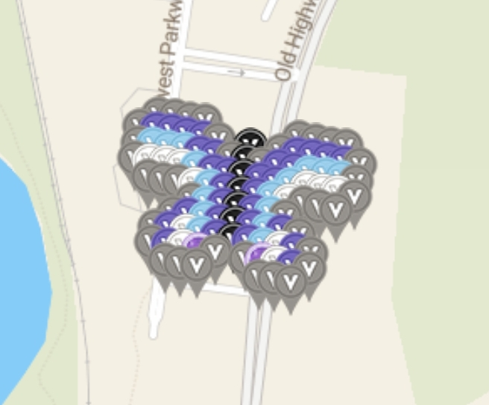
1 | 2 | 45.06983051 | -93.19431367 | gray | Westmarch | https://www.munzee.com/m/Westmarch/549/
1 | 3 | 45.06980555 | -93.19411324 | gray | Whelen | https://www.munzee.com/m/Whelen/17547/
1 | 4 | 45.0697806 | -93.19391282 | gray | danielle41101 | https://www.munzee.com/m/danielle41101/10121/
1 | 5 | 45.06975564 | -93.1937124 | gray | geomatrix | https://www.munzee.com/m/geomatrix/8126/
1 | 11 | 45.06960588 | -93.19250987 | gray | monrose | https://www.munzee.com/m/monrose/4768/
1 | 12 | 45.06958093 | -93.19230945 | gray | danielle41101 | https://www.munzee.com/m/danielle41101/10118/
1 | 13 | 45.06955597 | -93.19210903 | gray | valsey | https://www.munzee.com/m/valsey/3177/
1 | 14 | 45.06953101 | -93.19190861 | gray | RDM07 | https://www.munzee.com/m/rdm07/3163/
2 | 1 | 45.06971392 | -93.19454944 | gray | sidcup | https://www.munzee.com/m/Sidcup/
2 | 2 | 45.06968897 | -93.19434902 | blue violet | Belladivadee | Https://www.munzee.com/m/belladivadee/2371
2 | 3 | 45.06966401 | -93.1941486 | blue violet | TJACS | https://www.munzee.com/m/TJACS/4718/
2 | 4 | 45.06963905 | -93.19394817 | blue violet | Dazie62 | https://www.munzee.com/m/dazie62/4430/
2 | 5 | 45.06961409 | -93.19374775 | blue violet | pulda1 | https://www.munzee.com/m/pulda1/11546/
2 | 6 | 45.06958913 | -93.19354733 | gray | TJACS | https://www.munzee.com/m/TJACS/4723/
2 | 8 | 45.06953921 | -93.19314649 | black | mihul | https://www.munzee.com/m/mihul/2930/
2 | 10 | 45.0694893 | -93.19274565 | gray | szakica | https://www.munzee.com/m/szakica/1071/
2 | 11 | 45.06946434 | -93.19254523 | blue violet | Westmarch | https://www.munzee.com/m/Westmarch/550/
2 | 12 | 45.06943938 | -93.19234481 | blue violet | TJACS | https://www.munzee.com/m/TJACS/4725/
2 | 13 | 45.06941442 | -93.19214439 | blue violet | SKlick | https://www.munzee.com/m/SKlick/818/
2 | 14 | 45.06938946 | -93.19194397 | blue violet | justforfun33 | https://www.munzee.com/m/Justforfun33/12334/
2 | 15 | 45.0693645 | -93.19174355 | gray | TJACS | https://www.munzee.com/m/TJACS/4732/
3 | 1 | 45.06957238 | -93.19458479 | gray | valsey | https://www.munzee.com/m/valsey/3197/
3 | 2 | 45.06954742 | -93.19438437 | cornflower | RDM07 | https://www.munzee.com/m/rdm07/3170/
3 | 3 | 45.06952246 | -93.19418395 | cornflower | JABIE28 | https://www.munzee.com/m/JABIE28/2365/
3 | 4 | 45.0694975 | -93.19398353 | cornflower | SKlick | https://www.munzee.com/m/SKlick/816/
3 | 5 | 45.06947254 | -93.19378311 | blue violet | Lumen | https://www.munzee.com/m/Lumen/359/
3 | 6 | 45.06944758 | -93.19358269 | blue violet | RDM07 | https://www.munzee.com/m/rdm07/3169/
3 | 7 | 45.06942263 | -93.19338227 | gray | Valsey | https://www.munzee.com/m/valsey/3193/
3 | 8 | 45.06939767 | -93.19318184 | black | tcguru | https://www.munzee.com/m/tcguru/6622/
3 | 9 | 45.06937271 | -93.19298142 | gray | Whelen | https://www.munzee.com/m/Whelen/17447/
3 | 10 | 45.06934775 | -93.192781 | blue violet | MartyParty | https://www.munzee.com/m/MartyParty/245/
3 | 11 | 45.06932279 | -93.19258058 | blue violet | tcguru | https://www.munzee.com/m/tcguru/6626/
3 | 12 | 45.06929783 | -93.19238016 | cornflower | DisneyGirl | https://www.munzee.com/m/DisneyGirl/4479/
3 | 13 | 45.06927287 | -93.19217974 | cornflower | belladivadee | Https://www.munzee.com/m/belladivadee/2266
3 | 14 | 45.06924791 | -93.19197932 | cornflower | tcguru | https://www.munzee.com/m/tcguru/6627/
3 | 15 | 45.06922296 | -93.1917789 | gray | LFC21 | https://www.munzee.com/m/LFC21/3809/
4 | 1 | 45.06943083 | -93.19462014 | gray | danielle41101 | https://www.munzee.com/m/danielle41101/10117/
4 | 2 | 45.06940587 | -93.19441972 | white | JacquesC | https://www.munzee.com/m/JacquesC/2586/
4 | 3 | 45.06938091 | -93.1942193 | white | Whelen | https://www.munzee.com/m/Whelen/17546/
4 | 4 | 45.06935595 | -93.19401888 | white | lanyasummer | https://www.munzee.com/m/Lanyasummer/2872/
4 | 5 | 45.069331 | -93.19381846 | cornflower | danielle41101 | https://www.munzee.com/m/danielle41101/10106/
4 | 6 | 45.06930604 | -93.19361804 | blue violet | SassySilkie | https://www.munzee.com/m/SassySilkie/1052/admin/
4 | 7 | 45.06928108 | -93.19341762 | blue violet | DisneyGirl | https://www.munzee.com/m/DisneyGirl/4478/
4 | 8 | 45.06925612 | -93.1932172 | black | danielle41101 | https://www.munzee.com/m/danielle41101/10105/
4 | 9 | 45.06923116 | -93.19301678 | blue violet | Laczy76 | https://www.munzee.com/m/Laczy76/2096/
4 | 10 | 45.0692062 | -93.19281636 | blue violet | shingobee23 | https://www.munzee.com/m/shingobee23/2749/
4 | 11 | 45.06918124 | -93.19261594 | cornflower | danielle41101 | https://www.munzee.com/m/danielle41101/10067/
4 | 12 | 45.06915629 | -93.19241552 | white | RDM07 | https://www.munzee.com/m/rdm07/3167/
4 | 13 | 45.06913133 | -93.1922151 | white | MartyParty | https://www.munzee.com/m/MartyParty/240/
4 | 14 | 45.06910637 | -93.19201468 | white | danielle41101 | https://www.munzee.com/m/danielle41101/10066/
4 | 15 | 45.06908141 | -93.19181426 | gray | BrazenDidi | https://www.munzee.com/m/BrazenDidi/354/
5 | 2 | 45.06926433 | -93.19445507 | gray | DisneyGirl | https://www.munzee.com/m/DisneyGirl/4476/
5 | 3 | 45.06923937 | -93.19425465 | gray | TJACS | https://www.munzee.com/m/TJACS/4714/
5 | 4 | 45.06921441 | -93.19405423 | gray | Markkis | https://www.munzee.com/m/Markkis/2287/admin/
5 | 5 | 45.06918945 | -93.19385381 | white | geomatrix | https://www.munzee.com/m/geomatrix/7683/
5 | 6 | 45.06916449 | -93.19365339 | cornflower | TJACS | https://www.munzee.com/m/TJACS/4709/
5 | 7 | 45.06913953 | -93.19345297 | blue violet | lightek | https://www.munzee.com/m/Lightek/2012/
5 | 8 | 45.06911457 | -93.19325255 | black | bazfum | https://www.munzee.com/m/bazfum/5598/
5 | 9 | 45.06908961 | -93.19305213 | blue violet | TJACS | https://www.munzee.com/m/TJACS/4710/
5 | 10 | 45.06906466 | -93.19285171 | cornflower | shouldwood | https://www.munzee.com/m/shouldwood/824/
5 | 11 | 45.0690397 | -93.1926513 | white | geomatrix | https://www.munzee.com/m/geomatrix/7667/
5 | 12 | 45.06901474 | -93.19245088 | gray | TJACS | https://www.munzee.com/m/TJACS/4715/
5 | 13 | 45.06898978 | -93.19225046 | gray | stevenkim | https://www.munzee.com/m/stevenkim/3647
5 | 14 | 45.06896482 | -93.19205004 | gray | JacquesC | https://www.munzee.com/m/JacquesC/2573/
6 | 5 | 45.0690479 | -93.19388916 | gray | frostyiii | https://www.munzee.com/m/Frostyiii/3141/
6 | 6 | 45.06902294 | -93.19368875 | cornflower | MeanderingMonkeys | https://www.munzee.com/m/MeanderingMonkeys/13507/
6 | 7 | 45.06899798 | -93.19348833 | blue violet | Allinfunners | https://www.munzee.com/m/Allinfunners/2685/
6 | 8 | 45.06897303 | -93.19328791 | black | SKlick | https://www.munzee.com/m/SKlick/812/
6 | 9 | 45.06894807 | -93.19308749 | blue violet | Whelen | https://www.munzee.com/m/Whelen/17515/
6 | 10 | 45.06892311 | -93.19288707 | cornflower | MartyParty | https://www.munzee.com/m/MartyParty/248/
6 | 11 | 45.06889815 | -93.19268665 | gray | BituX | https://www.munzee.com/m/BituX/7976/
7 | 4 | 45.06893131 | -93.19412494 | gray | Whelen | https://www.munzee.com/m/Whelen/17545/
7 | 5 | 45.06890636 | -93.19392452 | blue violet | danielle41101 | https://www.munzee.com/m/danielle41101/10065/
7 | 6 | 45.0688814 | -93.1937241 | cornflower | Syrtene | https://www.munzee.com/m/Syrtene/1668/
7 | 7 | 45.06885644 | -93.19352368 | blue violet | dazzaf | https://www.munzee.com/m/Dazzaf/3306/
7 | 8 | 45.06883148 | -93.19332326 | black | danielle41101 | https://www.munzee.com/m/danielle41101/10047/
7 | 9 | 45.06880652 | -93.19312284 | blue violet | sidcup | https://www.munzee.com/m/Sidcup/
7 | 10 | 45.06878156 | -93.19292242 | cornflower | NoahCache | https://www.munzee.com/m/NoahCache/1656/
7 | 11 | 45.0687566 | -93.19272201 | blue violet | danielle41101 | https://www.munzee.com/m/danielle41101/10044/
7 | 12 | 45.06873164 | -93.19252159 | gray | valsey | https://www.munzee.com/m/valsey/3188/
8 | 3 | 45.06881473 | -93.19436071 | gray | TJACS | https://www.munzee.com/m/TJACS/4682/
8 | 4 | 45.06878977 | -93.19416029 | blue violet | kwd | https://www.munzee.com/m/kwd/4960
8 | 5 | 45.06876481 | -93.19395987 | white | Schrodinator | https://www.munzee.com/m/Schrodinator/628/
8 | 6 | 45.06873985 | -93.19375945 | cornflower | TJACS | https://www.munzee.com/m/TJACS/4683/
8 | 7 | 45.06871489 | -93.19355903 | blue violet | WriteAndMane | https://www.munzee.com/m/WriteAndMane/4855/
8 | 8 | 45.06868993 | -93.19335862 | black | Schrodinator | https://www.munzee.com/m/Schrodinator/635
8 | 9 | 45.06866497 | -93.1931582 | blue violet | TJACS | https://www.munzee.com/m/TJACS/4684/
8 | 10 | 45.06864002 | -93.19295778 | cornflower | WiseOldWizard | https://www.munzee.com/m/WiseOldWizard/3252/
8 | 11 | 45.06861506 | -93.19275736 | white | Schrodinator | https://www.munzee.com/m/Schrodinator/636/
8 | 12 | 45.0685901 | -93.19255694 | blue violet | TJACS | https://www.munzee.com/m/TJACS/4708/
8 | 13 | 45.06856514 | -93.19235653 | gray | geckofreund | https://www.munzee.com/m/geckofreund/2285/
9 | 3 | 45.06867318 | -93.19439606 | gray | JacquesC | https://www.munzee.com/m/JacquesC/2574/
9 | 4 | 45.06864822 | -93.19419564 | blue violet | SKlick | https://www.munzee.com/m/SKlick/804/
9 | 5 | 45.06862326 | -93.19399522 | white | tcguru | https://www.munzee.com/m/tcguru/6629/
9 | 6 | 45.0685983 | -93.1937948 | amethyst | geomatrix | https://www.munzee.com/m/geomatrix/7111/admin/
9 | 7 | 45.06857334 | -93.19359439 | gray | JABIE28 | https://www.munzee.com/m/JABIE28/2391/
9 | 9 | 45.06852343 | -93.19319355 | gray | Whelen | https://www.munzee.com/m/Whelen/17516/
9 | 10 | 45.06849847 | -93.19299313 | amethyst | Crazycolorado | https://www.munzee.com/m/Crazycolorado/1965/
9 | 11 | 45.06847351 | -93.19279272 | white | geomatrix | https://www.munzee.com/m/geomatrix/8080/
9 | 12 | 45.06844855 | -93.1925923 | blue violet | BrazenDidi | https://www.munzee.com/m/BrazenDidi/357
9 | 13 | 45.06842359 | -93.19239188 | gray | kwd | https://www.munzee.com/m/kwd/4959/
10 | 4 | 45.06850667 | -93.19423099 | gray | Whelen | https://www.munzee.com/m/Whelen/17517/
10 | 5 | 45.06848171 | -93.19403057 | gray | danielle41101 | https://www.munzee.com/m/danielle41101/10127/
10 | 6 | 45.06845676 | -93.19383016 | gray | valsey | https://www.munzee.com/m/valsey/3181/
10 | 10 | 45.06835692 | -93.19302849 | gray | shingobee23 | https://www.munzee.com/m/shingobee23/2655/
10 | 11 | 45.06833196 | -93.19282807 | gray | danielle41101 | https://www.munzee.com/m/danielle41101/10039/
10 | 12 | 45.068307 | -93.19262766 | gray | Minnie213 | https://www.munzee.com/m/Minnie213/6063

