MyGarden (2)
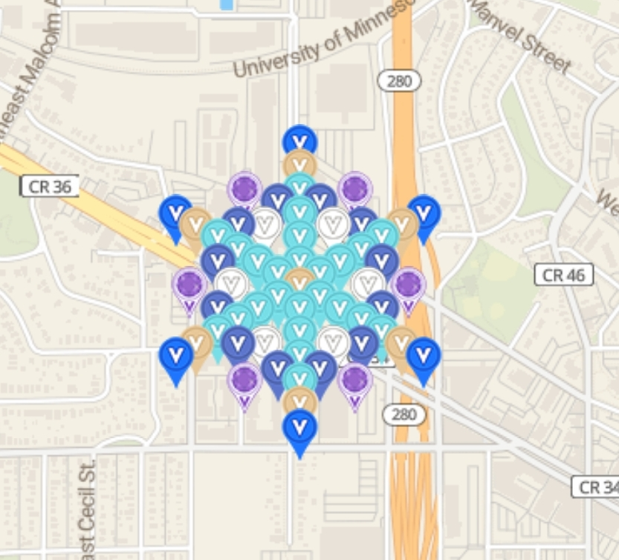
Row | Column | Latitude | Longitude | Color | Username | URL
1 | 10 | 44.9695465 | -93.20497141 | blue | geomatrix | https://www.munzee.com/m/geomatrix/7849/
1 | 28 | 44.96825292 | -93.20180454 | blue | geomatrix | https://www.munzee.com/m/geomatrix/7854/
3 | 19 | 44.96868411 | -93.20356393 | amethyst | geomatrix | https://www.munzee.com/m/geomatrix/7831/
4 | 11 | 44.9691153 | -93.20497144 | Air Mystery | geomatrix | https://www.munzee.com/m/geomatrix/6365/
4 | 26 | 44.96803732 | -93.20233239 | Air Mystery | geomatrix | https://www.munzee.com/m/geomatrix/6366/
7 | 13 | 44.96868411 | -93.20497147 | turquoise blue | geomatrix | https://www.munzee.com/m/geomatrix/6202/
7 | 16 | 44.96846852 | -93.20444366 | indigo | geomatrix | https://www.munzee.com/m/geomatrix/6414/
7 | 22 | 44.96803732 | -93.20338805 | indigo | geomatrix | https://www.munzee.com/m/geomatrix/6418/
7 | 25 | 44.96782173 | -93.20286024 | turquoise blue | geomatrix | https://www.munzee.com/m/geomatrix/6207/
9 | 19 | 44.96803732 | -93.20409181 | white | geomatrix | https://www.munzee.com/m/geomatrix/6325/
10 | 11 | 44.96846852 | -93.20549931 | indigo | geomatrix | https://www.munzee.com/m/geomatrix/6417/
10 | 14 | 44.96825292 | -93.2049715 | turquoise blue | geomatrix | https://www.munzee.com/m/geomatrix/6158/
10 | 23 | 44.96760613 | -93.20338809 | turquoise blue | geomatrix | https://www.munzee.com/m/geomatrix/6161/ | created by geomatrix
10 | 26 | 44.96739054 | -93.20286029 | indigo | geomatrix | https://www.munzee.com/m/geomatrix/6429/
11 | 7 | 44.96868411 | -93.206379 | amethyst | geomatrix | https://www.munzee.com/m/geomatrix/7744/
11 | 31 | 44.96695934 | -93.20215658 | amethyst | geomatrix | https://www.munzee.com/m/geomatrix/7925/
13 | 16 | 44.96782173 | -93.20497154 | turquoise blue | geomatrix | https://www.munzee.com/m/geomatrix/6159/
13 | 22 | 44.96739054 | -93.20391593 | turquoise blue | geomatrix | https://www.munzee.com/m/geomatrix/6164/
14 | 11 | 44.96803733 | -93.20585122 | white | geomatrix | https://www.munzee.com/m/geomatrix/6333/
14 | 26 | 44.96695935 | -93.20321222 | white | geomatrix | https://www.munzee.com/m/geomatrix/6334/
16 | 8 | 44.96803733 | -93.20655498 | indigo | geomatrix | https://www.munzee.com/m/geomatrix/6421/
16 | 17 | 44.96739054 | -93.20497157 | turquoise blue | geomatrix | https://www.munzee.com/m/geomatrix/5981/
16 | 20 | 44.96717494 | -93.20444377 | turquoise blue | geomatrix | https://www.munzee.com/m/geomatrix/5982/
16 | 29 | 44.96652815 | -93.20286039 | indigo | geomatrix | https://www.munzee.com/m/geomatrix/6430/
19 | 1 | 44.96825292 | -93.20813841 | blue | geomatrix | https://www.munzee.com/m/geomatrix/6452/
19 | 4 | 44.96803733 | -93.20761061 | Air Mystery | geomatrix | https://www.munzee.com/m/geomatrix/6363/
19 | 7 | 44.96782173 | -93.2070828 | turquoise blue | geomatrix | https://www.munzee.com/m/geomatrix/6209/
19 | 10 | 44.96760613 | -93.206555 | turquoise blue | geomatrix | https://www.munzee.com/m/geomatrix/6191/
19 | 13 | 44.96739054 | -93.2060272 | turquoise blue | geomatrix | https://www.munzee.com/m/geomatrix/6156/
19 | 16 | 44.96717494 | -93.2054994 | turquoise blue | geomatrix | https://www.munzee.com/m/geomatrix/5991/
19 | 19 | 44.96695935 | -93.20497161 | Air Mystery | geomatrix | https://www.munzee.com/m/geomatrix/7843/
19 | 22 | 44.96674375 | -93.20444381 | turquoise blue | geomatrix | https://www.munzee.com/m/geomatrix/5983/
19 | 25 | 44.96652815 | -93.20391602 | turquoise blue | geomatrix | https://www.munzee.com/m/geomatrix/5993/
19 | 28 | 44.96631256 | -93.20338823 | turquoise blue | geomatrix | https://www.munzee.com/m/geomatrix/6188/
19 | 31 | 44.96609696 | -93.20286044 | turquoise blue | geomatrix | https://www.munzee.com/m/geomatrix/6229/
19 | 34 | 44.96588137 | -93.20233266 | Air Mystery | geomatrix | https://www.munzee.com/m/geomatrix/6364/
19 | 37 | 44.96566577 | -93.20180487 | blue | MightyMommy4 | https://www.munzee.com/m/MightyMommy4/264/
22 | 8 | 44.96739054 | -93.20708283 | indigo | geomatrix | https://www.munzee.com/m/geomatrix/6437/
22 | 17 | 44.96674375 | -93.20549944 | turquoise blue | geomatrix | https://www.munzee.com/m/geomatrix/5992/
22 | 20 | 44.96652815 | -93.20497165 | turquoise blue | geomatrix | https://www.munzee.com/m/geomatrix/5990/
22 | 29 | 44.96588137 | -93.20338828 | indigo | geomatrix | https://www.munzee.com/m/geomatrix/6431/
24 | 11 | 44.96695935 | -93.20673098 | white | geomatrix | https://www.munzee.com/m/geomatrix/6374/
24 | 26 | 44.96588137 | -93.20409203 | white | geomatrix | https://www.munzee.com/m/geomatrix/6372/
25 | 16 | 44.96652815 | -93.20602726 | turquoise blue | geomatrix | https://www.munzee.com/m/geomatrix/6165/
25 | 22 | 44.96609696 | -93.20497169 | turquoise blue | geomatrix | https://www.munzee.com/m/geomatrix/6169/
27 | 7 | 44.96695935 | -93.20778659 | amethyst | geomatrix | https://www.munzee.com/m/geomatrix/7743/
27 | 31 | 44.96523458 | -93.2035643 | amethyst | geomatrix | https://www.munzee.com/m/geomatrix/7796/
28 | 11 | 44.96652815 | -93.20708288 | indigo | geomatrix | https://www.munzee.com/m/geomatrix/6440/
28 | 14 | 44.96631256 | -93.20655509 | turquoise blue | geomatrix | https://www.munzee.com/m/geomatrix/6227/
28 | 23 | 44.96566577 | -93.20497173 | turquoise blue | geomatrix | https://www.munzee.com/m/geomatrix/6228/
28 | 26 | 44.96545017 | -93.20444395 | indigo | geomatrix | https://www.munzee.com/m/geomatrix/6432/
29 | 19 | 44.96588137 | -93.20585138 | white | geomatrix | https://www.munzee.com/m/geomatrix/6373/
31 | 13 | 44.96609696 | -93.20708291 | turquoise blue | geomatrix | https://www.munzee.com/m/geomatrix/6231/
31 | 16 | 44.96588137 | -93.20655512 | indigo | geomatrix | https://www.munzee.com/m/geomatrix/6441/
31 | 22 | 44.96545017 | -93.20549955 | indigo | geomatrix | https://www.munzee.com/m/geomatrix/6444/
31 | 25 | 44.96523458 | -93.20497178 | turquoise blue | geomatrix | https://www.munzee.com/m/geomatrix/6233/
34 | 11 | 44.96588137 | -93.20761072 | Air Mystery | geomatrix | https://www.munzee.com/m/geomatrix/6368/
34 | 26 | 44.96480339 | -93.20497182 | Air Mystery | geomatrix | https://www.munzee.com/m/geomatrix/6367/
35 | 19 | 44.96523458 | -93.20637924 | amethyst | geomatrix | https://www.munzee.com/m/geomatrix/7795/
37 | 10 | 44.96566577 | -93.20813853 | blue | geomatrix | https://www.munzee.com/m/geomatrix/7922/
37 | 28 | 44.9643722 | -93.20497187 | blue | geomatrix | https://www.munzee.com/m/geomatrix/7848/

