Diagram
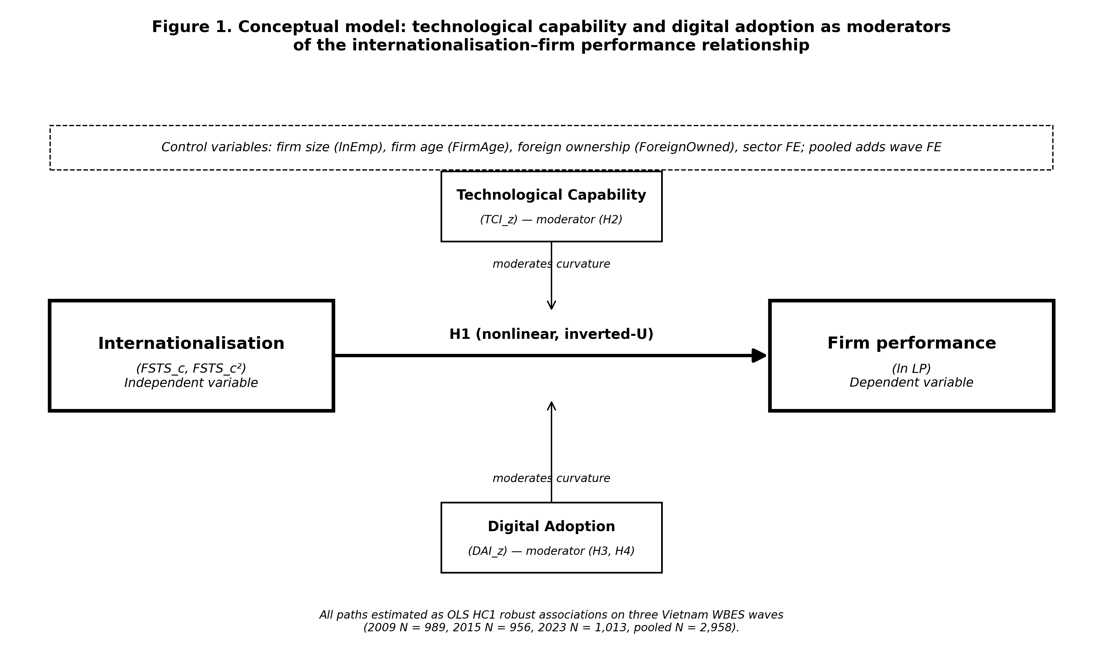
Figure 1 — rendered conceptual model (PNG)

