Chart
Figure 2a. Predicted ln(LP) across FSTS — Vietnam 2009

Turning point ≈ 46.2% (vertical reference; compare visually against the curve maximum)

Image
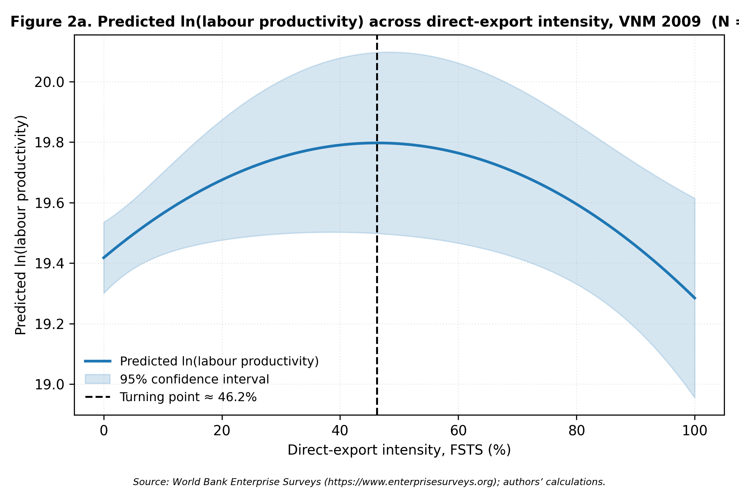
Figure 2a — rendered PNG

