Chart
Figure 2b. Predicted ln(LP) across FSTS — Vietnam 2015

Turning point ≈ 39.3% (vertical reference; compare visually against the curve maximum)

Image
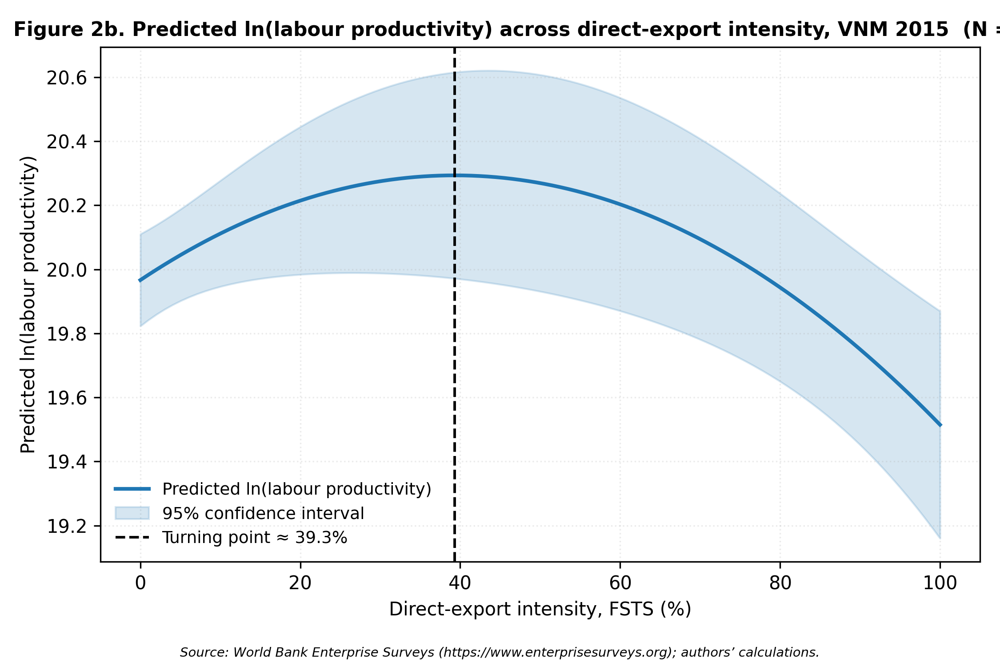
Figure 2b — rendered PNG

