Chart
Figure 2c. Predicted ln(LP) across FSTS — Vietnam 2023

Turning point ≈ 41.6% (vertical reference; compare visually against the curve maximum)

Image
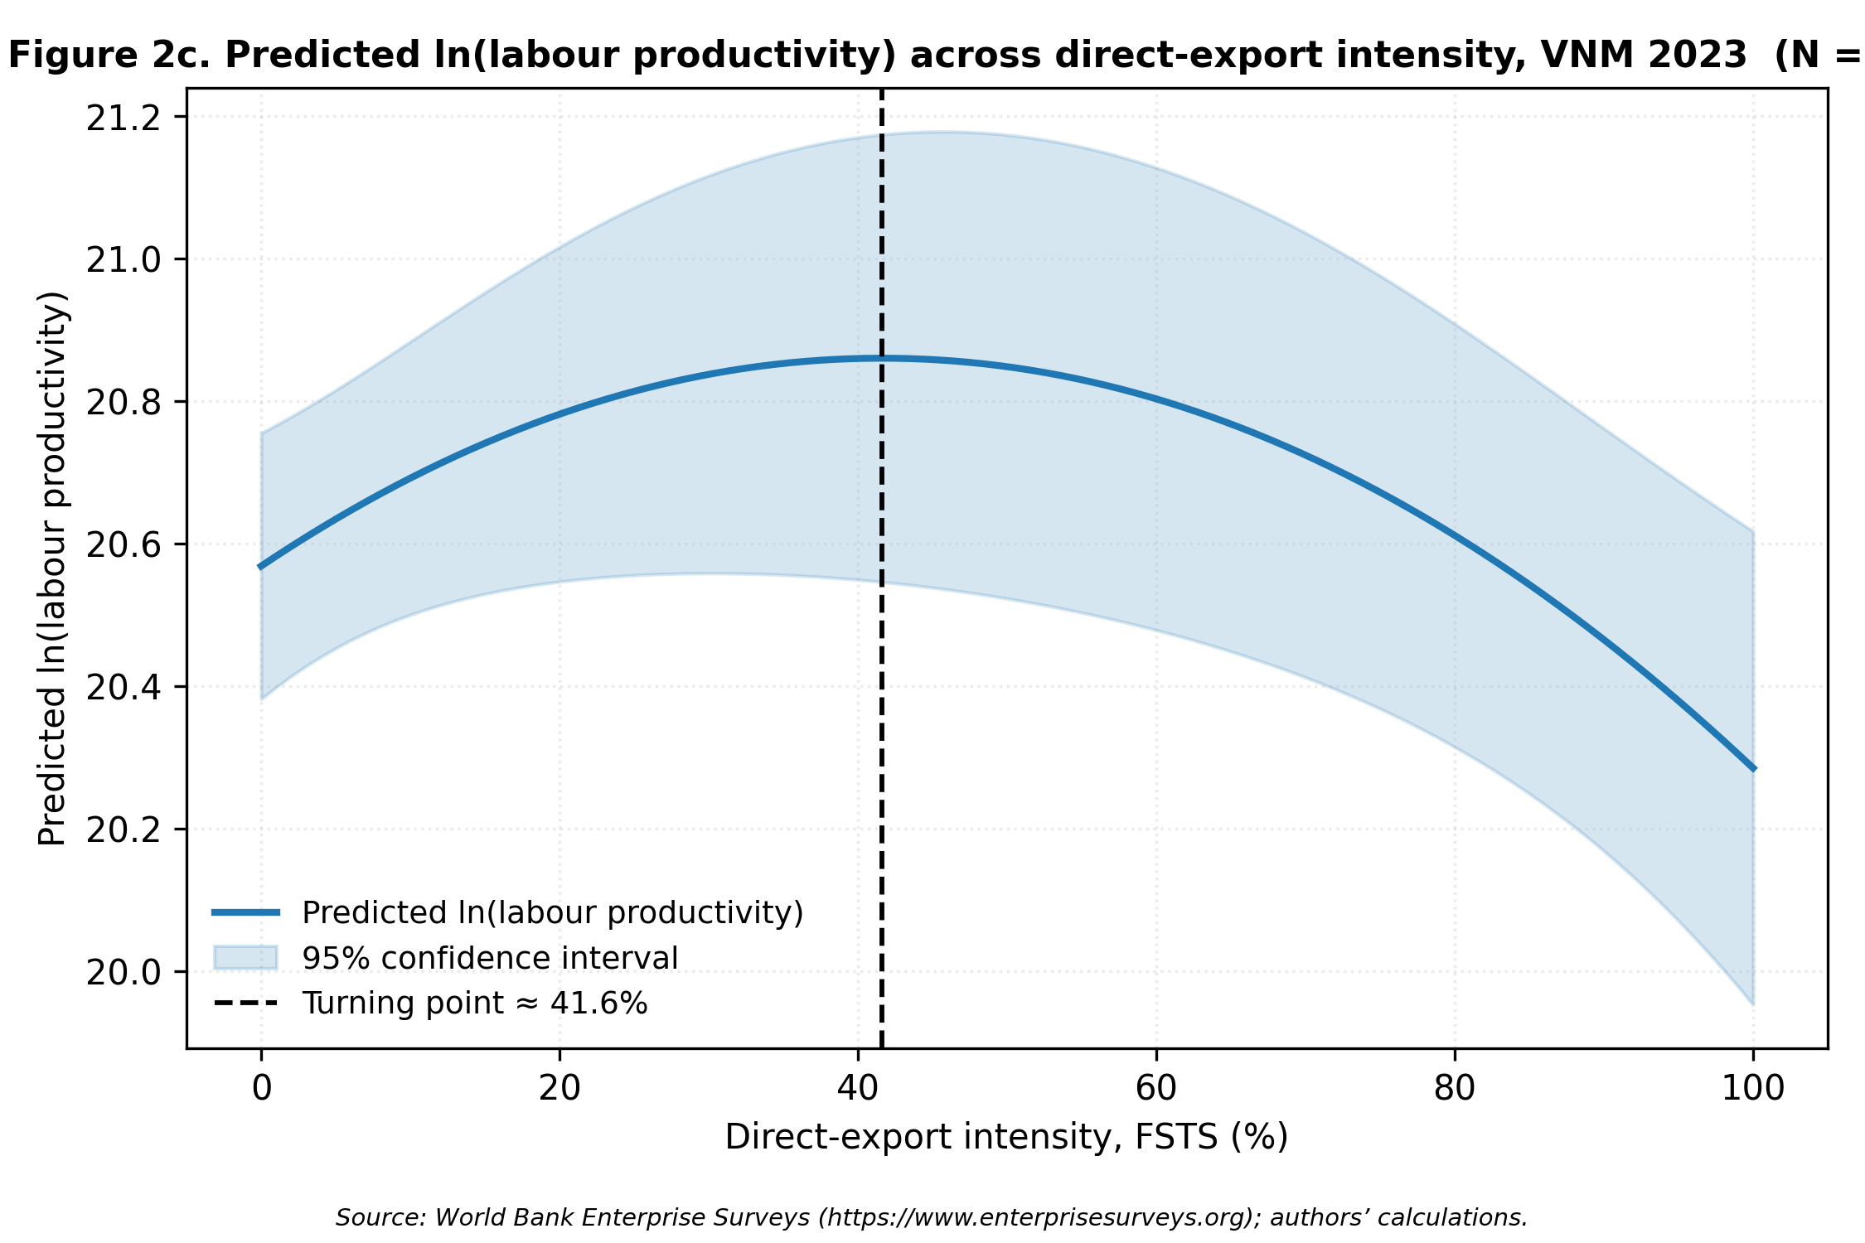
Figure 2c — rendered PNG

