Chart 3a
Figure 3a. Predicted ln(LP) by FSTS at low / high DAI_z

Chart 3b
Figure 3b. Predicted ln(LP) by FSTS at low / high TCI_z

Image
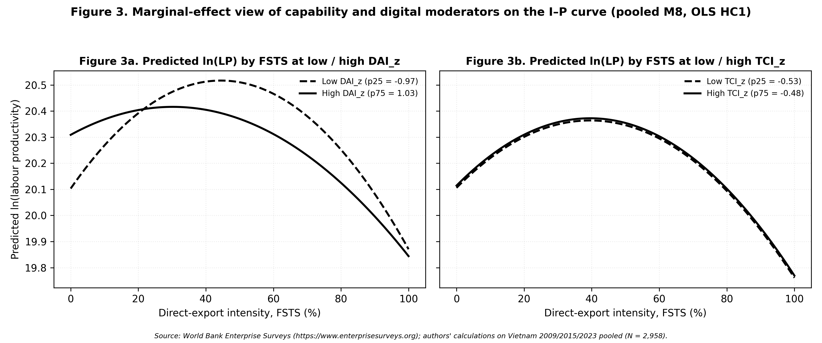
Figure 3 — rendered PNG (combined Panels 3a + 3b)

