4thread(130+tps)
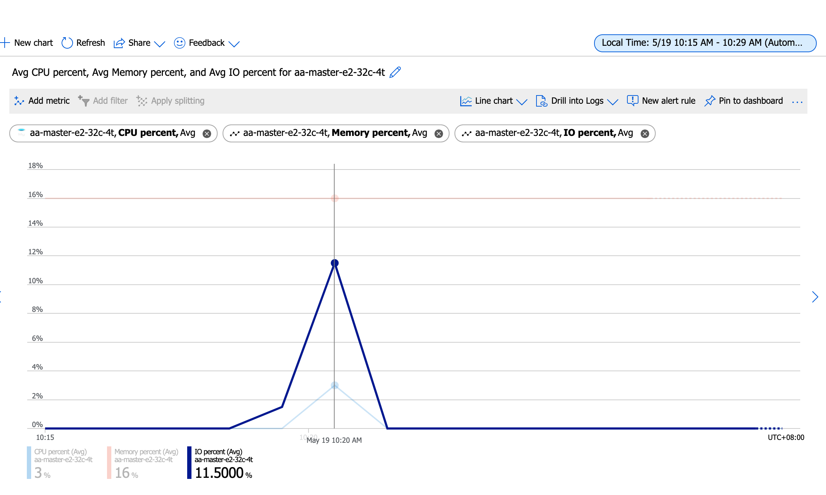
Running the test with following options:
Number of threads: 4
Report intermediate results every 10 second(s)
Initializing random number generator from current time

Initializing worker threads...

Threads started!

[ 10s ] thds: 4 tps: 133.77 qps: 2680.04 (r/w/o: 1876.21/535.89/267.94) lat (ms,95%): 37.56 err/s: 0.00 reconn/s: 0.00
[ 20s ] thds: 4 tps: 127.89 qps: 2560.83 (r/w/o: 1792.68/512.37/255.78) lat (ms,95%): 38.94 err/s: 0.00 reconn/s: 0.00
[ 30s ] thds: 4 tps: 132.61 qps: 2652.19 (r/w/o: 1856.53/530.44/265.22) lat (ms,95%): 38.94 err/s: 0.00 reconn/s: 0.00
[ 40s ] thds: 4 tps: 134.00 qps: 2678.34 (r/w/o: 1875.13/535.21/268.00) lat (ms,95%): 38.25 err/s: 0.00 reconn/s: 0.00
[ 50s ] thds: 4 tps: 133.39 qps: 2667.85 (r/w/o: 1867.49/533.57/266.78) lat (ms,95%): 40.37 err/s: 0.00 reconn/s: 0.00
[ 60s ] thds: 4 tps: 133.01 qps: 2658.88 (r/w/o: 1861.23/531.64/266.02) lat (ms,95%): 38.94 err/s: 0.00 reconn/s: 0.00
SQL statistics:
queries performed:
read: 111314
write: 31804
other: 15902
total: 159020
transactions: 7951 (132.44 per sec.)
queries: 159020 (2648.88 per sec.)
ignored errors: 0 (0.00 per sec.)
reconnects: 0 (0.00 per sec.)

General statistics:
total time: 60.0313s
total number of events: 7951

Latency (ms):
min: 16.70
avg: 30.19
max: 325.05
95th percentile: 38.94
sum: 240060.54

Threads fairness:
events (avg/stddev): 1987.7500/41.47
execution time (avg/stddev): 60.0151/0.01

huqianghui $ pt-heartbeat -D reltest --monitor -h aa-relica-e1-32c-4t.mysql.database.chinacloudapi.cn --user huqianghui@aa-relica-e1-32c-4t --password Andy@163.com --port 3306 --master-server-id 3083523708
1.58s [ 0.03s, 0.01s, 0.00s ]
1.04s [ 0.04s, 0.01s, 0.00s ]
1.69s [ 0.07s, 0.01s, 0.00s ]
2.79s [ 0.12s, 0.02s, 0.01s ]
0.79s [ 0.13s, 0.03s, 0.01s ]
0.79s [ 0.14s, 0.03s, 0.01s ]
1.79s [ 0.17s, 0.03s, 0.01s ]
1.76s [ 0.20s, 0.04s, 0.01s ]
1.82s [ 0.23s, 0.05s, 0.02s ]
1.81s [ 0.26s, 0.05s, 0.02s ]
0.93s [ 0.28s, 0.06s, 0.02s ]
1.92s [ 0.31s, 0.06s, 0.02s ]
1.79s [ 0.34s, 0.07s, 0.02s ]
1.77s [ 0.37s, 0.07s, 0.02s ]
1.71s [ 0.40s, 0.08s, 0.03s ]
1.79s [ 0.43s, 0.09s, 0.03s ]
1.99s [ 0.46s, 0.09s, 0.03s ]
1.78s [ 0.49s, 0.10s, 0.03s ]
1.78s [ 0.52s, 0.10s, 0.03s ]
2.77s [ 0.57s, 0.11s, 0.04s ]
1.45s [ 0.59s, 0.12s, 0.04s ]
2.45s [ 0.63s, 0.13s, 0.04s ]
3.45s [ 0.69s, 0.14s, 0.05s ]
2.53s [ 0.73s, 0.15s, 0.05s ]
1.79s [ 0.76s, 0.15s, 0.05s ]
1.76s [ 0.79s, 0.16s, 0.05s ]
1.76s [ 0.82s, 0.16s, 0.05s ]
1.78s [ 0.85s, 0.17s, 0.06s ]
1.74s [ 0.88s, 0.18s, 0.06s ]
1.80s [ 0.91s, 0.18s, 0.06s ]
1.77s [ 0.94s, 0.19s, 0.06s ]
1.76s [ 0.97s, 0.19s, 0.06s ]
1.98s [ 1.00s, 0.20s, 0.07s ]
1.82s [ 1.03s, 0.21s, 0.07s ]
2.82s [ 1.08s, 0.22s, 0.07s ]
2.79s [ 1.13s, 0.23s, 0.08s ]
2.51s [ 1.17s, 0.23s, 0.08s ]
2.76s [ 1.21s, 0.24s, 0.08s ]
2.81s [ 1.26s, 0.25s, 0.08s ]
2.81s [ 1.31s, 0.26s, 0.09s ]
3.13s [ 1.36s, 0.27s, 0.09s ]
3.78s [ 1.42s, 0.28s, 0.09s ]
2.92s [ 1.47s, 0.29s, 0.10s ]
2.80s [ 1.52s, 0.30s, 0.10s ]
2.85s [ 1.57s, 0.31s, 0.10s ]
3.80s [ 1.63s, 0.33s, 0.11s ]
3.09s [ 1.68s, 0.34s, 0.11s ]
2.80s [ 1.73s, 0.35s, 0.12s ]
2.80s [ 1.77s, 0.35s, 0.12s ]
2.77s [ 1.82s, 0.36s, 0.12s ]
2.95s [ 1.87s, 0.37s, 0.12s ]
2.80s [ 1.92s, 0.38s, 0.13s ]
2.77s [ 1.96s, 0.39s, 0.13s ]
0.00s [ 1.96s, 0.39s, 0.13s ]
0.84s [ 1.98s, 0.40s, 0.13s ]
0.67s [ 1.99s, 0.40s, 0.13s ]
0.14s [ 1.99s, 0.40s, 0.13s ]
1.17s [ 2.01s, 0.40s, 0.13s ]
0.00s [ 2.01s, 0.40s, 0.13s ]
1.26s [ 2.03s, 0.41s, 0.14s ]
0.00s [ 2.00s, 0.41s, 0.14s ]
0.00s [ 1.99s, 0.41s, 0.14s ]
0.00s [ 1.96s, 0.41s, 0.14s ]
0.00s [ 1.91s, 0.41s, 0.14s ]

6thread(190+tps)
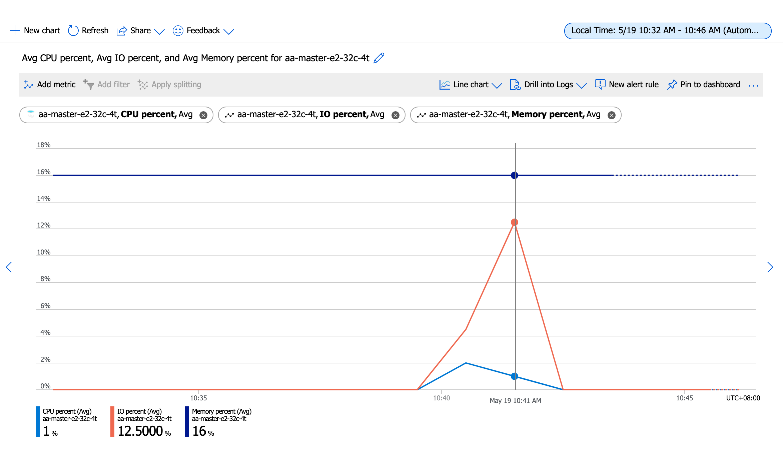
Running the test with following options:
Number of threads: 6
Report intermediate results every 10 second(s)
Initializing random number generator from current time

Initializing worker threads...

Threads started!

[ 10s ] thds: 6 tps: 193.86 qps: 3887.55 (r/w/o: 2721.80/777.43/388.31) lat (ms,95%): 39.65 err/s: 0.00 reconn/s: 0.00
[ 20s ] thds: 6 tps: 188.40 qps: 3761.77 (r/w/o: 2632.65/752.41/376.71) lat (ms,95%): 42.61 err/s: 0.00 reconn/s: 0.00
[ 30s ] thds: 6 tps: 187.80 qps: 3757.76 (r/w/o: 2630.84/751.21/375.71) lat (ms,95%): 41.85 err/s: 0.00 reconn/s: 0.00
[ 40s ] thds: 6 tps: 192.40 qps: 3853.61 (r/w/o: 2697.60/771.20/384.80) lat (ms,95%): 41.10 err/s: 0.00 reconn/s: 0.00
[ 50s ] thds: 6 tps: 193.10 qps: 3858.81 (r/w/o: 2701.01/771.60/386.20) lat (ms,95%): 43.39 err/s: 0.00 reconn/s: 0.00
[ 60s ] thds: 6 tps: 190.58 qps: 3811.00 (r/w/o: 2668.32/761.52/381.16) lat (ms,95%): 42.61 err/s: 0.00 reconn/s: 0.00
SQL statistics:
queries performed:
read: 160552
write: 45872
other: 22936
total: 229360
transactions: 11468 (191.00 per sec.)
queries: 229360 (3820.05 per sec.)
ignored errors: 0 (0.00 per sec.)
reconnects: 0 (0.00 per sec.)

General statistics:
total time: 60.0395s
total number of events: 11468

Latency (ms):
min: 16.50
avg: 31.40
max: 134.69
95th percentile: 41.85
sum: 360081.03

Threads fairness:
events (avg/stddev): 1911.3333/74.34
execution time (avg/stddev): 60.0135/0.01

huqianghui $ pt-heartbeat -D reltest --monitor -h aa-relica-e1-32c-4t.mysql.database.chinacloudapi.cn --user huqianghui@aa-relica-e1-32c-4t --password Andy@163.com --port 3306 --master-server-id 3083523708

# A software update is available:
3.82s [ 0.06s, 0.01s, 0.00s ]
4.83s [ 0.14s, 0.03s, 0.01s ]
4.80s [ 0.22s, 0.04s, 0.01s ]
5.79s [ 0.32s, 0.06s, 0.02s ]
5.80s [ 0.42s, 0.08s, 0.03s ]
6.80s [ 0.53s, 0.11s, 0.04s ]
6.14s [ 0.63s, 0.13s, 0.04s ]
7.12s [ 0.75s, 0.15s, 0.05s ]
8.13s [ 0.89s, 0.18s, 0.06s ]
7.83s [ 1.02s, 0.20s, 0.07s ]
8.80s [ 1.16s, 0.23s, 0.08s ]
8.77s [ 1.31s, 0.26s, 0.09s ]
8.80s [ 1.46s, 0.29s, 0.10s ]
9.79s [ 1.62s, 0.32s, 0.11s ]
9.81s [ 1.78s, 0.36s, 0.12s ]
10.78s [ 1.96s, 0.39s, 0.13s ]
10.79s [ 2.14s, 0.43s, 0.14s ]
10.78s [ 2.32s, 0.46s, 0.15s ]
11.79s [ 2.52s, 0.50s, 0.17s ]
11.81s [ 2.72s, 0.54s, 0.18s ]
11.79s [ 2.91s, 0.58s, 0.19s ]
12.79s [ 3.13s, 0.63s, 0.21s ]
12.80s [ 3.34s, 0.67s, 0.22s ]
13.80s [ 3.57s, 0.71s, 0.24s ]
13.81s [ 3.80s, 0.76s, 0.25s ]
13.84s [ 4.03s, 0.81s, 0.27s ]
13.83s [ 4.26s, 0.85s, 0.28s ]
14.79s [ 4.51s, 0.90s, 0.30s ]
14.80s [ 4.75s, 0.95s, 0.32s ]
15.82s [ 5.02s, 1.00s, 0.33s ]
15.75s [ 5.28s, 1.06s, 0.35s ]
15.80s [ 5.54s, 1.11s, 0.37s ]
15.81s [ 5.81s, 1.16s, 0.39s ]
16.81s [ 6.09s, 1.22s, 0.41s ]
16.81s [ 6.37s, 1.27s, 0.42s ]
16.82s [ 6.65s, 1.33s, 0.44s ]
17.81s [ 6.94s, 1.39s, 0.46s ]
17.80s [ 7.24s, 1.45s, 0.48s ]
17.81s [ 7.54s, 1.51s, 0.50s ]
17.80s [ 7.83s, 1.57s, 0.52s ]
18.83s [ 8.15s, 1.63s, 0.54s ]
18.79s [ 8.46s, 1.69s, 0.56s ]
18.80s [ 8.77s, 1.75s, 0.58s ]
19.81s [ 9.11s, 1.82s, 0.61s ]
19.81s [ 9.44s, 1.89s, 0.63s ]
20.09s [ 9.77s, 1.95s, 0.65s ]
20.12s [ 10.11s, 2.02s, 0.67s ]
20.80s [ 10.45s, 2.09s, 0.70s ]
21.06s [ 10.80s, 2.16s, 0.72s ]
20.80s [ 11.15s, 2.23s, 0.74s ]
21.78s [ 11.51s, 2.30s, 0.77s ]
20.97s [ 11.86s, 2.37s, 0.79s ]
21.95s [ 12.23s, 2.45s, 0.82s ]
21.80s [ 12.59s, 2.52s, 0.84s ]
21.81s [ 12.95s, 2.59s, 0.86s ]
22.13s [ 13.32s, 2.66s, 0.89s ]
22.88s [ 13.70s, 2.74s, 0.91s ]
22.78s [ 14.08s, 2.82s, 0.94s ]
22.81s [ 14.46s, 2.89s, 0.96s ]
23.79s [ 14.86s, 2.97s, 0.99s ]
24.53s [ 15.21s, 3.05s, 1.02s ]
25.21s [ 15.55s, 3.14s, 1.05s ]
25.03s [ 15.88s, 3.22s, 1.07s ]
24.80s [ 16.20s, 3.30s, 1.10s ]
24.80s [ 16.52s, 3.39s, 1.13s ]
24.80s [ 16.82s, 3.47s, 1.16s ]
25.82s [ 17.14s, 3.56s, 1.19s ]
25.79s [ 17.46s, 3.64s, 1.21s ]
25.72s [ 17.75s, 3.73s, 1.24s ]
26.73s [ 18.06s, 3.82s, 1.27s ] | 19S追齐
27.73s [ 18.38s, 3.91s, 1.30s ]
26.78s [ 18.68s, 4.00s, 1.33s ]
26.78s [ 18.98s, 4.09s, 1.36s ]
27.80s [ 19.28s, 4.18s, 1.39s ]
28.79s [ 19.60s, 4.28s, 1.43s ]
27.46s [ 19.87s, 4.37s, 1.46s ]
28.49s [ 20.17s, 4.46s, 1.49s ]
27.81s [ 20.45s, 4.56s, 1.52s ]
26.81s [ 20.70s, 4.64s, 1.55s ]
0.00s [ 20.51s, 4.64s, 1.55s ]
0.00s [ 20.31s, 4.64s, 1.55s ]
0.00s [ 20.10s, 4.64s, 1.55s ]

8thread(240+tps)
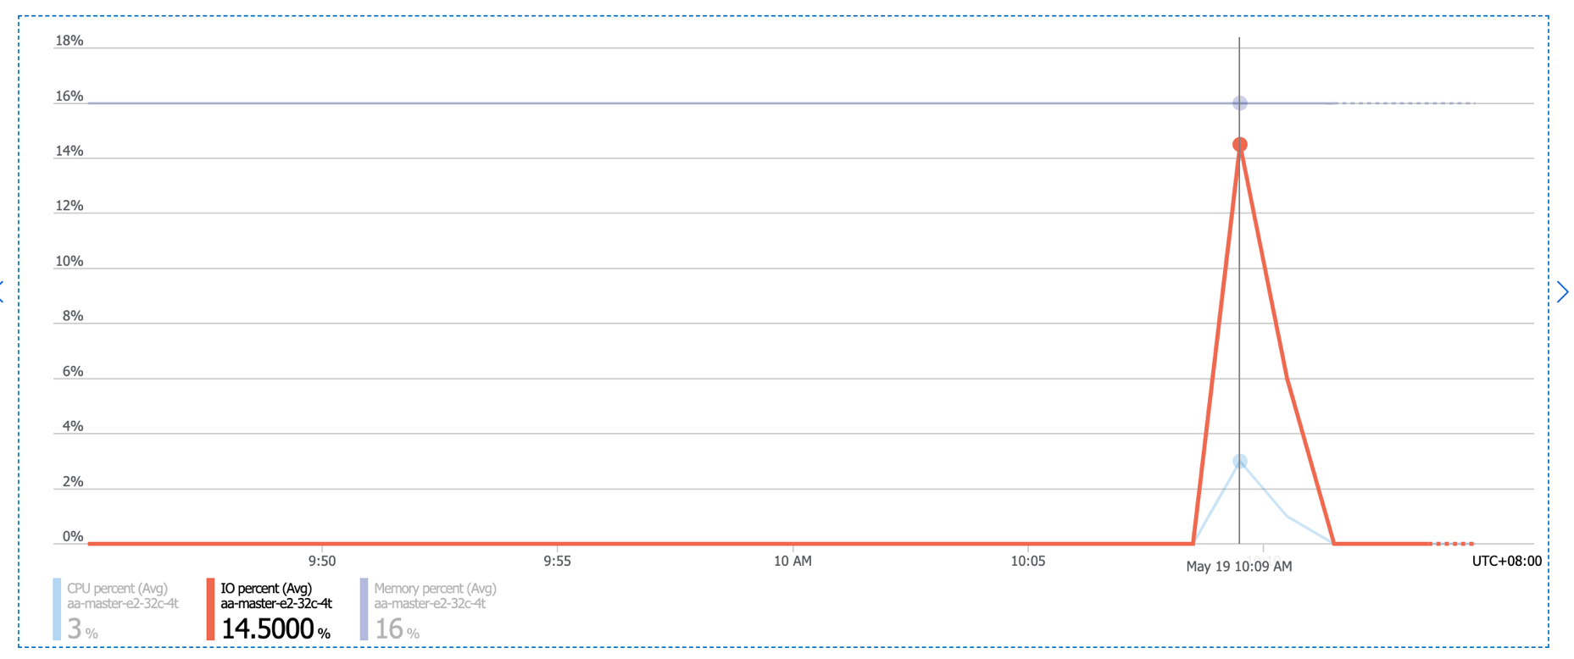
Running the test with following options:
Number of threads: 8
Report intermediate results every 10 second(s)
Initializing random number generator from current time

Initializing worker threads...

Threads started!

[ 10s ] thds: 8 tps: 252.04 qps: 5054.47 (r/w/o: 3539.01/1010.57/504.89) lat (ms,95%): 41.85 err/s: 0.00 reconn/s: 0.00
[ 20s ] thds: 8 tps: 246.91 qps: 4939.79 (r/w/o: 3457.53/988.44/493.82) lat (ms,95%): 43.39 err/s: 0.00 reconn/s: 0.00
[ 30s ] thds: 8 tps: 236.00 qps: 4719.80 (r/w/o: 3304.00/943.80/472.00) lat (ms,95%): 47.47 err/s: 0.00 reconn/s: 0.00
[ 40s ] thds: 8 tps: 229.54 qps: 4588.84 (r/w/o: 3213.48/916.27/459.08) lat (ms,95%): 49.21 err/s: 0.00 reconn/s: 0.00
[ 50s ] thds: 8 tps: 241.25 qps: 4827.22 (r/w/o: 3377.61/967.10/482.50) lat (ms,95%): 45.79 err/s: 0.00 reconn/s: 0.00
[ 60s ] thds: 8 tps: 242.71 qps: 4853.73 (r/w/o: 3397.86/970.45/485.42) lat (ms,95%): 45.79 err/s: 0.00 reconn/s: 0.00
SQL statistics:
queries performed:
read: 202902
write: 57972
other: 28986
total: 289860
transactions: 14493 (241.43 per sec.)
queries: 289860 (4828.69 per sec.)
ignored errors: 0 (0.00 per sec.)
reconnects: 0 (0.00 per sec.)

General statistics:
total time: 60.0246s
total number of events: 14493

Latency (ms):
min: 15.58
avg: 33.13
max: 351.23
95th percentile: 45.79
sum: 480086.62

Threads fairness:
events (avg/stddev): 1811.6250/41.12
execution time (avg/stddev): 60.0108/0.00

huqianghui $ pt-heartbeat -D reltest --monitor -h aa-relica-e1-32c-4t.mysql.database.chinacloudapi.cn --user huqianghui@aa-relica-e1-32c-4t --password Andy@163.com --port 3306 --master-server-id 3083523708
4.77s [ 0.08s, 0.02s, 0.01s ]
5.77s [ 0.18s, 0.04s, 0.01s ]
5.77s [ 0.27s, 0.05s, 0.02s ]
6.77s [ 0.38s, 0.08s, 0.03s ]
6.78s [ 0.50s, 0.10s, 0.03s ]
7.78s [ 0.63s, 0.13s, 0.04s ]
7.81s [ 0.76s, 0.15s, 0.05s ]
8.84s [ 0.90s, 0.18s, 0.06s ]
9.81s [ 1.07s, 0.21s, 0.07s ]
10.81s [ 1.25s, 0.25s, 0.08s ]
9.54s [ 1.41s, 0.28s, 0.09s ]
10.53s [ 1.58s, 0.32s, 0.11s ]
11.12s [ 1.77s, 0.35s, 0.12s ]
11.05s [ 1.95s, 0.39s, 0.13s ]
11.80s [ 2.15s, 0.43s, 0.14s ]
11.80s [ 2.35s, 0.47s, 0.16s ]
13.13s [ 2.56s, 0.51s, 0.17s ]
12.75s [ 2.78s, 0.56s, 0.19s ]
13.75s [ 3.01s, 0.60s, 0.20s ]
14.75s [ 3.25s, 0.65s, 0.22s ]
13.92s [ 3.48s, 0.70s, 0.23s ]
14.94s [ 3.73s, 0.75s, 0.25s ]
14.81s [ 3.98s, 0.80s, 0.27s ]
15.47s [ 4.24s, 0.85s, 0.28s ]
16.30s [ 4.51s, 0.90s, 0.30s ]
15.86s [ 4.77s, 0.95s, 0.32s ]
16.83s [ 5.05s, 1.01s, 0.34s ]
17.78s [ 5.35s, 1.07s, 0.36s ]
17.32s [ 5.64s, 1.13s, 0.38s ]
17.90s [ 5.94s, 1.19s, 0.40s ]
18.89s [ 6.25s, 1.25s, 0.42s ]
19.91s [ 6.58s, 1.32s, 0.44s ]
20.89s [ 6.93s, 1.39s, 0.46s ]
18.97s [ 7.25s, 1.45s, 0.48s ]
19.09s [ 7.57s, 1.51s, 0.50s ]
19.79s [ 7.90s, 1.58s, 0.53s ]
19.78s [ 8.23s, 1.65s, 0.55s ]
19.78s [ 8.56s, 1.71s, 0.57s ]
20.77s [ 8.90s, 1.78s, 0.59s ]
20.79s [ 9.25s, 1.85s, 0.62s ]
20.79s [ 9.60s, 1.92s, 0.64s ]
21.81s [ 9.96s, 1.99s, 0.66s ]
21.79s [ 10.32s, 2.06s, 0.69s ]
21.79s [ 10.69s, 2.14s, 0.71s ]
22.79s [ 11.07s, 2.21s, 0.74s ]
23.78s [ 11.46s, 2.29s, 0.76s ]
23.11s [ 11.85s, 2.37s, 0.79s ]
24.11s [ 12.25s, 2.45s, 0.82s ]
25.11s [ 12.67s, 2.53s, 0.84s ]
23.98s [ 13.07s, 2.61s, 0.87s ]
24.99s [ 13.48s, 2.70s, 0.90s ]
24.59s [ 13.89s, 2.78s, 0.93s ]
25.59s [ 14.32s, 2.86s, 0.95s ]
24.67s [ 14.73s, 2.95s, 0.98s ]
25.67s [ 15.16s, 3.03s, 1.01s ]
26.67s [ 15.60s, 3.12s, 1.04s ]
25.52s [ 16.03s, 3.21s, 1.07s ]
25.76s [ 16.46s, 3.29s, 1.10s ]
26.77s [ 16.90s, 3.38s, 1.13s ]
26.81s [ 17.35s, 3.47s, 1.16s ]
26.77s [ 17.72s, 3.56s, 1.19s ]
26.84s [ 18.07s, 3.65s, 1.22s ]
27.73s [ 18.43s, 3.74s, 1.25s ]
28.76s [ 18.80s, 3.84s, 1.28s ]
29.74s [ 19.18s, 3.94s, 1.31s ]
27.82s [ 19.52s, 4.03s, 1.34s ]
28.82s [ 19.87s, 4.13s, 1.38s ]
28.79s [ 20.20s, 4.22s, 1.41s ]
28.78s [ 20.52s, 4.32s, 1.44s ]
29.79s [ 20.83s, 4.42s, 1.47s ]
29.79s [ 21.17s, 4.52s, 1.51s ]
29.78s [ 21.49s, 4.61s, 1.54s ]
29.80s [ 21.80s, 4.71s, 1.57s ]
30.80s [ 22.13s, 4.82s, 1.61s ] | 27秒追齐
30.78s [ 22.45s, 4.92s, 1.64s ]
30.77s [ 22.76s, 5.02s, 1.67s ]
32.19s [ 23.08s, 5.13s, 1.71s ]
31.81s [ 23.40s, 5.24s, 1.75s ]
32.10s [ 23.70s, 5.34s, 1.78s ]
32.78s [ 24.01s, 5.45s, 1.82s ]
32.76s [ 24.32s, 5.56s, 1.85s ]
32.74s [ 24.62s, 5.67s, 1.89s ]
33.75s [ 24.93s, 5.78s, 1.93s ]
33.78s [ 25.24s, 5.89s, 1.96s ]
33.77s [ 25.53s, 6.01s, 2.00s ]
34.75s [ 25.84s, 6.12s, 2.04s ]
34.77s [ 26.14s, 6.24s, 2.08s ]
0.00s [ 25.85s, 6.24s, 2.08s ]
0.00s [ 25.56s, 6.24s, 2.08s ]
0.00s [ 25.26s, 6.24s, 2.08s ]

