32thread(670+tps)
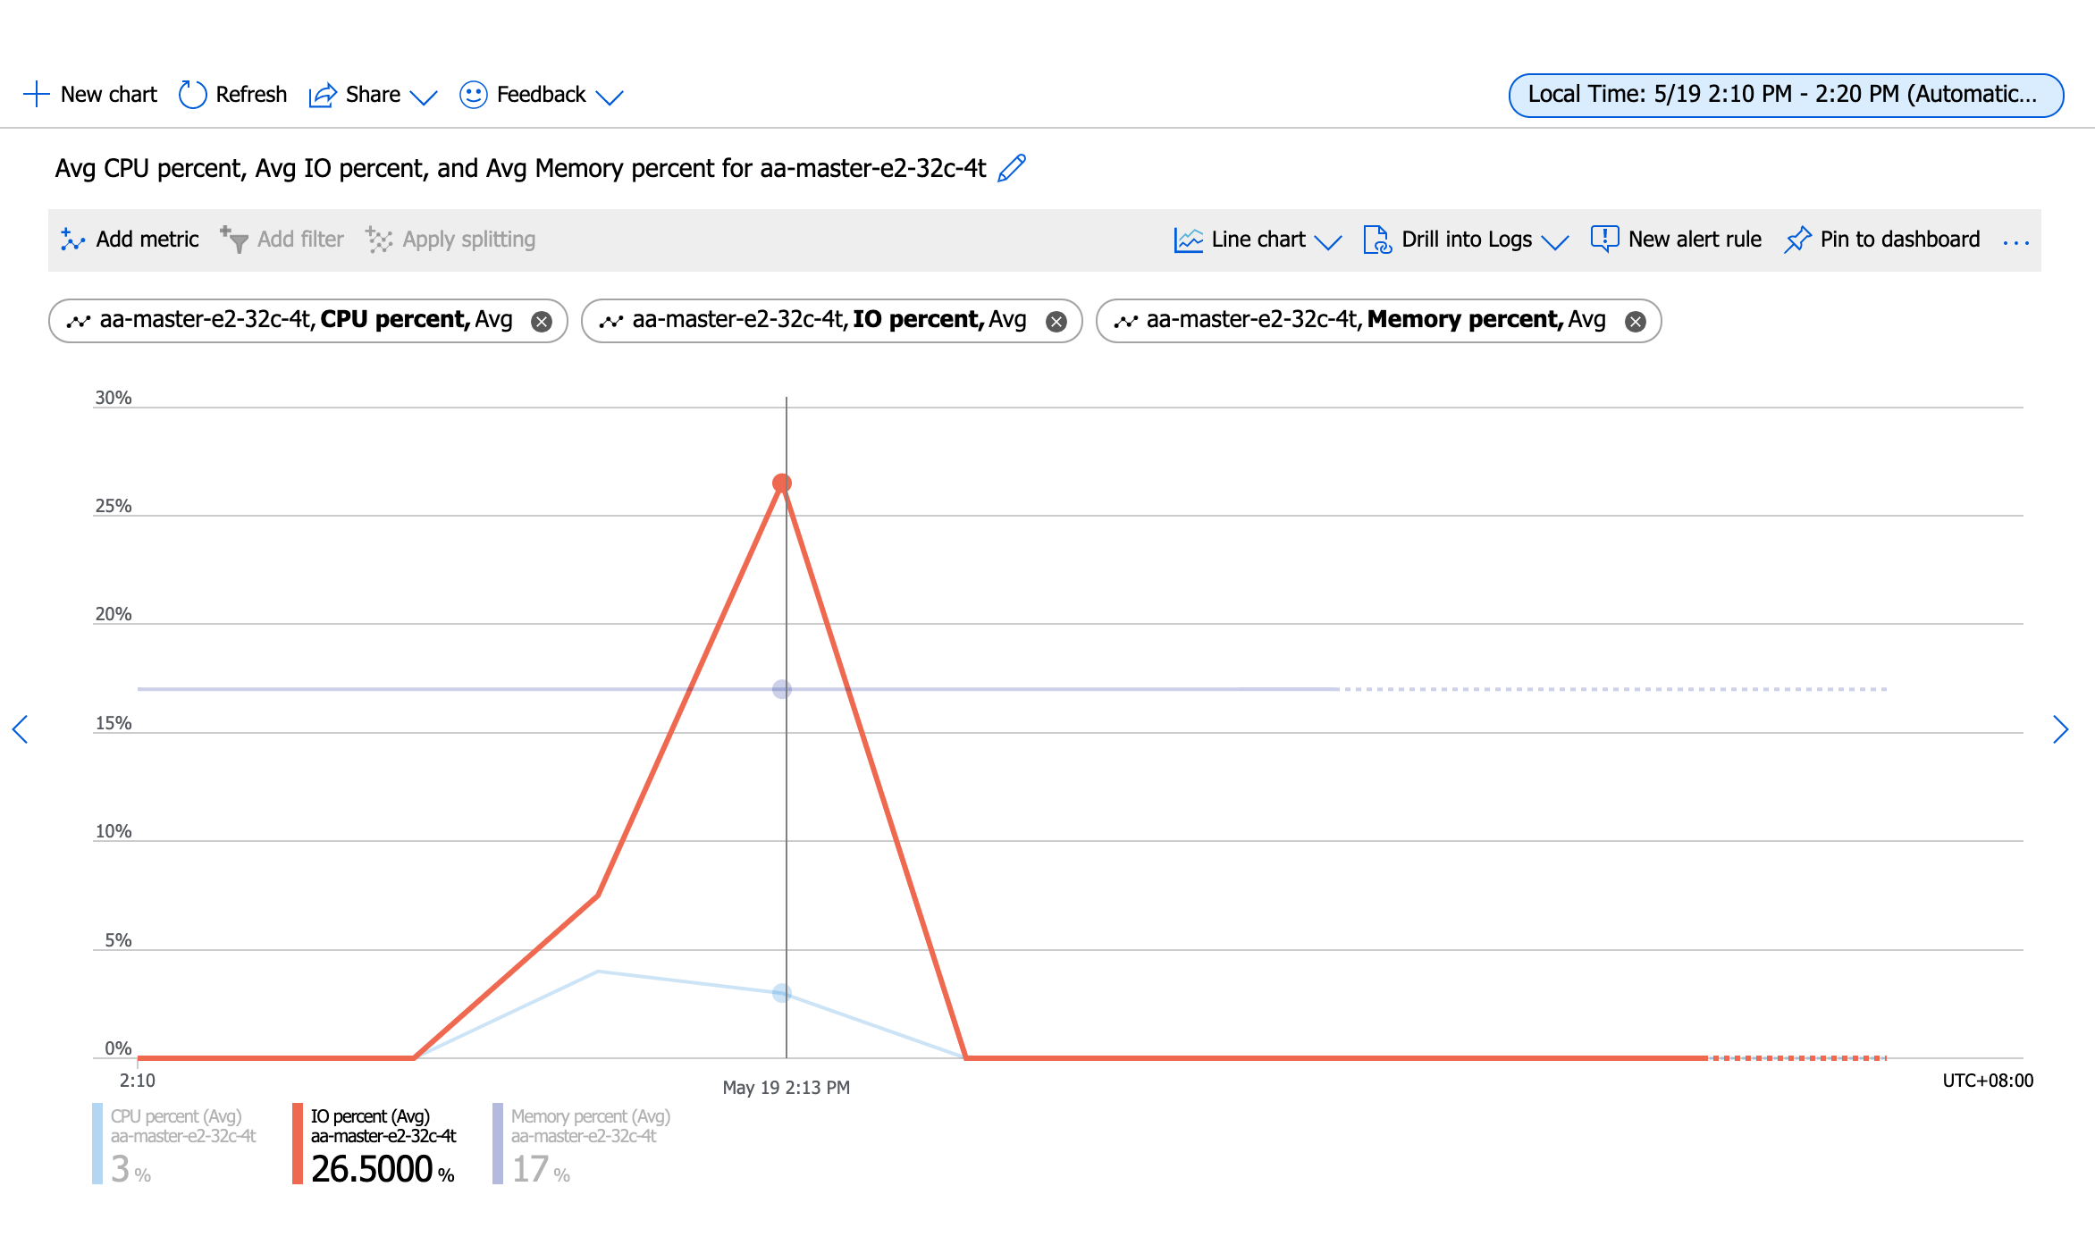
Number of threads: 32
Report intermediate results every 10 second(s)
Initializing random number generator from current time

Initializing worker threads...

Threads started!

[ 10s ] thds: 32 tps: 717.45 qps: 14394.56 (r/w/o: 10077.87/2879.39/1437.30) lat (ms,95%): 66.84 err/s: 0.00 reconn/s: 0.00
[ 20s ] thds: 32 tps: 655.84 qps: 13130.49 (r/w/o: 9191.92/2626.08/1312.49) lat (ms,95%): 74.46 err/s: 0.00 reconn/s: 0.00
[ 30s ] thds: 32 tps: 673.16 qps: 13464.72 (r/w/o: 9425.28/2693.12/1346.31) lat (ms,95%): 82.96 err/s: 0.00 reconn/s: 0.00
[ 40s ] thds: 32 tps: 673.94 qps: 13478.82 (r/w/o: 9435.17/2695.76/1347.88) lat (ms,95%): 86.00 err/s: 0.00 reconn/s: 0.00
[ 50s ] thds: 32 tps: 696.28 qps: 13925.67 (r/w/o: 9747.97/2785.13/1392.57) lat (ms,95%): 82.96 err/s: 0.00 reconn/s: 0.00
[ 60s ] thds: 32 tps: 678.14 qps: 13537.54 (r/w/o: 9475.09/2706.17/1356.28) lat (ms,95%): 82.96 err/s: 0.00 reconn/s: 0.00
SQL statistics:
queries performed:
read: 573748
write: 163928
other: 81964
total: 819640
transactions: 40982 (682.58 per sec.)
queries: 819640 (13651.61 per sec.)
ignored errors: 0 (0.00 per sec.)
reconnects: 0 (0.00 per sec.)

General statistics:
total time: 60.0375s
total number of events: 40982

Latency (ms):
min: 15.92
avg: 46.86
max: 370.07
95th percentile: 78.60
sum: 1920618.25

Threads fairness:
events (avg/stddev): 1280.6875/28.36
execution time (avg/stddev): 60.0193/0.01

huqianghui $ pt-heartbeat -D reltest --monitor -h aa-relica-e1-32c-4t.mysql.database.chinacloudapi.cn --user huqianghui@aa-relica-e1-32c-4t --password Andy@163.com --port 3306 --master-server-id 3083523708
0.00s [ 0.00s, 0.00s, 0.00s ]
0.00s [ 0.00s, 0.00s, 0.00s ]
0.00s [ 0.00s, 0.00s, 0.00s ]
0.00s [ 0.00s, 0.00s, 0.00s ]
0.00s [ 0.00s, 0.00s, 0.00s ]
0.00s [ 0.00s, 0.00s, 0.00s ]
0.00s [ 0.00s, 0.00s, 0.00s ]
0.00s [ 0.00s, 0.00s, 0.00s ]
0.00s [ 0.00s, 0.00s, 0.00s ]
0.00s [ 0.00s, 0.00s, 0.00s ]
0.00s [ 0.00s, 0.00s, 0.00s ]
0.00s [ 0.00s, 0.00s, 0.00s ]
0.00s [ 0.00s, 0.00s, 0.00s ]
0.00s [ 0.00s, 0.00s, 0.00s ]
0.00s [ 0.00s, 0.00s, 0.00s ]
0.00s [ 0.00s, 0.00s, 0.00s ]
0.00s [ 0.00s, 0.00s, 0.00s ]
0.51s [ 0.01s, 0.00s, 0.00s ]
1.80s [ 0.04s, 0.01s, 0.00s ]
0.00s [ 0.04s, 0.01s, 0.00s ]
0.00s [ 0.04s, 0.01s, 0.00s ]
0.00s [ 0.04s, 0.01s, 0.00s ]
0.00s [ 0.04s, 0.01s, 0.00s ]
0.77s [ 0.05s, 0.01s, 0.00s ]
0.00s [ 0.05s, 0.01s, 0.00s ]
0.00s [ 0.05s, 0.01s, 0.00s ]
0.00s [ 0.05s, 0.01s, 0.00s ]
0.83s [ 0.07s, 0.01s, 0.00s ]
0.00s [ 0.07s, 0.01s, 0.00s ]
0.00s [ 0.07s, 0.01s, 0.00s ]
0.00s [ 0.07s, 0.01s, 0.00s ]
0.00s [ 0.07s, 0.01s, 0.00s ]
0.00s [ 0.07s, 0.01s, 0.00s ]
0.00s [ 0.07s, 0.01s, 0.00s ]
0.00s [ 0.07s, 0.01s, 0.00s ]
0.00s [ 0.07s, 0.01s, 0.00s ]
0.00s [ 0.07s, 0.01s, 0.00s ]
0.00s [ 0.07s, 0.01s, 0.00s ]
0.00s [ 0.07s, 0.01s, 0.00s ]
0.00s [ 0.07s, 0.01s, 0.00s ]
0.73s [ 0.08s, 0.02s, 0.01s ]
1.73s [ 0.11s, 0.02s, 0.01s ]
0.00s [ 0.11s, 0.02s, 0.01s ]
0.00s [ 0.11s, 0.02s, 0.01s ]
0.00s [ 0.11s, 0.02s, 0.01s ]
0.00s [ 0.11s, 0.02s, 0.01s ]
0.11s [ 0.11s, 0.02s, 0.01s ]
1.43s [ 0.13s, 0.03s, 0.01s ]
1.82s [ 0.16s, 0.03s, 0.01s ]
0.00s [ 0.16s, 0.03s, 0.01s ]
0.00s [ 0.16s, 0.03s, 0.01s ]
0.00s [ 0.16s, 0.03s, 0.01s ]

40thread(1070+tps)
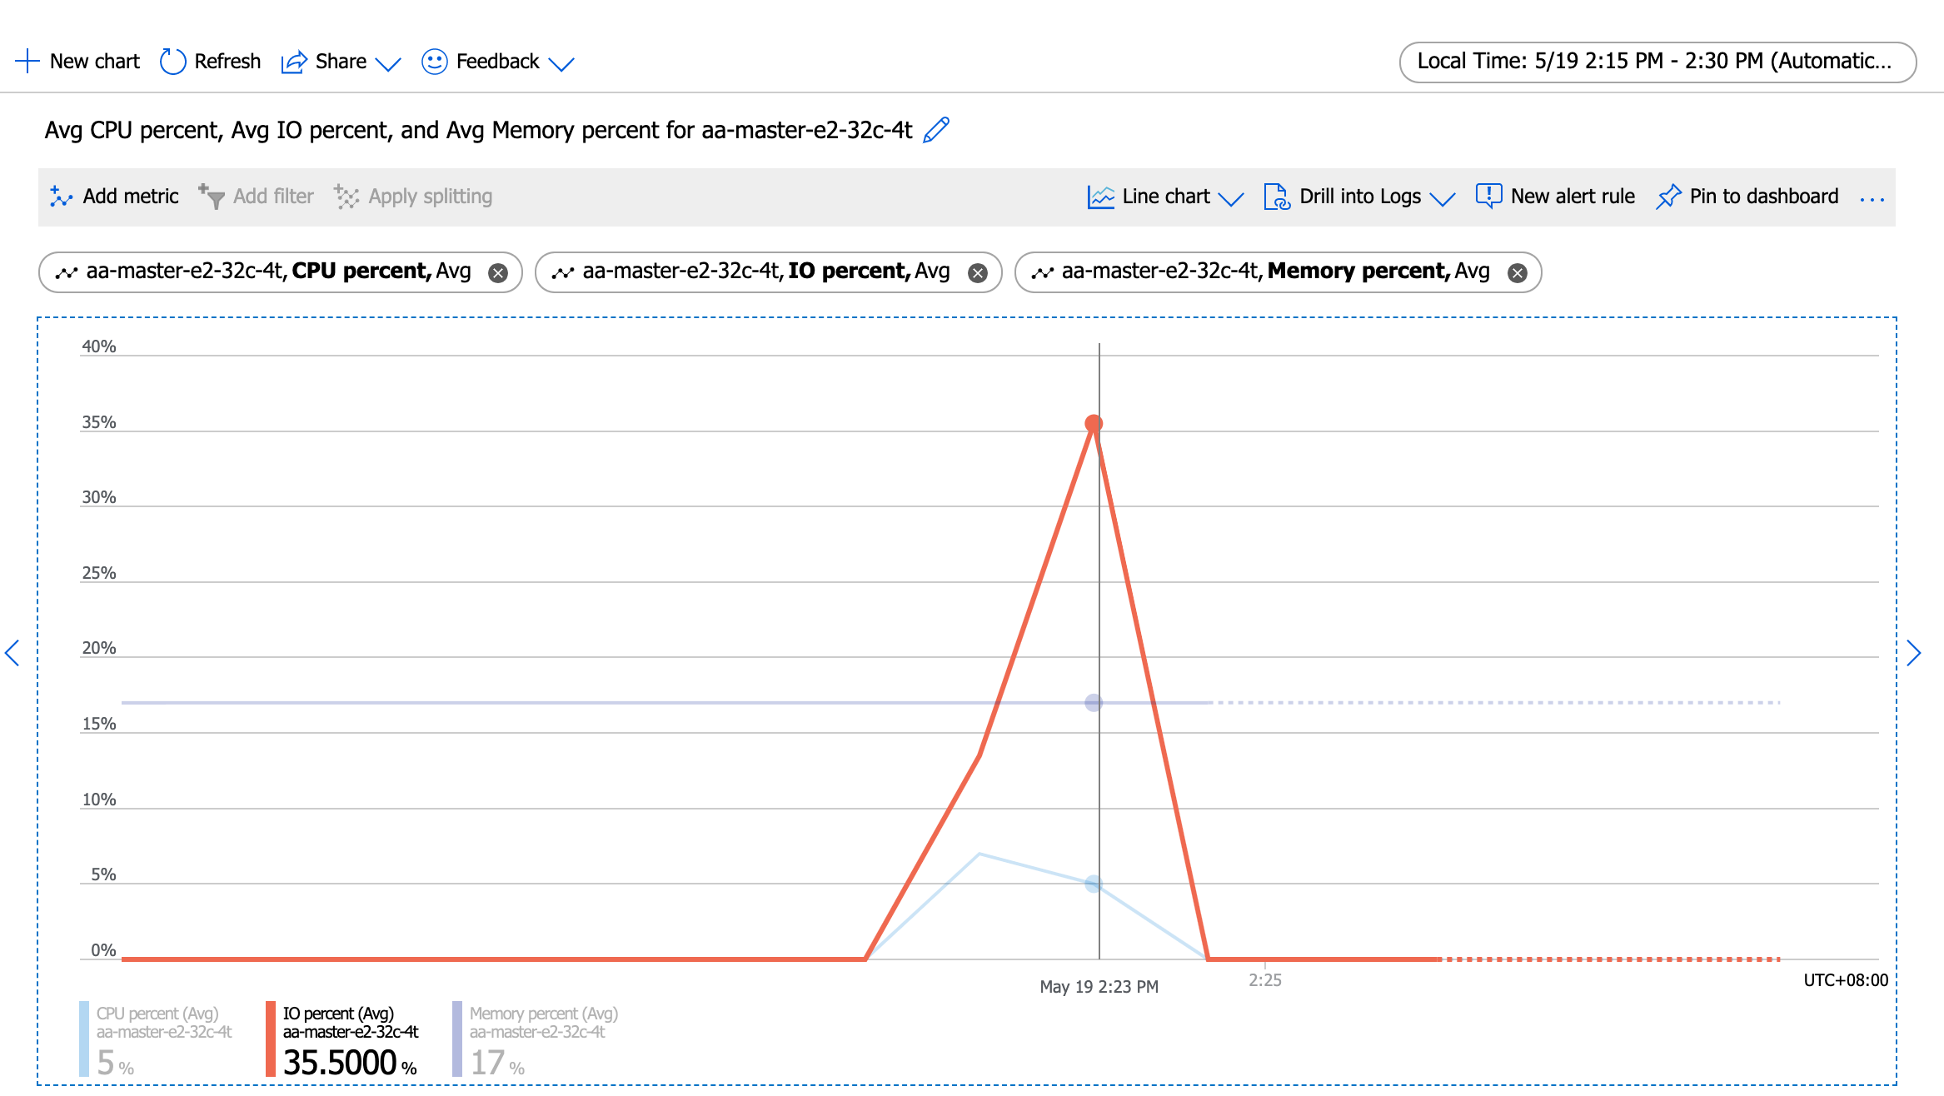
Running the test with following options:
Number of threads: 40
Report intermediate results every 10 second(s)
Initializing random number generator from current time

Initializing worker threads...

Threads started!

[ 10s ] thds: 40 tps: 1149.76 qps: 23070.79 (r/w/o: 16152.56/4614.72/2303.51) lat (ms,95%): 47.47 err/s: 0.00 reconn/s: 0.00
[ 20s ] thds: 40 tps: 1118.33 qps: 22364.72 (r/w/o: 15655.23/4472.92/2236.56) lat (ms,95%): 51.02 err/s: 0.00 reconn/s: 0.00
[ 30s ] thds: 40 tps: 1083.60 qps: 21674.12 (r/w/o: 15171.74/4335.08/2167.29) lat (ms,95%): 55.82 err/s: 0.00 reconn/s: 0.00
[ 40s ] thds: 40 tps: 1077.15 qps: 21501.49 (r/w/o: 15051.39/4295.80/2154.30) lat (ms,95%): 55.82 err/s: 0.00 reconn/s: 0.00
[ 50s ] thds: 40 tps: 1071.86 qps: 21466.92 (r/w/o: 15026.15/4297.04/2143.72) lat (ms,95%): 54.83 err/s: 0.00 reconn/s: 0.00
[ 60s ] thds: 40 tps: 1068.36 qps: 21375.63 (r/w/o: 14964.29/4274.63/2136.71) lat (ms,95%): 55.82 err/s: 0.00 reconn/s: 0.00
SQL statistics:
queries performed:
read: 920262
write: 262932
other: 131466
total: 1314660
transactions: 65733 (1095.09 per sec.)
queries: 1314660 (21901.84 per sec.)
ignored errors: 0 (0.00 per sec.)
reconnects: 0 (0.00 per sec.)

General statistics:
total time: 60.0232s
total number of events: 65733

Latency (ms):
min: 15.45
avg: 36.51
max: 603.90
95th percentile: 53.85
sum: 2400138.12

Threads fairness:
events (avg/stddev): 1643.3250/34.50
execution time (avg/stddev): 60.0035/0.01

huqianghui $ pt-heartbeat -D reltest --monitor -h aa-relica-e1-32c-4t.mysql.database.chinacloudapi.cn --user huqianghui@aa-relica-e1-32c-4t --password Andy@163.com --port 3306 --master-server-id 3083523708
0.00s [ 0.00s, 0.00s, 0.00s ]
0.80s [ 0.01s, 0.00s, 0.00s ]
1.82s [ 0.04s, 0.01s, 0.00s ]
1.69s [ 0.07s, 0.01s, 0.00s ]
1.82s [ 0.10s, 0.02s, 0.01s ]
1.78s [ 0.13s, 0.03s, 0.01s ]
1.82s [ 0.16s, 0.03s, 0.01s ]
2.83s [ 0.21s, 0.04s, 0.01s ]
2.79s [ 0.26s, 0.05s, 0.02s ]
2.79s [ 0.30s, 0.06s, 0.02s ]
2.78s [ 0.35s, 0.07s, 0.02s ]
2.81s [ 0.40s, 0.08s, 0.03s ]
3.11s [ 0.45s, 0.09s, 0.03s ]
2.81s [ 0.49s, 0.10s, 0.03s ]
3.82s [ 0.56s, 0.11s, 0.04s ]
3.79s [ 0.62s, 0.12s, 0.04s ]
3.83s [ 0.68s, 0.14s, 0.05s ]
3.50s [ 0.74s, 0.15s, 0.05s ]
3.81s [ 0.81s, 0.16s, 0.05s ]
3.81s [ 0.87s, 0.17s, 0.06s ]
4.81s [ 0.95s, 0.19s, 0.06s ]
4.77s [ 1.03s, 0.21s, 0.07s ]
4.80s [ 1.11s, 0.22s, 0.07s ]
4.81s [ 1.19s, 0.24s, 0.08s ]
4.86s [ 1.27s, 0.25s, 0.08s ]
4.81s [ 1.35s, 0.27s, 0.09s ]
4.80s [ 1.43s, 0.29s, 0.10s ]
5.85s [ 1.53s, 0.31s, 0.10s ]
5.80s [ 1.63s, 0.33s, 0.11s ]
5.77s [ 1.72s, 0.34s, 0.11s ]
5.13s [ 1.81s, 0.36s, 0.12s ]
6.14s [ 1.91s, 0.38s, 0.13s ]
5.82s [ 2.01s, 0.40s, 0.13s ]
5.82s [ 2.10s, 0.42s, 0.14s ]
6.83s [ 2.22s, 0.44s, 0.15s ]
7.81s [ 2.35s, 0.47s, 0.16s ]
7.16s [ 2.47s, 0.49s, 0.16s ]
7.22s [ 2.59s, 0.52s, 0.17s ]
7.82s [ 2.72s, 0.54s, 0.18s ]
7.79s [ 2.85s, 0.57s, 0.19s ]
7.81s [ 2.98s, 0.60s, 0.20s ]
7.81s [ 3.11s, 0.62s, 0.21s ]
7.83s [ 3.24s, 0.65s, 0.22s ]
7.82s [ 3.37s, 0.67s, 0.22s ]
8.82s [ 3.52s, 0.70s, 0.23s ]
8.81s [ 3.66s, 0.73s, 0.24s ]
9.17s [ 3.81s, 0.76s, 0.25s ]
8.76s [ 3.96s, 0.79s, 0.26s ]
9.77s [ 4.12s, 0.82s, 0.27s ]
9.70s [ 4.29s, 0.86s, 0.29s ]
9.80s [ 4.45s, 0.89s, 0.30s ]
9.81s [ 4.61s, 0.92s, 0.31s ]
9.81s [ 4.78s, 0.96s, 0.32s ]
10.81s [ 4.96s, 0.99s, 0.33s ]
10.81s [ 5.14s, 1.03s, 0.34s ]
10.79s [ 5.32s, 1.06s, 0.35s ]
10.82s [ 5.50s, 1.10s, 0.37s ]
11.82s [ 5.69s, 1.14s, 0.38s ]
11.83s [ 5.89s, 1.18s, 0.39s ]
12.98s [ 6.11s, 1.22s, 0.41s ]
13.82s [ 6.34s, 1.27s, 0.42s ]
14.81s [ 6.57s, 1.32s, 0.44s ]
15.81s [ 6.80s, 1.37s, 0.46s ]
16.82s [ 7.06s, 1.43s, 0.48s ]
17.81s [ 7.32s, 1.48s, 0.49s ]
18.81s [ 7.61s, 1.55s, 0.52s ]
19.82s [ 7.91s, 1.61s, 0.54s ]
19.40s [ 8.18s, 1.68s, 0.56s ]
20.38s [ 8.48s, 1.75s, 0.58s ]
21.38s [ 8.79s, 1.82s, 0.61s ]
22.39s [ 9.11s, 1.89s, 0.63s ]
23.37s [ 9.45s, 1.97s, 0.66s ]
22.82s [ 9.78s, 2.05s, 0.68s ]
23.82s [ 10.13s, 2.13s, 0.71s ]
23.80s [ 10.47s, 2.20s, 0.73s ]
24.80s [ 10.82s, 2.29s, 0.76s ]
25.80s [ 11.18s, 2.37s, 0.79s ]
25.82s [ 11.55s, 2.46s, 0.82s ]
25.93s [ 11.92s, 2.55s, 0.85s ]
25.81s [ 12.29s, 2.63s, 0.88s ]
26.82s [ 12.66s, 2.72s, 0.91s ]
26.83s [ 13.02s, 2.81s, 0.94s ]
27.16s [ 13.40s, 2.90s, 0.97s ]
26.82s [ 13.76s, 2.99s, 1.00s ]
26.81s [ 14.13s, 3.08s, 1.03s ]
27.81s [ 14.51s, 3.17s, 1.06s ]
27.77s [ 14.90s, 3.27s, 1.09s ]
0.00s [ 14.80s, 3.27s, 1.09s ]
0.81s [ 14.72s, 3.27s, 1.09s ]
0.00s [ 14.62s, 3.27s, 1.09s ]
0.00s [ 14.53s, 3.27s, 1.09s ]
0.00s [ 14.43s, 3.27s, 1.09s ]

56thread(1500+tps)
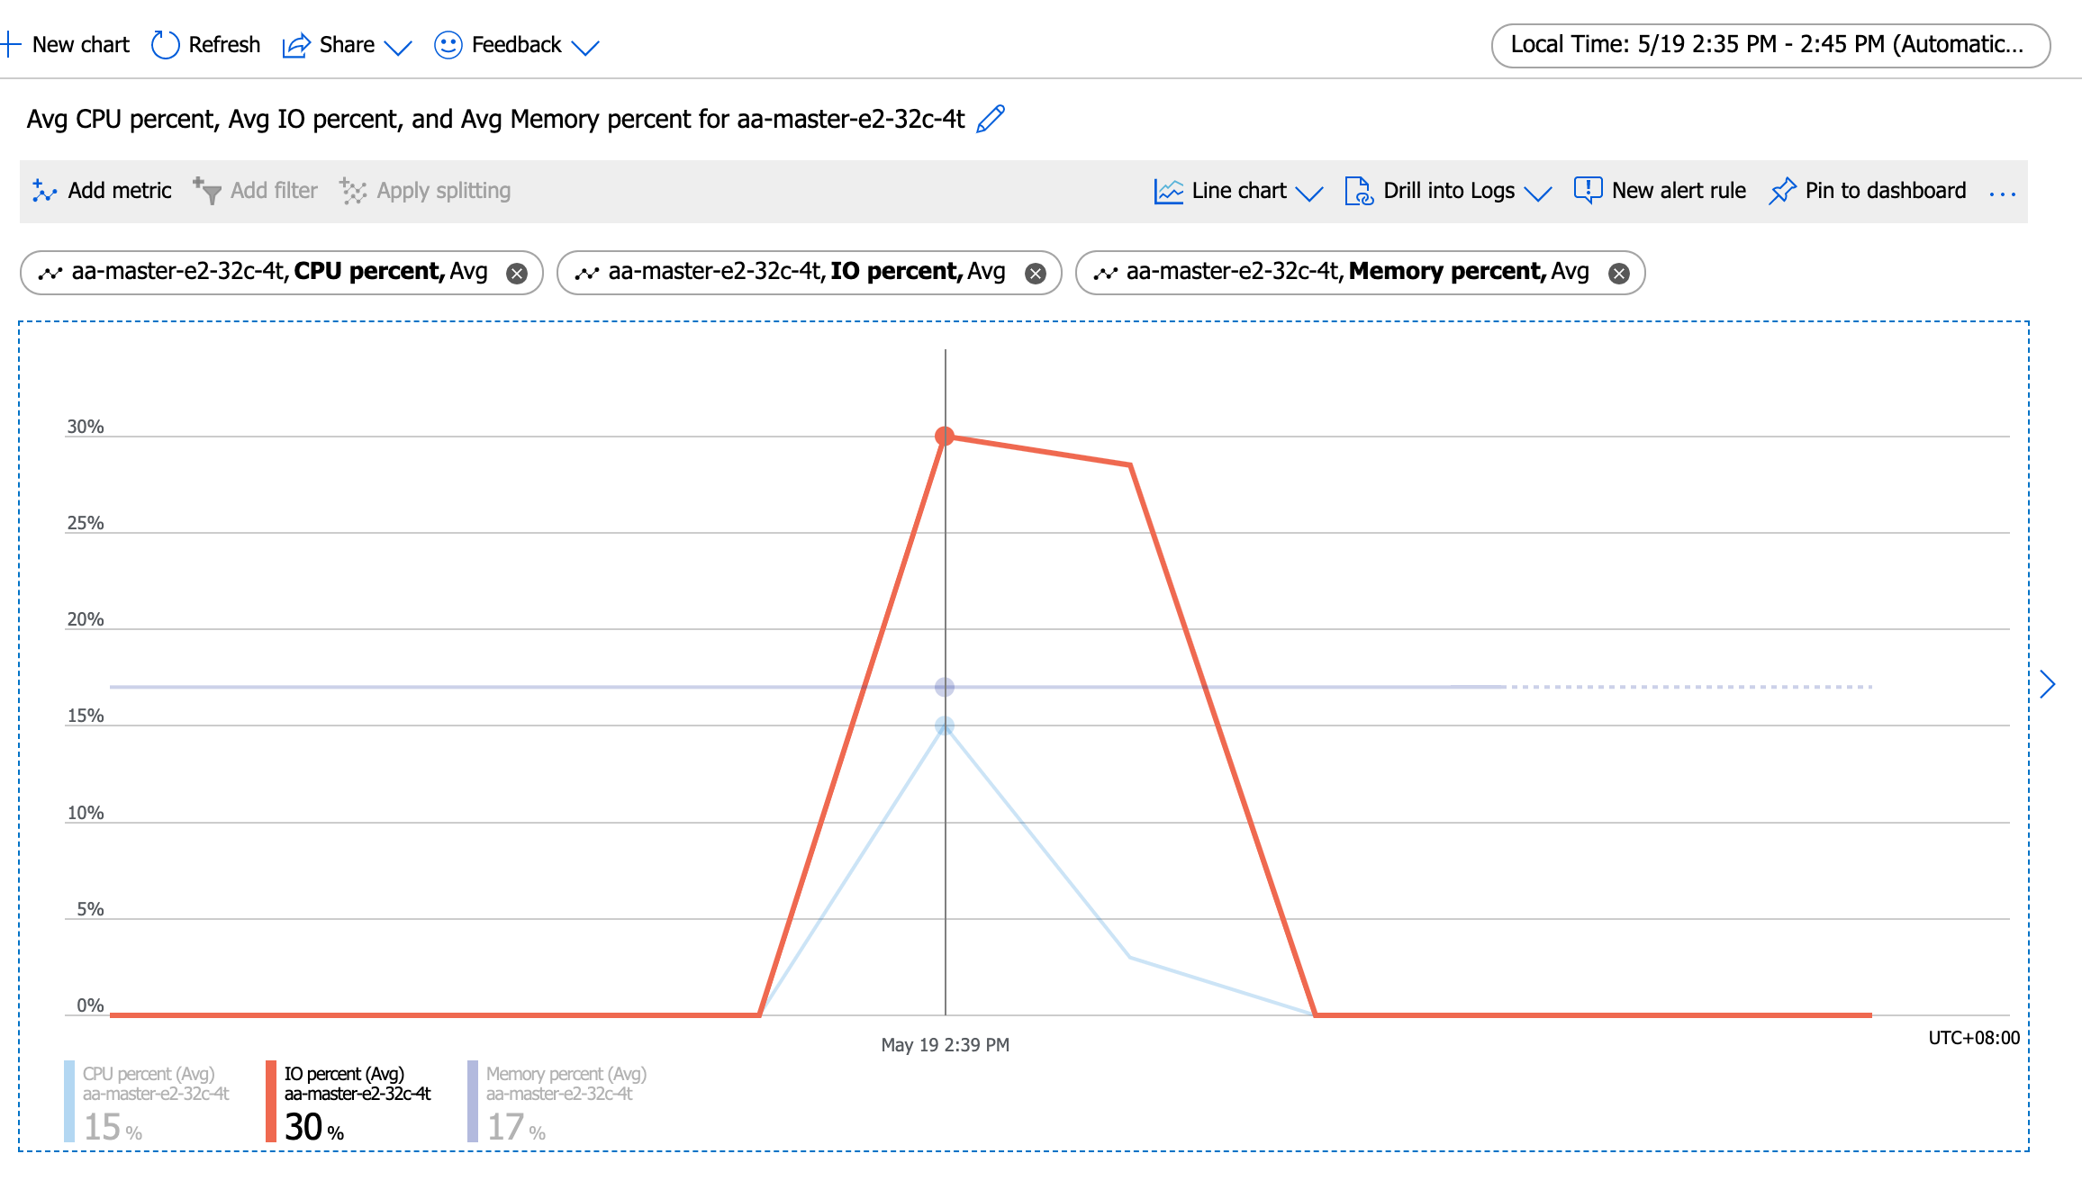
Number of threads: 56
Report intermediate results every 10 second(s)
Initializing random number generator from current time

Initializing worker threads...

Threads started!

[ 10s ] thds: 56 tps: 1607.28 qps: 32249.09 (r/w/o: 22578.61/6450.32/3220.16) lat (ms,95%): 44.98 err/s: 0.00 reconn/s: 0.00
[ 20s ] thds: 56 tps: 1470.36 qps: 29407.53 (r/w/o: 20584.96/5881.85/2940.72) lat (ms,95%): 55.82 err/s: 0.00 reconn/s: 0.00
[ 30s ] thds: 56 tps: 1468.79 qps: 29366.98 (r/w/o: 20564.81/5864.58/2937.59) lat (ms,95%): 51.02 err/s: 0.00 reconn/s: 0.00
[ 40s ] thds: 56 tps: 1530.85 qps: 30610.40 (r/w/o: 21431.00/6117.70/3061.70) lat (ms,95%): 51.02 err/s: 0.00 reconn/s: 0.00
[ 50s ] thds: 56 tps: 1512.87 qps: 30256.27 (r/w/o: 21179.83/6050.69/3025.75) lat (ms,95%): 51.02 err/s: 0.00 reconn/s: 0.00
[ 60s ] thds: 56 tps: 1497.66 qps: 29972.25 (r/w/o: 20968.61/6008.33/2995.32) lat (ms,95%): 51.02 err/s: 0.00 reconn/s: 0.00
SQL statistics:
queries performed:
read: 1273132
write: 363752
other: 181876
total: 1818760
transactions: 90938 (1514.83 per sec.)
queries: 1818760 (30296.68 per sec.)
ignored errors: 0 (0.00 per sec.)
reconnects: 0 (0.00 per sec.)

General statistics:
total time: 60.0296s
total number of events: 90938

Latency (ms):
min: 16.03
avg: 36.95
max: 693.97
95th percentile: 51.02
sum: 3360432.22

Threads fairness:
events (avg/stddev): 1623.8929/18.89
execution time (avg/stddev): 60.0077/0.01

huqianghui $ pt-heartbeat -D reltest --monitor -h aa-relica-e1-32c-4t.mysql.database.chinacloudapi.cn --user huqianghui@aa-relica-e1-32c-4t --password Andy@163.com --port 3306 --master-server-id 3083523708
0.00s [ 0.00s, 0.00s, 0.00s ]
1.03s [ 0.02s, 0.00s, 0.00s ]
0.48s [ 0.03s, 0.01s, 0.00s ]
0.00s [ 0.03s, 0.01s, 0.00s ]
0.83s [ 0.04s, 0.01s, 0.00s ]
0.85s [ 0.05s, 0.01s, 0.00s ]
1.14s [ 0.07s, 0.01s, 0.00s ]
1.83s [ 0.10s, 0.02s, 0.01s ]
1.82s [ 0.13s, 0.03s, 0.01s ]
2.80s [ 0.18s, 0.04s, 0.01s ]
2.81s [ 0.23s, 0.05s, 0.02s ]
3.28s [ 0.28s, 0.06s, 0.02s ]
3.19s [ 0.33s, 0.07s, 0.02s ]
3.84s [ 0.40s, 0.08s, 0.03s ]
3.80s [ 0.46s, 0.09s, 0.03s ]
4.80s [ 0.54s, 0.11s, 0.04s ]
4.83s [ 0.62s, 0.12s, 0.04s ]
5.78s [ 0.72s, 0.14s, 0.05s ]
6.79s [ 0.83s, 0.17s, 0.06s ]
7.79s [ 0.96s, 0.19s, 0.06s ]
6.59s [ 1.07s, 0.21s, 0.07s ]
6.84s [ 1.19s, 0.24s, 0.08s ]
7.22s [ 1.31s, 0.26s, 0.09s ]
7.85s [ 1.44s, 0.29s, 0.10s ]
7.81s [ 1.57s, 0.31s, 0.10s ]
8.34s [ 1.71s, 0.34s, 0.11s ]
8.85s [ 1.85s, 0.37s, 0.12s ]
8.85s [ 2.00s, 0.40s, 0.13s ]
9.84s [ 2.16s, 0.43s, 0.14s ]
9.85s [ 2.33s, 0.47s, 0.16s ]
9.84s [ 2.49s, 0.50s, 0.17s ]
10.49s [ 2.67s, 0.53s, 0.18s ]
11.43s [ 2.86s, 0.57s, 0.19s ]
11.92s [ 3.06s, 0.61s, 0.20s ]
11.64s [ 3.25s, 0.65s, 0.22s ]
12.64s [ 3.46s, 0.69s, 0.23s ]
13.71s [ 3.69s, 0.74s, 0.25s ]
12.58s [ 3.90s, 0.78s, 0.26s ]
13.58s [ 4.13s, 0.83s, 0.28s ]
14.59s [ 4.37s, 0.87s, 0.29s ]
13.58s [ 4.60s, 0.92s, 0.31s ]
14.19s [ 4.83s, 0.97s, 0.32s ]
14.88s [ 5.08s, 1.02s, 0.34s ]
14.25s [ 5.32s, 1.06s, 0.35s ]
15.43s [ 5.57s, 1.11s, 0.37s ]
14.84s [ 5.82s, 1.16s, 0.39s ]
15.84s [ 6.09s, 1.22s, 0.41s ]
16.87s [ 6.37s, 1.27s, 0.42s ]
16.54s [ 6.64s, 1.33s, 0.44s ]
17.54s [ 6.94s, 1.39s, 0.46s ]
18.53s [ 7.24s, 1.45s, 0.48s ]
17.62s [ 7.54s, 1.51s, 0.50s ]
17.85s [ 7.84s, 1.57s, 0.52s ]
18.07s [ 8.14s, 1.63s, 0.54s ]
18.85s [ 8.45s, 1.69s, 0.56s ]
19.86s [ 8.78s, 1.76s, 0.59s ]
18.95s [ 9.10s, 1.82s, 0.61s ]
19.95s [ 9.43s, 1.89s, 0.63s ]
19.84s [ 9.76s, 1.95s, 0.65s ]
20.85s [ 10.11s, 2.02s, 0.67s ]
21.28s [ 10.46s, 2.09s, 0.70s ]
20.98s [ 10.80s, 2.16s, 0.72s ]
21.87s [ 11.15s, 2.24s, 0.75s ]
21.82s [ 11.52s, 2.31s, 0.77s ]
22.82s [ 11.88s, 2.38s, 0.79s ]
23.82s [ 12.27s, 2.46s, 0.82s ]
24.82s [ 12.66s, 2.55s, 0.85s ]
25.82s [ 13.06s, 2.63s, 0.88s ]
26.82s [ 13.48s, 2.72s, 0.91s ]
28.05s [ 13.90s, 2.82s, 0.94s ]
28.84s [ 14.33s, 2.91s, 0.97s ]
30.09s [ 14.78s, 3.01s, 1.00s ]
30.82s [ 15.24s, 3.11s, 1.04s ]
30.36s [ 15.68s, 3.22s, 1.07s ]
31.41s [ 16.14s, 3.32s, 1.11s ]
32.83s [ 16.61s, 3.43s, 1.14s ]
33.35s [ 17.08s, 3.54s, 1.18s ]
34.36s [ 17.56s, 3.66s, 1.22s ]
34.14s [ 18.02s, 3.77s, 1.26s ]
34.85s [ 18.47s, 3.89s, 1.30s ]
36.02s [ 18.96s, 4.01s, 1.34s ]
35.94s [ 19.44s, 4.13s, 1.38s ]
36.83s [ 19.94s, 4.25s, 1.42s ]
37.24s [ 20.43s, 4.37s, 1.46s ]
37.85s [ 20.93s, 4.50s, 1.50s ]
37.84s [ 21.42s, 4.62s, 1.54s ]
38.77s [ 21.92s, 4.75s, 1.58s ]
38.91s [ 22.42s, 4.88s, 1.63s ]
39.85s [ 22.92s, 5.02s, 1.67s ]
40.39s [ 23.43s, 5.15s, 1.72s ]
40.43s [ 23.94s, 5.29s, 1.76s ]
40.84s [ 24.44s, 5.42s, 1.81s ]
40.83s [ 24.93s, 5.56s, 1.85s ]
41.84s [ 25.43s, 5.70s, 1.90s ]
41.76s [ 25.93s, 5.84s, 1.95s ]
42.79s [ 26.44s, 5.98s, 1.99s ]
42.48s [ 26.91s, 6.12s, 2.04s ]
43.44s [ 27.43s, 6.27s, 2.09s ]
44.44s [ 27.94s, 6.41s, 2.14s ]
44.16s [ 28.44s, 6.56s, 2.19s ]
44.12s [ 28.95s, 6.71s, 2.24s ]
45.02s [ 29.46s, 6.86s, 2.29s ]
44.84s [ 29.96s, 7.01s, 2.34s ]
45.09s [ 30.47s, 7.16s, 2.39s ]
45.84s [ 30.98s, 7.31s, 2.44s ]
45.85s [ 31.50s, 7.46s, 2.49s ]
46.89s [ 32.01s, 7.62s, 2.54s ]
47.84s [ 32.53s, 7.78s, 2.59s ]
47.22s [ 33.04s, 7.94s, 2.65s ]
48.21s [ 33.55s, 8.10s, 2.70s ]
47.79s [ 34.04s, 8.26s, 2.75s ]
49.04s [ 34.56s, 8.42s, 2.81s ]
0.06s [ 34.27s, 8.42s, 2.81s ]
0.00s [ 33.97s, 8.42s, 2.81s ]
0.00s [ 33.65s, 8.42s, 2.81s ]
0.00s [ 33.32s, 8.42s, 2.81s ]
0.00s [ 33.00s, 8.42s, 2.81s ]

72thread(1800+tps)
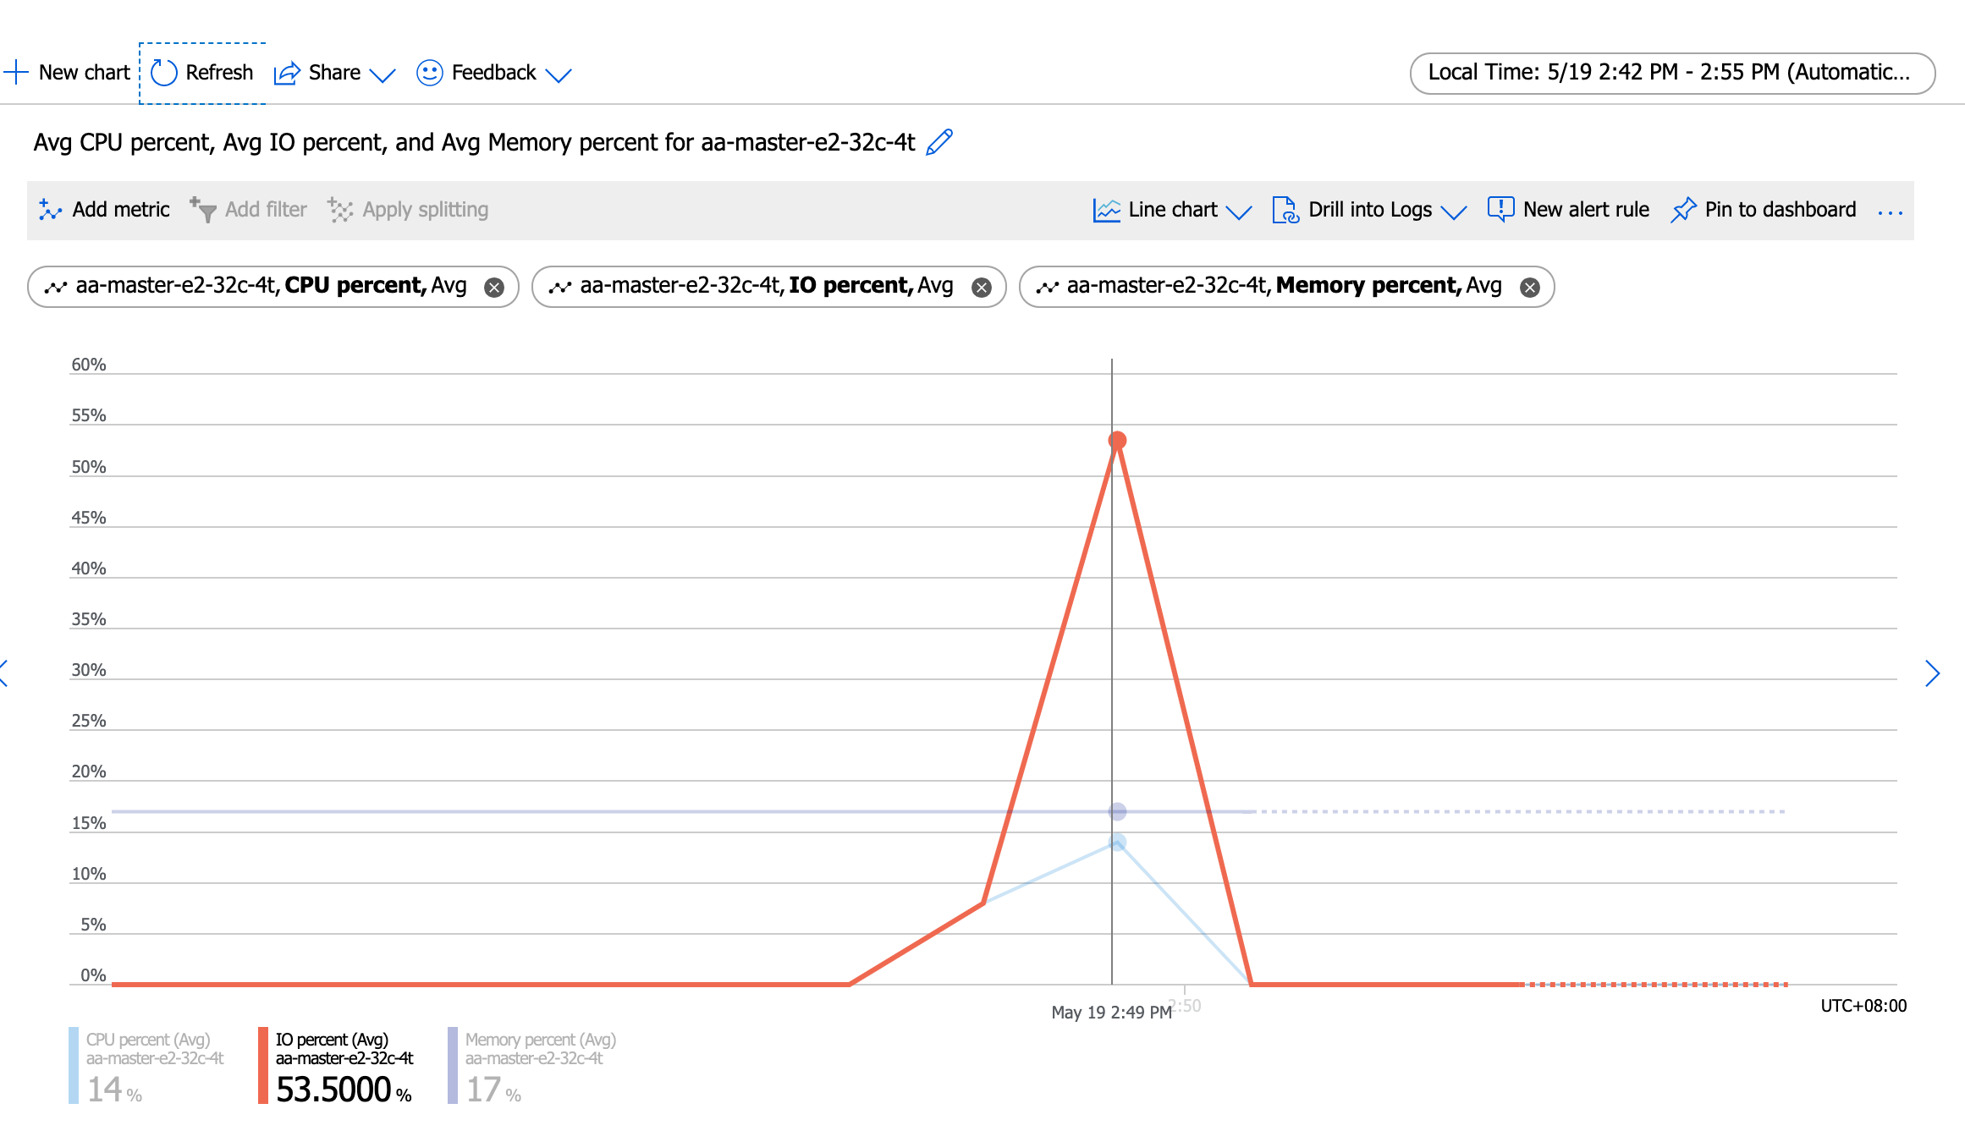
Number of threads: 72
Report intermediate results every 10 second(s)
Initializing random number generator from current time

Initializing worker threads...

Threads started!

[ 10s ] thds: 72 tps: 1460.73 qps: 29338.32 (r/w/o: 20541.13/5868.52/2928.66) lat (ms,95%): 66.84 err/s: 0.00 reconn/s: 0.00
[ 20s ] thds: 72 tps: 1628.10 qps: 32457.15 (r/w/o: 22714.27/6486.79/3256.10) lat (ms,95%): 69.29 err/s: 0.00 reconn/s: 0.00
[ 30s ] thds: 72 tps: 1868.57 qps: 37447.02 (r/w/o: 26233.60/7476.28/3737.14) lat (ms,95%): 53.85 err/s: 0.00 reconn/s: 0.00
[ 40s ] thds: 72 tps: 1864.79 qps: 37284.68 (r/w/o: 26097.02/7457.98/3729.69) lat (ms,95%): 52.89 err/s: 0.00 reconn/s: 0.00
[ 50s ] thds: 72 tps: 1809.30 qps: 36236.12 (r/w/o: 25354.91/7262.61/3618.60) lat (ms,95%): 56.84 err/s: 0.00 reconn/s: 0.00
[ 60s ] thds: 72 tps: 1809.87 qps: 36080.21 (r/w/o: 25249.31/7216.46/3614.43) lat (ms,95%): 55.82 err/s: 0.00 reconn/s: 0.00
SQL statistics:
queries performed:
read: 1462860
write: 417960
other: 208980
total: 2089800
transactions: 104490 (1739.50 per sec.)
queries: 2089800 (34790.00 per sec.)
ignored errors: 0 (0.00 per sec.)
reconnects: 0 (0.00 per sec.)

General statistics:
total time: 60.0670s
total number of events: 104490

Latency (ms):
min: 16.44
avg: 41.37
max: 351.00
95th percentile: 58.92
sum: 4322796.09

Threads fairness:
events (avg/stddev): 1451.2500/16.55
execution time (avg/stddev): 60.0388/0.01

huqianghui $ pt-heartbeat -D reltest --monitor -h aa-relica-e1-32c-4t.mysql.database.chinacloudapi.cn --user huqianghui@aa-relica-e1-32c-4t --password Andy@163.com --port 3306 --master-server-id 3083523708
0.00s [ 0.00s, 0.00s, 0.00s ]
0.36s [ 0.01s, 0.00s, 0.00s ]
0.00s [ 0.01s, 0.00s, 0.00s ]
0.83s [ 0.02s, 0.00s, 0.00s ]
0.81s [ 0.03s, 0.01s, 0.00s ]
0.82s [ 0.05s, 0.01s, 0.00s ]
0.81s [ 0.06s, 0.01s, 0.00s ]
0.82s [ 0.07s, 0.01s, 0.00s ]
1.83s [ 0.10s, 0.02s, 0.01s ]
1.80s [ 0.13s, 0.03s, 0.01s ]
2.39s [ 0.17s, 0.03s, 0.01s ]
2.85s [ 0.22s, 0.04s, 0.01s ]
3.64s [ 0.28s, 0.06s, 0.02s ]
3.16s [ 0.34s, 0.07s, 0.02s ]
3.69s [ 0.40s, 0.08s, 0.03s ]
4.14s [ 0.47s, 0.09s, 0.03s ]
4.81s [ 0.55s, 0.11s, 0.04s ]
5.80s [ 0.64s, 0.13s, 0.04s ]
4.18s [ 0.71s, 0.14s, 0.05s ]
5.19s [ 0.80s, 0.16s, 0.05s ]
4.83s [ 0.88s, 0.18s, 0.06s ]
6.75s [ 0.99s, 0.20s, 0.07s ]
7.84s [ 1.12s, 0.22s, 0.07s ]
9.01s [ 1.27s, 0.25s, 0.08s ]
7.43s [ 1.40s, 0.28s, 0.09s ]
8.43s [ 1.54s, 0.31s, 0.10s ]
9.74s [ 1.70s, 0.34s, 0.11s ]
8.82s [ 1.85s, 0.37s, 0.12s ]
9.99s [ 2.01s, 0.40s, 0.13s ]
10.00s [ 2.18s, 0.44s, 0.15s ]
10.83s [ 2.36s, 0.47s, 0.16s ]
10.86s [ 2.54s, 0.51s, 0.17s ]
11.84s [ 2.74s, 0.55s, 0.18s ]
12.84s [ 2.95s, 0.59s, 0.20s ]
13.84s [ 3.18s, 0.64s, 0.21s ]
12.88s [ 3.40s, 0.68s, 0.23s ]
13.88s [ 3.63s, 0.73s, 0.24s ]
14.88s [ 3.88s, 0.78s, 0.26s ]
14.83s [ 4.12s, 0.82s, 0.27s ]
15.83s [ 4.39s, 0.88s, 0.29s ]
16.83s [ 4.67s, 0.93s, 0.31s ]
16.50s [ 4.94s, 0.99s, 0.33s ]
17.18s [ 5.23s, 1.05s, 0.35s ]
17.85s [ 5.53s, 1.11s, 0.37s ]
17.84s [ 5.82s, 1.16s, 0.39s ]
18.83s [ 6.14s, 1.23s, 0.41s ]
18.84s [ 6.45s, 1.29s, 0.43s ]
20.20s [ 6.79s, 1.36s, 0.45s ]
20.85s [ 7.14s, 1.43s, 0.48s ]
20.49s [ 7.48s, 1.50s, 0.50s ]
21.49s [ 7.84s, 1.57s, 0.52s ]
22.49s [ 8.21s, 1.64s, 0.55s ]
23.49s [ 8.60s, 1.72s, 0.57s ]
22.83s [ 8.98s, 1.80s, 0.60s ]
23.84s [ 9.38s, 1.88s, 0.63s ]
23.84s [ 9.78s, 1.96s, 0.65s ]
25.73s [ 10.21s, 2.04s, 0.68s ]
25.84s [ 10.64s, 2.13s, 0.71s ]
25.90s [ 11.07s, 2.21s, 0.74s ]
26.84s [ 11.52s, 2.30s, 0.77s ]
27.84s [ 11.98s, 2.40s, 0.80s ]
27.83s [ 12.44s, 2.49s, 0.83s ]
28.84s [ 12.92s, 2.58s, 0.86s ]
28.86s [ 13.39s, 2.68s, 0.89s ]
29.85s [ 13.87s, 2.78s, 0.93s ]
29.85s [ 14.35s, 2.88s, 0.96s ]
30.84s [ 14.85s, 2.98s, 0.99s ]
31.83s [ 15.37s, 3.09s, 1.03s ]
32.89s [ 15.89s, 3.20s, 1.07s ]
33.83s [ 16.42s, 3.31s, 1.10s ]
35.05s [ 16.97s, 3.43s, 1.14s ]
36.36s [ 17.53s, 3.55s, 1.18s ]
36.84s [ 18.08s, 3.67s, 1.22s ]
38.04s [ 18.66s, 3.80s, 1.27s ]
38.85s [ 19.25s, 3.93s, 1.31s ]
38.83s [ 19.82s, 4.06s, 1.35s ]
39.83s [ 20.41s, 4.19s, 1.40s ]
41.16s [ 21.00s, 4.33s, 1.44s ]
41.83s [ 21.63s, 4.47s, 1.49s ]
42.84s [ 22.25s, 4.61s, 1.54s ]
43.83s [ 22.90s, 4.76s, 1.59s ]
43.82s [ 23.52s, 4.90s, 1.63s ]
44.82s [ 24.14s, 5.05s, 1.68s ]
44.80s [ 24.73s, 5.20s, 1.73s ]
45.81s [ 25.37s, 5.35s, 1.78s ]
46.79s [ 26.01s, 5.51s, 1.84s ]
46.83s [ 26.63s, 5.67s, 1.89s ]
47.84s [ 27.28s, 5.83s, 1.94s ]
47.85s [ 27.91s, 5.98s, 1.99s ]
48.85s [ 28.56s, 6.15s, 2.05s ]
48.83s [ 29.19s, 6.31s, 2.10s ]
49.83s [ 29.84s, 6.48s, 2.16s ]
50.83s [ 30.49s, 6.65s, 2.22s ]
51.83s [ 31.14s, 6.82s, 2.27s ]
52.94s [ 31.79s, 7.00s, 2.33s ]
51.52s [ 32.44s, 7.17s, 2.39s ]
51.84s [ 33.07s, 7.34s, 2.45s ]
52.84s [ 33.70s, 7.52s, 2.51s ]
53.00s [ 34.34s, 7.69s, 2.56s ]
53.88s [ 34.97s, 7.87s, 2.62s ]
54.12s [ 35.59s, 8.05s, 2.68s ]
54.82s [ 36.23s, 8.24s, 2.75s ]
55.82s [ 36.88s, 8.42s, 2.81s ]
56.86s [ 37.53s, 8.61s, 2.87s ]
55.60s [ 38.16s, 8.80s, 2.93s ]
55.83s [ 38.77s, 8.98s, 2.99s ]
56.83s [ 39.41s, 9.17s, 3.06s ]
56.86s [ 40.02s, 9.36s, 3.12s ]
57.83s [ 40.63s, 9.55s, 3.18s ]
57.84s [ 41.26s, 9.75s, 3.25s ]
58.87s [ 41.88s, 9.94s, 3.31s ]
58.84s [ 42.48s, 10.14s, 3.38s ]
59.89s [ 43.09s, 10.34s, 3.45s ]
59.82s [ 43.71s, 10.54s, 3.51s ]
60.82s [ 44.32s, 10.74s, 3.58s ]
60.86s [ 44.94s, 10.94s, 3.65s ]
61.84s [ 45.54s, 11.15s, 3.72s ]
62.84s [ 46.16s, 11.36s, 3.79s ]
63.86s [ 46.79s, 11.57s, 3.86s ]
64.86s [ 47.43s, 11.79s, 3.93s ]
65.84s [ 48.06s, 12.01s, 4.00s ]
63.95s [ 48.66s, 12.22s, 4.07s ]
64.84s [ 49.26s, 12.44s, 4.15s ]
64.83s [ 49.86s, 12.65s, 4.22s ]
65.84s [ 50.46s, 12.87s, 4.29s ]
65.82s [ 51.06s, 13.09s, 4.36s ]
66.83s [ 51.66s, 13.32s, 4.44s ]
0.00s [ 51.13s, 13.32s, 4.44s ]
0.00s [ 50.58s, 13.32s, 4.44s ]
0.00s [ 50.02s, 13.32s, 4.44s ]

88thread(1700+tps)
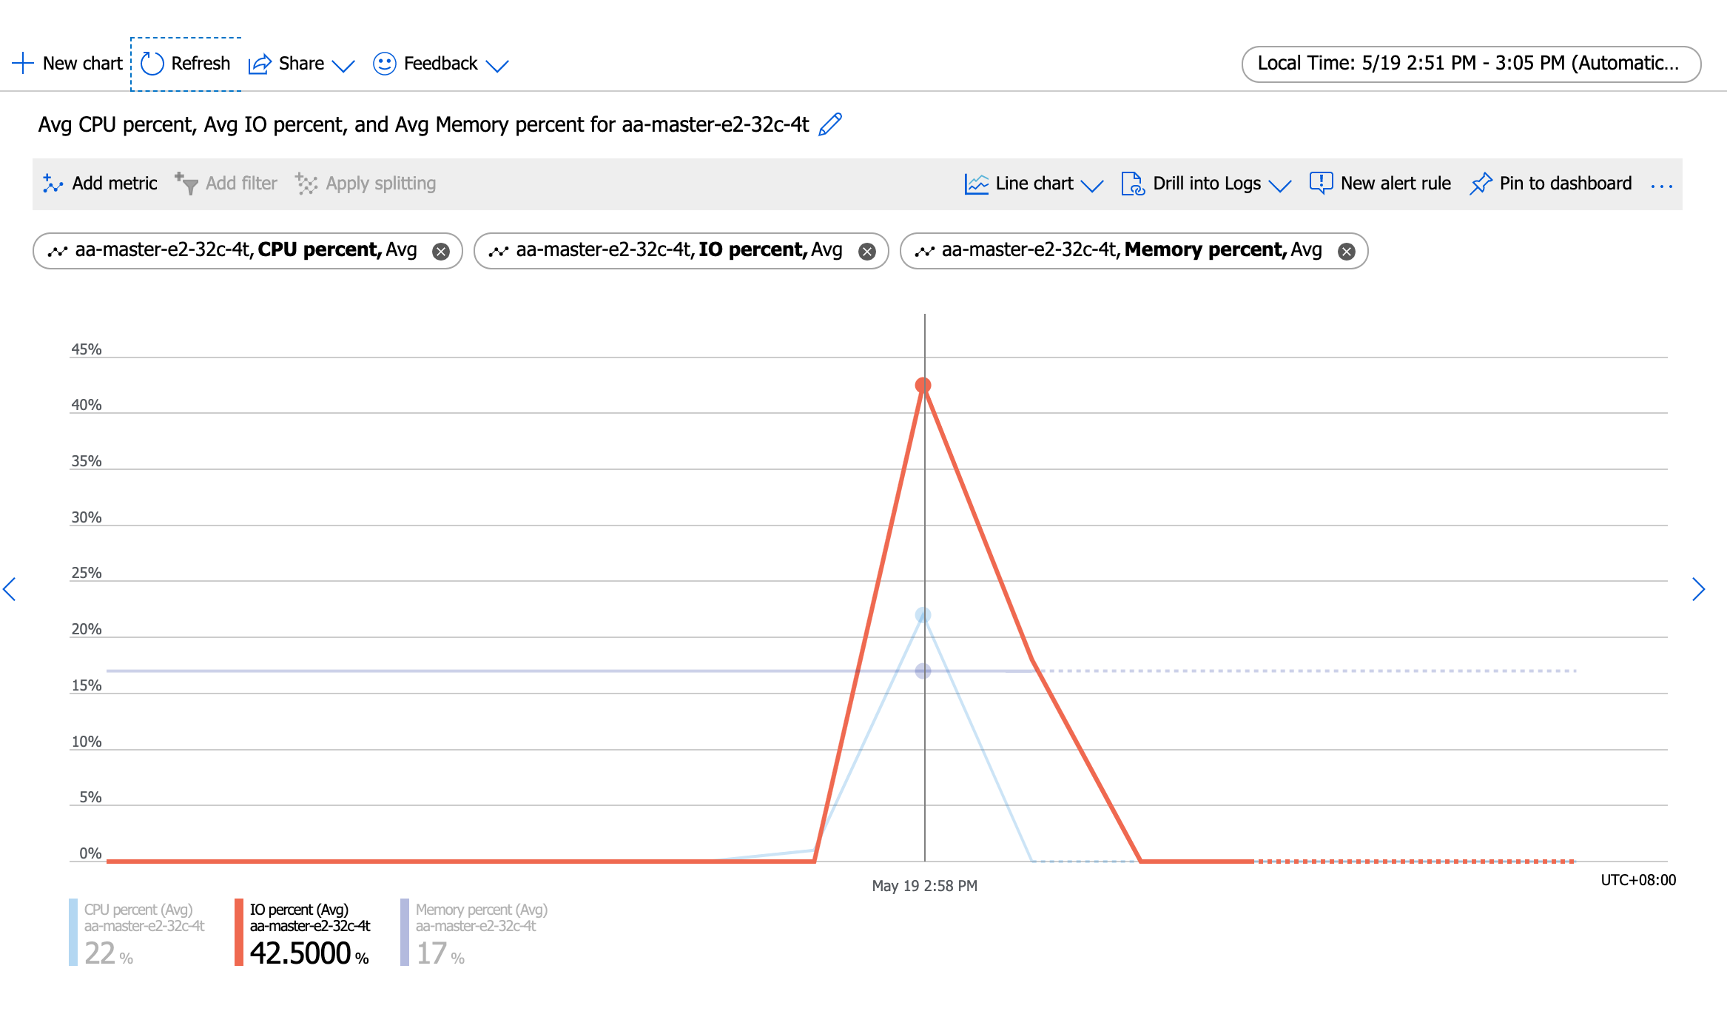
Running the test with following options:
Number of threads: 88
Report intermediate results every 10 second(s)
Initializing random number generator from current time

Initializing worker threads...

Threads started!

[ 10s ] thds: 88 tps: 1542.73 qps: 31021.67 (r/w/o: 21721.33/6206.09/3094.25) lat (ms,95%): 75.82 err/s: 0.00 reconn/s: 0.00
[ 20s ] thds: 88 tps: 1454.99 qps: 29097.69 (r/w/o: 20368.75/5818.96/2909.98) lat (ms,95%): 87.56 err/s: 0.00 reconn/s: 0.00
[ 30s ] thds: 88 tps: 1670.53 qps: 33393.80 (r/w/o: 23382.79/6669.94/3341.07) lat (ms,95%): 73.13 err/s: 0.00 reconn/s: 0.00
[ 40s ] thds: 88 tps: 1891.12 qps: 37784.83 (r/w/o: 26454.13/7548.77/3781.93) lat (ms,95%): 64.47 err/s: 0.00 reconn/s: 0.00
[ 50s ] thds: 88 tps: 1914.65 qps: 38349.50 (r/w/o: 26832.47/7687.43/3829.61) lat (ms,95%): 62.19 err/s: 0.00 reconn/s: 0.00
[ 60s ] thds: 88 tps: 1885.81 qps: 37644.73 (r/w/o: 26364.99/7508.13/3771.61) lat (ms,95%): 61.08 err/s: 0.00 reconn/s: 0.00
SQL statistics:
queries performed:
read: 1451702
write: 414772
other: 207386
total: 2073860
transactions: 103693 (1725.78 per sec.)
queries: 2073860 (34515.70 per sec.)
ignored errors: 0 (0.00 per sec.)
reconnects: 0 (0.00 per sec.)

General statistics:
total time: 60.0826s
total number of events: 103693

Latency (ms):
min: 17.82
avg: 50.96
max: 5400.77
95th percentile: 73.13
sum: 5283763.46

Threads fairness:
events (avg/stddev): 1178.3295/27.90
execution time (avg/stddev): 60.0428/0.01

huqianghui $ pt-heartbeat -D reltest --monitor -h aa-relica-e1-32c-4t.mysql.database.chinacloudapi.cn --user huqianghui@aa-relica-e1-32c-4t --password Andy@163.com --port 3306 --master-server-id 3083523708
0.85s [ 0.01s, 0.00s, 0.00s ]
0.78s [ 0.03s, 0.01s, 0.00s ]
0.82s [ 0.04s, 0.01s, 0.00s ]
1.82s [ 0.07s, 0.01s, 0.00s ]
2.82s [ 0.12s, 0.02s, 0.01s ]
2.17s [ 0.15s, 0.03s, 0.01s ]
3.17s [ 0.21s, 0.04s, 0.01s ]
2.78s [ 0.25s, 0.05s, 0.02s ]
3.80s [ 0.32s, 0.06s, 0.02s ]
3.82s [ 0.38s, 0.08s, 0.03s ]
3.84s [ 0.44s, 0.09s, 0.03s ]
3.81s [ 0.51s, 0.10s, 0.03s ]
4.83s [ 0.59s, 0.12s, 0.04s ]
4.76s [ 0.67s, 0.13s, 0.04s ]
4.98s [ 0.75s, 0.15s, 0.05s ]
5.69s [ 0.85s, 0.17s, 0.06s ]
5.80s [ 0.94s, 0.19s, 0.06s ]
5.66s [ 1.04s, 0.21s, 0.07s ]
7.27s [ 1.16s, 0.23s, 0.08s ]
6.95s [ 1.27s, 0.25s, 0.08s ]
7.24s [ 1.39s, 0.28s, 0.09s ]
7.99s [ 1.53s, 0.31s, 0.10s ]
7.78s [ 1.66s, 0.33s, 0.11s ]
8.80s [ 1.80s, 0.36s, 0.12s ]
9.78s [ 1.97s, 0.39s, 0.13s ]
8.48s [ 2.11s, 0.42s, 0.14s ]
9.48s [ 2.27s, 0.45s, 0.15s ]
8.94s [ 2.42s, 0.48s, 0.16s ]
9.76s [ 2.58s, 0.52s, 0.17s ]
10.76s [ 2.76s, 0.55s, 0.18s ]
11.76s [ 2.95s, 0.59s, 0.20s ]
10.07s [ 3.12s, 0.62s, 0.21s ]
11.06s [ 3.31s, 0.66s, 0.22s ]
10.54s [ 3.48s, 0.70s, 0.23s ]
10.82s [ 3.66s, 0.73s, 0.24s ]
11.79s [ 3.86s, 0.77s, 0.26s ]
12.92s [ 4.07s, 0.81s, 0.27s ]
13.95s [ 4.31s, 0.86s, 0.29s ]
13.83s [ 4.54s, 0.91s, 0.30s ]
14.82s [ 4.78s, 0.96s, 0.32s ]
15.14s [ 5.04s, 1.01s, 0.34s ]
15.83s [ 5.30s, 1.06s, 0.35s ]
15.89s [ 5.56s, 1.11s, 0.37s ]
16.83s [ 5.84s, 1.17s, 0.39s ]
17.29s [ 6.13s, 1.23s, 0.41s ]
17.84s [ 6.43s, 1.29s, 0.43s ]
18.84s [ 6.74s, 1.35s, 0.45s ]
18.52s [ 7.05s, 1.41s, 0.47s ]
19.51s [ 7.38s, 1.48s, 0.49s ]
19.99s [ 7.71s, 1.54s, 0.51s ]
20.80s [ 8.06s, 1.61s, 0.54s ]
20.84s [ 8.41s, 1.68s, 0.56s ]
21.84s [ 8.77s, 1.75s, 0.58s ]
21.74s [ 9.13s, 1.83s, 0.61s ]
22.72s [ 9.51s, 1.90s, 0.63s ]
22.88s [ 9.89s, 1.98s, 0.66s ]
23.83s [ 10.29s, 2.06s, 0.69s ]
24.83s [ 10.70s, 2.14s, 0.71s ]
24.82s [ 11.12s, 2.22s, 0.74s ]
25.83s [ 11.55s, 2.31s, 0.77s ]
26.16s [ 11.97s, 2.40s, 0.80s ]
26.84s [ 12.40s, 2.49s, 0.83s ]
27.84s [ 12.85s, 2.58s, 0.86s ]
27.80s [ 13.29s, 2.67s, 0.89s ]
28.80s [ 13.72s, 2.77s, 0.92s ]
28.83s [ 14.16s, 2.86s, 0.95s ]
29.83s [ 14.61s, 2.96s, 0.99s ]
29.83s [ 15.06s, 3.06s, 1.02s ]
30.83s [ 15.51s, 3.17s, 1.06s ]
31.86s [ 15.98s, 3.27s, 1.09s ]
32.85s [ 16.46s, 3.38s, 1.13s ]
33.84s [ 16.96s, 3.49s, 1.16s ]
34.84s [ 17.46s, 3.61s, 1.20s ]
35.84s [ 17.98s, 3.73s, 1.24s ]
35.85s [ 18.49s, 3.85s, 1.28s ]
36.57s [ 19.01s, 3.97s, 1.32s ]
37.73s [ 19.54s, 4.10s, 1.37s ]
38.56s [ 20.09s, 4.23s, 1.41s ]
39.56s [ 20.63s, 4.36s, 1.45s ]
40.56s [ 21.19s, 4.49s, 1.50s ]
41.56s [ 21.76s, 4.63s, 1.54s ]
41.84s [ 22.32s, 4.77s, 1.59s ]
42.87s [ 22.91s, 4.91s, 1.64s ]
43.84s [ 23.49s, 5.06s, 1.69s ]
44.84s [ 24.08s, 5.21s, 1.74s ]
44.83s [ 24.68s, 5.36s, 1.79s ]
45.84s [ 25.29s, 5.51s, 1.84s ]
46.84s [ 25.92s, 5.67s, 1.89s ]
47.82s [ 26.55s, 5.83s, 1.94s ]
48.84s [ 27.19s, 5.99s, 2.00s ]
49.83s [ 27.82s, 6.16s, 2.05s ]
48.51s [ 28.46s, 6.32s, 2.11s ]
49.50s [ 29.10s, 6.48s, 2.16s ]
50.05s [ 29.76s, 6.65s, 2.22s ]
50.82s [ 30.43s, 6.82s, 2.27s ]
51.82s [ 31.10s, 6.99s, 2.33s ]
50.91s [ 31.73s, 7.16s, 2.39s ]
51.91s [ 32.36s, 7.33s, 2.44s ]
52.90s [ 33.01s, 7.51s, 2.50s ]
52.80s [ 33.65s, 7.69s, 2.56s ]
53.81s [ 34.29s, 7.87s, 2.62s ]
53.83s [ 34.93s, 8.04s, 2.68s ]
54.82s [ 35.57s, 8.23s, 2.74s ]
54.84s [ 36.21s, 8.41s, 2.80s ]
55.86s [ 36.85s, 8.60s, 2.87s ]
56.33s [ 37.49s, 8.78s, 2.93s ]
56.82s [ 38.12s, 8.97s, 2.99s ]
57.82s [ 38.78s, 9.17s, 3.06s ]
58.81s [ 39.43s, 9.36s, 3.12s ]
60.32s [ 40.11s, 9.56s, 3.19s ]
58.48s [ 40.74s, 9.76s, 3.25s ]
59.48s [ 41.38s, 9.96s, 3.32s ]
60.48s [ 42.02s, 10.16s, 3.39s ]
59.85s [ 42.66s, 10.36s, 3.45s ]
60.82s [ 43.29s, 10.56s, 3.52s ]
60.83s [ 43.93s, 10.76s, 3.59s ]
61.83s [ 44.56s, 10.97s, 3.66s ]
61.83s [ 45.18s, 11.18s, 3.73s ]
62.85s [ 45.81s, 11.39s, 3.80s ]
62.84s [ 46.43s, 11.59s, 3.86s ]
63.82s [ 47.05s, 11.81s, 3.94s ]
63.84s [ 47.67s, 12.02s, 4.01s ]
64.83s [ 48.29s, 12.24s, 4.08s ]
64.82s [ 48.90s, 12.45s, 4.15s ]
65.84s [ 49.52s, 12.67s, 4.22s ]
0.00s [ 49.04s, 12.67s, 4.22s ]
0.00s [ 48.54s, 12.67s, 4.22s ]
0.00s [ 48.05s, 12.67s, 4.22s ]

104thread(2000+tps)
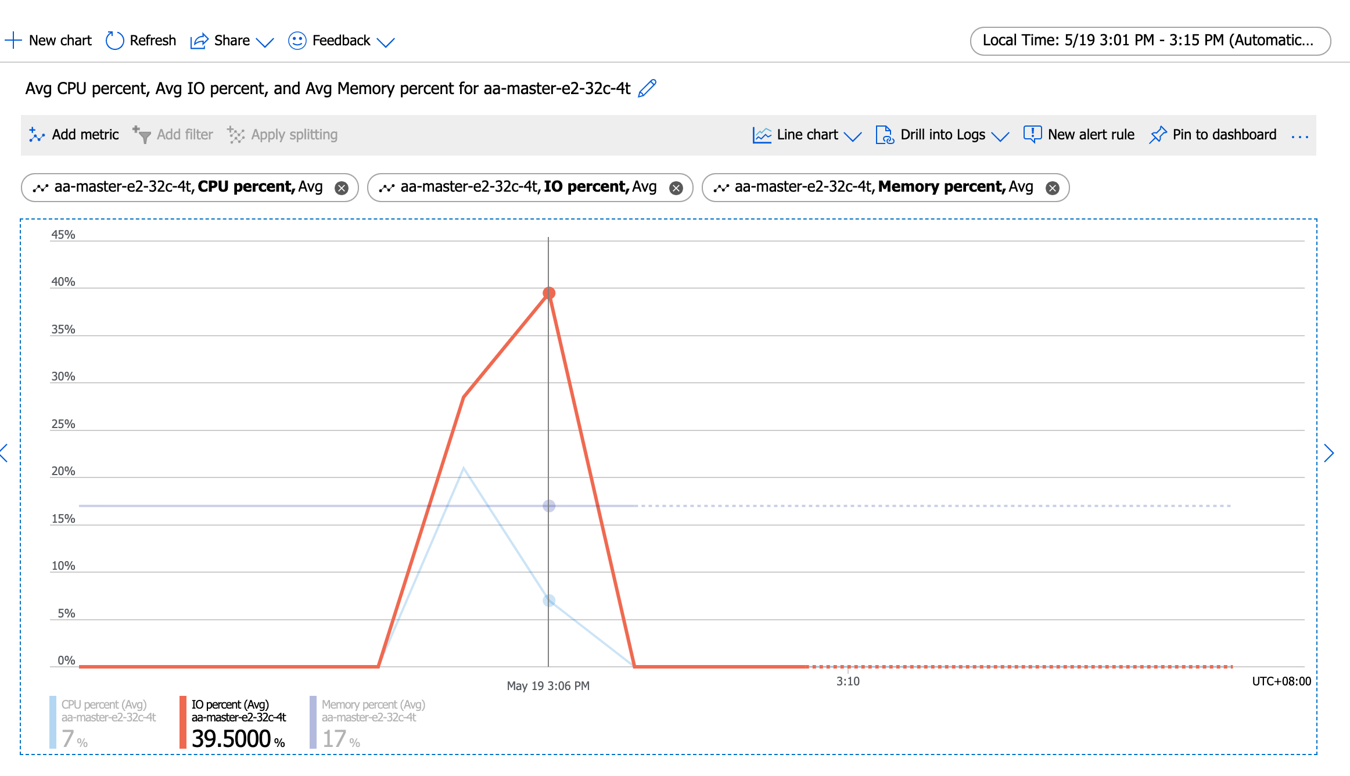
Number of threads: 104
Report intermediate results every 10 second(s)
Initializing random number generator from current time

Initializing worker threads...

Threads started!

[ 10s ] thds: 104 tps: 2182.63 qps: 43795.92 (r/w/o: 30676.43/8743.83/4375.66) lat (ms,95%): 64.47 err/s: 0.00 reconn/s: 0.00
[ 20s ] thds: 104 tps: 2061.20 qps: 41258.43 (r/w/o: 28874.92/8261.11/4122.40) lat (ms,95%): 69.29 err/s: 0.00 reconn/s: 0.00
[ 30s ] thds: 104 tps: 2018.16 qps: 40383.08 (r/w/o: 28262.12/8084.64/4036.32) lat (ms,95%): 71.83 err/s: 0.00 reconn/s: 0.00
[ 40s ] thds: 104 tps: 2010.24 qps: 40203.20 (r/w/o: 28143.26/8039.46/4020.48) lat (ms,95%): 69.29 err/s: 0.00 reconn/s: 0.00
[ 50s ] thds: 104 tps: 2027.21 qps: 40545.70 (r/w/o: 28380.97/8110.32/4054.41) lat (ms,95%): 73.13 err/s: 0.00 reconn/s: 0.00
[ 60s ] thds: 104 tps: 2062.47 qps: 41249.44 (r/w/o: 28874.60/8249.89/4124.94) lat (ms,95%): 69.29 err/s: 0.00 reconn/s: 0.00
SQL statistics:
queries performed:
read: 1732192
write: 494912
other: 247456
total: 2474560
transactions: 123728 (2060.59 per sec.)
queries: 2474560 (41211.82 per sec.)
ignored errors: 0 (0.00 per sec.)
reconnects: 0 (0.00 per sec.)

General statistics:
total time: 60.0423s
total number of events: 123728

Latency (ms):
min: 18.17
avg: 50.44
max: 3519.13
95th percentile: 69.29
sum: 6240848.76

Threads fairness:
events (avg/stddev): 1189.6923/28.97
execution time (avg/stddev): 60.0082/0.01

huqianghui $ pt-heartbeat -D reltest --monitor -h aa-relica-e1-32c-4t.mysql.database.chinacloudapi.cn --user huqianghui@aa-relica-e1-32c-4t --password Andy@163.com --port 3306 --master-server-id 3083523708
1.84s [ 0.03s, 0.01s, 0.00s ]
1.82s [ 0.06s, 0.01s, 0.00s ]
2.83s [ 0.11s, 0.02s, 0.01s ]
2.83s [ 0.16s, 0.03s, 0.01s ]
3.84s [ 0.22s, 0.04s, 0.01s ]
3.90s [ 0.28s, 0.06s, 0.02s ]
4.84s [ 0.36s, 0.07s, 0.02s ]
5.84s [ 0.46s, 0.09s, 0.03s ]
5.84s [ 0.56s, 0.11s, 0.04s ]
6.84s [ 0.67s, 0.13s, 0.04s ]
6.82s [ 0.79s, 0.16s, 0.05s ]
7.82s [ 0.92s, 0.18s, 0.06s ]
7.84s [ 1.05s, 0.21s, 0.07s ]
8.83s [ 1.20s, 0.24s, 0.08s ]
8.84s [ 1.34s, 0.27s, 0.09s ]
9.85s [ 1.51s, 0.30s, 0.10s ]
10.83s [ 1.69s, 0.34s, 0.11s ]
11.17s [ 1.87s, 0.37s, 0.12s ]
11.85s [ 2.07s, 0.41s, 0.14s ]
11.84s [ 2.27s, 0.45s, 0.15s ]
12.84s [ 2.48s, 0.50s, 0.17s ]
12.85s [ 2.70s, 0.54s, 0.18s ]
14.04s [ 2.93s, 0.59s, 0.20s ]
14.84s [ 3.18s, 0.64s, 0.21s ]
14.73s [ 3.42s, 0.68s, 0.23s ]
16.08s [ 3.69s, 0.74s, 0.25s ]
15.85s [ 3.96s, 0.79s, 0.26s ]
16.85s [ 4.24s, 0.85s, 0.28s ]
16.83s [ 4.52s, 0.90s, 0.30s ]
17.83s [ 4.81s, 0.96s, 0.32s ]
17.83s [ 5.11s, 1.02s, 0.34s ]
18.84s [ 5.43s, 1.09s, 0.36s ]
18.85s [ 5.74s, 1.15s, 0.38s ]
19.87s [ 6.07s, 1.21s, 0.40s ]
20.84s [ 6.42s, 1.28s, 0.43s ]
21.84s [ 6.78s, 1.36s, 0.45s ]
22.84s [ 7.16s, 1.43s, 0.48s ]
22.85s [ 7.54s, 1.51s, 0.50s ]
23.83s [ 7.94s, 1.59s, 0.53s ]
24.82s [ 8.35s, 1.67s, 0.56s ]
25.82s [ 8.79s, 1.76s, 0.59s ]
25.82s [ 9.22s, 1.84s, 0.61s ]
26.83s [ 9.66s, 1.93s, 0.64s ]
27.84s [ 10.13s, 2.03s, 0.68s ]
28.82s [ 10.61s, 2.12s, 0.71s ]
29.81s [ 11.10s, 2.22s, 0.74s ]
30.82s [ 11.62s, 2.32s, 0.77s ]
31.95s [ 12.15s, 2.43s, 0.81s ]
31.83s [ 12.68s, 2.54s, 0.85s ]
32.82s [ 13.23s, 2.65s, 0.88s ]
33.82s [ 13.79s, 2.76s, 0.92s ]
33.83s [ 14.35s, 2.87s, 0.96s ]
34.83s [ 14.94s, 2.99s, 1.00s ]
35.83s [ 15.53s, 3.11s, 1.04s ]
36.83s [ 16.15s, 3.23s, 1.08s ]
35.80s [ 16.74s, 3.35s, 1.12s ]
36.56s [ 17.35s, 3.47s, 1.16s ]
36.84s [ 17.97s, 3.59s, 1.20s ]
37.86s [ 18.60s, 3.72s, 1.24s ]
37.84s [ 19.23s, 3.85s, 1.28s ]
38.88s [ 19.85s, 3.98s, 1.33s ]
39.84s [ 20.48s, 4.11s, 1.37s ]
40.86s [ 21.11s, 4.24s, 1.41s ]
41.84s [ 21.76s, 4.38s, 1.46s ]
42.86s [ 22.41s, 4.53s, 1.51s ]
42.93s [ 23.06s, 4.67s, 1.56s ]
42.82s [ 23.70s, 4.81s, 1.60s ]
43.84s [ 24.33s, 4.96s, 1.65s ]
44.83s [ 24.98s, 5.11s, 1.70s ]
44.83s [ 25.61s, 5.26s, 1.75s ]
45.83s [ 26.26s, 5.41s, 1.80s ]
45.83s [ 26.90s, 5.56s, 1.85s ]
46.80s [ 27.55s, 5.72s, 1.91s ]
46.85s [ 28.18s, 5.88s, 1.96s ]
47.85s [ 28.83s, 6.03s, 2.01s ]
47.84s [ 29.46s, 6.19s, 2.06s ]
48.84s [ 30.10s, 6.36s, 2.12s ]
49.06s [ 30.73s, 6.52s, 2.17s ]
49.88s [ 31.36s, 6.69s, 2.23s ]
50.82s [ 32.01s, 6.86s, 2.29s ]
51.81s [ 32.66s, 7.03s, 2.34s ]
52.81s [ 33.33s, 7.20s, 2.40s ]
53.84s [ 33.99s, 7.38s, 2.46s ]
54.85s [ 34.66s, 7.57s, 2.52s ]
55.87s [ 35.34s, 7.75s, 2.58s ]
56.81s [ 36.02s, 7.94s, 2.65s ]
56.84s [ 36.70s, 8.13s, 2.71s ]
57.83s [ 37.39s, 8.32s, 2.77s ]
58.83s [ 38.09s, 8.52s, 2.84s ]
59.85s [ 38.79s, 8.72s, 2.91s ]
59.81s [ 39.49s, 8.92s, 2.97s ]
60.81s [ 40.19s, 9.12s, 3.04s ]
61.80s [ 40.90s, 9.33s, 3.11s ]
62.80s [ 41.62s, 9.54s, 3.18s ]
62.88s [ 42.32s, 9.75s, 3.25s ]
63.83s [ 43.02s, 9.96s, 3.32s ]
63.81s [ 43.70s, 10.17s, 3.39s ]
64.82s [ 44.40s, 10.39s, 3.46s ]
65.81s [ 45.10s, 10.61s, 3.54s ]
65.84s [ 45.78s, 10.83s, 3.61s ]
66.83s [ 46.47s, 11.05s, 3.68s ]
66.84s [ 47.15s, 11.27s, 3.76s ]
67.84s [ 47.84s, 11.50s, 3.83s ]
67.85s [ 48.50s, 11.73s, 3.91s ]
68.86s [ 49.17s, 11.96s, 3.99s ]
68.83s [ 49.82s, 12.18s, 4.06s ]
69.82s [ 50.47s, 12.42s, 4.14s ]
69.85s [ 51.10s, 12.65s, 4.22s ]
70.00s [ 51.74s, 12.88s, 4.29s ]
70.85s [ 52.37s, 13.12s, 4.37s ]
71.87s [ 53.01s, 13.36s, 4.45s ]
71.86s [ 53.64s, 13.60s, 4.53s ]
72.84s [ 54.27s, 13.84s, 4.61s ]
72.83s [ 54.89s, 14.08s, 4.69s ]
73.84s [ 55.51s, 14.33s, 4.78s ]
73.84s [ 56.14s, 14.58s, 4.86s ]
74.84s [ 56.78s, 14.83s, 4.94s ]
74.82s [ 57.41s, 15.08s, 5.03s ]
75.83s [ 58.04s, 15.33s, 5.11s ]
75.79s [ 58.68s, 15.58s, 5.19s ]
76.79s [ 59.31s, 15.84s, 5.28s ]
76.88s [ 59.93s, 16.09s, 5.36s ]
77.84s [ 60.54s, 16.35s, 5.45s ]
78.84s [ 61.16s, 16.62s, 5.54s ]
78.86s [ 61.76s, 16.88s, 5.63s ]
79.85s [ 62.37s, 17.14s, 5.71s ]
79.68s [ 62.99s, 17.41s, 5.80s ]
80.69s [ 63.60s, 17.68s, 5.89s ]
81.12s [ 64.21s, 17.95s, 5.98s ]
81.81s [ 64.82s, 18.22s, 6.07s ]
81.83s [ 65.42s, 18.49s, 6.16s ]
82.85s [ 66.04s, 18.77s, 6.26s ]
83.84s [ 66.66s, 19.05s, 6.35s ]
83.82s [ 67.27s, 19.33s, 6.44s ]
84.82s [ 67.89s, 19.61s, 6.54s ]
84.85s [ 68.51s, 19.90s, 6.63s ]
85.84s [ 69.12s, 20.18s, 6.73s ]
86.22s [ 69.74s, 20.47s, 6.82s ]
86.88s [ 70.36s, 20.76s, 6.92s ]
86.84s [ 70.96s, 21.05s, 7.02s ]
87.84s [ 71.56s, 21.34s, 7.11s ]
88.86s [ 72.16s, 21.64s, 7.21s ]
88.80s [ 72.74s, 21.93s, 7.31s ]
89.83s [ 73.33s, 22.23s, 7.41s ]
90.81s [ 73.91s, 22.54s, 7.51s ]
91.81s [ 74.49s, 22.84s, 7.61s ]
91.17s [ 75.07s, 23.15s, 7.72s ]
92.16s [ 75.64s, 23.45s, 7.82s ]
93.16s [ 76.21s, 23.76s, 7.92s ]
92.85s [ 76.76s, 24.07s, 8.02s ]
93.86s [ 77.33s, 24.39s, 8.13s ]
28.84s [ 76.79s, 24.48s, 8.16s ]
0.00s [ 75.76s, 24.48s, 8.16s ]
0.00s [ 74.72s, 24.48s, 8.16s ]
0.00s [ 73.67s, 24.48s, 8.16s ]
0.00s [ 72.61s, 24.48s, 8.16s ]

128thread(1900+tps)
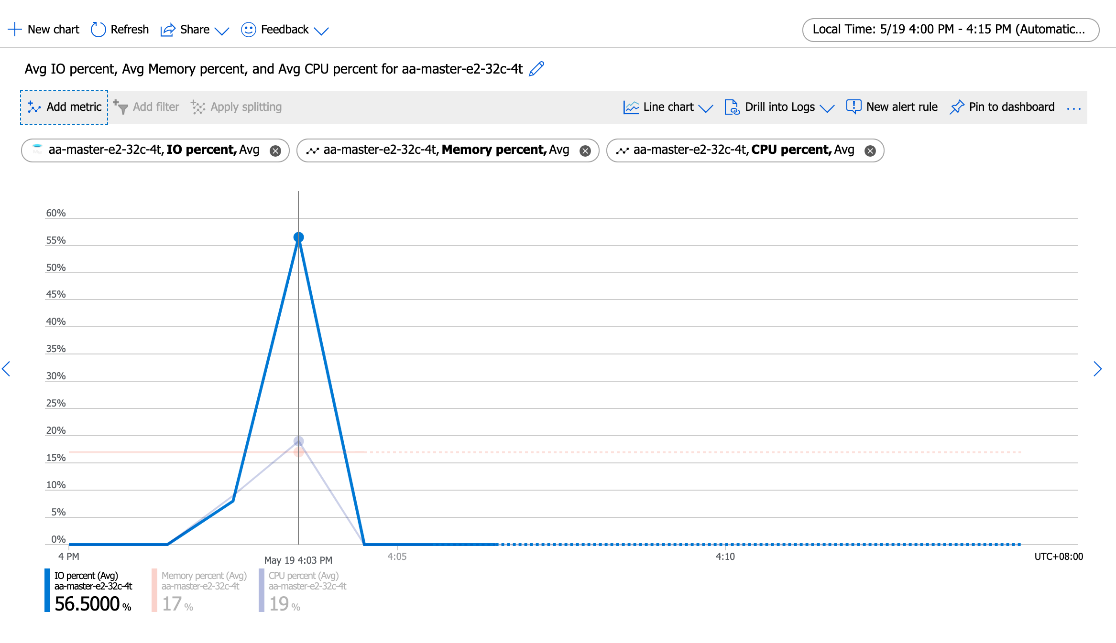
Running the test with following options:
Number of threads: 128
Report intermediate results every 10 second(s)
Initializing random number generator from current time

Initializing worker threads...

Threads started!

[ 10s ] thds: 128 tps: 1714.36 qps: 34528.76 (r/w/o: 24179.84/6907.41/3441.51) lat (ms,95%): 101.13 err/s: 0.00 reconn/s: 0.00
[ 20s ] thds: 128 tps: 1640.61 qps: 32776.45 (r/w/o: 22955.18/6540.05/3281.22) lat (ms,95%): 110.66 err/s: 0.00 reconn/s: 0.00
[ 30s ] thds: 128 tps: 2015.72 qps: 40325.67 (r/w/o: 28226.83/8067.39/4031.45) lat (ms,95%): 112.67 err/s: 0.00 reconn/s: 0.00
[ 40s ] thds: 128 tps: 2264.01 qps: 45218.08 (r/w/o: 31666.23/9023.94/4527.92) lat (ms,95%): 77.19 err/s: 0.00 reconn/s: 0.00
[ 50s ] thds: 128 tps: 2260.44 qps: 45222.82 (r/w/o: 31659.68/9042.16/4520.98) lat (ms,95%): 78.60 err/s: 0.00 reconn/s: 0.00
[ 60s ] thds: 128 tps: 2211.52 qps: 44285.52 (r/w/o: 30979.19/8883.38/4422.94) lat (ms,95%): 81.48 err/s: 0.00 reconn/s: 0.00
SQL statistics:
queries performed:
read: 1696814
write: 484804
other: 242402
total: 2424020
transactions: 121201 (2015.23 per sec.)
queries: 2424020 (40304.55 per sec.)
ignored errors: 0 (0.00 per sec.)
reconnects: 0 (0.00 per sec.)

General statistics:
total time: 60.1409s
total number of events: 121201

Latency (ms):
min: 19.41
avg: 63.41
max: 427.00
95th percentile: 94.10
sum: 7685405.51

Threads fairness:
events (avg/stddev): 946.8828/21.59
execution time (avg/stddev): 60.0422/0.01

huqianghui $ pt-heartbeat -D reltest --monitor -h aa-relica-e1-32c-4t.mysql.database.chinacloudapi.cn --user huqianghui@aa-relica-e1-32c-4t --password Andy@163.com --port 3306 --master-server-id 3083523708
0.82s [ 0.01s, 0.00s, 0.00s ]
1.83s [ 0.04s, 0.01s, 0.00s ]
1.81s [ 0.07s, 0.01s, 0.00s ]
2.81s [ 0.12s, 0.02s, 0.01s ]
2.35s [ 0.16s, 0.03s, 0.01s ]
3.35s [ 0.22s, 0.04s, 0.01s ]
4.35s [ 0.29s, 0.06s, 0.02s ]
3.83s [ 0.35s, 0.07s, 0.02s ]
3.81s [ 0.42s, 0.08s, 0.03s ]
4.81s [ 0.50s, 0.10s, 0.03s ]
4.84s [ 0.58s, 0.12s, 0.04s ]
4.82s [ 0.66s, 0.13s, 0.04s ]
5.81s [ 0.75s, 0.15s, 0.05s ]
5.83s [ 0.85s, 0.17s, 0.06s ]
5.80s [ 0.95s, 0.19s, 0.06s ]
6.81s [ 1.06s, 0.21s, 0.07s ]
6.83s [ 1.18s, 0.24s, 0.08s ]
6.81s [ 1.29s, 0.26s, 0.09s ]
7.81s [ 1.42s, 0.28s, 0.09s ]
7.80s [ 1.55s, 0.31s, 0.10s ]
8.06s [ 1.68s, 0.34s, 0.11s ]
7.83s [ 1.81s, 0.36s, 0.12s ]
8.83s [ 1.96s, 0.39s, 0.13s ]
8.79s [ 2.11s, 0.42s, 0.14s ]
8.67s [ 2.25s, 0.45s, 0.15s ]
9.69s [ 2.41s, 0.48s, 0.16s ]
9.79s [ 2.58s, 0.52s, 0.17s ]
9.78s [ 2.74s, 0.55s, 0.18s ]
9.78s [ 2.90s, 0.58s, 0.19s ]
10.77s [ 3.08s, 0.62s, 0.21s ]
10.76s [ 3.26s, 0.65s, 0.22s ]
10.76s [ 3.44s, 0.69s, 0.23s ]
11.76s [ 3.64s, 0.73s, 0.24s ]
12.76s [ 3.85s, 0.77s, 0.26s ]
13.76s [ 4.08s, 0.82s, 0.27s ]
14.78s [ 4.33s, 0.87s, 0.29s ]
15.80s [ 4.59s, 0.92s, 0.31s ]
14.54s [ 4.83s, 0.97s, 0.32s ]
15.56s [ 5.09s, 1.02s, 0.34s ]
15.84s [ 5.35s, 1.07s, 0.36s ]
16.84s [ 5.63s, 1.13s, 0.38s ]
17.86s [ 5.93s, 1.19s, 0.40s ]
17.84s [ 6.23s, 1.25s, 0.42s ]
18.84s [ 6.54s, 1.31s, 0.44s ]
20.19s [ 6.88s, 1.38s, 0.46s ]
19.85s [ 7.21s, 1.44s, 0.48s ]
20.85s [ 7.56s, 1.51s, 0.50s ]
21.85s [ 7.92s, 1.58s, 0.53s ]
22.85s [ 8.30s, 1.66s, 0.55s ]
23.84s [ 8.70s, 1.74s, 0.58s ]
23.16s [ 9.09s, 1.82s, 0.61s ]
24.16s [ 9.49s, 1.90s, 0.63s ]
25.17s [ 9.91s, 1.98s, 0.66s ]
24.83s [ 10.32s, 2.06s, 0.69s ]
25.83s [ 10.75s, 2.15s, 0.72s ]
26.83s [ 11.20s, 2.24s, 0.75s ]
26.84s [ 11.65s, 2.33s, 0.78s ]
27.83s [ 12.11s, 2.42s, 0.81s ]
27.83s [ 12.58s, 2.52s, 0.84s ]
28.83s [ 13.06s, 2.61s, 0.87s ]
28.85s [ 13.52s, 2.71s, 0.90s ]
29.85s [ 13.99s, 2.81s, 0.94s ]
29.83s [ 14.46s, 2.91s, 0.97s ]
30.82s [ 14.92s, 3.01s, 1.00s ]
31.83s [ 15.42s, 3.12s, 1.04s ]
31.84s [ 15.89s, 3.22s, 1.07s ]
32.86s [ 16.37s, 3.33s, 1.11s ]
32.84s [ 16.85s, 3.44s, 1.15s ]
33.83s [ 17.35s, 3.55s, 1.18s ]
33.73s [ 17.83s, 3.67s, 1.22s ]
34.75s [ 18.33s, 3.78s, 1.26s ]
34.79s [ 18.83s, 3.90s, 1.30s ]
35.79s [ 19.33s, 4.02s, 1.34s ]
36.82s [ 19.85s, 4.14s, 1.38s ]
36.79s [ 20.36s, 4.26s, 1.42s ]
37.80s [ 20.88s, 4.39s, 1.46s ]
38.80s [ 21.41s, 4.52s, 1.51s ]
39.82s [ 21.96s, 4.65s, 1.55s ]
40.80s [ 22.51s, 4.79s, 1.60s ]
41.79s [ 23.08s, 4.93s, 1.64s ]
42.79s [ 23.66s, 5.07s, 1.69s ]
42.84s [ 24.24s, 5.21s, 1.74s ]
43.82s [ 24.82s, 5.36s, 1.79s ]
44.82s [ 25.42s, 5.51s, 1.84s ]
45.82s [ 26.04s, 5.66s, 1.89s ]
46.82s [ 26.66s, 5.82s, 1.94s ]
47.81s [ 27.30s, 5.97s, 1.99s ]
48.82s [ 27.95s, 6.14s, 2.05s ]
48.82s [ 28.60s, 6.30s, 2.10s ]
49.83s [ 29.25s, 6.47s, 2.16s ]
49.82s [ 29.90s, 6.63s, 2.21s ]
50.83s [ 30.57s, 6.80s, 2.27s ]
51.82s [ 31.23s, 6.97s, 2.32s ]
51.84s [ 31.89s, 7.15s, 2.38s ]
52.84s [ 32.54s, 7.32s, 2.44s ]
52.84s [ 33.17s, 7.50s, 2.50s ]
53.85s [ 33.81s, 7.68s, 2.56s ]
53.83s [ 34.46s, 7.86s, 2.62s ]
54.83s [ 35.11s, 8.04s, 2.68s ]
54.84s [ 35.76s, 8.22s, 2.74s ]
55.84s [ 36.41s, 8.41s, 2.80s ]
55.82s [ 37.05s, 8.60s, 2.87s ]
56.85s [ 37.70s, 8.79s, 2.93s ]
56.81s [ 38.33s, 8.97s, 2.99s ]
58.17s [ 38.96s, 9.17s, 3.06s ]
58.81s [ 39.61s, 9.36s, 3.12s ]
59.14s [ 40.25s, 9.56s, 3.19s ]
59.84s [ 40.88s, 9.76s, 3.25s ]
59.84s [ 41.50s, 9.96s, 3.32s ]
60.85s [ 42.12s, 10.16s, 3.39s ]
60.84s [ 42.75s, 10.37s, 3.46s ]
61.87s [ 43.37s, 10.57s, 3.52s ]
61.83s [ 43.98s, 10.78s, 3.59s ]
63.19s [ 44.62s, 10.99s, 3.66s ]
62.84s [ 45.24s, 11.20s, 3.73s ]
63.86s [ 45.86s, 11.41s, 3.80s ]
63.83s [ 46.47s, 11.62s, 3.87s ]
64.83s [ 47.09s, 11.84s, 3.95s ]
64.86s [ 47.71s, 12.06s, 4.02s ]
65.85s [ 48.33s, 12.28s, 4.09s ]
65.90s [ 48.94s, 12.50s, 4.17s ]
67.09s [ 49.56s, 12.72s, 4.24s ]
66.74s [ 50.18s, 12.94s, 4.31s ]
67.74s [ 50.79s, 13.17s, 4.39s ]
67.85s [ 51.39s, 13.39s, 4.46s ]
68.87s [ 52.01s, 13.62s, 4.54s ]
69.85s [ 52.63s, 13.86s, 4.62s ]
69.84s [ 53.24s, 14.09s, 4.70s ]
4.84s [ 52.76s, 14.11s, 4.70s ]
0.00s [ 52.20s, 14.11s, 4.70s ]
0.00s [ 51.62s, 14.11s, 4.70s ]
0.00s [ 51.04s, 14.11s, 4.70s ]

