56thread(1500+tps)
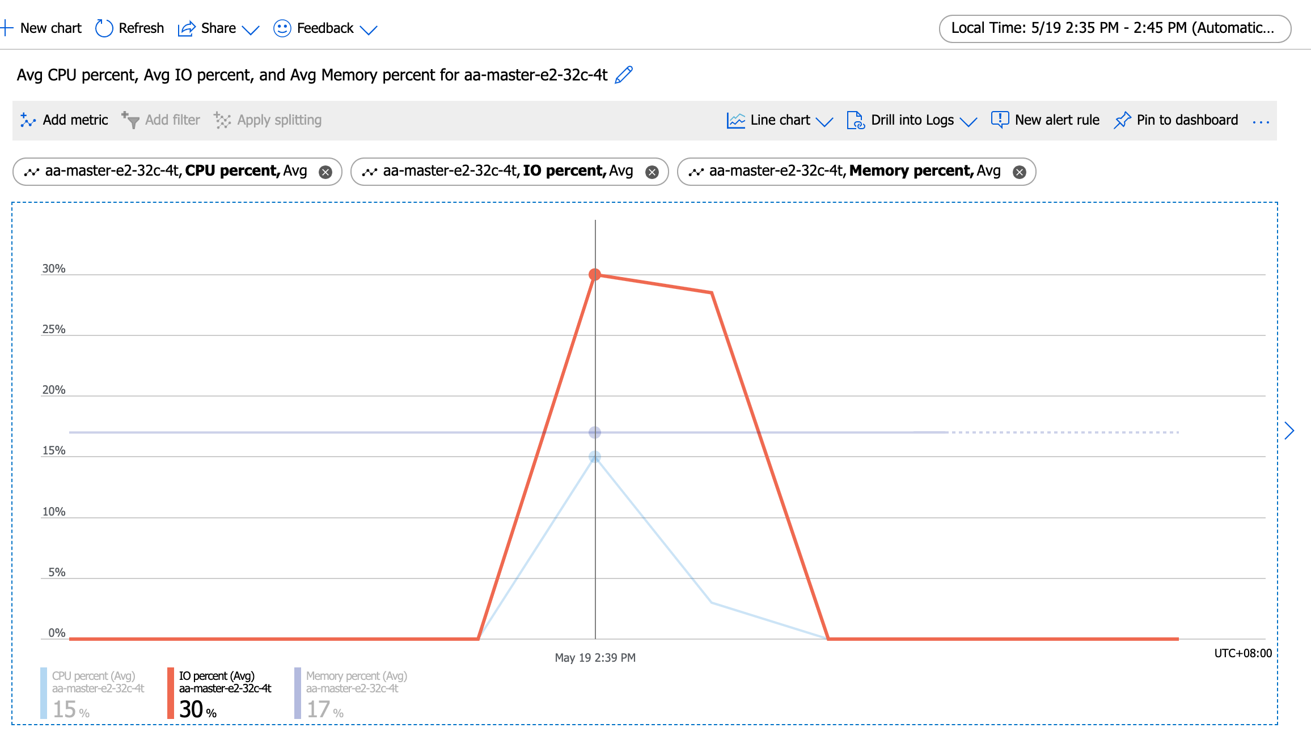
Running the test with following options:
Number of threads: 56
Report intermediate results every 10 second(s)
Initializing random number generator from current time

Initializing worker threads...

Threads started!

[ 10s ] thds: 56 tps: 1455.53 qps: 29216.89 (r/w/o: 20455.74/5844.50/2916.65) lat (ms,95%): 51.94 err/s: 0.00 reconn/s: 0.00
[ 20s ] thds: 56 tps: 1423.37 qps: 28454.01 (r/w/o: 19919.49/5687.88/2846.64) lat (ms,95%): 51.94 err/s: 0.00 reconn/s: 0.00
[ 30s ] thds: 56 tps: 1377.08 qps: 27554.99 (r/w/o: 19286.89/5513.84/2754.27) lat (ms,95%): 53.85 err/s: 0.00 reconn/s: 0.00
[ 40s ] thds: 56 tps: 1360.94 qps: 27148.46 (r/w/o: 19005.13/5421.45/2721.87) lat (ms,95%): 54.83 err/s: 0.00 reconn/s: 0.00
[ 50s ] thds: 56 tps: 1368.98 qps: 27423.54 (r/w/o: 19207.95/5477.63/2737.96) lat (ms,95%): 53.85 err/s: 0.00 reconn/s: 0.00
[ 60s ] thds: 56 tps: 1375.06 qps: 27508.24 (r/w/o: 19253.40/5504.73/2750.11) lat (ms,95%): 53.85 err/s: 0.00 reconn/s: 0.00
SQL statistics:
queries performed:
read: 1171380
write: 334680
other: 167340
total: 1673400
transactions: 83670 (1393.52 per sec.)
queries: 1673400 (27870.34 per sec.)
ignored errors: 0 (0.00 per sec.)
reconnects: 0 (0.00 per sec.)

General statistics:
total time: 60.0403s
total number of events: 83670

Latency (ms):
min: 16.80
avg: 40.17
max: 340.54
95th percentile: 52.89
sum: 3360849.38

Threads fairness:
events (avg/stddev): 1494.1071/15.17
execution time (avg/stddev): 60.0152/0.00

huqianghui $ pt-heartbeat -D reltest --monitor -h aa-relica-e1-32c-4t.mysql.database.chinacloudapi.cn --user huqianghui@aa-relica-e1-32c-4t --password Andy@163.com --port 3306 --master-server-id 3083523708
1.22s [ 0.02s, 0.00s, 0.00s ]
2.22s [ 0.06s, 0.01s, 0.00s ]
1.90s [ 0.09s, 0.02s, 0.01s ]
2.13s [ 0.12s, 0.02s, 0.01s ]
2.91s [ 0.17s, 0.03s, 0.01s ]
2.89s [ 0.22s, 0.04s, 0.01s ]
2.95s [ 0.27s, 0.05s, 0.02s ]
3.88s [ 0.34s, 0.07s, 0.02s ]
3.09s [ 0.39s, 0.08s, 0.03s ]
4.09s [ 0.45s, 0.09s, 0.03s ]
3.20s [ 0.51s, 0.10s, 0.03s ]
4.53s [ 0.58s, 0.12s, 0.04s ]
5.20s [ 0.67s, 0.13s, 0.04s ]
4.66s [ 0.75s, 0.15s, 0.05s ]
4.89s [ 0.83s, 0.17s, 0.06s ]
5.88s [ 0.93s, 0.19s, 0.06s ]
7.15s [ 1.05s, 0.21s, 0.07s ]
6.19s [ 1.15s, 0.23s, 0.08s ]
7.19s [ 1.27s, 0.25s, 0.08s ]
6.89s [ 1.38s, 0.28s, 0.09s ]
6.89s [ 1.50s, 0.30s, 0.10s ]
6.89s [ 1.61s, 0.32s, 0.11s ]
7.88s [ 1.75s, 0.35s, 0.12s ]
7.89s [ 1.88s, 0.38s, 0.13s ]
7.87s [ 2.01s, 0.40s, 0.13s ]
7.88s [ 2.14s, 0.43s, 0.14s ]
7.89s [ 2.27s, 0.45s, 0.15s ]
8.20s [ 2.41s, 0.48s, 0.16s ]
8.86s [ 2.56s, 0.51s, 0.17s ]
8.88s [ 2.70s, 0.54s, 0.18s ]
8.91s [ 2.85s, 0.57s, 0.19s ]
9.89s [ 3.02s, 0.60s, 0.20s ]
10.23s [ 3.19s, 0.64s, 0.21s ]
9.87s [ 3.35s, 0.67s, 0.22s ]
9.89s [ 3.52s, 0.70s, 0.23s ]
10.89s [ 3.70s, 0.74s, 0.25s ]
10.90s [ 3.88s, 0.78s, 0.26s ]
10.58s [ 4.06s, 0.81s, 0.27s ]
10.91s [ 4.24s, 0.85s, 0.28s ]
11.93s [ 4.44s, 0.89s, 0.30s ]
11.56s [ 4.63s, 0.93s, 0.31s ]
11.87s [ 4.83s, 0.97s, 0.32s ]
11.90s [ 5.03s, 1.01s, 0.34s ]
11.89s [ 5.22s, 1.04s, 0.35s ]
12.88s [ 5.44s, 1.09s, 0.36s ]
14.34s [ 5.68s, 1.14s, 0.38s ]
12.95s [ 5.89s, 1.18s, 0.39s ]
13.93s [ 6.12s, 1.22s, 0.41s ]
13.86s [ 6.36s, 1.27s, 0.42s ]
13.88s [ 6.59s, 1.32s, 0.44s ]
14.89s [ 6.84s, 1.37s, 0.46s ]
14.28s [ 7.07s, 1.41s, 0.47s ]
15.26s [ 7.33s, 1.47s, 0.49s ]
16.26s [ 7.60s, 1.52s, 0.51s ]
17.25s [ 7.89s, 1.58s, 0.53s ]
16.06s [ 8.15s, 1.63s, 0.54s ]
16.34s [ 8.43s, 1.69s, 0.56s ]
16.86s [ 8.71s, 1.74s, 0.58s ]
16.87s [ 8.99s, 1.80s, 0.60s ]
16.86s [ 9.27s, 1.85s, 0.62s ]
17.86s [ 9.55s, 1.91s, 0.64s ]
17.89s [ 9.81s, 1.97s, 0.66s ]
18.21s [ 10.08s, 2.03s, 0.68s ]
18.87s [ 10.36s, 2.10s, 0.70s ]
18.89s [ 10.63s, 2.16s, 0.72s ]
18.75s [ 10.89s, 2.22s, 0.74s ]
18.91s [ 11.16s, 2.29s, 0.76s ]
20.39s [ 11.43s, 2.35s, 0.78s ]
19.88s [ 11.71s, 2.42s, 0.81s ]
20.87s [ 11.99s, 2.49s, 0.83s ]
20.88s [ 12.28s, 2.56s, 0.85s ]
21.87s [ 12.57s, 2.63s, 0.88s ]
21.27s [ 12.84s, 2.70s, 0.90s ]
22.26s [ 13.13s, 2.78s, 0.93s ]
21.88s [ 13.42s, 2.85s, 0.95s ]
0.91s [ 13.33s, 2.85s, 0.95s ]
0.26s [ 13.22s, 2.85s, 0.95s ]
0.00s [ 13.12s, 2.85s, 0.95s ]
0.00s [ 13.00s, 2.85s, 0.95s ]
0.16s [ 12.89s, 2.85s, 0.95s ]
0.90s [ 12.79s, 2.86s, 0.95s ]

128thread(2185+tps)
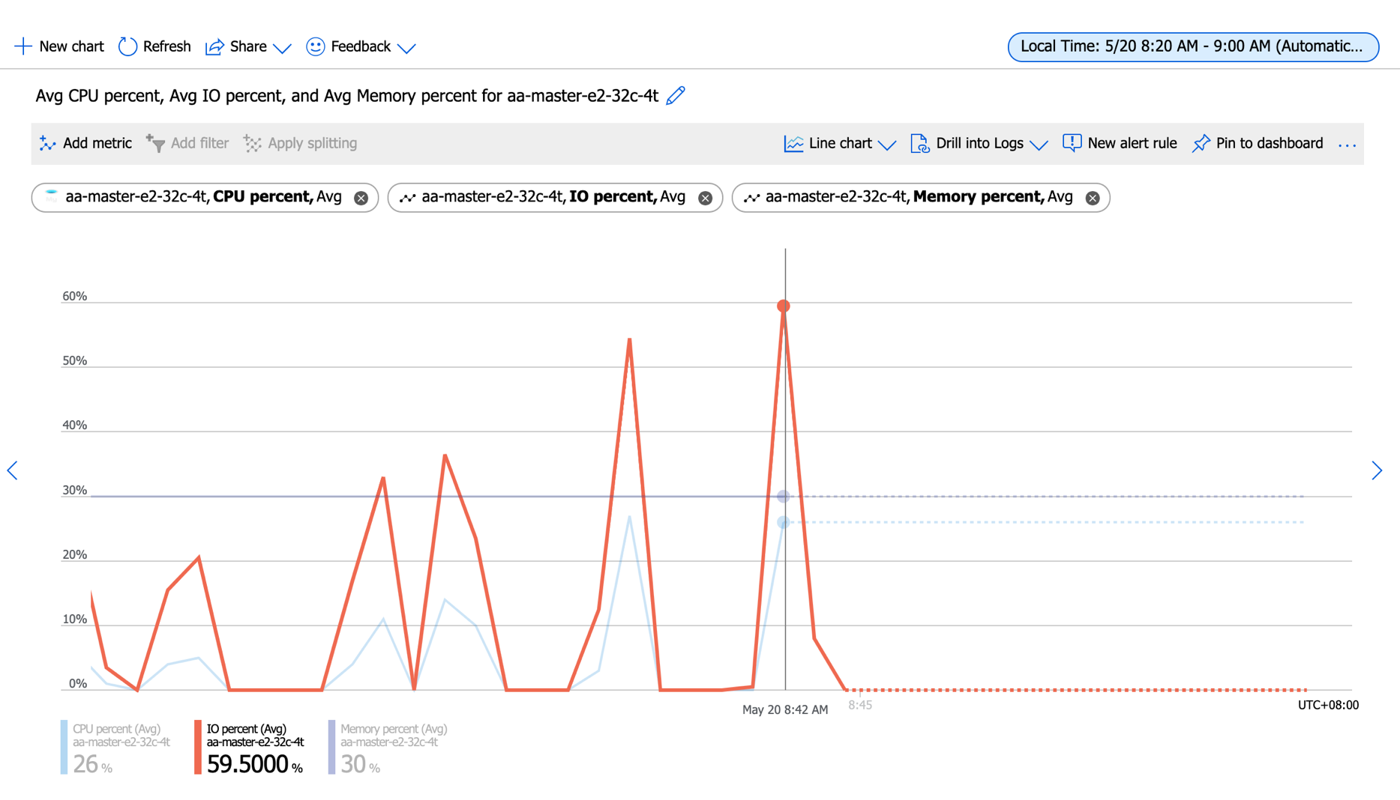
[huqianghui@mysql-paas-benchmark-test ~]$ sysbench oltp_read_write --mysql-host=aa-master-e2-32c-4t.mysql.database.chinacloudapi.cn --mysql-port=3306 --mysql-user=huqianghui@aa-master-e2-32c-4t --mysql-password=Andy@163.com --mysql-db=sbtest --db-driver=mysql --tables=10 --table-size=10000000 --report-interval=10 --time=60 --threads=128 --percentile=95 run;
sysbench 1.0.20 (using bundled LuaJIT 2.1.0-beta2)

Running the test with following options:
Number of threads: 128
Report intermediate results every 10 second(s)
Initializing random number generator from current time

Initializing worker threads...

Threads started!

[ 10s ] thds: 128 tps: 2253.99 qps: 45322.79 (r/w/o: 31735.05/9066.96/4520.78) lat (ms,95%): 78.60 err/s: 0.00 reconn/s: 0.00
[ 20s ] thds: 128 tps: 2152.21 qps: 42934.31 (r/w/o: 30072.04/8557.85/4304.42) lat (ms,95%): 87.56 err/s: 0.00 reconn/s: 0.00
[ 30s ] thds: 128 tps: 2199.11 qps: 44033.71 (r/w/o: 30833.25/8802.24/4398.22) lat (ms,95%): 82.96 err/s: 0.00 reconn/s: 0.00
[ 40s ] thds: 128 tps: 2150.87 qps: 43076.01 (r/w/o: 30125.39/8648.88/4301.74) lat (ms,95%): 82.96 err/s: 0.00 reconn/s: 0.00
[ 50s ] thds: 128 tps: 2206.37 qps: 44061.64 (r/w/o: 30873.00/8775.89/4412.74) lat (ms,95%): 82.96 err/s: 0.00 reconn/s: 0.00
[ 60s ] thds: 128 tps: 2153.30 qps: 43129.14 (r/w/o: 30160.92/8661.62/4306.60) lat (ms,95%): 82.96 err/s: 0.00 reconn/s: 0.00
SQL statistics:
queries performed:
read: 1838074
write: 525164
other: 262582
total: 2625820
transactions: 131291 (2185.33 per sec.)
queries: 2625820 (43706.55 per sec.)
ignored errors: 0 (0.00 per sec.)
reconnects: 0 (0.00 per sec.)

General statistics:
total time: 60.0764s
total number of events: 131291

Latency (ms):
min: 18.68
avg: 58.51
max: 1595.45
95th percentile: 82.96
sum: 7682243.17

Threads fairness:
events (avg/stddev): 1025.7109/16.12
execution time (avg/stddev): 60.0175/0.01

huqianghui $ pt-heartbeat -D reltest --monitor -h aa-relica-e1-32c-4t.mysql.database.chinacloudapi.cn --user huqianghui@aa-relica-e1-32c-4t --password Andy@163.com --port 3306 --master-server-id 3083523708
1.10s [ 0.02s, 0.00s, 0.00s ]
0.41s [ 0.03s, 0.01s, 0.00s ]
1.42s [ 0.05s, 0.01s, 0.00s ]
2.42s [ 0.09s, 0.02s, 0.01s ]
3.41s [ 0.15s, 0.03s, 0.01s ]
2.86s [ 0.19s, 0.04s, 0.01s ]
3.85s [ 0.26s, 0.05s, 0.02s ]
4.37s [ 0.33s, 0.07s, 0.02s ]
4.85s [ 0.41s, 0.08s, 0.03s ]
5.85s [ 0.51s, 0.10s, 0.03s ]
5.82s [ 0.61s, 0.12s, 0.04s ]
6.82s [ 0.72s, 0.14s, 0.05s ]
7.83s [ 0.85s, 0.17s, 0.06s ]
8.17s [ 0.99s, 0.20s, 0.07s ]
9.23s [ 1.14s, 0.23s, 0.08s ]
9.86s [ 1.30s, 0.26s, 0.09s ]
9.81s [ 1.47s, 0.29s, 0.10s ]
10.80s [ 1.65s, 0.33s, 0.11s ]
10.85s [ 1.83s, 0.37s, 0.12s ]
11.85s [ 2.03s, 0.41s, 0.14s ]
11.85s [ 2.22s, 0.44s, 0.15s ]
12.83s [ 2.44s, 0.49s, 0.16s ]
12.88s [ 2.65s, 0.53s, 0.18s ]
13.88s [ 2.88s, 0.58s, 0.19s ]
14.51s [ 3.13s, 0.63s, 0.21s ]
14.85s [ 3.37s, 0.67s, 0.22s ]
14.84s [ 3.62s, 0.72s, 0.24s ]
15.84s [ 3.88s, 0.78s, 0.26s ]
16.85s [ 4.17s, 0.83s, 0.28s ]
16.83s [ 4.45s, 0.89s, 0.30s ]
17.82s [ 4.74s, 0.95s, 0.32s ]
18.83s [ 5.06s, 1.01s, 0.34s ]
19.82s [ 5.39s, 1.08s, 0.36s ]
18.79s [ 5.70s, 1.14s, 0.38s ]
19.78s [ 6.03s, 1.21s, 0.40s ]
19.84s [ 6.36s, 1.27s, 0.42s ]
20.85s [ 6.71s, 1.34s, 0.45s ]
21.38s [ 7.06s, 1.41s, 0.47s ]
22.03s [ 7.43s, 1.49s, 0.50s ]
22.89s [ 7.81s, 1.56s, 0.52s ]
23.86s [ 8.21s, 1.64s, 0.55s ]
23.86s [ 8.61s, 1.72s, 0.57s ]
24.86s [ 9.02s, 1.80s, 0.60s ]
25.86s [ 9.45s, 1.89s, 0.63s ]
25.85s [ 9.88s, 1.98s, 0.66s ]
27.00s [ 10.33s, 2.07s, 0.69s ]
27.62s [ 10.79s, 2.16s, 0.72s ]
28.86s [ 11.28s, 2.26s, 0.75s ]
28.86s [ 11.76s, 2.35s, 0.78s ]
29.86s [ 12.25s, 2.45s, 0.82s ]
30.86s [ 12.77s, 2.55s, 0.85s ]
31.14s [ 13.29s, 2.66s, 0.89s ]
31.85s [ 13.82s, 2.76s, 0.92s ]
31.84s [ 14.35s, 2.87s, 0.96s ]
32.85s [ 14.90s, 2.98s, 0.99s ]
33.84s [ 15.46s, 3.09s, 1.03s ]
33.80s [ 16.02s, 3.20s, 1.07s ]
34.82s [ 16.60s, 3.32s, 1.11s ]
34.84s [ 17.19s, 3.44s, 1.15s ]
35.84s [ 17.78s, 3.56s, 1.19s ]
37.22s [ 18.38s, 3.68s, 1.23s ]
37.84s [ 19.01s, 3.81s, 1.27s ]
37.27s [ 19.61s, 3.93s, 1.31s ]
38.25s [ 20.20s, 4.06s, 1.35s ]
39.26s [ 20.80s, 4.19s, 1.40s ]
38.85s [ 21.40s, 4.32s, 1.44s ]
39.85s [ 22.00s, 4.45s, 1.48s ]
40.85s [ 22.61s, 4.59s, 1.53s ]
40.80s [ 23.21s, 4.72s, 1.57s ]
41.80s [ 23.81s, 4.86s, 1.62s ]
41.78s [ 24.41s, 5.00s, 1.67s ]
42.76s [ 25.00s, 5.14s, 1.71s ]
42.86s [ 25.59s, 5.29s, 1.76s ]
43.86s [ 26.18s, 5.43s, 1.81s ]
44.85s [ 26.78s, 5.58s, 1.86s ]
44.80s [ 27.36s, 5.73s, 1.91s ]
45.79s [ 27.96s, 5.89s, 1.96s ]
45.84s [ 28.54s, 6.04s, 2.01s ]
46.84s [ 29.14s, 6.19s, 2.06s ]
46.85s [ 29.73s, 6.35s, 2.12s ]
47.85s [ 30.33s, 6.51s, 2.17s ]
48.87s [ 30.93s, 6.67s, 2.22s ]
48.86s [ 31.53s, 6.84s, 2.28s ]
49.84s [ 32.13s, 7.00s, 2.33s ]
50.02s [ 32.72s, 7.17s, 2.39s ]
50.85s [ 33.32s, 7.34s, 2.45s ]
51.86s [ 33.93s, 7.51s, 2.50s ]
51.97s [ 34.54s, 7.68s, 2.56s ]
53.17s [ 35.14s, 7.86s, 2.62s ]
52.83s [ 35.74s, 8.04s, 2.68s ]
53.84s [ 36.34s, 8.22s, 2.74s ]
55.06s [ 36.95s, 8.40s, 2.80s ]
55.85s [ 37.55s, 8.59s, 2.86s ]
57.59s [ 38.19s, 8.78s, 2.93s ]
57.83s [ 38.83s, 8.97s, 2.99s ]
58.83s [ 39.48s, 9.17s, 3.06s ]
59.82s [ 40.13s, 9.37s, 3.12s ]
61.11s [ 40.79s, 9.57s, 3.19s ]
61.82s [ 41.45s, 9.78s, 3.26s ]
62.83s [ 42.12s, 9.99s, 3.33s ]
63.83s [ 42.78s, 10.20s, 3.40s ]
65.10s [ 43.47s, 10.42s, 3.47s ]
65.85s [ 44.15s, 10.64s, 3.55s ]
66.83s [ 44.84s, 10.86s, 3.62s ]
66.08s [ 45.51s, 11.08s, 3.69s ]
67.07s [ 46.18s, 11.30s, 3.77s ]
68.36s [ 46.85s, 11.53s, 3.84s ]
69.07s [ 47.53s, 11.76s, 3.92s ]
70.08s [ 48.21s, 11.99s, 4.00s ]
69.85s [ 48.88s, 12.23s, 4.08s ]
71.35s [ 49.55s, 12.46s, 4.15s ]
71.84s [ 50.23s, 12.70s, 4.23s ]
73.90s [ 50.93s, 12.95s, 4.32s ]
73.85s [ 51.63s, 13.20s, 4.40s ]
74.85s [ 52.33s, 13.45s, 4.48s ]
75.85s [ 53.03s, 13.70s, 4.57s ]
76.87s [ 53.75s, 13.95s, 4.65s ]
77.85s [ 54.47s, 14.21s, 4.74s ]
77.84s [ 55.18s, 14.47s, 4.82s ]
78.85s [ 55.90s, 14.74s, 4.91s ]
79.85s [ 56.61s, 15.00s, 5.00s ]
80.86s [ 57.33s, 15.27s, 5.09s ]
81.84s [ 58.07s, 15.55s, 5.18s ]
82.84s [ 58.81s, 15.82s, 5.27s ]
83.84s [ 59.56s, 16.10s, 5.37s ]
83.85s [ 60.31s, 16.38s, 5.46s ]
84.85s [ 61.06s, 16.66s, 5.55s ]
85.85s [ 61.81s, 16.95s, 5.65s ]
85.85s [ 62.56s, 17.24s, 5.75s ]
86.85s [ 63.31s, 17.52s, 5.84s ]
88.01s [ 64.08s, 17.82s, 5.94s ]
88.86s [ 64.85s, 18.11s, 6.04s ]
89.85s [ 65.63s, 18.41s, 6.14s ]
90.86s [ 66.41s, 18.72s, 6.24s ]
91.85s [ 67.20s, 19.02s, 6.34s ]
90.88s [ 67.97s, 19.33s, 6.44s ]
91.88s [ 68.73s, 19.63s, 6.54s ]
92.88s [ 69.52s, 19.94s, 6.65s ]
92.28s [ 70.28s, 20.25s, 6.75s ]
93.30s [ 71.05s, 20.56s, 6.85s ]
94.79s [ 71.83s, 20.88s, 6.96s ]
93.80s [ 72.58s, 21.19s, 7.06s ]
94.83s [ 73.35s, 21.51s, 7.17s ]
94.82s [ 74.10s, 21.82s, 7.27s ]
95.82s [ 74.86s, 22.14s, 7.38s ]
95.94s [ 75.61s, 22.46s, 7.49s ]
96.85s [ 76.36s, 22.78s, 7.59s ]
96.85s [ 77.11s, 23.11s, 7.70s ]
97.85s [ 77.85s, 23.43s, 7.81s ]
97.96s [ 78.61s, 23.76s, 7.92s ]
98.97s [ 79.36s, 24.09s, 8.03s ]
99.85s [ 80.10s, 24.42s, 8.14s ]
99.83s [ 80.84s, 24.75s, 8.25s ]
100.84s [ 81.56s, 25.09s, 8.36s ]
101.30s [ 82.28s, 25.43s, 8.48s ]
101.86s [ 83.00s, 25.77s, 8.59s ]
101.87s [ 83.70s, 26.11s, 8.70s ]
102.84s [ 84.40s, 26.45s, 8.82s ]
102.86s [ 85.08s, 26.79s, 8.93s ]
103.84s [ 85.76s, 27.14s, 9.05s ]
103.85s [ 86.43s, 27.49s, 9.16s ]
104.88s [ 87.09s, 27.83s, 9.28s ]
104.83s [ 87.74s, 28.18s, 9.39s ]
0.00s [ 86.63s, 28.18s, 9.39s ]
0.00s [ 85.53s, 28.18s, 9.39s ]
0.11s [ 84.41s, 28.18s, 9.39s ]
0.86s [ 83.29s, 28.19s, 9.40s ]
0.00s [ 82.14s, 28.19s, 9.40s ]
0.00s [ 80.97s, 28.19s, 9.40s ]
0.00s [ 79.80s, 28.19s, 9.40s ]

