TableS14
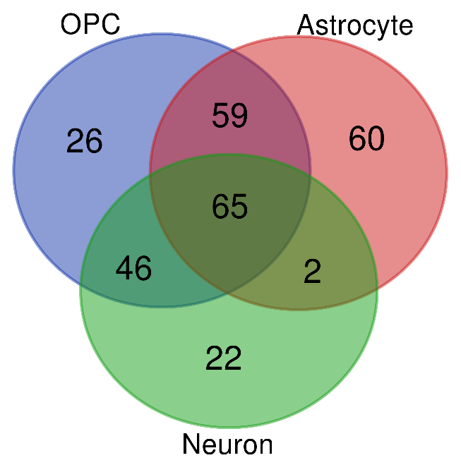
SP3 regulated genes in OPC, Astrocyte, and Neuron clusters. Note: SP3 regulon in Microglia and oligodendrocyte clusters are not CTSR, therefore, not considered here.
Clusters | Number of genes | Gene names
OPC, Astrocyte, Neuron | 65 | TMEM108 FARP1 KCNMA1 MED12L RBMS3 TMEM178B PAM SLC35F1 GABRB1 CHL1 NLGN4X ZEB1 RORA CADPS PTPRN2 DLGAP1 NTRK2 MAP3K5 ECHDC2 ADCY2 AGBL4 DANT2 SLC8A1 SOX5 THSD7A ASTN1 SIPA1L1 C11orf49 KCND2 CSGALNACT1 SLC24A3 KLF12 CACNA1A FAM155A CNTN1 CNTN5 CAMTA1 CDH10 PITPNC1 CCSER1 THRB MAST4 NRG3 BRINP1 NRXN1 OSBPL6 PARD3 NTRK3 PTPRG GRIK2 NKAIN3 MAPK10 HYDIN DPP10 GPM6A NEBL NR2F1-AS1 MAP2 FGF14 CACNB2 C1orf21 PDE7B CACNA2D3 PDE3B ARNT2
OPC, Astrocyte | 59 | MEF2C-AS1 TRIO NHSL1 NOL4 BRINP3 SLC1A2 SORL1 CACNB4 ATP1A2 BCAN DGKG INPP4B DIAPH2 RGS7 PTPRZ1 SERPINE2 TRAK1 TIMP3 PLCB1 GPC5 LRP1 LINC01138 C1orf61 OXR1 TOX SDK1 ITM2C RIN2 OPHN1 DDAH1 LINC00511 CERS6 COL11A1 LRRC4C NR2F2-AS1 CCK ARHGEF4 CHST11 MCF2L2 ADGRL3 ETV6 MAGI3 ST7 ITPR2 TSPAN7 FRMD4A FAM184A KCNIP1 PDZRN4 ADAMTS17 ATP2B4 CAMK1D FAT3 SAT1 TTTY14 CTDSPL GLCCI1 GRAMD1C SGCD
OPC, Neuron | 46 | RALYL GRM7 TMSB10 CNTNAP5 SORCS1 SNAP25 ZNF385D MEG3 RPL36 RPL41 PTPRE STXBP5L FRY MDGA2 RPS6 RIMS2 RPL35 GRIK1 RPS23 DSCAM RPL8 HS6ST3 NEGR1 SLC2A13 DAB1 FGF12 ATRNL1 SNTG1 CNTN4 RUNX1T1 SGCZ GRIA4 DCC RBFOX1 RPLP1 PPIA OPCML ERC2 GRM5 XKR4 GRIA3 GRID2 RAPGEF4 KCNIP4 CSRNP3 DPP6
Astrocyte, Neuron | 2 | COL5A3 B4GALNT4
OPC | 26 | DISC1 MTSS1 RASAL2 SH3KBP1 UNC5D TLN2 REV3L LRFN5 PRKCB SRGAP2 CHSY3 ARL15 SEMA5A FUS KHDRBS3 PID1 JAZF1 KHDRBS2 OLIG2 CASK PDZD2 GRIA2 HDAC9 FAM49B NTNG1 MEF2C
Astrocyte | 60 | CHPT1 ASPH RYR3 TRPM3 TNIK MACF1 ZFPM2 CTNND2 PLPP3 NTM SPON1 PREX2 TAB2 TCF7L2 GJA1 NSMF DKK3 KCNQ3 PRKG1 INTU SORBS1 NAT8L SFMBT2 HIF3A BMPR1B CPE ZFP36L1 CACHD1 SIRPA ABI1 F3 ZNRF3 ARHGAP26 LPIN1 EPHA6 PDZRN3 APC DOCK7 ADGRV1 TRPS1 FGD4 LGR4 BMP2K MSI2 SFXN5 FGFR3 AHCYL2 LGI4 SYNE1 AQP4 DTNA DAAM1 ATP13A4 CAMK2G EPHB1 ABLIM1 AHCYL1 RPS6KA2 ADGRG1 WLS
Neuron | 22 | HSPB1 EEF2 INF2 PAPOLA B3GAT1 PSAP BOK NDRG1 LINGO1 GRIN1 FOS RAPGEF3 AEBP1 MT3 PTGES3 HSP90AB1 PRNP YPEL3 TUBA1B HSP90AA1 RANGAP1 DNAJB2

