工作表1
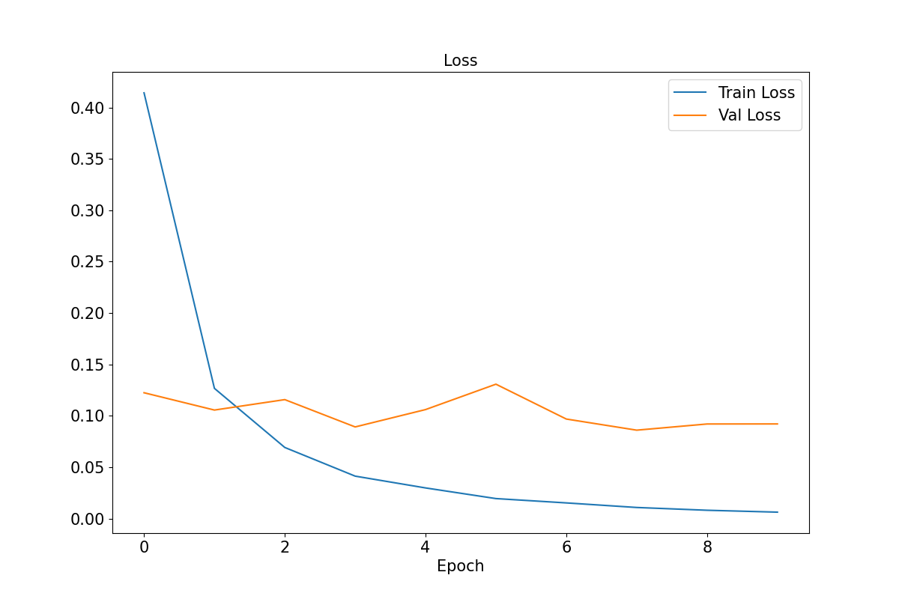
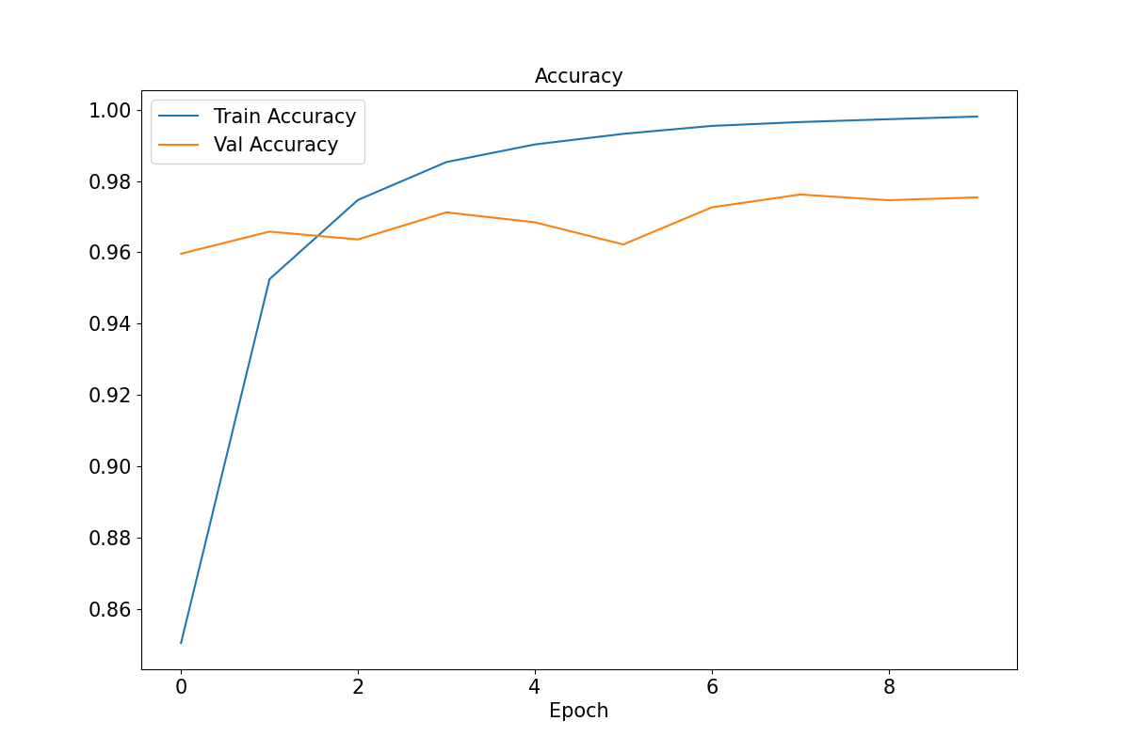
Model | info | train augmentation | backbone | Val acc | Test acc | 從合成資料(image_train_augmented)分出來
best_model(1106).pth | EPOCH=10, BATCH_SIZE=32, LR=0.001 | Resize=(100,100), Normalize | resnet50 | 0.9762 | 0.9677 | Training dataset | 50000
 |  |  |  |  |  | Validation dataset | 5000
 |  |  |  |  |  | Test dataset | 3000

