Cronos
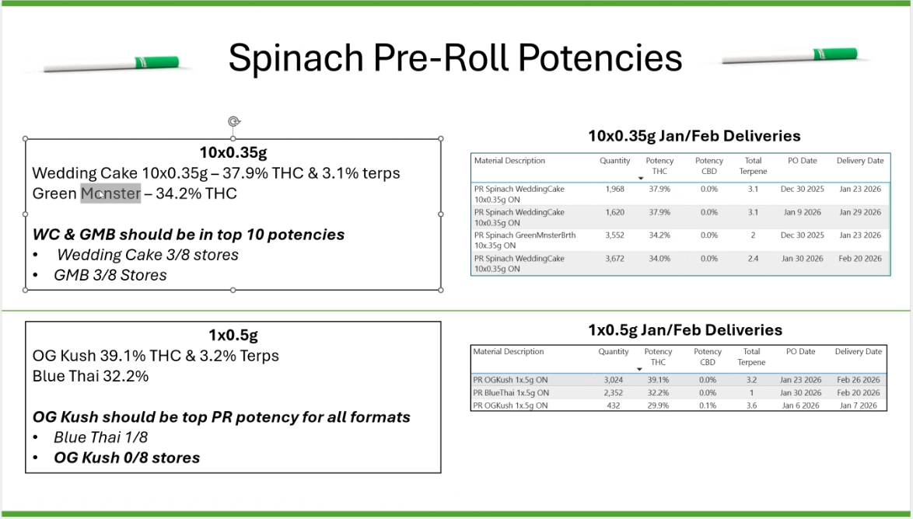
Contact
Name | Zach Holle
Email | zachary.holle@thecronosgroup.com
Number | 4373439217

Terms | 7% on COGS - Billed at Flat Rate of $3,600

Notes | Our oldest LP agreement
 | Based on maintaining a minimum of Cronos products (6%)
 | Zach wants to increase promotions, LTOs, sales contests, etc.

 | 10 market share by end of march
 | true ups - AGCO flags varying bills
 |  | Description
 | May | Competetive Data Fees
 | Wonder Boom speakers spinach branded | LTO and True Ups
 | tradiotional pre-roll | separate
 | Staff Incentive
 | 8 speakers - 1 per store
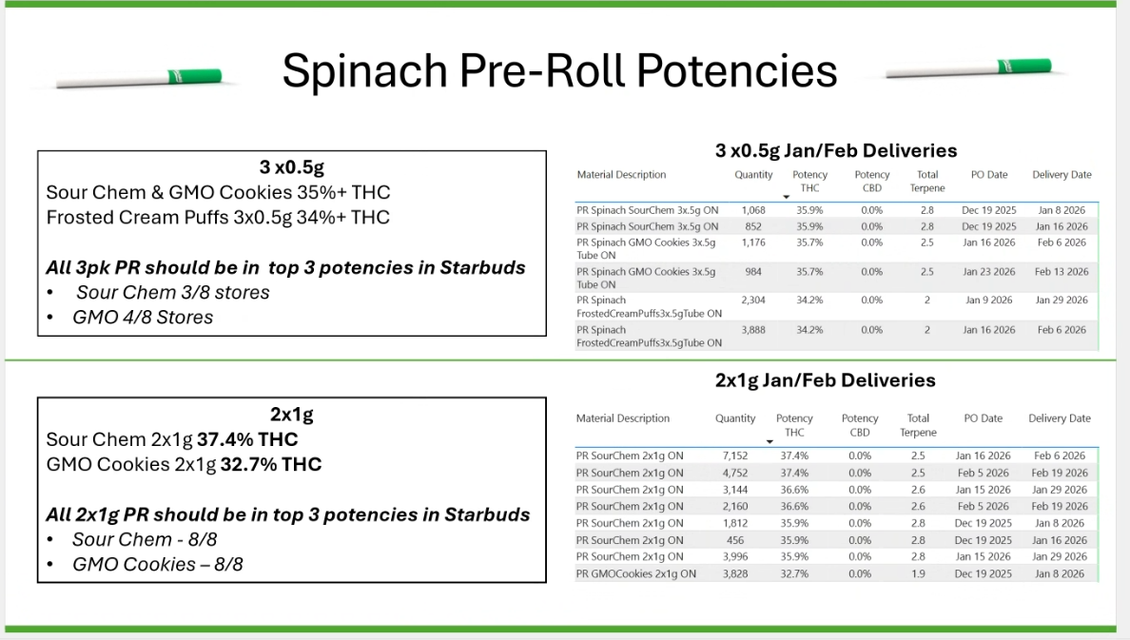
 | 20-25% dip with other stores

Brands | Lord Jones
 | Peace Naturals
 | Spinach

Billing
Company | Peace Naturals Project Inc.
Address | 4491 Concession Rd 12 Stayner, ON L0M 1S0
ATTN | Zach Holle
Email | zachary.holle@thecronosgroup.com
Phone | 4373439217

Cadence | Monthly

Terms | Net 30

Method | e-Transfer
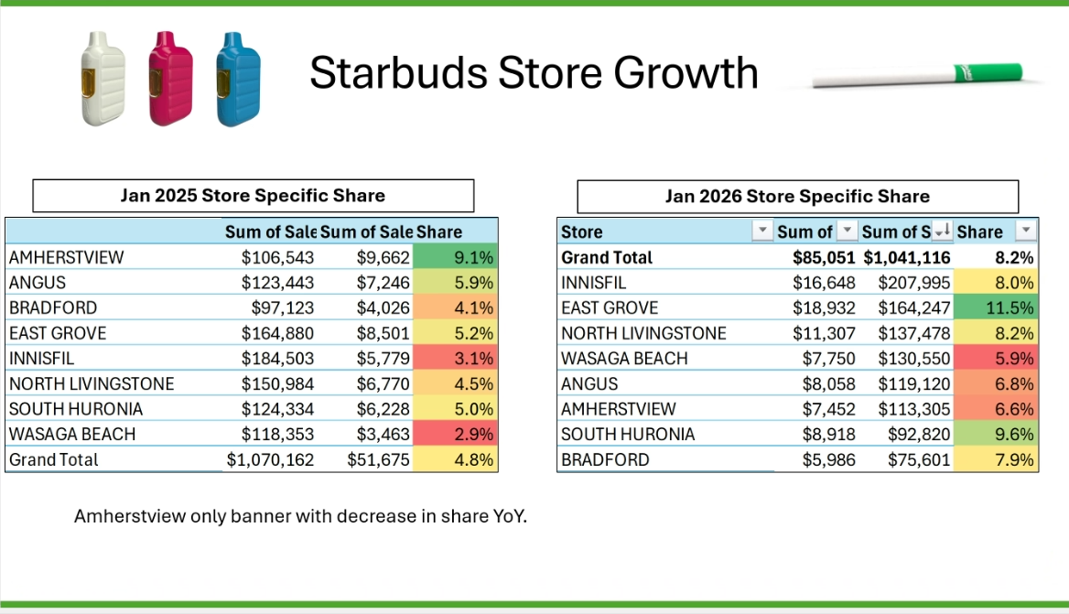
 | $4-500 max staff incentive
 | 10% wholesale - Pre-Rolls
 | FIKA - $99 ounce program but no LTOs on higher price items

 | Higher $ monthly needs higher commitment and accountability

LP Template (2)
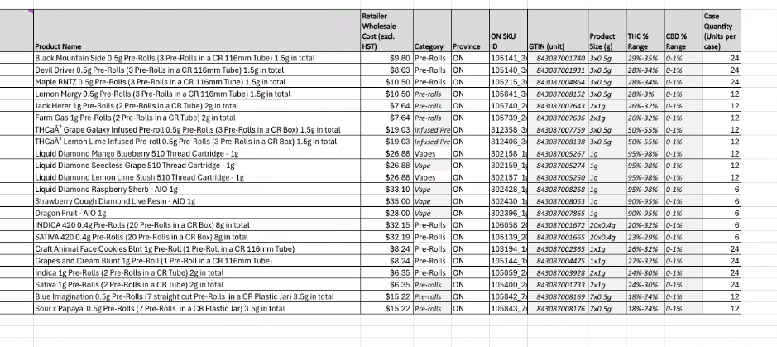
Contact
Name |  | Jen
Email
Number |  | Gil Koren

Terms

Notes | Notes | Wants to lean into us specifically, not SKU level

Brands |  | Weed Me sales, market share
 |  | Menu market share,
 |  | 90 day ramp up, tracking, 6% on weed me portfolio
Billing |  | Continue to participate through canna collective
Company
Address |  | What is the market share
ATTN
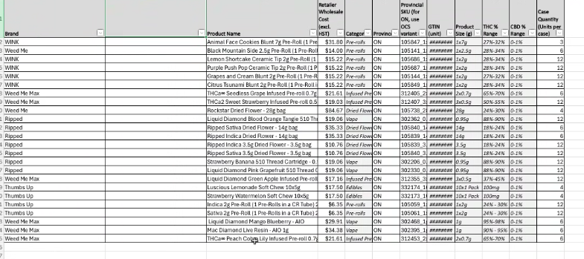
Email |  | Input on portfolio
Phone |  | 20 core SKU list

Cadence |  | two lists, pick 20 total

Terms

 |  | Wasaga - Liquid Diamond Weed Me Max
 |  | Infused
 |  | 2x1g jack herrere

 |  | 5% of our market share

 |  | OK, Swag, Sampling, focus for this stream

 |  | menu market share versus sales market share

