Manual
1) Go to the sheet named after the current month!

2) Create a list of habits you want to track
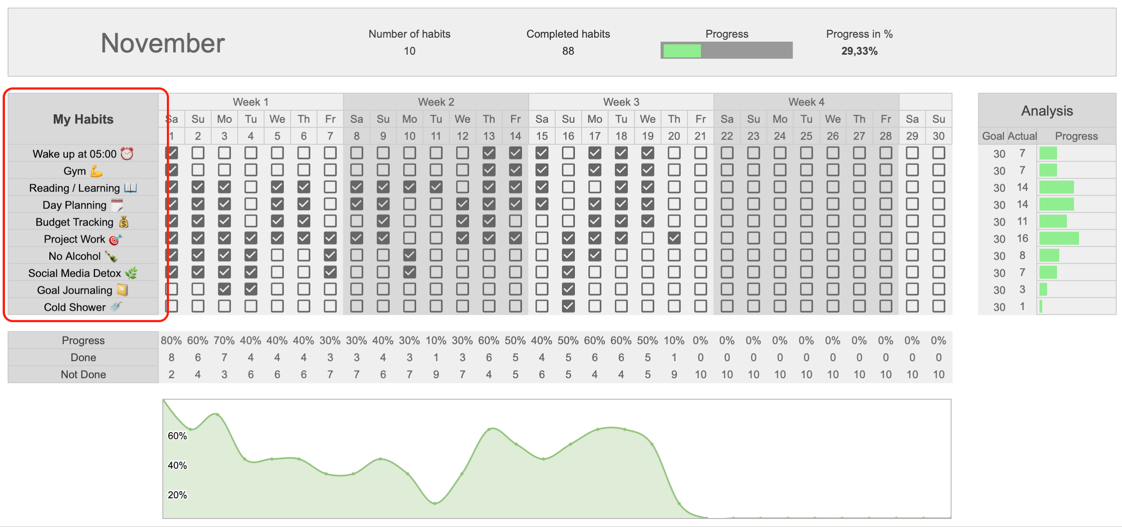

3) Mark your habit completion every day! The results of some habits aren't immediately visible – the key is to keep going. The chart will help you track your progress!

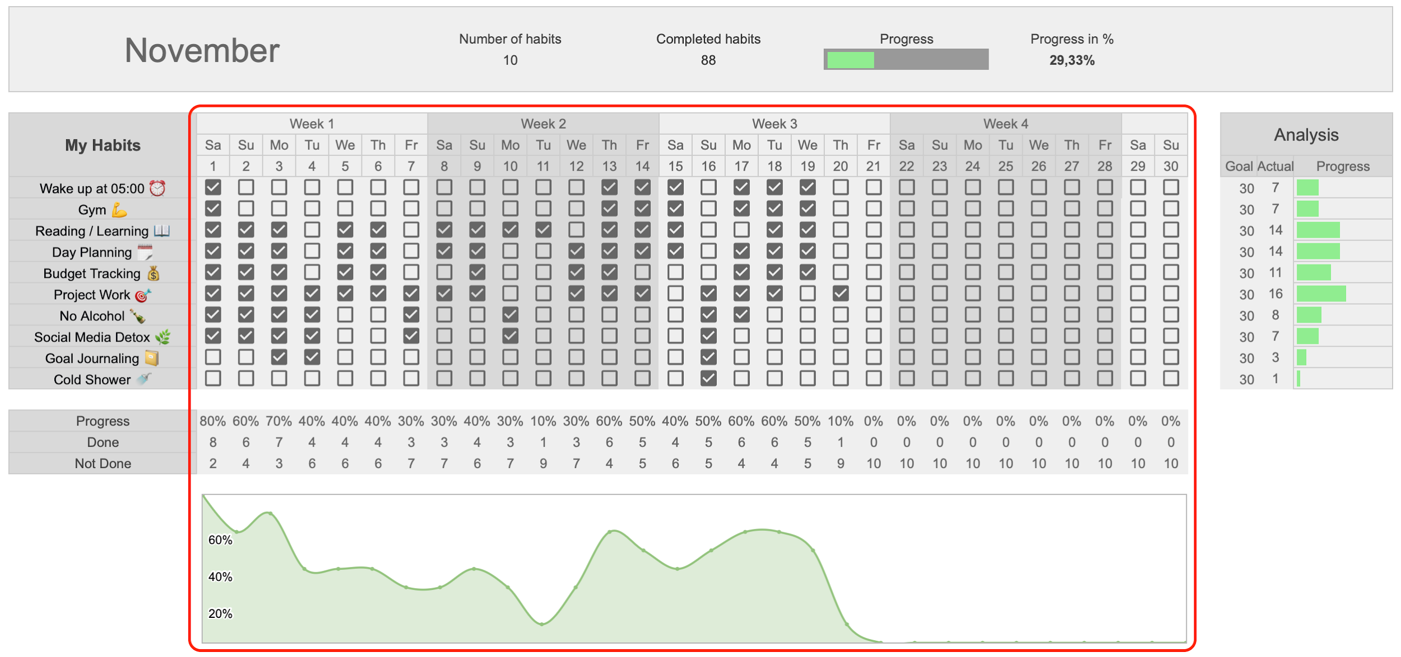

4) Don't forget about your emotional state!

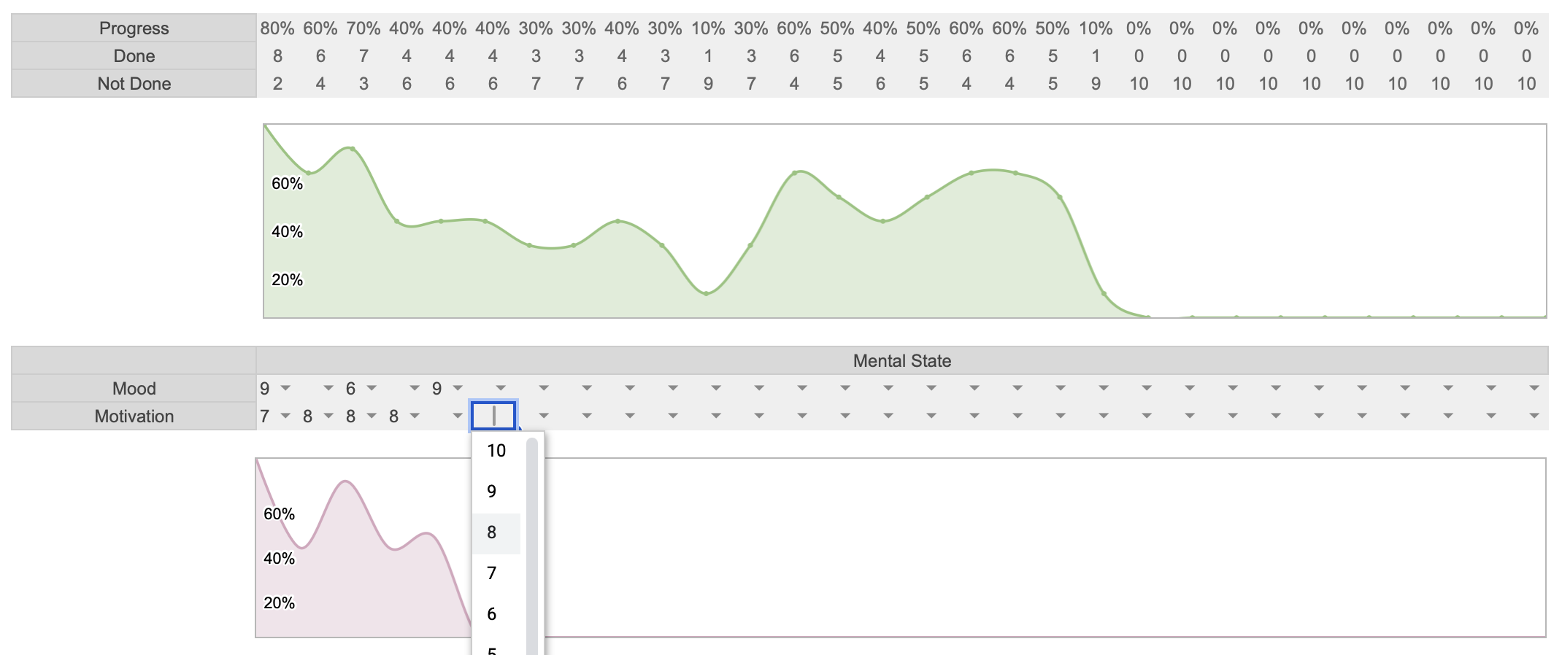

5) Go to the "Dashboard" sheet.

6) Analyze your monthly habit progress! The chart shows which month you were most effective in!
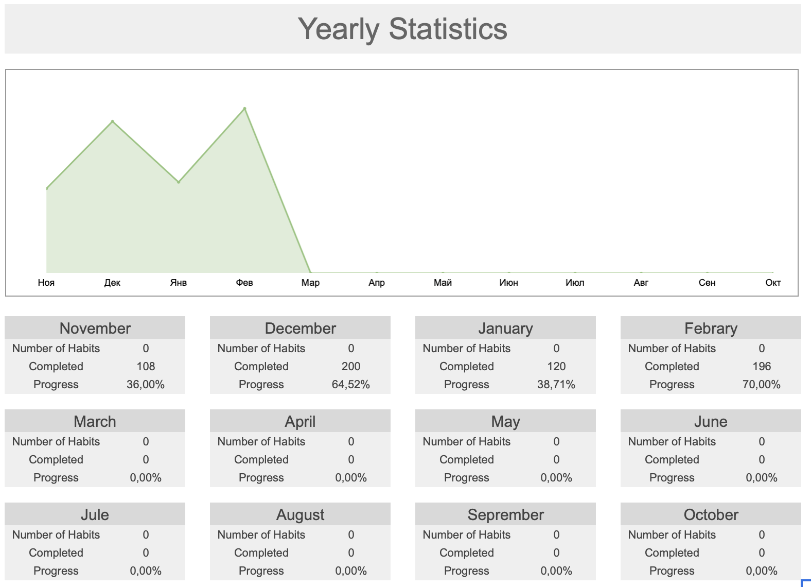

Done! You now have your own copy of the tracker to work with and customize. Use the tracker every day and watch how small steps lead to big results! If you have any questions, email us at: focus_lab@mail.ru

