Лист1
t |  |  |  |  | Р0 | 12 | 4 | https://ru.wikipedia.org/wiki/%D0%9A%D1%80%D0%B8%D0%B2%D0%B0%D1%8F_%D0%91%D0%B5%D0%B7%D1%8C%D0%B5
0 | 12 | 4 | 12 | 4 | р1 | 80 | 15 | https://www.jasondavies.com/animated-bezier/
0.05 | 16.15 | 4.05 | 18.6675 | 5.0475 | Р2 | 95 | 5 | https://coderoad.ru/2301743/%D0%9A%D0%B0%D0%BA-%D0%B2%D1%8B-%D0%BC%D0%BE%D0%B6%D0%B5%D1%82%D0%B5-%D0%BD%D0%B0%D1%80%D0%B8%D1%81%D0%BE%D0%B2%D0%B0%D1%82%D1%8C-%D0%BA%D1%80%D0%B8%D0%B2%D1%83%D1%8E-bezier-%D0%B2-Matlab
0.1 | 20.3 | 4.1 | 25.07 | 5.99 |  |  |  | https://www.cnblogs.com/begtostudy/archive/2010/07/29/1787963.html
0.15 | 24.45 | 4.15 | 31.2075 | 6.8275 |  |  |  | https://habr.com/ru/post/344814/ | Безье собака Пикассо
0.2 | 28.6 | 4.2 | 37.08 | 7.56 |  |  |  | http://j2kun.github.io/bezier/index.html | IMPLEMENTING FUZZY POLYNOMIAL INTERPOLATION (FPI) AND FUZZY LINEAR REGRESSION (LFR)
0.25 | 32.75 | 4.25 | 42.6875 | 8.1875 |  |  |  | https://core.ac.uk/download/pdf/236002106.pdf | Fuzzy polynomial regression with fuzzy neural networks
0.3 | 36.9 | 4.3 | 48.03 | 8.71 |  |  |  | https://www.sciencedirect.com/science/article/pii/S0307904X11002861
0.35 | 41.05 | 4.35 | 53.1075 | 9.1275
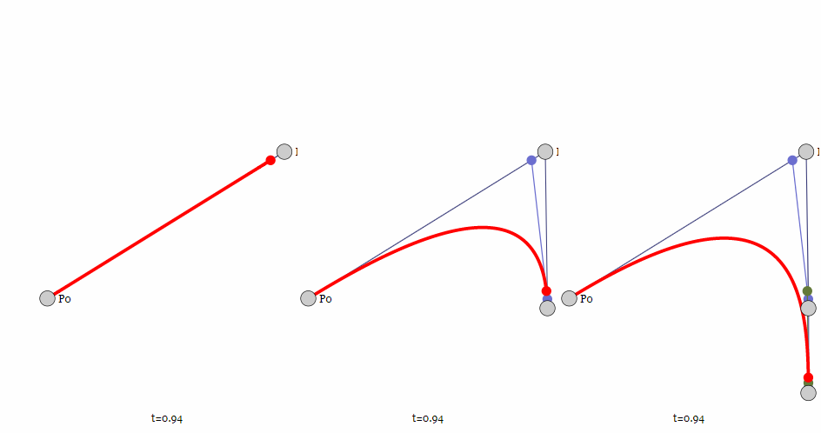
0.4 | 45.2 | 4.4 | 57.92 | 9.44
0.45 | 49.35 | 4.45 | 62.4675 | 9.6475
0.5 | 53.5 | 4.5 | 66.75 | 9.75
0.55 | 57.65 | 4.55 | 70.7675 | 9.7475
0.6 | 61.8 | 4.6 | 74.52 | 9.64
0.65 | 65.95 | 4.65 | 78.0075 | 9.4275
0.7 | 70.1 | 4.7 | 81.23 | 9.11
0.75 | 74.25 | 4.75 | 84.1875 | 8.6875
0.8 | 78.4 | 4.8 | 86.88 | 8.16
0.85 | 82.55 | 4.85 | 89.3075 | 7.5275
0.9 | 86.7 | 4.9 | 91.47 | 6.79
0.95 | 90.85 | 4.95 | 93.3675 | 5.9475
1 | 95 | 5 | 95 | 5

