6. Visualisations
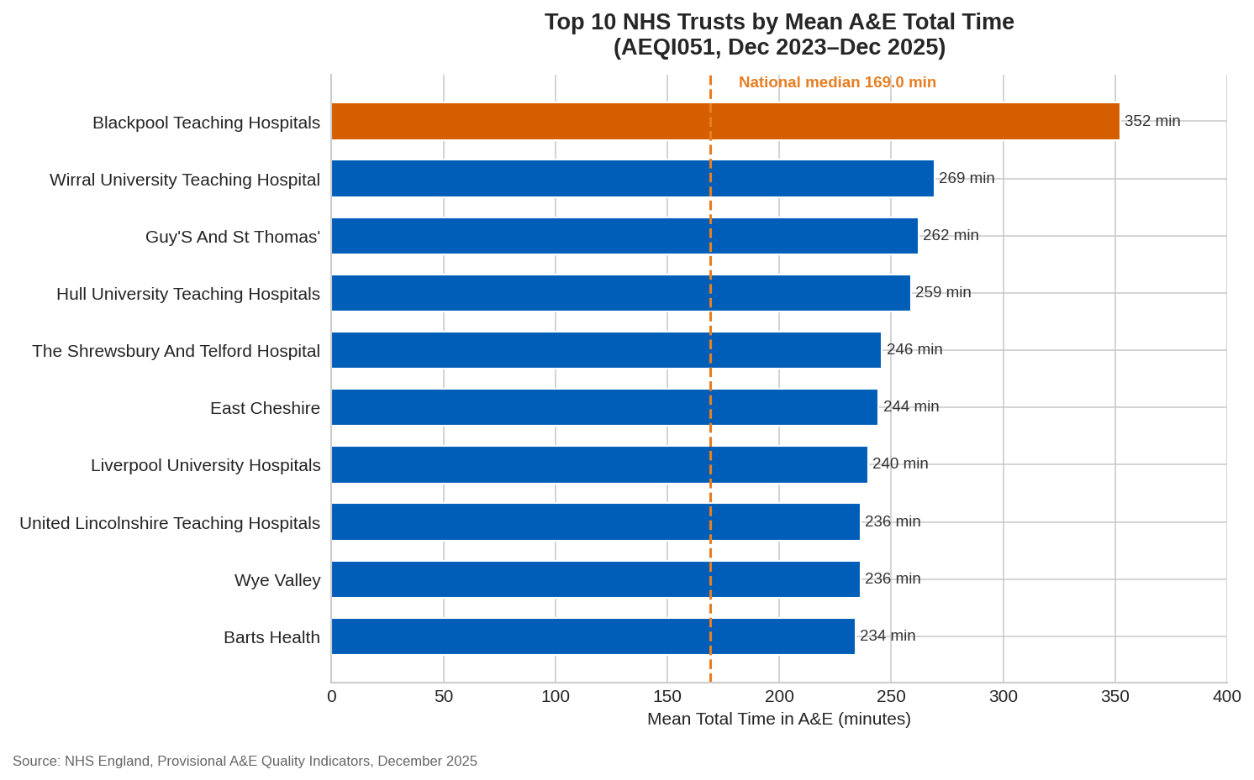
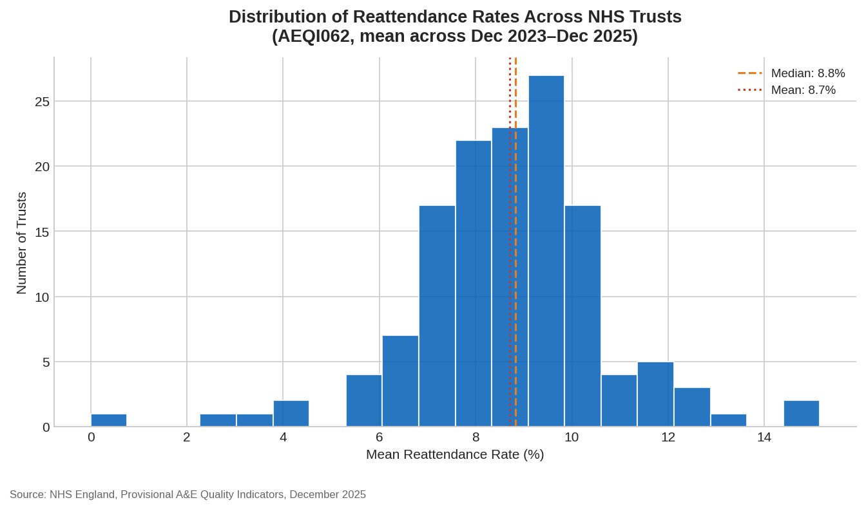

Blackpool Teaching Hospitals has the longest average A&E wait at 352 minutes, 83 minutes above the next worst Trust. | About ~27 Trusts have reattendance rates above 10%, forming a distinct high-risk group rather than random variation.

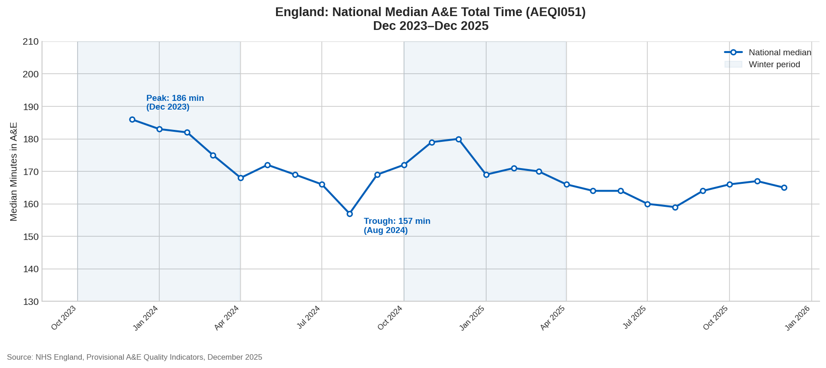
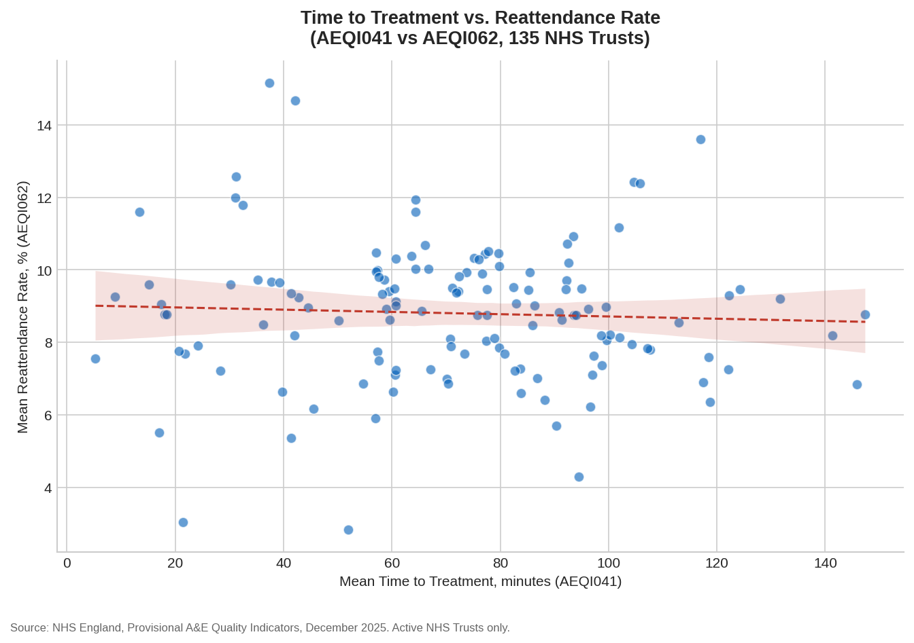

National A&E wait times peaked at 186 minutes in December 2023 and have stabilised in a tighter 159–167 minute range since spring 2025. | Faster treatment times show no meaningful link to lower reattendance rates, two Trusts with the fastest treatment times actually have the highest reattendance rates in the dataset.

