Trouble_shooting
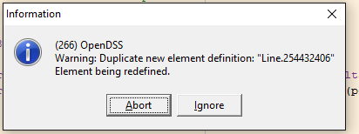
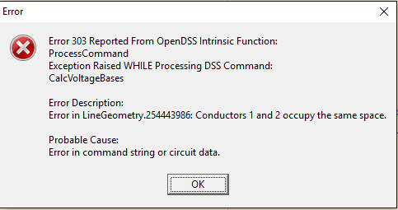

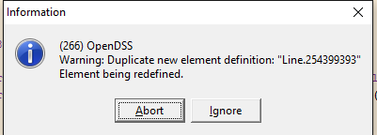

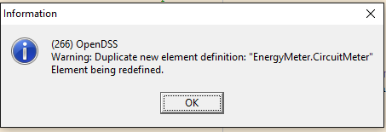
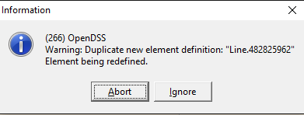
 |  |  |  | 254432406 | f1
 |  |  |  | 254432406 | f3 | Bus1=254432403.1.2.3 | Bus2=254432408.1.2.3

 |  |  |  | 254399393 | f1 | MOCKSVILLE_MN_03552401_REG.1.2.3 | Bus2=254399395
 |  |  |  | 254399393 | f3 | Bus1=MOCKSVILLE_MN_03552401.1.2.3 | Bus2=254399395.1.2.3

 |  |  |  | 482825962 | f1 | Bus1=254432408.1.2.3 | Bus2=264425698.1.2.3
 |  |  |  | 482825962 | f3 | Bus1=264425698.1.2.3 | Bus2=254432408.1.2.3

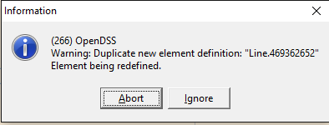
254443986 | Spacing=8'-ARM-NON-CENTER-POST-3PH |  | f3 | 469362652 | f1 | Bus1=259322334.1.2.3 | Bus2=493539622.1.2.3
 | 254443983.1.2.3 | Bus2=254443988.1.2.3 |  |  | f4 | Bus1=493539622.1.2.3 | Bus2=259322334.1.2.3

 |  |  |  |  |  | 254443986

