Sheet1
AC PP | DC Design | AC INV | # Modules | Panel Size (Wp) | # Inv. | Inv. Ratings (kW_AC)
1981 | 2572.5 | 2500 | 10,500 | 245 | 5 | 500
5000 | 6240 | 5000 | 26,000 | 240 | 10 | 500
1890 | 2152.32 | 1890 | 7,296 | 295 | 3 | 630
3000 | 3724.38 | 3000 | 13,068 | 285 | 6 | 500
4000 | 4965.84 | 4000 | 17,424 | 285 | 8 | 500
4998 | 6498 | 5280 | 21,660 | 300 | 6 | 880
4950 | 6498 | 5250 | 21,660 | 300 | 7 | 750
5000 | 6498 | 5600 | 21,660 | 300 | 7 | 800
5000 | 6207.3 | 5000 | 21,780 | 285 | 10 | 500
1430 | 1998 | 1500 | 7,400 | 270 | 3 | 500
5000 | 6207.3 | 5000 | 21,780 | 285 | 10 | 500
5000 | 6207.3 | 5000 | 21,780 | 285 | 10 | 500
3000 | 3724.38 | 3000 | 13,068 | 285 | 6 | 500
1990 | 595.08 | 2000 | 2,052 | 290 | 4 | 500
4500 | 6119.4 | 4500 | 26,040 | 235 | 9 | 500
3200 | 4550.1 | 3200 | 15,167 | 300 | 4 | 800
1996.4 | 1996.4 | 2000 | 8,680 | 230 | 4 | 500
5000 | 6656.32 | 5400 | 21,472 | 310 | 6 | 900
2500 | 2572.5 | 2500 | 10,500 | 245 | 5 | 500
1990 | 3360 | 2000 | 12,000 | 280 | 4 | 500
2000 | 2468.48 | 2000 | 8,512 | 290 | 4 | 500
1500 | 1595.44 | 1500 | 5,698 | 280 | 3 | 500
3000 | 3724.38 | 3000 | 13,068 | 285 | 6 | 500
5000 | 6207.3 | 5000 | 21,780 | 285 | 10 | 500
2000 | 2572.5 | 2000 | 10,500 | 245 | 4 | 500
4998 | 6498 | 5280 | 21,660 | 300 | 6 | 880
5000 | 6492 | 5000 | 21,640 | 300 | 5 | 1000
5000 | 6207.3 | 5000 | 21,780 | 285 | 10 | 500
1999 | 1999.2 | 2000 | 6,664 | 300 | 4 | 500
4875 | 5950.8 | 5000 | 20,520 | 290 | 10 | 500
4950 | 6656.32 | 5400 | 21,472 | 310 | 6 | 900
3000 | 3724.38 | 3000 | 13,068 | 285 | 6 | 500
4998 | 6498 | 5280 | 21,660 | 300 | 6 | 880
4998 | 6498 | 5280 | 21,660 | 300 | 6 | 880
5000 | 6207.3 | 5000 | 21,780 | 285 | 10 | 500
4998 | 6498 | 5280 | 21,660 | 300 | 6 | 880
1989 | 2572.5 | 2500 | 10,500 | 245 | 5 | 500
5000 | 6207.3 | 5000 | 21,780 | 285 | 10 | 500

Sheet2
1583 US 221 South | Forest City

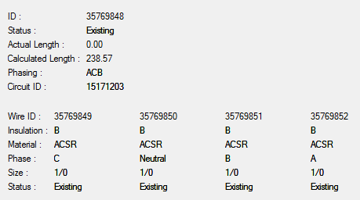
 |  | 35.3232608 | -81.93510223 | 1124645 | 585520

