Report Cover Page
 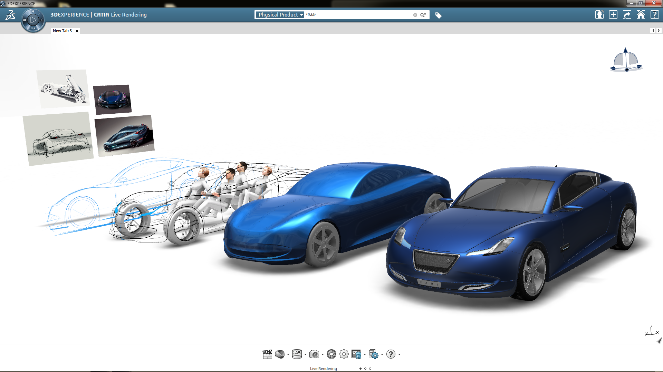 
LICENSE USAGE REPORTING PERIOD
Period: 2018-01-01 to 2018-01-31

Automated report v1.02 Nov 2015 generated by Altair SAO on 2018-02-15 19:26:20

Vendors Chart
Vendors By Software Denials
 | Vendor Denials | Vendor Denials
msc_france | 11 | 11
catia_uk | 15 | 15
samcef_france | 318 | 318
0 | 1206 | 1206
samcef_europe | 64 | 64
msc_toulouse | 17 | 17
catia_france | 5238 | 5238
Vendor Ranking By Usage Hours
 | Usage Hours
samcef_europe | 55.0
abaqus_toulouse | 410.0
see_lm2_france | 504.9
msc_toulouse | 2300.0
msc_europe | 4290.0
catia_uk | 9995.0
samcef_france | 14729.9
dsls_france | 34015.0
Pool_MSC | 63089.2
Pool_DS | 116990.0
msc_france | 119623.3
catia_france | 573070.0
altair_france | 820109.8

