Sheet1
1 | Initial library import / set default plt setting

2
3 | Load the dataset

4 |  | Date | Location | MinTemp | MaxTemp | Rainfall | Evaporation | Sunshine | WindGustDir | WindGustSpeed | WindDir9am | ... | Humidity9am | Humidity3pm | Pressure9am | Pressure3pm | Cloud9am | Cloud3pm | Temp9am | Temp3pm | RainToday | RainTomorrow
 | 0 | 2009-01-16 | Albury | 14.9 | 26.7 | 0 |  |  | SW | 56 | WSW | ... | 46 | 20 | 1014.1 | 1012.7 |  |  | 18 | 25.5 | No | No
 | 1 | 2009-01-24 | Albury | 20.8 | 30.6 | 0 |  |  | W | 54 | W | ... | 41 | 21 | 1005.4 | 1007.6 |  |  | 23.3 | 29.7 | No | No
 | 2 | 2009-01-25 | Albury | 14 | 34.3 | 0 |  |  | WSW | 24 | ESE | ... | 44 | 10 | 1016.5 | 1014.6 |  |  | 21.2 | 32.1 | No | No
 | 3 | 2009-03-09 | Albury | 13.8 | 31.8 | 0 |  |  | NNE | 24 | SSE | ... | 49 | 28 | 1019.7 | 1015.9 |  |  | 18.6 | 30.5 | No | No
 | 4 | 2009-05-29 | Albury | 2.2 | 16.5 | 0 |  |  | ESE | 33 |  | ... | 67 | 44 | 1025.6 | 1024 |  |  | 10.2 | 15.9 | No | No

5 | Date object
 | Location object
 | MinTemp float64
 | MaxTemp float64
 | Rainfall float64
 | Evaporation float64
 | Sunshine float64
 | WindGustDir object
 | WindGustSpeed float64
 | WindDir9am object
 | WindDir3pm object
 | WindSpeed9am float64
 | WindSpeed3pm float64
 | Humidity9am float64
 | Humidity3pm float64
 | Pressure9am float64
 | Pressure3pm float64
 | Cloud9am float64
 | Cloud3pm float64
 | Temp9am float64
 | Temp3pm float64
 | RainToday object
 | RainTomorrow object
 | dtype: object

6 | Initial data preparation

7
8 | Date datetime64[ns]
 | Location object
 | MinTemp float64
 | MaxTemp float64
 | Rainfall float64
 | Evaporation float64
 | Sunshine float64
 | WindGustDir object
 | WindGustSpeed float64
 | WindDir9am object
 | WindDir3pm object
 | WindSpeed9am float64
 | WindSpeed3pm float64
 | Humidity9am float64
 | Humidity3pm float64
 | Pressure9am float64
 | Pressure3pm float64
 | Cloud9am float64
 | Cloud3pm float64
 | Temp9am float64
 | Temp3pm float64
 | RainToday object
 | RainTomorrow object
 | dtype: object

9
10 |  | Date | Location | MinTemp | MaxTemp | Rainfall | Evaporation | Sunshine | WindGustDir | WindGustSpeed | WindDir9am | ... | Humidity9am | Humidity3pm | Pressure9am | Pressure3pm | Cloud9am | Cloud3pm | Temp9am | Temp3pm | RainToday | RainTomorrow
 | 917 | 2007-12-19 | Canberra | 12.8 | 21 | 0 | 6.4 | 0.8 | NE | 22 | NE | ... | 72 | 54 | 1018 | 1015.6 | 8 | 8 | 16.1 | 20 | No | Yes
 | 918 | 2007-12-21 | Canberra | 14.8 | 29.5 | 6.4 | 1.8 | 8.1 | N | 41 | NW | ... | 81 | 48 | 1012.9 | 1008.3 | 2 | 7 | 21 | 28.2 | Yes | Yes
 | 622 | 2008-03-19 | Sydney | 19.9 | 26.9 | 0 | 6.6 | 6.3 |  |  | SSE | ... | 70 | 60 | 1021.2 | 1019.4 | 5 | 7 | 23.9 | 24.9 | No | No
 | 623 | 2008-04-04 | Sydney | 11.2 | 22.2 | 0 | 7.6 | 10.6 |  |  | W | ... | 47 | 37 | 1020.8 | 1019.2 | 1 | 0 | 13.9 | 21 | No | No
 | 919 | 2008-04-06 | Canberra | 5.9 | 21.8 | 0 | 2.8 | 9.3 | E | 35 | SSW | ... | 70 | 35 | 1028 | 1024.1 | 1 | 5 | 12.9 | 20.8 | No | No

11 | Check for NA values

12 | Date 0
 | Location 0
 | MinTemp 26
 | MaxTemp 26
 | Rainfall 56
 | Evaporation 1275
 | Sunshine 1386
 | WindGustDir 185
 | WindGustSpeed 184
 | WindDir9am 214
 | WindDir3pm 72
 | WindSpeed9am 35
 | WindSpeed3pm 50
 | Humidity9am 56
 | Humidity3pm 85
 | Pressure9am 291
 | Pressure3pm 291
 | Cloud9am 1174
 | Cloud3pm 1244
 | Temp9am 33
 | Temp3pm 61
 | RainToday 56
 | RainTomorrow 57
 | dtype: int64

13 |  | MinTemp | MaxTemp | Rainfall | Evaporation | Sunshine | WindGustSpeed | WindSpeed9am | WindSpeed3pm | Humidity9am | Humidity3pm | Pressure9am | Pressure3pm | Cloud9am | Cloud3pm | Temp9am | Temp3pm
 | count | 2974 | 2974 | 2944 | 1725 | 1614 | 2816 | 2965 | 2950 | 2944 | 2915 | 2709 | 2709 | 1826 | 1756 | 2967 | 2939
 | mean | 12.26039 | 23.251917 | 2.369871 | 5.542319 | 7.547336 | 39.755327 | 14.157167 | 18.568814 | 68.710258 | 51.696055 | 1017.721078 | 1015.312994 | 4.423877 | 4.441344 | 17.033738 | 21.708268
 | std | 6.591301 | 7.228495 | 7.874595 | 4.213599 | 3.791996 | 13.400941 | 8.832463 | 8.764341 | 19.592292 | 21.301096 | 7.182184 | 7.156272 | 2.913729 | 2.744272 | 6.65481 | 7.015295
 | min | -5.3 | -2.3 | 0 | 0 | 0 | 11 | 0 | 0 | 0 | 0 | 987.1 | 982.2 | 0 | 0 | -3.4 | -3.2
 | 25% | 7.5 | 18 | 0 | 2.6 | 4.7 | 31 | 7 | 13 | 57 | 37 | 1013.1 | 1010.5 | 1 | 2 | 12.35 | 16.7
 | 50% | 12.15 | 22.7 | 0 | 4.8 | 8.4 | 39 | 13 | 17 | 70 | 52 | 1017.6 | 1015.1 | 5 | 5 | 16.8 | 21.1
 | 75% | 17 | 28.4 | 0.8 | 7.4 | 10.6 | 46 | 19 | 24 | 83 | 66 | 1022.4 | 1020.1 | 7 | 7 | 21.6 | 26.6
 | max | 31.9 | 44.1 | 172.2 | 50.8 | 13.7 | 98 | 74 | 69 | 100 | 100 | 1038.8 | 1036.8 | 8 | 8 | 37.7 | 43

14 | Explore the date value

15 | /tmp/ipykernel_1995001/3984509456.py:1: FutureWarning: Treating datetime data as categorical rather than numeric in `.describe` is deprecated and will be removed in a future version of pandas. Specify `datetime_is_numeric=True` to silence this warning and adopt the future behavior now.
 | dataset["Date"].describe()

 | count 3000
 | unique 1939
 | top 2016-02-20 00:00:00
 | freq 6
 | first 2007-12-19 00:00:00
 | last 2017-06-25 00:00:00
 | Name: Date, dtype: object

16 | Explore the locations value

17 | count 3000
 | unique 49
 | top Albury
 | freq 79
 | Name: Location, dtype: object

18
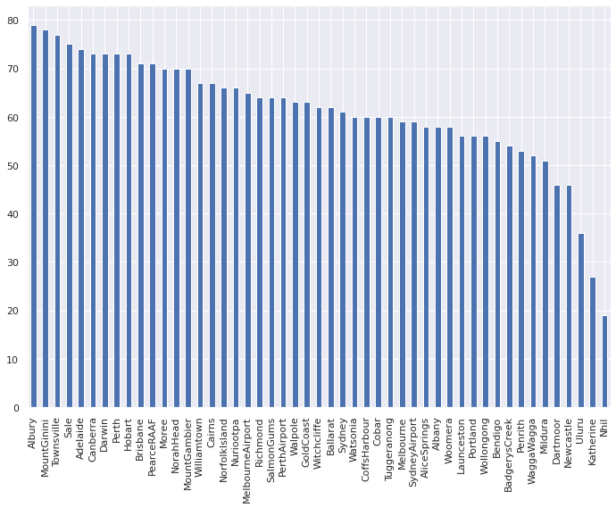

19 | Explore the rainfall attribute

20 | Explore the Min Temp attribute

21 | count 2974.000000
 | mean 12.260390
 | std 6.591301
 | min -5.300000
 | 25% 7.500000
 | 50% 12.150000
 | 75% 17.000000
 | max 31.900000
 | Name: MinTemp, dtype: float64

22 | /tmp/ipykernel_1995001/4070892354.py:1: MatplotlibDeprecationWarning: Case-insensitive properties were deprecated in 3.3 and support will be removed two minor releases later
 | sns.boxplot(data = dataset['MinTemp'],x=dataset['MinTemp']).set(xlabel='Degrees Celsius',yLabel="MinTemp")

 | [Text(0.5, 0, 'Degrees Celsius'), Text(0, 0.5, 'MinTemp')]

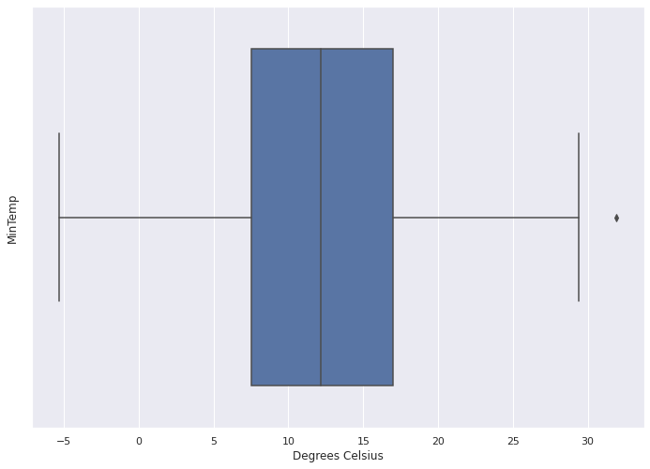

23 | Explore the Max Temp attribute

24 | count 2974.000000
 | mean 23.251917
 | std 7.228495
 | min -2.300000
 | 25% 18.000000
 | 50% 22.700000
 | 75% 28.400000
 | max 44.100000
 | Name: MaxTemp, dtype: float64

25 | /tmp/ipykernel_1995001/2712523240.py:1: MatplotlibDeprecationWarning: Case-insensitive properties were deprecated in 3.3 and support will be removed two minor releases later
 | sns.boxplot(data = dataset['MaxTemp'],x=dataset['MaxTemp']).set(xlabel='Degrees Celsius',yLabel="MaxTemp")

 | [Text(0.5, 0, 'Degrees Celsius'), Text(0, 0.5, 'MaxTemp')]

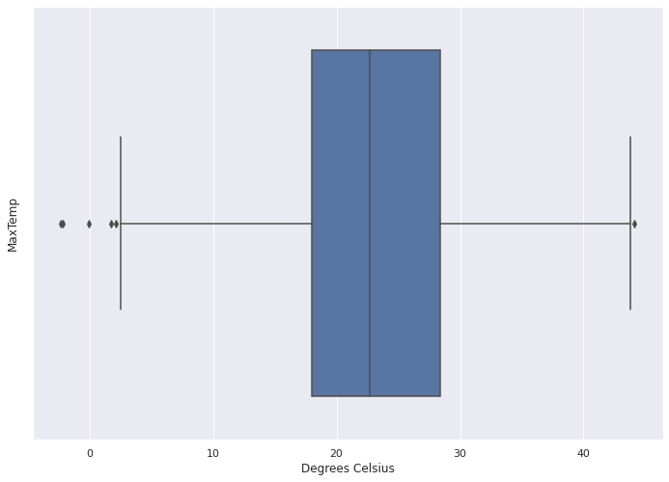

26 | Explore the Rainfall attribute

27 | count 2944.000000
 | mean 2.369871
 | std 7.874595
 | min 0.000000
 | 25% 0.000000
 | 50% 0.000000
 | 75% 0.800000
 | max 172.200000
 | Name: Rainfall, dtype: float64

28 | 56

29 | Rainfall
 | (-0.001, 10.0] 2748
 | (10.0, 20.0] 121
 | (20.0, 30.0] 37
 | (30.0, 40.0] 14
 | (50.0, 100.0] 14
 | (40.0, 50.0] 8
 | (100.0, 200.0] 2

 | <AxesSubplot:>

 | <Figure size 1440x1080 with 0 Axes>

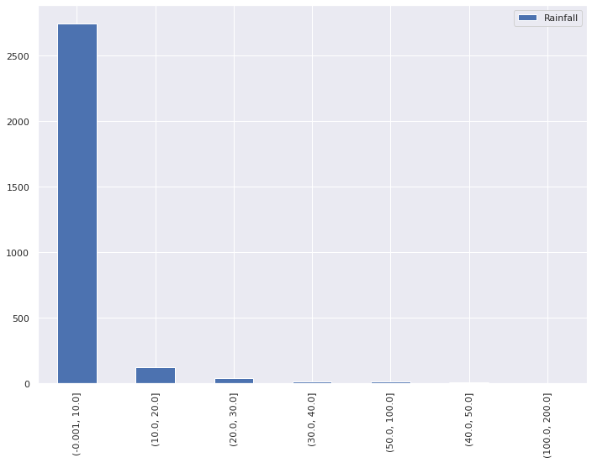

30 | 1275

31 | It seems that the data of the Evaporation columns have a lot of NA in it

32 | count 1725.000000
 | mean 5.542319
 | std 4.213599
 | min 0.000000
 | 25% 2.600000
 | 50% 4.800000
 | 75% 7.400000
 | max 50.800000
 | Name: Evaporation, dtype: float64

33 | /tmp/ipykernel_1995001/4232871122.py:1: MatplotlibDeprecationWarning: Case-insensitive properties were deprecated in 3.3 and support will be removed two minor releases later
 | sns.boxplot(data = dataset['Evaporation'],x=dataset['Evaporation']).set(xlabel='millimetres',yLabel="Evaporation")

 | [Text(0.5, 0, 'millimetres'), Text(0, 0.5, 'Evaporation')]

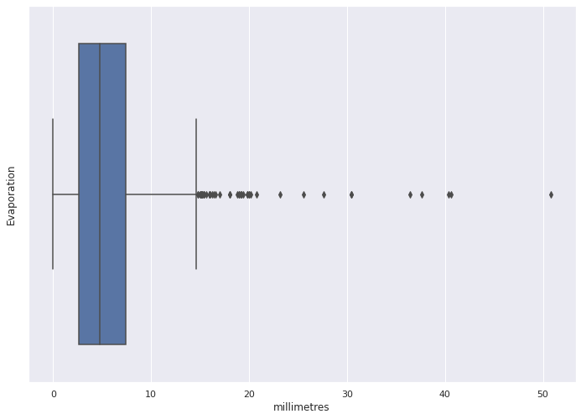

34 | 1386

35 | The same also goes to the SunShine Attribute

36 | count 1614.000000
 | mean 7.547336
 | std 3.791996
 | min 0.000000
 | 25% 4.700000
 | 50% 8.400000
 | 75% 10.600000
 | max 13.700000
 | Name: Sunshine, dtype: float64

37 | /tmp/ipykernel_1995001/3739194680.py:1: MatplotlibDeprecationWarning: Case-insensitive properties were deprecated in 3.3 and support will be removed two minor releases later
 | sns.boxplot(data = dataset['Sunshine'],x=dataset['Sunshine']).set(xlabel='Hours',yLabel="Sun Shine")

 | [Text(0.5, 0, 'Hours'), Text(0, 0.5, 'Sun Shine')]

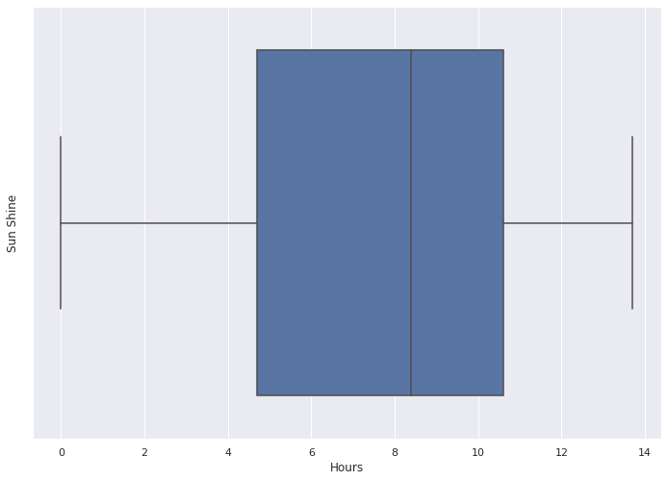

38 | Evaluate the Wind Gust Dir Attribute

39
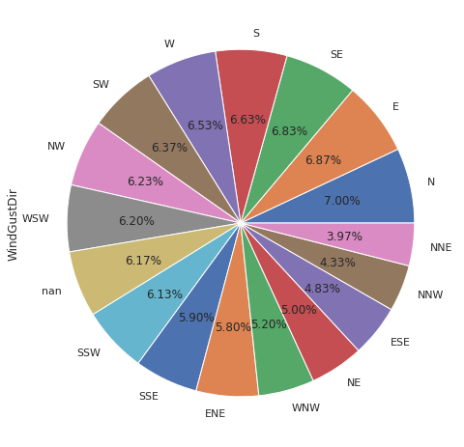

40
41 | count 2816.000000
 | mean 39.755327
 | std 13.400941
 | min 11.000000
 | 25% 31.000000
 | 50% 39.000000
 | 75% 46.000000
 | max 98.000000
 | Name: WindGustSpeed, dtype: float64

42 | /tmp/ipykernel_1995001/2957407090.py:1: MatplotlibDeprecationWarning: Case-insensitive properties were deprecated in 3.3 and support will be removed two minor releases later
 | sns.boxplot(data = dataset['WindGustSpeed'],x=dataset['WindGustSpeed']).set(xlabel='km/h',yLabel="WindGustSpeed")

 | [Text(0.5, 0, 'km/h'), Text(0, 0.5, 'WindGustSpeed')]

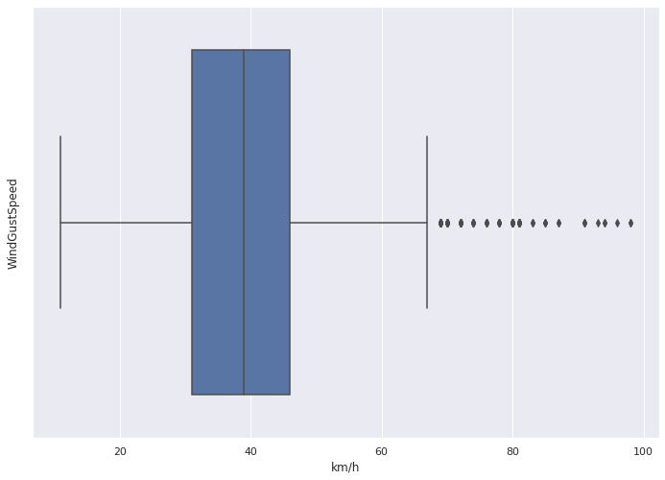

43
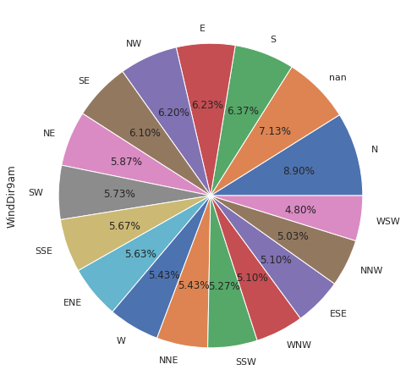

44
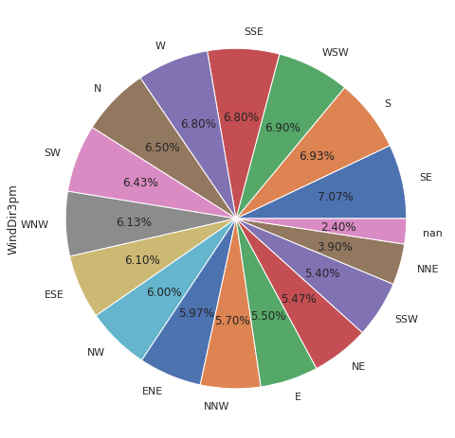

45
46 | count 2965.000000
 | mean 14.157167
 | std 8.832463
 | min 0.000000
 | 25% 7.000000
 | 50% 13.000000
 | 75% 19.000000
 | max 74.000000
 | Name: WindSpeed9am, dtype: float64

47 | /tmp/ipykernel_1995001/1607886833.py:1: MatplotlibDeprecationWarning: Case-insensitive properties were deprecated in 3.3 and support will be removed two minor releases later
 | sns.boxplot(data = dataset['WindSpeed9am'],x=dataset['WindSpeed9am']).set(xlabel='mm',yLabel="WindSpeed9am")

 | [Text(0.5, 0, 'mm'), Text(0, 0.5, 'WindSpeed9am')]

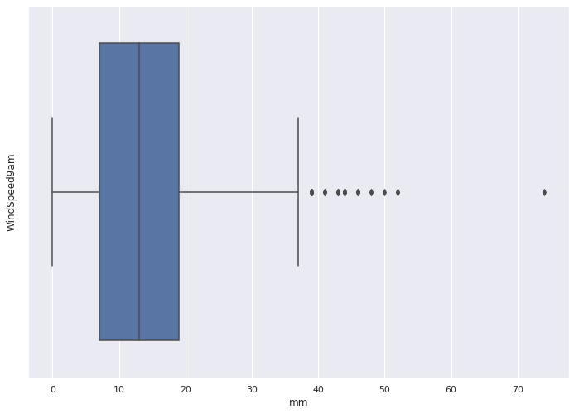

48 | count 2950.000000
 | mean 18.568814
 | std 8.764341
 | min 0.000000
 | 25% 13.000000
 | 50% 17.000000
 | 75% 24.000000
 | max 69.000000
 | Name: WindSpeed3pm, dtype: float64

49 | /tmp/ipykernel_1995001/2999812027.py:1: MatplotlibDeprecationWarning: Case-insensitive properties were deprecated in 3.3 and support will be removed two minor releases later
 | sns.boxplot(data = dataset['WindSpeed3pm'],x=dataset['WindSpeed3pm']).set(xlabel='mm',yLabel="WindSpeed3pm")

 | [Text(0.5, 0, 'mm'), Text(0, 0.5, 'WindSpeed3pm')]

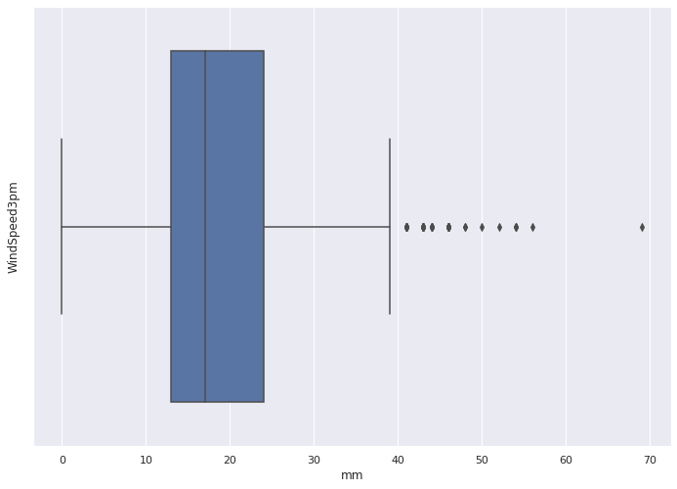

50 | count 2944.000000
 | mean 68.710258
 | std 19.592292
 | min 0.000000
 | 25% 57.000000
 | 50% 70.000000
 | 75% 83.000000
 | max 100.000000
 | Name: Humidity9am, dtype: float64

51 | /tmp/ipykernel_1995001/631722724.py:1: MatplotlibDeprecationWarning: Case-insensitive properties were deprecated in 3.3 and support will be removed two minor releases later
 | sns.boxplot(data = dataset['Humidity9am'],x=dataset['Humidity9am']).set(xlabel='%',yLabel="Humidity9am")

 | [Text(0.5, 0, '%'), Text(0, 0.5, 'Humidity9am')]

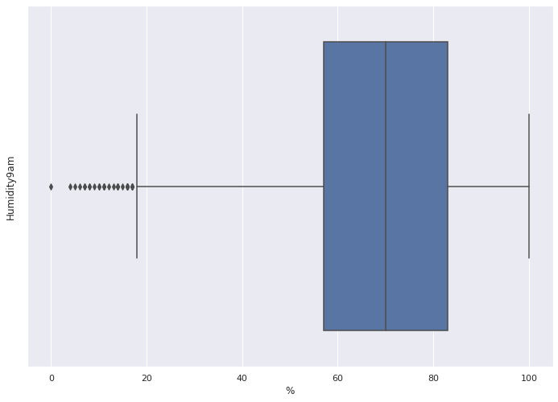

52 | /tmp/ipykernel_1995001/1608044409.py:1: MatplotlibDeprecationWarning: Case-insensitive properties were deprecated in 3.3 and support will be removed two minor releases later
 | sns.boxplot(data = dataset['Humidity3pm'],x=dataset['Humidity3pm']).set(xlabel='%',yLabel="Humidity3pm")

 | [Text(0.5, 0, '%'), Text(0, 0.5, 'Humidity3pm')]

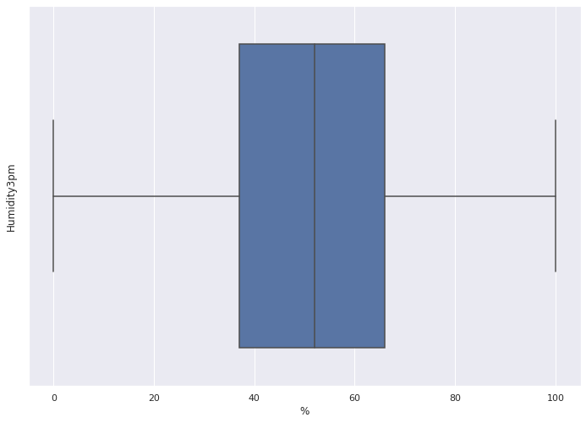

53 | /tmp/ipykernel_1995001/1441654184.py:1: MatplotlibDeprecationWarning: Case-insensitive properties were deprecated in 3.3 and support will be removed two minor releases later
 | sns.boxplot(data = dataset['Pressure9am'],x=dataset['Pressure9am']).set(xlabel='hectopascals',yLabel="Pressure9am")

 | [Text(0.5, 0, 'hectopascals'), Text(0, 0.5, 'Pressure9am')]

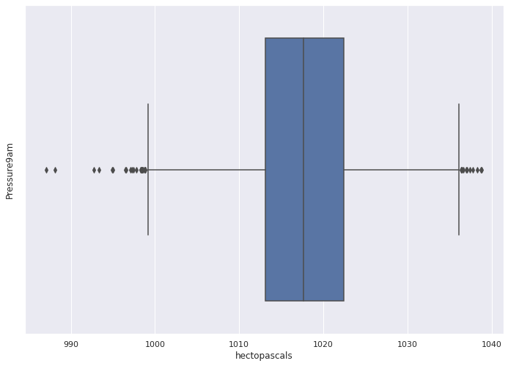

54 | /tmp/ipykernel_1995001/3582413965.py:1: MatplotlibDeprecationWarning: Case-insensitive properties were deprecated in 3.3 and support will be removed two minor releases later
 | sns.boxplot(data = dataset['Pressure3pm'],x=dataset['Pressure3pm']).set(xlabel='hectopascals',yLabel="Pressure3pm")

 | [Text(0.5, 0, 'hectopascals'), Text(0, 0.5, 'Pressure3pm')]



55 | 1174

56 | /tmp/ipykernel_1995001/456613822.py:1: MatplotlibDeprecationWarning: Case-insensitive properties were deprecated in 3.3 and support will be removed two minor releases later
 | sns.boxplot(data = dataset['Cloud9am'],x=dataset['Cloud9am']).set(xlabel='Eighth',yLabel="Cloud9am")

 | [Text(0.5, 0, 'Eighth'), Text(0, 0.5, 'Cloud9am')]

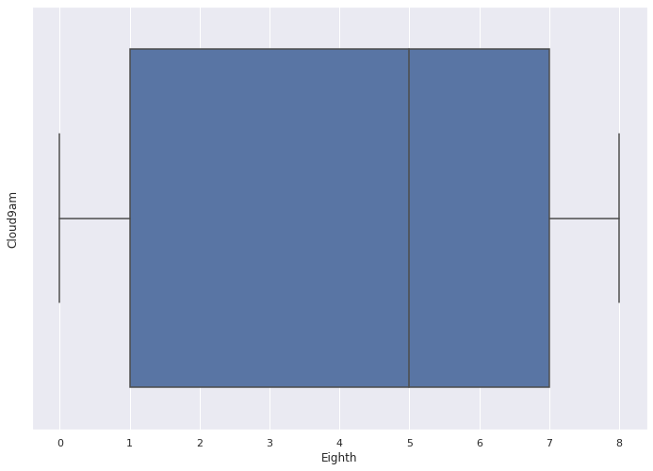

57 | 1244

58 | /tmp/ipykernel_1995001/3164725522.py:1: MatplotlibDeprecationWarning: Case-insensitive properties were deprecated in 3.3 and support will be removed two minor releases later
 | sns.boxplot(data = dataset['Cloud3pm'],x=dataset['Cloud3pm']).set(xlabel='Eighth',yLabel="Cloud3pm")

 | [Text(0.5, 0, 'Eighth'), Text(0, 0.5, 'Cloud3pm')]

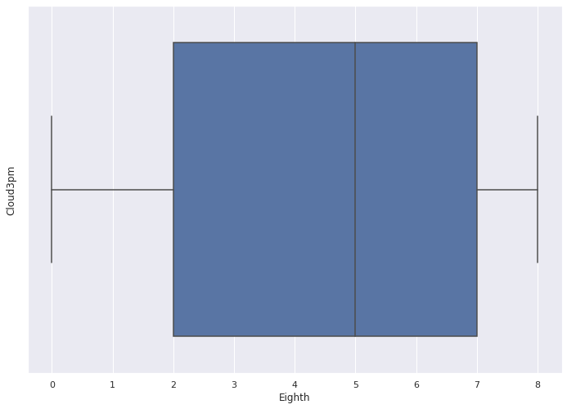

59 | /tmp/ipykernel_1995001/2965810282.py:1: MatplotlibDeprecationWarning: Case-insensitive properties were deprecated in 3.3 and support will be removed two minor releases later
 | sns.boxplot(data = dataset['Temp9am'],x=dataset['Temp9am']).set(xlabel='Degree Celsius',yLabel="Temp9am")

 | [Text(0.5, 0, 'Degree Celsius'), Text(0, 0.5, 'Temp9am')]



60 | /tmp/ipykernel_1995001/2395495787.py:1: MatplotlibDeprecationWarning: Case-insensitive properties were deprecated in 3.3 and support will be removed two minor releases later
 | sns.boxplot(data = dataset['Temp3pm'],x=dataset['Temp3pm']).set(xlabel='Degree Celsius',yLabel="Temp3pm")

 | [Text(0.5, 0, 'Degree Celsius'), Text(0, 0.5, 'Temp3pm')]



61 | Count the number of Yes/No value in RainToday/RainTomorrow

62 | Number of values NA in RainToday Attribute: 56
 | Number of values No in RainToday Attribute: 2268
 | Number of values Yes in RainToday Attribute: 676

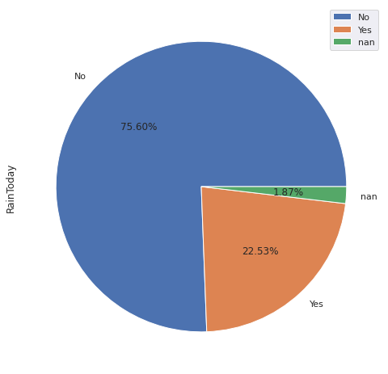

63 | Number of values No in RainTomorrow Attribute: 2328
 | Number of values Yes in RainTomorrow Attribute: 615

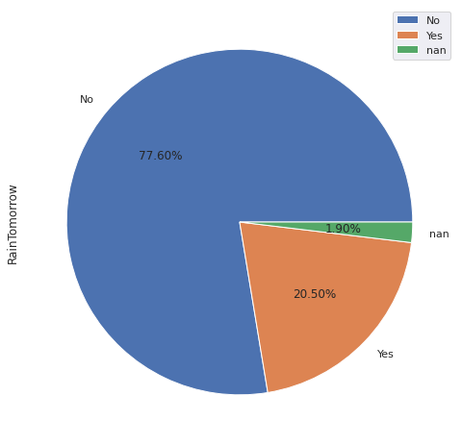

64 | Comparing relationship between some data

65 | Temp9am and Temp3pm

66 | array([[<AxesSubplot:xlabel='Temp9am', ylabel='Temp9am'>,
 | <AxesSubplot:xlabel='Temp3pm', ylabel='Temp9am'>],
 | [<AxesSubplot:xlabel='Temp9am', ylabel='Temp3pm'>,
 | <AxesSubplot:xlabel='Temp3pm', ylabel='Temp3pm'>]], dtype=object)

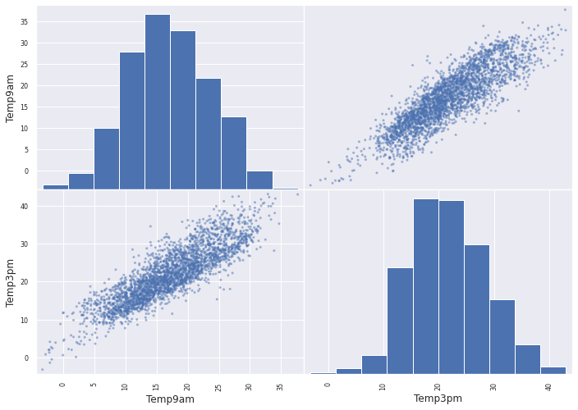

67 | This is a linear or positive relationship, it seems if the Temperature at 9am is hotter, the temperature at 3pm will be hotter too.

68 | Pressure9am and Pressure3pm

69 | array([[<AxesSubplot:xlabel='Pressure9am', ylabel='Pressure9am'>,
 | <AxesSubplot:xlabel='Pressure3pm', ylabel='Pressure9am'>],
 | [<AxesSubplot:xlabel='Pressure9am', ylabel='Pressure3pm'>,
 | <AxesSubplot:xlabel='Pressure3pm', ylabel='Pressure3pm'>]],
 | dtype=object)

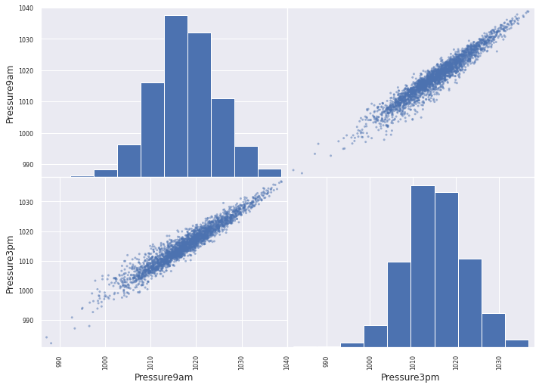

70 | This is a linear or positive relationship, it seems if the Pressure at 9am is greater, the pressure at 3pm will increase too.

71 | WindSpeed9am to WindSpeed3pm

72 | array([[<AxesSubplot:xlabel='WindSpeed9am', ylabel='WindSpeed9am'>,
 | <AxesSubplot:xlabel='WindSpeed3pm', ylabel='WindSpeed9am'>],
 | [<AxesSubplot:xlabel='WindSpeed9am', ylabel='WindSpeed3pm'>,
 | <AxesSubplot:xlabel='WindSpeed3pm', ylabel='WindSpeed3pm'>]],
 | dtype=object)

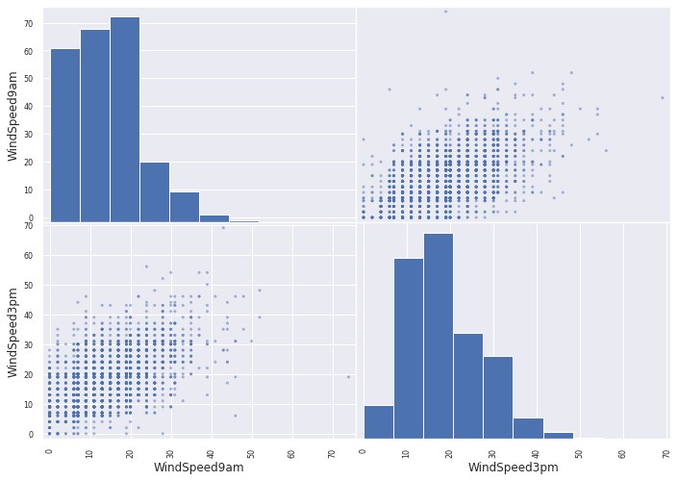

73 | This seems to be linear or positive relationship, however this scatter plot looks a bit abnormal, so I run correlation function to check their relationship again

74 |  | WindSpeed9am | WindSpeed3pm
 | WindSpeed9am | 1 | 0.522065
 | WindSpeed3pm | 0.522065 | 1

75 | Based on the correlation, it seem that these 2 variable has a moderate positive relationship

76 | Humidity9am and Humidity3pm

77 | array([[<AxesSubplot:xlabel='Humidity9am', ylabel='Humidity9am'>,
 | <AxesSubplot:xlabel='Humidity3pm', ylabel='Humidity9am'>],
 | [<AxesSubplot:xlabel='Humidity9am', ylabel='Humidity3pm'>,
 | <AxesSubplot:xlabel='Humidity3pm', ylabel='Humidity3pm'>]],
 | dtype=object)

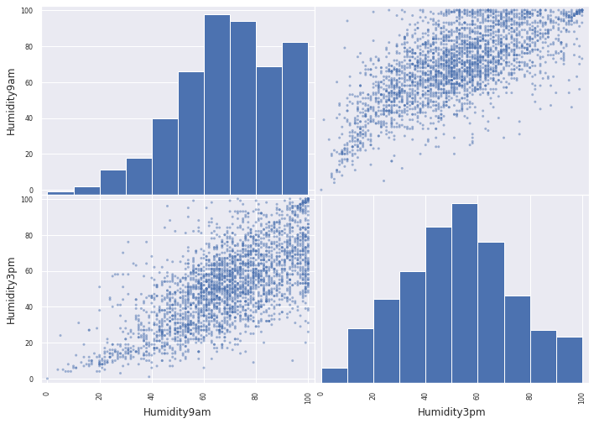

78 | This seems to be linear or positive relationship

79 | Cloud9am and Cloud3pm

80 | array([[<AxesSubplot:xlabel='Cloud9am', ylabel='Cloud9am'>,
 | <AxesSubplot:xlabel='Cloud3pm', ylabel='Cloud9am'>],
 | [<AxesSubplot:xlabel='Cloud9am', ylabel='Cloud3pm'>,
 | <AxesSubplot:xlabel='Cloud3pm', ylabel='Cloud3pm'>]], dtype=object)

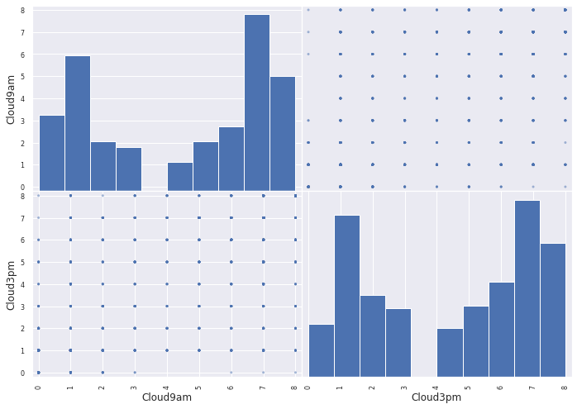

81 |  | Cloud9am | Cloud3pm
 | Cloud9am | 1 | 0.632261
 | Cloud3pm | 0.632261 | 1

82 | Based on the correlation, it seem that these 2 variable has a moderate positive relationship

83 | 1B - Data preprocessing

84 | 1 Binnarization
 | 1.1 Equi-width Binning

85 | [array([ 0. , 17.22, 34.44, 51.66, 68.88, 86.1 , 103.32, 120.54,
 | 137.76, 154.98, 172.2 ]) ]
 | Rainfall
 | 0.0 2899
 | 1.0 70
 | 2.0 16
 | 3.0 7
 | 4.0 6
 | 6.0 1
 | 9.0 1
 | dtype: int64

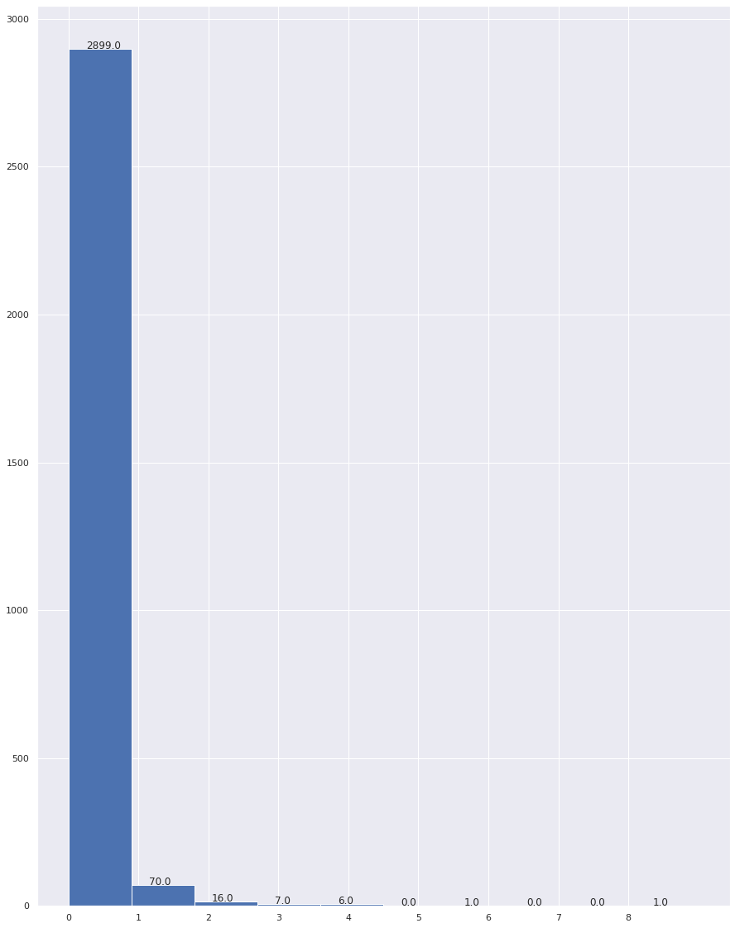

86 | Rainfall
 | (-0.172, 17.22] 2843
 | (17.22, 34.44] 70
 | (34.44, 51.66] 16
 | (51.66, 68.88] 7
 | (68.88, 86.1] 6
 | (86.1, 103.32] 0
 | (103.32, 120.54] 1
 | (120.54, 137.76] 0
 | (137.76, 154.98] 0
 | (154.98, 172.2] 1
 | Name: Rainfall, dtype: int64

 | <AxesSubplot:xlabel='Rainfall'>

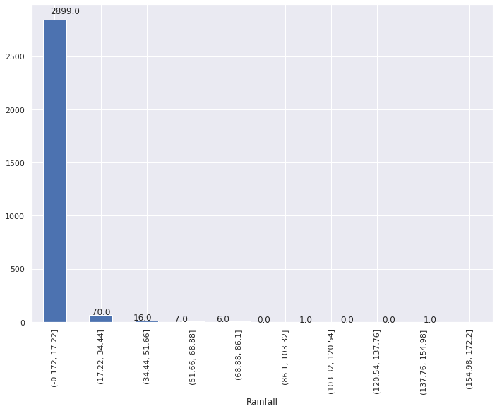

87 | 1.1 Equi-depth (equi-frequency) Binning

88 | [array([ 0. , 0.4, 2.2, 6.4, 172.2])]
 | Rainfall
 | 0.0 2066
 | 1.0 319
 | 2.0 310
 | 3.0 305
 | dtype: int64

 | /home/huukhang1512/.local/lib/python3.9/site-packages/sklearn/preprocessing/_discretization.py:220: UserWarning: Bins whose width are too small (i.e., <= 1e-8) in feature 0 are removed. Consider decreasing the number of bins.
 | warnings.warn('Bins whose width are too small (i.e., <= '

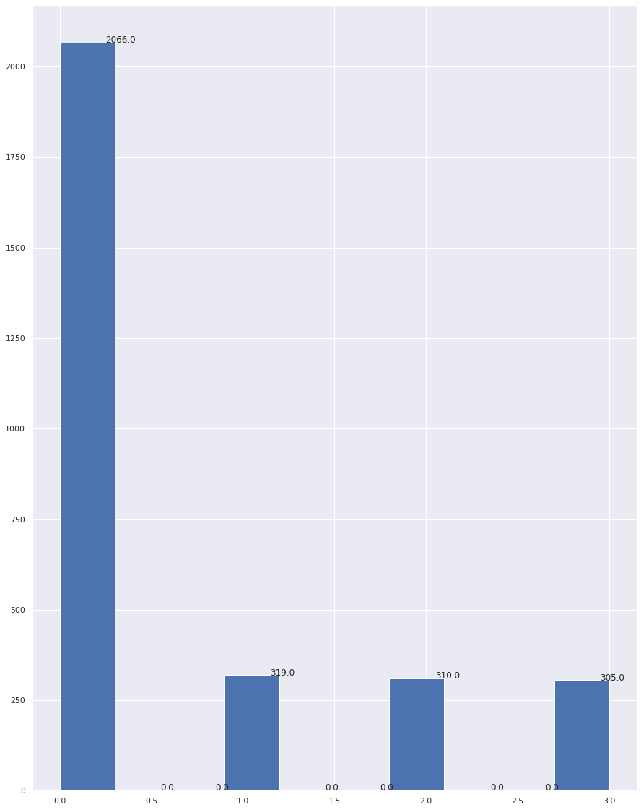

89 | By using skLearn KBinsDiscretizer, 6 of the bins are generated without a specified edge, this behaviour is due to the dataset has too much 0, and sklearn will remove the bins that has bin width les than 1e-8 (^ based on the errors specified above).

90 | <AxesSubplot:>

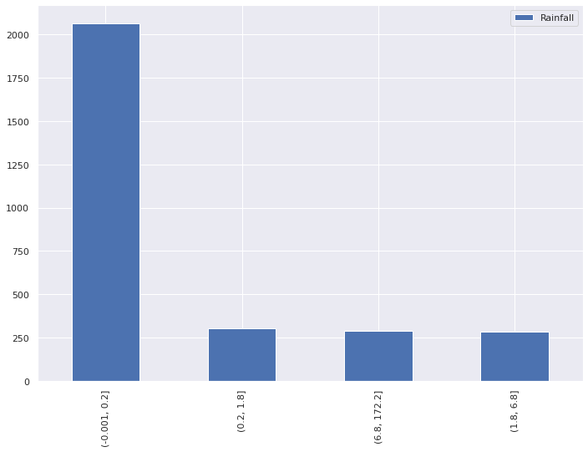

91 | Normalisation for MaxTemp Value

92 | Min Max normalisation

93 | MaxTemp
 | count 2974.000000
 | mean 0.550688
 | std 0.155787
 | min 0.000000
 | 25% 0.437500
 | 50% 0.538793
 | 75% 0.661638
 | max 1.000000

 | array([[<AxesSubplot:title={'center':'MaxTemp'}>]], dtype=object)

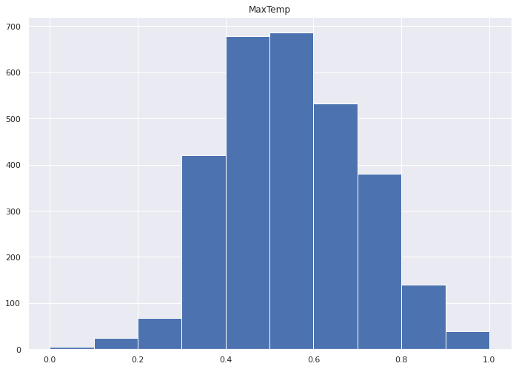

94 | <AxesSubplot:>



95 |  | MaxTemp
 | 0 | 0.502155
 | 1 | 0.685345
 | 2 | 0.62931
 | 3 | 0.528017
 | 4 | 0.519397
 | 5 | 0.344828
 | 6 | 0.762931
 | 7 | 0.469828
 | 8 | 0.709052
 | 9 | 0.310345
 | 10 | 0.676724
 | 11 | 0.392241
 | 12 | 0.739224
 | 13 | 0.428879
 | 14 | 0.420259
 | 15 | 0.364224
 | 16 | 0.588362
 | 17 | 0.551724
 | 18 | 0.767241
 | 19 | 0.521552
 | 20 | 0.549569
 | 21 | 0.672414
 | 22 | 0.661638
 | 23 | 0.842672
 | 24 | 0.525862
 | 25 | 0.426724
 | 26 | 0.560345
 | 27 | 0.627155
 | 28 | 0.493534
 | 29 | 0.607759
 | 30 | 0.685345
 | 31 | 0.484914
 | 32 | 0.545259
 | 33 | 0.469828
 | 34 | 0.799569
 | 35
 | 36 | 0.765086
 | 37 | 0.631466
 | 38 | 0.769397
 | 39 | 0.747845
 | 40 | 0.372845
 | 41 | 0.478448
 | 42 | 0.49569
 | 43 | 0.459052
 | 44 | 0.588362
 | 45 | 0.797414
 | 46 | 0.538793
 | 47 | 0.726293
 | 48 | 0.480603
 | 49 | 0.676724
 | 50 | 0.661638
 | 51 | 0.728448
 | 52 | 0.760776
 | 53 | 0.704741
 | 54 | 0.726293
 | 55 | 0.478448
 | 56 | 0.625
 | 57 | 0.549569
 | 58 | 0.571121
 | 59 | 0.471983
 | 60 | 0.68319
 | 61 | 0.502155
 | 62 | 0.851293
 | 63 | 0.547414
 | 64 | 0.719828
 | 65 | 0.568966
 | 66 | 0.74569
 | 67 | 0.571121
 | 68 | 0.56681
 | 69 | 0.724138
 | 70 | 0.68319
 | 71 | 0.709052
 | 72 | 0.588362
 | 73 | 0.788793
 | 74 | 0.635776
 | 75 | 0.545259
 | 76 | 0.866379
 | 77 | 0.663793
 | 78 | 0.672414
 | 79 | 0.534483
 | 80 | 0.706897
 | 81 | 0.877155
 | 82 | 0.534483
 | 83 | 0.545259
 | 84 | 0.456897
 | 85 | 0.631466
 | 86 | 0.905172
 | 87 | 0.631466
 | 88 | 0.480603
 | 89 | 0.493534
 | 90 | 0.510776
 | 91 | 0.517241
 | 92 | 0.661638
 | 93 | 0.842672
 | 94 | 0.711207
 | 95 | 0.648707
 | 96 | 0.681034
 | 97 | 0.519397
 | 98 | 0.778017
 | 99 | 0.747845
 | 100 | 0.5625
 | 101 | 0.685345
 | 102 | 0.773707
 | 103 | 0.627155
 | 104 | 0.734914
 | 105 | 0.480603
 | 106 | 0.622845
 | 107 | 0.648707
 | 108 | 0.581897
 | 109 | 0.517241
 | 110 | 0.747845
 | 111 | 0.478448
 | 112 | 0.818966
 | 113 | 0.650862
 | 114 | 0.491379
 | 115 | 0.734914
 | 116 | 0.644397
 | 117 | 0.607759
 | 118 | 0.605603
 | 119 | 0.622845
 | 120 | 0.728448
 | 121 | 0.594828
 | 122 | 0.635776
 | 123 | 0.573276
 | 124 | 0.30819
 | 125 | 0.480603
 | 126 | 0.403017
 | 127 | 0.648707
 | 128 | 0.862069
 | 129 | 0.8125
 | 130 | 0.631466
 | 131 | 0.491379
 | 132 | 0.657328
 | 133 | 0.659483
 | 134 | 0.670259
 | 135 | 0.6875
 | 136 | 0.551724
 | 137 | 0.633621
 | 138 | 0.605603
 | 139 | 0.50431
 | 140 | 0.693966
 | 141 | 0.415948
 | 142 | 0.471983
 | 143 | 0.540948
 | 144 | 0.752155
 | 145 | 0.497845
 | 146 | 0.672414
 | 147 | 0.788793
 | 148 | 0.648707
 | 149 | 0.517241
 | 150 | 0.517241
 | 151 | 0.612069
 | 152 | 0.784483
 | 153 | 0.49569
 | 154 | 0.571121
 | 155 | 0.43319
 | 156 | 0.422414
 | 157 | 0.497845
 | 158 | 0.43319
 | 159 | 0.672414
 | 160 | 0.329741
 | 161 | 0.681034
 | 162 | 0.69181
 | 163 | 0.657328
 | 164 | 0.530172
 | 165 | 0.521552
 | 166 | 0.586207
 | 167 | 0.411638
 | 168 | 0.336207
 | 169 | 0.512931
 | 170 | 0.355603
 | 171 | 0.392241
 | 172 | 0.489224
 | 173 | 0.44181
 | 174 | 0.480603
 | 175 | 0.491379
 | 176 | 0.665948
 | 177 | 0.732759
 | 178 | 0.549569
 | 179 | 0.502155
 | 180 | 0.439655
 | 181 | 0.405172
 | 182 | 0.525862
 | 183 | 0.650862
 | 184 | 0.400862
 | 185 | 0.452586
 | 186 | 0.463362
 | 187 | 0.456897
 | 188 | 0.297414
 | 189 | 0.288793
 | 190 | 0.293103
 | 191 | 0.439655
 | 192 | 0.448276
 | 193 | 0.467672
 | 194 | 0.357759
 | 195 | 0.37069
 | 196 | 0.392241
 | 197 | 0.482759
 | 198 | 0.478448
 | 199 | 0.448276
 | 200 | 0.644397
 | 201 | 0.331897
 | 202 | 0.446121
 | 203 | 0.536638
 | 204 | 0.329741
 | 205 | 0.428879
 | 206 | 0.478448
 | 207 | 0.387931
 | 208 | 0.290948
 | 209 | 0.385776
 | 210 | 0.443966
 | 211 | 0.334052
 | 212 | 0.256466
 | 213 | 0.459052
 | 214 | 0.325431
 | 215 | 0.403017
 | 216 | 0.383621
 | 217 | 0.405172
 | 218 | 0.323276
 | 219 | 0.411638
 | 220 | 0.424569
 | 221 | 0.394397
 | 222 | 0.411638
 | 223 | 0.467672
 | 224 | 0.409483
 | 225 | 0.325431
 | 226 | 0.329741
 | 227
 | 228 | 0.467672
 | 229 | 0.448276
 | 230 | 0.424569
 | 231 | 0.431034
 | 232 | 0.599138
 | 233 | 0.476293
 | 234 | 0.627155
 | 235 | 0.377155
 | 236 | 0.549569
 | 237 | 0.413793
 | 238 | 0.49569
 | 239 | 0.456897
 | 240 | 0.323276
 | 241 | 0.547414
 | 242 | 0.334052
 | 243 | 0.342672
 | 244 | 0.366379
 | 245 | 0.3125
 | 246 | 0.426724
 | 247 | 0.381466
 | 248 | 0.344828
 | 249 | 0.353448
 | 250 | 0.439655
 | 251 | 0.556034
 | 252 | 0.344828
 | 253 | 0.489224
 | 254 | 0.461207
 | 255 | 0.523707
 | 256 | 0.653017
 | 257 | 0.502155
 | 258 | 0.4375
 | 259 | 0.469828
 | 260 | 0.377155
 | 261 | 0.454741
 | 262 | 0.508621
 | 263 | 0.476293
 | 264 | 0.446121
 | 265 | 0.549569
 | 266 | 0.590517
 | 267 | 0.217672
 | 268 | 0.456897
 | 269 | 0.627155
 | 270 | 0.627155
 | 271 | 0.4375
 | 272 | 0.428879
 | 273 | 0.44181
 | 274 | 0.372845
 | 275 | 0.409483
 | 276 | 0.448276
 | 277 | 0.681034
 | 278 | 0.728448
 | 279 | 0.704741
 | 280 | 0.661638
 | 281 | 0.528017
 | 282 | 0.413793
 | 283 | 0.452586
 | 284 | 0.469828
 | 285 | 0.37931
 | 286 | 0.75431
 | 287 | 0.493534
 | 288 | 0.670259
 | 289 | 0.698276
 | 290 | 0.616379
 | 291 | 0.467672
 | 292 | 0.506466
 | 293 | 0.334052
 | 294 | 0.49569
 | 295 | 0.609914
 | 296 | 0.62069
 | 297 | 0.635776
 | 298 | 0.530172
 | 299 | 0.403017
 | 300 | 0.31681
 | 301 | 0.420259
 | 302 | 0.549569
 | 303 | 0.403017
 | 304 | 0.396552
 | 305
 | 306 | 0.672414
 | 307 | 0.431034
 | 308 | 0.474138
 | 309 | 0.778017
 | 310 | 0.452586
 | 311 | 0.362069
 | 312 | 0.448276
 | 313 | 0.702586
 | 314 | 0.670259
 | 315 | 0.512931
 | 316 | 0.5
 | 317 | 0.713362
 | 318 | 0.799569
 | 319 | 0.420259
 | 320 | 0.599138
 | 321 | 0.674569
 | 322 | 0.409483
 | 323 | 0.62931
 | 324 | 0.459052
 | 325 | 0.775862
 | 326 | 0.359914
 | 327 | 0.482759
 | 328 | 0.471983
 | 329 | 0.521552
 | 330 | 0.793103
 | 331 | 0.515086
 | 332 | 0.769397
 | 333 | 0.484914
 | 334 | 0.739224
 | 335 | 0.584052
 | 336 | 0.601293
 | 337
 | 338 | 0.717672
 | 339 | 0.74569
 | 340 | 0.553879
 | 341 | 0.648707
 | 342 | 0.676724
 | 343 | 0.75
 | 344 | 0.943966
 | 345 | 0.407328
 | 346 | 0.678879
 | 347 | 0.551724
 | 348 | 0.627155
 | 349 | 0.795259
 | 350 | 0.534483
 | 351 | 0.465517
 | 352 | 0.612069
 | 353 | 0.737069
 | 354 | 0.575431
 | 355 | 0.508621
 | 356 | 0.480603
 | 357 | 0.711207
 | 358 | 0.594828
 | 359 | 0.540948
 | 360 | 0.614224
 | 361 | 0.849138
 | 362 | 0.581897
 | 363 | 0.773707
 | 364 | 0.56681
 | 365 | 0.75
 | 366 | 0.383621
 | 367 | 0.491379
 | 368 | 0.547414
 | 369 | 0.806034
 | 370 | 0.62069
 | 371 | 0.510776
 | 372 | 0.510776
 | 373 | 0.517241
 | 374 | 0.655172
 | 375 | 0.450431
 | 376 | 0.605603
 | 377 | 0.711207
 | 378 | 0.577586
 | 379 | 0.851293
 | 380 | 0.489224
 | 381 | 0.838362
 | 382 | 0.814655
 | 383 | 0.875
 | 384
 | 385 | 0.771552
 | 386 | 0.868534
 | 387 | 0.706897
 | 388 | 0.452586
 | 389 | 0.689655
 | 390 | 0.534483
 | 391 | 0.584052
 | 392 | 0.823276
 | 393 | 0.674569
 | 394 | 0.579741
 | 395 | 0.818966
 | 396 | 0.803879
 | 397 | 0.709052
 | 398 | 0.698276
 | 399 | 0.737069
 | 400 | 0.497845
 | 401 | 0.678879
 | 402 | 0.650862
 | 403 | 0.637931
 | 404 | 0.622845
 | 405 | 0.946121
 | 406 | 0.907328
 | 407 | 0.728448
 | 408 | 0.803879
 | 409 | 0.762931
 | 410 | 0.62931
 | 411 | 0.790948
 | 412 | 0.631466
 | 413 | 0.646552
 | 414 | 0.872845
 | 415 | 0.648707
 | 416 | 0.81681
 | 417 | 0.5
 | 418 | 0.599138
 | 419 | 0.784483
 | 420 | 0.678879
 | 421 | 0.515086
 | 422 | 0.818966
 | 423 | 0.709052
 | 424 | 0.588362
 | 425 | 0.340517
 | 426 | 0.653017
 | 427 | 0.806034
 | 428 | 0.62931
 | 429 | 0.788793
 | 430 | 0.698276
 | 431 | 0.519397
 | 432 | 0.702586
 | 433 | 0.74569
 | 434 | 0.700431
 | 435 | 0.549569
 | 436 | 0.726293
 | 437 | 0.56681
 | 438 | 0.883621
 | 439 | 0.730603
 | 440 | 0.607759
 | 441 | 0.650862
 | 442 | 0.825431
 | 443 | 0.657328
 | 444 | 0.851293
 | 445 | 0.674569
 | 446 | 0.640086
 | 447 | 0.741379
 | 448 | 0.68319
 | 449
 | 450 | 0.663793
 | 451 | 0.454741
 | 452 | 0.650862
 | 453 | 0.719828
 | 454 | 0.601293
 | 455 | 0.653017
 | 456 | 0.635776
 | 457 | 0.756466
 | 458 | 0.532328
 | 459 | 0.575431
 | 460 | 0.696121
 | 461 | 0.577586
 | 462 | 0.56681
 | 463 | 0.715517
 | 464 | 0.672414
 | 465 | 0.622845
 | 466 | 0.661638
 | 467 | 0.644397
 | 468 | 0.6875
 | 469 | 0.521552
 | 470 | 0.702586
 | 471 | 0.674569
 | 472 | 0.737069
 | 473 | 0.625
 | 474 | 0.592672
 | 475 | 0.659483
 | 476 | 0.739224
 | 477 | 0.780172
 | 478 | 0.599138
 | 479 | 0.543103
 | 480 | 0.476293
 | 481 | 0.560345
 | 482 | 0.594828
 | 483 | 0.612069
 | 484 | 0.50431
 | 485 | 0.536638
 | 486 | 0.646552
 | 487 | 0.644397
 | 488 | 0.640086
 | 489 | 0.56681
 | 490 | 0.540948
 | 491 | 0.579741
 | 492 | 0.564655
 | 493 | 0.607759
 | 494 | 0.588362
 | 495 | 0.75
 | 496 | 0.678879
 | 497 | 0.676724
 | 498 | 0.596983
 | 499 | 0.523707
 | 500 | 0.478448
 | 501 | 0.715517
 | 502 | 0.780172
 | 503 | 0.519397
 | 504 | 0.49569
 | 505 | 0.540948
 | 506 | 0.497845
 | 507 | 0.551724
 | 508 | 0.439655
 | 509
 | 510 | 0.387931
 | 511 | 0.50431
 | 512 | 0.461207
 | 513 | 0.508621
 | 514 | 0.540948
 | 515 | 0.56681
 | 516 | 0.415948
 | 517 | 0.43319
 | 518 | 0.482759
 | 519 | 0.377155
 | 520 | 0.471983
 | 521 | 0.450431
 | 522 | 0.273707
 | 523 | 0.383621
 | 524 | 0.381466
 | 525 | 0.663793
 | 526 | 0.491379
 | 527 | 0.469828
 | 528 | 0.478448
 | 529 | 0.43319
 | 530 | 0.43319
 | 531 | 0.362069
 | 532 | 0.198276
 | 533 | 0.644397
 | 534 | 0.366379
 | 535 | 0.530172
 | 536 | 0.351293
 | 537 | 0.484914
 | 538 | 0.293103
 | 539 | 0.394397
 | 540 | 0.200431
 | 541 | 0.706897
 | 542 | 0.450431
 | 543 | 0.3125
 | 544 | 0.353448
 | 545
 | 546 | 0.517241
 | 547 | 0.366379
 | 548 | 0.362069
 | 549 | 0.37069
 | 550 | 0.415948
 | 551 | 0.288793
 | 552 | 0.351293
 | 553 | 0.663793
 | 554 | 0.405172
 | 555 | 0.385776
 | 556 | 0.368534
 | 557 | 0.342672
 | 558 | 0.314655
 | 559 | 0.508621
 | 560 | 0.344828
 | 561 | 0.372845
 | 562 | 0.256466
 | 563 | 0.375
 | 564 | 0.43319
 | 565 | 0.443966
 | 566 | 0.372845
 | 567 | 0.359914
 | 568 | 0.55819
 | 569 | 0.295259
 | 570 | 0.323276
 | 571 | 0.329741
 | 572 | 0.368534
 | 573 | 0.346983
 | 574 | 0.387931
 | 575 | 0.424569
 | 576 | 0.450431
 | 577 | 0.607759
 | 578 | 0.553879
 | 579 | 0.502155
 | 580 | 0.413793
 | 581 | 0.37069
 | 582 | 0.375
 | 583 | 0.575431
 | 584 | 0.502155
 | 585 | 0.318966
 | 586 | 0.515086
 | 587 | 0.273707
 | 588 | 0.340517
 | 589 | 0.696121
 | 590 | 0.327586
 | 591 | 0.094828
 | 592 | 0.297414
 | 593 | 0.411638
 | 594 | 0.400862
 | 595 | 0.303879
 | 596 | 0.403017
 | 597 | 0.508621
 | 598 | 0.37931
 | 599 | 0.778017
 | 600 | 0.454741
 | 601 | 0.372845
 | 602 | 0.209052
 | 603 | 0.280172
 | 604 | 0.25
 | 605 | 0.519397
 | 606 | 0.668103
 | 607 | 0.362069
 | 608 | 0.478448
 | 609 | 0.519397
 | 610 | 0.359914
 | 611 | 0.18319
 | 612 | 0.411638
 | 613 | 0.37069
 | 614 | 0.420259
 | 615 | 0.387931
 | 616 | 0.547414
 | 617 | 0.471983
 | 618 | 0.439655
 | 619 | 0.353448
 | 620 | 0.387931
 | 621 | 0.454741
 | 622 | 0.5
 | 623 | 0.346983
 | 624 | 0.461207
 | 625 | 0.69181
 | 626 | 0.517241
 | 627 | 0.625
 | 628 | 0.456897
 | 629 | 0.560345
 | 630 | 0.657328
 | 631 | 0.44181
 | 632 | 0.355603
 | 633 | 0.448276
 | 634 | 0.534483
 | 635 | 0.55819
 | 636 | 0.502155
 | 637 | 0.564655
 | 638 | 0.586207
 | 639 | 0.534483
 | 640 | 0.398707
 | 641 | 0.50431
 | 642 | 0.461207
 | 643 | 0.668103
 | 644 | 0.346983
 | 645 | 0.476293
 | 646 | 0.584052
 | 647 | 0.55819
 | 648 | 0.424569
 | 649 | 0.478448
 | 650
 | 651 | 0.357759
 | 652 | 0.640086
 | 653 | 0.278017
 | 654 | 0.463362
 | 655 | 0.306034
 | 656 | 0.640086
 | 657 | 0.689655
 | 658 | 0.74569
 | 659 | 0.523707
 | 660 | 0.663793
 | 661 | 0.603448
 | 662 | 0.346983
 | 663 | 0.706897
 | 664 | 0.625
 | 665 | 0.696121
 | 666 | 0.689655
 | 667 | 0.644397
 | 668 | 0.732759
 | 669 | 0.601293
 | 670 | 0.439655
 | 671 | 0.786638
 | 672 | 0.383621
 | 673 | 0.159483
 | 674 | 0.726293
 | 675 | 0.394397
 | 676 | 0.577586
 | 677 | 0.601293
 | 678 | 0.547414
 | 679 | 0.648707
 | 680 | 0.62931
 | 681 | 0.603448
 | 682 | 0.547414
 | 683 | 0.428879
 | 684 | 0.579741
 | 685 | 0.655172
 | 686 | 0.586207
 | 687 | 0.586207
 | 688 | 0.411638
 | 689 | 0.635776
 | 690 | 0.573276
 | 691 | 0.586207
 | 692 | 0.480603
 | 693 | 0.737069
 | 694 | 0.68319
 | 695 | 0.62069
 | 696 | 0.659483
 | 697 | 0.596983
 | 698 | 0.747845
 | 699 | 0.659483
 | 700 | 0.400862
 | 701 | 0.476293
 | 702 | 0.728448
 | 703 | 0.730603
 | 704 | 0.471983
 | 705 | 0.480603
 | 706 | 0.465517
 | 707 | 0.831897
 | 708 | 0.510776
 | 709 | 0.392241
 | 710 | 0.87069
 | 711 | 0.543103
 | 712 | 0.657328
 | 713 | 0.484914
 | 714 | 0.726293
 | 715 | 0.702586
 | 716 | 0.752155
 | 717 | 0.760776
 | 718 | 0.715517
 | 719 | 0.614224
 | 720 | 0.778017
 | 721 | 0.657328
 | 722 | 0.661638
 | 723 | 0.840517
 | 724 | 0.631466
 | 725 | 0.493534
 | 726 | 0.62931
 | 727 | 0.689655
 | 728 | 0.704741
 | 729 | 0.631466
 | 730 | 0.704741
 | 731 | 0.564655
 | 732 | 0.581897
 | 733 | 0.661638
 | 734 | 0.696121
 | 735 | 0.780172
 | 736 | 0.584052
 | 737 | 0.75431
 | 738 | 0.543103
 | 739 | 0.741379
 | 740 | 0.950431
 | 741 | 0.730603
 | 742 | 0.836207
 | 743 | 0.846983
 | 744 | 0.681034
 | 745 | 0.443966
 | 746 | 0.306034
 | 747 | 0.601293
 | 748 | 0.480603
 | 749 | 0.519397
 | 750 | 0.778017
 | 751 | 0.596983
 | 752 | 0.519397
 | 753 | 0.732759
 | 754 | 0.68319
 | 755 | 0.553879
 | 756 | 0.655172
 | 757 | 0.672414
 | 758 | 0.5
 | 759 | 0.829741
 | 760 | 0.607759
 | 761 | 0.737069
 | 762 | 0.663793
 | 763 | 0.689655
 | 764 | 0.588362
 | 765 | 0.489224
 | 766 | 0.525862
 | 767 | 0.81681
 | 768 | 0.773707
 | 769 | 0.612069
 | 770 | 0.480603
 | 771 | 0.758621
 | 772 | 0.648707
 | 773 | 0.706897
 | 774 | 0.711207
 | 775 | 0.43319
 | 776 | 0.829741
 | 777 | 0.767241
 | 778 | 0.616379
 | 779 | 0.549569
 | 780 | 0.594828
 | 781 | 0.553879
 | 782 | 0.530172
 | 783 | 0.482759
 | 784 | 0.439655
 | 785 | 0.420259
 | 786 | 0.407328
 | 787 | 0.806034
 | 788 | 0.676724
 | 789 | 0.799569
 | 790 | 0.681034
 | 791 | 0.519397
 | 792 | 0.536638
 | 793 | 0.515086
 | 794 | 0.612069
 | 795 | 0.668103
 | 796 | 0.547414
 | 797 | 0.482759
 | 798 | 0.476293
 | 799 | 0.484914
 | 800 | 0.377155
 | 801 | 0.5
 | 802 | 0.534483
 | 803 | 0.334052
 | 804 | 0.329741
 | 805 | 0.452586
 | 806 | 0.37931
 | 807 | 0.385776
 | 808 | 0.577586
 | 809 | 0.3125
 | 810 | 0.295259
 | 811 | 0.37931
 | 812 | 0.480603
 | 813 | 0.43319
 | 814 | 0.375
 | 815 | 0.512931
 | 816 | 0.471983
 | 817 | 0.454741
 | 818 | 0.452586
 | 819 | 0.413793
 | 820 | 0.435345
 | 821 | 0.564655
 | 822 | 0.331897
 | 823 | 0.37931
 | 824 | 0.359914
 | 825 | 0.357759
 | 826 | 0.310345
 | 827 | 0.471983
 | 828 | 0.489224
 | 829 | 0.288793
 | 830 | 0.465517
 | 831 | 0.273707
 | 832 | 0.482759
 | 833 | 0.310345
 | 834 | 0.443966
 | 835 | 0.49569
 | 836 | 0.474138
 | 837 | 0.357759
 | 838 | 0.349138
 | 839 | 0.428879
 | 840 | 0.439655
 | 841 | 0.375
 | 842 | 0.480603
 | 843 | 0.381466
 | 844 | 0.603448
 | 845 | 0.420259
 | 846 | 0.415948
 | 847 | 0.540948
 | 848 | 0.342672
 | 849 | 0.368534
 | 850 | 0.734914
 | 851 | 0.323276
 | 852 | 0.3125
 | 853 | 0.368534
 | 854 | 0.4375
 | 855 | 0.31681
 | 856 | 0.258621
 | 857 | 0.461207
 | 858 | 0.342672
 | 859 | 0.310345
 | 860 | 0.609914
 | 861 | 0.478448
 | 862 | 0.491379
 | 863 | 0.489224
 | 864 | 0.461207
 | 865 | 0.461207
 | 866 | 0.49569
 | 867 | 0.452586
 | 868 | 0.366379
 | 869 | 0.206897
 | 870 | 0.512931
 | 871 | 0.439655
 | 872 | 0.603448
 | 873 | 0.547414
 | 874 | 0.592672
 | 875 | 0.525862
 | 876 | 0.366379
 | 877 | 0.37931
 | 878 | 0.450431
 | 879 | 0.56681
 | 880 | 0.452586
 | 881 | 0.635776
 | 882 | 0.711207
 | 883 | 0.338362
 | 884 | 0.198276
 | 885 | 0.525862
 | 886 | 0.323276
 | 887 | 0.394397
 | 888 | 0.383621
 | 889 | 0.448276
 | 890 | 0.463362
 | 891 | 0.415948
 | 892 | 0.403017
 | 893 | 0.426724
 | 894 | 0.375
 | 895 | 0.487069
 | 896 | 0.443966
 | 897 | 0.482759
 | 898 | 0.418103
 | 899 | 0.676724
 | 900 | 0.413793
 | 901 | 0.403017
 | 902 | 0.267241
 | 903 | 0.420259
 | 904 | 0.588362
 | 905 | 0.385776
 | 906 | 0.480603
 | 907 | 0.385776
 | 908 | 0.407328
 | 909 | 0.648707
 | 910 | 0.50431
 | 911 | 0.609914
 | 912 | 0.564655
 | 913 | 0.741379
 | 914 | 0.68319
 | 915 | 0.407328
 | 916 | 0.502155
 | 917 | 0.506466
 | 918 | 0.642241
 | 919 | 0.390086
 | 920 | 0.400862
 | 921 | 0.471983
 | 922 | 0.551724
 | 923 | 0.450431
 | 924 | 0.383621
 | 925 | 0.452586
 | 926 | 0.448276
 | 927 | 0.431034
 | 928 | 0.446121
 | 929 | 0.517241
 | 930 | 0.795259
 | 931 | 0.405172
 | 932 | 0.674569
 | 933 | 0.579741
 | 934 | 0.471983
 | 935 | 0.523707
 | 936 | 0.62069
 | 937 | 0.601293
 | 938 | 0.689655
 | 939 | 0.364224
 | 940 | 0.413793
 | 941 | 0.43319
 | 942 | 0.75
 | 943 | 0.256466
 | 944 | 0.493534
 | 945 | 0.6875
 | 946 | 0.646552
 | 947 | 0.592672
 | 948 | 0.510776
 | 949 | 0.728448
 | 950 | 0.515086
 | 951 | 0.5
 | 952 | 0.5
 | 953 | 0.571121
 | 954 | 0.704741
 | 955 | 0.502155
 | 956 | 0.469828
 | 957 | 0.540948
 | 958 | 0.728448
 | 959 | 0.831897
 | 960 | 0.801724
 | 961 | 0.603448
 | 962 | 0.827586
 | 963 | 0.663793
 | 964 | 0.668103
 | 965 | 0.532328
 | 966 | 0.728448
 | 967 | 0.415948
 | 968 | 0.573276
 | 969 | 0.726293
 | 970 | 0.784483
 | 971 | 0.609914
 | 972 | 0.517241
 | 973 | 0.5625
 | 974 | 0.592672
 | 975 | 0.375
 | 976 | 0.607759
 | 977 | 0.508621
 | 978 | 0.795259
 | 979 | 0.594828
 | 980 | 0.737069
 | 981 | 0.618534
 | 982 | 0.586207
 | 983 | 0.698276
 | 984 | 0.62931
 | 985 | 0.43319
 | 986 | 0.627155
 | 987 | 0.528017
 | 988 | 0.536638
 | 989 | 0.422414
 | 990 | 0.571121
 | 991 | 0.594828
 | 992 | 0.696121
 | 993 | 0.5625
 | 994 | 0.609914
 | 995 | 0.5
 | 996 | 0.586207
 | 997 | 0.734914
 | 998 | 0.846983
 | 999 | 0.627155
 | 1000 | 0.827586
 | 1001 | 0.644397
 | 1002 | 0.521552
 | 1003 | 0.528017
 | 1004 | 0.689655
 | 1005 | 0.9375
 | 1006 | 0.553879
 | 1007 | 0.924569
 | 1008 | 0.806034
 | 1009 | 0.487069
 | 1010 | 0.482759
 | 1011 | 0.55819
 | 1012 | 0.635776
 | 1013 | 0.788793
 | 1014 | 0.650862
 | 1015 | 0.721983
 | 1016 | 0.659483
 | 1017 | 0.521552
 | 1018 | 0.765086
 | 1019 | 0.612069
 | 1020 | 0.648707
 | 1021 | 0.69181
 | 1022 | 0.797414
 | 1023 | 0.62931
 | 1024 | 0.721983
 | 1025 | 0.803879
 | 1026 | 0.553879
 | 1027 | 0.577586
 | 1028 | 0.857759
 | 1029 | 0.730603
 | 1030 | 0.603448
 | 1031 | 0.523707
 | 1032 | 0.521552
 | 1033 | 0.443966
 | 1034 | 0.590517
 | 1035 | 0.681034
 | 1036 | 0.668103
 | 1037 | 0.540948
 | 1038 | 0.517241
 | 1039 | 0.696121
 | 1040 | 0.547414
 | 1041 | 0.594828
 | 1042 | 0.709052
 | 1043 | 0.581897
 | 1044 | 0.773707
 | 1045 | 0.642241
 | 1046 | 0.676724
 | 1047 | 0.823276
 | 1048 | 0.700431
 | 1049 | 0.715517
 | 1050 | 0.657328
 | 1051 | 0.543103
 | 1052 | 0.741379
 | 1053 | 0.521552
 | 1054 | 0.698276
 | 1055 | 0.821121
 | 1056 | 0.508621
 | 1057 | 0.823276
 | 1058 | 0.640086
 | 1059 | 0.672414
 | 1060 | 0.668103
 | 1061 | 0.653017
 | 1062 | 0.506466
 | 1063 | 0.510776
 | 1064 | 0.560345
 | 1065 | 0.372845
 | 1066 | 0.413793
 | 1067 | 0.49569
 | 1068 | 0.614224
 | 1069 | 0.55819
 | 1070 | 0.346983
 | 1071 | 0.497845
 | 1072 | 0.635776
 | 1073 | 0.596983
 | 1074 | 0.631466
 | 1075 | 0.532328
 | 1076 | 0.584052
 | 1077 | 0.790948
 | 1078 | 0.543103
 | 1079 | 0.637931
 | 1080 | 0.760776
 | 1081 | 0.650862
 | 1082 | 0.62931
 | 1083 | 0.534483
 | 1084 | 0.75431
 | 1085 | 0.646552
 | 1086 | 0.418103
 | 1087 | 0.422414
 | 1088 | 0.532328
 | 1089 | 0.443966
 | 1090 | 0.532328
 | 1091 | 0.353448
 | 1092 | 0.487069
 | 1093 | 0.678879
 | 1094 | 0.640086
 | 1095 | 0.534483
 | 1096 | 0.467672
 | 1097 | 0.603448
 | 1098 | 0.69181
 | 1099 | 0.612069
 | 1100 | 0.631466
 | 1101 | 0.706897
 | 1102 | 0.62931
 | 1103 | 0.596983
 | 1104 | 0.659483
 | 1105 | 0.75
 | 1106 | 0.551724
 | 1107 | 0.709052
 | 1108 | 0.465517
 | 1109 | 0.452586
 | 1110 | 0.467672
 | 1111 | 0.553879
 | 1112 | 0.405172
 | 1113 | 0.769397
 | 1114 | 0.603448
 | 1115 | 0.536638
 | 1116 | 0.644397
 | 1117 | 0.545259
 | 1118 | 0.633621
 | 1119 | 0.515086
 | 1120 | 0.618534
 | 1121 | 0.627155
 | 1122 | 0.262931
 | 1123 | 0.614224
 | 1124 | 0.471983
 | 1125 | 0.375
 | 1126 | 0.502155
 | 1127 | 0.6875
 | 1128 | 0.530172
 | 1129 | 0.482759
 | 1130 | 0.482759
 | 1131 | 0.510776
 | 1132 | 0.450431
 | 1133 | 0.618534
 | 1134 | 0.303879
 | 1135 | 0.467672
 | 1136 | 0.50431
 | 1137 | 0.415948
 | 1138 | 0.510776
 | 1139 | 0.465517
 | 1140 | 0.575431
 | 1141 | 0.474138
 | 1142 | 0.528017
 | 1143 | 0.493534
 | 1144 | 0.551724
 | 1145 | 0.49569
 | 1146 | 0.484914
 | 1147 | 0.56681
 | 1148 | 0.342672
 | 1149 | 0.392241
 | 1150 | 0.37931
 | 1151 | 0.476293
 | 1152 | 0.422414
 | 1153 | 0.327586
 | 1154 | 0.5625
 | 1155 | 0.571121
 | 1156 | 0.286638
 | 1157 | 0.331897
 | 1158 | 0.31681
 | 1159 | 0.364224
 | 1160 | 0.321121
 | 1161 | 0.323276
 | 1162 | 0.601293
 | 1163 | 0.426724
 | 1164 | 0.346983
 | 1165 | 0.465517
 | 1166 | 0.340517
 | 1167 | 0.532328
 | 1168 | 0.448276
 | 1169 | 0.409483
 | 1170 | 0.340517
 | 1171 | 0.465517
 | 1172 | 0.461207
 | 1173 | 0.461207
 | 1174 | 0.323276
 | 1175 | 0.480603
 | 1176 | 0.564655
 | 1177 | 0.239224
 | 1178 | 0.469828
 | 1179 | 0.487069
 | 1180 | 0.258621
 | 1181 | 0.584052
 | 1182 | 0.394397
 | 1183 | 0.346983
 | 1184 | 0.368534
 | 1185 | 0.383621
 | 1186 | 0.368534
 | 1187 | 0.269397
 | 1188 | 0.377155
 | 1189 | 0.5
 | 1190 | 0.474138
 | 1191 | 0.368534
 | 1192 | 0.336207
 | 1193 | 0.338362
 | 1194 | 0.448276
 | 1195 | 0.107759
 | 1196 | 0.306034
 | 1197 | 0.375
 | 1198 | 0.340517
 | 1199 | 0.37069
 | 1200 | 0.5625
 | 1201 | 0.407328
 | 1202 | 0.103448
 | 1203
 | 1204 | 0.452586
 | 1205 | 0.396552
 | 1206 | 0.12069
 | 1207 | 0.415948
 | 1208 | 0.364224
 | 1209 | 0.528017
 | 1210 | 0.200431
 | 1211 | 0.387931
 | 1212 | 0.491379
 | 1213 | 0.456897
 | 1214 | 0.454741
 | 1215 | 0.471983
 | 1216 | 0.411638
 | 1217 | 0.420259
 | 1218 | 0.400862
 | 1219 | 0.424569
 | 1220 | 0.545259
 | 1221 | 0.112069
 | 1222 | 0.338362
 | 1223 | 0.293103
 | 1224 | 0.273707
 | 1225 | 0.381466
 | 1226 | 0.338362
 | 1227 | 0.31681
 | 1228 | 0.543103
 | 1229 | 0.461207
 | 1230 | 0.484914
 | 1231 | 0.487069
 | 1232 | 0.400862
 | 1233 | 0.465517
 | 1234 | 0.344828
 | 1235 | 0.469828
 | 1236 | 0.377155
 | 1237 | 0.44181
 | 1238 | 0.37069
 | 1239 | 0.44181
 | 1240 | 0.377155
 | 1241 | 0.713362
 | 1242 | 0.323276
 | 1243 | 0.262931
 | 1244 | 0.456897
 | 1245 | 0.653017
 | 1246 | 0.487069
 | 1247 | 0
 | 1248 | 0.334052
 | 1249 | 0.428879
 | 1250 | 0.418103
 | 1251 | 0.512931
 | 1252 | 0.512931
 | 1253 | 0.5
 | 1254 | 0.657328
 | 1255 | 0.452586
 | 1256 | 0.355603
 | 1257 | 0.560345
 | 1258 | 0.398707
 | 1259 | 0.452586
 | 1260 | 0.515086
 | 1261 | 0.405172
 | 1262 | 0.633621
 | 1263 | 0.377155
 | 1264 | 0.478448
 | 1265 | 0.506466
 | 1266 | 0.493534
 | 1267 | 0.693966
 | 1268 | 0.56681
 | 1269 | 0.390086
 | 1270 | 0.355603
 | 1271 | 0.459052
 | 1272 | 0.448276
 | 1273 | 0.579741
 | 1274 | 0.648707
 | 1275 | 0.556034
 | 1276 | 0.44181
 | 1277 | 0.553879
 | 1278 | 0.474138
 | 1279 | 0.459052
 | 1280 | 0.351293
 | 1281 | 0.530172
 | 1282 | 0.657328
 | 1283 | 0.420259
 | 1284 | 0.681034
 | 1285 | 0.159483
 | 1286 | 0.493534
 | 1287 | 0.786638
 | 1288 | 0.491379
 | 1289 | 0.721983
 | 1290 | 0.523707
 | 1291 | 0.482759
 | 1292 | 0.676724
 | 1293 | 0.586207
 | 1294 | 0.538793
 | 1295 | 0.467672
 | 1296 | 0.446121
 | 1297 | 0.584052
 | 1298 | 0.493534
 | 1299 | 0.383621
 | 1300 | 0.418103
 | 1301 | 0.756466
 | 1302 | 0.523707
 | 1303 | 0.853448
 | 1304 | 0.752155
 | 1305 | 0.799569
 | 1306 | 0.635776
 | 1307 | 0.603448
 | 1308 | 0.894397
 | 1309 | 0.523707
 | 1310 | 0.519397
 | 1311 | 0.640086
 | 1312 | 0.592672
 | 1313 | 0.392241
 | 1314 | 0.55819
 | 1315 | 0.491379
 | 1316 | 0.538793
 | 1317 | 0.903017
 | 1318 | 0.530172
 | 1319 | 0.640086
 | 1320 | 0.581897
 | 1321 | 0.334052
 | 1322 | 0.676724
 | 1323 | 0.62931
 | 1324 | 0.786638
 | 1325 | 0.56681
 | 1326 | 0.689655
 | 1327 | 0.549569
 | 1328 | 0.446121
 | 1329 | 0.657328
 | 1330 | 0.424569
 | 1331 | 0.497845
 | 1332 | 0.771552
 | 1333 | 0.631466
 | 1334 | 0.637931
 | 1335 | 0.543103
 | 1336 | 0.732759
 | 1337 | 0.62069
 | 1338 | 0.661638
 | 1339 | 0.575431
 | 1340 | 0.758621
 | 1341 | 0.532328
 | 1342 | 0.560345
 | 1343 | 0.670259
 | 1344 | 0.795259
 | 1345 | 0.474138
 | 1346 | 0.696121
 | 1347 | 0.713362
 | 1348 | 0.536638
 | 1349 | 0.903017
 | 1350 | 0.519397
 | 1351 | 0.790948
 | 1352 | 0.915948
 | 1353 | 0.612069
 | 1354 | 0.605603
 | 1355 | 0.909483
 | 1356 | 0.872845
 | 1357 | 0.532328
 | 1358 | 0.590517
 | 1359 | 0.810345
 | 1360 | 0.706897
 | 1361 | 0.642241
 | 1362 | 0.952586
 | 1363 | 0.959052
 | 1364 | 0.700431
 | 1365 | 0.801724
 | 1366 | 0.866379
 | 1367 | 0.469828
 | 1368 | 0.446121
 | 1369 | 0.747845
 | 1370 | 0.5625
 | 1371 | 0.75431
 | 1372 | 0.625
 | 1373 | 0.765086
 | 1374 | 0.726293
 | 1375 | 0.609914
 | 1376 | 1
 | 1377 | 0.75
 | 1378 | 0.993534
 | 1379 | 0.665948
 | 1380 | 0.592672
 | 1381 | 0.5625
 | 1382 | 0.614224
 | 1383 | 0.525862
 | 1384 | 0.762931
 | 1385 | 0.836207
 | 1386 | 0.586207
 | 1387 | 0.648707
 | 1388 | 0.853448
 | 1389 | 0.637931
 | 1390 | 0.678879
 | 1391 | 0.724138
 | 1392 | 0.530172
 | 1393 | 0.532328
 | 1394 | 0.586207
 | 1395 | 0.719828
 | 1396 | 0.657328
 | 1397 | 0.614224
 | 1398 | 0.528017
 | 1399 | 0.782328
 | 1400 | 0.74569
 | 1401 | 0.55819
 | 1402 | 0.823276
 | 1403 | 0.793103
 | 1404 | 0.646552
 | 1405 | 0.631466
 | 1406 | 0.775862
 | 1407 | 0.784483
 | 1408 | 0.625
 | 1409 | 0.769397
 | 1410 | 0.575431
 | 1411 | 0.446121
 | 1412 | 0.726293
 | 1413 | 0.724138
 | 1414 | 0.49569
 | 1415 | 0.612069
 | 1416 | 0.525862
 | 1417 | 0.508621
 | 1418 | 0.49569
 | 1419 | 0.719828
 | 1420 | 0.715517
 | 1421 | 0.642241
 | 1422 | 0.519397
 | 1423 | 0.676724
 | 1424 | 0.584052
 | 1425 | 0.752155
 | 1426 | 0.676724
 | 1427 | 0.700431
 | 1428 | 0.454741
 | 1429 | 0.579741
 | 1430 | 0.62931
 | 1431 | 0.314655
 | 1432 | 0.661638
 | 1433 | 0.732759
 | 1434 | 0.56681
 | 1435 | 0.55819
 | 1436 | 0.616379
 | 1437 | 0.411638
 | 1438 | 0.394397
 | 1439 | 0.590517
 | 1440 | 0.418103
 | 1441 | 0.702586
 | 1442 | 0.452586
 | 1443 | 0.392241
 | 1444 | 0.553879
 | 1445 | 0.448276
 | 1446 | 0.398707
 | 1447 | 0.390086
 | 1448 | 0.55819
 | 1449 | 0.37069
 | 1450 | 0.648707
 | 1451 | 0.43319
 | 1452 | 0.560345
 | 1453 | 0.769397
 | 1454 | 0.702586
 | 1455 | 0.581897
 | 1456 | 0.49569
 | 1457 | 0.663793
 | 1458 | 0.543103
 | 1459 | 0.663793
 | 1460 | 0.435345
 | 1461 | 0.534483
 | 1462 | 0.450431
 | 1463 | 0.543103
 | 1464 | 0.398707
 | 1465 | 0.786638
 | 1466 | 0.655172
 | 1467 | 0.390086
 | 1468 | 0.463362
 | 1469 | 0.596983
 | 1470 | 0.5
 | 1471 | 0.446121
 | 1472 | 0.340517
 | 1473 | 0.454741
 | 1474 | 0.517241
 | 1475 | 0.364224
 | 1476 | 0.553879
 | 1477 | 0.590517
 | 1478 | 0.30819
 | 1479 | 0.334052
 | 1480 | 0.403017
 | 1481 | 0.491379
 | 1482 | 0.420259
 | 1483 | 0.480603
 | 1484 | 0.385776
 | 1485 | 0.381466
 | 1486 | 0.517241
 | 1487 | 0.336207
 | 1488 | 0.364224
 | 1489 | 0.640086
 | 1490 | 0.403017
 | 1491 | 0.471983
 | 1492 | 0.676724
 | 1493 | 0.37069
 | 1494 | 0.480603
 | 1495 | 0.366379
 | 1496 | 0.385776
 | 1497 | 0.420259
 | 1498 | 0.530172
 | 1499 | 0.465517
 | 1500 | 0.353448
 | 1501 | 0.418103
 | 1502 | 0.448276
 | 1503 | 0.353448
 | 1504 | 0.549569
 | 1505 | 0.357759
 | 1506 | 0.342672
 | 1507 | 0.461207
 | 1508 | 0.31681
 | 1509 | 0.4375
 | 1510 | 0.372845
 | 1511 | 0.407328
 | 1512 | 0.338362
 | 1513 | 0.331897
 | 1514 | 0.364224
 | 1515 | 0.351293
 | 1516 | 0.359914
 | 1517 | 0.409483
 | 1518 | 0.482759
 | 1519 | 0.411638
 | 1520 | 0.618534
 | 1521 | 0.711207
 | 1522 | 0.381466
 | 1523 | 0.31681
 | 1524 | 0.446121
 | 1525 | 0.446121
 | 1526 | 0.25431
 | 1527 | 0.394397
 | 1528 | 0.398707
 | 1529 | 0.5
 | 1530 | 0.342672
 | 1531 | 0.002155
 | 1532 | 0.521552
 | 1533 | 0.37931
 | 1534 | 0.415948
 | 1535 | 0.387931
 | 1536 | 0.403017
 | 1537 | 0.387931
 | 1538 | 0.392241
 | 1539 | 0.390086
 | 1540 | 0.413793
 | 1541 | 0.487069
 | 1542 | 0.385776
 | 1543 | 0.372845
 | 1544 | 0.568966
 | 1545 | 0.413793
 | 1546 | 0.353448
 | 1547 | 0.642241
 | 1548 | 0.644397
 | 1549 | 0.170259
 | 1550 | 0.556034
 | 1551 | 0.426724
 | 1552 | 0.413793
 | 1553 | 0.508621
 | 1554 | 0.612069
 | 1555 | 0.756466
 | 1556 | 0.349138
 | 1557 | 0.383621
 | 1558 | 0.142241
 | 1559 | 0.491379
 | 1560 | 0.534483
 | 1561 | 0.359914
 | 1562 | 0.491379
 | 1563 | 0.510776
 | 1564 | 0.474138
 | 1565 | 0.4375
 | 1566 | 0.37069
 | 1567 | 0.607759
 | 1568 | 0.454741
 | 1569 | 0.334052
 | 1570 | 0.454741
 | 1571 | 0.603448
 | 1572 | 0.668103
 | 1573 | 0.086207
 | 1574 | 0.372845
 | 1575 | 0.49569
 | 1576 | 0.456897
 | 1577 | 0.31681
 | 1578 | 0.362069
 | 1579 | 0.418103
 | 1580 | 0.422414
 | 1581 | 0.381466
 | 1582 | 0.411638
 | 1583 | 0.517241
 | 1584 | 0.353448
 | 1585 | 0.553879
 | 1586 | 0.448276
 | 1587 | 0.260776
 | 1588 | 0.394397
 | 1589 | 0.484914
 | 1590 | 0.497845
 | 1591 | 0.431034
 | 1592 | 0.806034
 | 1593 | 0.534483
 | 1594 | 0.648707
 | 1595 | 0.547414
 | 1596 | 0.521552
 | 1597 | 0.653017
 | 1598 | 0.519397
 | 1599 | 0.721983
 | 1600 | 0.758621
 | 1601 | 0.394397
 | 1602 | 0.534483
 | 1603 | 0.605603
 | 1604 | 0.409483
 | 1605 | 0.390086
 | 1606 | 0.321121
 | 1607 | 0.456897
 | 1608 | 0.487069
 | 1609 | 0.676724
 | 1610 | 0.609914
 | 1611 | 0.422414
 | 1612 | 0.545259
 | 1613 | 0.454741
 | 1614 | 0.405172
 | 1615 | 0.87069
 | 1616 | 0.463362
 | 1617 | 0.831897
 | 1618 | 0.456897
 | 1619 | 0.536638
 | 1620 | 0.364224
 | 1621 | 0.344828
 | 1622 | 0.448276
 | 1623 | 0.711207
 | 1624 | 0.519397
 | 1625 | 0.519397
 | 1626 | 0.523707
 | 1627 | 0.346983
 | 1628 | 0.717672
 | 1629 | 0.62069
 | 1630 | 0.614224
 | 1631 | 0.482759
 | 1632 | 0.724138
 | 1633 | 0.534483
 | 1634 | 0.403017
 | 1635 | 0.428879
 | 1636 | 0.521552
 | 1637 | 0.422414
 | 1638 | 0.497845
 | 1639 | 0.911638
 | 1640 | 0.730603
 | 1641 | 0.75
 | 1642 | 0.411638
 | 1643 | 0.366379
 | 1644 | 0.512931
 | 1645 | 0.364224
 | 1646 | 0.696121
 | 1647 | 0.592672
 | 1648 | 0.545259
 | 1649 | 0.551724
 | 1650 | 0.75
 | 1651 | 0.5
 | 1652 | 0.6875
 | 1653 | 0.625
 | 1654 | 0.56681
 | 1655 | 0.702586
 | 1656 | 0.506466
 | 1657 | 0.392241
 | 1658 | 0.709052
 | 1659 | 0.709052
 | 1660 | 0.769397
 | 1661 | 0.795259
 | 1662 | 0.590517
 | 1663 | 0.56681
 | 1664 | 0.480603
 | 1665 | 0.635776
 | 1666 | 0.502155
 | 1667 | 0.372845
 | 1668 | 0.456897
 | 1669 | 0.5625
 | 1670 | 0.786638
 | 1671 | 0.517241
 | 1672 | 0.676724
 | 1673 | 0.592672
 | 1674 | 0.739224
 | 1675 | 0.392241
 | 1676 | 0.693966
 | 1677 | 0.465517
 | 1678 | 0.75431
 | 1679 | 0.422414
 | 1680 | 0.476293
 | 1681 | 0.540948
 | 1682 | 0.448276
 | 1683 | 0.523707
 | 1684 | 0.506466
 | 1685 | 0.862069
 | 1686 | 0.44181
 | 1687 | 0.644397
 | 1688 | 0.793103
 | 1689 | 0.797414
 | 1690 | 0.836207
 | 1691 | 0.872845
 | 1692 | 0.631466
 | 1693 | 0.853448
 | 1694 | 0.456897
 | 1695 | 0.782328
 | 1696 | 0.551724
 | 1697 | 0.75431
 | 1698 | 0.838362
 | 1699 | 0.56681
 | 1700 | 0.836207
 | 1701 | 0.415948
 | 1702 | 0.93319
 | 1703 | 0.575431
 | 1704 | 0.665948
 | 1705 | 0.601293
 | 1706 | 0.717672
 | 1707 | 0.721983
 | 1708 | 0.5
 | 1709 | 0.640086
 | 1710 | 0.609914
 | 1711 | 0.887931
 | 1712 | 0.607759
 | 1713 | 0.497845
 | 1714 | 0.530172
 | 1715 | 0.93319
 | 1716 | 0.627155
 | 1717 | 0.676724
 | 1718 | 0.704741
 | 1719 | 0.665948
 | 1720 | 0.74569
 | 1721 | 0.676724
 | 1722 | 0.775862
 | 1723 | 0.881466
 | 1724 | 0.795259
 | 1725 | 0.778017
 | 1726 | 0.676724
 | 1727 | 0.866379
 | 1728 | 0.676724
 | 1729 | 0.717672
 | 1730 | 0.6875
 | 1731 | 0.590517
 | 1732 | 0.724138
 | 1733 | 0.556034
 | 1734 | 0.523707
 | 1735 | 0.737069
 | 1736 | 0.956897
 | 1737 | 0.618534
 | 1738 | 0.616379
 | 1739 | 0.674569
 | 1740 | 0.838362
 | 1741 | 0.681034
 | 1742 | 0.534483
 | 1743 | 0.734914
 | 1744 | 0.840517
 | 1745 | 0.838362
 | 1746 | 0.75431
 | 1747 | 0.650862
 | 1748 | 0.877155
 | 1749 | 0.648707
 | 1750 | 0.721983
 | 1751 | 0.68319
 | 1752 | 0.851293
 | 1753 | 0.702586
 | 1754 | 0.37069
 | 1755 | 0.594828
 | 1756 | 0.840517
 | 1757 | 0.463362
 | 1758 | 0.784483
 | 1759 | 0.769397
 | 1760 | 0.693966
 | 1761 | 0.646552
 | 1762 | 0.579741
 | 1763 | 0.609914
 | 1764 | 0.599138
 | 1765 | 0.6875
 | 1766 | 0.734914
 | 1767 | 0.653017
 | 1768 | 0.689655
 | 1769 | 0.538793
 | 1770 | 0.767241
 | 1771 | 0.780172
 | 1772 | 0.590517
 | 1773 | 0.450431
 | 1774 | 0.806034
 | 1775 | 0.609914
 | 1776 | 0.724138
 | 1777 | 0.700431
 | 1778 | 0.719828
 | 1779 | 0.650862
 | 1780 | 0.834052
 | 1781 | 0.6875
 | 1782 | 0.872845
 | 1783 | 0.734914
 | 1784 | 0.540948
 | 1785 | 0.678879
 | 1786 | 0.584052
 | 1787 | 0.706897
 | 1788 | 0.592672
 | 1789 | 0.674569
 | 1790 | 0.788793
 | 1791 | 0.69181
 | 1792 | 0.480603
 | 1793 | 0.693966
 | 1794 | 0.605603
 | 1795 | 0.734914
 | 1796 | 0.704741
 | 1797 | 0.732759
 | 1798 | 0.584052
 | 1799 | 0.411638
 | 1800 | 0.497845
 | 1801 | 0.528017
 | 1802 | 0.586207
 | 1803 | 0.588362
 | 1804 | 0.549569
 | 1805 | 0.575431
 | 1806 | 0.603448
 | 1807 | 0.853448
 | 1808 | 0.596983
 | 1809 | 0.609914
 | 1810 | 0.603448
 | 1811 | 0.491379
 | 1812 | 0.510776
 | 1813 | 0.663793
 | 1814 | 0.25
 | 1815 | 0.521552
 | 1816 | 0.280172
 | 1817 | 0.493534
 | 1818 | 0.584052
 | 1819 | 0.484914
 | 1820 | 0.579741
 | 1821 | 0.342672
 | 1822 | 0.415948
 | 1823 | 0.752155
 | 1824 | 0.616379
 | 1825 | 0.564655
 | 1826 | 0.428879
 | 1827 | 0.549569
 | 1828 | 0.601293
 | 1829 | 0.599138
 | 1830 | 0.55819
 | 1831 | 0.512931
 | 1832 | 0.556034
 | 1833 | 0.592672
 | 1834 | 0.762931
 | 1835 | 0.4375
 | 1836 | 0.605603
 | 1837 | 0.823276
 | 1838 | 0.577586
 | 1839 | 0.467672
 | 1840 | 0.392241
 | 1841 | 0.625
 | 1842 | 0.519397
 | 1843 | 0.489224
 | 1844 | 0.4375
 | 1845 | 0.508621
 | 1846 | 0.368534
 | 1847 | 0.556034
 | 1848 | 0.538793
 | 1849 | 0.521552
 | 1850 | 0.553879
 | 1851 | 0.422414
 | 1852 | 0.375
 | 1853 | 0.355603
 | 1854 | 0.377155
 | 1855 | 0.334052
 | 1856 | 0.534483
 | 1857 | 0.547414
 | 1858 | 0.573276
 | 1859 | 0.452586
 | 1860 | 0.446121
 | 1861 | 0.44181
 | 1862 | 0.463362
 | 1863 | 0.672414
 | 1864 | 0.596983
 | 1865 | 0.571121
 | 1866 | 0.543103
 | 1867 | 0.43319
 | 1868 | 0.612069
 | 1869 | 0.50431
 | 1870 | 0.415948
 | 1871 | 0.420259
 | 1872 | 0.601293
 | 1873 | 0.549569
 | 1874 | 0.525862
 | 1875 | 0.351293
 | 1876 | 0.510776
 | 1877 | 0.497845
 | 1878 | 0.435345
 | 1879 | 0.420259
 | 1880 | 0.161638
 | 1881 | 0.390086
 | 1882 | 0.306034
 | 1883 | 0.49569
 | 1884 | 0.398707
 | 1885 | 0.512931
 | 1886 | 0.760776
 | 1887 | 0.560345
 | 1888 | 0.461207
 | 1889 | 0.484914
 | 1890 | 0.368534
 | 1891 | 0.538793
 | 1892 | 0.474138
 | 1893 | 0.3125
 | 1894 | 0.461207
 | 1895 | 0.385776
 | 1896 | 0.362069
 | 1897 | 0.357759
 | 1898 | 0.487069
 | 1899 | 0.288793
 | 1900 | 0.474138
 | 1901 | 0.400862
 | 1902 | 0.448276
 | 1903 | 0.398707
 | 1904 | 0.400862
 | 1905 | 0.465517
 | 1906 | 0.359914
 | 1907 | 0.377155
 | 1908 | 0.4375
 | 1909 | 0.44181
 | 1910 | 0.657328
 | 1911 | 0.18319
 | 1912 | 0.62069
 | 1913 | 0.3125
 | 1914 | 0.508621
 | 1915 | 0.372845
 | 1916 | 0.398707
 | 1917 | 0.452586
 | 1918 | 0.519397
 | 1919 | 0.297414
 | 1920 | 0.4375
 | 1921 | 0.732759
 | 1922 | 0.411638
 | 1923 | 0.456897
 | 1924 | 0.415948
 | 1925 | 0.338362
 | 1926 | 0.366379
 | 1927 | 0.409483
 | 1928 | 0.398707
 | 1929 | 0.487069
 | 1930 | 0.394397
 | 1931 | 0.383621
 | 1932 | 0.536638
 | 1933 | 0.459052
 | 1934 | 0.407328
 | 1935 | 0.24569
 | 1936 | 0.407328
 | 1937 | 0.314655
 | 1938 | 0.297414
 | 1939 | 0.364224
 | 1940 | 0.484914
 | 1941 | 0.443966
 | 1942 | 0.334052
 | 1943 | 0.353448
 | 1944 | 0.450431
 | 1945 | 0.411638
 | 1946 | 0.439655
 | 1947 | 0.355603
 | 1948 | 0.346983
 | 1949 | 0.351293
 | 1950 | 0.426724
 | 1951 | 0.318966
 | 1952 | 0.400862
 | 1953 | 0.323276
 | 1954 | 0.573276
 | 1955 | 0.519397
 | 1956 | 0.377155
 | 1957 | 0.728448
 | 1958 | 0.396552
 | 1959 | 0.588362
 | 1960 | 0.463362
 | 1961 | 0.392241
 | 1962 | 0.484914
 | 1963 | 0.420259
 | 1964 | 0.439655
 | 1965 | 0.450431
 | 1966 | 0.409483
 | 1967 | 0.564655
 | 1968 | 0.426724
 | 1969 | 0.484914
 | 1970 | 0.411638
 | 1971 | 0.627155
 | 1972 | 0.573276
 | 1973 | 0.517241
 | 1974 | 0.331897
 | 1975 | 0.418103
 | 1976 | 0.4375
 | 1977 | 0.368534
 | 1978 | 0.5625
 | 1979 | 0.396552
 | 1980 | 0.512931
 | 1981 | 0.49569
 | 1982 | 0.454741
 | 1983 | 0.599138
 | 1984 | 0.782328
 | 1985 | 0.346983
 | 1986 | 0.571121
 | 1987 | 0.314655
 | 1988 | 0.413793
 | 1989 | 0.362069
 | 1990 | 0.571121
 | 1991 | 0.49569
 | 1992 | 0.340517
 | 1993 | 0.568966
 | 1994 | 0.577586
 | 1995 | 0.200431
 | 1996 | 0.448276
 | 1997 | 0.590517
 | 1998 | 0.523707
 | 1999 | 0.635776
 | 2000 | 0.480603
 | 2001 | 0.525862
 | 2002 | 0.672414
 | 2003 | 0.512931
 | 2004 | 0.605603
 | 2005 | 0.452586
 | 2006 | 0.5
 | 2007 | 0.588362
 | 2008 | 0.588362
 | 2009 | 0.474138
 | 2010 | 0.668103
 | 2011 | 0.653017
 | 2012 | 0.782328
 | 2013 | 0.693966
 | 2014 | 0.676724
 | 2015 | 0.657328
 | 2016 | 0.81681
 | 2017 | 0.612069
 | 2018 | 0.674569
 | 2019 | 0.655172
 | 2020 | 0.426724
 | 2021 | 0.476293
 | 2022 | 0.549569
 | 2023 | 0.465517
 | 2024 | 0.739224
 | 2025 | 0.676724
 | 2026 | 0.693966
 | 2027 | 0.806034
 | 2028 | 0.786638
 | 2029 | 0.94181
 | 2030 | 0.415948
 | 2031 | 0.69181
 | 2032 | 0.661638
 | 2033 | 0.74569
 | 2034 | 0.872845
 | 2035 | 0.547414
 | 2036 | 0.702586
 | 2037 | 0.556034
 | 2038 | 0.765086
 | 2039 | 0.644397
 | 2040 | 0.730603
 | 2041 | 0.459052
 | 2042 | 0.476293
 | 2043 | 0.571121
 | 2044 | 0.579741
 | 2045 | 0.771552
 | 2046 | 0.609914
 | 2047 | 0.493534
 | 2048 | 0.528017
 | 2049 | 0.795259
 | 2050 | 0.709052
 | 2051 | 0.564655
 | 2052 | 0.556034
 | 2053 | 0.739224
 | 2054 | 0.922414
 | 2055 | 0.551724
 | 2056 | 0.631466
 | 2057 | 0.502155
 | 2058 | 0.540948
 | 2059 | 0.633621
 | 2060 | 0.596983
 | 2061 | 0.756466
 | 2062 | 0.730603
 | 2063 | 0.737069
 | 2064 | 0.810345
 | 2065 | 0.767241
 | 2066 | 0.581897
 | 2067 | 0.747845
 | 2068 | 0.648707
 | 2069 | 0.338362
 | 2070 | 0.724138
 | 2071 | 0.993534
 | 2072 | 0.862069
 | 2073 | 0.715517
 | 2074 | 0.577586
 | 2075 | 0.523707
 | 2076 | 0.698276
 | 2077 | 0.734914
 | 2078 | 0.827586
 | 2079 | 0.584052
 | 2080 | 0.549569
 | 2081 | 0.883621
 | 2082 | 0.603448
 | 2083 | 0.594828
 | 2084 | 0.715517
 | 2085 | 0.506466
 | 2086 | 0.700431
 | 2087 | 0.596983
 | 2088 | 0.635776
 | 2089 | 0.469828
 | 2090 | 0.760776
 | 2091 | 0.556034
 | 2092 | 0.528017
 | 2093 | 0.788793
 | 2094 | 0.467672
 | 2095 | 0.551724
 | 2096 | 0.6875
 | 2097
 | 2098 | 0.821121
 | 2099 | 0.724138
 | 2100 | 0.616379
 | 2101 | 0.659483
 | 2102 | 0.698276
 | 2103 | 0.596983
 | 2104 | 0.489224
 | 2105 | 0.918103
 | 2106 | 0.74569
 | 2107 | 0.476293
 | 2108 | 0.534483
 | 2109 | 0.519397
 | 2110 | 0.521552
 | 2111 | 0.545259
 | 2112 | 0.702586
 | 2113 | 0.68319
 | 2114 | 0.653017
 | 2115 | 0.75
 | 2116 | 0.653017
 | 2117 | 0.62931
 | 2118 | 0.577586
 | 2119 | 0.659483
 | 2120 | 0.655172
 | 2121 | 0.581897
 | 2122 | 0.560345
 | 2123 | 0.655172
 | 2124 | 0.590517
 | 2125 | 0.797414
 | 2126 | 0.618534
 | 2127 | 0.596983
 | 2128 | 0.646552
 | 2129 | 0.842672
 | 2130 | 0.741379
 | 2131 | 0.644397
 | 2132 | 0.898707
 | 2133 | 0.594828
 | 2134 | 0.579741
 | 2135 | 0.650862
 | 2136 | 0.771552
 | 2137 | 0.517241
 | 2138 | 0.737069
 | 2139 | 0.706897
 | 2140 | 0.711207
 | 2141 | 0.713362
 | 2142 | 0.806034
 | 2143 | 0.685345
 | 2144 | 0.926724
 | 2145 | 0.540948
 | 2146 | 0.640086
 | 2147 | 0.685345
 | 2148 | 0.892241
 | 2149 | 0.596983
 | 2150
 | 2151 | 0.866379
 | 2152 | 0.642241
 | 2153 | 0.512931
 | 2154 | 0.737069
 | 2155
 | 2156 | 0.603448
 | 2157 | 0.760776
 | 2158 | 0.762931
 | 2159 | 0.818966
 | 2160 | 0.681034
 | 2161 | 0.771552
 | 2162 | 0.762931
 | 2163 | 0.631466
 | 2164 | 0.887931
 | 2165 | 0.637931
 | 2166 | 0.55819
 | 2167 | 0.896552
 | 2168 | 0.577586
 | 2169 | 0.706897
 | 2170 | 0.661638
 | 2171 | 0.450431
 | 2172 | 0.650862
 | 2173 | 0.586207
 | 2174 | 0.709052
 | 2175 | 0.584052
 | 2176 | 0.532328
 | 2177 | 0.625
 | 2178 | 0.700431
 | 2179 | 0.5
 | 2180 | 0.525862
 | 2181 | 0.773707
 | 2182
 | 2183 | 0.605603
 | 2184 | 0.525862
 | 2185 | 0.424569
 | 2186 | 0.530172
 | 2187 | 0.396552
 | 2188 | 0.773707
 | 2189 | 0.262931
 | 2190 | 0.474138
 | 2191 | 0.525862
 | 2192 | 0.515086
 | 2193 | 0.586207
 | 2194 | 0.829741
 | 2195 | 0.657328
 | 2196 | 0.381466
 | 2197 | 0.665948
 | 2198 | 0.478448
 | 2199 | 0.405172
 | 2200
 | 2201 | 0.372845
 | 2202 | 0.394397
 | 2203 | 0.657328
 | 2204 | 0.448276
 | 2205 | 0.452586
 | 2206 | 0.415948
 | 2207 | 0.497845
 | 2208 | 0.616379
 | 2209 | 0.553879
 | 2210 | 0.573276
 | 2211 | 0.351293
 | 2212 | 0.521552
 | 2213
 | 2214 | 0.594828
 | 2215 | 0.521552
 | 2216 | 0.739224
 | 2217 | 0.431034
 | 2218 | 0.336207
 | 2219 | 0.43319
 | 2220 | 0.512931
 | 2221 | 0.538793
 | 2222 | 0.581897
 | 2223 | 0.372845
 | 2224 | 0.528017
 | 2225 | 0.19181
 | 2226 | 0.469828
 | 2227 | 0.413793
 | 2228 | 0.443966
 | 2229 | 0.474138
 | 2230 | 0.450431
 | 2231 | 0.493534
 | 2232 | 0.596983
 | 2233 | 0.338362
 | 2234 | 0.532328
 | 2235 | 0.415948
 | 2236 | 0.508621
 | 2237 | 0.497845
 | 2238 | 0.172414
 | 2239 | 0.178879
 | 2240 | 0.122845
 | 2241 | 0.571121
 | 2242 | 0.553879
 | 2243 | 0.461207
 | 2244 | 0.510776
 | 2245 | 0.299569
 | 2246 | 0.482759
 | 2247 | 0.502155
 | 2248 | 0.321121
 | 2249
 | 2250 | 0.543103
 | 2251 | 0.127155
 | 2252 | 0.334052
 | 2253 | 0.364224
 | 2254 | 0.728448
 | 2255 | 0.616379
 | 2256 | 0.377155
 | 2257 | 0.299569
 | 2258 | 0.37931
 | 2259 | 0.463362
 | 2260 | 0.362069
 | 2261 | 0.288793
 | 2262 | 0.450431
 | 2263 | 0.515086
 | 2264 | 0.353448
 | 2265 | 0.327586
 | 2266 | 0.50431
 | 2267 | 0.405172
 | 2268 | 0.497845
 | 2269 | 0.301724
 | 2270 | 0.265086
 | 2271 | 0.469828
 | 2272 | 0.463362
 | 2273 | 0.398707
 | 2274 | 0.349138
 | 2275 | 0.74569
 | 2276 | 0.484914
 | 2277 | 0.353448
 | 2278 | 0.635776
 | 2279 | 0.454741
 | 2280 | 0.323276
 | 2281 | 0.271552
 | 2282 | 0.344828
 | 2283 | 0.448276
 | 2284 | 0.622845
 | 2285 | 0.517241
 | 2286 | 0.439655
 | 2287 | 0.310345
 | 2288 | 0.418103
 | 2289 | 0.420259
 | 2290 | 0.265086
 | 2291 | 0.420259
 | 2292 | 0.344828
 | 2293 | 0.295259
 | 2294 | 0.431034
 | 2295 | 0.534483
 | 2296 | 0.362069
 | 2297 | 0.346983
 | 2298 | 0.334052
 | 2299 | 0.278017
 | 2300 | 0.467672
 | 2301 | 0.420259
 | 2302 | 0.323276
 | 2303 | 0.452586
 | 2304 | 0.105603
 | 2305 | 0.362069
 | 2306 | 0.428879
 | 2307
 | 2308 | 0.3125
 | 2309 | 0.452586
 | 2310 | 0.3125
 | 2311 | 0.400862
 | 2312 | 0.461207
 | 2313 | 0.573276
 | 2314 | 0.299569
 | 2315 | 0.273707
 | 2316 | 0.297414
 | 2317 | 0.297414
 | 2318 | 0.420259
 | 2319 | 0.612069
 | 2320 | 0.439655
 | 2321 | 0.75
 | 2322 | 0.349138
 | 2323 | 0.618534
 | 2324 | 0.461207
 | 2325 | 0.588362
 | 2326 | 0.478448
 | 2327 | 0.465517
 | 2328 | 0.368534
 | 2329 | 0.771552
 | 2330 | 0.368534
 | 2331 | 0.334052
 | 2332 | 0.49569
 | 2333 | 0.334052
 | 2334 | 0.635776
 | 2335 | 0.385776
 | 2336 | 0.351293
 | 2337 | 0.489224
 | 2338 | 0.467672
 | 2339
 | 2340 | 0.275862
 | 2341 | 0.50431
 | 2342 | 0.633621
 | 2343 | 0.43319
 | 2344 | 0.512931
 | 2345 | 0.364224
 | 2346 | 0.825431
 | 2347 | 0.556034
 | 2348 | 0.142241
 | 2349 | 0.325431
 | 2350 | 0.351293
 | 2351 | 0.349138
 | 2352 | 0.523707
 | 2353 | 0.452586
 | 2354 | 0.415948
 | 2355 | 0.37069
 | 2356 | 0.512931
 | 2357 | 0.443966
 | 2358 | 0.491379
 | 2359 | 0.390086
 | 2360 | 0.400862
 | 2361 | 0.573276
 | 2362 | 0.525862
 | 2363 | 0.372845
 | 2364 | 0.672414
 | 2365 | 0.398707
 | 2366 | 0.497845
 | 2367 | 0.407328
 | 2368 | 0.385776
 | 2369 | 0.357759
 | 2370 | 0.655172
 | 2371 | 0.836207
 | 2372 | 0.428879
 | 2373 | 0.681034
 | 2374 | 0.112069
 | 2375 | 0.549569
 | 2376 | 0.431034
 | 2377 | 0.560345
 | 2378 | 0.650862
 | 2379 | 0.627155
 | 2380 | 0.575431
...
95 |  | MaxTemp
 | 2967 | 0.540948
 | 2968 | 0.407328
 | 2969 | 0.327586
 | 2970 | 0.431034
 | 2971 | 0.489224
 | 2972 | 0.405172
 | 2973 | 0.4375
 | 2974 | 0.390086
 | 2975 | 0.4375
 | 2976 | 0.573276
 | 2977 | 0.418103
 | 2978 | 0.497845
 | 2979 | 0.398707
 | 2980 | 0.346983
 | 2981 | 0.381466
 | 2982 | 0.353448
 | 2983 | 0.239224
 | 2984 | 0.482759
 | 2985 | 0.297414
 | 2986 | 0.515086
 | 2987 | 0.719828
 | 2988 | 0.37931
 | 2989 | 0.30819
 | 2990 | 0.435345
 | 2991 | 0.405172
 | 2992 | 0.366379
 | 2993 | 0.426724
 | 2994 | 0.362069
 | 2995 | 0.482759
 | 2996 | 0.411638
 | 2997 | 0.431034
 | 2998 | 0.650862
 | 2999 | 0.415948

96 | z-score normalisation

97
98 |  | MaxTemp
 | count | 2974
 | mean | 2.962586E-16
 | std | 1.000168
 | min | -3.535482
 | 25% | -0.7266796
 | 50% | -0.07636575
 | 75% | 0.7123128
 | max | 2.884638

99 | array([[<AxesSubplot:title={'center':'MaxTemp'}>]], dtype=object)



100 | Comparing with the Original MaxTemp attribute

101 | <AxesSubplot:>

102 | Discrete the Windspeed3pm attribute

103
104 | array([array([ 0. , 15.32567193, 24.72811023, 35.62508276, 69. ])],
 | dtype=object)

105 | Slow Wind 1233
 | Medium Wind 1125
 | Fast Wind 545
 | Very Fast Wind 97
 | dtype: int64

106 | <AxesSubplot:xlabel='0'>

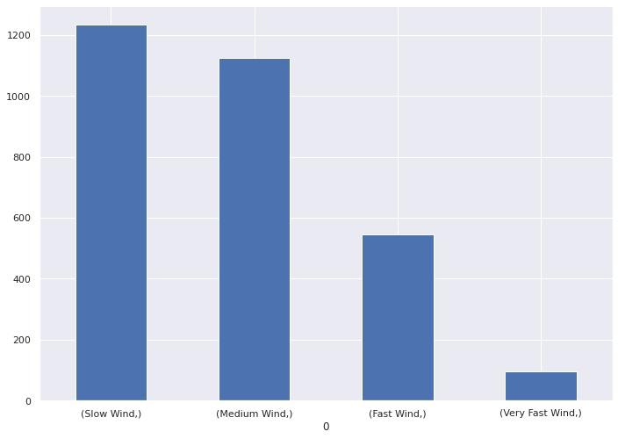

107 | Binarise the WindDir9am

108 |  | E | S | N | WSW | NNW | ESE | WNW | SSW | NNE | W | ENE | SSE | SW | NE | SE | NW
 | 0 | 0 | 0 | 0 | 0 | 1 | 0 | 0 | 0 | 0 | 0 | 0 | 0 | 0 | 0 | 0 | 0
 | 1 | 0 | 0 | 0 | 0 | 0 | 0 | 0 | 1 | 0 | 0 | 0 | 0 | 0 | 0 | 0 | 0
 | 2 | 0 | 0 | 0 | 0 | 0 | 0 | 0 | 0 | 0 | 0 | 1 | 0 | 0 | 0 | 0 | 0
 | 3 | 0 | 0 | 0 | 0 | 0 | 0 | 0 | 0 | 0 | 0 | 0 | 0 | 0 | 1 | 0 | 0
 | 4 | 0 | 0 | 0 | 0 | 0 | 0 | 0 | 0 | 0 | 0 | 0 | 1 | 0 | 0 | 0 | 0
 | 5 | 1 | 0 | 0 | 0 | 0 | 0 | 0 | 0 | 0 | 0 | 0 | 0 | 0 | 0 | 0 | 0
 | 6 | 0 | 1 | 0 | 0 | 0 | 0 | 0 | 0 | 0 | 0 | 0 | 0 | 0 | 0 | 0 | 0
 | 7 | 0 | 0 | 1 | 0 | 0 | 0 | 0 | 0 | 0 | 0 | 0 | 0 | 0 | 0 | 0 | 0
 | 8 | 0 | 0 | 0 | 0 | 1 | 0 | 0 | 0 | 0 | 0 | 0 | 0 | 0 | 0 | 0 | 0
 | 9 | 0 | 0 | 0 | 0 | 0 | 0 | 0 | 0 | 0 | 1 | 0 | 0 | 0 | 0 | 0 | 0
 | 10 | 0 | 0 | 0 | 1 | 0 | 0 | 0 | 0 | 0 | 0 | 0 | 0 | 0 | 0 | 0 | 0
 | 11 | 0 | 0 | 0 | 0 | 0 | 0 | 0 | 0 | 0 | 1 | 0 | 0 | 0 | 0 | 0 | 0
 | 12 | 1 | 0 | 0 | 0 | 0 | 0 | 0 | 0 | 0 | 0 | 0 | 0 | 0 | 0 | 0 | 0
 | 13 | 0 | 0 | 0 | 0 | 0 | 0 | 1 | 0 | 0 | 0 | 0 | 0 | 0 | 0 | 0 | 0
 | 14 | 0 | 0 | 0 | 0 | 0 | 0 | 0 | 0 | 0 | 0 | 0 | 0 | 1 | 0 | 0 | 0
 | 15 | 0 | 0 | 0 | 0 | 0 | 1 | 0 | 0 | 0 | 0 | 0 | 0 | 0 | 0 | 0 | 0
 | 16 | 0 | 0 | 0 | 1 | 0 | 0 | 0 | 0 | 0 | 0 | 0 | 0 | 0 | 0 | 0 | 0
 | 17 | 0 | 0 | 0 | 0 | 0 | 1 | 0 | 0 | 0 | 0 | 0 | 0 | 0 | 0 | 0 | 0
 | 18 | 0 | 0 | 0 | 0 | 0 | 0 | 0 | 0 | 0 | 0 | 1 | 0 | 0 | 0 | 0 | 0
 | 19 | 0 | 0 | 0 | 0 | 0 | 0 | 0 | 0 | 0 | 1 | 0 | 0 | 0 | 0 | 0 | 0
 | 20 | 0 | 0 | 0 | 0 | 0 | 0 | 0 | 1 | 0 | 0 | 0 | 0 | 0 | 0 | 0 | 0
 | 21 | 0 | 0 | 0 | 0 | 0 | 0 | 0 | 0 | 0 | 0 | 0 | 0 | 0 | 1 | 0 | 0
 | 22 | 0 | 0 | 0 | 0 | 0 | 0 | 0 | 0 | 1 | 0 | 0 | 0 | 0 | 0 | 0 | 0
 | 23 | 0 | 1 | 0 | 0 | 0 | 0 | 0 | 0 | 0 | 0 | 0 | 0 | 0 | 0 | 0 | 0
 | 24 | 0 | 0 | 0 | 0 | 0 | 0 | 0 | 0 | 0 | 0 | 0 | 1 | 0 | 0 | 0 | 0
 | 25 | 0 | 0 | 0 | 0 | 0 | 0 | 0 | 0 | 0 | 0 | 1 | 0 | 0 | 0 | 0 | 0
 | 26 | 0 | 1 | 0 | 0 | 0 | 0 | 0 | 0 | 0 | 0 | 0 | 0 | 0 | 0 | 0 | 0
 | 27 | 0 | 0 | 1 | 0 | 0 | 0 | 0 | 0 | 0 | 0 | 0 | 0 | 0 | 0 | 0 | 0
 | 28 | 1 | 0 | 0 | 0 | 0 | 0 | 0 | 0 | 0 | 0 | 0 | 0 | 0 | 0 | 0 | 0
 | 29 | 0 | 0 | 0 | 0 | 0 | 1 | 0 | 0 | 0 | 0 | 0 | 0 | 0 | 0 | 0 | 0
 | 30 | 0 | 0 | 0 | 0 | 0 | 0 | 0 | 0 | 1 | 0 | 0 | 0 | 0 | 0 | 0 | 0
 | 31 | 0 | 0 | 0 | 0 | 0 | 0 | 0 | 0 | 0 | 0 | 0 | 0 | 0 | 0 | 1 | 0
 | 32 | 0 | 0 | 1 | 0 | 0 | 0 | 0 | 0 | 0 | 0 | 0 | 0 | 0 | 0 | 0 | 0
 | 33 | 0 | 0 | 0 | 0 | 0 | 0 | 0 | 0 | 0 | 0 | 0 | 0 | 0 | 0 | 1 | 0
 | 34 | 0 | 0 | 0 | 0 | 0 | 0 | 0 | 0 | 0 | 0 | 0 | 0 | 0 | 1 | 0 | 0
 | 35 | 0 | 0 | 0 | 1 | 0 | 0 | 0 | 0 | 0 | 0 | 0 | 0 | 0 | 0 | 0 | 0
 | 36 | 0 | 0 | 0 | 0 | 0 | 0 | 0 | 0 | 0 | 0 | 0 | 0 | 0 | 0 | 1 | 0
 | 37 | 0 | 0 | 0 | 1 | 0 | 0 | 0 | 0 | 0 | 0 | 0 | 0 | 0 | 0 | 0 | 0
 | 38 | 0 | 0 | 0 | 0 | 0 | 0 | 0 | 0 | 1 | 0 | 0 | 0 | 0 | 0 | 0 | 0
 | 39 | 0 | 0 | 0 | 0 | 0 | 0 | 0 | 0 | 0 | 0 | 0 | 0 | 0 | 0 | 0 | 1
 | 40 | 0 | 0 | 0 | 0 | 0 | 0 | 0 | 0 | 0 | 0 | 0 | 1 | 0 | 0 | 0 | 0
 | 41 | 1 | 0 | 0 | 0 | 0 | 0 | 0 | 0 | 0 | 0 | 0 | 0 | 0 | 0 | 0 | 0
 | 42 | 1 | 0 | 0 | 0 | 0 | 0 | 0 | 0 | 0 | 0 | 0 | 0 | 0 | 0 | 0 | 0
 | 43 | 0 | 0 | 0 | 0 | 0 | 0 | 0 | 0 | 0 | 0 | 0 | 0 | 0 | 1 | 0 | 0
 | 44 | 0 | 0 | 0 | 0 | 0 | 0 | 0 | 0 | 0 | 0 | 0 | 0 | 1 | 0 | 0 | 0
 | 45 | 0 | 0 | 0 | 0 | 0 | 0 | 0 | 0 | 0 | 1 | 0 | 0 | 0 | 0 | 0 | 0
...

