YoastSEOPremium.sql
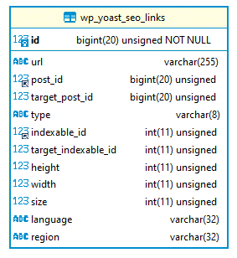
tb: - wp_yoast_indexable - wp_yoast_indexable_hierarchy - wp_yoast_migrations - wp_yoast_primary_term - wp_yoast_prominent_words - wp_yoast_seo_links | 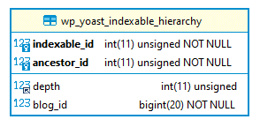 | 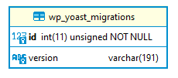 | 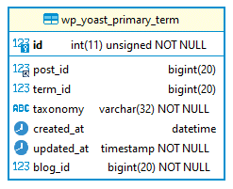 | 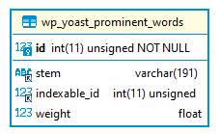

Redirections.sql
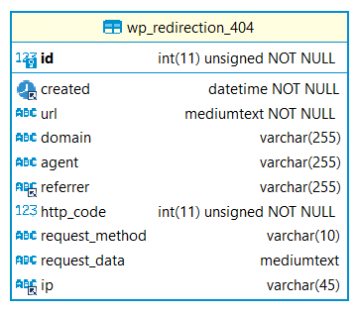
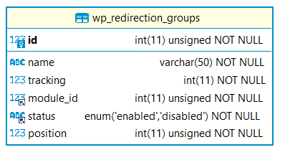
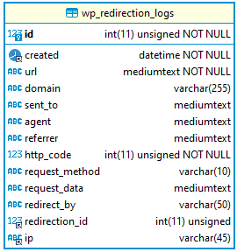
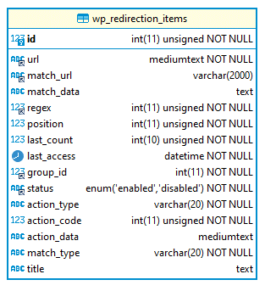
tb: - wp_redirection_404 - wp_redirection_groups - wp_redirection_items - wp_redirection_logs

