Top


タップしてスタート

Display this screen.
"タップしてスタート" blinks.
Tap anywhere on this screen to go to "List" screen.

List
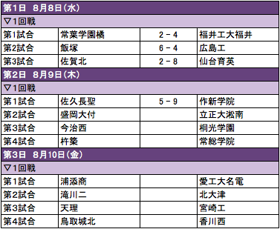

 |  |  |  | Tap the match row to go to "Main" screen.

Use the API: http://e980411.gehirn.ne.jp/getAllMatches
Use the API: http://e980411.gehirn.ne.jp/getScore/<match_id> for each match's scores

date format should be "X月Y日（Z）"
X = 1,2,3,4,5,6,7,8,9,10,11,12
Y = Date
Z = Day of week

X |  | Z
January | １ | Monday | 月
February | ２ | Tuesday | 火
March | ３ | Wednesday | 水
April | ４ | Thursday | 木
May | ５ | Friday | 金
June | ６ | Saturday | 土
July | ７ | Sunday | 日
August | ８
September | ９
October | １０
November | １１
December | １２

Main
 |  |  | http://e980411.gehirn.ne.jp/getPoint/<match_id> to get cheer points.
 |  |  | Number of people displaying here = (point_1 / 100) + 5
 |  |  |  |  | http://e980411.gehirn.ne.jp/getPoint/<match_id> to get cheer points.
 |  |  |  |  | Number of people displaying here = (point_2 / 100) + 5
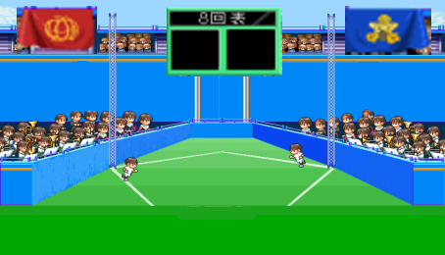
16
2

http://e980411.gehirn.ne.jp/getSchoolFlag/<school_id 1> |  |  |  | http://e980411.gehirn.ne.jp/getSchoolFlag/<school_id 2>

 |  | http://e980411.gehirn.ne.jp/getScore/<match_id>
 |  | Display score_1 on the left, score_2 on the right.

 | Time bar: it is filling from left to right. It is fill 100% in X minutes.
 | X: in production version, it will be 10 minutes. For testing purpose set it to 1 minute for now.
 | If the time bar is filled, The flags are flashing. (Sample below)


 | Ref: sample effect movie: http://www.youtube.com/watch?v=rmLWjYjAJAo 0:10-0:14

 | Tap either flag to go to "Cheer" screen.

Cheer


擦

れ

http://www.matsubarase.com/koshien/
Try this JavaScript program sample.

Keep scratching the screen to increase the bar, for 10 seconds.
If a user doesn't scratch, the bar decreases.
Measure "how many milliseconds does the user keep 100%"
After 10 seconds, it shous like:

50pt

If a user keep 100% bar for 5,000 milliseconds, the user can send 50pt to the server.
cheer point = (milliseconds the user keep 100% / 100)

Automatically go back to "Main" screen after 5 seconds.

