Sheet1

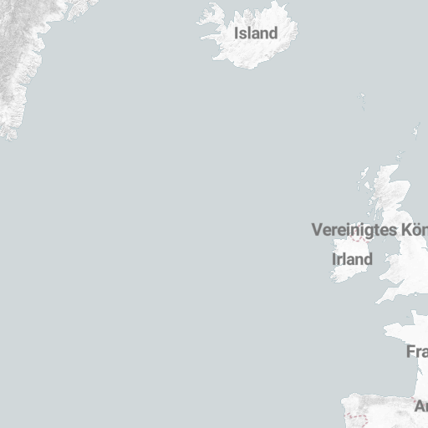
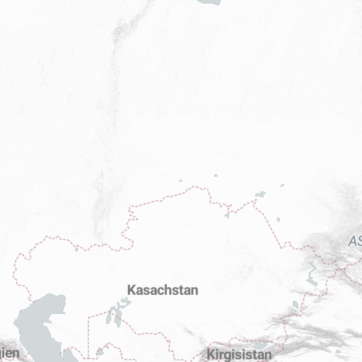
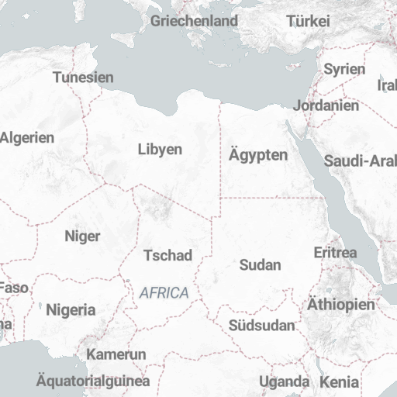
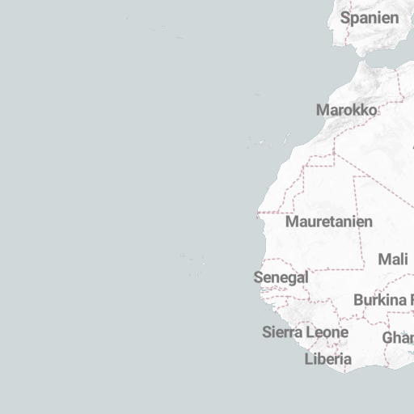
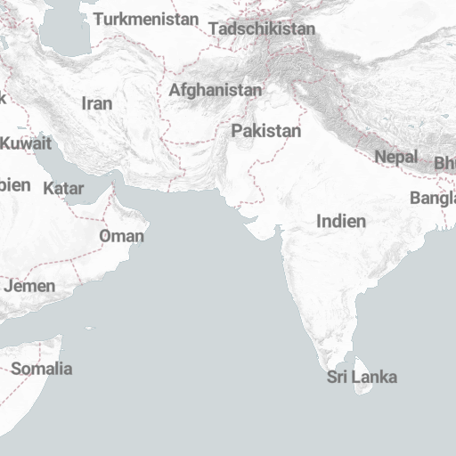
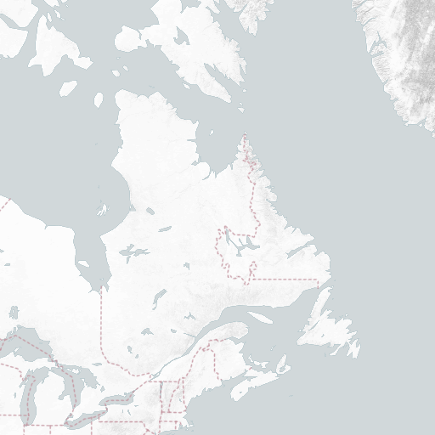
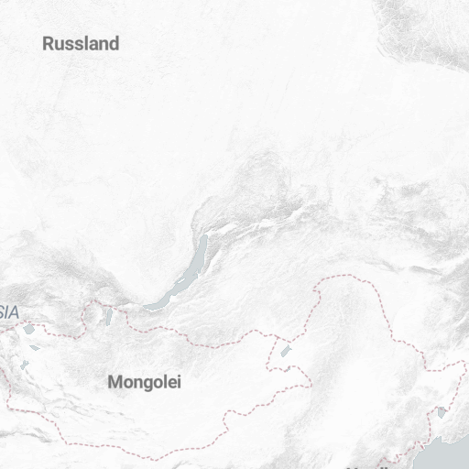
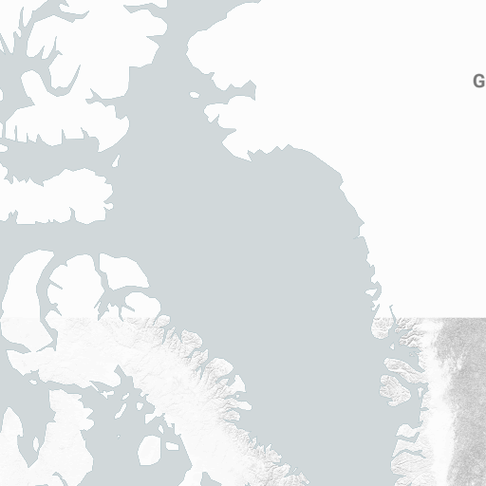

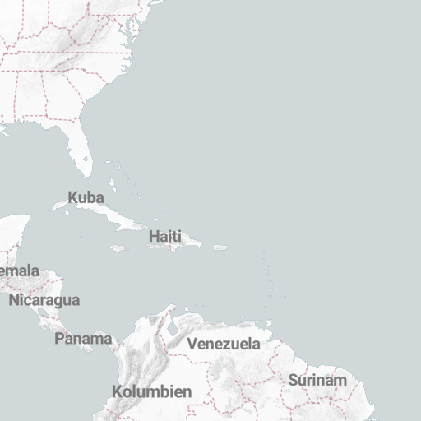
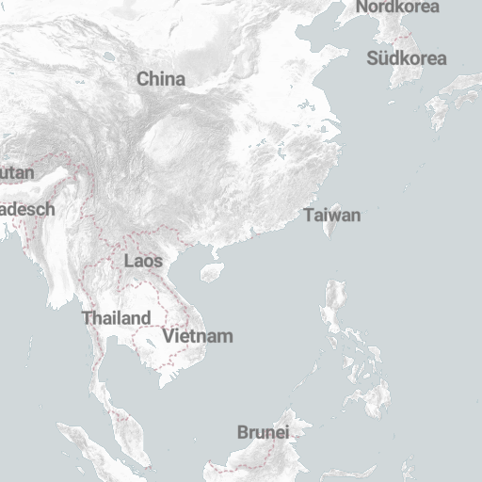
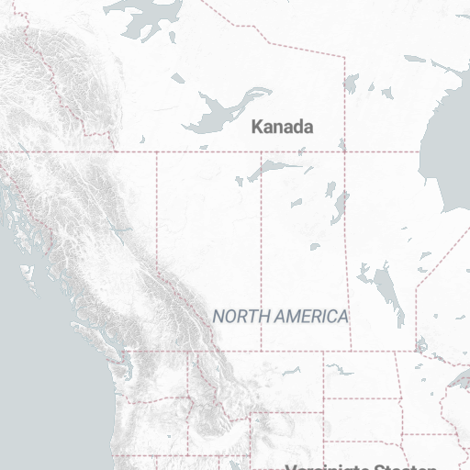
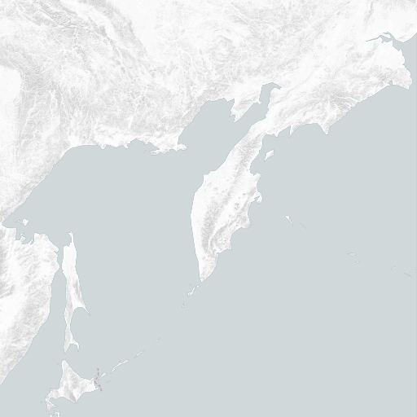
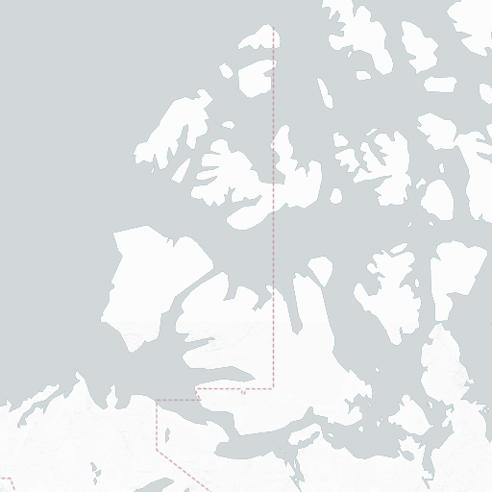

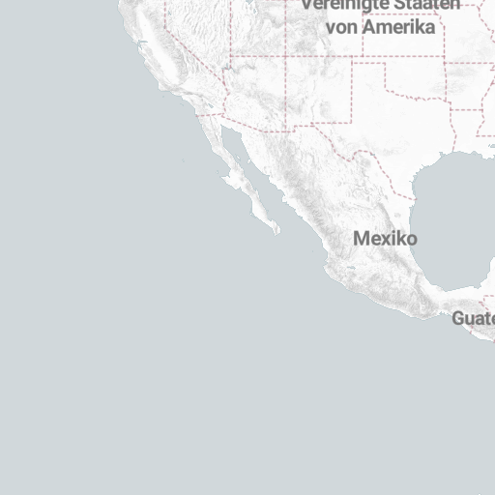

 | 2020-03-16 | 2020-03-15 | 2020-03-03 | Min | Max | Humidity | Wind
North Rhine-Westphalia | 2744 | 2,493 | 111 | 7 | 15 | 66
Baden-Wuerttemberg | 1105 | 977 | 44 | -1 | 15 | 64
Bavaria | 1067 | 886 | 48 | -4 | 14 | 70
Lower Saxony | 391 | 287 | 4 | 4 | 14 | 59
Berlin | 342 | 283 | 6 | 0 | 12 | 46
Hesse | 332 | 282 | 12 | 3 | 14 | 62
Rhineland-Palatinate | 325 | 200 | 2 | 3 | 14 | 62
Hamburg | 260 | 196 | 2 | 3 | 14 | 61 | 24
Saxony | 152 | 134 | 1 | 1 | 9 | 42 | 25
Schleswig-Holstein | 123 | 123 | 2 | 6 | 13 | 65 | 22
Brandenburg | 94 | 84 | 1 | 0 | 11 | 67
Saarland | 85 | 74 | 1 | 5 | 15 | 57 | 10
Thuringia | 77 | 63 | 1 | 3 | 12 | 54
Saxony-Anhalt | 67 | 60 | 0 | 7 | 14 | 45
Bremen | 57 | 56 | 2 | 5 | 14 | 68 | 20
Mecklenburg-West Pomerania | 51 | 50 | 3 | 3 | 14 | 55 | 19

