Sheet1

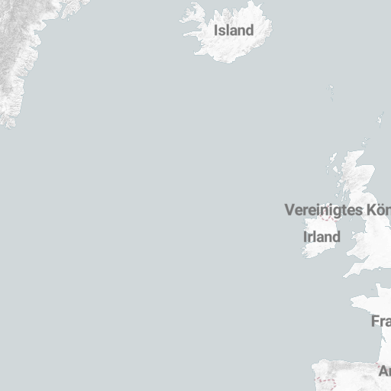
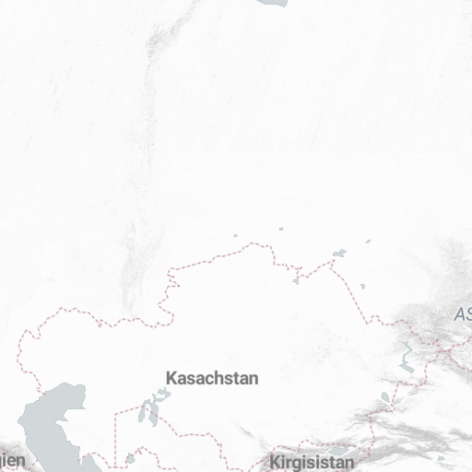
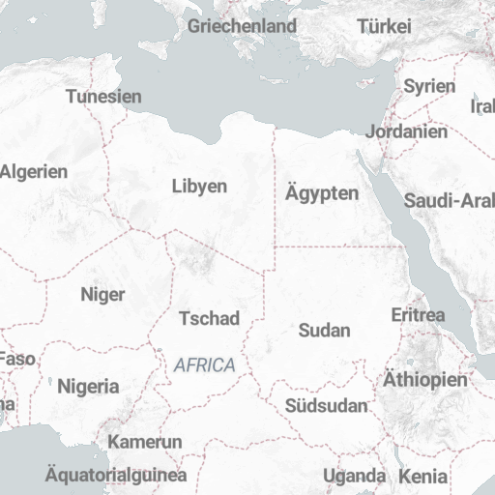
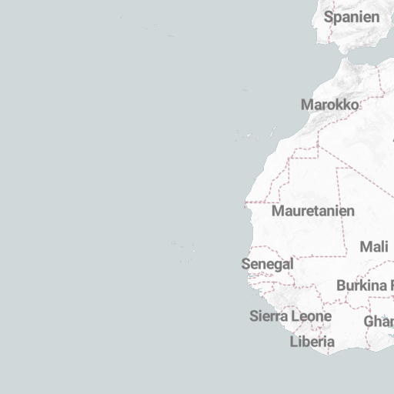
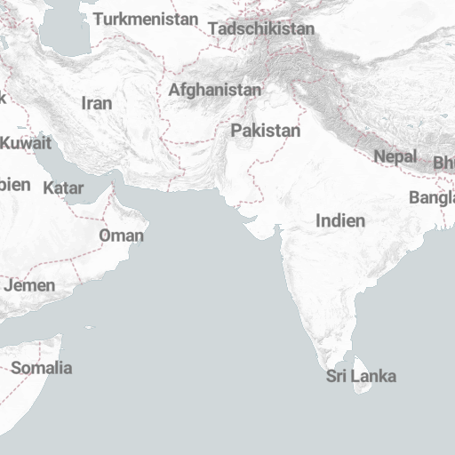
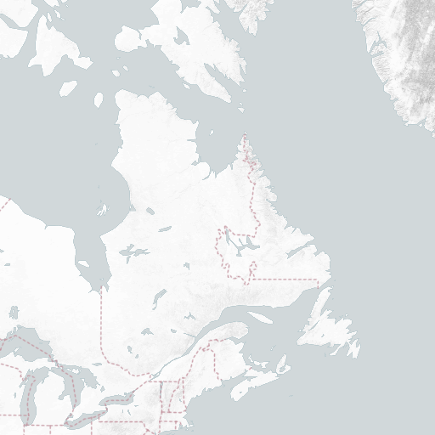
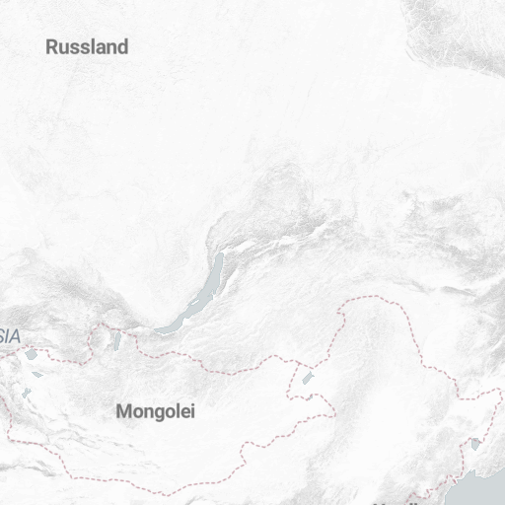
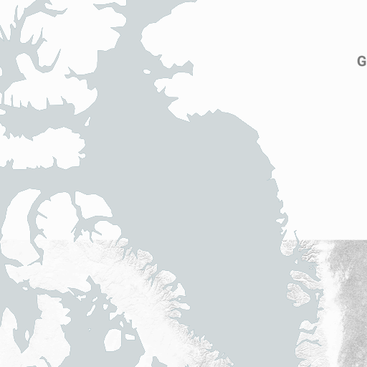

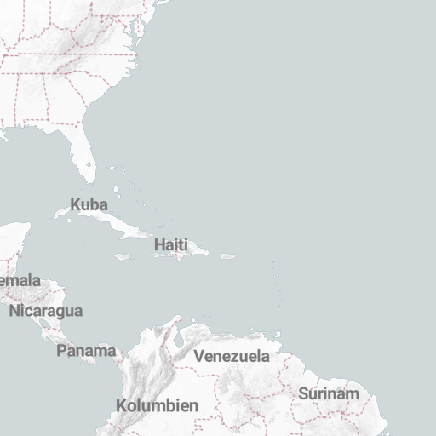
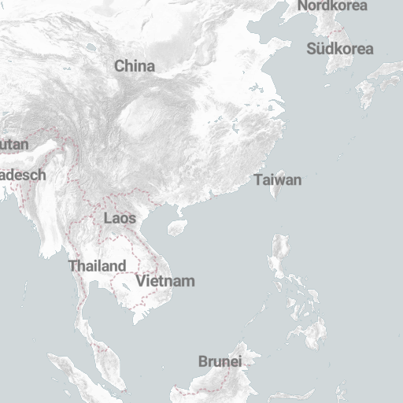
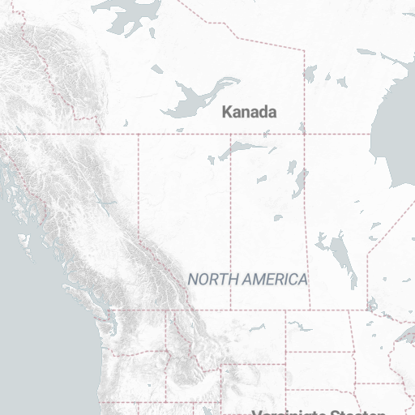
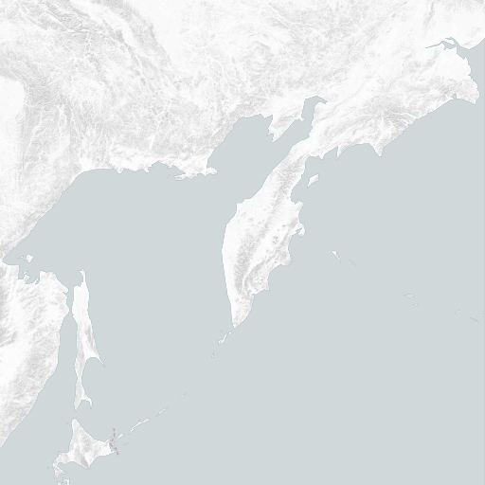
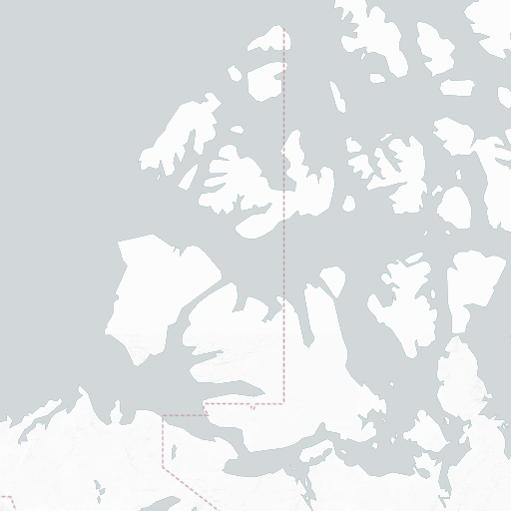

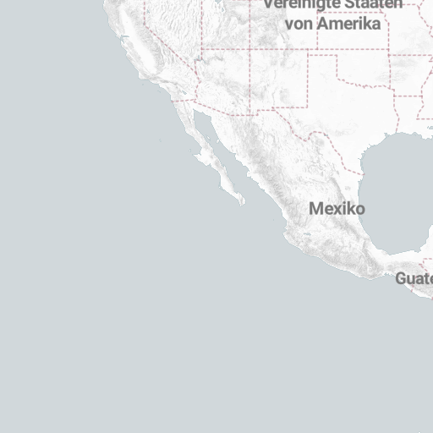

 | 2020-03-15 | Min | Max | Humidity | Wind
North Rhine-Westphalia | 2,493 | 7 | 15 | 66
Baden-Wuerttemberg | 977 | -1 | 15 | 64
Bavaria | 886 | -4 | 14 | 70
Lower Saxony | 287 | 4 | 14 | 59
Berlin | 283 | 0 | 12 | 46
Hesse | 282 | 3 | 14 | 62
Rhineland-Palatinate | 200 | 3 | 14 | 62
Hamburg | 196 | 3 | 14 | 61 | 24
Saxony | 134 | 1 | 9 | 42 | 25
Schleswig-Holstein | 123 | 6 | 13 | 65 | 22
Brandenburg | 84 | 0 | 11 | 67
Saarland | 74 | 5 | 15 | 57 | 10
Thuringia | 63 | 3 | 12 | 54
Saxony-Anhalt | 60 | 7 | 14 | 45
Bremen | 56 | 5 | 14 | 68 | 20
Mecklenburg-West Pomerania | 50 | 3 | 14 | 55 | 19

